NIKKEI.S
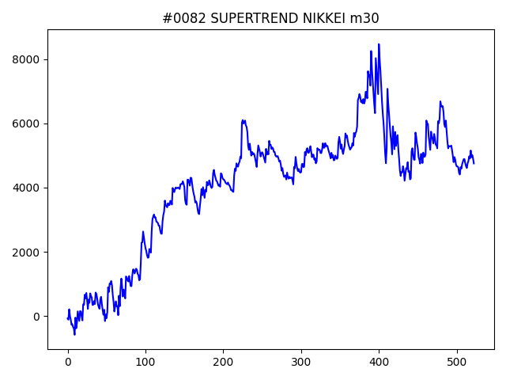
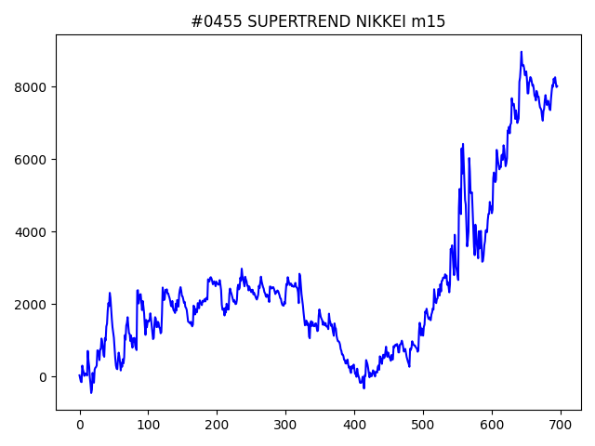
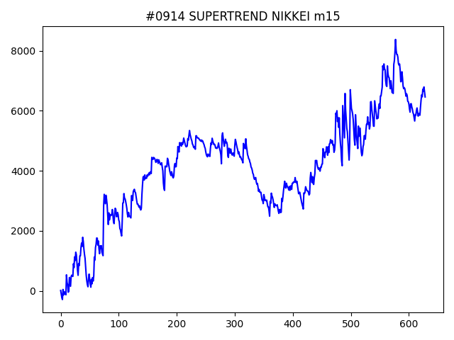
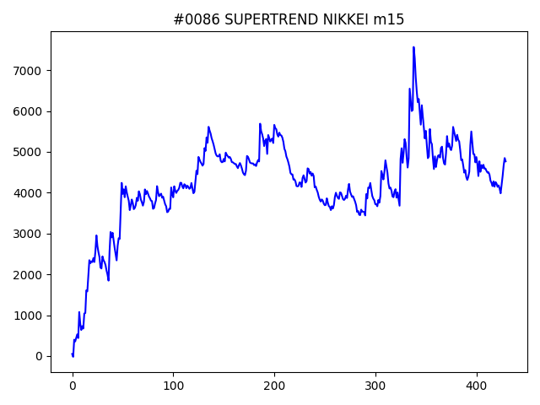
 | No | symbol | timeframe | SUPERTREND.window | SUPERTREND.multiply | SUPERTREND.break_count | strategy | begin_hour | begin_minute | hours | sl | target_profit | trailing_stop | volume | position_max | timelimit | only | trade_num | profit | win_rate | number
1 | 455 | NIKKEI | m15 | 10 | 4 | 5 | SUPERTREND | 13 | 0 | 1 | 500 | 0 | 0 | 0.1 | 5 | 0 | 0 | 696 | 8014 | 0.39367816092 | 01
1 | 914 | NIKKEI | m15 | 20 | 4.2 | 6 | SUPERTREND | 12 | 0 | 16 | 300 | 0 | 0 | 0.1 | 5 | 0 | 0 | 629 | 6462 | 0.37519872814 | 01
1 | 86 | NIKKEI | m15 | 10 | 3.4 | 0 | SUPERTREND | 23 | 0 | 9 | 250 | 150 | 450 | 0.1 | 5 | 0 | -1 | 430 | 4766 | 0.38372093023 | 01
1 | 82 | NIKKEI | m30 | 70 | 2.8 | 10 | SUPERTREND | 20 | 0 | 20 | 300 | 50 | 100 | 0.1 | 5 | 0 | 0 | 523 | 4752 | 0.39196940727 | 01

Dow.s
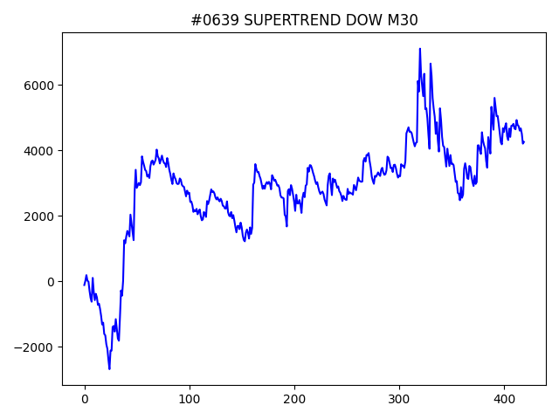
 | No | symbol | timeframe | SUPERTREND.window | SUPERTREND.multiply | SUPERTREND.break_count | strategy | begin_hour | begin_minute | hours | sl | target_profit | trailing_stop | volume | position_max | timelimit | only | trade_num | profit | win_rate | number | VWAP.begin_hour_list | VWAP.pivot_threshold | VWAP.pivot_left_len | VWAP.pivot_center_len | VWAP.pivot_right_len | VWAP.median_window | VWAP.ma_window
1 | 284 | DOW | M30 | 70 | 2.2 | 4 | SUPERTREND | 19 | 30 | 7 | 300 | 100 | 250 | 0.1 | 5 | 0 | 0 | 720 | 10010.5 | 0.38611111111 | 02
1 | 163 | DOW | M30 | 30 | 4 | 0 | SUPERTREND | 20 | 30 | 7 | 300 | 100 | 100 | 0.1 | 5 | 0 | 0 | 354 | 8209 | 0.38700564972 | 01
1 | 80 | DOW | M30 | 30 | 4 | 5 | SUPERTREND | 20 | 30 | 20 | 250 | 50 | 250 | 0.1 | 5 | 0 | -1 | 177 | 6545 | 0.35593220339 | 01
1 | 639 | DOW | M30 | 50 | 3.4 | 7 | SUPERTREND | 14 | 0 | 5 | 250 | 50 | 50 | 0.1 | 5 | 0 | 0 | 420 | 4258 | 0.38095238095 | 02
1 | 841 | DOW | M30 | 10 | 3.2 | 8 | SUPERTREND | 22 | 0 | 2 | 150 | 0 | 0 | 0.1 | 5 | 0 | -1 | 243 | 3652.5 | 0.30452674897 | 02
1 | 110 | DOW | M30 | 30 | 3.8 | 0 | SUPERTREND | 14 | 0 | 1 | 200 | 150 | 300 | 0.1 | 5 | 0 | -1 | 192 | 1787 | 0.32291666667 | 01

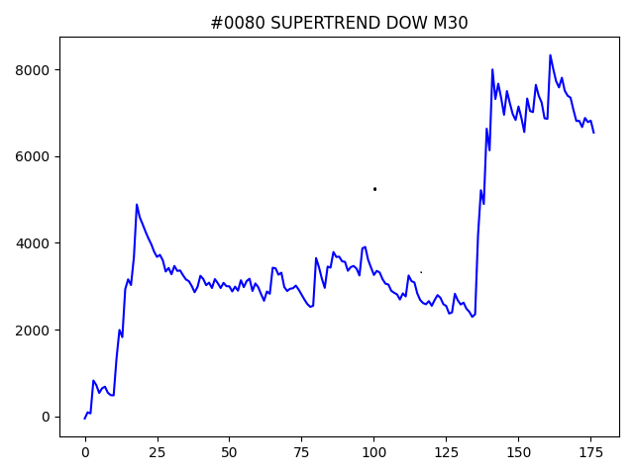
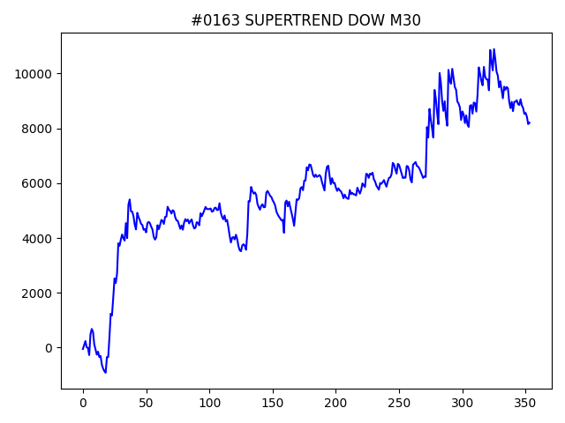

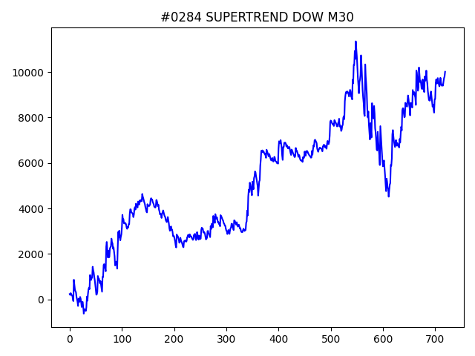
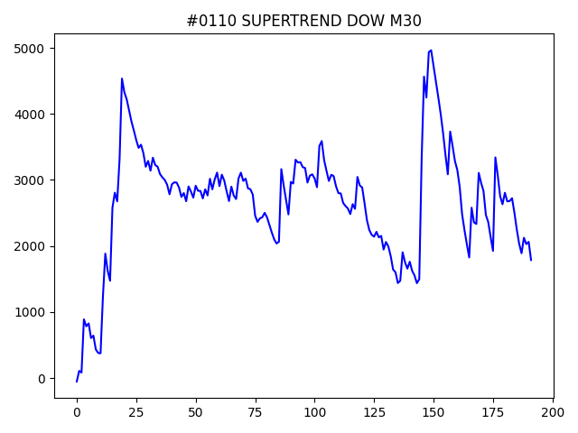

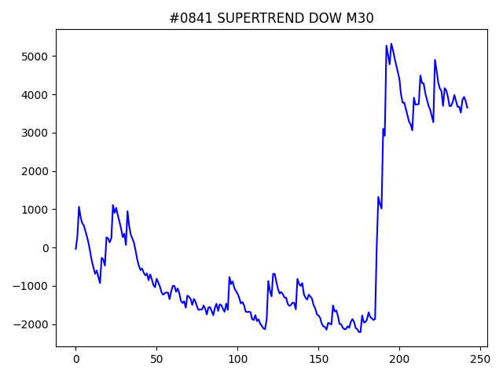
 |  |  |  |  |  |  |  | dow

NSDQ.s
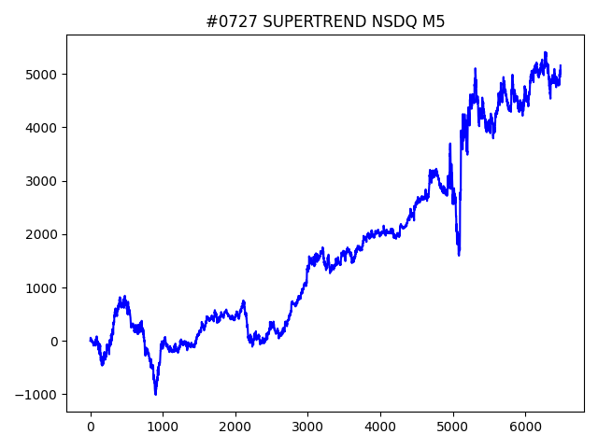
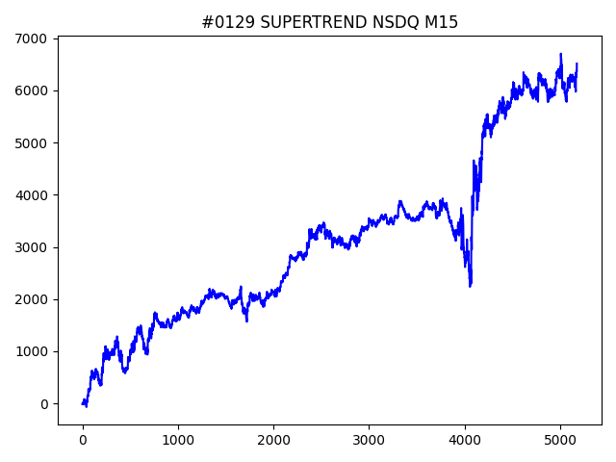
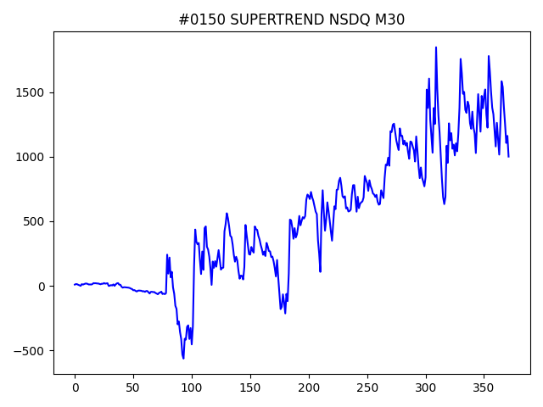
 | No | symbol | timeframe | SUPERTREND.window | SUPERTREND.multiply | SUPERTREND.break_count | strategy | begin_hour | begin_minute | hours | sl | target_profit | trailing_stop | volume | position_max | timelimit | only | trade_num | profit | win_rate | number
1 | 129 | NSDQ | M15 | 10 | 0.6 | 4 | SUPERTREND | 20 | 30 | 3 | 180 | 40 | 80 | 0.1 | 5 | 0 | 0 | 5174 | 6515.7 | 0.38442211055 | 01
1 | 727 | NSDQ | M5 | 80 | 1.6 | 8 | SUPERTREND | 8 | 0 | 20 | 200 | 60 | 80 | 0.1 | 5 | 0 | 0 | 6484 | 5158.8 | 0.38155459593 | 01
1 | 150 | NSDQ | M30 | 80 | 4.6 | 0 | SUPERTREND | 17 | 30 | 6 | 120 | 60 | 180 | 0.1 | 5 | 0 | 0 | 372 | 1001.3 | 0.40860215054 | 01

