BUY NOW_test_cases
Product Name |  |  | Galottery | TC Start Date | 22/2/2023 | TC Execution Start Date | 23/2/2023 | TEST CASE SUMMARY
Module Name |  |  | BUY NOW | TC End Date | 22/2/2023 | TC Execution End Date | 23/2/2023 | PASS | 7
Developer Name |  |  | Mr. X | Test Case Developed By | jonesin | Browser (tested) | No | FAIL | 0
 |  |  |  | Test Case Reviewed By | Mr.Z |  |  | Warming | 0-
 |  |  |  |  |  |  |  | Total= | 7
TC#ID | Project ModuleName | Req#ID | Test Case Description | Steps | Test Data | Expected Result | Test result | Status(Pass/ fail) | Type of testing | Screen shot
TC_001 | Galottery_BUY NOW | 1.1.1 | Verify BUY NOW button are work properly and dropdown item are clickable | Step-1. Browse the URL Step-2. go to https://www.galottery.com/en-us/registration.html Step-3. Click on BUY NOW button/ Step-4. Click on BUY NOW dropdown select one item | Click | Should work properly | As Expected | pass | Functional testing | 
TC_002 | Galottery_BUY NOW | 1.1.2 | Verify After cliking BUY NOW button user can see new BUY NOW page | Step-1. Browse the URL Step-2. go to https://www.galottery.com/en-us/registration.html Step-3. Click on BUY NOW button/ | Click | Should able to see properly | As Expected | pass | Functional testing | 
TC_003 | Galottery_BUY NOW | 1.1.3 | Verify BUY NOW page shows all information properly | Step-1. Browse the URL Step-2. go to https://www.galottery.com/en-us/registration.html Step-3. Click on BUY NOW button/ | Click | Should work properly | As Expected | pass | Functional testing
TC_004 | Galottery_BUY NOW | 1.1.4 | Verify In BUY NOW page Every button of view more are working | Step-1. Browse the URL Step-2. go to https://www.galottery.com/en-us/registration.html Step-3. Click on BUY NOW button/ Step-4. Click View more button | Click | Should work properly | As Expected | pass | Functional testing | 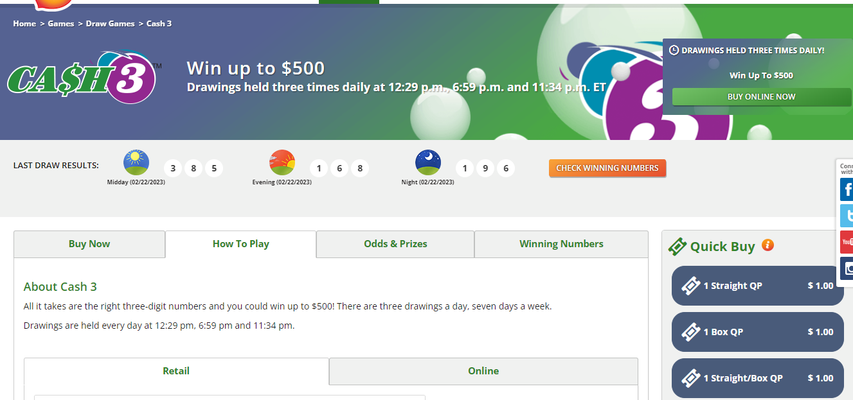
TC_005 | Galottery_BUY NOW | 1.1.5 | Verify In BUY NOW page every item logo are clickable and showing detail about item. | Step-1. Browse the URL Step-2. go to https://www.galottery.com/en-us/registration.html Step-3. Click on BUY NOW button/ Step-4. Click on specefic item logo | Click | Should work properly | As Expected | pass | Functional testing | 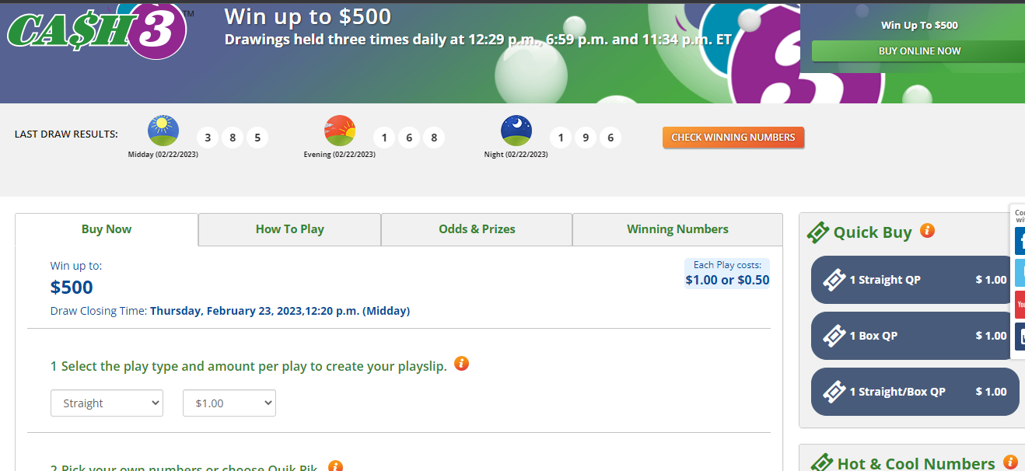
TC_006 | Galottery_BUY NOW | 1.1.6 | Verify In BUY NOW page Every button of buy now are working | Step-1. Browse the URL Step-2. go to https://www.galottery.com/en-us/registration.html Step-3. Click on BUY NOW button/ Step-4. Click buy now button | Click | Should work properly | As Expected | pass | Functional testing
TC_007 | Galottery_BUY NOW | 1.1.7 | Verify In BUY NOW page all item are allign properly and looks good with easy to understand. | Step-1. Browse the URL Step-2. go to https://www.galottery.com/en-us/registration.html Step-3. Click on BUY NOW button/ | Click | Should all item are allign properly and looks good with easy to understand. | As Expected | pass | Non Functional testing

Galottery_LogIN
Product Name |  |  | Galottery | TC Start Date | 23/02/2023 | TC Execution Start Date | 23/02/2022 | TEST CASE SUMMARY
Module Name |  |  | Sign In | TC End Date | 23/02/2023 | TC Execution End Date | 23/02/2023 | PASS | 6
Developer Name |  |  | Mr. X | Test Case Developed By | jonesin | Browser (tested) | No | FAIL | 0
 |  |  |  | Test Case Reviewed By | Mr.Z |  |  | Warming | 0
 |  |  |  |  |  |  |  | Total= | 6
TC#ID | Project ModuleName | Req#ID | Test Case Description | Steps | Test Data | Expected Result | Test result | Status(Pass/ fail) | Type of testing | Screen shot
TC_001 | Galottery for Sign In | 1.1.1 | Try to Sign in with registered Email/password | Step-1. Browse the URL Step-2. go to https://www.galottery.com/en- us/registration.html Step-3. go to Login Step-4. Enter valid email &password | "Email = tiffanyroberts8412@gmail.com Password = Test1234 | Sould able to signin | As Expected | Pass | Functional Testing | 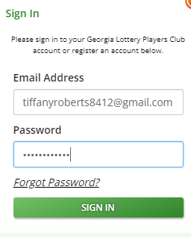
TC_002 | Galottery for Sign In | 1.1.2 | Try to Sign in with valid Email but empty Password | Step-1. Browse the URL Step-2. go to https://www.galottery.com/en- us/registration.html Step-3. go to Login Step-4. Enter valid email & empty password | "Email = tiffanyroberts8412@gmail.com Password = | Sould not be able to sign in and there should be an alert such as "Password is required!" | As Expected | Pass | Functional Testing | 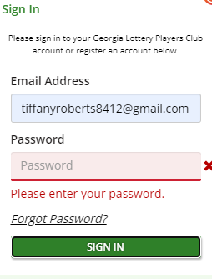
TC_003 | Galottery for Sign In | 1.1.3 | Try to Sign in with valid email but invalid Password | Step-1. Browse the URL Step-2. go to https://www.galottery.com/en- us/registration.html Step-3. go to Login Step-4. Enter valid email & invalid password | "Email = tiffanyroberts8412@gmail.com Password = 14567 | Sould not be able to sign in and there should be an alert such as "Enter valid pass!" | As Expected | Pass | Functional Testing | 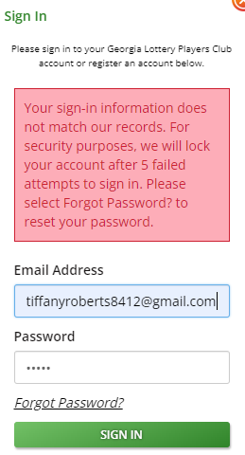
TC_004 | Galottery for Sign In | 1.1.4 | Try to Sign in with invalid Email but valid Password | Step-1. Browse the URL Step-2. go to https://www.galottery.com/en- us/registration.html Step-3. go to Login Step-4. Enter invalid email & valid password | "email = tu2.com Password = Test1234 | Sould not be able to sign in and there should be an alert such as "Please enter valid email" | As Expected | Pass | Functional Testing | 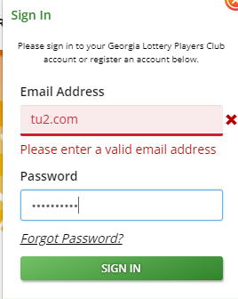
TC_005 | Galottery for Sign In | 1.1.5 | Try to Sign in with invalid email but invalid Password | Step-1. Browse the URL Step-2. go to https://www.galottery.com/en- us/registration.html Step-3. go to Login Step-4. Enter invalid email & invalid password | "Email: tu2.com Password = 123464 | Sould not be able to sign in and there should be an alert such as "Please enter Valid email and Password | As Expected | Pass | Functional Testing
TC_006 | Galottery for Sign In | 1.1.6 | verify Sign in button working properly | Step-1. Browse the URL Step-2. go to https://www.galottery.com/en- us/registration.html Step-3. go to Login Step-4. click on signin button | click | Sould work properly | As Expected | Pass | Functional Testing

Registration_test_cases
Product Name |  |  | Galottery | TC Start Date | 22/2/2023 | TC Execution Start Date | 23/2/2023 | TEST CASE SUMMARY
Module Name |  |  | Registration | TC End Date | 22/2/2023 | TC Execution End Date | 23/2/2023 | PASS | 32
Developer Name |  |  | Mr. X | Test Case Developed By | jonesin | Browser (tested) | No | FAIL | 1
 |  |  |  | Test Case Reviewed By | Mr.Z |  |  | Warming | 0
 |  |  |  |  |  |  |  | Total= | 33
TC#ID | Project ModuleName | Req#ID | Test Case Description | Steps | Test Data | Expected Result | Test result | Status(Pass/ fail) | Type of testing | Screen shot
TC_001 | Galottery_Registration | 1.1.1 | Verify User Can Input Firstname properly without any exceptions | Step-1. Browse the URL Step-2. go to https://www.galottery.com/en-us/registration.html Step-3. Enter all character of name in input field. | Firstname=Tiffany | Should able to enter without exception | As Expected | pass | Functional testing | 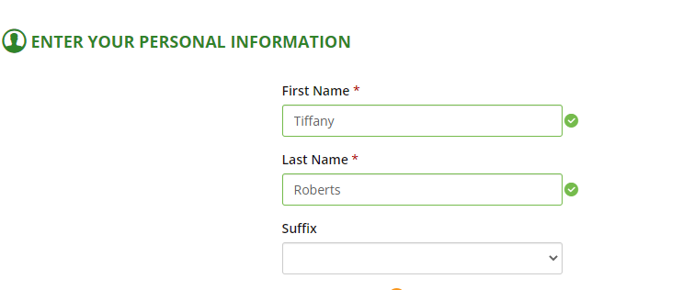
TC_002 | Galottery_Registration | 1.1.2 | Verify User Cann't Input digit or speacial charecter only in the field of Firstname | Step-1. Browse the URL Step-2. go to https://www.galottery.com/en-us/registration.html Step-3. Enter all character of name in input field. | Firstname="12345$@" | Shouldn't able to keep only Digits and speacial charecter | As Expected | pass | Acceptance testing | 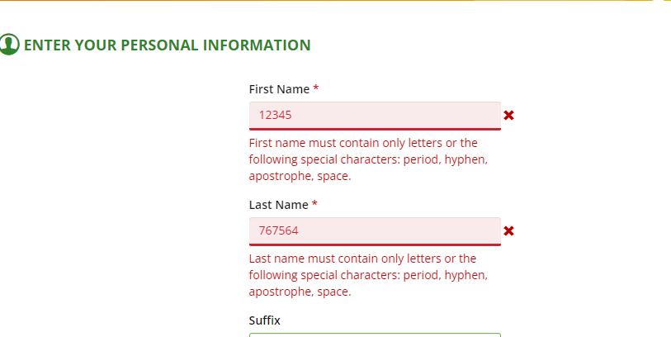
TC_003 | Galottery_Registration | 1.1.3 | Verify User Can not keep blank the field of Firstname | Step-1. Browse the URL Step-2. go to https://www.galottery.com/en-us/registration.html Step-3. Keep blank of name in input field. | Firstname= | Should not able to keep blank | As Expected | pass | Functional testing | 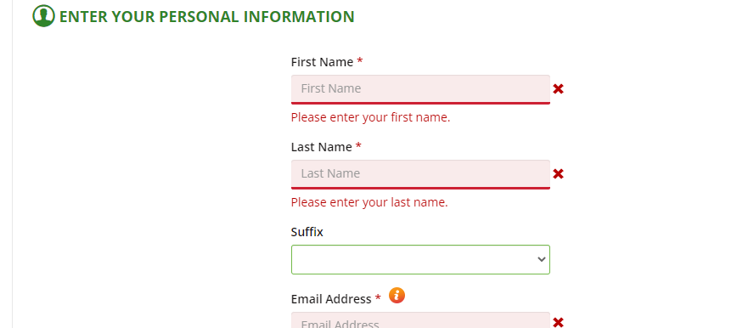
TC_004 | Galottery_Registration | 1.1.4 | Verify User Can Input Lastname properly without any exceptions | Step-1. Browse the URL Step-2. go to https://www.galottery.com/en-us/registration.html Step-3. Enter all character of name in input field. | Lastname=Roberts | Should able to enter without exception | As Expected | pass | Functional testing
TC_005 | Galottery_Registration | 1.1.5 | Verify User Cann't Input digit or speacial charecter only in the field of Lastname | Step-1. Browse the URL Step-2. go to https://www.galottery.com/en-us/registration.html Step-3. Enter all character of name in input field. | Lastname="12345$@" | Shouldn't able to keep only Digits and speacial charecter | As Expected | pass | Acceptance testing
TC_006 | Galottery_Registration | 1.1.6 | Verify User Can not keep blank the field of Lastname | Step-1. Browse the URL Step-2. go to https://www.galottery.com/en-us/registration.html Step-3. Keep blank of name in input field. | Lastname= | Should not able to keep blank | As Expected | pass | Functional testing
TC_007 | Galottery_Registration | 1.1.7 | Verify User Can select optional Suffix dropdown item in this suffix field without any exception | Step-1. Browse the URL Step-2. go to https://www.galottery.com/en-us/registration.html Step-3. Select anyone of Dropdown item | select | Should able to select one | As Expected | pass | Functional testing | 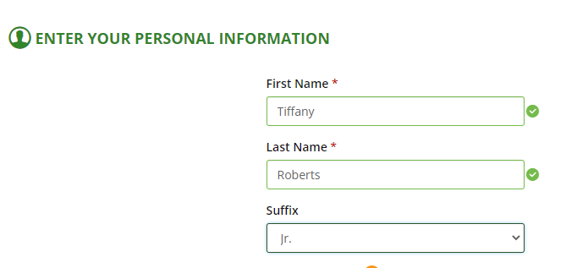
TC_008 | Galottery_Registration | 1.1.8 | Verify user can not select two suffix in dropdown field at a time | Step-1. Browse the URL Step-2. go to https://www.galottery.com/en-us/registration.html Step-3. Try Select two item of Dropdown item | select | Shouldn't able to select two at a time | As Expected | pass | Functional testing | 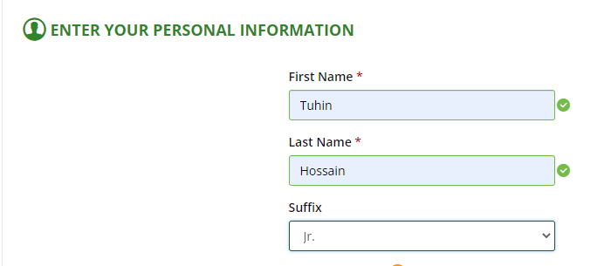
TC_009 | Galottery_Registration | 1.1.9 | Verify email field by entering a valid email address | Step-1. Browse the URL Step-2. go to https://www.galottery.com/en-us/registration.html Step-3. Enter valid email address in Email field | email="tuhin@gmail.com | Should able to enter and keep valid email | As Expected | pass | Functional testing | 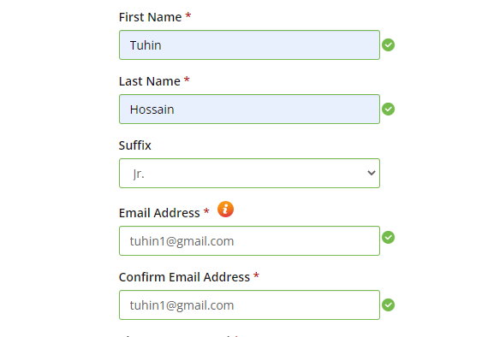
TC_011 | Galottery_Registration | 1.1.11 | Verify the email id filed With the Plus sign is considered a valid character | Step-1. Browse the URL Step-2. go to https://www.galottery.com/en-us/registration.html Step-3. Enter email id filed With the Plus sign | email=" tiffanyroberts+8412@gmail.com | Should able to enter and keep With the Plus sign email | As Expected | pass | Functional testing | 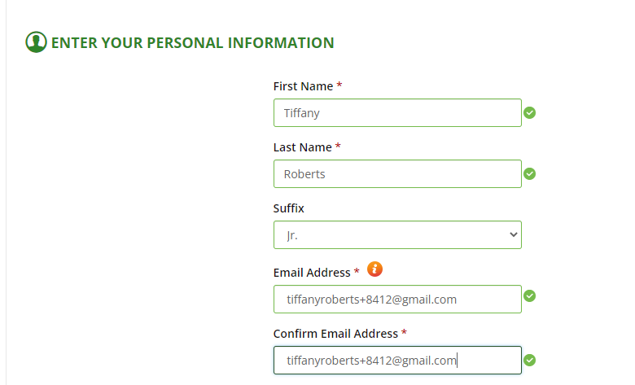
TC_012 | Galottery_Registration | 1.1.12 | Verify the email id filed cann't keep blank | Step-1. Browse the URL Step-2. go to https://www.galottery.com/en-us/registration.html Step-3. Keep blank email id filed | email=" " | Should not able tokeep blank | As Expected | pass | Functional testing | 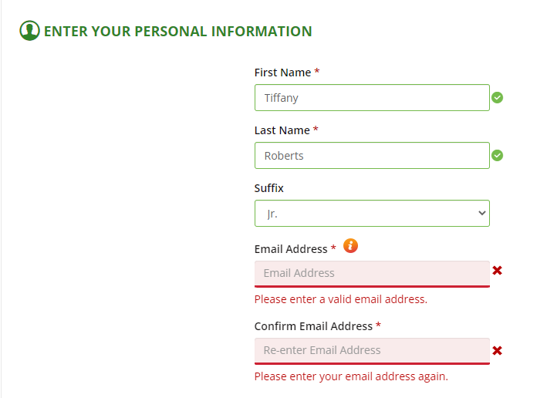
TC_013 | Galottery_Registration | 1.1.13 | Verify the email id filed With Missing @ sign and domain | Step-1. Browse the URL Step-2. go to https://www.galottery.com/en-us/registration.html Step-3. Enter email id filed With the Plus sign | email=" tiffanyroberts8412gmail.com | Should not able to register keep email without @ sign and domain as well | As Expected | pass | Functional testing | 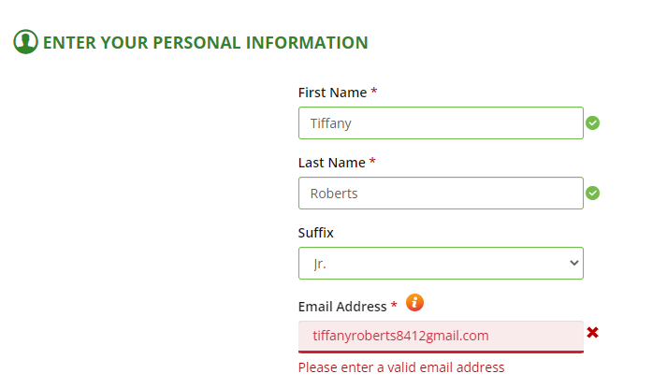
TC_014 | Galottery_Registration | 1.1.14 | Verify the error message should displayed for an invalid and already registered email address. | Step-1. Browse the URL Step-2. go to https://www.galottery.com/en-us/registration.html Step-3. Enter invalid email id or already registerd email. | email=" tiffanyroberts8412@gmail.com | Should not able to register by entering registerd email | As Expected | pass | Functional testing | 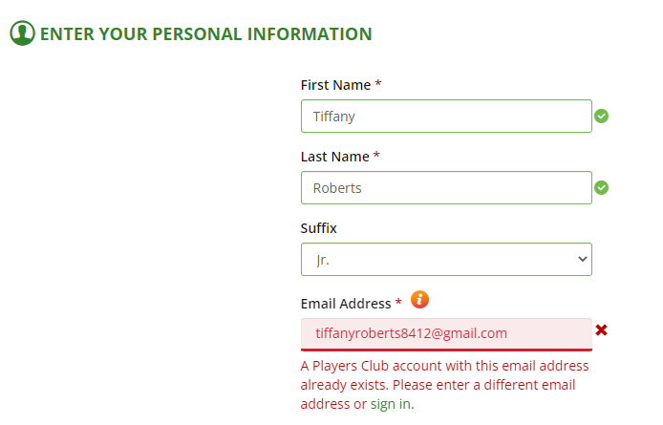
TC_015 | Galottery_Registration | 1.1.15 | Verify that in the email address field there have placeholder for valid email example | Step-1. Browse the URL Step-2. go to https://www.galottery.com/en-us/registration.html Step-3. Go to email address field. |  | Should able to see valid email address placeholder | Not able here. Here contain email address sentence as a placeholder. That not the right for easy to understand | fail | Non Functional testing | 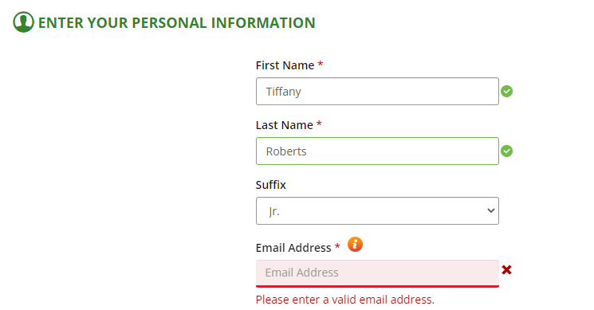
TC_016 | Galottery_Registration | 1.1.16 | Verify the confirm email address field is okay to work when the entered email matched with previews field | Step-1. Browse the URL Step-2. go to https://www.galottery.com/en-us/registration.html Step-3. Enter email id in confirm email field | Confirm email= | Should able to work | As Expected | pass | Functional testing | 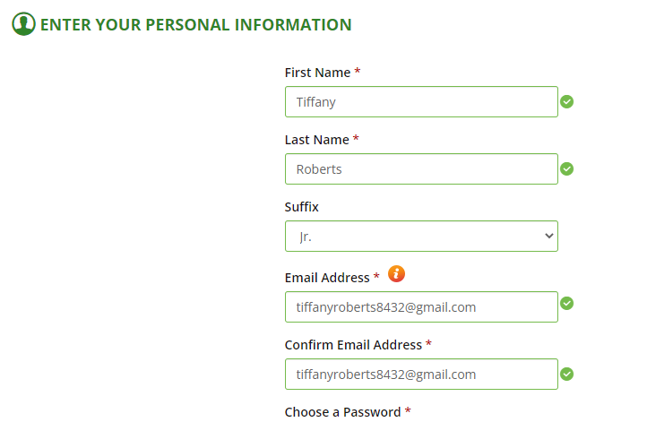
TC_017 | Galottery_Registration | 1.1.17 | Verify the confirm email address field not work when the entered email do not match with previews field | Step-1. Browse the URL Step-2. go to https://www.galottery.com/en-us/registration.html Step-3. Enter email id in confirm email field | Confirm email= | Should not able to to work this field and give a error message | As Expected | pass | Functional testing | 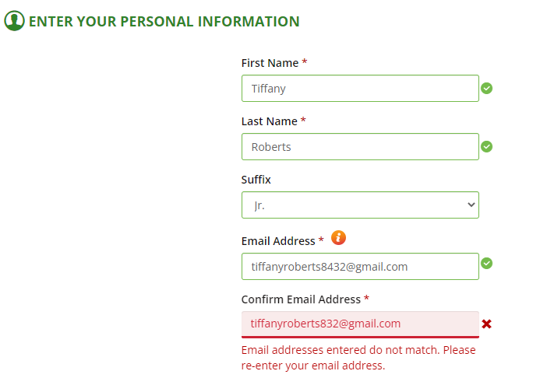
TC_018 | Galottery_Registration | 1.1.18 | Verify user can enterd password with meet all requirments | Step-1. Browse the URL Step-2. go to https://www.galottery.com/en-us/registration.html Step-3. go to field of password Step-4. enter a valid password | Password="Robert123" | Should able to entering valid password | As Expected | pass | Functional testing | 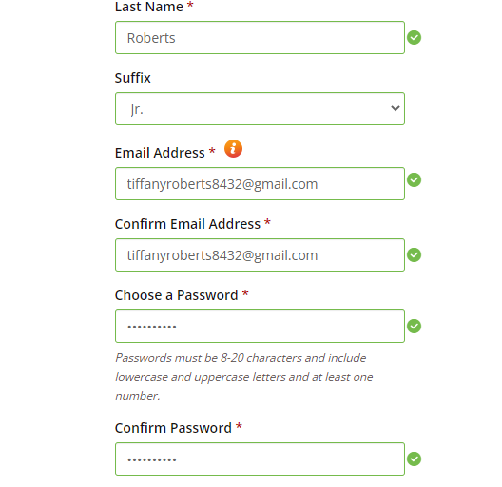
TC_019 | Galottery_Registration | 1.1.19 | Verify user cann't set password lessthan 8 character also without lowercase and uppercase letters and at least one number. | Step-1. Browse the URL Step-2. go to https://www.galottery.com/en-us/registration.html Step-3. go to field of password Step-4. enter a invalid password | Password="1234567" | Should not able to entering and keep invalid password | As Expected | pass | Functional testing | 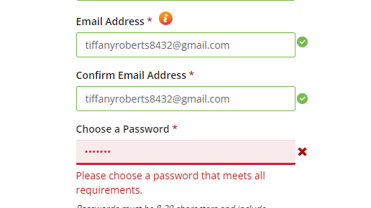
TC_020 | Galottery_Registration | 1.1.20 | Verify user cann't set password morethan 20 character. | Step-1. Browse the URL Step-2. go to https://www.galottery.com/en-us/registration.html Step-3. go to field of password Step-4. enter a invalid password | Password="roberts1234535465yt67" | Should not able to entering and keep invalid password | As Expected | pass | Functional testing | 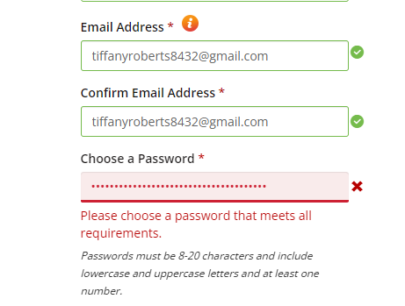
TC_021 | Galottery_Registration | 1.1.21 | Verify user cann't copy password from the password field. | Step-1. Browse the URL Step-2. go to https://www.galottery.com/en-us/registration.html Step-3. go to field of password Step-4. Try to copy password |  | Should not able to copy password | As Expected | pass | Functional testing
TC_022 | Galottery_Registration | 1.1.22 | Verify the confirm passwords field is okay to work when the entered password matched with previews password field | Step-1. Browse the URL Step-2. go to https://www.galottery.com/en-us/registration.html Step-3. go to field of confirm password Step-4. Enter password | password= "QATester1234" | Should work properly | As Expected | pass | Functional testing | 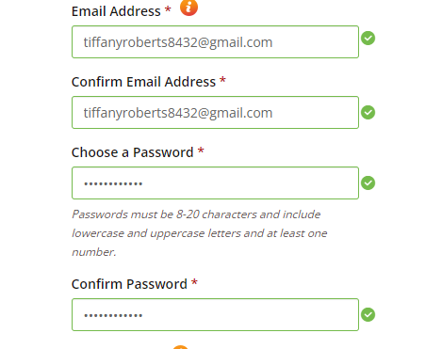
TC_023 | Galottery_Registration | 1.1.23 | Verify the confirm passwords field is not working when the entered password doesn't matched with previews password field | Step-1. Browse the URL Step-2. go to https://www.galottery.com/en-us/registration.html Step-3. go to field of confirm password Step-4. Enter password | password= "Rob1234" | Should not work and give a error message | As Expected | pass | Functional testing | 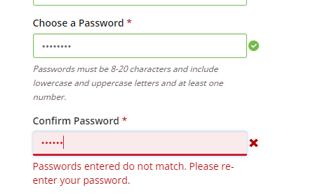
TC_024 | Galottery_Registration | 1.1.24 | Verify Date of Birth field take valid date | Step-1. Browse the URL Step-2. go to https://www.galottery.com/en-us/registration.htmlStep-3. go to Date of Birth field Step-4. Enter date | Date of Birth= 12/12/2002 | Should work properly | As Expected | pass | Functional testing | 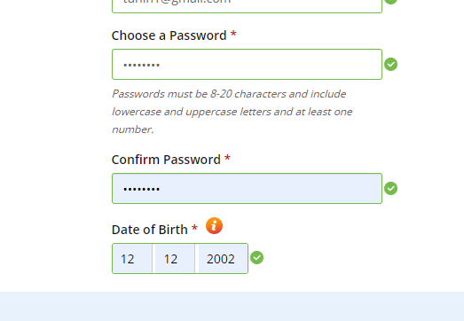
TC_025 | Galottery_Registration | 1.1.25 | Verify Date of Birth field cann't keep blank | Step-1. Browse the URL Step-2. go to https://www.galottery.com/en-us/registration.html Step-3. go to Date of Birth field Step-4. Keep blank | Date of Birth= | Should thrown an error or alert message | As Expected | pass | Functional testing | 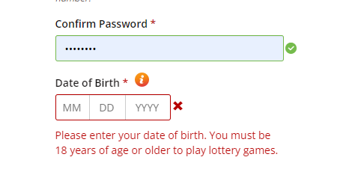
TC_026 | Galottery_Registration | 1.1.26 | Verify Date of Birth field cann't donn't take invalid date | Step-1. Browse the URL Step-2. go to https://www.galottery.com/en-us/registration.html Step-3. go to Date of Birth field Step-4. Enter invalid date | Date of Birth=15/35/2020 | Should thrown an error or alert message | As Expected | pass | Functional testing | 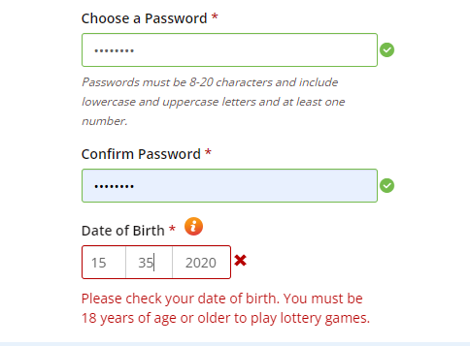
TC_027 | Galottery_Registration | 1.1.27 | Verify user can add Security Question | Step-1. Browse the URL Step-2. go to https://www.galottery.com/en-us/registration.html Step-3. go to SSecurity Question field Step-4. select one |  | Should able to add Security Question | As Expected | pass | Functional testing | 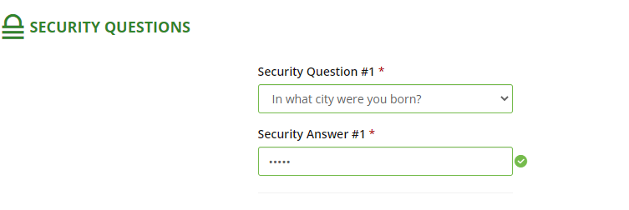
TC_028 | Galottery_Registration | 1.1.28 | Verify user can not keep blank Security Question field | Step-1. Browse the URL Step-2. go to https://www.galottery.com/en-us/registration.html Step-3. go to SSecurity Question field Step-4. Keep blank |  | Should not able to keep blank | As Expected | pass | Functional testing | 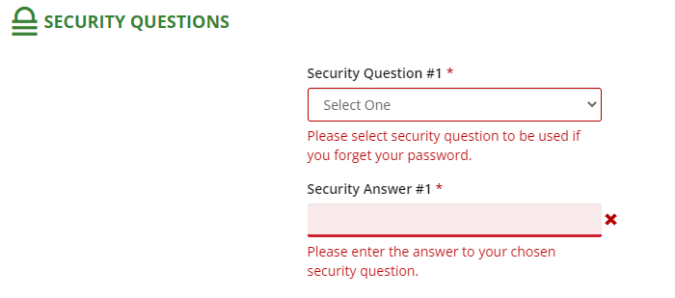
TC_029 | Galottery_Registration | 1.1.29 | Verify user can add Security Answer | Step-1. Browse the URL Step-2. go to https://www.galottery.com/en-us/registration.html Step-3. go to Security Answer field Step-4. add Security Answer |  | Should able to add | As Expected | pass | Functional testing
TC_030 | Galottery_Registration | 1.1.30 | Verify user can not keep blank Security Answer field | Step-1. Browse the URL Step-2. go to https://www.galottery.com/en-us/registration.html Step-3. go to field of Security Answer Step-4. Keep balnk |  | Should not able to to keep Security Answer blank | As Expected | pass | Functional testing
TC_031 | Galottery_Registration | 1.1.31 | verify terms and condition checkbox can marking by click | Step-1. Browse the URL Step-2. go to https://www.galottery.com/en-us/registration.html Step-3. go to field of terms and conditon Step-4. click | click | Should able to to click and select | As Expected | pass | Functional testing
TC_032 | Galottery_Registration | 1.1.32 | verify terms and condition checkbox can not keep blank | Step-1. Browse the URL Step-2. go to https://www.galottery.com/en-us/registration.html Step-3. go to field of terms and conditon Step-4. Keep balnk |  | Should not able to to keep blank | As Expected | pass | Functional testing
TC_033 | Galottery_Registration | 1.1.33 | verify Submit button working fine | Step-1. Browse the URL Step-2. go to https://www.galottery.com/en-us/registration.html Step-3. click on submit button | click | Should clickable and working fine | As Expected | pass | Functional testing

