Test Cases
TC#ID | Project ModuleName | Req#ID | Scenario | Test Case Tilte | Steps | Test Data | Expected Result | Test result | Status(Pass/ fail)
TC_Myinfo_001 | Orange HRM-MyInfo | 1.1.1 | ESS User Login | Verifiy Login with valid ESS username and valid Password | 1.Open URL "https://opensource- demo.orangehrmlive.com 2.Provide valid ESS user name 3.Provide valid ESS password 4.Click on login button | tuhin555/tuhin123 | Login Successful ESS user should see Myinfo page
TC_Myinfo_002 | Orange HRM-MyInfo | 1.1.1 | ESS User Login | Verifiy Login with valid ESS username and invalid Password | 1.Open URL "https://opensource- demo.orangehrmlive.com 2.Provide valid ESS user name 3.Provide invalid ESS password 4.Click on login button | tuhin555/tuhin44 | Invalid credentials
TC_Myinfo_003 | Orange HRM-MyInfo | 1.1.1 | ESS User Login | Verifiy Login with invalid ESS username and valid Password | 1.Open URL "https://opensource- demo.orangehrmlive.com 2.Provide invalid ESS user name 3.Provide valid ESS password 4.Click on login button | tuhin123/tuhin125 | Invalid credentials
TC_Myinfo_004 | Orange HRM-MyInfo | 1.1.1 | ESS User Login | Verifiy Login with invalid ESS username and invalid Password | 1.Open URL "https://opensource- demo.orangehrmlive.com 2.Provide invalid ESS user name 3.Provide invalid ESS password 4.Click on login button | tuhin123/tuhin126 | Invalid credentials
TC_Myinfo_005 | Orange HRM-MyInfo | 1.1.1 | ESS User can view personal details | Verify ESS User is able to view personal details | 1.Login orangehrm as ESS user 2.Click on My info tab 3.Click on personal details tab | NA | User should able to view personal data
TC_Myinfo_006 | Orange HRM-MyInfo | 1.1.1 | ESS user can edit personal details | Verify ESS User is able to Edit some fields ofpersonal details. | 1.Login orangehrm as ESS user 2.Click on My info tab 3.Click on personal details tab 4.click on edit button 5.Edit fullName/Middile Name/Last Name/ License expiry date/Gender/Marital status/Nationality | NA | User should able to Edit and save this personal data
TC_Myinfo_007 | Orange HRM-MyInfo | 1.1.1 | ESS user can't Edit restricted data from personal details | Verify ESS user can't Edit restricted data from personal details | 1.Login orangehrm as ESS user 2.Click on My info tab 3.Click on personal details tab 4.click on edit button | NA | The following fields ahould be non editable Employee ID SSN No SIN No Driver License No Date of birth
TC_Myinfo_008 | Orange HRM-MyInfo | 1.1.2 | ESS user can Uploaded Photograph | Verify ESS user can Uploaded Photograph | 1.Login orangehrm as ESS user 2.Click on My info tab 3.Click on Profile picture link 4.click on Upload button 5.Click on save button | 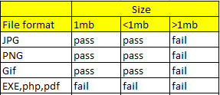 Image | An error should be displayed that invalid file formate when user choose the wrong file formate(.exe,.php)
TC_Myinfo_009 | Orange HRM-MyInfo | 1.1.3 | ESS user can view contact details | Verify ESS user able to view contact details | 1.Login orangehrm as ESS user 2.Click on My info tab 3.click on contact details link | NA | User should able to contact details
TC_Myinfo_010 | Orange HRM-MyInfo | 1.1.3 | ESS user can edit contact details | Verify ESS user can edit some fields on contact details | 1.Login orangehrm as ESS user 2.Click on My info tab 3.click on contact details link 4.click on edit button 5.edit fields address,street1, address,street2,city,state zip,country,telephone,mobile,work telephone,email 6.click on save button | NA | User should able to edit and save contact details,
TC_Myinfo_011 | Orange HRM-MyInfo | 1.1.4 | Ess user can add emergency contact | Verify Ess user can add emergency contact | 1.Login orangehrm as ESS user 2.Click on My info tab 3.click on emergency contact 4.click on add button 5.provide emergency details 6.click on save button | NA | Successfully saved
TC_Myinfo_012 | Orange HRM-MyInfo | 1.1.4 | Ess user can add multiple emergency contact | Verify Ess user able add multiple emergency contact | 1.Login orangehrm as ESS user 2.Click on My info tab 3.click on emergency contact 4.click on add button 5.provide emergency details 6.click on save button | NA | Successfully saved
TC_Myinfo_013 | Orange HRM-MyInfo | 1.1.4 | Ess user can delete emergency contact | Verify Ess user able to delete emergency contact | 1.Login orangehrm as ESS user 2.Click on My info tab 3.click on emergency contact 4.click on the check box 5.click on delete button | NA | Successfully delete
TC_Myinfo_014 | Orange HRM-MyInfo | 1.1.5 | Ess user can added to dependant | Verify Ess user able to add dependant | 1.Login orangehrm as ESS user 2.click on dependant LINK 3.click on add button under assigned depedant 4.provide details 5.click on save button | NA | Successfully saved
TC_Myinfo_015 | Orange HRM-MyInfo | 1.1.5 | Ess user can add multiple dependants | Verify Ess user can add multiple dependants | 1.Login orangehrm as ESS user 2.Click on My info tab 3.click on dependant LINK 4.click on add button under assigned depedant 5.provide details 6.click on save button | NA | Successfully saved
TC_Myinfo_016 | Orange HRM-MyInfo | 1.1.5 | Ess user can delete dependants | Verify Ess user can delete dependants | 1.Login orangehrm as ESS user 2.Click on My info tab 3.click on dependant LINK 4.click on checbox 5.click on delete button | NA | Successfully deleted
TC_Myinfo_017 | Orange HRM-MyInfo | 1.1.6 | Ess user can add immigration details | Verify Ess user able to add immigration details | 1.Login orangehrm as ESS user 2.Click on My info tab 3.click on immigration LINK 4.Provide immigration details 5.click on save button | NA | Successfully saved
TC_Myinfo_018 | Orange HRM-MyInfo | 1.1.6 | Ess user can add multiple immigration details | Verify Ess user can add multiple immigration details | 1.Login orangehrm as ESS user 2.Click on My info tab 3.click on immigration LINK 4.Provide immigration details 5.click on save button | NA | Successfully saved
TC_Myinfo_019 | Orange HRM-MyInfo | 1.1.6 | Ess user can delete immigration details | Verify Ess user can delete immigration details | 1.Login orangehrm as ESS user 2.Click on My info tab 3.click on immigration LINK 4.Click on checkbox 5.click on Delete button | NA | Successfully deleted
TC_Myinfo_020 | Orange HRM-MyInfo | 1.1.7 | Ess user can attach document under immigration record | Verify Ess user able to attach document under immigration | 1.Login orangehrm as ESS user 2.Click on My info tab 3.click on immigration LINK under personal 4.Click on add and then select an attachment from the relevant path 5.click "upload" once you have selected document | NA | Successfully uploaded
TC_Myinfo_021 | Orange HRM-MyInfo | 1.1.8 | Ess user can't change job details | Verify Ess user can't change job details | 1.Login orangehrm as ESS user 2.Click on My info tab 3.click on Job details link 4.click Edit button to change job details | NA | The following fields ahould be non editable
TC_Myinfo_022 | Orange HRM-MyInfo | 1.1.9 | Ess user restricted from editing the salary components | Verify Ess user also restricted from editing the salary components | 1.Login orangehrm as ESS user 2.Click on My info tab 3.click on Salary details link 4.click Edit button | NA | The following fields ahould be non editable
TC_Myinfo_023 | Orange HRM-MyInfo | 1.1.10 | Ess user can only view the list of supervisors | Verify Ess user only able to see the list of supervisors | 1.Login orangehrm as ESS user 2.Click on My info tab 3.click on Report to link 4.click Edit button | NA | The following fields ahould be non editable
TC_Myinfo_024 | Orange HRM-MyInfo | 1.1.11 | Ess user can add work experince | Verify Ess user can add work experince | 1.Login orangehrm as ESS user 2.Click on My info tab 3.click on Experince link 4.click Add button | NA | Successfully added
TC_Myinfo_025 | Orange HRM-MyInfo | 1.1.11 | Ess user can add multiple work experince | Verify Ess user can add multiple work experince | 1.Login orangehrm as ESS user 2.Click on My info tab 3.click on Experince link 4.click Add button | NA | Successfully added
TC_Myinfo_026 | Orange HRM-MyInfo | 1.1.11 | Ess user can delete work experinces | Verify Ess user can delete work experinces | 1.Login orangehrm as ESS user 2.click on Experince link 3.click on checkbox 4.cliclk on delete button | NA | Successfully Deleted
TC_Myinfo_027 | Orange HRM-MyInfo | 1.1.12 | Ess user can add education | Verify Ess user can add education | 1.Login orangehrm as ESS user 2.Click on My info tab 3.click on Education link 4.cliclk on Add button | NA | Successfully Added
TC_Myinfo_028 | Orange HRM-MyInfo | 1.1.12 | Ess user can add multiple entries of educations | Verify Ess user can add multiple entries of educations | 1.Login orangehrm as ESS user 2.Click on My info tab 3.click on Education link 4.cliclk on Add button | NA | Successfully Added
TC_Myinfo_029 | Orange HRM-MyInfo | 1.1.12 | Ess user can delete educations | Verify Ess user can delete educations | 1.Login orangehrm as ESS user 2.Click on My info tab 3.click on Education link 4.click on checkbox 5.cliclk on delete button | NA | Successfully Deleted
TC_Myinfo_030 | Orange HRM-MyInfo | 1.1.13 | Ess user can add skill | Verify Ess user can add skill | 1.Login orangehrm as ESS user 2.Click on My info tab 3.click on Skill link 4.cliclk on Add button | NA | Successfully Added
TC_Myinfo_031 | Orange HRM-MyInfo | 1.1.13 | Ess user can add multiple skills | Verify Ess user can add multiple skills | 1.Login orangehrm as ESS user 2.Click on My info tab 3.click on Skill link 4.cliclk on Add button | NA | Successfully Added
TC_Myinfo_032 | Orange HRM-MyInfo | 1.1.13 | Ess user can delete skills | Verify Ess user can delete skills | 1.Login orangehrm as ESS user 2.Click on My info tab 3.click on Skill link 4.click on checkbox 5.cliclk on delete button | NA | Successfully Deleted
TC_Myinfo_033 | Orange HRM-MyInfo | 1.1.14 | Ess user can add language | Verify Ess user can add language | 1.Login orangehrm as ESS user 2.Click on My info tab 3.click on Language link 4.cliclk on Add button | NA | Successfully Added
TC_Myinfo_034 | Orange HRM-MyInfo | 1.1.14 | Ess user can add multiple languages | Verify Ess user can add multiple languages | 1.Login orangehrm as ESS user 2.Click on My info tab 3.click on Language link 4.cliclk on Add button | NA | Successfully Added
TC_Myinfo_035 | Orange HRM-MyInfo | 1.1.14 | Ess user can delete languages | Verify Ess user can delete languages | 1.Login orangehrm as ESS user 2.Click on My info tab 3.click on Language link 4.click on checkbox 5.cliclk on delete button | NA | Successfully Deleted
TC_Myinfo_036 | Orange HRM-MyInfo | 1.1.15 | Ess user can add license | Verify Ess user can add license | 1.Login orangehrm as ESS user 2.Click on My info tab 3.click on license link 4.cliclk on Add button | NA | Successfully Added
TC_Myinfo_037 | Orange HRM-MyInfo | 1.1.15 | Ess user can add multiple licenses | Verify Ess user can add multiple licenses | 1.Login orangehrm as ESS user 2.Click on My info tab 3.click on license link 4.cliclk on Add button | NA | Successfully Added
TC_Myinfo_038 | Orange HRM-MyInfo | 1.1.15 | Ess user can delete licenses | Verify Ess user can delete licenses | 1.Login orangehrm as ESS user 2.Click on My info tab 3.click on license link 4.click on checkbox 5.cliclk on delete button | NA | Successfully Deleted

Bug Report
 |  |  |  |  | QA
Bug ID | Module Name | Build No | Description | TCID | Steps to replicate Bug | Screen short | Sevirity | priority | reported by | Assigned by | resoluation | Status | fixed date
OrangeHRM_001 | Orange HRM-MyInfo | 1 | PIM is displayed after Successful login instead of Myinfo page | TC_Myinfo_01 | 1.Open URL "https://opensource- demo.orangehrmlive.com 2.Provide valid ESS user name 3.Provide valid ESS password 4.Click on login button | 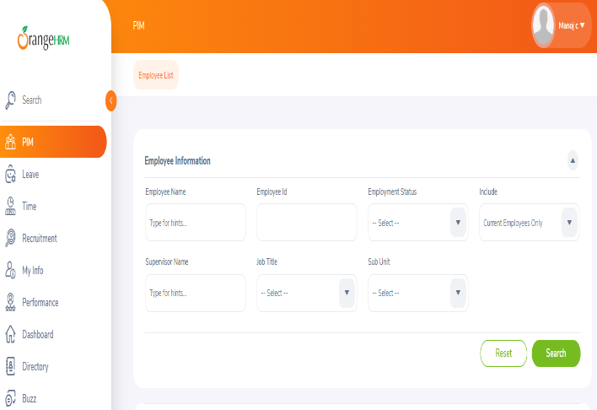 | S3 | P3 | Tuhin |  | Accepted
OrangeHRM_002 | Orange HRM-MyInfo | 1 | The message invalid file type should appear after the upload button.But for upload the .EXE file here show the file size exceed message | TC_Myinfo_08 | 1.Login orangehrm as ESS user 2.Click on My info tab 3.Click on Profile picture link 4.click on Upload button 5.Click on save button | 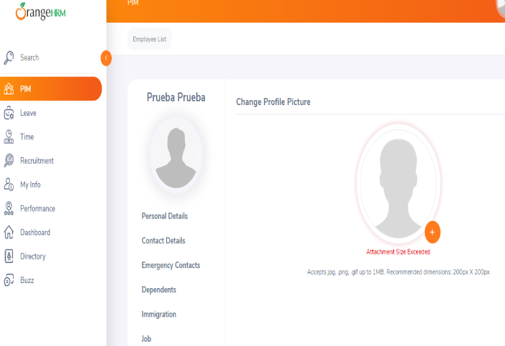 | S3 | P3 | Tuhin |  | Accepted

