Bugs & Report
 |  | Project Name | InvestormInvestorm
 |  | Number OF modules | 3
 |  | Version | 0
 |  | Author | Tuhin
 |  | Date | 28/12/2022

 |  | Total Number OF test Executed | *
 |  | Passed | *
 |  | Failed | *
 |  | Warning | *

Bug#ID | Bug_Field_Name | Module name | TC# ID | Description | Screen Short | Severity | Priority
1 | Show Password Icon | Sign_Up | # | In the sign up portion's password field here we can see a show icon,that should clickable,and after click that password should visiable by user.But for the first time it is clickable but password is not being visible. And then the icon is not being able for more click to do visible or invisible password.It's a big bug that obstruct application easiness | 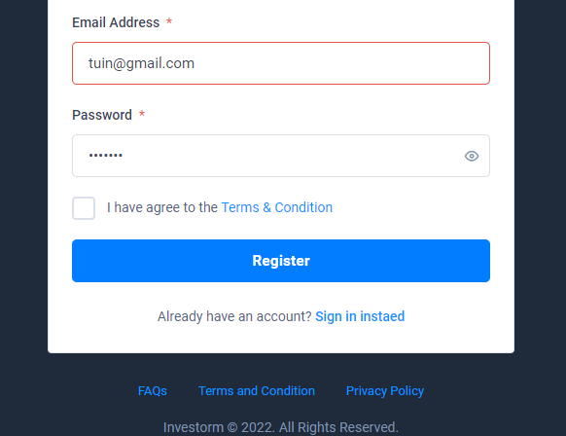 | Medium | High
2 | Full Name | Sign_Up | # | In the sign up portion's, Full Name field taken neumeric number speacial character without any letters. It's a kind of bug for this feature. Becouse for this issue user can input meaningless name that should not be able to do from user | 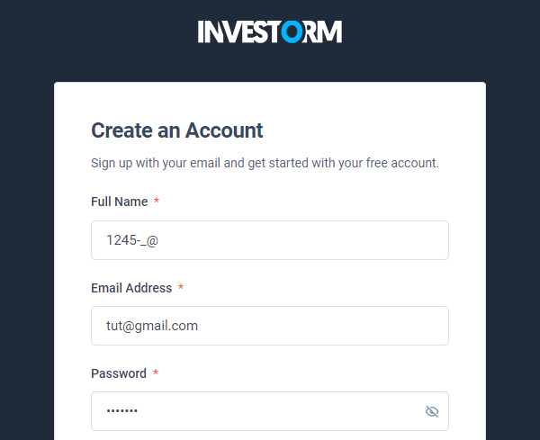 | Low | Low
3 | Email Address | Login | # | In the Login portion's, Email address field taken invalid email without showing alret message. It's should show a alret message such as "please enter a valid email" | 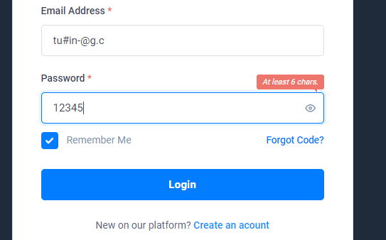 | Low | Low
4 | Checkbox | Profile | # | In the Complete Profile portion's, here I can see a checkbox under the nick name field.And there has a message for user that "Use the nick name to display"But after it selected and go for complete,then, in the profile section I can't see the nickname as a display name. | 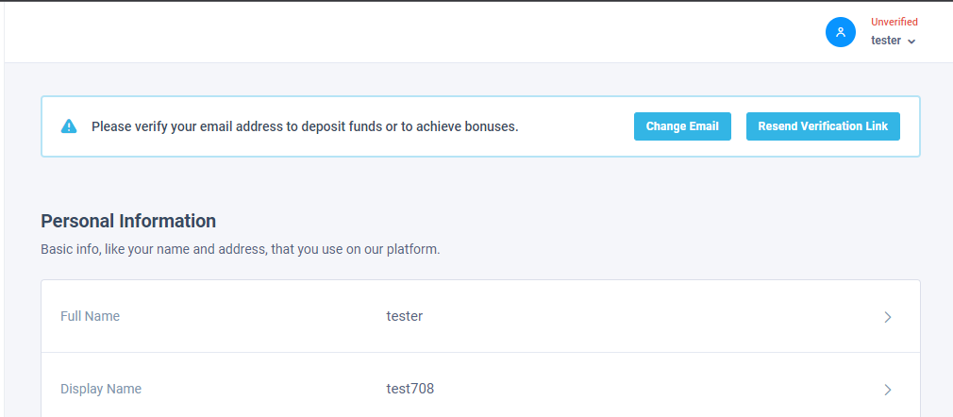 | Low | High
5 | Send Email verification Link | Profile | # | In the Profile portion's, here I need to verify my user email to do deposit.But when I go for email verification link and go for send link its show a message that link send but in the mail inbox I can see there have no mail from INVESTORM. That's mean it does not send any mail.It's a big bug for this application feature. because without sending mail there haven't any way for verified account. | 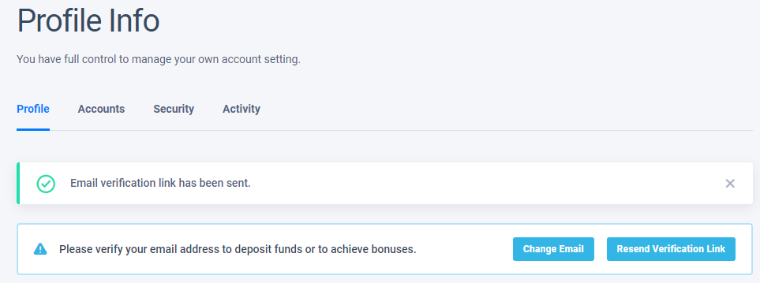 | High | High
6 | Phone number | Profile | # | In the Profile portion's,here I can see in the phone number field It takes invalid phone number and here dosen't show country code and take invalid number lenth. It should not put and keep invalid phone number and proceed to update prifile. | 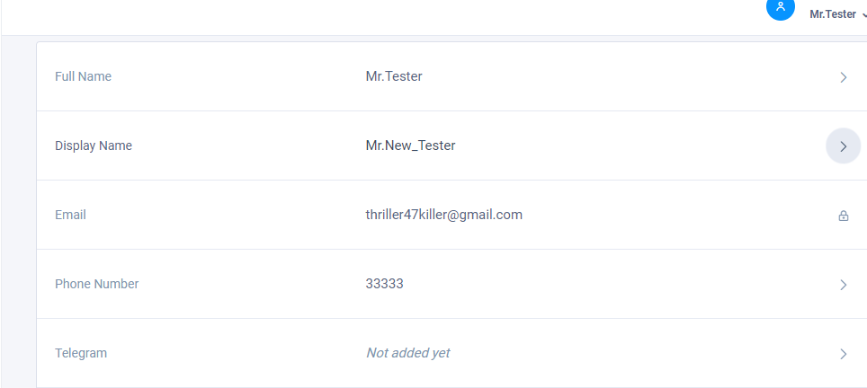 | medium | High
7 | Change full name | Profile | # | In the Profile portion's,there have a option for change the fullname.and when I put another name and proceed to update ,it's showed success message but do not update fullname. |  | low | High

