Arkusz1
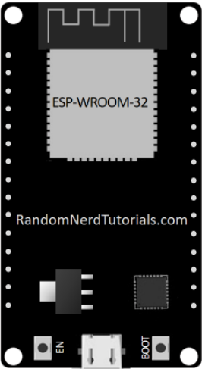
 |  | TFT RST -1 | EN |  | 23 | MOSI | TFT MOSI
 | input only | AUDIO M | 36 |  | 22 | I2C SCL | REL 1
 | input only | ENC 1 | 39 |  | 1 | TX |  | output at boot
 | input only | ENC 2 | 34 |  | 3 | RX |  | HIGH at boot
 | input only | ENC B | 35 |  | 21 | I2C SDA | REL 2
 |  | LED | 32 |  | 19 | MISO | TFT MISO
 |  | POT 3 | 33 |  | 18 | SPI CLK | TFT CLK
 |  | POT 2 | 25 |  |  |  |  | PWM at boot | (must be HIGH during boot)
 |  | POT 1 | 26 |  | 17 |  | IR DIODA REMOTE
 |  | POT 0 | 27 |  | 16 |  | TFT CS
 | PWM at boot | POT C | 14 |  | 4 |  | TFT_BACKLIT
(must be LOW during boot) | boot fail if HIGH |  | 12 |  | 2 |  | TFT DC |  | (must be floating or LOW during boot)
 |  | POT D | 13 |  | 15 |  | TFT T DC | PWM at boot | (must be HIGH during boot)
 |  |  | GND |  | GND
 |  |  | 5V |  | 3v3

 |  |  |  | ADC1
 |  |  |  | ADC2

Arkusz2
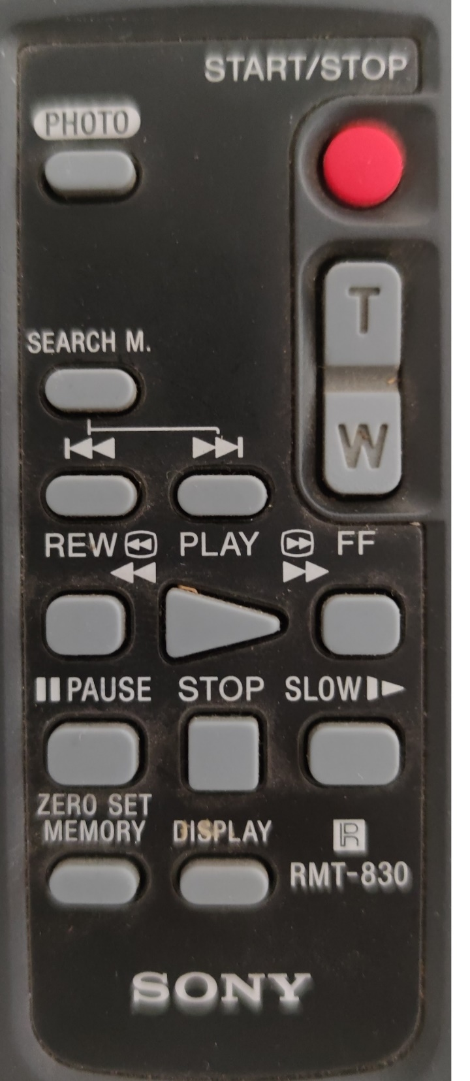

5c95 | LED MODE | 15 | 19 | REL 1/2 OFF/ON | 5c99

 |  |  | 1A cont | VOL + | 6c9a
5cad | VU MODE | 2D

3d7 , 3d6 | BASS - / BASS + | 57 cont, 56 cont | 1B cont | VOL - | 6c9b
39b , 39a , 39c | TREBLE - / TREBLE + | 1B cont, 1A, 1C cont |  | LED L+
399 , 398 , 3a3 | COLOR CYCLE | 19, 18, 23 |  | LED C+
3c7 , 3da |  | 47, 5A |  | SUB SW / L/R SW

