Activity
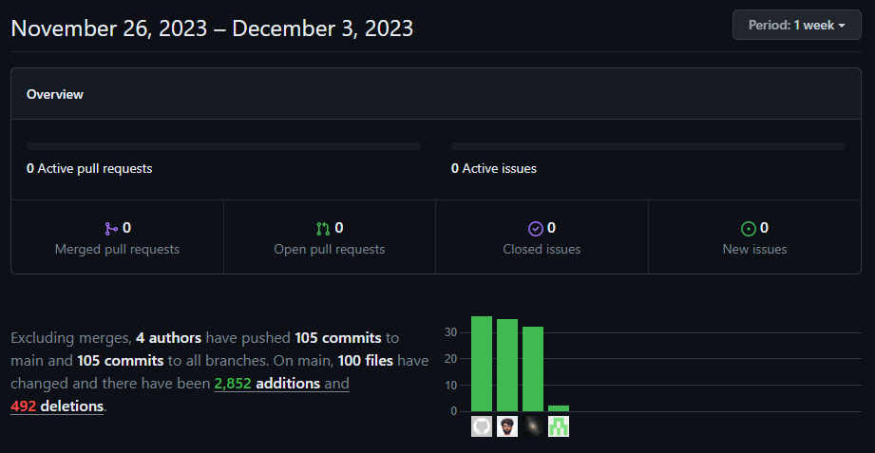
When? (use [CTRL] + [;] to enter date) | In short, what did you do? | Duration (hours) | Provide the details (include steps taken, actions, links when possible) | Total Worktime

2023-11-21 | Set up basics | 4:00:00 |  | 68:00:00
2023-11-22 | Set up more basics for game.py | 4:00:00
2023-11-23 | Scenes added | 4:00:00
2023-11-24 | Navigation and car controls | 4:00:00
2023-11-25 | Managers changed | 6:00:00
2023-11-27 | refactoring | 10:00:00
2023-11-28 | Scaling | 7:00:00
2023-11-29 | Race scene | 4:00:00
2023-11-30 | collision manager | 7:00:00
2023-12-01 | second car, better collisions | 4:00:00
2023-12-02 | improved AI | 6:00:00
2023-12-03 | Final touches | 8:00:00

