Logit - Main Effects
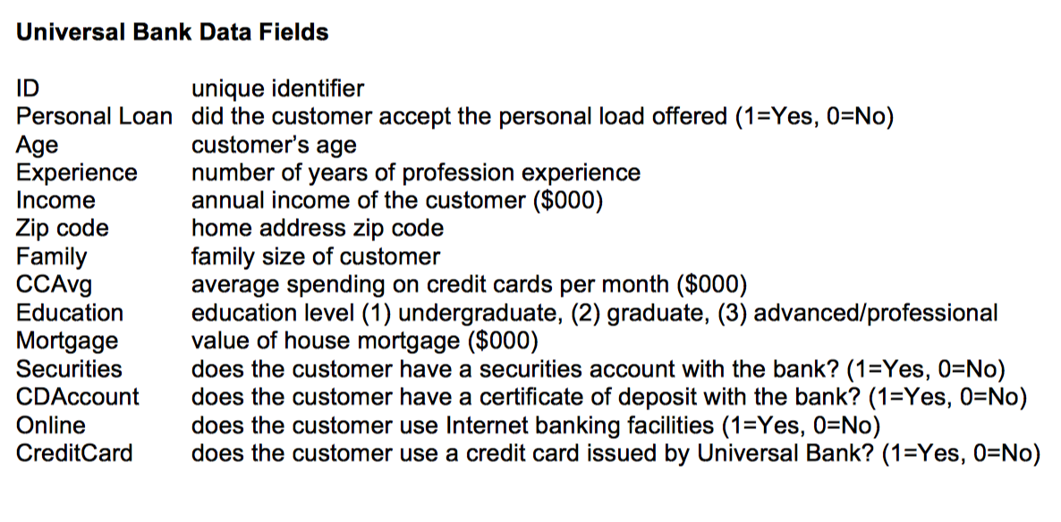

Coefficients:
 | Estimate | Std. Error | z value | Pr(>|z|)
(Intercept) | -13.224197 | 0.562495 | -23.51 | < 2e-16 | ***
CCAvg | 0.113713 | 0.039265 | 2.896 | 0.00378 | **
CDAccount | 3.853311 | 0.323447 | 11.913 | < 2e-16 | ***
CreditCard | -1.123683 | 0.205003 | -5.481 | 4.22E-08 | ***
Education | 1.704116 | 0.112393 | 15.162 | < 2e-16 | ***
Family | 0.690388 | 0.074201 | 9.304 | < 2e-16 | ***
Income | 0.054721 | 0.002589 | 21.133 | < 2e-16 | ***
Online | -0.667476 | 0.156717 | -4.259 | 2.05232E-05 | ***
SecuritiesAccount | -0.934627 | 0.284849 | -3.281 | 0.00103 | **

Final Model
Coefficients:
 | Estimate | Std. Error | z value | Pr(>|z|)
(Intercept) | -13.38168 | 0.513989 | -26.035 | < 2e-16 | ***
CCAvg | 0.119857 | 0.036077 | 3.322 | 0.000893 | ***
Education | 1.649779 | 0.103578 | 15.928 | < 2e-16 | ***
Family | 0.681969 | 0.068611 | 9.94 | < 2e-16 | ***
Income | 0.054199 | 0.002363 | 22.933 | < 2e-16 | ***

Variables | Coefficients | Input | Coeff * Input |  |  |  |  | CCAvg
(Intercept) | -13.38168 | 1 | -13.38168 |  |  |  | 75% | 0 | 1 | 2 | 3 | 4 | 5 | 6 | 7 | 8
CCAvg | 0.119857 | 8 | 0.958856 |  |  | Income | 0 | 0% | 0% | 0% | 0% | 0% | 0% | 0% | 0% | 0%
Education | 1.649779 | 3 | 4.949337 |  |  |  | 10 | 0% | 0% | 0% | 0% | 0% | 1% | 1% | 1% | 1%
Family | 0.681969 | 3 | 2.045907 |  |  |  | 20 | 0% | 1% | 1% | 1% | 1% | 1% | 1% | 1% | 1%
Income | 0.054199 | 120 | 6.50388 |  |  |  | 30 | 1% | 1% | 1% | 1% | 1% | 2% | 2% | 2% | 2%
 |  | Utility: | 1.0763 |  |  |  | 40 | 1% | 2% | 2% | 2% | 2% | 3% | 3% | 3% | 4%
 |  | EXP(U): | 2.9338043682 |  |  |  | 50 | 2% | 3% | 3% | 3% | 4% | 4% | 5% | 6% | 6%
 |  | 1 + EXP(U): | 3.9338043682 |  |  |  | 60 | 4% | 5% | 5% | 6% | 7% | 7% | 8% | 9% | 10%
 |  | Probability: | 75% |  |  |  | 70 | 7% | 8% | 9% | 10% | 11% | 12% | 13% | 15% | 16%
 |  |  |  |  |  |  | 80 | 11% | 13% | 14% | 16% | 17% | 19% | 21% | 23% | 25%
 |  |  |  |  |  |  | 90 | 18% | 20% | 22% | 24% | 26% | 29% | 31% | 34% | 37%
 |  |  |  |  |  |  | 100 | 28% | 30% | 33% | 35% | 38% | 41% | 44% | 47% | 50%
 |  |  |  |  |  |  | 110 | 40% | 42% | 45% | 48% | 51% | 54% | 57% | 60% | 63%
 |  |  |  |  |  |  | 120 | 53% | 56% | 59% | 62% | 64% | 67% | 70% | 72% | 75%
 |  |  |  |  |  |  | 130 | 66% | 69% | 71% | 73% | 76% | 78% | 80% | 82% | 83%
 |  |  |  |  |  |  | 140 | 77% | 79% | 81% | 83% | 84% | 86% | 87% | 88% | 90%
 |  |  |  |  |  |  | 150 | 85% | 87% | 88% | 89% | 90% | 91% | 92% | 93% | 94%
 |  |  |  |  |  |  | 160 | 91% | 92% | 93% | 93% | 94% | 95% | 95% | 96% | 96%
 |  |  |  |  |  |  | 170 | 94% | 95% | 96% | 96% | 96% | 97% | 97% | 98% | 98%
 |  |  |  |  |  |  | 180 | 97% | 97% | 97% | 98% | 98% | 98% | 98% | 99% | 99%
 |  |  |  |  |  |  | 190 | 98% | 98% | 98% | 99% | 99% | 99% | 99% | 99% | 99%
 |  |  |  |  |  |  | 200 | 99% | 99% | 99% | 99% | 99% | 99% | 99% | 99% | 100%

