Sheet1
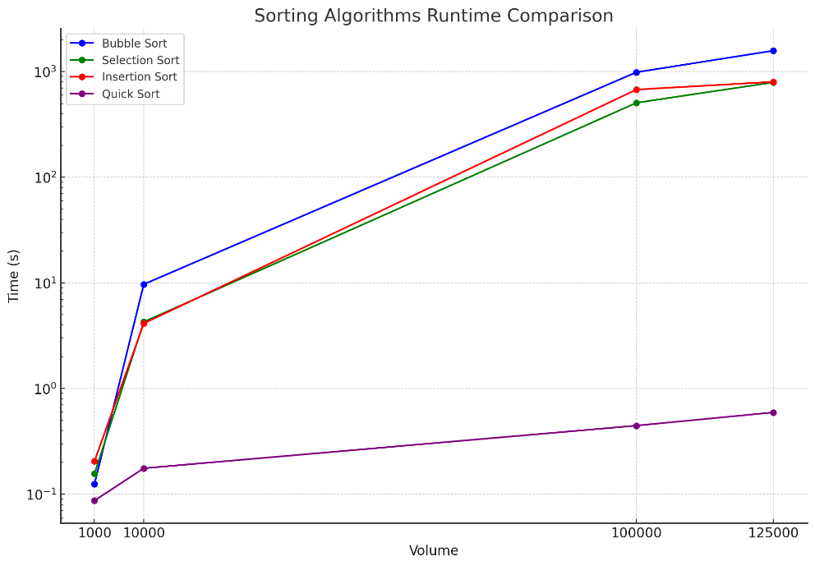
 | Bubble sort | Selection sort | Insertion short | Quick sort
volumn | time
1000 | 0.125s | 0.156s | 0.205s | 0.087s
10000 | 9.709s | 4.278s | 4.14s | 0.176s
10000 | 987.878s | 507.461s | 677.111s | 0.446s
125000 | 1580.02s | 792.301s | 801.296s | 0.595s

