Sheet1
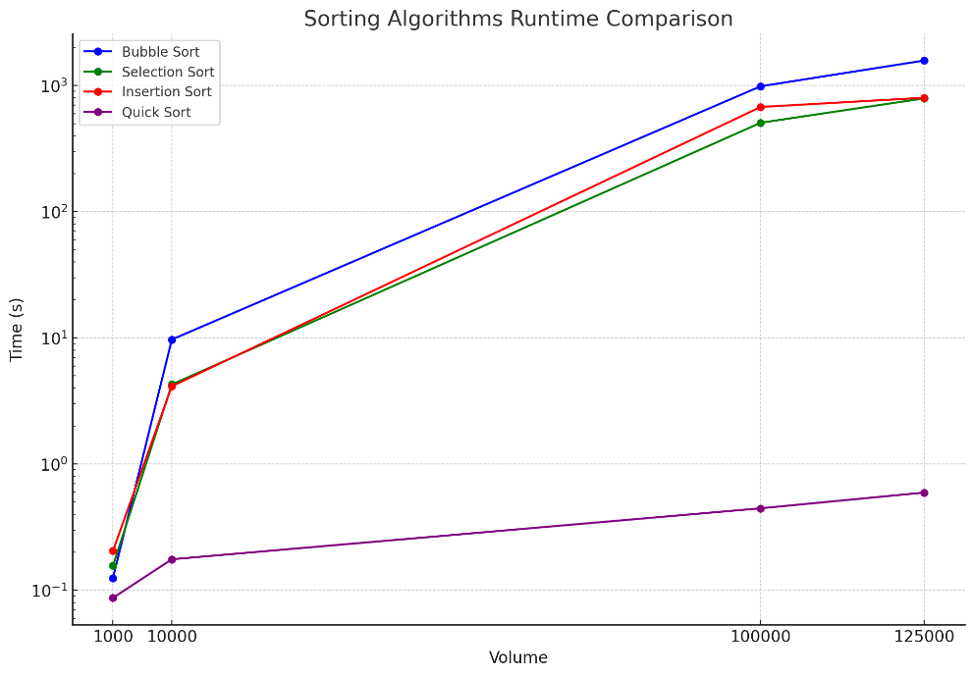
 | Bubble sort | Selection sort | Insertion short | Quick sort
1000 | 0.125 | 0.156 | 0.205 | 0.087
10000 | 9.709 | 4.278 | 4.14 | 0.176
10000 | 987.878 | 507.461 | 677.111 | 0.446
125000 | 1580.02 | 792.301 | 801.296 | 0.595

