Rds(on)
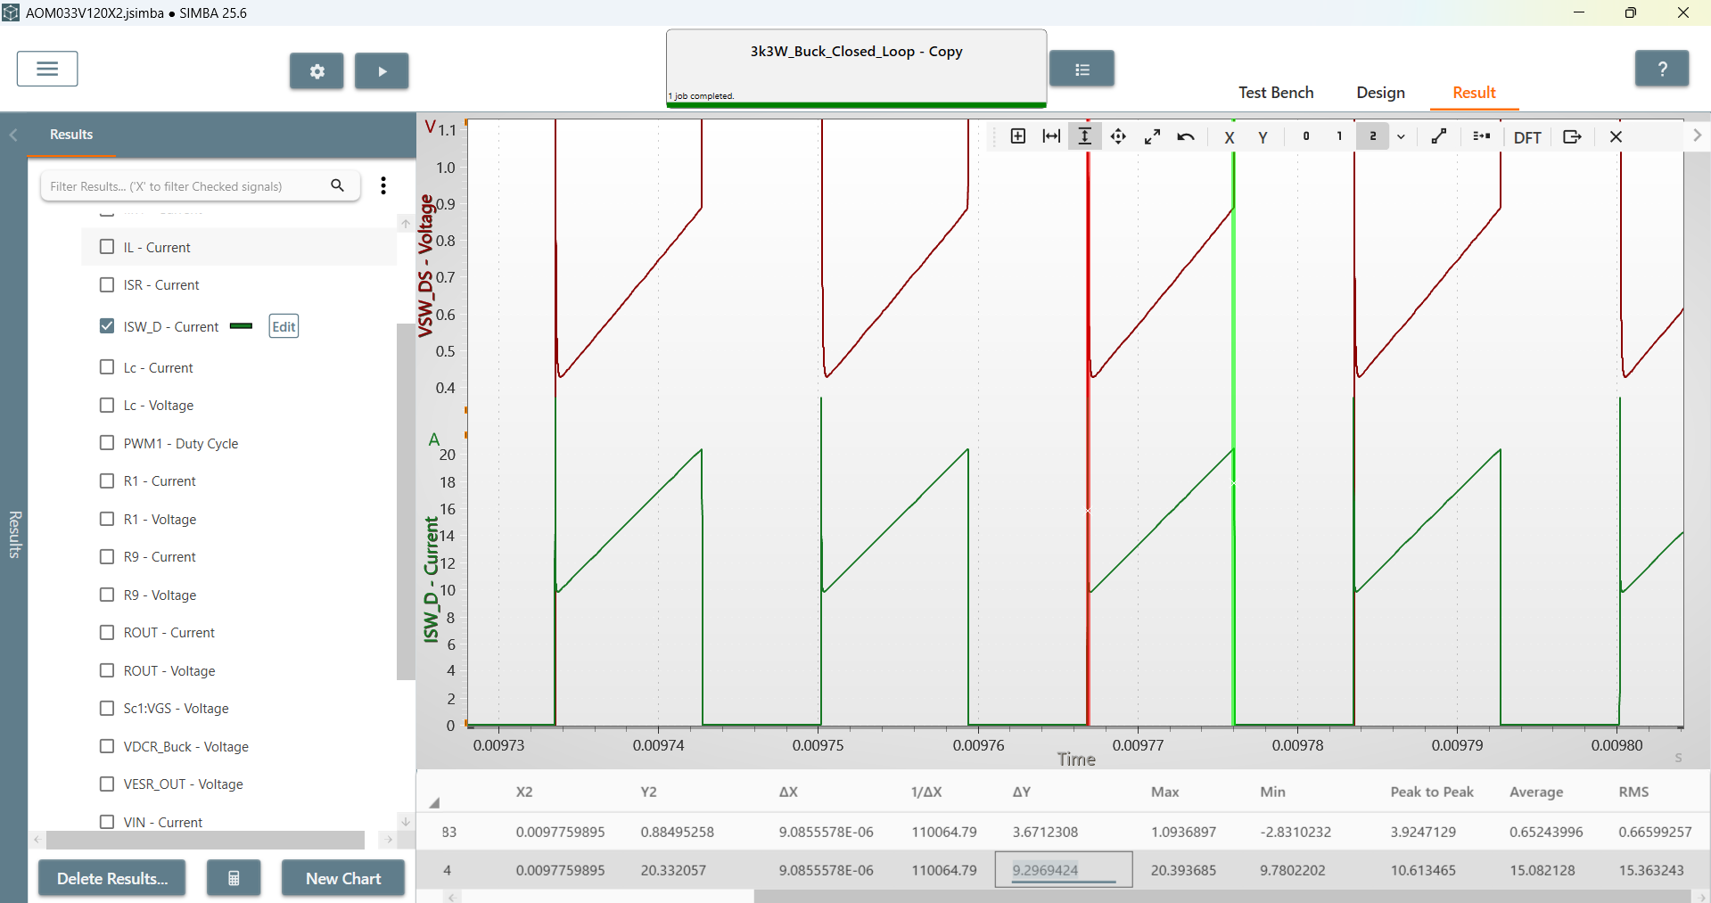
Rds(on)
33m

 | Rds(on) | 0.04365286428

Output
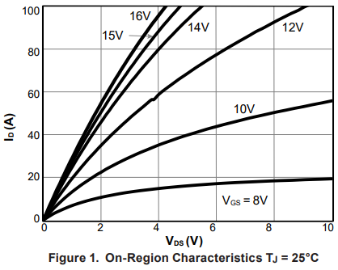
Vds(V) | Ids(A) | VGS
0 | 0 | 16V
0.07812508648 | 2.4096476563 | 16V
 | Ids(A)
0 | 0
0.07812508648 | 2.4096476563
0.16741071714 | 5.1204840345
0.24553580362 | 7.8313319028
0.33482143427 | 10.090367963
0.44642857903 | 13.403616255
0.55803572379 | 16.867476144
0.68080341272 | 20.331318797
0.80357110166 | 23.644584324
0.95982127462 | 27.409644425
1.0825889636 | 31.174704525
1.2276785923 | 35.692776646
1.3950893095 | 39.909642809
1.5736605708 | 44.126508972
1.7857143161 | 49.096387156
1.9977680615 | 54.367471296
2.2544639835 | 60.090367245
2.5223213012 | 66.566269469
2.8013391631 | 72.138556694
3.080357025 | 78.012049876
3.4709820317 | 85.993979012
3.8504464941 | 93.222891819
4.2075890168 | 99.24698798
0.16741071714 | 5.1204840345 | 16V
0.24553580362 | 7.8313319028 | 16V
0.33482143427 | 10.090367963 | 16V
0.44642857903 | 13.403616255 | 16V
0.55803572379 | 16.867476144 | 16V
0.68080341272 | 20.331318797 | 16V
0.80357110166 | 23.644584324 | 16V
0.95982127462 | 27.409644425 | 16V
1.0825889636 | 31.174704525 | 16V
1.2276785923 | 35.692776646 | 16V
1.3950893095 | 39.909642809 | 16V
1.5736605708 | 44.126508972 | 16V
1.7857143161 | 49.096387156 | 16V
1.9977680615 | 54.367471296 | 16V
2.2544639835 | 60.090367245 | 16V
2.5223213012 | 66.566269469 | 16V
2.8013391631 | 72.138556694 | 16V
3.080357025 | 78.012049876 | 16V
3.4709820317 | 85.993979012 | 16V
3.8504464941 | 93.222891819 | 16V
4.2075890168 | 99.24698798 | 16V

Transfer
Vgs(V) | Ids(A) | Vds
0 | 0 | 20
3.6858974529 | 1.00E-09 | 20
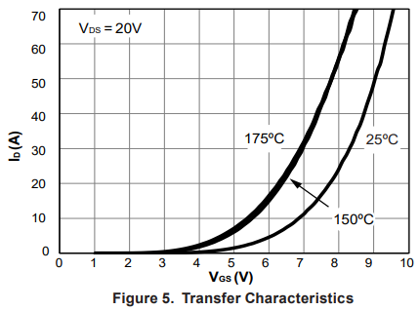
4.1880338258 | 0.32110417166 | 20
4.5940170148 | 0.96330434897 | 20
 | Ids(A)
0 | 0.00E+00
3.6858974529 | 1.00E-09
4.1880338258 | 3.21E-01
4.5940170148 | 9.63E-01
5.1175213958 | 1.82E+00
5.5982905756 | 3.00E+00
6.0363245542 | 4.71E+00
6.3568373408 | 6.31E+00
6.6666665308 | 8.56E+00
6.9337605196 | 1.09E+01
7.1794865002 | 1.31E+01
7.4999992868 | 1.67E+01
7.7243588895 | 2.01E+01
7.9380340805 | 2.34E+01
8.1623920529 | 2.75E+01
8.3547000509 | 3.13E+01
8.5683752419 | 3.62E+01
8.7179488538 | 4.05E+01
8.8888880285 | 4.55E+01
9.0705116148 | 5.14E+01
9.2307680081 | 5.73E+01
9.401708813 | 6.36E+01
9.5405980132 | 6.96E+01
5.1175213958 | 1.8195766961 | 20
5.5982905756 | 2.9969450488 | 20
6.0363245542 | 4.709481577 | 20
6.3568373408 | 6.3149861033 | 20
6.6666665308 | 8.5626908069 | 20
6.9337605196 | 10.917435678 | 20
7.1794865002 | 13.05810838 | 20
7.4999992868 | 16.697249523 | 20
7.7243588895 | 20.122326663 | 20
7.9380340805 | 23.4403718 | 20
8.1623920529 | 27.507649117 | 20
8.3547000509 | 31.253826345 | 20
8.5683752419 | 36.177371925 | 20
8.7179488538 | 40.458717329 | 20
8.8888880285 | 45.489298994 | 20
9.0705116148 | 51.376148924 | 20
9.2307680081 | 57.262998854 | 20
9.401708813 | 63.577981895 | 20
9.5405980132 | 69.571866889 | 20

body diode
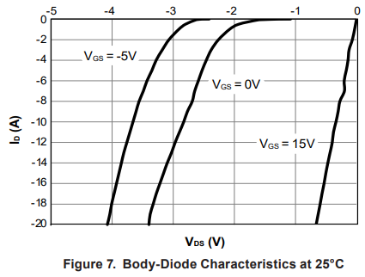
Vsd | Isd | Tj
0 | 0 | 25
1.1159065289 | 1.00E-09 | 25
1.3625154142 | 2.00E-09 | 25
1.7077684415 | 0.18450211447 | 25
1.8988901806 | 0.44280533866 | 25
2.0468555118 | 0.81180912771 | 25
2.1824906927 | 1.4391139415 | 25
2.2811342468 | 2.0664205149 | 25
2.3674470627 | 2.7675277581 | 25
2.4475956854 | 3.6531366758 | 25
2.5092476127 | 4.5756459285 | 25
2.570900128 | 5.4981551812 | 25
2.6387174245 | 6.5313663184 | 25
2.6818744204 | 7.4538755711 | 25
2.7373609786 | 8.5239852837 | 25
2.7990129059 | 9.2988940765 | 25
2.8606654212 | 10.258302784 | 25
2.9161531554 | 11.107011367 | 25
2.9716397136 | 11.918820495 | 25
3.039457598 | 12.988929328 | 25
3.1011095254 | 13.874539125 | 25
3.1627620407 | 14.870850807 | 25
3.2305793371 | 16.01476031 | 25
3.2922312645 | 17.047969688 | 25
3.3415536295 | 18.081180825 | 25
3.3908754066 | 18.929891167 | 25
3.4155357071 | 20 | 25

Ciss
Vds_V | Ciss_pF
2.1459308274 | 3773.0029514
7.5107374309 | 2967.512936
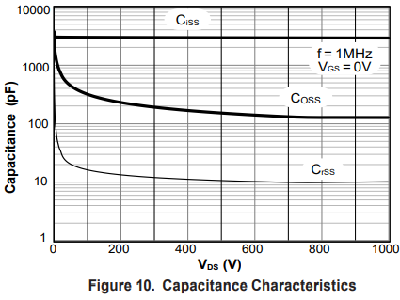
27.896977966 | 3009.7305285
59.012872638 | 3009.7305285
83.690974828 | 3009.7305285
108.36907702 | 3052.5487335
143.77683334 | 3009.7305285
184.54931441 | 3009.7305285
228.54079405 | 2967.512936
272.53219183 | 2967.512936
316.5235896 | 2967.512936
358.36909748 | 2967.512936
399.14157855 | 2967.512936
439.91414148 | 2967.512936
478.54073266 | 2967.512936
519.31329559 | 2967.512936
563.30469336 | 2967.512936
609.4420629 | 2967.512936
656.65229552 | 2967.512936
707.08152671 | 2967.512936
749.99997953 | 2967.512936
798.28323897 | 2967.512936
846.5664984 | 2967.512936
898.06867453 | 2967.512936
948.49782386 | 2967.512936
993.56216659 | 2967.512936

Coss
Vds_V | Coss_pF
3.218875776 | 3773.0029514
3.218875776 | 2367.1904843
7.5107374309 | 1527.7388969
 | Coss_pF
3.218875776 | 3773.0029514
3.218875776 | 2367.1904843
7.5107374309 | 1527.7388969
13.948488983 | 985.97256748
25.751047138 | 692.61293893
38.626591173 | 522.14511039
57.939886759 | 422.44159783
84.763919776 | 346.63895319
119.09869022 | 296.75125362
157.7252814 | 265.04087404
206.00854083 | 226.8967561
252.14591036 | 211.42358888
302.57505969 | 197.00561041
344.42056757 | 180.99585886
386.26607545 | 171.05229357
432.40344498 | 166.28723674
484.97848421 | 154.94732045
533.26174364 | 152.77391028
593.34764309 | 142.35553189
655.57935057 | 136.4486532
718.88408486 | 132.64763219
787.55362576 | 128.95242593
855.15022171 | 130.7869441
930.25751416 | 130.7869441
994.6351934 | 130.7869441
13.948488983 | 985.97256748
25.751047138 | 692.61293893
38.626591173 | 522.14511039
57.939886759 | 422.44159783
84.763919776 | 346.63895319
119.09869022 | 296.75125362
157.7252814 | 265.04087404
206.00854083 | 226.8967561
252.14591036 | 211.42358888
302.57505969 | 197.00561041
344.42056757 | 180.99585886
386.26607545 | 171.05229357
432.40344498 | 166.28723674
484.97848421 | 154.94732045
533.26174364 | 152.77391028
593.34764309 | 142.35553189
655.57935057 | 136.4486532
718.88408486 | 132.64763219
787.55362576 | 128.95242593
855.15022171 | 130.7869441
930.25751416 | 130.7869441
994.6351934 | 130.7869441

Crss
Vds_V | Crss_pF
x | y
2.1459308274 | 372.00794117
5.3648066035 | 125.36015818
Crss_pF
 | Crss_pF
2.1459308274 | 372.00794117
5.3648066035 | 125.36015818
8.5836823795 | 75.387741367
15.021433932 | 47.971320018
26.824033017 | 29.258883194
37.553646224 | 23.671904843
53.648066035 | 20.553392404
75.107292448 | 18.357088709
103.00427041 | 16.628725914
141.63086159 | 15.277384853
173.81970121 | 14.438074635
223.17598745 | 13.453473767
272.53219183 | 12.714358874
321.88839621 | 12.360171032
384.12018555 | 11.681126946
447.42483798 | 11.196438082
497.85406917 | 11.03938229
562.23174841 | 10.731854791
626.60942766 | 10.432899803
684.54935534 | 10.432899803
741.41625623 | 10.286554391
813.30463197 | 10.286554391
883.04711781 | 10.432899803
945.27890716 | 10.432899803
993.56216659 | 10.432899803
8.5836823795 | 75.387741367
15.021433932 | 47.971320018
26.824033017 | 29.258883194
37.553646224 | 23.671904843
53.648066035 | 20.553392404
75.107292448 | 18.357088709
103.00427041 | 16.628725914
141.63086159 | 15.277384853
173.81970121 | 14.438074635
223.17598745 | 13.453473767
272.53219183 | 12.714358874
321.88839621 | 12.360171032
384.12018555 | 11.681126946
447.42483798 | 11.196438082
497.85406917 | 11.03938229
562.23174841 | 10.731854791
626.60942766 | 10.432899803
684.54935534 | 10.432899803
741.41625623 | 10.286554391
813.30463197 | 10.286554391
883.04711781 | 10.432899803
945.27890716 | 10.432899803
993.56216659 | 10.432899803

