Rds(on)
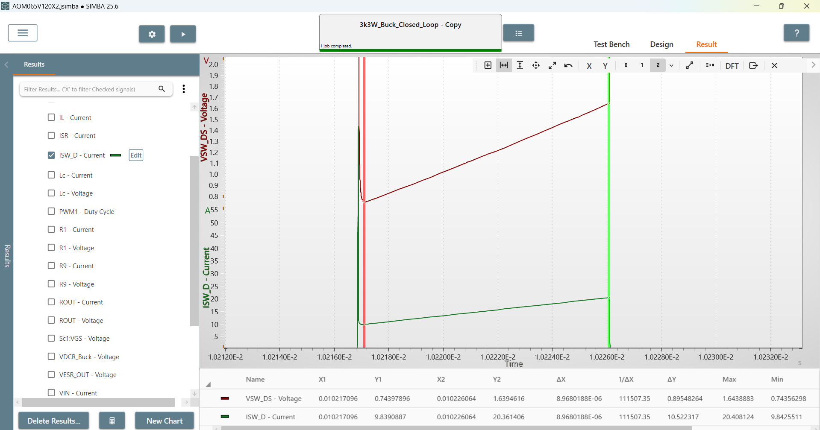
Rds(on)
65m

Rds(on) | 0.085103180222

Output
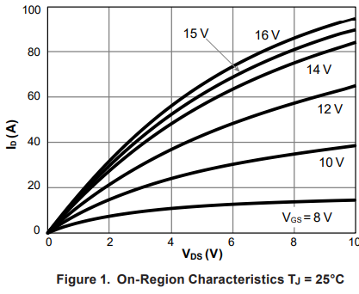
Vds(V) | Ids(A) | VGS
0 | 0 | 16V
0.2068964731 | 4.5171364808 | 16V
 | Ids(A)
0 | 0
0.2068964731 | 4.5171364808
0.40229886821 | 7.3208677599
0.57471266888 | 10.280371791
0.758620986 | 13.862925237
0.97701197556 | 16.822417384
1.1264367433 | 19.314638811
1.3563218109 | 23.052947183
1.5747128004 | 26.323984834
1.8390809789 | 29.595016544
2.1149423584 | 33.644858536
2.3678164589 | 37.227411982
2.6666668713 | 40.965732238
2.9655172837 | 44.704052494
3.3563220739 | 49.065422164
3.7471268642 | 53.426791835
4.1724138884 | 57.788161506
4.5402305226 | 61.68224263
5.0114947357 | 65.732087593
5.4712648708 | 69.470407849
5.9425290839 | 73.208725134
6.5287358308 | 77.414330965
7.1379316105 | 81.152651221
7.8735640021 | 85.82554857
8.6321845496 | 89.408102016
9.2298853745 | 92.056076884
9.9425287331 | 94.704051751
0.40229886821 | 7.3208677599 | 16V
0.57471266888 | 10.280371791 | 16V
0.758620986 | 13.862925237 | 16V
0.97701197556 | 16.822417384 | 16V
1.1264367433 | 19.314638811 | 16V
1.3563218109 | 23.052947183 | 16V
1.5747128004 | 26.323984834 | 16V
1.8390809789 | 29.595016544 | 16V
2.1149423584 | 33.644858536 | 16V
2.3678164589 | 37.227411982 | 16V
2.6666668713 | 40.965732238 | 16V
2.9655172837 | 44.704052494 | 16V
3.3563220739 | 49.065422164 | 16V
3.7471268642 | 53.426791835 | 16V
4.1724138884 | 57.788161506 | 16V
4.5402305226 | 61.68224263 | 16V
5.0114947357 | 65.732087593 | 16V
5.4712648708 | 69.470407849 | 16V
5.9425290839 | 73.208725134 | 16V
6.5287358308 | 77.414330965 | 16V
7.1379316105 | 81.152651221 | 16V
7.8735640021 | 85.82554857 | 16V
8.6321845496 | 89.408102016 | 16V
9.2298853745 | 92.056076884 | 16V
9.9425287331 | 94.704051751 | 16V

Transfer
Vgs(V) | Ids(A) | Vds
0 | 0 | 20
2.4351647346 | 1E-12 | 20
3.3450555487 | 1.00E-09 | 20
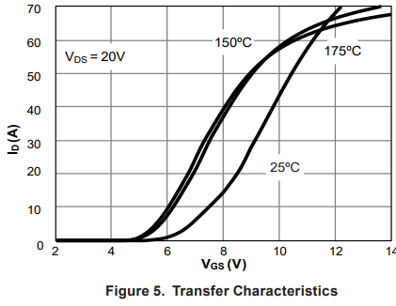
4.6241760254 | 2.00E-09 | 20
 | Ids(A)
0 | 0
2.4351647346 | 1E-12
3.3450555487 | 0.000000001
4.6241760254 | 0.000000002
5.2043960068 | 0.21908898345
5.6791210803 | 0.76681979979
6.1010986999 | 1.643192449
6.5758247795 | 3.3959293898
6.9450549451 | 5.8059499963
7.2747252747 | 8.544604078
7.6571430584 | 11.721431948
8 | 14.898280712
8.3956043956 | 18.95148541
8.6197808234 | 22.347418978
8.9098903111 | 26.948358671
9.3054947067 | 33.082942143
9.7670331682 | 40.093898264
10.123076722 | 45.680750919
10.663736867 | 53.348982347
11.204396007 | 60.140845306
11.639561244 | 64.632237373
12.153846154 | 69.342722603
5.2043960068 | 0.21908898345 | 20
5.6791210803 | 0.76681979979 | 20
6.1010986999 | 1.643192449 | 20
6.5758247795 | 3.3959293898 | 20
6.9450549451 | 5.8059499963 | 20
7.2747252747 | 8.544604078 | 20
7.6571430584 | 11.721431948 | 20
8 | 14.898280712 | 20
8.3956043956 | 18.95148541 | 20
8.6197808234 | 22.347418978 | 20
8.9098903111 | 26.948358671 | 20
9.3054947067 | 33.082942143 | 20
9.7670331682 | 40.093898264 | 20
10.123076722 | 45.680750919 | 20
10.663736867 | 53.348982347 | 20
11.204396007 | 60.140845306 | 20
11.639561244 | 64.632237373 | 20
12.153846154 | 69.342722603 | 20

body diode
Vsd | Isd | Tj
0 | 0 | 25
1.5605428896 | 1.00E-09 | 25
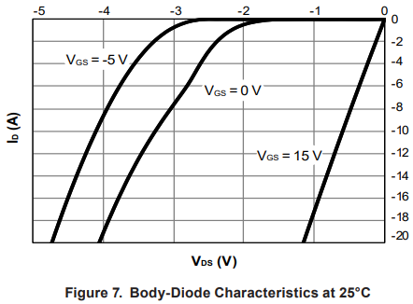
1.7954071921 | 0.26186583823 | 25
1.967640775 | 0.3927992256 | 25
2.134655629 | 0.78559720252 | 25
2.2338202382 | 1.1456627691 | 25
2.3382043726 | 1.7348605149 | 25
2.4112733464 | 2.2258588445 | 25
2.4843423201 | 2.749590521 | 25
2.5521921668 | 3.3387888911 | 25
2.6096033611 | 3.8952532901 | 25
2.6826723348 | 4.5826523251 | 25
2.7557409104 | 5.4009828745 | 25
2.823590757 | 6.0883794121 | 25
2.907097985 | 6.8412432678 | 25
2.9801669587 | 7.4959077073 | 25
3.0688933137 | 8.2160388405 | 25
3.1419622875 | 8.9689026962 | 25
3.2202503883 | 9.6563011068 | 25
3.3037576162 | 10.540097101 | 25
3.3977034965 | 11.292962206 | 25
3.4707724702 | 12.209492171 | 25
3.5594988252 | 13.158754859 | 25
3.6430060531 | 14.238952183 | 25
3.7160750269 | 15.122748178 | 25
3.7839248736 | 16.104744837 | 25
3.8569938473 | 17.119475467 | 25
3.9352819481 | 18.134204849 | 25
3.9874740154 | 18.985268121 | 25
4.0553234638 | 19.934532058 | 25

Ciss
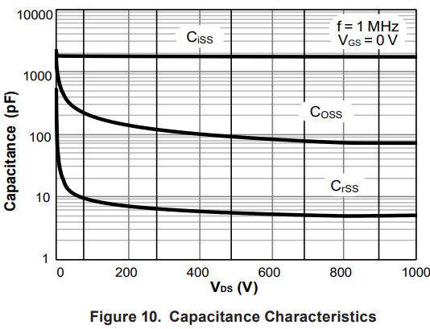
Vds_V | Ciss_pF
1.0989262047 | 2207.2350341
7.6923157538 | 1749.452603
35.164842075 | 1749.452603
90.109894716 | 1749.452603
 | Ciss_pF
1.0989262047 | 2207.2350341
7.6923157538 | 1749.452603
35.164842075 | 1749.452603
90.109894716 | 1749.452603
139.56044209 | 1775.0531168
197.80223143 | 1775.0531168
242.85715783 | 1775.0531168
291.20882092 | 1749.452603
339.56048401 | 1749.452603
396.70330523 | 1749.452603
446.1538526 | 1749.452603
496.70328427 | 1749.452603
547.25271593 | 1749.452603
594.50549474 | 1749.452603
649.45054738 | 1749.452603
706.59336859 | 1749.452603
768.13189462 | 1749.452603
827.47256824 | 1749.452603
896.70336811 | 1749.452603
951.64842075 | 1749.452603
994.50549474 | 1749.452603
139.56044209 | 1775.0531168
197.80223143 | 1775.0531168
242.85715783 | 1775.0531168
291.20882092 | 1749.452603
339.56048401 | 1749.452603
396.70330523 | 1749.452603
446.1538526 | 1749.452603
496.70328427 | 1749.452603
547.25271593 | 1749.452603
594.50549474 | 1749.452603
649.45054738 | 1749.452603
706.59336859 | 1749.452603
768.13189462 | 1749.452603
827.47256824 | 1749.452603
896.70336811 | 1749.452603
951.64842075 | 1749.452603
994.50549474 | 1749.452603

Coss
Vds_V | Coss_pF
2.1978104896 | 2144.0269285
2.1978104896 | 1512.901648
5.4945052642 | 1022.0299871
 | Coss_pF
2.1978104896 | 2144.0269285
2.1978104896 | 1512.901648
5.4945052642 | 1022.0299871
8.7912419585 | 742.44143793
16.483515793 | 531.55973552
26.373642036 | 397.529266
40.659347339 | 306.05844102
58.241789336 | 253.38767084
82.417578963 | 219.12604213
114.28576818 | 181.41580167
153.84618932 | 159.18153179
195.60437902 | 143.78996963
236.26376828 | 131.78737187
281.31869468 | 122.55415922
327.47250536 | 112.32411862
376.92305274 | 104.45452945
429.67033681 | 98.557760695
486.81315802 | 92.993830529
548.35168405 | 86.478549127
617.58240008 | 84.002081881
670.32968415 | 80.419737702
720.87911581 | 78.116775311
792.30768425 | 74.785415313
876.92311562 | 73.706851082
937.36267352 | 72.643801776
994.50549474 | 72.643801776
8.7912419585 | 742.44143793
16.483515793 | 531.55973552
26.373642036 | 397.529266
40.659347339 | 306.05844102
58.241789336 | 253.38767084
82.417578963 | 219.12604213
114.28576818 | 181.41580167
153.84618932 | 159.18153179
195.60437902 | 143.78996963
236.26376828 | 131.78737187
281.31869468 | 122.55415922
327.47250536 | 112.32411862
376.92305274 | 104.45452945
429.67033681 | 98.557760695
486.81315802 | 92.993830529
548.35168405 | 86.478549127
617.58240008 | 84.002081881
670.32968415 | 80.419737702
720.87911581 | 78.116775311
792.30768425 | 74.785415313
876.92311562 | 73.706851082
937.36267352 | 72.643801776
994.50549474 | 72.643801776

Crss
Vds_V | Crss_pF
x | y
1.0989262047 | 508.89075248
1.0989262047 | 329.11683977
Crss_pF
1.0989262047 | 200.83479586
3.2967366943 | 122.55415922
4.3956209792 | 73.706851082
7.6923157538 | 51.26006414
9.8901262434 | 32.673480349
18.681326282 | 22.072350341
26.373642036 | 15.802942975
41.758273544 | 12.344759718
62.637368396 | 10.675572055
89.011010432 | 9.3671665498
125.27477871 | 8.3394149463
165.93408413 | 7.6432937048
210.98901053 | 7.1077935642
259.34067362 | 6.706537484
308.791221 | 6.4205311735
362.63738936 | 6.1467184524
419.78021057 | 5.8845861269
481.31865276 | 5.7160705246
551.64833691 | 5.5523837436
604.39562098 | 5.393381348
660.43955791 | 5.3155944094
721.9780001 | 5.2389264626
796.70330523 | 5.0889061148
875.82414749 | 5.0155133003
932.96696871 | 5.1633757595
994.50549474 | 5.1633757595

