Rds(on)
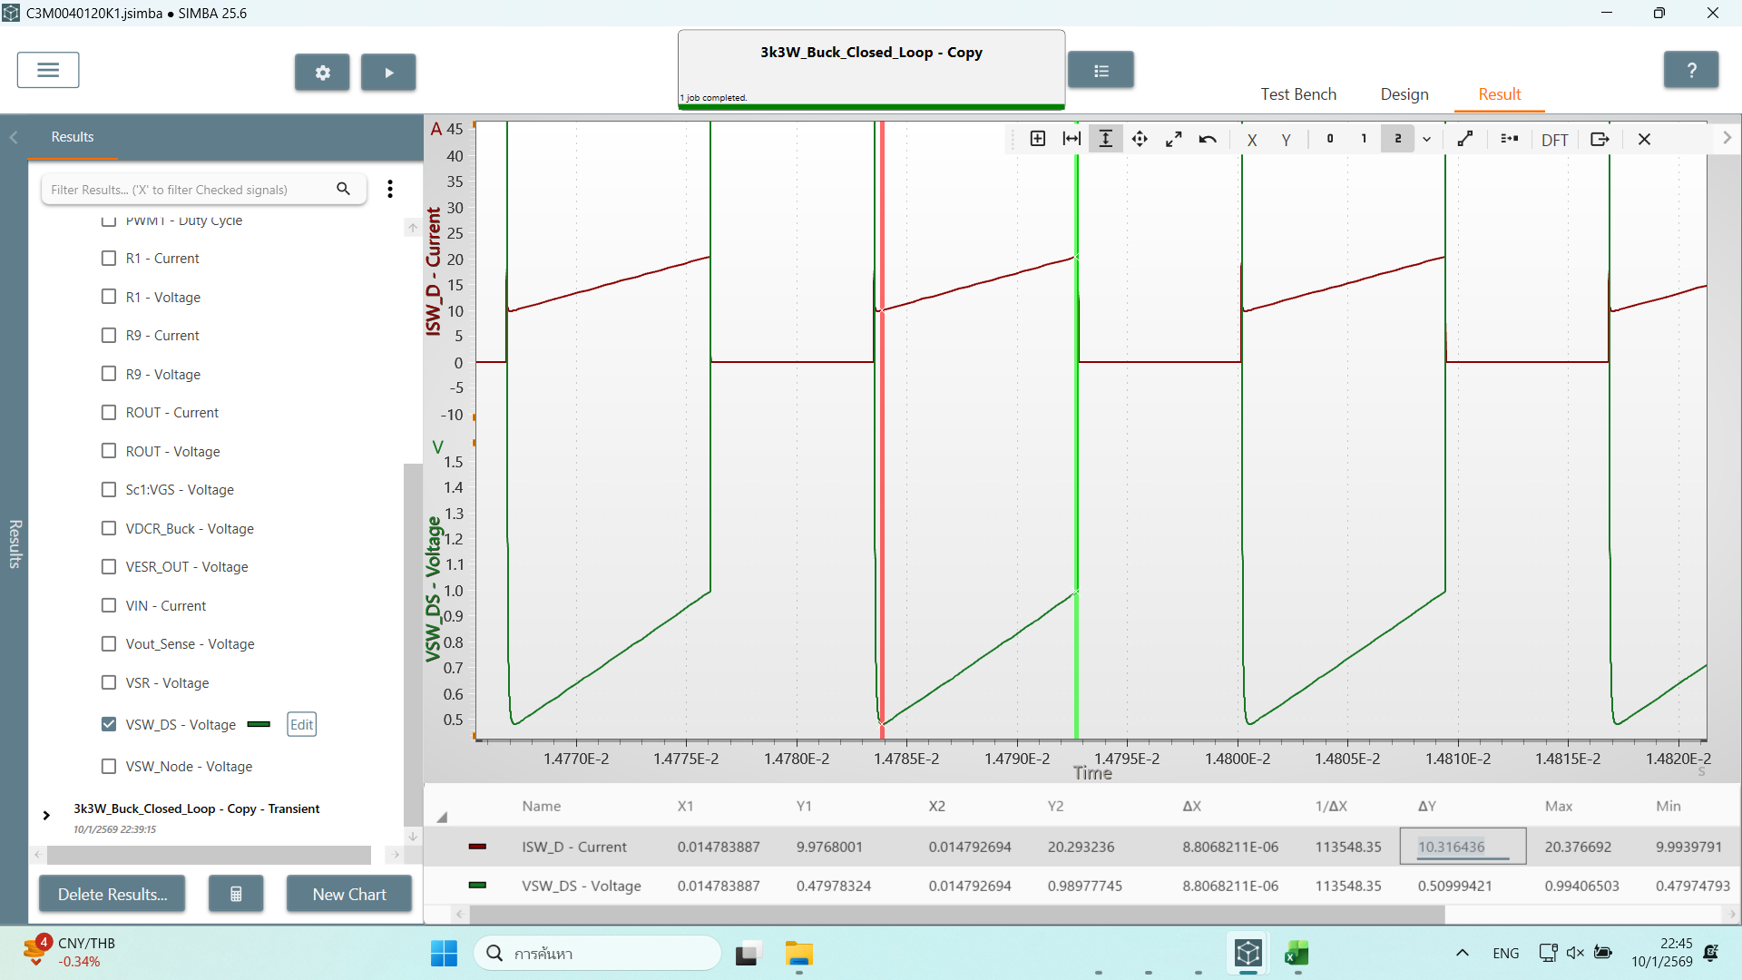
Rds(on)
39m

 | 0.049435115964

Output
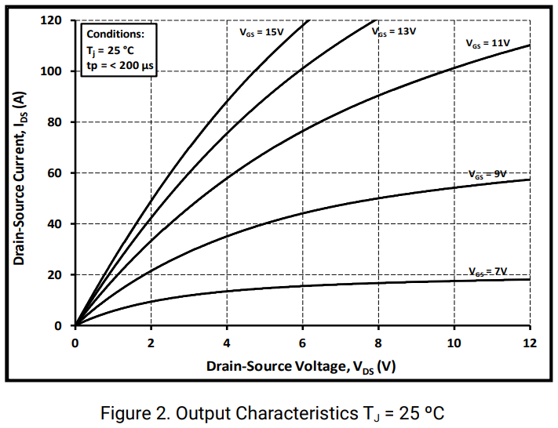
Vds(V) | Ids(A) | VGS
0 | 0 | 15V
0.14983004031 | 3.8513391159 | 15V
 | Ids(A)
0 | 0
0.14983004031 | 3.8513391159
0.3132802376 | 8.5135076292
0.51759350381 | 13.581075376
0.73552796619 | 19.459457056
0.9943244583 | 25.337831003
1.1577751752 | 29.391885201
1.375709118 | 34.864859915
1.5936440999 | 39.527020695
1.8115780427 | 44.797295792
2.0703750544 | 50.472970122
2.3291710269 | 56.148644453
2.6015887152 | 61.621619166
2.8603857269 | 66.89188653
3.1191827386 | 71.959454277
3.4460841724 | 77.635132474
3.7048811841 | 82.702700221
4.0045402255 | 88.378378418
4.3178209827 | 93.445946165
4.6447213773 | 98.513513912
4.9852434876 | 103.37837818
5.325765598 | 108.85135289
5.7343921304 | 114.52702722
6.1293979863 | 119.59459497
0.3132802376 | 8.5135076292 | 15V
0.51759350381 | 13.581075376 | 15V
0.73552796619 | 19.459457056 | 15V
0.9943244583 | 25.337831003 | 15V
1.1577751752 | 29.391885201 | 15V
1.375709118 | 34.864859915 | 15V
1.5936440999 | 39.527020695 | 15V
1.8115780427 | 44.797295792 | 15V
2.0703750544 | 50.472970122 | 15V
2.3291710269 | 56.148644453 | 15V
2.6015887152 | 61.621619166 | 15V
2.8603857269 | 66.89188653 | 15V
3.1191827386 | 71.959454277 | 15V
3.4460841724 | 77.635132474 | 15V
3.7048811841 | 82.702700221 | 15V
4.0045402255 | 88.378378418 | 15V
4.3178209827 | 93.445946165 | 15V
4.6447213773 | 98.513513912 | 15V
4.9852434876 | 103.37837818 | 15V
5.325765598 | 108.85135289 | 15V
5.7343921304 | 114.52702722 | 15V
6.1293979863 | 119.59459497 | 15V

Transfer
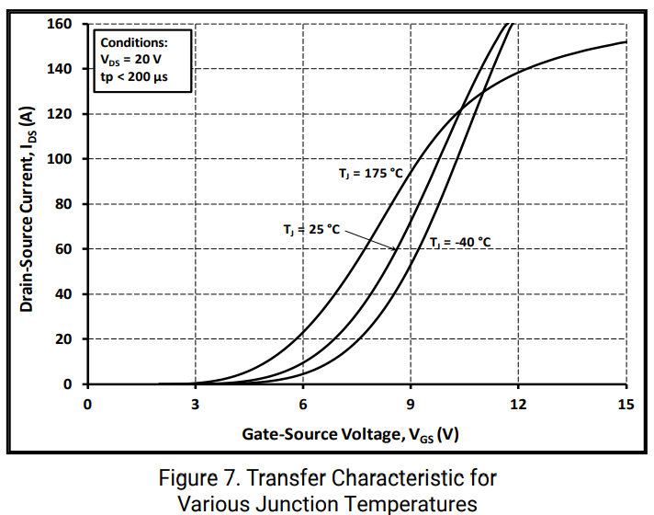
Vgs(V) | Ids(A) | Vds
0 | 0 | 20
3.5903341806 | 1.00E-09 | 20
4.1081707653 | 0.55076612795 | 20
4.4706561112 | 1.3769363303 | 20
5.005753652 | 3.0292557245 | 20
5.4200231832 | 5.2323622571 | 20
5.8688146265 | 8.8123841095 | 20
6.2485609285 | 12.117043908 | 20
6.6283085475 | 17.073991586 | 20
7.0080548495 | 22.306374853 | 20
7.3360182832 | 27.814120174 | 20
7.6467207607 | 34.974163879 | 20
7.9574219214 | 42.409643174 | 20
8.268124399 | 50.395867586 | 20
8.6133487888 | 60.309815467 | 20
8.9585731786 | 71.04991254 | 20
9.2174914709 | 80.137700724 | 20
9.4936707194 | 89.776255036 | 20
9.7353280556 | 98.588639145 | 20
9.9769853919 | 107.1256507 | 20
10.25316464 | 117.31497639 | 20
10.563865801 | 127.50429683 | 20
10.822784093 | 136.31670195 | 20
11.098964659 | 144.85370037 | 20
11.392404863 | 153.66609761 | 20
11.651323156 | 159.44923125 | 20

body diode
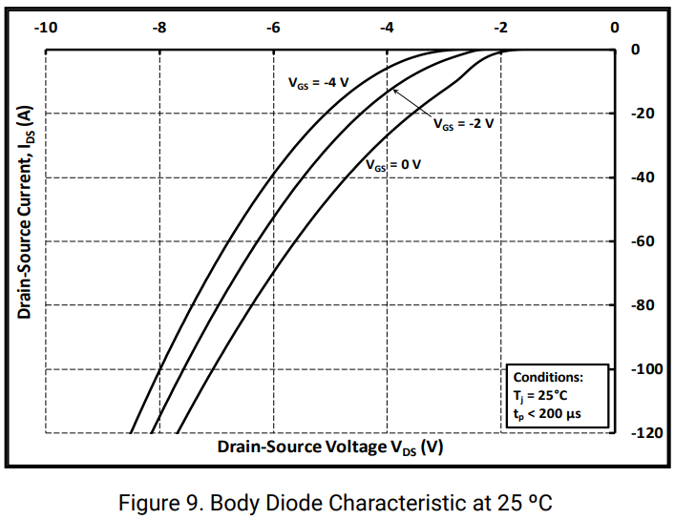
Vsd | Isd | Tj
0 | 0 | 25
1.7290753359 | 1.00E-09 | 25
 | Isd
0 | 0.00E+00
1.7290753359 | 1.00E-09
1.982378788 | 5.88E-01
2.1696039555 | 1.96E+00
2.4229074076 | 4.12E+00
2.6321586699 | 7.45E+00
2.8083699497 | 1.00E+01
3.0286342594 | 1.27E+01
3.2599116167 | 1.57E+01
3.4911898141 | 1.88E+01
3.7004402362 | 2.20E+01
3.9427314811 | 2.59E+01
4.1850218858 | 2.96E+01
4.3942731481 | 3.35E+01
4.592511363 | 3.75E+01
4.8127756728 | 4.18E+01
5.0330399826 | 4.65E+01
5.2973564821 | 5.22E+01
5.5066077444 | 5.73E+01
5.7378851017 | 6.27E+01
5.947136364 | 6.80E+01
6.1894276089 | 7.47E+01
6.4096919187 | 8.10E+01
6.6189423408 | 8.71E+01
6.8502205382 | 9.33E+01
7.070484848 | 9.98E+01
7.2687222227 | 1.06E+02
7.4559473901 | 1.13E+02
7.6762116999 | 1.20E+02
1.982378788 | 0.58823381832 | 25
2.1696039555 | 1.9607843809 | 25
2.4229074076 | 4.117646078 | 25
2.6321586699 | 7.4509810216 | 25
2.8083699497 | 9.9999992209 | 25
3.0286342594 | 12.745096606 | 25
3.2599116167 | 15.686276918 | 25
3.4911898141 | 18.823528935 | 25
3.7004402362 | 21.960792172 | 25
3.9427314811 | 25.882360934 | 25
4.1850218858 | 29.60784303 | 25
4.3942731481 | 33.529411792 | 25
4.592511363 | 37.450980554 | 25
4.8127756728 | 41.764707688 | 25
5.0330399826 | 46.470593194 | 25
5.2973564821 | 52.156863411 | 25
5.5066077444 | 57.25490729 | 25
5.7378851017 | 62.74510206 | 25
5.947136364 | 68.039221385 | 25
6.1894276089 | 74.705883792 | 25
6.4096919187 | 80.980410267 | 25
6.6189423408 | 87.058823896 | 25
6.8502205382 | 93.333335411 | 25
7.070484848 | 99.803929852 | 25
7.2687222227 | 105.88235844 | 25
7.4559473901 | 112.54902833 | 25
7.6762116999 | 119.60784911 | 25

Ciss
Vds_V | Ciss_pF
0 | 4013.0842812
4.4117531562 | 3258.6937877
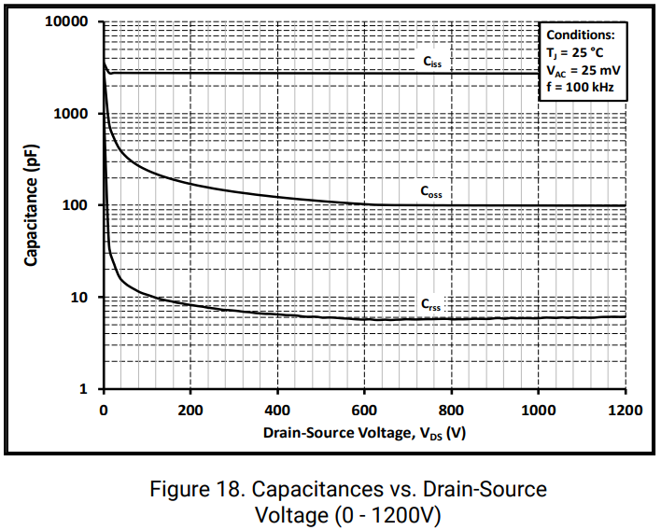
11.764693783 | 2776.3763509
32.352949976 | 2821.2056954
 | Ciss_pF
0 | 4013.0842812
4.4117531562 | 3258.6937877
11.764693783 | 2776.3763509
32.352949976 | 2821.2056954
69.117709207 | 2821.2056954
116.17648434 | 2821.2056954
163.23525947 | 2821.2056954
210.2941468 | 2821.2056954
257.35292193 | 2821.2056954
308.82350631 | 2821.2056954
367.64703132 | 2821.2056954
414.70591865 | 2821.2056954
460.2941281 | 2821.2056954
502.94120617 | 2821.2056954
549.9999813 | 2821.2056954
600 | 2821.2056954
655.88228144 | 2821.2056954
716.17648434 | 2821.2056954
769.11763441 | 2821.2056954
817.64697523 | 2821.2056954
872.05880318 | 2821.2056954
924.99995325 | 2821.2056954
985.29404395 | 2821.2056954
1194.1175129 | 2821.2056954
69.117709207 | 2821.2056954
116.17648434 | 2821.2056954
163.23525947 | 2821.2056954
210.2941468 | 2821.2056954
257.35292193 | 2821.2056954
308.82350631 | 2821.2056954
367.64703132 | 2821.2056954
414.70591865 | 2821.2056954
460.2941281 | 2821.2056954
502.94120617 | 2821.2056954
549.9999813 | 2821.2056954
600 | 2821.2056954
655.88228144 | 2821.2056954
716.17648434 | 2821.2056954
769.11763441 | 2821.2056954
817.64697523 | 2821.2056954
872.05880318 | 2821.2056954
924.99995325 | 2821.2056954
985.29404395 | 2821.2056954
1194.1175129 | 2821.2056954

Coss
Vds_V | Coss_pF
0 | 2960.0864601
2.9411874703 | 2080.9462735
7.3529406265 | 1372.1174225
10.294128097 | 964.60138851
13.235315567 | 722.98687609
22.058821879 | 568.56823088
35.294137447 | 426.15244845
52.941150071 | 329.80776835
76.470649834 | 272.13385153
101.47060308 | 239.40347411
133.82349696 | 210.60968011
166.17650304 | 185.27900449
204.41177186 | 168.30108648
248.52941561 | 152.87902208
289.705928 | 143.39093722
333.82357176 | 134.49179071
374.99997195 | 126.14486707
419.11761571 | 122.16772516
463.23525947 | 114.58573632
507.35290323 | 110.97303495
558.82348761 | 107.47423617
622.05882188 | 100.80409491
679.41178121 | 99.202304049
738.23530622 | 99.202304049
802.94109397 | 99.202304049
876.47050024 | 100.80409491
945.58820944 | 99.202304049
1019.1176157 | 100.80409491
1094.1176999 | 99.202304049
1154.4116784 | 100.80409491
1201.4704535 | 100.80409491

Crss
Vds_V | Crss_pF
x | y
0 | 980.17652763
1.4706217844 | 656.73685717
Crss_pF
 | Crss_pF
0 | 980.17652763
1.4706217844 | 656.73685717
2.9411874703 | 433.03380546
5.8823749406 | 224.54544816
5.8823749406 | 136.66339068
10.294128097 | 80.553985232
10.294128097 | 56.629601074
11.764693783 | 33.379385846
22.058821879 | 24.229692877
33.823515662 | 17.033519047
55.88239364 | 13.611718895
83.82359046 | 11.23142663
130.88236559 | 9.5690694847
189.7058906 | 8.2843869652
236.76466573 | 7.7702450396
286.76468443 | 7.2880071073
348.52945301 | 6.7270736017
397.05879383 | 6.5149719815
449.9999439 | 6.309573252
501.47052829 | 5.9179877174
563.23529687 | 5.7314032173
622.05882188 | 5.6403269896
688.23528752 | 5.7314032173
761.76469378 | 5.8239465243
841.17647499 | 5.8239465243
919.11757831 | 5.9179877174
1004.4117345 | 6.0135364013
1080.8822721 | 6.1106426987
1147.0587377 | 6.1106426987
1200 | 6.2093132699
2.9411874703 | 433.03380546
5.8823749406 | 224.54544816
5.8823749406 | 136.66339068
10.294128097 | 80.553985232
10.294128097 | 56.629601074
11.764693783 | 33.379385846
22.058821879 | 24.229692877
33.823515662 | 17.033519047
55.88239364 | 13.611718895
83.82359046 | 11.23142663
130.88236559 | 9.5690694847
189.7058906 | 8.2843869652
236.76466573 | 7.7702450396
286.76468443 | 7.2880071073
348.52945301 | 6.7270736017
397.05879383 | 6.5149719815
449.9999439 | 6.309573252
501.47052829 | 5.9179877174
563.23529687 | 5.7314032173
622.05882188 | 5.6403269896
688.23528752 | 5.7314032173
761.76469378 | 5.8239465243
841.17647499 | 5.8239465243
919.11757831 | 5.9179877174
1004.4117345 | 6.0135364013
1080.8822721 | 6.1106426987
1147.0587377 | 6.1106426987
1200 | 6.2093132699

