Output
Vds (V) | Ids (A) | Vgs
0 | 0 | 15
0.20434265208 | 3.2000005086 | 15
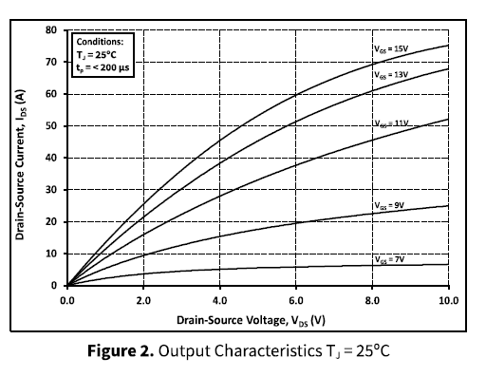
0.39591301298 | 5.7904778029 | 15
0.60025566506 | 8.3809550971 | 15
0.85568321892 | 11.885717213 | 15
1.1494252104 | 15.542856499 | 15
1.4048527642 | 18.742857008 | 15
1.6985947557 | 22.247619124 | 15
1.9540229185 | 25.142850759 | 15
2.2733076653 | 28.647620141 | 15
2.57982073 | 31.99999782 | 15
2.848019966 | 34.895236722 | 15
3.1034475199 | 37.333329579 | 15
3.3971901203 | 40.228575747 | 15
3.7292453313 | 43.276191819 | 15
4.1507023177 | 46.933334738 | 15
4.6104731326 | 50.438096854 | 15
5.1468703867 | 54.400001381 | 15
5.7982115626 | 58.514286711 | 15
6.4112376918 | 62.17142963 | 15
7.0625788677 | 65.371430139 | 15
7.8416332114 | 68.876188622 | 15
8.7739453055 | 72.076187314 | 15
9.4891436743 | 74.209520381 | 15
10 | 75.276189639 | 15

Rds(on)
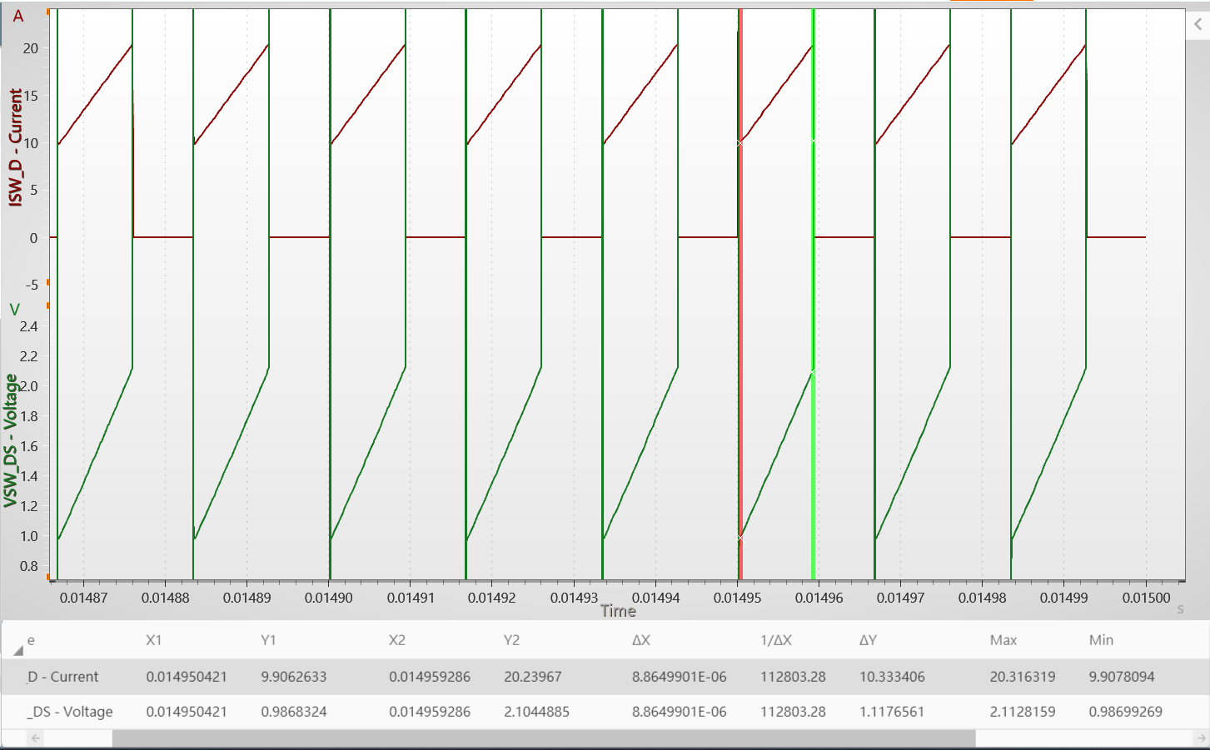
Rds(on)
75m

 | 0.10815950714

Transfer
Vgs (V) | Ids (mA) | Vds
0 | 0 | 20
3.6160231221 | 1.00E-09 | 20
4.4475125208 | 1.1001991545 | 20
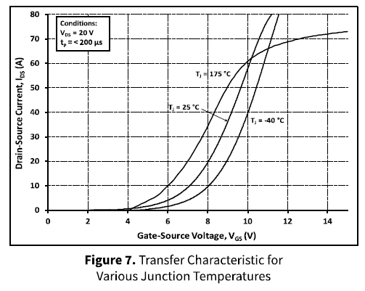
5.0469607465 | 1.8860492695 | 20
5.6464089722 | 3.1434229437 | 20
6.2458553538 | 5.1866392384 | 20
6.8259661236 | 8.1728876623 | 20
7.3093914578 | 11.787819176 | 20
7.7348062681 | 16.188608299 | 20
8.0441981869 | 20.117881358 | 20
8.4696111532 | 26.247545231 | 20
8.7209925482 | 30.80550138 | 20
9.0110488552 | 35.834973593 | 20
9.2624302502 | 41.178783604 | 20
9.4944741893 | 46.20825207 | 20
9.7458555844 | 51.709232853 | 20
9.9778995234 | 57.210217384 | 20
10.209943463 | 62.23968585 | 20
10.519335381 | 68.84086204 | 20
10.848064756 | 74.970527787 | 20
11.215467199 | 80 | 20

body diode
Vsd | Isd | Tj
0 | 0 | 25
0.70528899484 | 1.00E-09 | 25
2.0025190694 | 1.1214943275 | 25
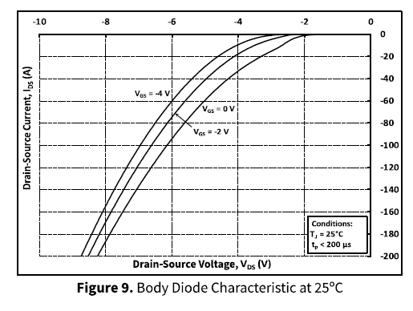
2.2670027428 | 2.9906515401 | 25
2.4811086308 | 6.3551478919 | 25
2.6826197722 | 10.093466773 | 25
2.9848864842 | 14.953275526 | 25
3.3501257283 | 20.934578606 | 25
3.6397988948 | 25.794387359 | 25
4.0554159242 | 34.392537275 | 25
4.4206551682 | 42.99065154 | 25
4.672544095 | 49.719626418 | 25
4.9622172615 | 57.943927066 | 25
5.188916695 | 65.046733387 | 25
5.4282120763 | 72.897193679 | 25
5.7052892951 | 82.616820098 | 25
5.9193951831 | 90.841129658 | 25
6.1460946166 | 99.439261749 | 25
6.3853911989 | 109.15889708 | 25
6.6372801257 | 120 | 25
6.8765743058 | 130.46729822 | 25
7.1410579791 | 142.42990438 | 25
7.3803527598 | 154.39254619 | 25
7.6070527939 | 165.60750729 | 25
7.8085645358 | 175.70094732 | 25
8.0100756772 | 186.54206807 | 25
8.2619646039 | 200 | 25

Ciss
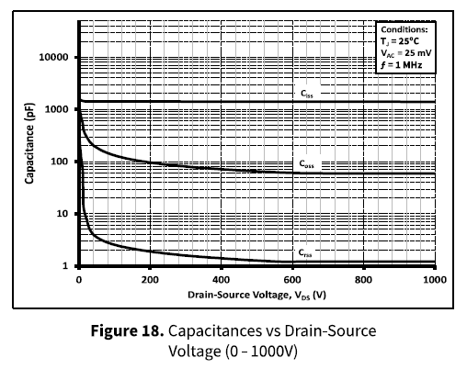
Vds_V | Ciss_pF
0 | 527.10066555
38.147166756 | 490.1572253
158.03825299 | 490.1572253
294.27803218 | 490.1572253
449.59129729 | 490.1572253
600.81740541 | 490.1572253
801.08991719 | 490.1572253 | Ciss
1000 | 490.1572253

Coss
Vds_V | Coss_pF
0 | 347.08366058
9.53680793 | 220.39183851
12.261600915 | 164.80208307

32.697515821 | 102.76246103
81.743854518 | 68.907205874
155.31333008 | 53.433142771
256.13080046 | 43.754827765
347.41146291 | 39.955640405
427.79295341 | 37.155196628
539.50953077 | 33.929077943
613.07900633 | 32.718469458
735.69475562 | 32.129474966
852.86104888 | 32.129474966
1000 | 32.129474966

Crss

Vds_V | Crss_pF
0 | 90.491486827
5.4495859702 | 58.513789542
9.53680793 | 30.425296824
9.53680793 | 17.324428974
12.261600915 | 9.341440519
21.798473809 | 5.3191021904
44.959116736 | 3.0287431094
99.455041403 | 2.183988575
158.03825299 | 1.8545762757
238.41961357 | 1.5464978143
320.16353305 | 1.4122169761
431.88011041 | 1.2663793437
520.43591491 | 1.1992114473
600.81740541 | 1.1564209084
700.27251178 | 1.1564209084
856.94820587 | 1.1564209084
1000 | 1.1564209084

