Rds(on)
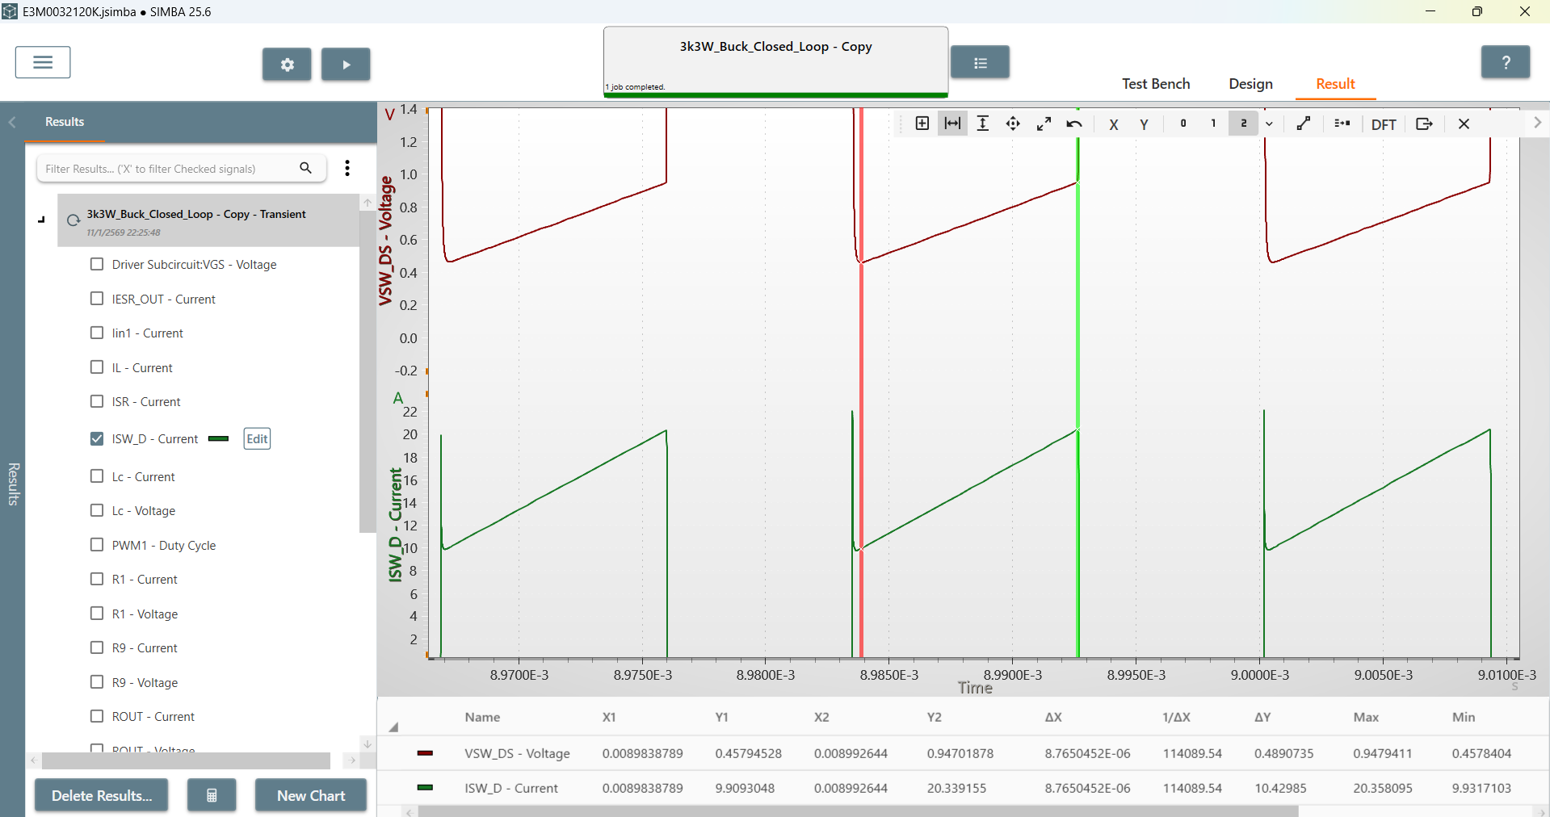
Rds(on)
32m

Rds(on) | 0.046891709852

Output
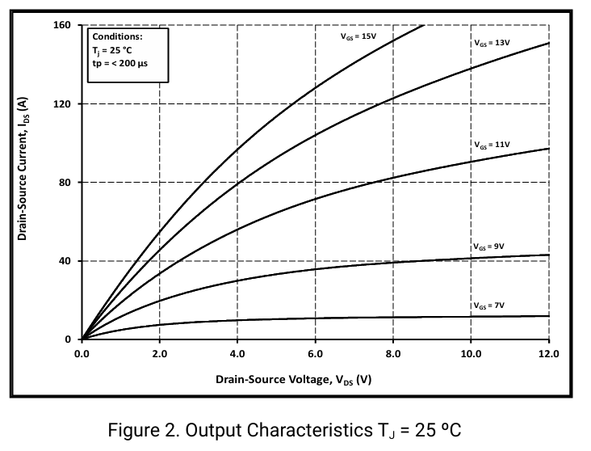
 | Ids(A)
0 | 0
0.489027903 | 14.93001462
0.626959218 | 18.91136704
0.764890054 | 22.6438707
0.965517291 | 27.37169347
1.203761507 | 33.59252341
1.416927736 | 39.81336283
1.655171952 | 45.78539146
1.993730503 | 54.74337746
2.257053184 | 59.96889776
2.495297878 | 65.94090741
2.695924636 | 69.92224084
2.896551394 | 74.15241355
3.172414024 | 79.37792436
3.473353683 | 86.34526262
3.749216313 | 91.81960321
4.012538993 | 96.79627476
4.376175531 | 102.5194451
4.614420225 | 106.9984476
4.915359884 | 111.7262846
5.266457428 | 117.4494598
5.630093966 | 122.6749658
5.931034582 | 127.1539588
6.445140949 | 134.3701411
6.871473408 | 139.8444817
7.210031003 | 143.3281508
7.573667541 | 147.8071533
7.974921057 | 152.2861605
8.326018602 | 155.5209975
8.739811112 | 160.2488298
Vds(V) | Ids(A) | VGS
0 | 0 | 15V
0.489027903 | 14.93001462 | 15V
0.626959218 | 18.91136704 | 15V
0.764890054 | 22.6438707 | 15V
0.965517291 | 27.37169347 | 15V
1.203761507 | 33.59252341 | 15V
1.416927736 | 39.81336283 | 15V
1.655171952 | 45.78539146 | 15V
1.993730503 | 54.74337746 | 15V
2.257053184 | 59.96889776 | 15V
2.495297878 | 65.94090741 | 15V
2.695924636 | 69.92224084 | 15V
2.896551394 | 74.15241355 | 15V
3.172414024 | 79.37792436 | 15V
3.473353683 | 86.34526262 | 15V
3.749216313 | 91.81960321 | 15V
4.012538993 | 96.79627476 | 15V
4.376175531 | 102.5194451 | 15V
4.614420225 | 106.9984476 | 15V
4.915359884 | 111.7262846 | 15V
5.266457428 | 117.4494598 | 15V
5.630093966 | 122.6749658 | 15V
5.931034582 | 127.1539588 | 15V
6.445140949 | 134.3701411 | 15V
6.871473408 | 139.8444817 | 15V
7.210031003 | 143.3281508 | 15V
7.573667541 | 147.8071533 | 15V
7.974921057 | 152.2861605 | 15V
8.326018602 | 155.5209975 | 15V
8.739811112 | 160.2488298 | 15V

Transfer
Vgs(V) | Ids(A) | Vds
0 | 0 | 20V
3.9675408453 | 1.00E-09 | 20V
4.9987523608 | 1.2029811163 | 20V
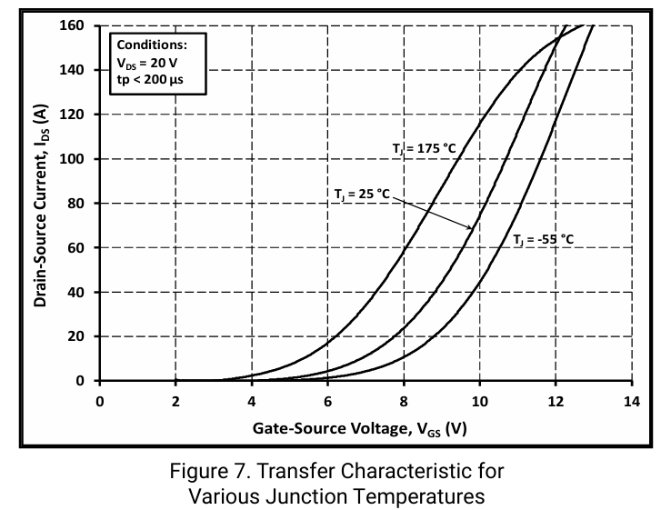
5.6803990099 | 3.007509581 | 20V
6.2396992758 | 5.7142581079 | 20V
6.7290877419 | 9.0225539832 | 20V
7.1835203081 | 13.233057301 | 20V
7.6729087742 | 19.248101703 | 20V
8.1273398736 | 26.466165081 | 20V
8.5293378565 | 33.984964274 | 20V
8.8788997893 | 42.105260335 | 20V
9.193507289 | 50.52631745 | 20V
9.5081133218 | 59.248122999 | 20V
9.8052421382 | 69.172922285 | 20V
10.119849638 | 79.398495244 | 20V
10.416978454 | 90.82706194 | 20V
10.766540387 | 104.36089923 | 20V
11.063669203 | 115.78946592 | 20V
11.378276703 | 128.72180003 | 20V
11.797751903 | 144.66165318 | 20V
12.217227102 | 160 | 20V

body diode
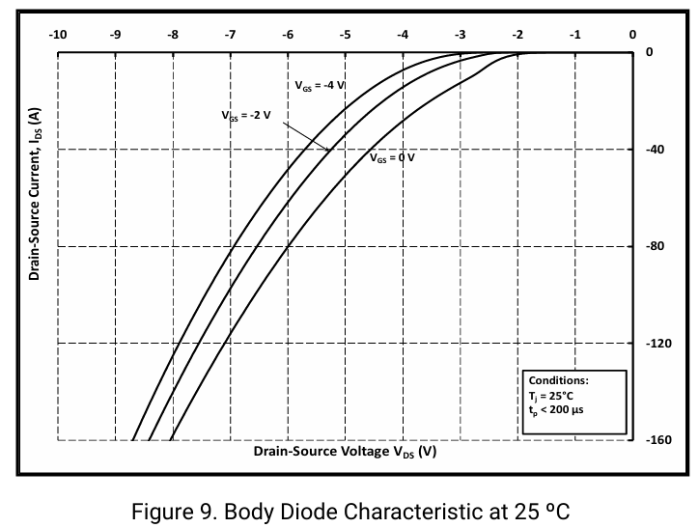
Vsd | Isd | Tj
0 | 0 | 25
1.824526048 | 1.00E-09 | 25
2.243269531 | 2.60E+00 | 25
2.632103201 | 7.799115914 | 25
3.13060771 | 14.18020584 | 25
3.45962099 | 19.37961645 | 25
3.948155561 | 27.65140318 | 25
4.416749496 | 36.86854509 | 25
4.695912325 | 43.72230133 | 25
5.064805358 | 52.23043024 | 25
5.343968187 | 60.2658748 | 25
5.60319038 | 67.59231989 | 25
5.792622246 | 73.73707215 | 25
5.9322029 | 77.9911321 | 25
6.061814377 | 82.71786738 | 25
6.181455155 | 86.49926101 | 25
6.281156056 | 90.51697878 | 25
6.430707409 | 95.00739893 | 25
6.580258762 | 101.1521332 | 25
6.749750752 | 106.3515438 | 25
6.929211918 | 112.9689714 | 25
7.098703908 | 119.8227501 | 25
7.278165075 | 126.4401687 | 25
7.427716428 | 133.5302716 | 25
7.597208417 | 140.3840414 | 25
7.726819133 | 146.5287936 | 25
7.85643061 | 152.4372127 | 25
8.065802352 | 160.4726663 | 25

Ciss
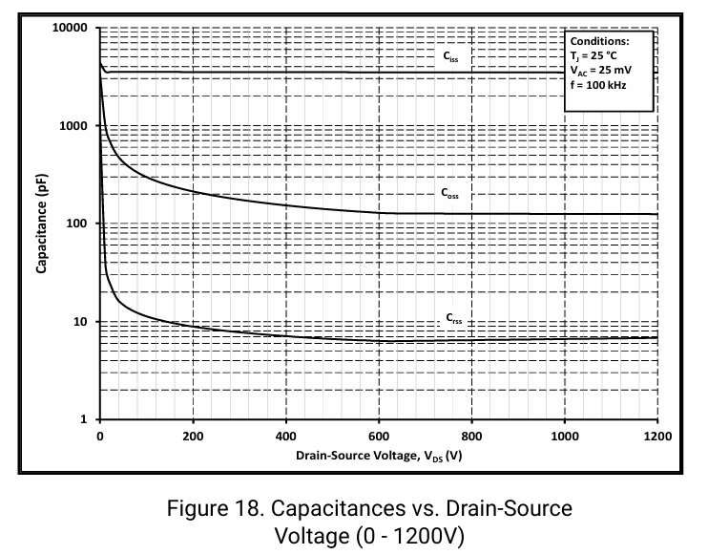
 | Ciss_pF
0 | 4218.8295576
11.66308596 | 3560.0755347
54.427652088 | 3560.0755347
82.937379318 | 3560.0755347
119.22246423 | 3560.0755347
160.69115389 | 3560.0755347
202.15979412 | 3510.0630122
244.92440968 | 3412.134008
279.91356869 | 3610.8016263
334.34127021 | 3510.0630122
377.1057869 | 3510.0630122
419.87040247 | 3560.0755347
460.04316622 | 3412.134008
509.287263 | 3510.0630122
544.27642201 | 3560.0755347
588.33691404 | 3610.8016263
642.76451669 | 3560.0755347
699.78397115 | 3560.0755347
751.61982087 | 3510.0630122
807.34339886 | 3460.7521399
868.25048273 | 3460.7521399
934.34117134 | 3510.0630122
1006.9113412 | 3510.0630122
1049.6759567 | 3510.0630122
1097.6240782 | 3560.0755347
1139.0929161 | 3510.0630122
1196.1122717 | 3560.0755347
Vds_V | Ciss_pF
0 | 4218.8295576
11.66308596 | 3560.0755347
54.427652088 | 3560.0755347
82.937379318 | 3560.0755347
119.22246423 | 3560.0755347
160.69115389 | 3560.0755347
202.15979412 | 3510.0630122
244.92440968 | 3412.134008
279.91356869 | 3610.8016263
334.34127021 | 3510.0630122
377.1057869 | 3510.0630122
419.87040247 | 3560.0755347
460.04316622 | 3412.134008
509.287263 | 3510.0630122
544.27642201 | 3560.0755347
588.33691404 | 3610.8016263
642.76451669 | 3560.0755347
699.78397115 | 3560.0755347
751.61982087 | 3510.0630122
807.34339886 | 3460.7521399
868.25048273 | 3460.7521399
934.34117134 | 3510.0630122
1006.9113412 | 3510.0630122
1049.6759567 | 3510.0630122
1097.6240782 | 3560.0755347
1139.0929161 | 3510.0630122
1196.1122717 | 3560.0755347

Coss
 | Coss_pF
0 | 2920.3689926
7.775407118 | 1567.054889
11.66308596 | 996.46903553
22.030246016 | 689.77853193
37.581010817 | 484.28355502
69.978416889 | 364.93192173
104.96762533 | 291.00580587
164.57888217 | 235.36167868
211.23112714 | 207.22212297
247.51616262 | 187.68316481
292.87253112 | 177.3568167
326.56591253 | 165.24408335
366.73867628 | 158.37724535
410.79916831 | 151.79568187
457.45141328 | 141.42866777
515.76674421 | 137.4829528
568.8984704 | 135.55149667
625.91792486 | 129.91855569
695.89634175 | 128.09343861
752.91569734 | 126.2938929
808.63927533 | 124.51969567
850.10791555 | 126.2938929
892.87253112 | 126.2938929
940.82065256 | 126.2938929
980.99341631 | 128.09343861
1015.9827731 | 126.2938929
1049.6759567 | 126.2938929
1085.9610911 | 126.2938929
1119.6544725 | 126.2938929
1162.4188903 | 126.2938929
1197.4082471 | 122.77035639
Vds_V | Coss_pF
0 | 2920.3689926
7.775407118 | 1567.054889
11.66308596 | 996.46903553
22.030246016 | 689.77853193
37.581010817 | 484.28355502
69.978416889 | 364.93192173
104.96762533 | 291.00580587
164.57888217 | 235.36167868
211.23112714 | 207.22212297
247.51616262 | 187.68316481
292.87253112 | 177.3568167
326.56591253 | 165.24408335
366.73867628 | 158.37724535
410.79916831 | 151.79568187
457.45141328 | 141.42866777
515.76674421 | 137.4829528
568.8984704 | 135.55149667
625.91792486 | 129.91855569
695.89634175 | 128.09343861
752.91569734 | 126.2938929
808.63927533 | 124.51969567
850.10791555 | 126.2938929
892.87253112 | 126.2938929
940.82065256 | 126.2938929
980.99341631 | 128.09343861
1015.9827731 | 126.2938929
1049.6759567 | 126.2938929
1085.9610911 | 126.2938929
1119.6544725 | 126.2938929
1162.4188903 | 126.2938929
1197.4082471 | 122.77035639

Crss
Crss_pF
 | Crss_pF
0.00E+00 | 1025.067365
1.00E-09 | 438.6204956
5.18E+00 | 172.4086501
6.48E+00 | 89.93257936
1.04E+01 | 50.34968759
1.04E+01 | 34.853199
1.94E+01 | 24.81859036
3.50E+01 | 17.42477891
6.48E+01 | 13.31753794
1.08E+02 | 11.23805557
1.44E+02 | 9.894447327
1.90E+02 | 8.961500644
2.50E+02 | 8.468437905
2.90E+02 | 7.779233483
3.52E+02 | 7.455961781
4.00E+02 | 7.146116156
4.61E+02 | 6.849161497
5.25E+02 | 6.658066127
5.78E+02 | 6.381392237
6.31E+02 | 6.291742002
6.79E+02 | 6.472316395
7.13E+02 | 6.472316395
7.59E+02 | 6.472316395
8.19E+02 | 6.564539613
8.58E+02 | 6.658066127
8.95E+02 | 6.381392237
9.41E+02 | 6.658066127
9.84E+02 | 6.658066127
1.02E+03 | 6.752939714
1.08E+03 | 6.658066127
1.14E+03 | 6.849161497
1.18E+03 | 6.752939714
1.20E+03 | 6.946750584
Vds_V | Crss_pF
x | y
0 | 1025.067365
1.00E-09 | 438.6204956
5.18E+00 | 172.4086501
6.479481214 | 89.93257936
10.36716006 | 50.34968759
10.36716006 | 34.853199
19.43844364 | 24.81859036
34.98920844 | 17.42477891
64.79481214 | 13.31753794
107.5593783 | 11.23805557
143.8444632 | 9.894447327
190.496807 | 8.961500644
250.1080144 | 8.468437905
290.2807782 | 7.779233483
352.4838374 | 7.455961781
400.4319588 | 7.146116156
461.3390427 | 6.849161497
524.8379784 | 6.658066127
577.9697045 | 6.381392237
631.1015296 | 6.291742002
679.049651 | 6.472316395
712.7429336 | 6.472316395
759.3951786 | 6.472316395
819.0064848 | 6.564539613
857.8833721 | 6.658066127
895.4642841 | 6.381392237
940.8206526 | 6.658066127
983.585367 | 6.658066127
1019.870304 | 6.752939714
1080.777585 | 6.658066127
1140.388694 | 6.849161497
1176.673828 | 6.752939714
1201.295778 | 6.946750584

