Rds(on)
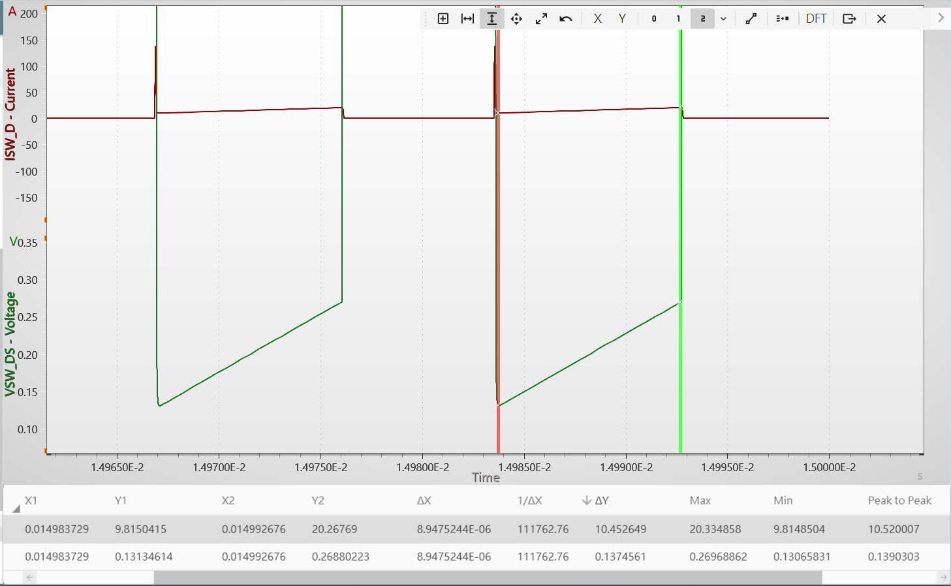
Rds(on)
12m

 | 0.01315036

Output
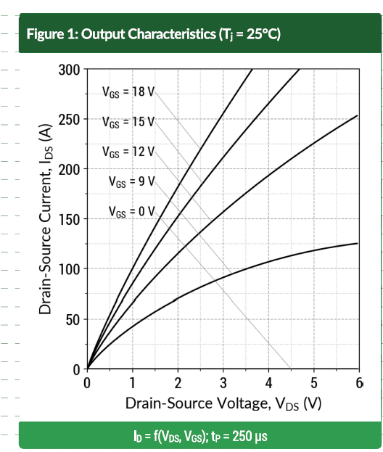
Vds | Ids | Vgs
0 | 0 | 18V
0.077254489583 | 12.209308212 | 18V
0.21888429872 | 27.325559718 | 18V
0.38626596457 | 44.767414651 | 18V
0.54077278262 | 59.302301894 | 18V
0.69527960067 | 73.837164741 | 18V
0.84978641872 | 88.372051984 | 18V
1.0300429324 | 103.48837668 | 18V
1.1974245982 | 118.60465258 | 18V
1.3905581208 | 134.30231714 | 18V
1.5836916433 | 149.9999817 | 18V
1.7897000137 | 166.27905932 | 18V
1.9570816796 | 179.65116924 | 18V
2.1630900499 | 194.76744515 | 18V
2.3562235725 | 209.30232019 | 18V
2.5493560145 | 223.25580658 | 18V
2.7553654654 | 238.37209468 | 18V
3.0128753881 | 256.39535047 | 18V
3.2317596868 | 271.51162637 | 18V
3.4506439855 | 286.62789007 | 18V
3.6437764275 | 300 | 18V

Transfer
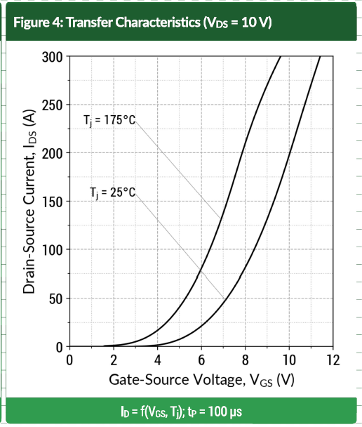
Vgs | Ids | Vds
0 | 0 | 10V
3.0125516313 | 1.00E-09 | 10V
3.9163175421 | 1.1385307571 | 10V
4.6443500804 | 4.5540513673 | 10V
5.3221760936 | 10.815958588 | 10V
5.9748946306 | 20.493362532 | 10V
6.5774045354 | 33.58633486 | 10V
7.1297058083 | 48.387115267 | 10V
7.6317984491 | 66.03416285 | 10V
8.0836824579 | 85.388994625 | 10V
8.5355643599 | 105.88235716 | 10V
8.9121343672 | 126.37571969 | 10V
9.3138076372 | 150.28462672 | 10V
9.6903755376 | 175.33208839 | 10V
10.041840176 | 200.37951423 | 10V
10.393304813 | 224.85769858 | 10V
10.744769451 | 251.04365518 | 10V
10.970711456 | 268.12143739 | 10V
11.271967462 | 289.1840653 | 10V
11.422593358 | 300 | 10V

body diode
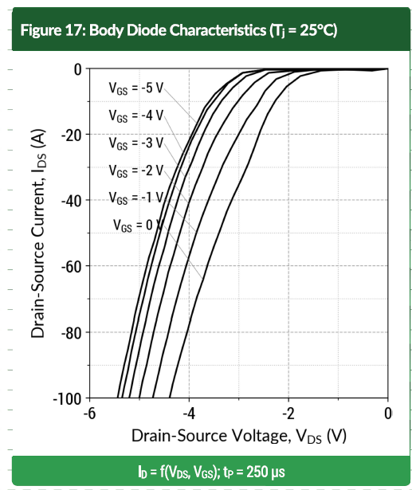
Vsd | Isd | Tj
0 | 0 | 25
0.71186471417 | 1.00E-09 | 25
1.4110171774 | 0.76481757326 | 25
1.7288138486 | 1.9120479448 | 25
1.983051399 | 4.5889094512 | 25
2.2118644475 | 8.6042077282 | 25
2.3771183751 | 12.619501994 | 25
2.5296611187 | 17.590824243 | 25
2.6567793604 | 22.753344868 | 25
2.7711864181 | 27.34225432 | 25
2.9110169107 | 32.122366158 | 25
3.0762708384 | 37.284894807 | 25
3.2542370169 | 43.403443416 | 25
3.4067797605 | 50.095607211 | 25
3.559322504 | 56.022937386 | 25
3.6864407458 | 62.332688383 | 25
3.8262701716 | 68.260034605 | 25
3.9533894802 | 74.760987989 | 25
4.0805077219 | 81.835572606 | 25
4.2203392814 | 89.10133554 | 25
4.3983043931 | 100 | 25

Ciss
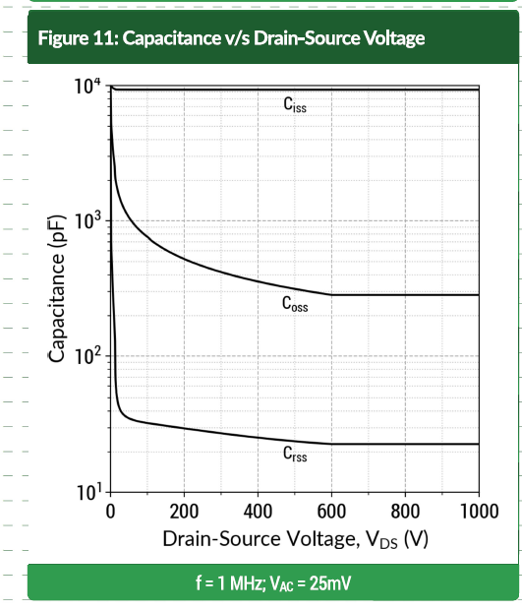
Vds_V | Ciss_pF
0 | 10000
51.172833033 | 9478.6002512
108.74191231 | 9478.6002512
172.70795361 | 9478.6002512
245.20250217 | 9478.6002512
326.22591588 | 9478.6002512
381.66327096 | 9478.6002512
439.23235024 | 9478.6002512
492.53726536 | 9478.6002512
543.70991945 | 9478.6002512
597.01483457 | 9478.6002512
648.1876676 | 9478.6002512
701.49240378 | 9478.6002512
765.45844507 | 9478.6002512
837.95299363 | 9478.6002512
893.39016977 | 9478.6002512
927.5052725 | 9478.6002512
957.35603212 | 9478.6002512
980.81018761 | 9478.6002512
1000 | 9478.6002512

Coss
Vds_V | Coss_pF
0 | 10000
1.00E-09 | 7252.1223893
2.1322610234 | 4985.1052894
6.3966041292 | 3472.9431723
10.660947235 | 2586.965863
14.925290341 | 1927.0088926
29.850938563 | 1360.5701779
61.833780268 | 973.58094046
100.2132261 | 775.41644516
138.59267194 | 642.89435537
181.23663982 | 554.86345667
228.1449508 | 491.88140817
283.58212694 | 436.0486399
334.75478104 | 397.04272133
394.45630028 | 366.39828193
447.7612154 | 338.11922296
518.12368188 | 312.0226004
592.75049146 | 287.94016001
686.56711343 | 284.11120009
776.1193923 | 284.11120009
867.80375325 | 284.11120009
1000 | 287.94016001

Crss
Vds_V | Crss_pF
0 | 10000
1.00E-09 | 6175.8643474
2.00E-09 | 3567.1835051
3.00E-09 | 2657.1654326
4.00E-09 | 1778.2795349
5.00E-09 | 1272.4805307
2.1322610234 | 818.07016756
4.2643431058 | 498.51076231
6.3966041292 | 295.75374985
10.660947235 | 182.65345263
12.793208258 | 114.3245233
12.793208258 | 67.825792401
25.586416517 | 41.331303607
66.098123374 | 33.81191913
138.59267194 | 31.202257119
228.1449508 | 28.794013305
328.35835585 | 26.571626961
460.55442365 | 24.194738766
605.54369972 | 22.628252389
752.66523681 | 22.628252389
880.59696151 | 22.628252389
1000 | 22.628252389

