Rds(on)
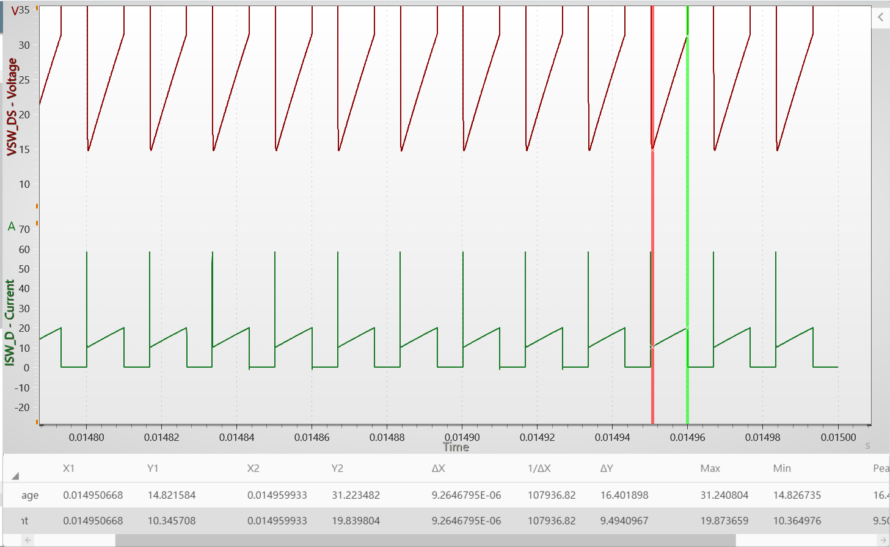
Rds(on)
78m

 | 1.7275891028

Output
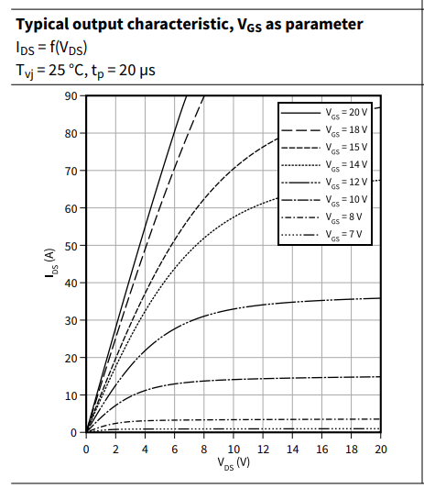
Vds | Ids | Vgs
0 | 0 | 20V
0.34114909237 | 5.2052307967 | 20V
0.68230021816 | 9.9067107267 | 20V
1.0234513439 | 14.272394109 | 20V
1.4072473772 | 19.813437467 | 20V
1.8336883178 | 25.69030139 | 20V
2.1748394436 | 30.223883047 | 20V
2.6012763174 | 35.932824677 | 20V
2.8997866026 | 39.962687493 | 20V
3.2409377284 | 44.49626915 | 20V
3.6247337616 | 49.533577653 | 20V
3.9658848874 | 54.402987883 | 20V
4.3070360132 | 58.768655253 | 20V
4.6908320464 | 63.805963756 | 20V
5.0746240128 | 68.843280266 | 20V
5.5010649535 | 73.880592773 | 20V
5.9275058941 | 79.25372985 | 20V
6.3965917422 | 84.794769203 | 20V
6.8656694566 | 90 | 20V

Transfer
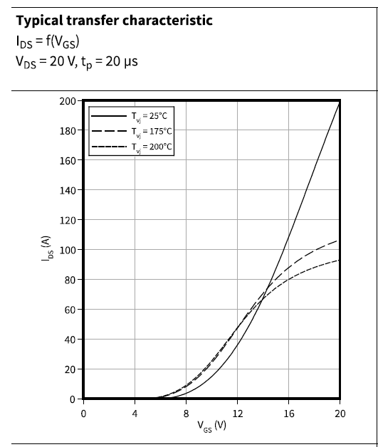
Vgs | Ids | Vds
0 | 0 | 20
3.1011236533 | 1.00E-09 | 20
6.5617996455 | 2.00E-09 | 20
7.9550555826 | 3.4681958777 | 20
8.9438207641 | 7.7071223674 | 20
9.7078660017 | 12.331395788 | 20
10.382021547 | 18.111746751 | 20
11.101121939 | 25.048175257 | 20
11.82022233 | 33.526009861 | 20
12.40449247 | 41.233132229 | 20
12.98876261 | 49.710985208 | 20
13.573032749 | 59.730244286 | 20
14.112358043 | 69.364156433 | 20
14.606742777 | 78.99806858 | 20
15.101123225 | 89.017327657 | 20
15.595503672 | 98.651239804 | 20
15.999998714 | 107.89980502 | 20
16.449438602 | 117.53371717 | 20
16.898874204 | 127.93834155 | 20
17.393258937 | 139.11367817 | 20
18.067414483 | 154.52794128 | 20
18.651684623 | 168.40076154 | 20
19.280899608 | 182.65896549 | 20
20 | 198.45858471 | 20

body diode
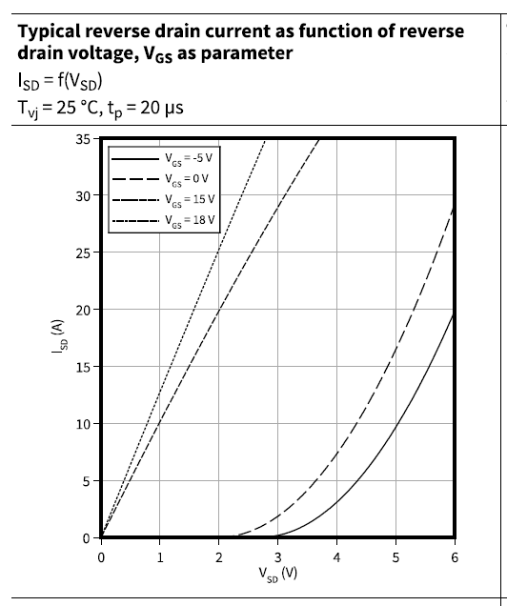
Vsd | Isd | Tj
0 | 0 | 25
0.66521708168 | 1.00E-09 | 25
1.6173916613 | 2.00E-09 | 25
2.4913048224 | 0.47297092665 | 25
2.8695656501 | 1.4189192237 | 25
3.143478749 | 2.4324301933 | 25
3.4173918479 | 3.7162144062 | 25
3.6130435283 | 4.797297714 | 25
3.7956526755 | 5.9459404725 | 25
3.9782605789 | 7.1621620129 | 25
4.1608697261 | 8.5810812366 | 25
4.3304350963 | 9.932431344 | 25
4.4869566894 | 11.283784673 | 25
4.6043481952 | 12.49999977 | 25
4.7347822342 | 13.783783983 | 25
4.865217517 | 15.13513409 | 25
4.995651556 | 16.554053314 | 25
5.1130430618 | 17.770265189 | 25
5.2565221218 | 19.391891761 | 25
5.3478260734 | 20.675675974 | 25
5.4652175792 | 22.094595198 | 25
5.5826090851 | 23.648649432 | 25
5.6869568138 | 24.932430423 | 25
5.7913045425 | 26.418918763 | 25
5.8826084942 | 27.635132249 | 25
6 | 29.054053084 | 25

Ciss
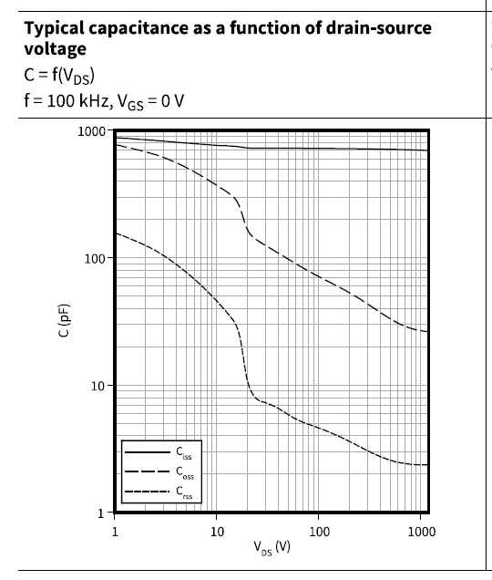
Vds_V | Ciss_pF
1 | 859.7925949
1.4954026336 | 848.06568589
2.4317697342 | 825.08952437
4.3002663305 | 791.78688484
8.2694279363 | 759.82867042
15.377775984 | 739.24306419
24.18216017 | 719.2151721
42.763051943 | 719.2151721
73.126950699 | 719.2151721
116.93936926 | 719.2151721
187.00134244 | 709.4056309
336.27815355 | 699.7298843
565.49282004 | 699.7298843
1000 | 690.18610742

Coss
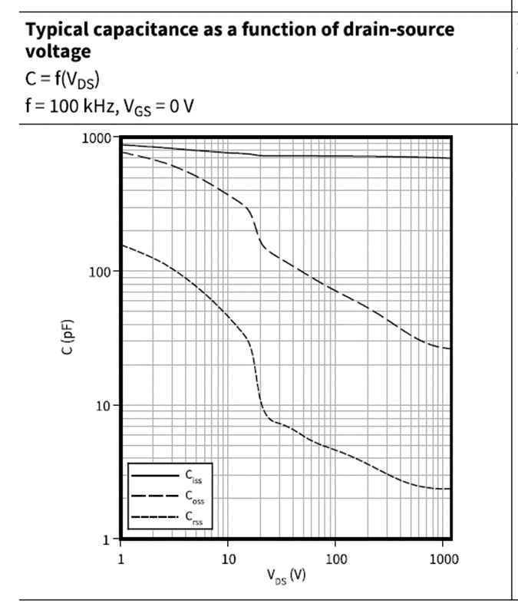
Vds_V | Coss_pF
1 | 770.33545288
1.572540758 | 699.7298843
2.2362200974 | 653.29506421
3.2337683144 | 585.32315458
4.4469146351 | 524.42319234
6.3236923603 | 444.74531431
8.5514331643 | 387.67620764
11.759479588 | 328.77488894
14.870654764 | 271.26862792
17.005255133 | 208.96790976
19.446203409 | 156.61417469
25.429601658 | 129.22067259
33.816293925 | 111.10294102
45.729260832 | 96.846396243
62.884466145 | 83.267841596
86.475537402 | 71.593050156
120.92725255 | 62.40634892
166.2927758 | 54.3984343
221.13619631 | 47.4181176
319.78212951 | 38.590555604
425.24639706 | 33.179884806
565.49282004 | 29.322220156
751.99256648 | 27.002973849
1000 | 25.913067509

Crss

Vds_V | Crss_pF
1 | 154.47807793
1.2859478622 | 144.22674821
1.8595922001 | 125.71977037
2.6004507446 | 109.58761833
3.5760026259 | 91.669872766
4.8357817877 | 75.63580219
6.4306141722 | 62.40634892
8.2694279363 | 51.49079103
10.457249151 | 41.905069964
13.447466439 | 32.280939909
15.637785418 | 25.211019502
16.722482043 | 17.884839195
17.882445969 | 13.40405567
19.446203409 | 9.7737124312
23.384729411 | 7.6331499454
32.157445762 | 6.8389609078
45.729260832 | 5.7998880731
66.128479435 | 4.9866991837
89.424395704 | 4.5296387272
127.16530865 | 4.0583536815
174.87130096 | 3.5865108859
244.53974627 | 3.1262937212
341.96398825 | 2.7251329056
470.2515815 | 2.4753599876
657.59905595 | 2.3430483252
1000 | 2.3110917067

