Rds(on)
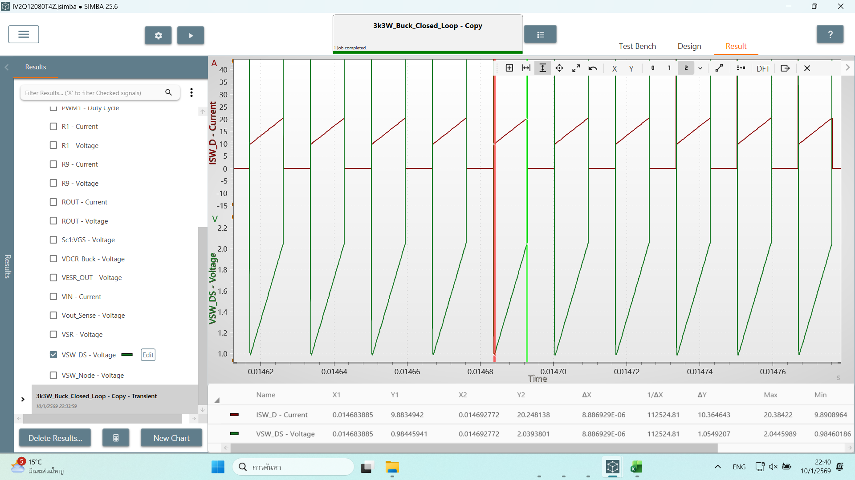
Rds(on)
80m

 | 0.10178070774

Output
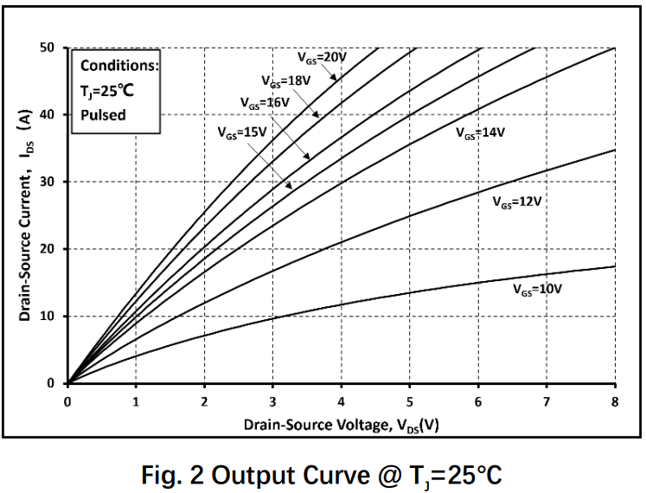
Vds(V) | Ids(A) | VGS
0 | 0 | 20V
0.12134357353 | 1.9538161108 | 20V
 | Ids(A)
0 | 0
0.12134357353 | 1.9538161108
0.24268681642 | 3.3747738983
0.40736733326 | 5.6838379256
0.55471300665 | 7.6376540364
0.693391093 | 9.6802821263
0.8494040228 | 11.545293034
0.99674969619 | 13.587914348
1.1440957002 | 15.452928643
1.3174434735 | 17.584368712
1.482123329 | 19.538188211
1.6554711023 | 21.669624892
1.8461540496 | 23.889873552
2.0368363357 | 26.110122213
2.2361865394 | 28.241562282
2.4182015691 | 30.284190372
2.6262190292 | 32.770868194
2.8429037458 | 34.99111516
3.0769229752 | 37.21136382
3.3282773787 | 39.786855316
3.6056335513 | 42.451153708
3.8743231289 | 44.760212653
4.2036835013 | 47.602131616
4.5243772786 | 50.088809438
0.24268681642 | 3.3747738983 | 20V
0.40736733326 | 5.6838379256 | 20V
0.55471300665 | 7.6376540364 | 20V
0.693391093 | 9.6802821263 | 20V
0.8494040228 | 11.545293034 | 20V
0.99674969619 | 13.587914348 | 20V
1.1440957002 | 15.452928643 | 20V
1.3174434735 | 17.584368712 | 20V
1.482123329 | 19.538188211 | 20V
1.6554711023 | 21.669624892 | 20V
1.8461540496 | 23.889873552 | 20V
2.0368363357 | 26.110122213 | 20V
2.2361865394 | 28.241562282 | 20V
2.4182015691 | 30.284190372 | 20V
2.6262190292 | 32.770868194 | 20V
2.8429037458 | 34.99111516 | 20V
3.0769229752 | 37.21136382 | 20V
3.3282773787 | 39.786855316 | 20V
3.6056335513 | 42.451153708 | 20V
3.8743231289 | 44.760212653 | 20V
4.2036835013 | 47.602131616 | 20V
4.5243772786 | 50.088809438 | 20V

Transfer
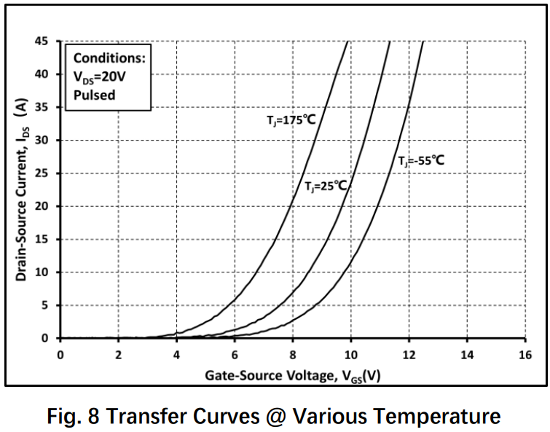
Vgs(V) | Ids(A) | Vds
0 | 0 | 20
4.1117327008 | 1.00E-09 | 20
4.7553078744 | 0.39335665778 | 20
5.2737439235 | 0.55069692004 | 20
5.6491626611 | 0.94405357783 | 20
6.0245813988 | 1.4160803667 | 20
6.4000001364 | 1.8881131578 | 20
6.7217884052 | 2.6748264734 | 20
7.1687157985 | 3.6975501823 | 20
7.4905027034 | 4.8776201557 | 20
7.7944141492 | 6.1363572591 | 20
8.1162010541 | 7.552446629 | 20
8.402235677 | 9.2045463924 | 20
8.670392113 | 11.013986418 | 20
8.9921790178 | 13.295453232 | 20
9.2424586309 | 15.498252917 | 20
9.5284918898 | 18.251749521 | 20
9.76089468 | 20.847902863 | 20
10.011174293 | 23.522726335 | 20
10.172067063 | 26.354896072 | 20
10.386593031 | 29.029719544 | 20
10.583240811 | 32.33391757 | 20
10.779888591 | 35.323424568 | 20
10.958659549 | 38.155595805 | 20
11.155307329 | 41.617134094 | 20
11.334078286 | 44.842658987 | 20

body diode
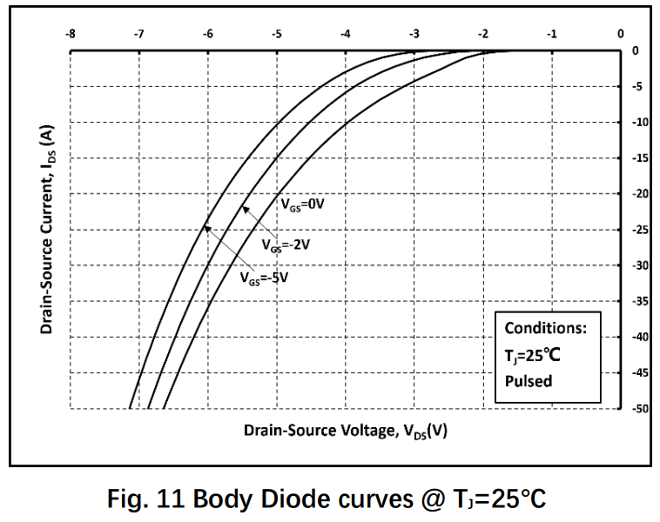
Vsd | Isd | Tj
0 | 0 | 25
1.6586487679 | 1.00E-09 | 25
 | Isd
0 | 0.00E+00
1.6586487679 | 1.00E-09
1.9335628356 | 3.51E-01
2.1809852169 | 9.65E-01
2.3367702748 | 1.40E+00
2.5475373072 | 2.46E+00
2.7766323637 | 3.33E+00
3.0607100938 | 4.65E+00
3.2806414878 | 5.79E+00
3.5189002067 | 6.93E+00
3.7113406134 | 8.33E+00
3.9770903196 | 1.02E+01
4.1970217136 | 1.21E+01
4.3894614212 | 1.38E+01
4.6002291527 | 1.58E+01
4.765177873 | 1.77E+01
4.9392895566 | 1.96E+01
5.1225656018 | 2.18E+01
5.2966779845 | 2.43E+01
5.4432986808 | 2.65E+01
5.6265747259 | 2.96E+01
5.7823597838 | 3.21E+01
5.9198168176 | 3.46E+01
6.0756011764 | 3.71E+01
6.2405498967 | 4.09E+01
6.3596789065 | 4.32E+01
6.4696449531 | 4.57E+01
6.5612829757 | 4.79E+01
6.6437573358 | 5.00E+01
1.9335628356 | 0.3508785256 | 25
2.1809852169 | 0.96491176262 | 25
2.3367702748 | 1.4035082465 | 25
2.5475373072 | 2.4561404771 | 25
2.7766323637 | 3.3333334449 | 25
3.0607100938 | 4.6491228965 | 25
3.2806414878 | 5.7894730854 | 25
3.5189002067 | 6.9298249474 | 25
3.7113406134 | 8.3333340305 | 25
3.9770903196 | 10.175437924 | 25
4.1970217136 | 12.105263123 | 25
4.3894614212 | 13.771932773 | 25
4.6002291527 | 15.789474257 | 25
4.765177873 | 17.719299455 | 25
4.9392895566 | 19.649121307 | 25
5.1225656018 | 21.842103727 | 25
5.2966779845 | 24.298246713 | 25
5.4432986808 | 26.491229133 | 25
5.6265747259 | 29.56140452 | 25
5.7823597838 | 32.105262119 | 25
5.9198168176 | 34.561401759 | 25
6.0756011764 | 37.105269397 | 25
6.2405498967 | 40.877191797 | 25
6.3596789065 | 43.157895521 | 25
6.4696449531 | 45.701753119 | 25
6.5612829757 | 47.894735539 | 25
6.6437573358 | 50 | 25

Ciss
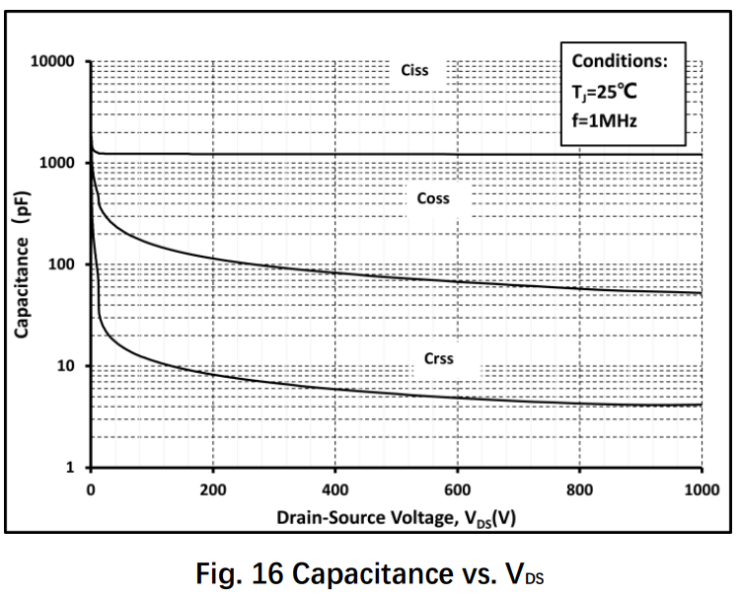
Vds_V | Ciss_pF
1.1778382548 | 2018.2012771
3.533559696 | 1409.0817602
12.956400529 | 1216.4840941
34.157848568 | 1216.4840941
 | Ciss_pF
1.1778382548 | 2018.2012771
3.533559696 | 1409.0817602
12.956400529 | 1216.4840941
34.157848568 | 1216.4840941
64.782092509 | 1216.4840941
107.18494366 | 1216.4840941
140.16486411 | 1216.4840941
174.32271267 | 1236.5125396
204.94695662 | 1216.4840941
246.17192458 | 1216.4840941
280.32977314 | 1216.4840941
313.30978346 | 1216.4840941
347.46763203 | 1216.4840941
382.80331885 | 1216.4840941
418.13900567 | 1216.4840941
453.4746925 | 1216.4840941
485.27677469 | 1216.4840941
524.14606614 | 1216.4840941
567.72671061 | 1216.4840941
605.41807394 | 1216.4840941
647.82097002 | 1216.4840941
694.93521912 | 1216.4840941
747.93874936 | 1216.4840941
812.72084186 | 1216.4840941
877.50284451 | 1216.4840941
938.75151212 | 1216.4840941
998.82207188 | 1216.4840941
64.782092509 | 1216.4840941
107.18494366 | 1216.4840941
140.16486411 | 1216.4840941
174.32271267 | 1236.5125396
204.94695662 | 1216.4840941
246.17192458 | 1216.4840941
280.32977314 | 1216.4840941
313.30978346 | 1216.4840941
347.46763203 | 1216.4840941
382.80331885 | 1216.4840941
418.13900567 | 1216.4840941
453.4746925 | 1216.4840941
485.27677469 | 1216.4840941
524.14606614 | 1216.4840941
567.72671061 | 1216.4840941
605.41807394 | 1216.4840941
647.82097002 | 1216.4840941
694.93521912 | 1216.4840941
747.93874936 | 1216.4840941
812.72084186 | 1216.4840941
877.50284451 | 1216.4840941
938.75151212 | 1216.4840941
998.82207188 | 1216.4840941

Coss
Vds_V | Coss_pF
1.1778382548 | 1479.8330904
2.3557214412 | 906.66485726
7.067119392 | 622.76797828
11.778562274 | 487.46484186
 | Coss_pF
1.1778382548 | 1479.8330904
2.3557214412 | 906.66485726
7.067119392 | 622.76797828
11.778562274 | 487.46484186
11.778562274 | 407.31363947
18.845681666 | 340.34147697
29.446405686 | 275.24304531
48.292087352 | 226.26111318
73.027095088 | 185.99594871
101.29566252 | 157.97250351
136.63134934 | 136.38037417
171.96703617 | 121.64840941
209.6583995 | 113.95608828
252.06120571 | 101.64642066
303.88689769 | 93.67659539
352.17898505 | 89.197885074
400.47116226 | 83.55759395
455.83036901 | 78.273909202
504.12245636 | 74.531606623
555.94814834 | 69.818671573
611.30735508 | 66.480616819
663.13304706 | 64.344375384
719.67018192 | 61.268048618
770.31794579 | 59.299304187
825.67724239 | 56.464184014
882.21437726 | 55.549603857
944.64079326 | 53.764611913
998.82207188 | 53.764611913
11.778562274 | 407.31363947
18.845681666 | 340.34147697
29.446405686 | 275.24304531
48.292087352 | 226.26111318
73.027095088 | 185.99594871
101.29566252 | 157.97250351
136.63134934 | 136.38037417
171.96703617 | 121.64840941
209.6583995 | 113.95608828
252.06120571 | 101.64642066
303.88689769 | 93.67659539
352.17898505 | 89.197885074
400.47116226 | 83.55759395
455.83036901 | 78.273909202
504.12245636 | 74.531606623
555.94814834 | 69.818671573
611.30735508 | 66.480616819
663.13304706 | 64.344375384
719.67018192 | 61.268048618
770.31794579 | 59.299304187
825.67724239 | 56.464184014
882.21437726 | 55.549603857
944.64079326 | 53.764611913
998.82207188 | 53.764611913

Crss
Vds_V | Crss_pF
x | y
1.1778382548 | 583.38783923
2.3557214412 | 387.83983397
Crss_pF
 | Crss_pF
1.1778382548 | 583.38783923
2.3557214412 | 387.83983397
3.533559696 | 253.66197079
5.8892811372 | 168.63604282
8.2450025784 | 113.95608828
11.778562274 | 83.55759395
11.778562274 | 59.299304187
11.778562274 | 37.537737814
17.667843412 | 28.43810608
27.090684245 | 21.899066574
42.402806215 | 17.141255486
61.248532813 | 14.558634536
85.983495617 | 12.164837152
120.14134419 | 10.6750217
149.58774987 | 9.3676507855
187.2791132 | 8.4933329898
234.3933623 | 7.7006041443
273.26265375 | 7.0968202714
319.19906459 | 6.6480637526
367.49115195 | 6.2276720237
421.67252044 | 5.7393768376
469.96460779 | 5.4649820616
533.56886204 | 5.1194091339
591.28383516 | 4.8746423452
637.220246 | 4.6415897974
692.57945275 | 4.5664046758
751.47226412 | 4.3480832942
813.89868012 | 4.3480832942
870.43581498 | 4.2083650404
934.03997937 | 4.2083650404
995.28846725 | 4.2083650404
3.533559696 | 253.66197079
5.8892811372 | 168.63604282
8.2450025784 | 113.95608828
11.778562274 | 83.55759395
11.778562274 | 59.299304187
11.778562274 | 37.537737814
17.667843412 | 28.43810608
27.090684245 | 21.899066574
42.402806215 | 17.141255486
61.248532813 | 14.558634536
85.983495617 | 12.164837152
120.14134419 | 10.6750217
149.58774987 | 9.3676507855
187.2791132 | 8.4933329898
234.3933623 | 7.7006041443
273.26265375 | 7.0968202714
319.19906459 | 6.6480637526
367.49115195 | 6.2276720237
421.67252044 | 5.7393768376
469.96460779 | 5.4649820616
533.56886204 | 5.1194091339
591.28383516 | 4.8746423452
637.220246 | 4.6415897974
692.57945275 | 4.5664046758
751.47226412 | 4.3480832942
813.89868012 | 4.3480832942
870.43581498 | 4.2083650404
934.03997937 | 4.2083650404
995.28846725 | 4.2083650404

