Rds(on)
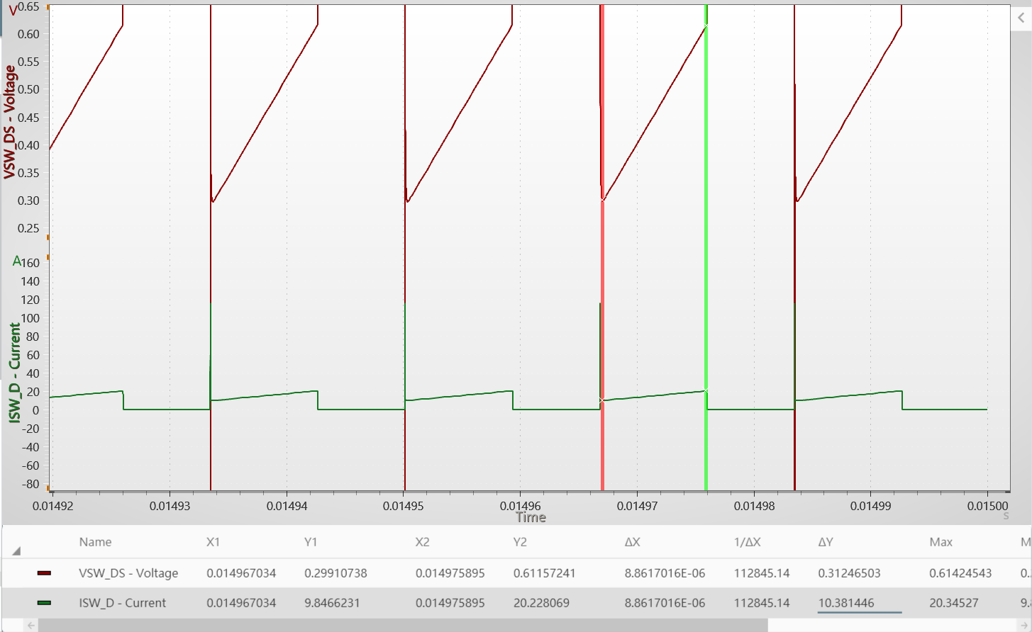
Rds(on)
29m

 | 0.030098411146

Output
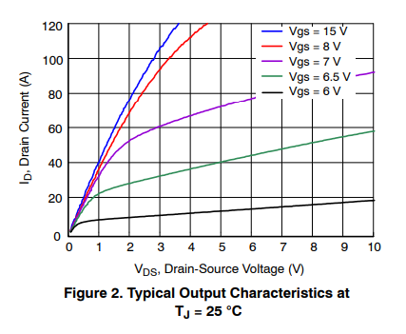
Vds | Ids | Vgs
0 | 0 | 15V
0.098452936387 | 6.3286092625 | 15V
0.28129368241 | 13.387433242 | 15V
0.43600653563 | 19.229212266 | 15V
0.53445829166 | 24.097371665 | 15V
0.67510542796 | 29.939140475 | 15V
0.84388222758 | 36.754569763 | 15V
0.99859390045 | 41.866123855 | 15V
1.1251753198 | 47.22110328 | 15V
1.2658230463 | 52.576072491 | 15V
1.4486637923 | 58.90467154 | 15V
1.6736987382 | 67.423935169 | 15V
1.9268639377 | 75.699798999 | 15V
2.2222221566 | 84.219067735 | 15V
2.4753873561 | 91.764706633 | 15V
2.7707455751 | 99.553755545 | 15V
2.9395211943 | 104.90871965 | 15V
3.1082991743 | 107.82960405 | 15V
3.3333329399 | 114.64502824 | 15V
3.6005632661 | 120 | 15V

Transfer
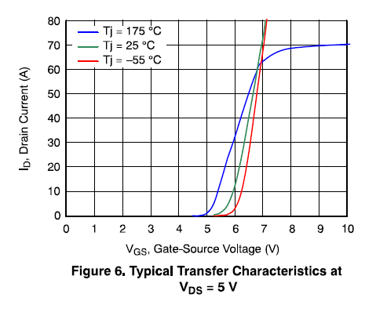
Vgs | Ids | Vds
0 | 0 | 5V
5.2781744649 | 0.4938421369 | 5V
5.5064196271 | 1.4814918744 | 5V
5.7203990178 | 3.9506265789 | 5V
5.8487873705 | 7.4074110209 | 5V
5.9629099516 | 10.864209277 | 5V
6.0770325327 | 15.144043226 | 5V
6.1626247679 | 19.917705497 | 5V
6.248217003 | 24.362146583 | 5V
6.3195434666 | 29.135808854 | 5V
6.3908699301 | 33.580256848 | 5V
6.4907267397 | 40.164611455 | 5V
6.5763189748 | 45.761323233 | 5V
6.6476454384 | 50.041157181 | 5V
6.7332376735 | 54.97942659 | 5V
6.7902995626 | 60.082306591 | 5V
6.8758917978 | 66.008225738 | 5V
6.9472182613 | 70.123452548 | 5V
7.0328104965 | 74.897119999 | 5V
7.075606614 | 80 | 5V

body diode
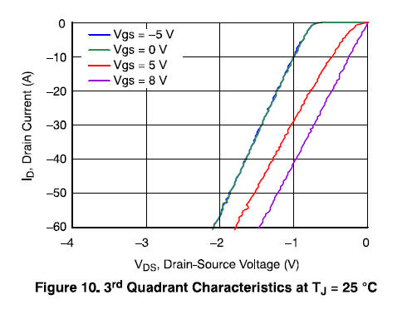
Vsd | Isd | Tj
0 | 0 | 25
0.12021946636 | 1.00E-09 | 25
0.59016482907 | 2.00E-09 | 25
0.69945408569 | 0.47337479386 | 25
0.76502800654 | 1.4201181742 | 25
0.81967263485 | 3.0769225039 | 25
0.86338842922 | 5.0887573083 | 25
0.92896235007 | 7.3372819925 | 25
0.97267814444 | 9.2307687533 | 25
1.0273232314 | 11.360946635 | 25
1.0983613399 | 14.792899614 | 25
1.1530059682 | 17.159763652 | 25
1.2131152428 | 19.644969525 | 25
1.2404375569 | 21.775147407 | 25
1.3060114778 | 24.3786976 | 25
1.3497272721 | 26.390531163 | 25
1.4207653807 | 29.822489108 | 25
1.4754104676 | 32.544376171 | 25
1.5628420563 | 35.97632915 | 25
1.6393448111 | 39.644970767 | 25
1.6939894394 | 42.485204632 | 25
1.7704921942 | 45.562127136 | 25
1.8633884292 | 49.704141064 | 25
1.9071042236 | 52.544379896 | 25
1.9617488519 | 54.91124145 | 25
2.0218581265 | 57.869822118 | 25
2.0765032134 | 60 | 25

Ciss
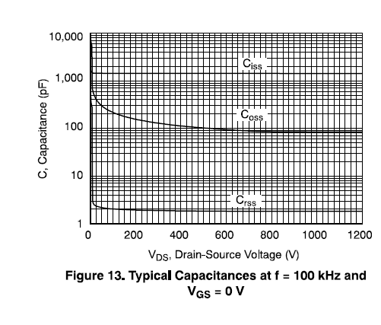
Vds_V | Ciss_pF
1.8462100996 | 2013.559618
16.61542609 | 1485.2717996
64.615494262 | 1485.2717996
142.15399442 | 1485.2717996
203.07691354 | 1485.2717996
275.07693833 | 1485.2717996
350.76922839 | 1485.2717996
424.61546327 | 1485.2717996
502.15396343 | 1485.2717996
581.53851875 | 1485.2717996
662.76928416 | 1485.2717996
751.38473504 | 1485.2717996
847.38471645 | 1455.4438771
917.53853114 | 1455.4438771
1004.3077719 | 1485.2717996
1076.3077967 | 1485.2717996
1109.538494 | 1485.2717996
1139.0769259 | 1485.2717996
1176.0000434 | 1485.2717996
1200 | 1485.2717996

Coss
Vds_V | Coss_pF
1.8462100996 | 6664.8215904
7.3846854631 | 4916.2038026
7.3846854631 | 3482.1717845
9.2308955627 | 2274.1969028
9.2308955627 | 1546.7753731
9.2308955627 | 1073.5861641
9.2308955627 | 730.1903531
22.154056389 | 457.92339707
48.000068172 | 311.45237666
99.692401607 | 220.60346662
166.15395103 | 172.93598657
251.07698171 | 144.07558418
326.7694267 | 127.56361505
398.76929656 | 115.25879876
465.23100092 | 106.27508524
550.15387666 | 97.991680267
618.46163619 | 94.095371396
701.53845677 | 90.353909199
827.0770251 | 92.205625673
965.53844438 | 92.205625673
1087.3849024 | 92.205625673
1200 | 92.205625673

Crss
Vds_V | Crss_pF
1.8462100996 | 397.30020675
9.2308955627 | 287.17707095
9.2308955627 | 191.39839427
7.3846854631 | 120.03144457
9.2308955627 | 73.763495471
9.2308955627 | 38.539232372
9.2308955627 | 18.193302161
9.2308955627 | 8.0814438333
11.076950727 | 3.8932073402
18.46163619 | 2.4415476284
51.692333435 | 2.1617308967
129.23083359 | 1.9932389834
228.92308026 | 1.8755454246
332.30774713 | 1.8755454246
433.8462039 | 1.8378798447
520.61559962 | 1.8009691495
609.23089556 | 1.8009691495
710.76935233 | 1.8009691495
827.0770251 | 1.8009691495
969.23086458 | 1.8009691495
1096.615643 | 1.8009691495
1200 | 1.8009691495

