Rds(on)
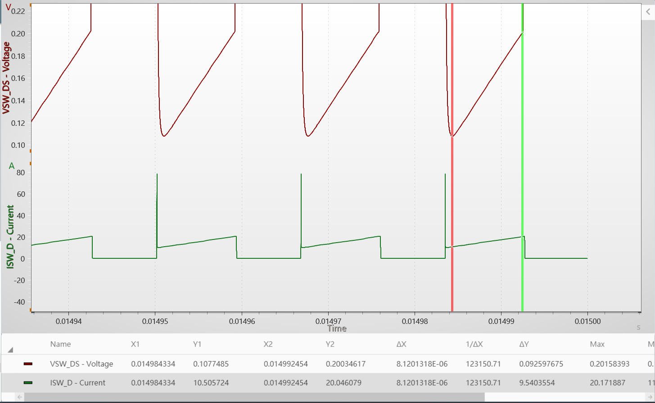
Rds(on)
8.6m

 | 0.0097058936609

Output
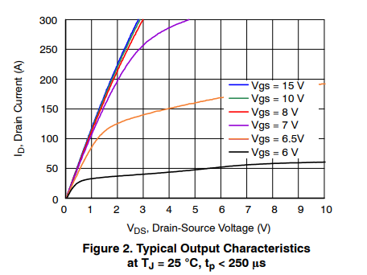
Vds | Ids | Vgs
0 | 0 | 15V
0.10929005917 | 16.071443402 | 15V
0.2732248613 | 33.333349291 | 15V
0.35519168912 | 43.452355368 | 15V
0.47814279071 | 60.119054991 | 15V
0.61475493474 | 75.595217194 | 15V
0.77868859037 | 94.047635526 | 15V
0.88797922279 | 107.14287275 | 15V
1.0109291779 | 120.23810998 | 15V
1.1338797062 | 134.5238097 | 15V
1.270491277 | 149.40476563 | 15V
1.3934423786 | 163.09523411 | 15V
1.5300550959 | 178.57143378 | 15V
1.6803282823 | 194.04762096 | 15V
1.8169398531 | 207.73807694 | 15V
1.9535514239 | 220.83333914 | 15V
2.0765025255 | 234.52379513 | 15V
2.2677594125 | 252.38093226 | 15V
2.4863383843 | 275.00000052 | 15V
2.7868847572 | 300 | 15V

Transfer
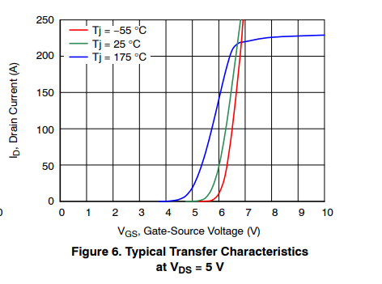
Vgs | Ids | Vds
0 | 0 | 5V
4.8132778325 | 1.00E-09 | 5V
5.0899033088 | 2.00E-09 | 5V
5.338865425 | 2.5050023418 | 5V
5.6154909013 | 10.02003039 | 5V
5.7676347392 | 20.040081803 | 5V
5.905946897 | 35.0701379 | 5V
6.0165968553 | 49.59917671 | 5V
6.0995846143 | 66.132263644 | 5V
6.1825723733 | 82.665308533 | 5V
6.2655601323 | 100.70140528 | 5V
6.3485478912 | 120.2404698 | 5V
6.4177039701 | 138.27655603 | 5V
6.4591978496 | 150.30058199 | 5V
6.5421844478 | 169.33868178 | 5V
6.6113416875 | 189.87975985 | 5V
6.6666660863 | 204.90982645 | 5V
6.7081599658 | 216.43285615 | 5V
6.7773160447 | 234.46893187 | 5V
6.8326416042 | 250 | 5V

body diode
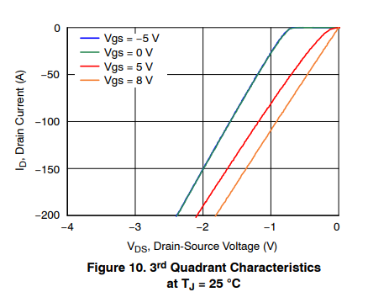
Vsd | Isd | Tj
0 | 0 | 25
0.15182454852 | 1.00E-12 | 25
0.38540145556 | 1.00E-09 | 25
0.56642348501 | 2.00E-09 | 25
0.71240843933 | 1.6949225246 | 25
0.82335778872 | 9.3220338795 | 25
0.92262745964 | 19.491529021 | 25
1.0102189223 | 28.389847827 | 25
1.0978098949 | 39.406777561 | 25
1.1912409517 | 50.000001111 | 25
1.2788319243 | 60.593224662 | 25
1.3722624911 | 72.033905029 | 25
1.4598539538 | 82.627119689 | 25
1.5941606998 | 100.00000667 | 25
1.6759125683 | 110.59323022 | 25
1.798540126 | 126.69491864 | 25
1.8978102869 | 138.98305582 | 25
1.9795616653 | 148.72881366 | 25
2.1430654023 | 169.91526076 | 25
2.3766423093 | 200 | 25

Ciss
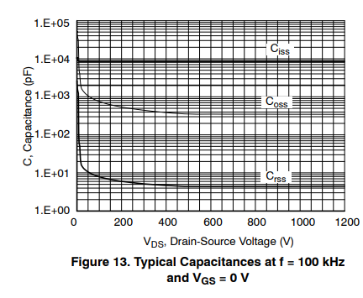
Vds_V | Ciss_pF
1.7191780707 | 11183.635138
12.034390775 | 8858.6698419
49.856813313 | 8858.6698419
97.994232134 | 8858.6698419
144.41268931 | 8858.6698419
201.1462149 | 8858.6698419
285.38687819 | 8858.6698419
347.27801014 | 8858.6698419
397.13467917 | 8858.6698419
471.06027403 | 8858.6698419
539.82826254 | 8858.6698419
629.2263879 | 8858.6698419
720.34390775 | 8858.6698419
799.42696469 | 8858.6698419
880.22927184 | 9067.5434415
966.18918534 | 8858.6698419
1034.9570296 | 8858.6698419
1100.2866619 | 8858.6698419
1144.9860132 | 8858.6698419
1200 | 8858.6698419

Coss
Vds_V | Coss_pF
1.7191780707 | 54555.95413
3.4384282817 | 35863.765834
6.8769287039 | 23575.978732
6.8769287039 | 12565.805496
8.5959624937 | 6697.4724381
13.753568846 | 3177.0526081
18.911175199 | 1774.1400628
49.856813313 | 1087.5198417
99.713482345 | 784.76012182
147.85104545 | 651.27609009
197.70771448 | 566.28681524
244.12602737 | 515.88208715
297.42119682 | 459.1380839
347.27801014 | 438.22851691
397.13467917 | 418.27037258
448.71059841 | 372.26308531
500.28651766 | 372.26308531
572.49286231 | 363.68771497
663.61038216 | 363.68771497
758.16625815 | 363.68771497
881.94852205 | 363.68771497
976.50439804 | 363.68771497
1072.77938 | 372.26308531
1200 | 363.68771497

Crss
Vds_V | Crss_pF
1.7191780707 | 2636.6507969
3.4384282817 | 1616.2260914
6.8769287039 | 1087.5198417
6.8769287039 | 651.27609009
6.8769287039 | 408.63558813
6.8769287039 | 212.78217075
6.8769287039 | 133.50769176
8.5959624937 | 79.952902149
12.034390775 | 53.798393646
13.753568846 | 28.013563467
18.911175199 | 16.389849312
46.418312891 | 11.028326416
85.959913499 | 8.534419948
130.65897618 | 7.2497623626
185.67339584 | 6.3036965575
232.09170873 | 5.8780171777
278.51002163 | 5.3548222757
340.40115357 | 5.1109537884
407.44989187 | 4.7658232385
465.90266768 | 4.5487788542
563.89689981 | 4.4439941877
644.69920696 | 4.4439941877
728.93987025 | 4.5487788542
802.86532083 | 4.5487788542
887.1061284 | 4.5487788542
978.22350397 | 4.5487788542
1069.3410238 | 4.6560342321
1200 | 4.6560342321

