Sheet1
Group :TuringJuniors

First name | Last Name
Sheikh Muhammad Adib | Bin Sh Abu Bakar
Hadi Imran | Bin Md Radzi
Zafirul Izzat Bin | Mohamad Zaidi
Ammar Haziq | Bin Mohd Halim
Leuteu Feukeu | Evrard

Week 41
Project 1 : Traffic Light for one way

Name |  |  | task
Sheikh Muhammad Adib |  |  | Edit the source code
Zafirul Izzat Bin Mohamad Zaidi |  |  | Drew the class diagram
Hadi Imran Bin Md Radzi |  |  | Drew the state diagram
Ammar Haziq Bin Mohd Halim |  |  | Edit the class diagram
Leuteu Feukeu |  |  | Edit the Source code, designed and simulate the circuit

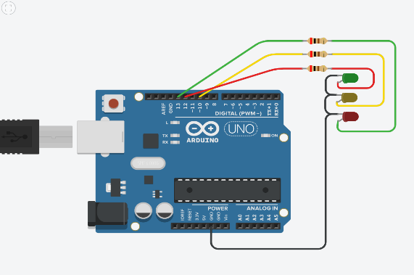
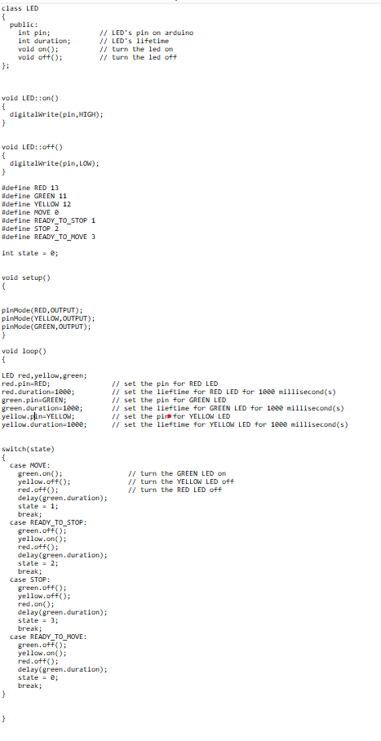
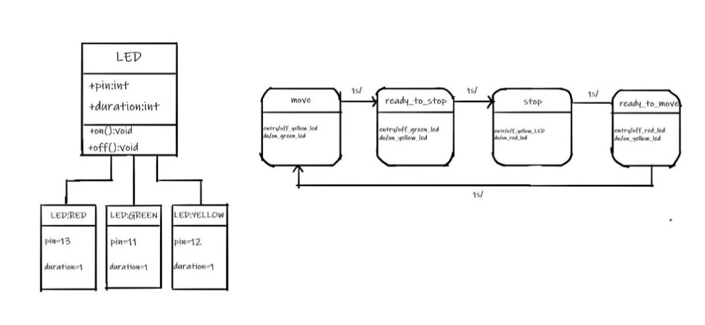

Date : 12/10/2020 : Discussion with Prof. Stefan Henkler regardings on our first project

Week 42

Project 2 : Traffic Light for vehicles and pedestrians

Name |  |  | Task
Hadi Imran Bin Md Radzi |  |  | Drew the class diagram
Zafirul Izzat Bin Mohamad Zaidi |  |  | Drew the state diagram
Sheikh Muhammad Adib |  |  | Source Code
Ammar Haziq Bin Mohd Halim |  |  | Drew the state diagram
Leuteu Feukeu |  |  | Edit source code and designed the circuit

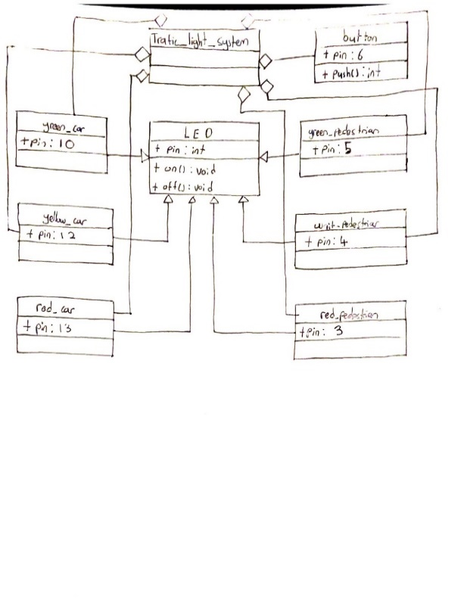
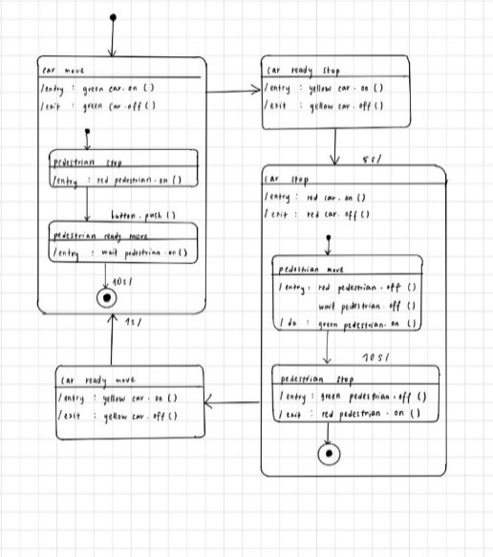

Date : 19/10/2020 : Discussion with Prof. Stefan Henkler regardings on our second project

Week 43
Project 3 : Traffic Light for vehicles, pedestrians, and buses

Name |  |  | Task
Zafirul Izzat Bin Mohamad Zaidi |  |  | Edit the source code
Sheikh Muhammad Adib |  |  | UML State Diagram
Ammar Haziq Bin Mohd Halim |  |  | Class diagram
Hadi Imran Bin Md Radzi |  |  | Edit the source code
Leuteu feukeu |  |  | Schematic diagram
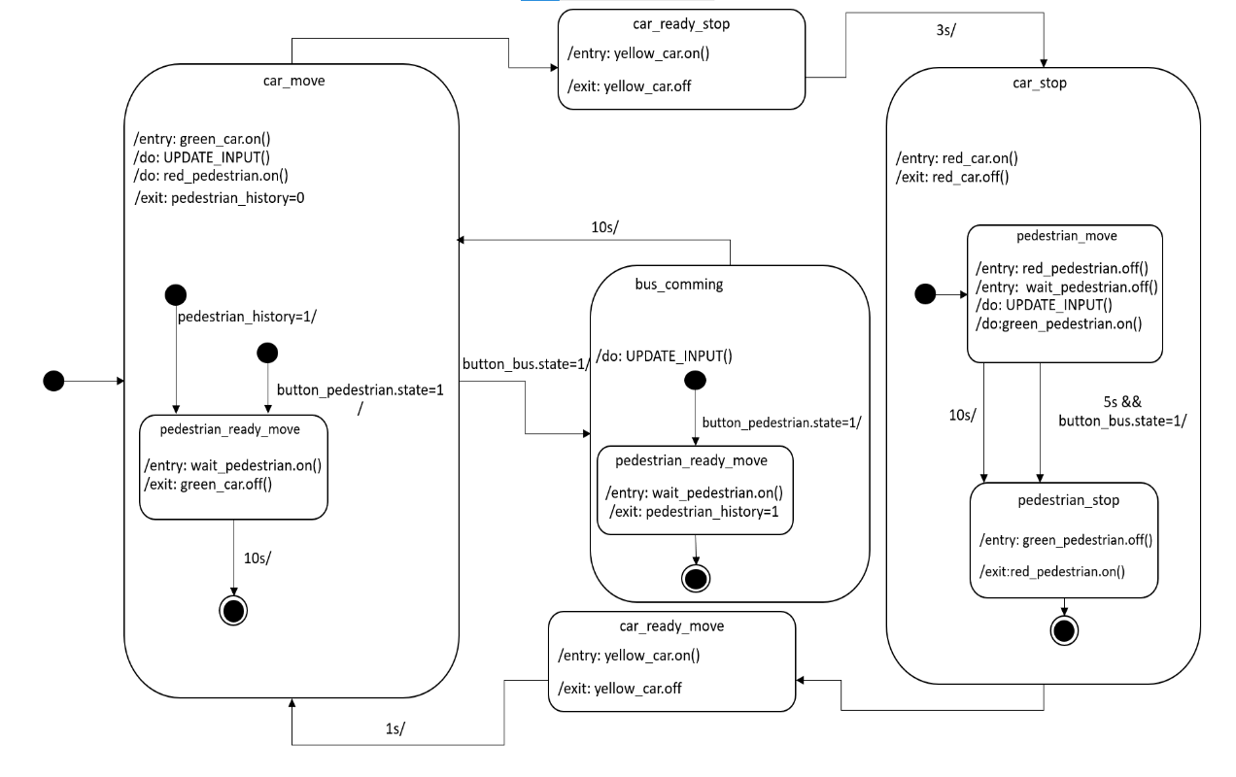
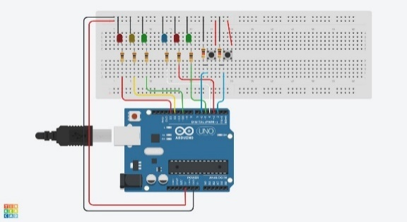
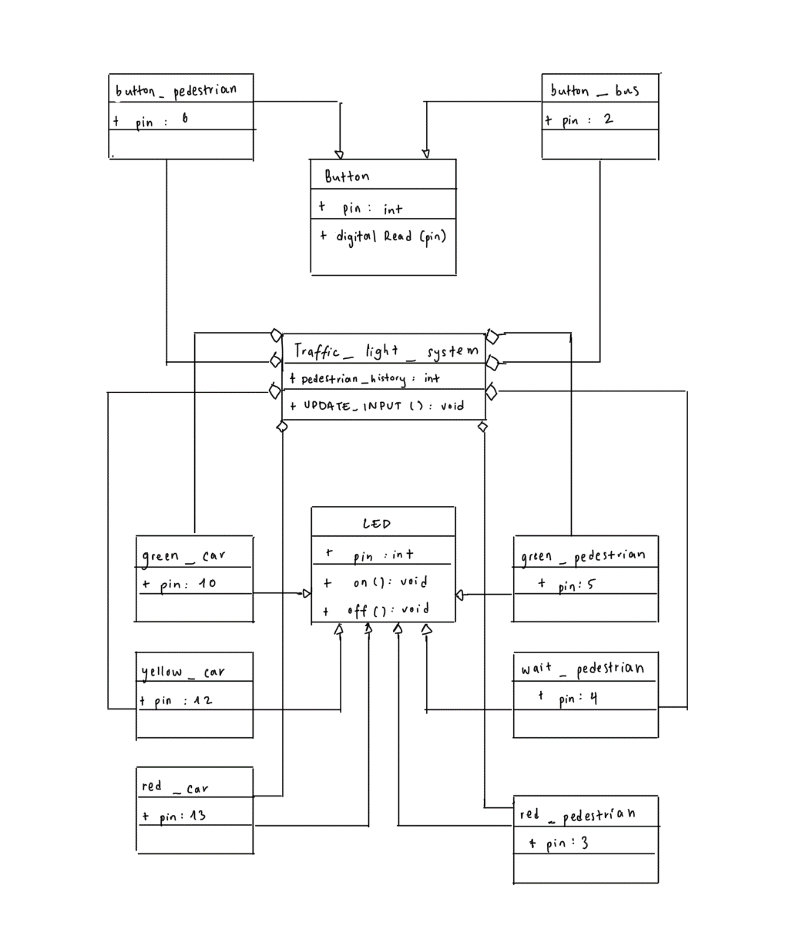

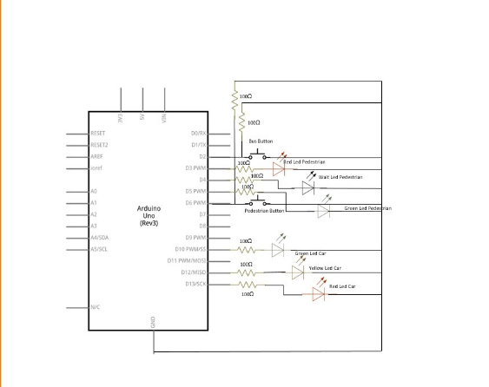

Date : 26/10/2020 : Prof ask to draw a schematic diagram in addition to the project
 |  | Add some more comments and tabs to the source code to make it more readable
 |  | Prepare a slide presentation for next week (max 2 minutes per person)
 |  | Discussion with Prof. Stefan Henkler regardings on our third project

Date: 2/11/2020: |  | Presenting project 03
 |  | Add simulation link to the slide

Date : 7/11/2020 : |  | Source code is updated with the addition of interrupt

Date : 9/11/2020 : Discussion about project 4 and prepare a presentation for the project

Date : 16/11/2020 : Discuss the project 4 presentation with Prof and make some improvement on the presentation slide

Date : 22/11/2020: Update presentation for project 4

Date : 23/11/2020: Discuss the UML diagram for smart home system

Date |  | 2020-11-28
Keeper of the minutes | Hadi Imran | 1h 15min
Members | Sheikh Muhammad Adib
 | Hadi Imran
 | Zafirul Izzat
 | Ammar Haziq
 | Evrard
Attendees | Full
Excused | -
Unexcused | -
Topic ID | Project 05 | Discussion | Todos | Responsible
1 | Identify disadvantages of the current smart home approaches | each part are discussed together. Everybody contribute one disadvantage and new functionalities | make soft copy | Sheikh Muhammad Adib
2 | new functionalities to be considered in a smart home |  | make soft copy
3 | Develop a first prototype of your smart home system |  | make soft copy for architecture | Sheikh Muhammad Adib
 |  |  | make soft copy for prototype | Evrard
4 | Identify pros and cons of smart home |  | make soft copy | Zafirul Izzat

Date |  | 2020-11-29
Keeper of the minutes | Evrard | 1hour
Members | Sheikh Muhammad Adib
 | Hadi Imran
 | Zafirul Izzat
 | Ammar Haziq
 | Evrard
Attendees | Full
Excused | -
Unexcused | -
Topic ID | Project 06 | Discussion | Todos | Responsible
1 | Use Class diagrams to make the environmental entities | each part are discussed together. The diagrams are discussed base on the system architecture | make soft copy | Hadi Imran
2 | Make the interface clear (including an iteration with sequence diagram – scenarios) |  | make soft copy | Ammar Haziq
3 | Specify the scenarios with the help sequence diagrams and use case diagrams |  | make soft copy | Zafirul Izzat

Date |  | 2020-11-30
Keeper of the minutes
Members | Sheikh Muhammad Adib
 | Zafirul Izzat
 | Ammar Haziq

Attendees
Excused | -
Unexcused | -
Topic ID | Lab class | Discussion | Todos | Responsible
 |  | Discuss about pervious topic with proffessor | 1) Specify the class diagram and sequence diagram

Date |  | 2020-12-06
Keeper of the minutes | Sheikh Muhammad Adib | 40 min
Members | Sheikh Muhammad Adib
 | Hadi Imran
 | Zafirul Izzat
 | Ammar Haziq
 | Evrard
Attendees | Full
Excused | -
Unexcused | -
Topic ID | Project 05,Project 06 and Project 07 | Discussion | Todos | Responsible
 |  | some tasks for project 7 are prepared accidently during working on project 06. The task in project 06 folder are moved to project 07 folder. On this discussion, only taks 6 are disscussed mainly on class, use case and sequence diagram for 5 smart device in smart home system. The sketch for smart home architecture on project 5 folder is also updated | make soft copy of class, use case and sequence diagram for smart heater and update the sketch of smart home architecture | Sheikh Muhammad Adib
 |  |  | make soft copy of class, use case and sequence diagram for smart lamp | Hadi Imran
 |  |  | make soft copy of class, use case and sequence diagram for smart lamp | Zafirul Izzat
 |  |  | make soft copy of class, use case and sequence diagram for smart Alarm | Ammar Haziq
 |  |  | make soft copy of class and sequential diagram of smart lock | Evrard Leuteu
Date |  | 2020-12-07
Keeper of the minutes
Members | Sheikh Muhammad Adib
 | Zafirul Izzat
 | Ammar Haziq
 | Evrard leuteu

Attendees
Excused | -
Unexcused | -
Topic ID | Lab class | Discussion | Todos | Responsible
 |  | Discuss about pervious topic with proffessor | 1) improvement on architecture-add intermidiate layer between user and controller 2) specify controller for all class diagram 3)make atleast 1 sequence diagram and state diagram for relation between smart devices

Date |  | 2020-12-13
Keeper of the minutes | Sheikh Muhammad Adib | 1 hr 14 min
Members | Sheikh Muhammad Adib
 | Zafirul Izzat
 | Ammar Haziq
 | Evrard leuteu

Attendees
Excused | -
Unexcused | -
Topic ID | Class diagarm, state machine and project 08 | Discussion | Todos | Responsible
 |  | 2 scenario and its class diagram and state diagram are disscussed. One of the scenario is choosen to be implemented using c++. | add intermidiate layer between user and controller on the architecture. Specify controller in smart heater class diagram. Wrire header file (controlHub) and main source code. Make a soft copy for state diagram. | Sheikh Muhammad Adib
 |  |  | Make a sequence diagram based on scenario example | Hadi Imran
 |  |  | Make a class diagram based on scenario example | Zafirul Izzat
 |  |  | Code header files for 1. smartDoor 2. application 3. smartAlarm 4. smartHeater 5. smartLamp. | Ammar Haziq
 |  |  | Made sequential and class diagram for senario one | Evrard leuteu

Date |  | 2020-12-14
Keeper of the minutes
Members | Sheikh Muhammad Adib
 | Zafirul Izzat
 | Ammar Haziq

Attendees
Excused | -
Unexcused | -
Topic ID | Lab class | Discussion | Todos | Responsible

Date |  | 2020-12-20
Keeper of the minutes | Sheikh Muhammad Adib | 46 min
Members | Sheikh Muhammad Adib
 | Hadi Imran
 | Zafirul Izzat
 | Ammar Haziq
 | Evrard
Attendees | Full
Excused | -
Unexcused | -
Topic ID | Project 08 update | Discussion | Todos | Responsible
 |  | adding smart windows to the smart home system | update the state diagram and main source code | Sheikh Muhammad Adib
 |  |  | update the sequence diagram for the scenario | Hadi Imran bin Md Radzi
 |  |  | update the class diagram | Zafirul Izzat Bin Mohamad Zaidi
 |  |  | Update sequence diagram smart window | Evrard Leuteu

Date |  | 2021-01-03
Keeper of the minutes | Sheikh Muhammad Adib | 40 min
Members | Sheikh Muhammad Adib
 | Hadi Imran
 | Zafirul Izzat
 | Ammar Haziq
 | Evrard
Attendees | Full
Excused | -
Unexcused | -
Topic ID | Smart Home | Discussion | Todos | Responsible
 |  | improvement on smart home system | create header and source code for smart heater, application and controlhub. create test code for smart heater | Sheikh Muhammad Adib
 |  |  | Create header and source code for smart lamp | Hadi Imran Bin Md Radzi
 |  |  | create header and source code for smart window, application and controlhub. create test code for smart window | Zafirul Izzat Bin Mohamad Zaidi
 |  |  | Create header and source code for smart door | Evrard leuteu

Date |  | 2021-01-09
Keeper of the minutes | Sheikh Muhammad Adib | 20 min
Members | Sheikh Muhammad Adib
 | Hadi Imran
 | Zafirul Izzat
 | Ammar Haziq
 | Evrard
Attendees | Full
Excused | -
Unexcused | -
Topic ID | Smart Home | Discussion | Todos | Responsible
 |  | disscuss about which protocol and micro controller should be used | update header and source code for smart heater, application and controlhub. update test code for smart heater | Sheikh Muhammad Adib
 |  |  | update header and source code for smart lamp, create test code for smart lamp | Hadi Imran Bin Md Radzi
 |  |  | update header and source code for smart window, create test code for smart window | Zafirul Izzat Bin Mohamad Zaidi
 |  |  | update header and source code for smart Door | Evrard leuteu

