Sheet1
Group :TuringJuniors
First name |  | Last Name
Sheikh Muhammad Adib |  | Bin Sh Abu Bakar
Hadi Imran |  | Bin Md Radzi
Zafirul Izzat Bin |  | Mohamad Zaidi
Ammar Haziq |  | Bin Mohd Halim
Leuteu Feukeu |  | Evrard

Week 41
Project 1 : Traffic Light for one way

Name |  | task
Sheikh Muhammad Adib |  | Edit the source code
Zafirul Izzat Bin Mohamad Zaidi |  | Drew the class diagram
Hadi Imran Bin Md Radzi |  | Drew the state diagram
Ammar Haziq Bin Mohd Halim |  | Edit the class diagram
Leuteu Feukeu |  | Edit the Source code, designed and simulate the circuit

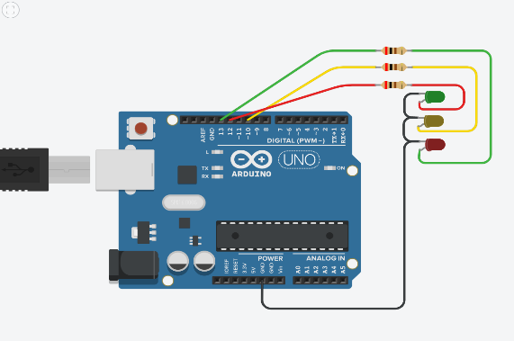
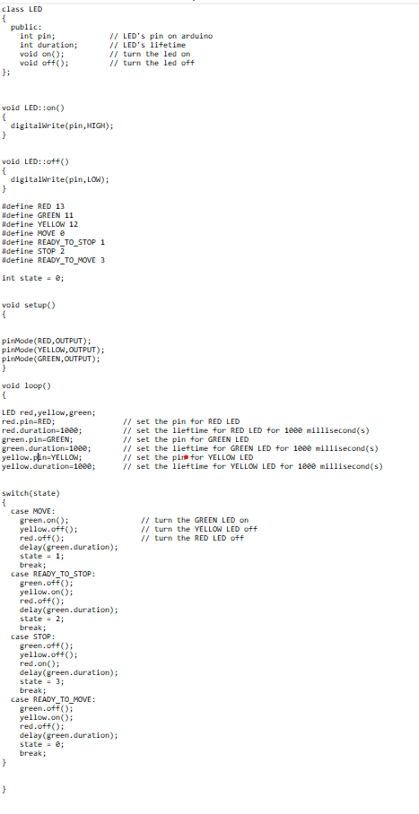
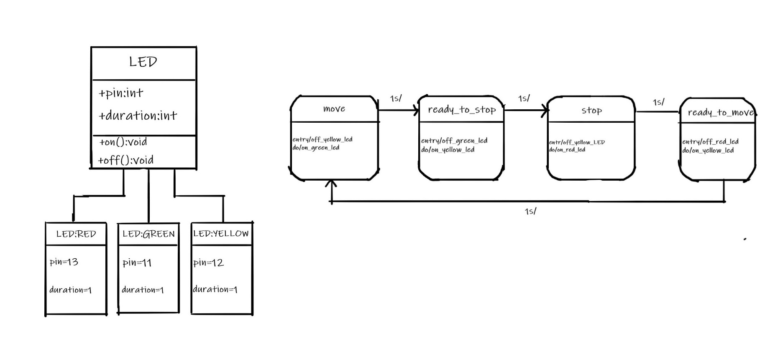

Date : 12/10/2020 : Discussion with Prof. Stefan Henkler regardings on our first project

Week 42
Project 2 : Traffic Light for vehicles and pedestrians

Name |  | Task
Hadi Imran Bin Md Radzi |  | Drew the class diagram
Zafirul Izzat Bin Mohamad Zaidi |  | Drew the state diagram
Sheikh Muhammad Adib |  | Source Code
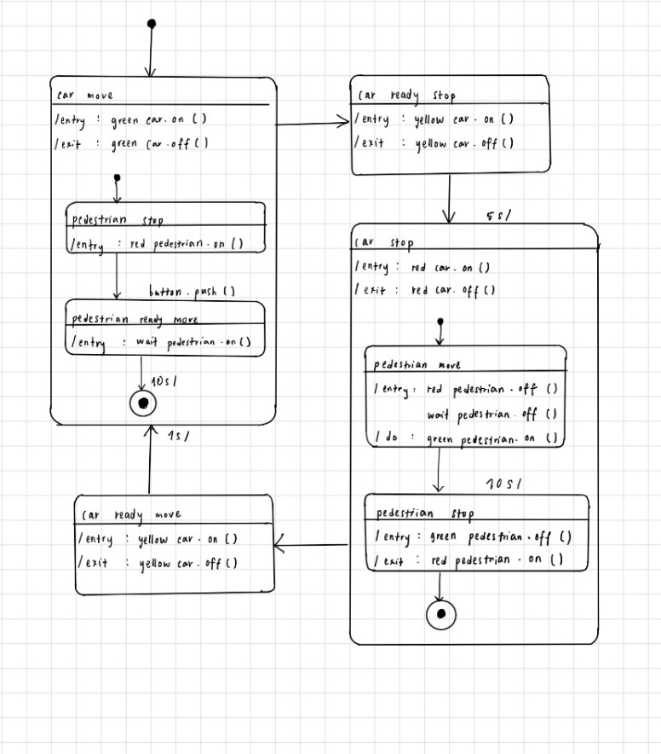
Ammar Haziq Bin Mohd Halim |  | Drew the state diagram
Leuteu Feukeu |  | Edit source code and designed the circuit

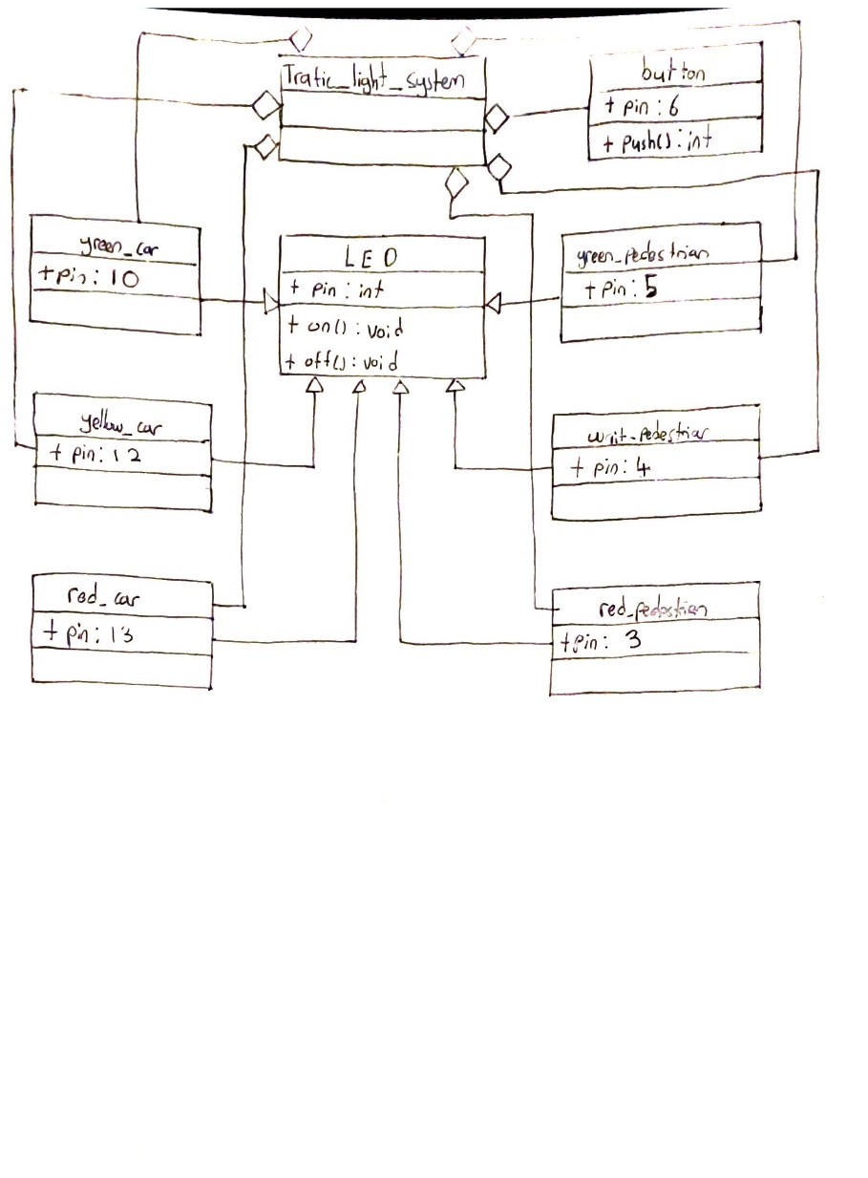

Date : 19/10/2020 : Discussion with Prof. Stefan Henkler regardings on our second project

Week 43
Project 3 : Traffic Light for vehicles, pedestrians, and buses

Name |  | Task
Zafirul Izzat Bin Mohamad Zaidi |  | Edit the source code
Sheikh Muhammad Adib |  | UML State Diagram
Ammar Haziq Bin Mohd Halim |  | Class diagram
Hadi Imran Bin Md Radzi |  | Edit the source code
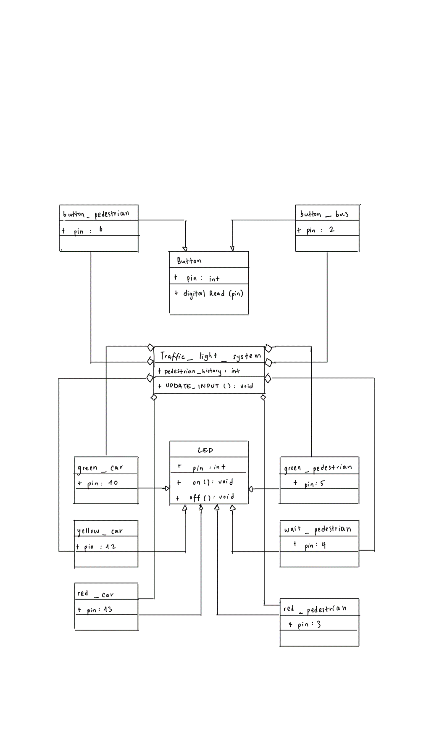
Leuteu feukeu |  | Schematic diagram
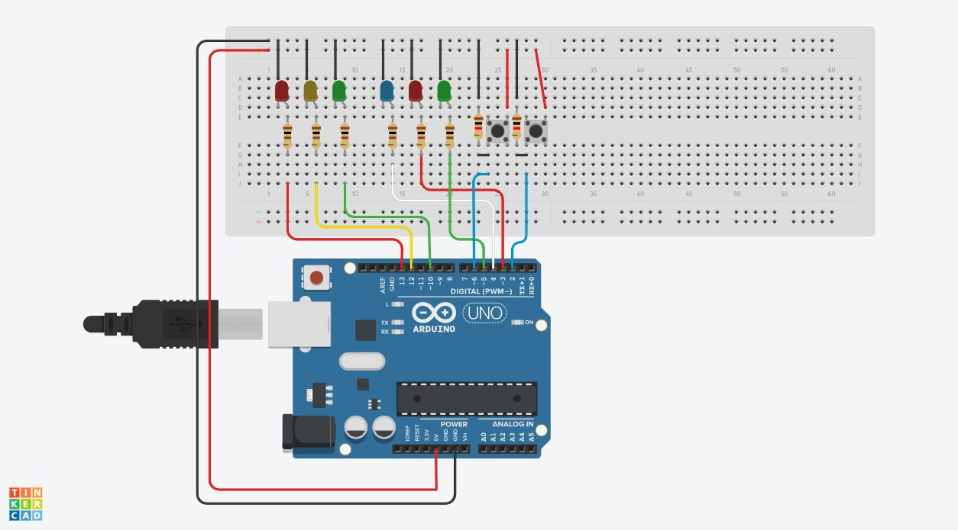
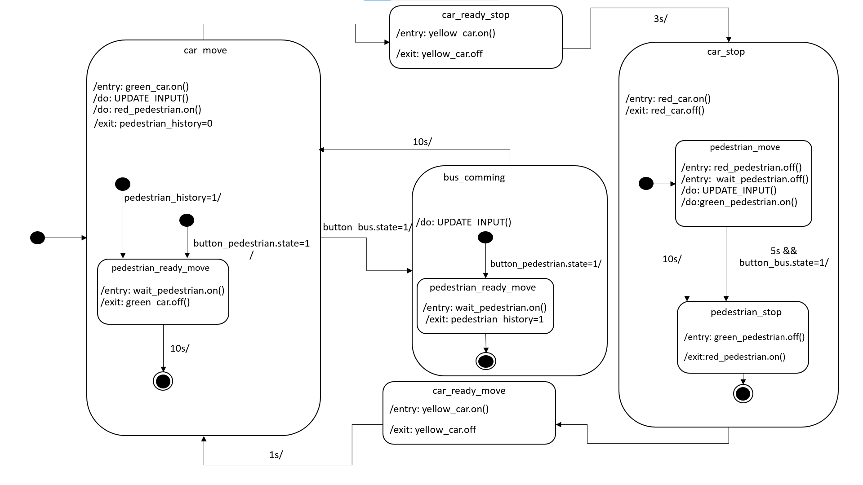

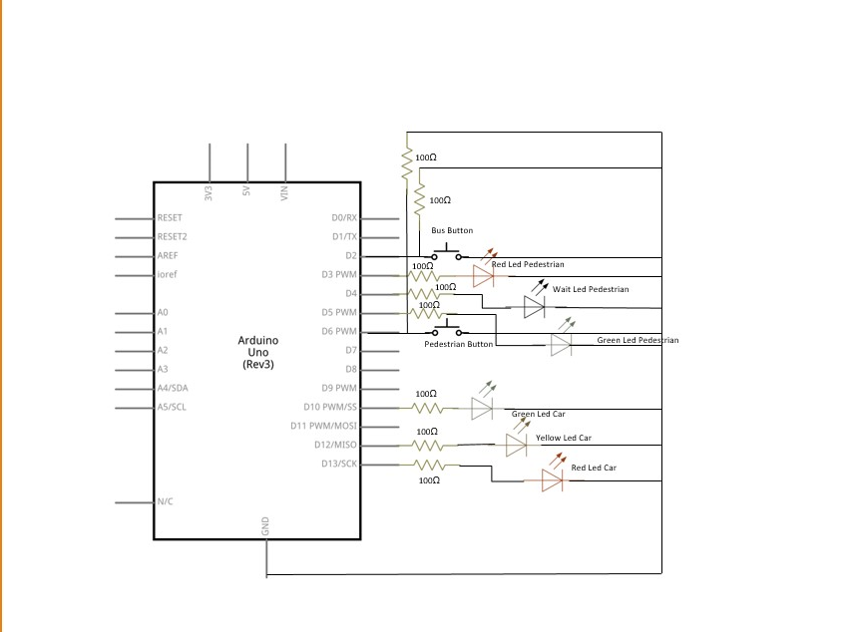

Date : 26/10/2020 : Prof ask to draw a schematic diagram in addition to the project
 | Add some more comments and tabs to the source code to make it more readable
 | Prepare a slide presentation for next week (max 2 minutes per person)
 | Discussion with Prof. Stefan Henkler regardings on our third project

Date: 2/11/2020: | Presenting project 03
 | Add simulation link to the slide

Date : 7/11/2020 : | Source code is updated with the addition of interrupt

Date : 9/11/2020 : Discussion about project 4 and prepare a presentation for the project

Date : 16/11/2020 : Discuss the project 4 presentation with Prof and make some improvement on the presentation slide

Date : 22/11/2020: Update presentation for project 4

Date : 23/11/2020: Discuss the UML diagram for smart home system

