Sheet1
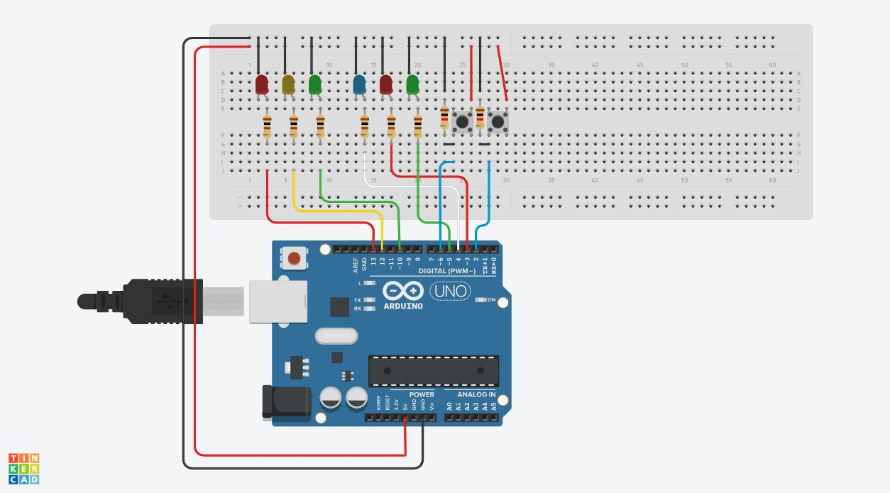
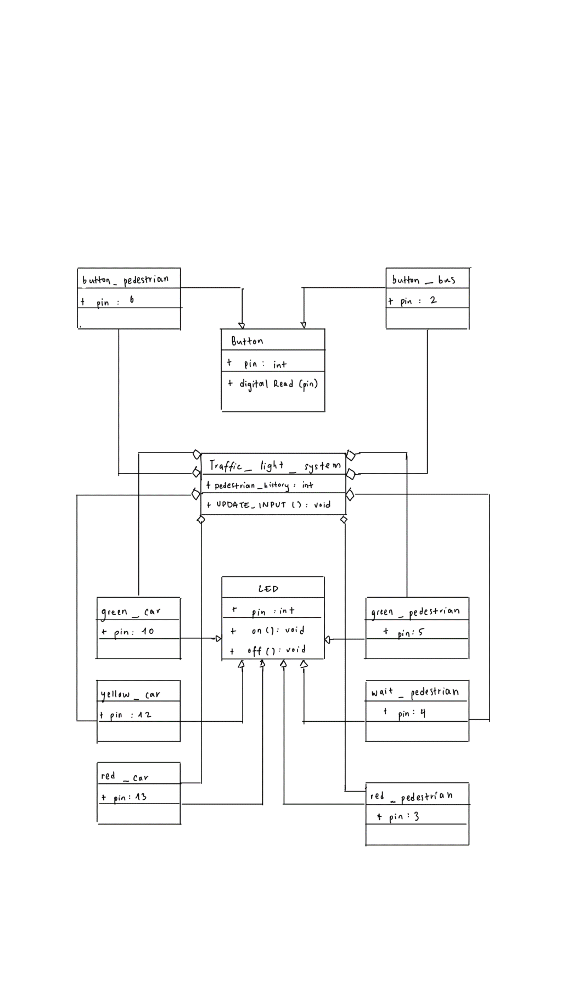
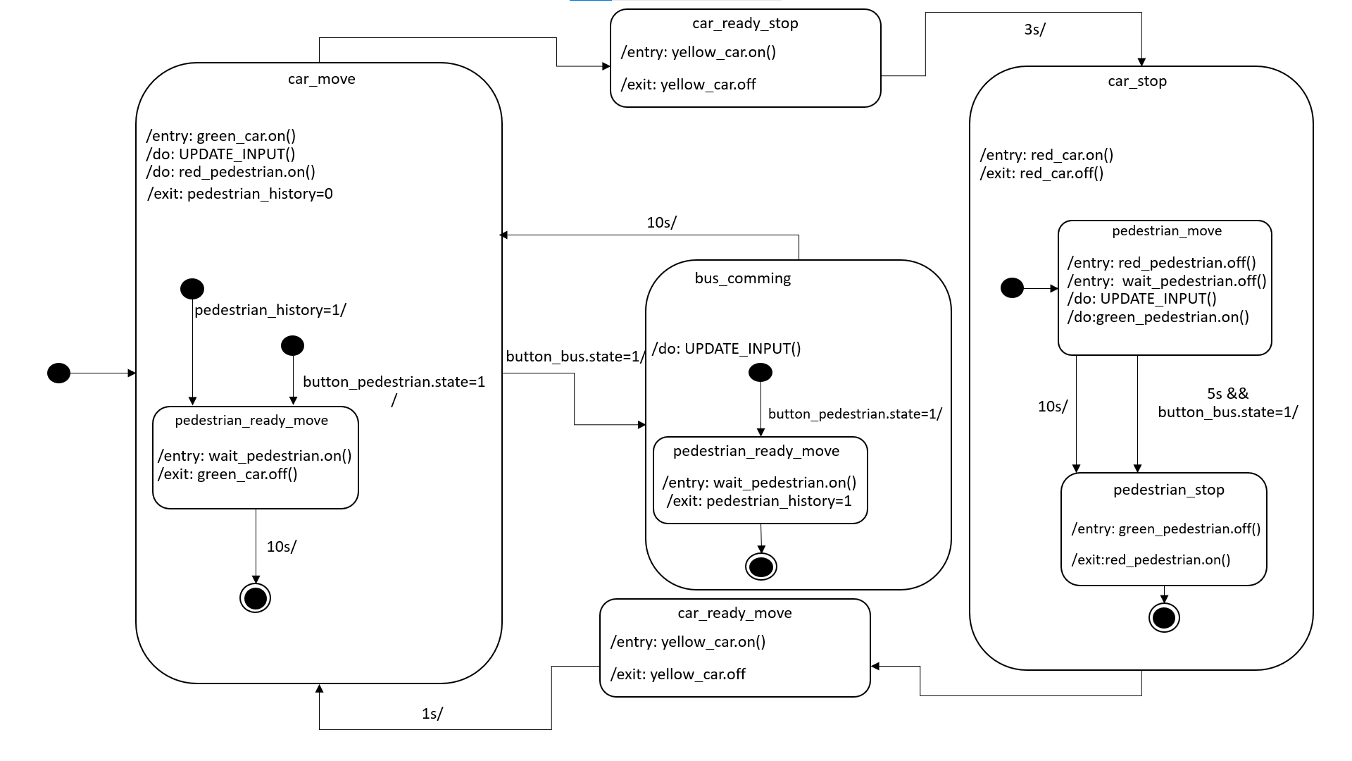
Group :TuringJuniors
First name | Last Name
Sheikh Muhammad Adib | Bin Sh Abu Bakar
Hadi Imran | Bin Md Radzi
Zafirul Izzat Bin | Mohamad Zaidi
Ammar Haziq | Bin Mohd Halim

Week 41
Project 1 : Traffic Light for one way

Name | task
Sheikh Muhammad Adib | Edit the source code
Zafirul Izzat Bin Mohamad Zaidi | Drew the class diagram
Hadi Imran Bin Md Radzi | Drew the state diagram
Ammar Haziq Bin Mohd Halim | Edit the class diagram

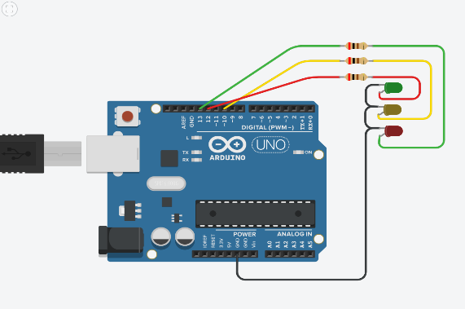
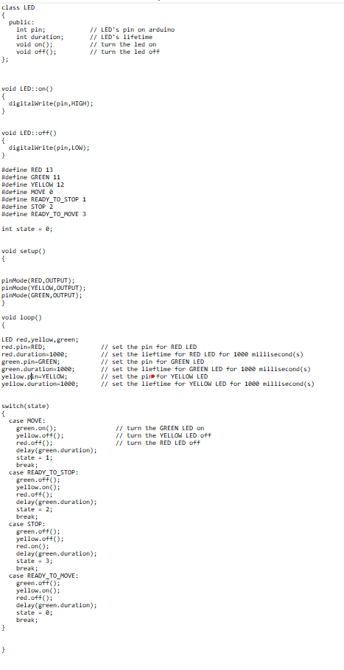
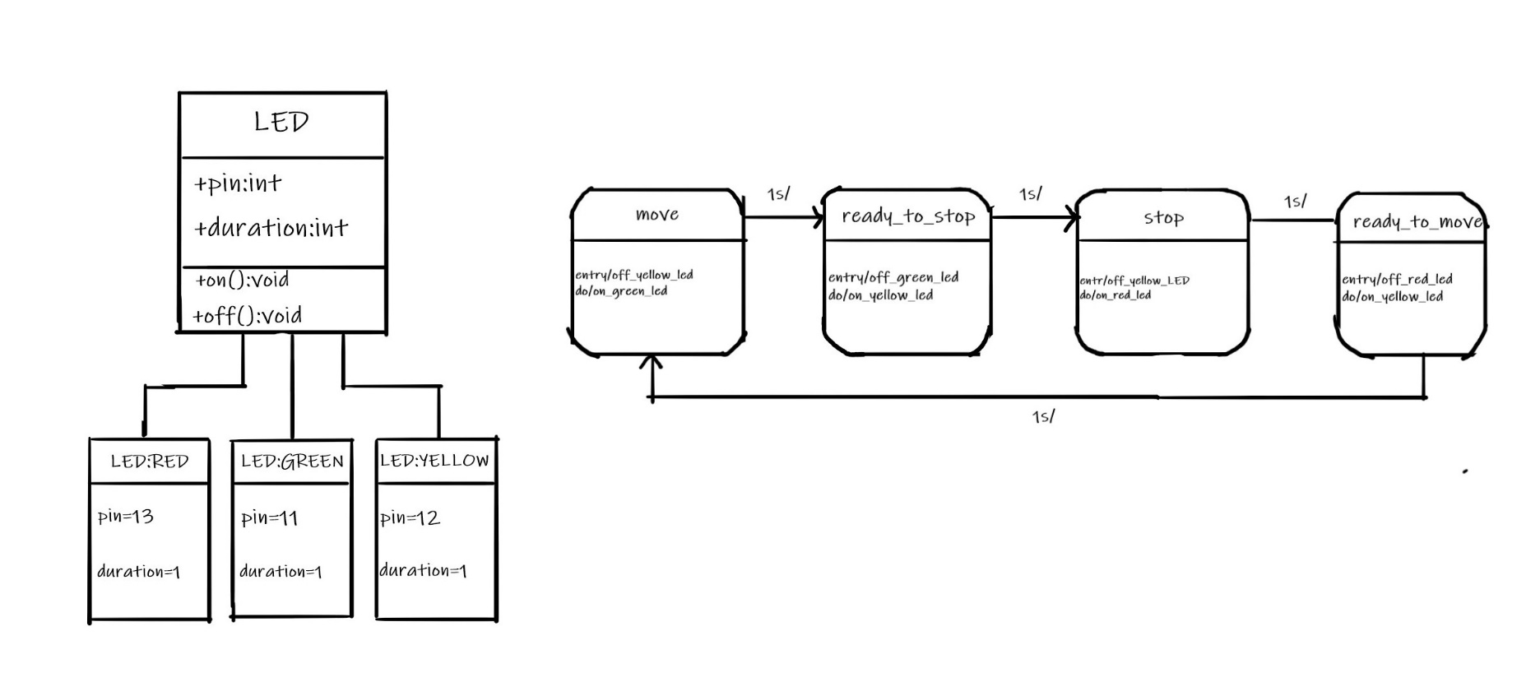

Date : 12/10/2020 : Discussion with Prof. Stefan Henkler regardings on our first project

Week 42
Project 2 : Traffic Light for vehicles and pedestrians

Name | Task
Hadi Imran Bin Md Radzi | Drew the class diagram
Zafirul Izzat Bin Mohamad Zaidi | Drew the state diagram
Sheikh Muhammad Adib | Source Code
Ammar Haziq Bin Mohd Halim | Drew the state diagram
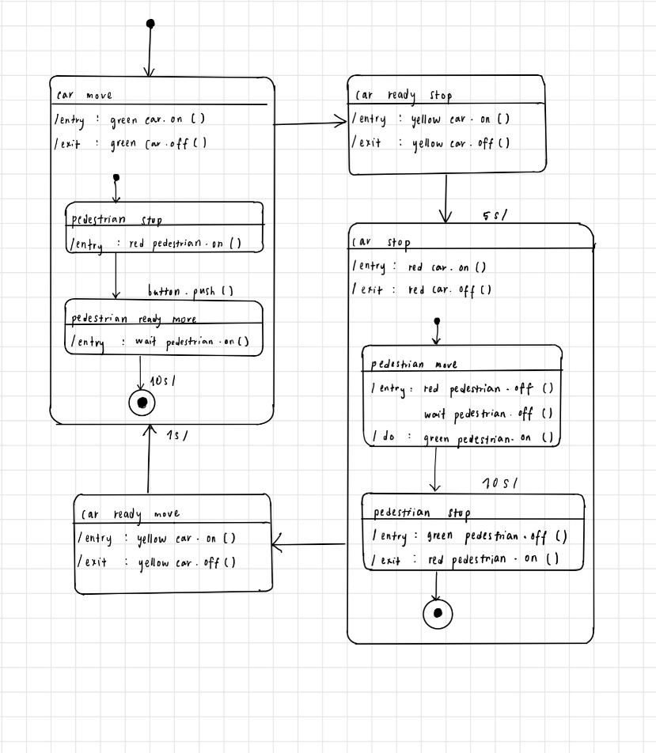

Week 43
Project 3 : Traffic Light for vehicles, pedestrians, and buses

Name | Task
Zafirul Izzat Bin Mohamad Zaidi | Edit the source code for the state diagram
Sheikh Muhammad Adib | UML State Diagram
Ammar Haziq Bin Mohd Halim | Class diagram

