DBC
...
 |  |  |  |  |  | CANedge intro (3 min)
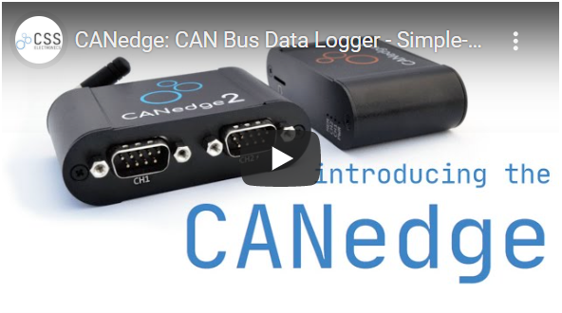
...
Signal mask (BIN) |  |  |  |  |  |  |  | (HEX) | Data (HEX) | MSB (big-endian)
7 | 6 | 5 | 4 | 3 | 2 | 1 | 0 |  |  | 7 | 6 | 5 | 4 | 3
#REF! | #REF! | #REF! | #REF! | #REF! | #REF! | #REF! | #REF! | #NAME? | #NAME? | #REF! | #REF! | #REF! | #REF! | #REF!
#REF! | #REF! | #REF! | #REF! | #REF! | #REF! | #REF! | #REF! | #NAME? | #NAME? | #REF! | #REF! | #REF! | #REF! | #REF!
#REF! | #REF! | #REF! | #REF! | #REF! | #REF! | #REF! | #REF! | #NAME? | #NAME? | #REF! | #REF! | #REF! | #REF! | #REF!
#REF! | #REF! | #REF! | #REF! | #REF! | #REF! | #REF! | #REF! | #NAME? | #NAME? | #REF! | #REF! | #REF! | #REF! | #REF!
#REF! | #REF! | #REF! | #REF! | #REF! | #REF! | #REF! | #REF! | #NAME? | #NAME? | #REF! | #REF! | #REF! | #REF! | #REF!
#REF! | #REF! | #REF! | #REF! | #REF! | #REF! | #REF! | #REF! | #NAME? | #NAME? | #REF! | #REF! | #REF! | #REF! | #REF!
#REF! | #REF! | #REF! | #REF! | #REF! | #REF! | #REF! | #REF! | #NAME? | #NAME? | #REF! | #REF! | #REF! | #REF! | #REF!
#REF! | #REF! | #REF! | #REF! | #REF! | #REF! | #REF! | #REF! | #NAME? | #NAME? | #REF! | #REF! | #REF! | #REF! | #REF!
...

