FgControllerAreaNetwork
SOCKETCAN
FRAME | STATE |  | SCREENSHOT

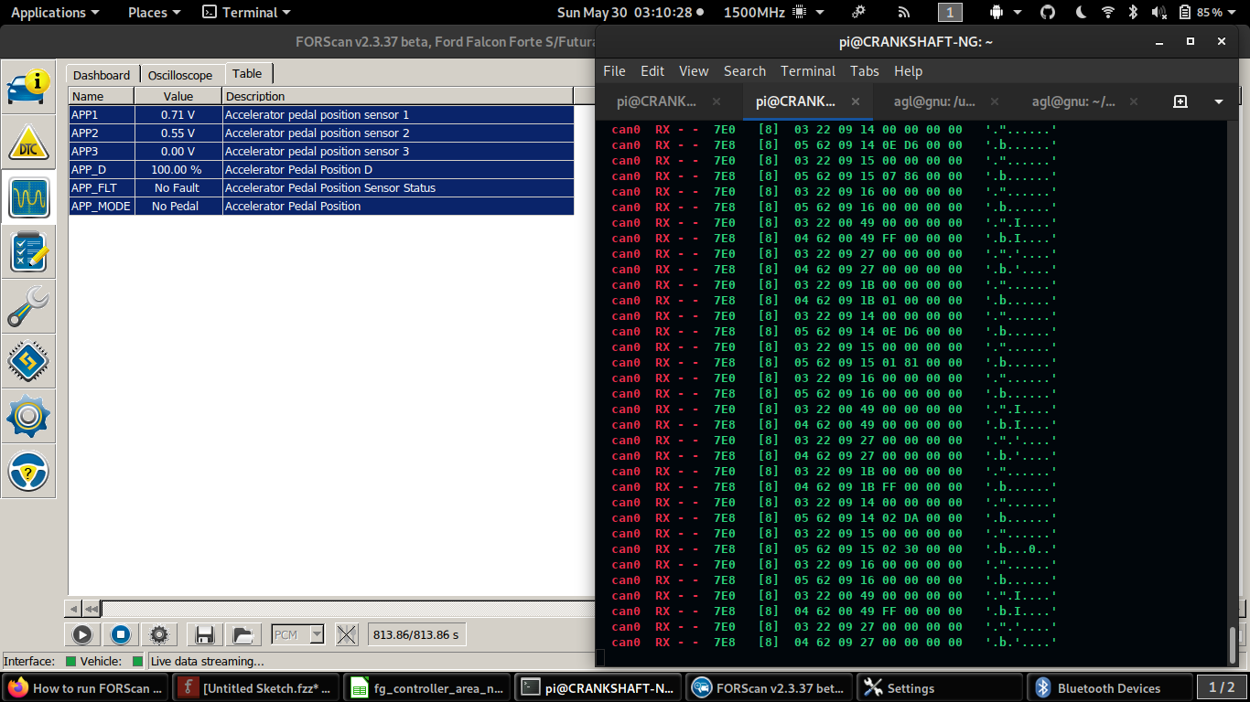
...
12D 81 00 00 00 00 00 00 00 | Pedal | 0.00%
207 00 00 00 00 00 00 00 00 | Manifold | 0.00%
...
12D 81 C8 C8 00 00 00 00 00 | Pedal | 100.00%
207 00 00 00 00 00 00 C8 00 | Manifold | 100.00%
...
can0 RX - - 7E0 [8] 03 22 09 27 00 00 00 00 '.".'....'
can0 RX - - 7E8 [8] 04 62 09 27 00 00 00 00 '.b.'....'
can0 RX - - 7E0 [8] 03 22 09 1B 00 00 00 00 '."......'
can0 RX - - 7E8 [8] 04 62 09 1B FF 00 00 00 '.b......'
can0 RX - - 7E0 [8] 03 22 09 14 00 00 00 00 '."......'
can0 RX - - 7E8 [8] 05 62 09 14 02 DA 00 00 '.b......'
can0 RX - - 7E0 [8] 03 22 09 15 00 00 00 00 '."......'
can0 RX - - 7E8 [8] 05 62 09 15 01 7C 00 00 '.b...|..'
can0 RX - - 7E0 [8] 03 22 09 16 00 00 00 00 '."......'
can0 RX - - 7E8 [8] 05 62 09 16 00 00 00 00 '.b......'
can0 RX - - 7E0 [8] 03 22 00 49 00 00 00 00 '.".I....'
can0 RX - - 7E8 [8] 04 62 00 49 00 00 00 00 '.b.I....'
...

