Forscan_Socketcan_Compare
 | Forscan: | Label: | State: | Description: |  | Socketcan: | State: |  | Screenshot:

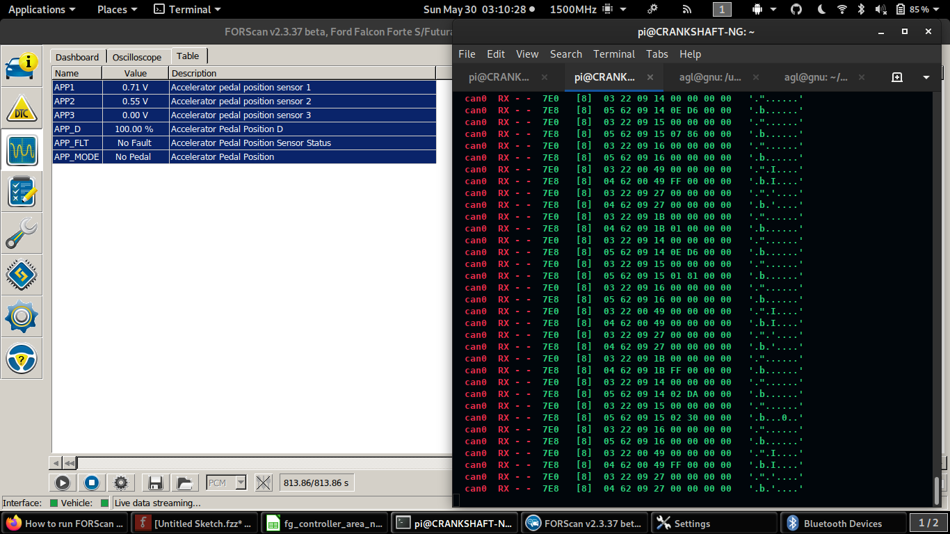
 | Assembly:

Powertrain Control Module | AcceleratorPedal | APP1 | 0.71 V | Accelerator pedal position sensor 1 |  | 12D 81 00 00 00 00 00 00 00 | Pedal | 0.00%
 |  | APP2 | 0.37 V | Accelerator pedal position sensor 2 |  | 207 00 00 00 00 00 00 00 00 | Manifold | 0.00%
 |  | APP3 | 0.00 V | Accelerator pedal position sensor 3
 |  | APP_D | 0.00 % | Accelerator Pedal Position D
 |  | APP_FLT | No Fault | Accelerator Pedal Position Sensor Status
 |  | APP_MODE | No Pedal | Accelerator Pedal Position

 | AcceleratorPedal | APP1 | 3.71 V | Accelerator pedal position sensor 1 |  | 12D 81 C8 C8 00 00 00 00 00 | Pedal | 100.00%
 |  | APP2 | 1.88 V | Accelerator pedal position sensor 2 |  | 207 00 00 00 00 00 00 C8 00 | Manifold | 100.00%
 |  | APP3 | 0.00 V | Accelerator pedal position sensor 3
 |  | APP_D | 100.00 % | Accelerator Pedal Position D
 |  | APP_FLT | No Fault | Accelerator Pedal Position Sensor Status
 |  | APP_MODE | Full Pedal | Accelerator Pedal Position

 |  |  |  |  | Diagnostic Signals: | can0 RX - - 7E0 [8] 03 22 09 27 00 00 00 00 '.".'....'
 |  |  |  |  |  | can0 RX - - 7E8 [8] 04 62 09 27 00 00 00 00 '.b.'....'
 |  |  |  |  |  | can0 RX - - 7E0 [8] 03 22 09 1B 00 00 00 00 '."......'
 |  |  |  |  |  | can0 RX - - 7E8 [8] 04 62 09 1B FF 00 00 00 '.b......'
 |  |  |  |  |  | can0 RX - - 7E0 [8] 03 22 09 14 00 00 00 00 '."......'
 |  |  |  |  |  | can0 RX - - 7E8 [8] 05 62 09 14 02 DA 00 00 '.b......'
 |  |  |  |  |  | can0 RX - - 7E0 [8] 03 22 09 15 00 00 00 00 '."......'
 |  |  |  |  |  | can0 RX - - 7E8 [8] 05 62 09 15 01 7C 00 00 '.b...|..'
 |  |  |  |  |  | can0 RX - - 7E0 [8] 03 22 09 16 00 00 00 00 '."......'
 |  |  |  |  |  | can0 RX - - 7E8 [8] 05 62 09 16 00 00 00 00 '.b......'
 |  |  |  |  |  | can0 RX - - 7E0 [8] 03 22 00 49 00 00 00 00 '.".I....'
 |  |  |  |  |  | can0 RX - - 7E8 [8] 04 62 00 49 00 00 00 00 '.b.I....'

 | Assembly:

 |  |  |  |  |  |  | o

