PROVIDER_MATCHING OPTIONS
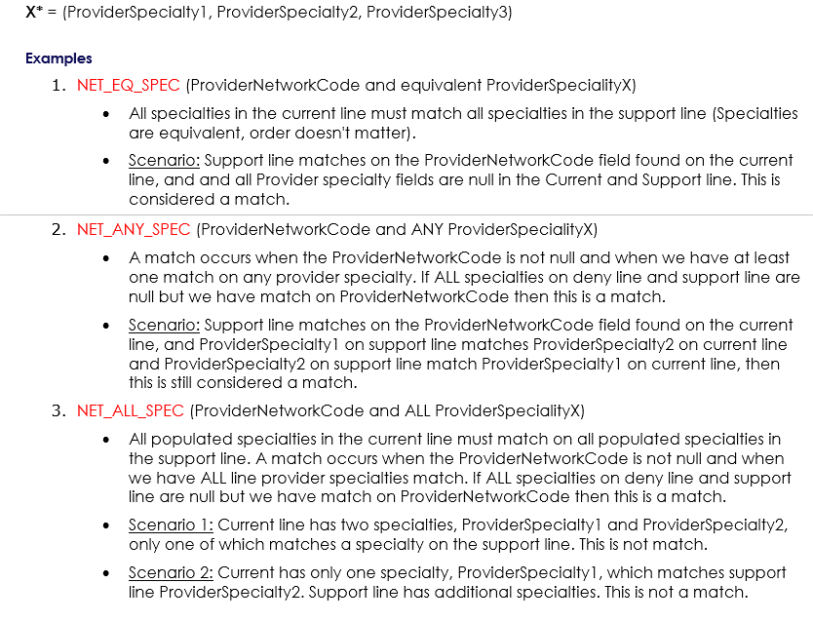
Flexible Provider Analysis Keyword Variation and Descriptions
Keyword Variation | Field Description | Data Map Field Name
PROV_ID | ProviderId | Line_ProviderId
PROV_NPI | ProviderNpi | Line_ProviderNpi
PROV_FTIN | ProviderFtin | Line_ ProviderFtin
BNPI_ANY_SPEC | BillingProviderNpi and ANY ProviderSpecialty X* | Claim_BillingProviderNpi, Line_ProviderSpecialty1,2,3
BNPI_ALL_SPEC | BillingProviderNpi and ALL ProviderSpecialty X* | Claim_BillingProviderNpi, Line_ProviderSpecialty1,2,3
BNPI_SPEC1 | BillingProviderNpi, and ProviderSpeciality1 | Claim_BillingProviderNpi, Line_ProviderSpecialty1
BILLING_NPI | BillingProviderNpi | Claim_BillingProviderNpi
PROV_NET | ProviderNetworkCode | Line_ProviderNetworkCode
FTIN_ANY_SPEC | ProviderFtin and ANY ProviderSpecialty X* | Line_ ProviderFtin, Line_ProviderSpecialty1,2,3
FTIN_ALL_SPEC | ProviderFtin and ALL ProviderSpecialty X* | Line_ ProviderFtin, Line_ProviderSpecialty1,2,3
FTIN_SPEC1 | ProviderFtin and ProviderSpecialty1 | Line_ ProviderFtin, Line_ProviderSpecialty1
NET_EQ_SPEC | ProviderNetworkCode and EQUIVALENT ProviderSpecialty X** | Line_ProviderNetworkCode, Line_ProviderSpecialty1,2,3
CL_USER_DEF1 | Claim_UserDefinedString1 | Claim_UserDefinedString1
NET_ANY_SPEC | ProviderNetworkCode and ANY ProviderSpecialty X* | Line_ProviderNetworkCode, Line_ProviderSpecialty1,2,3
NET_ALL_SPEC | ProviderNetworkCode and ALL ProviderSpecialty X* | Line_ProviderNetworkCode, Line_ProviderSpecialty1,2,3
PROV_DIFF | ProviderId NOT same as Current line ProviderId | Line_ProviderId
SPEC_1 | ProviderSpeciality1 | Line_ProviderSpecialty1
SPEC_ALL | ALL Provider Specialties | Line_ProviderSpecialty1,2,3
SAME_FAC | Facility flag same as Current line Facility Flag | Claim_FacilityFlag
BPROV_ID_ANY_SPEC | Claim_BillingProviderId and ANY Line_ProviderSpecialty X** | Claim_BillingProviderId and ANY Line_ProviderSpecialty X**
BPROV_FTIN_ANY_SPEC | Claim_BillingProviderFtin and ANY Line_ProviderSpecialty X** | Claim_BillingProviderFtin and ANY Line_ProviderSpecialty X**
BPROV_FTIN | Claim_BillingProviderFtin | Claim_BillingProviderFtin
BPROV_ID | Claim_BillingProviderId | Claim_BillingProviderId

