Dashboard
Uber Supply-Demand Gap Dashboard
Total Requests
4095
Completed Rides
2831
Cancelled Rides
1264
Fulfillment Rate (%)
69.13%

 |  | Univaraite Analysis
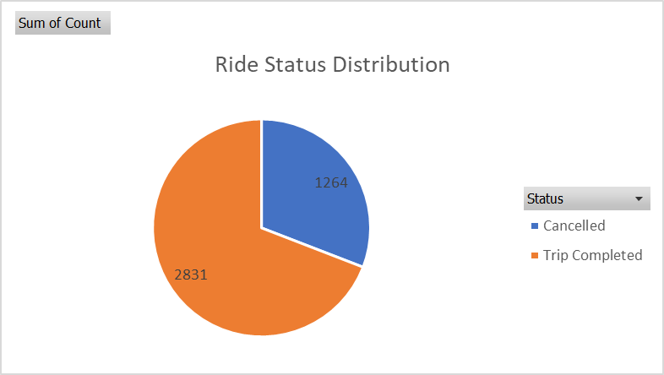
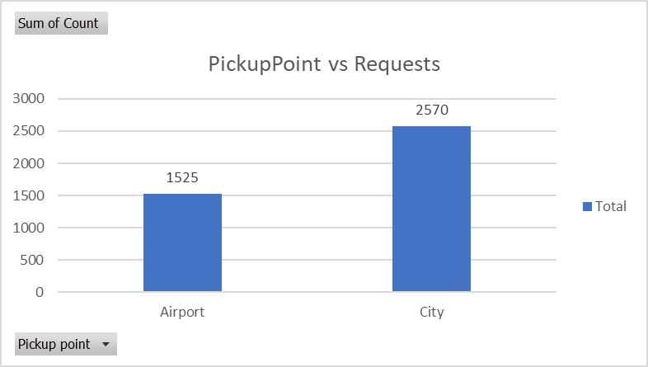
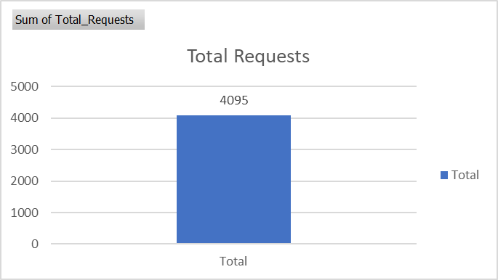
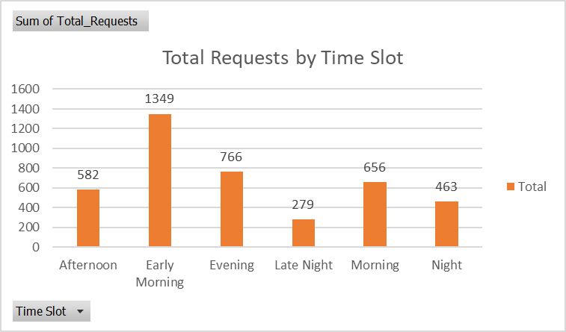

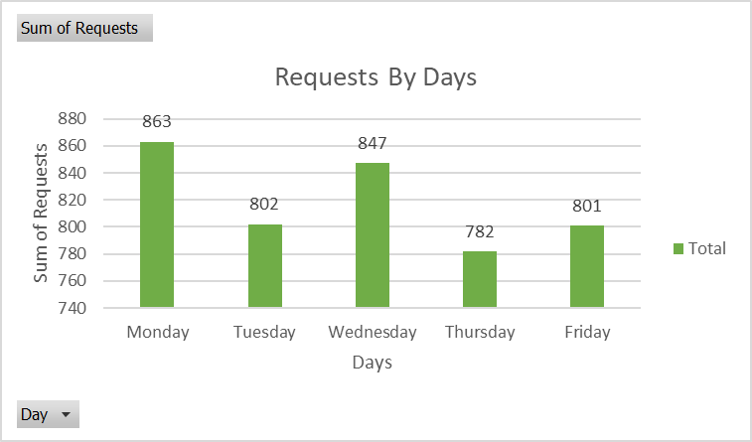
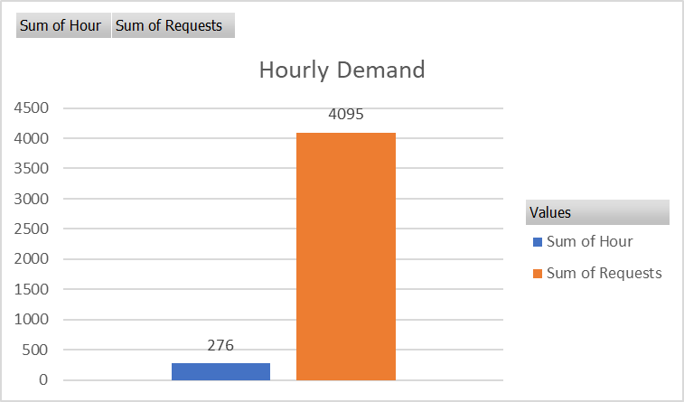

 |  |  | Bivariate Analysis
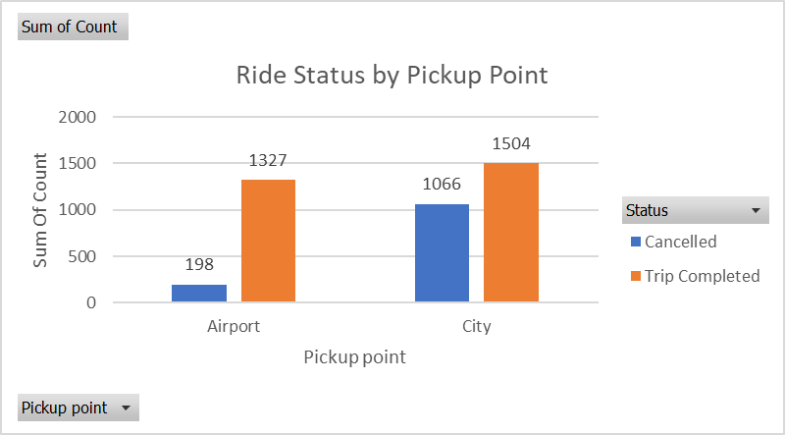
Time Slot – Cancelled vs No Cars
 | Sum of Cancelled | Sum of No_Cars
Afternoon | 91 | 0
Early Morning | 668 | 0
Evening | 124 | 0
Late Night | 65 | 0
Morning | 252 | 0
Night | 64 | 0
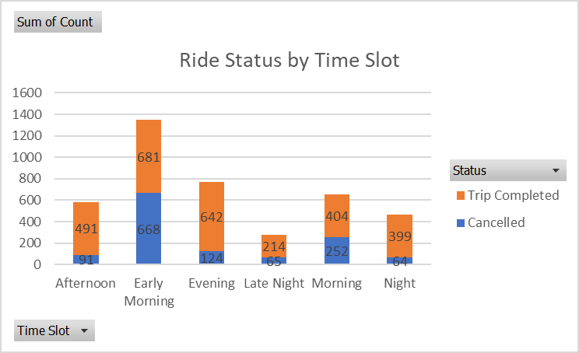

Hourly Ride Status
 | Cancelled | Trip Completed
0 | 3 | 40
1 | 4 | 25
2 | 5 | 37
3 | 2 | 34
4 | 51 | 78
5 | 176 | 185
6 | 145 | 167
7 | 169 | 174
8 | 178 | 155
9 | 175 | 173
10 | 62 | 116
11 | 15 | 115
12 | 19 | 121
13 | 18 | 89
14 | 11 | 88
15 | 21 | 102
16 | 22 | 91
17 | 35 | 151
18 | 24 | 164
19 | 24 | 166
20 | 41 | 161
21 | 42 | 142
22 | 12 | 154
23 | 10 | 103
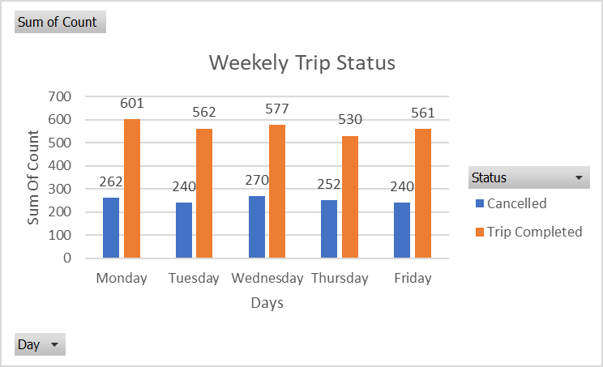

 |  |  |  |  | Sum of Count | Column Labels
 |  |  |  |  | Row Labels | Afternoon | Early Morning | Evening | Late Night | Morning | Night | Grand Total
 |  |  |  |  | Airport | 275 | 323 | 390 | 105 | 198 | 234 | 1525
 |  |  |  |  | City | 307 | 1026 | 376 | 174 | 458 | 229 | 2570
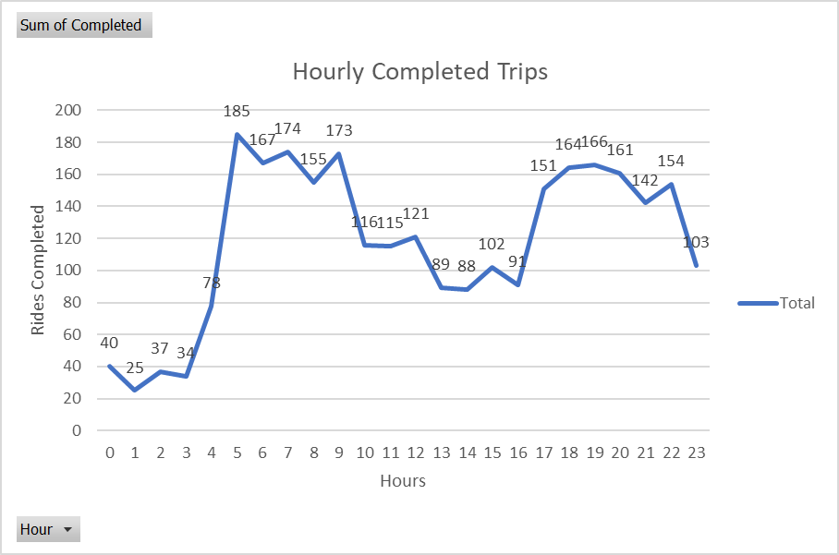
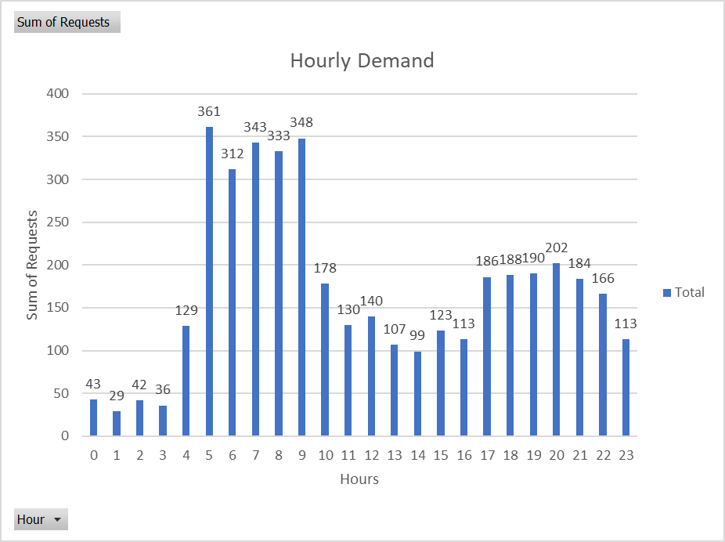
 |  |  |  |  | Grand Total | 582 | 1349 | 766 | 279 | 656 | 463 | 4095

 | Multivariate Analysis

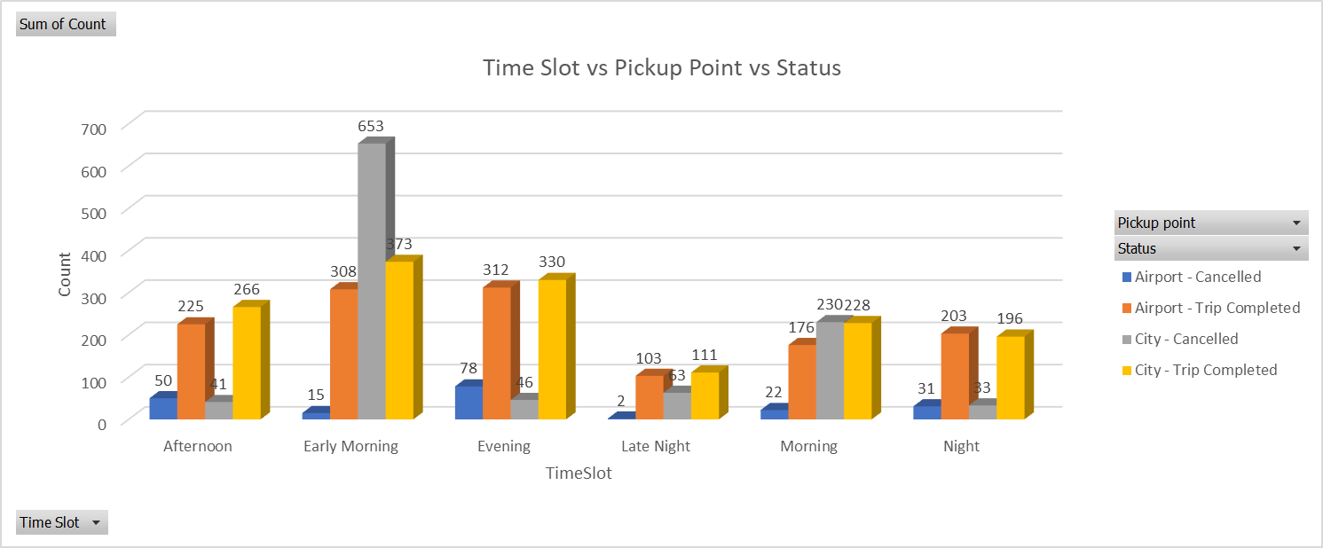
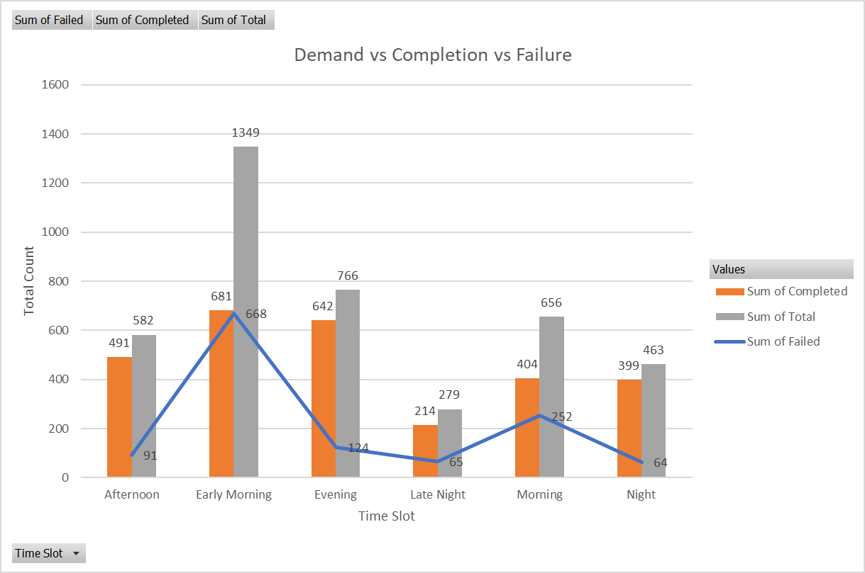

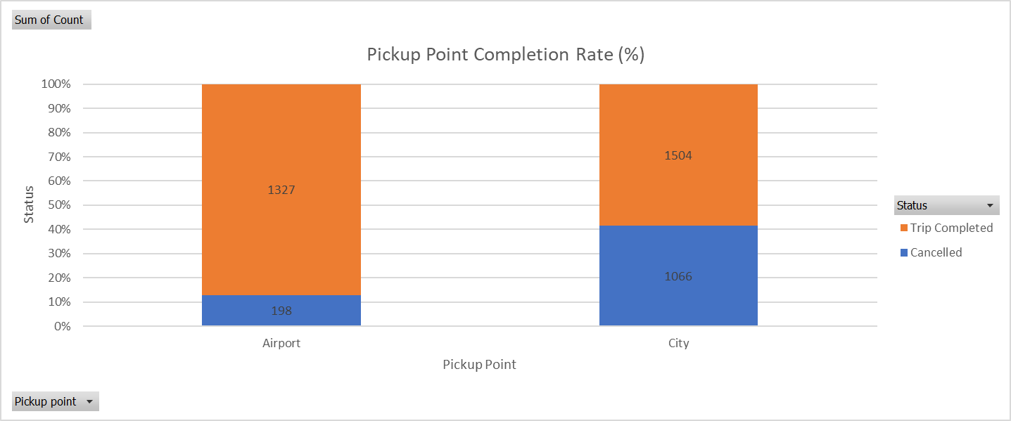
Sum of Count | Column Labels |  |  |  |  |  | Sum of Count | Column Labels
Row Labels | Monday | Tuesday | Wednesday | Thursday | Friday | Grand Total | Row Labels | Saturday | Sunday
0 | 8 | 6 | 6 | 12 | 11 | 43 | 32.428571429 | 37.464285714 | 42.5
1 | 4 | 7 | 8 | 5 | 5 | 29 | 20.428571429 | 23.428571429 | 26.428571429
2 | 5 | 4 | 9 | 11 | 13 | 42 | 32.714285714 | 37.821428571 | 42.928571429
3 | 7 | 6 | 10 | 7 | 6 | 36 | 24.714285714 | 28.214285714 | 31.714285714
4 | 24 | 27 | 30 | 26 | 22 | 129 | 90.285714286 | 103.5 | 116.71428571
5 | 77 | 64 | 73 | 75 | 72 | 361 | 256.57142857 | 294.75 | 332.92857143
6 | 70 | 66 | 73 | 52 | 51 | 312 | 213.71428571 | 244.64285714 | 275.57142857
7 | 66 | 68 | 75 | 61 | 73 | 343 | 244 | 280.25 | 316.5
8 | 67 | 55 | 63 | 79 | 69 | 333 | 239.57142857 | 275.39285714 | 311.21428571
9 | 75 | 75 | 67 | 67 | 64 | 348 | 241.71428571 | 276.96428571 | 312.21428571
10 | 36 | 39 | 40 | 21 | 42 | 178 | 123.42857143 | 141.21428571 | 159
11 | 30 | 34 | 21 | 26 | 19 | 130 | 85.428571429 | 97.107142857 | 108.78571429
12 | 40 | 25 | 29 | 24 | 22 | 140 | 91.285714286 | 103.67857143 | 116.07142857
13 | 21 | 19 | 19 | 31 | 17 | 107 | 73.285714286 | 83.5 | 93.714285714
14 | 21 | 24 | 19 | 15 | 20 | 99 | 65.142857143 | 73.857142857 | 82.571428571
15 | 26 | 27 | 25 | 25 | 20 | 123 | 81.571428571 | 92.642857143 | 103.71428571
16 | 29 | 28 | 22 | 20 | 14 | 113 | 70.714285714 | 79.75 | 88.785714286
17 | 39 | 34 | 44 | 37 | 32 | 186 | 126.42857143 | 144.14285714 | 161.85714286
18 | 36 | 33 | 31 | 48 | 40 | 188 | 132.42857143 | 151.46428571 | 170.5
19 | 42 | 37 | 38 | 34 | 39 | 190 | 129 | 147 | 165
20 | 42 | 44 | 39 | 35 | 42 | 202 | 137.28571429 | 156.46428571 | 175.64285714
21 | 35 | 41 | 36 | 34 | 38 | 184 | 125.28571429 | 142.71428571 | 160.14285714
22 | 40 | 25 | 40 | 20 | 41 | 166 | 111.85714286 | 127.17857143 | 142.5
23 | 23 | 14 | 30 | 17 | 29 | 113 | 76.285714286 | 86.464285714 | 96.642857143
Grand Total | 863 | 802 | 847 | 782 | 801 | 4095 | Grand Total | 2974.2 | 3433.9714286

Analysis
Total Requests by Time Slot
Ride Status by Time Slot
Time Slot vs Pickup Point vs Status
Row Labels | Sum of Total_Requests | Sum of Count | Column Labels |  |  |  |  |  |  | Sum of Count | Column Labels
Afternoon | 582 | Row Labels | Cancelled | Trip Completed | Grand Total |  |  |  |  |  | Airport |  | Airport Total | City |  | City Total | Grand Total
Early Morning | 1349 | Afternoon | 91 | 491 | 582 |  |  |  |  | Row Labels | Cancelled | Trip Completed |  | Cancelled | Trip Completed
Evening | 766 | Early Morning | 668 | 681 | 1349 |  |  |  |  | Afternoon | 50 | 225 | 275 | 41 | 266 | 307 | 582
Late Night | 279 | Evening | 124 | 642 | 766 |  |  |  |  | Early Morning | 15 | 308 | 323 | 653 | 373 | 1026 | 1349
Morning | 656 | Late Night | 65 | 214 | 279 |  |  |  |  | Evening | 78 | 312 | 390 | 46 | 330 | 376 | 766
Night | 463 | Morning | 252 | 404 | 656 |  |  |  |  | Late Night | 2 | 103 | 105 | 63 | 111 | 174 | 279
Grand Total | 4095 | Night | 64 | 399 | 463 |  |  |  |  | Morning | 22 | 176 | 198 | 230 | 228 | 458 | 656
 |  | Grand Total | 1264 | 2831 | 4095 |  |  |  |  | Night | 31 | 203 | 234 | 33 | 196 | 229 | 463
 |  |  |  |  |  |  |  |  |  | Grand Total | 198 | 1327 | 1525 | 1066 | 1504 | 2570 | 4095

Ride Status Distribution
Ride Status by Pickup Point
Row Labels | Sum of Count
Cancelled | 1264 | Sum of Count | Column Labels
Trip Completed | 2831 | Row Labels | Cancelled | Trip Completed | Grand Total
Grand Total | 4095 | Airport | 198 | 1327 | 1525
 |  | City | 1066 | 1504 | 2570 |  |  |  |  | Status | (All)
 |  | Grand Total | 1264 | 2831 | 4095
 |  |  |  |  |  |  |  |  |  | Sum of Count | Column Labels
 |  |  |  |  |  |  |  |  |  | Row Labels | Monday | Tuesday | Wednesday | Thursday | Friday | Grand Total
 |  |  |  |  |  |  |  |  |  | 0 | 8 | 6 | 6 | 12 | 11 | 43
 |  |  |  |  |  |  |  |  |  | 1 | 4 | 7 | 8 | 5 | 5 | 29
 |  |  |  |  |  |  |  |  |  | 2 | 5 | 4 | 9 | 11 | 13 | 42
 |  |  |  |  |  |  |  |  |  | 3 | 7 | 6 | 10 | 7 | 6 | 36
 |  |  |  |  |  |  |  |  |  | 4 | 24 | 27 | 30 | 26 | 22 | 129
 |  |  |  |  |  |  |  |  |  | 5 | 77 | 64 | 73 | 75 | 72 | 361
 |  |  |  |  |  |  |  |  |  | 6 | 70 | 66 | 73 | 52 | 51 | 312
 |  |  |  |  |  |  |  |  |  | 7 | 66 | 68 | 75 | 61 | 73 | 343
 |  |  |  |  |  |  |  |  |  | 8 | 67 | 55 | 63 | 79 | 69 | 333
 |  |  |  |  |  |  |  |  |  | 9 | 75 | 75 | 67 | 67 | 64 | 348
 |  |  |  |  |  |  |  |  |  | 10 | 36 | 39 | 40 | 21 | 42 | 178
PickupPoint vs Requests
Hourly Ride Status
Row Labels | Sum of Count |  |  |  |  |  |  |  |  | 11 | 30 | 34 | 21 | 26 | 19 | 130
Airport | 1525 | Sum of Count | Column Labels |  |  |  |  |  |  | 12 | 40 | 25 | 29 | 24 | 22 | 140
City | 2570 | Row Labels | Cancelled | Trip Completed | Grand Total |  |  |  |  | 13 | 21 | 19 | 19 | 31 | 17 | 107
Grand Total | 4095 | 0 | 3 | 40 | 43 |  |  |  |  | 14 | 21 | 24 | 19 | 15 | 20 | 99
 |  | 1 | 4 | 25 | 29 |  |  |  |  | 15 | 26 | 27 | 25 | 25 | 20 | 123
 |  | 2 | 5 | 37 | 42 |  |  |  |  | 16 | 29 | 28 | 22 | 20 | 14 | 113
 |  | 3 | 2 | 34 | 36 |  |  |  |  | 17 | 39 | 34 | 44 | 37 | 32 | 186
 |  | 4 | 51 | 78 | 129 |  |  |  |  | 18 | 36 | 33 | 31 | 48 | 40 | 188
 |  | 5 | 176 | 185 | 361 |  |  |  |  | 19 | 42 | 37 | 38 | 34 | 39 | 190
 |  | 6 | 145 | 167 | 312 |  |  |  |  | 20 | 42 | 44 | 39 | 35 | 42 | 202
 |  | 7 | 169 | 174 | 343 |  |  |  |  | 21 | 35 | 41 | 36 | 34 | 38 | 184
 |  | 8 | 178 | 155 | 333 |  |  |  |  | 22 | 40 | 25 | 40 | 20 | 41 | 166
 |  | 9 | 175 | 173 | 348 |  |  |  |  | 23 | 23 | 14 | 30 | 17 | 29 | 113
 |  | 10 | 62 | 116 | 178 |  |  |  |  | Grand Total | 863 | 802 | 847 | 782 | 801 | 4095
 |  | 11 | 15 | 115 | 130
 |  | 12 | 19 | 121 | 140
 |  | 13 | 18 | 89 | 107
 |  | 14 | 11 | 88 | 99
Pickup Point Completion Rate (%)
 |  | 15 | 21 | 102 | 123
Hourly Demand
Sum of Hour | Sum of Requests | 16 | 22 | 91 | 113 |  |  |  |  | Sum of Count | Column Labels
276 | 4095 | 17 | 35 | 151 | 186 |  |  |  |  | Row Labels | Cancelled | Trip Completed | Grand Total
 |  | 18 | 24 | 164 | 188 |  |  |  |  | Airport | 198 | 1327 | 1525
 |  | 19 | 24 | 166 | 190 |  |  |  |  | City | 1066 | 1504 | 2570
 |  | 20 | 41 | 161 | 202 |  |  |  |  | Grand Total | 1264 | 2831 | 4095
 |  | 21 | 42 | 142 | 184
 |  | 22 | 12 | 154 | 166
 |  | 23 | 10 | 103 | 113
 |  | Grand Total | 1264 | 2831 | 4095

Weekely Trip Status

 |  | Sum of Count | Column Labels
 |  | Row Labels | Cancelled | Trip Completed | Grand Total
 |  | Monday | 262 | 601 | 863
Requests By Days
 |  | Tuesday | 240 | 562 | 802
Row Labels | Sum of Requests | Wednesday | 270 | 577 | 847
Monday | 863 | Thursday | 252 | 530 | 782
Tuesday | 802 | Friday | 240 | 561 | 801
Wednesday | 847 | Grand Total | 1264 | 2831 | 4095
Thursday | 782
Friday | 801
Demand vs Completion vs Failure
Grand Total | 4095
 |  |  |  |  |  |  |  |  |  | Row Labels | Sum of Failed | Sum of Completed | Sum of Total
 |  |  |  |  |  |  |  |  |  | Afternoon | 91 | 491 | 582
 |  |  |  |  |  |  |  |  |  | Early Morning | 668 | 681 | 1349
 |  |  |  |  |  |  |  |  |  | Evening | 124 | 642 | 766
 |  |  |  |  |  |  |  |  |  | Late Night | 65 | 214 | 279
 |  |  |  |  |  |  |  |  |  | Morning | 252 | 404 | 656
 |  |  |  |  |  |  |  |  |  | Night | 64 | 399 | 463
 |  |  |  |  |  |  |  |  |  | Grand Total | 1264 | 2831 | 4095
 |  | Sum of Count | Column Labels
 |  | Row Labels | Afternoon | Early Morning | Evening | Late Night | Morning | Night | Grand Total
 |  | Airport | 275 | 323 | 390 | 105 | 198 | 234 | 1525
Sum_Of_No_Driver_Assigned |  | City | 307 | 1026 | 376 | 174 | 458 | 229 | 2570
0 |  | Grand Total | 582 | 1349 | 766 | 279 | 656 | 463 | 4095

Sum of No_Drop_Recorded
0
Total Requests
Time Slot – Cancelled vs No Cars
Sum of Total_Requests
4095
 |  | Row Labels | Sum of Cancelled | Sum of No_Cars
 |  | Afternoon | 91 | 0
 |  | Early Morning | 668 | 0
 |  | Evening | 124 | 0
 |  | Late Night | 65 | 0
 |  | Morning | 252 | 0
 |  | Night | 64 | 0
 |  | Grand Total | 1264 | 0

Hourly Completed Trips
 |  | Row Labels | Sum of Completed
 |  | 0 | 40
 |  | 1 | 25
 |  | 2 | 37
 |  | 3 | 34
 |  | 4 | 78
 |  | 5 | 185
 |  | 6 | 167
 |  | 7 | 174
 |  | 8 | 155
 |  | 9 | 173
 |  | 10 | 116
 |  | 11 | 115
 |  | 12 | 121
 |  | 13 | 89
 |  | 14 | 88
 |  | 15 | 102
 |  | 16 | 91
 |  | 17 | 151
 |  | 18 | 164
 |  | 19 | 166
 |  | 20 | 161
 |  | 21 | 142
 |  | 22 | 154
 |  | 23 | 103
 |  | Grand Total | 2831

Hourly Demand
 |  | Row Labels | Sum of Requests
 |  | 0 | 43
 |  | 1 | 29
 |  | 2 | 42
 |  | 3 | 36
 |  | 4 | 129
 |  | 5 | 361
 |  | 6 | 312
 |  | 7 | 343
 |  | 8 | 333
 |  | 9 | 348
 |  | 10 | 178
 |  | 11 | 130
 |  | 12 | 140
 |  | 13 | 107
 |  | 14 | 99
 |  | 15 | 123
 |  | 16 | 113
 |  | 17 | 186
 |  | 18 | 188
 |  | 19 | 190
 |  | 20 | 202
 |  | 21 | 184
 |  | 22 | 166
 |  | 23 | 113
 |  | Grand Total | 4095

