ASCII_TO_HEX_TABLE
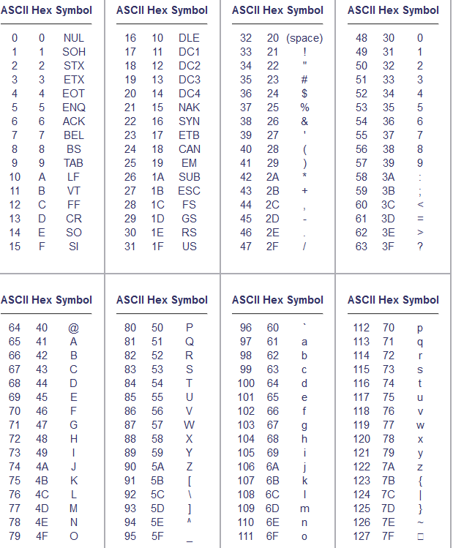

Formula used for Calculation : ASCII to Decimal: =CODE(A1) ASCII to Hexadecimal: =DEC2HEX(CODE(A1))

