incoterms
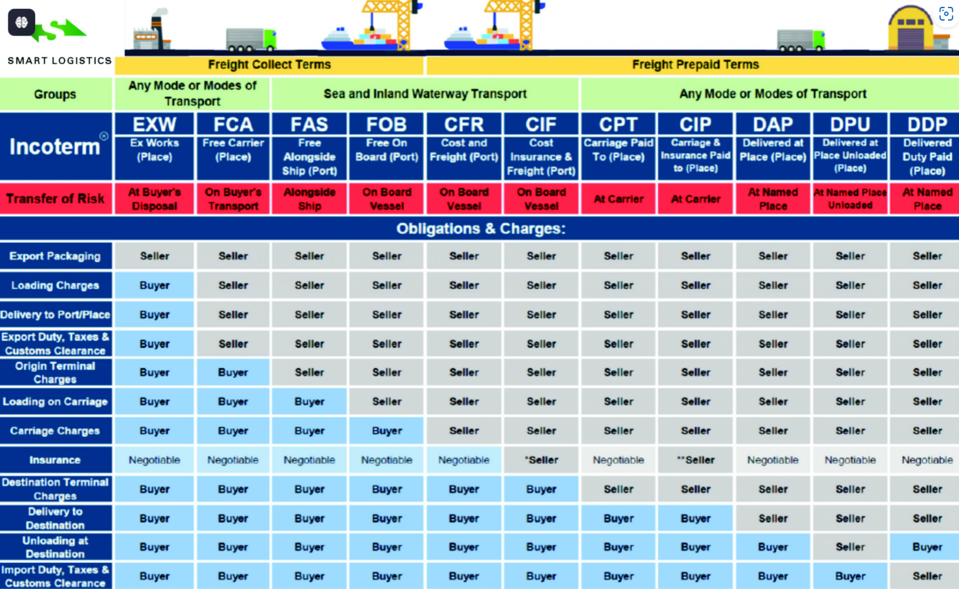

As per End Customer agreed Checklist

