GFURs 6
Name GSUC | TwinEU XR Framework for DTs visualization and validation
 | Please review also sequence diagrams and add/change/delete steps if needed
GSUC ID | GSUC_06
Objectives | Implement the TwinEU XR framework to support high-quality real-time immersive DT visualization experiences.
 | Enable multiuser XR environments for enhanced collaboration and decision-making.
 | Facilitate interactive data visualization using Virtual Reality (VR) approach.
 | Enhance data accessibility and usability through advanced visualization and validation services.
 | Integrate Unity3D-based immersive workbench as a plugin, providing an intuitive and simplified workflow.
Narrative | To improve resilient energy infrastructure planning and dynamic renewable energy integration, TwinEU will introduce a real-time immersive DT framework capable of supporting multiuser XR environments. This framework will provide interactive, data-driven simulations, allowing grid operators, policymakers, and domain experts to visualize complex energy scenarios more intuitively.
 | The TwinEU immersive environment will be integrated as a Unity3D plugin, offering a user-friendly interface and a set of building blocks to simplify the creation of multiuser XR experiences. This will enable stakeholders to interact with real-time energy data, analyze grid stability, and optimize energy distribution using advanced Virtual Reality (VR) visualization techniques.
Steps | Develop the TwinEU DT immersive framework, integrating high-quality real-time DT visualization.
 | Implement a Unity3D-based immersive workbench as a plugin, streamlining user interaction with DT data.
 | Design a set of building blocks to facilitate fast and user-friendly XR experience creation.
 | Integrate VR capabilities for advanced visualization of energy infrastructure and grid performance.
 | Ensure framework scalability and adaptability, allowing applications to support different use cases and simulation scales.
 | Develop interactive services to provide data visualization, anomaly detection, and grid simulation insights.
Involved Platforms/ actors | TwinEU DT Framework:
 | Unity3D Plugin
 | Immersive Digital collaborative platform
 | Advanced DTS Visualization (VR)
 | Design Validation interface

 | TwinEU System:
 | Data Space Framework
 | Data Orchestration and Validation Tools

 | Grid Operators, TSOs, DSOs, Policymakers, Market Participants, and VR Experts
Sequence Diagrams | actor "Grid Operator / Stakeholder" as User participant "Unity3D Immersive Workbench" as Workbench participant "TwinEU DT Framework" as Framework participant "Data Orchestration Tools" as Orchestration participant "Validation Services" as Validation participant "VR Visualization Engine" as VREngine User -> Workbench : Launch XR Session Workbench -> Framework : Request DT Model Framework -> Orchestration : Fetch Real-time Energy Data Orchestration --> Framework : Return DT Data Framework -> VREngine : Generate VR Simulation VREngine --> Workbench : Display DT Visualization User -> Workbench : Interact with Simulation Workbench -> Validation : Send DT for Validation Validation --> Workbench : Return Validation Results Workbench --> User : Show Results + Insights | 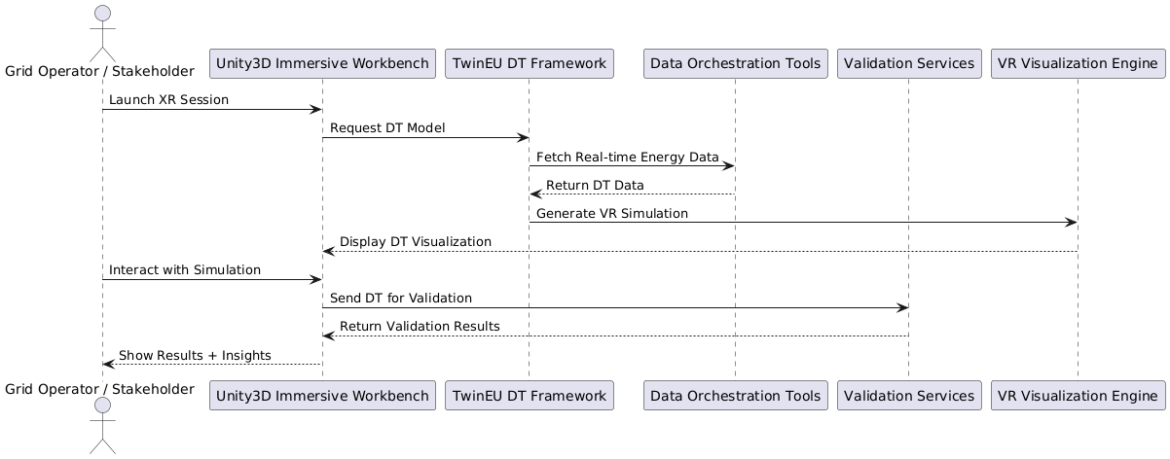

Task 4.2

General Functional Requirements

Functional Requirement ID | Name | Description | Related Use case(s) | Note from ENG | Note: is the requirement applicable?/ Should it be modified or removed?/ should it be optional etc./Add the missing FURs
GSUC_06_01 | High-quality Real-time Data Visualization | The system should support high-quality real-time visualization of Digital Twin (DT) data, allowing users to possibly view and analyze live grid performance. | GSUC_06
GSUC_06_02 | Multiuser XR Collaboration | The system should allow multiple users to interact and collaborate within the same Extended Reality (XR) environment in real time. | GSUC_06
GSUC_06_03 | Unity3D-Based Plugin Integration | The system must integrate a Unity3D-based plugin to streamline user interaction with DT data and enhance XR visualization capabilities. | GSUC_06
GSUC_06_04 | Immersive XR Toolkit | The system should provide pre-built components and building blocks to facilitate rapid creation of XR applications by developers in an easy way. The system should provide reusable building blocks to enable rapid development of XR applications | GSUC_06
GSUC_06_05 | Advanced VR Visualization Features | The system could support Virtual Reality (VR) visualization for immersive energy infrastructure simulations and interactive visualization of grid anomalies, bottlenecks, and infrastructure risks. | GSUC_06
GSUC_06_06 | Immersive User Interface (UI) | The system should provide an intuitive XR user interface with easy navigation, tooltips, and context-sensitive controls. | GSUC_06 | General functionality, probably common to several GSUCs, more or less modified. More of the FUR than NFUR
GSUC_06 | Scalable and Adaptable Architecture | The system should be designed to scale, allowing XR applications to handle different simulation scales, from local grids to pan-European grid scenarios, as well as different use cases (UC). | GSUC_06 | General functionality, probably common to several GSUCs, more or less modified. More of the NFUR than FUR
GSUC_06 | Logging Activity | The system could maintain (detailed) logs of user interactions, data visualizations, and simulation events for auditing and troubleshooting purposes. | GSUC_06 | General functionality, probably common to several GSUCs, more or less modified. More of the NFUR than FUR
GSUC_06_07 | Security | The system should enforce secure authentication and authorization mechanisms to protect sensitive energy data and simulation parameters. | GSUC_06 | General functionality, probably common to several GSUCs, more or less modified. More of the FUR than NFUR
GSUC_06 | Training Availability and Documentations | The system could include a training, documentation, and interactive tutorials to help users understand Extended Reality (XR) navigation, Digital Twin (DT) simulation controls, and key visualization features. | GSUC_06 | General functionality, probably common to several GSUCs, more or less modified. More of the NFUR than FUR
GSUC_06_08 | Full IoT Edge-Network Control | The system will not provide detailed edge device control beyond possible basic IoT data integration in the initial deployment. | GSUC_06 | Example of WON'T in MoSCoW prioritazation
 |  |  | GSUC_06

GFURs 4
Name GSUC | Regulatory Compliance Exchange and Reporting
GSUC ID | GSUC_04
 | Please review also sequence diagrams and add/change/delete steps if needed.
Objectives | # Ensure Compliance with Regulatory Standards
 | # CIM standard is defined in communication and information layers of SGAM communication model
 | # Perform Compliance Validation and Reporting of regulatory compliance of all TwinEU components
 | # Monitor and Audit Regulatory Changes on all levels of TwinEU system (not automated tool, manual processes)
 | # Enable secure and transparent data exchange
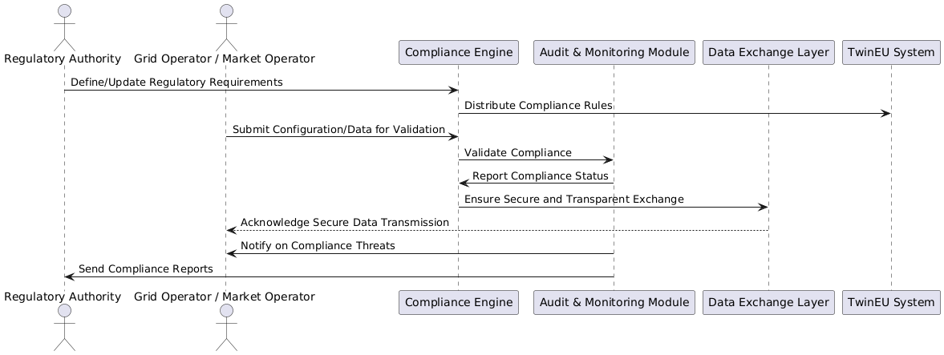
Narrative | All exchanges and data used in the TwinEU system should be compliant with appropriate standards, directives, laws, and codes, with special attention to the integration of CIM (Common Information Model) standard in SGAM communication model. It is important to enable the regulatory compliance on all levels of TwinEU system
Steps | - Define and update regulatory requirements
 | - Ensure compliance validation processes
 | # Make that data exchanges are secure and transparent and aligned with standards # Notify system operators automatically when compliance is endangered.
 | - Enable continuous monitoring and auditing of regulatory changes

Involved Platforms/ actors | Regulatory Authorities, Grid Operators, Market Operators, Data Space participants

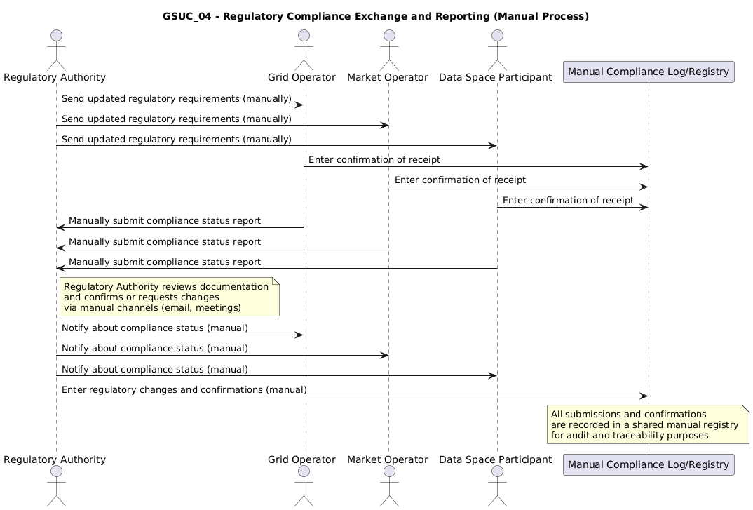
Sequence Diagrams | actor "Regulatory Authority" as RegAuth actor "Grid Operator / Market Operator" as Operator participant "Compliance Engine" as Compliance participant "Audit & Monitoring Module" as Audit participant "Data Exchange Layer" as DataX participant "TwinEU System" as TwinEU RegAuth -> Compliance : Define/Update Regulatory Requirements Compliance -> TwinEU : Distribute Compliance Rules Operator -> Compliance : Submit Configuration/Data for Validation Compliance -> Audit : Validate Compliance Audit -> Compliance : Report Compliance Status Compliance -> DataX : Ensure Secure and Transparent Exchange DataX --> Operator : Acknowledge Secure Data Transmission Audit -> Operator : Notify on Compliance Threats Audit -> RegAuth : Send Compliance Reports | Picture
Manual operations for sequence diagram | actor "Regulatory Authority" as RegAuth actor "Grid Operator" as GridOp actor "Market Operator" as MarketOp actor "Data Space Participant" as DSP participant "Manual Compliance Log/Registry" as Log RegAuth -> GridOp : Send updated regulatory requirements (manually) RegAuth -> MarketOp : Send updated regulatory requirements (manually) RegAuth -> DSP : Send updated regulatory requirements (manually) GridOp -> Log : Enter confirmation of receipt MarketOp -> Log : Enter confirmation of receipt DSP -> Log : Enter confirmation of receipt GridOp -> RegAuth : Manually submit compliance status report MarketOp -> RegAuth : Manually submit compliance status report DSP -> RegAuth : Manually submit compliance status report note right of RegAuth Regulatory Authority reviews documentation and confirms or requests changes via manual channels (email, meetings) end note RegAuth -> GridOp : Notify about compliance status (manual) RegAuth -> MarketOp : Notify about compliance status (manual) RegAuth -> DSP : Notify about compliance status (manual) RegAuth -> Log : Enter regulatory changes and confirmations (manual) note over Log All submissions and confirmations are recorded in a shared manual registry for audit and traceability purposes end note

General Functional Requirements

Functional Requirement ID | Name | Description | Related Use case(s) | Note from ENG | Note: is the requirement applicable?/ Should it be modified or removed?/ should it be optional etc./Add the missing FURs
GSUC_04_01 | Validation agains regulatory standards, directives, laws, and codes | The system should validate all exchanged data against applicable regulatory standards, directives, laws, and codes. | GSUC_04
GSUC_04_02 | Regulatory Compliance Enforcement | The system should enforce compliance validation before data is accepted or shared within the TwinEU system. | GSUC_04
GSUC_04_03 | Secure and Transparent Data Exchange with CIM in two SGAM Layers | The system must enable secure and transparent data exchange using CIM standard definitions within the Communication and Information layers of SGAM. | GSUC_04
GSUC_04_04 | CIM-Based Interoperability for SGAM Communication and Information Layers | The system should implement the CIM standard in the Communication and Information layers of the SGAM communication model to ensure interoperability and standardized data exchange. | GSUC_04
GSUC_04_05 | Compliance Validation | The system could provide compliance validation for all TwinEU components. | GSUC_04
GSUC_04_06 | Monitoring of Regulatory Changes | The system must track regulatory changes at EU, national, and regional levels. | GSUC_04
GSUC_04_07 | Secure and Transparent Data Exchange | The system must implement access control mechanisms for regulatory data, ensuring only authorized entities can access or modify it. | GSUC_04
GSUC_04_08 | Allerts issuing | The system could issue alerts for any detected non-compliance in data exchanges. | GSUC_04 | General functionality, probably common to several GSUCs, more or less modified. More of the FUR than NFUR
GSUC_04_09 | Report Generation | The system could generate periodic compliance reports detailing regulatory adherence and potential violations. The system could allow authorized users to export compliance reports in standard formats (e.g., PDF, CSV, XML). | GSUC_04 | General functionality, probably common to several GSUCs, more or less modified. More of the FUR than NFUR
GSUC_04_10 | Logging Activity | The system could log all compliance validation activities for audit purposes. The system could ensure that all compliance-related data exchanges are logged and auditable. | GSUC_04 | General functionality, probably common to several GSUCs, more or less modified. More of the FUR than NFUR

GFURs 3
Name GSUC | Integration of devices and other data sources to OneNet TwinEU using FIWARE | Name GSUC | Integration of IoT devices and other data sources to TwinEU
GSUC ID | GSUC_03 | GSUC ID | GSUC_03
Objectives | o Connect different data sources using standardized FIWARE components o Adaption and evolution of the FIWARE context Broker for providing a data-model agnostic connector based on NSGI-LD | Objectives | Integrate diverse IOT devices and data sources using standardized protocols and mechanisms Enable a data-model agnostic near real-time data collection based on stanrdazied mechanisms and models Support seamless integration and interaction between IoT devices and external data sources to TwinEU participants
Narrative | Platforms and applications in Smart Energy domain need to produce and exchange data in a standardized way defining unambiguously the data used for sharing them with other applications. The definitions that describe data format and meaning, can be called context. This General OneNet TwinEU SUC describes how the OneNet TwinEU System leverages the FIWARE Context Broker and FIWARE Smart Energy Architecture for enabling a standardized data exchange providing a context-based and data-model agnostic connector. This connector uses REST API named NGSI-LD, that introduces the Linked Data (LD) concept in the already existing NGSI standard. The API operations allow applications to create entities, search the graph-based and subscribe to entities notifications. | Narrative | Platforms and applications in the Smart Energy domain must exchange near real-time data in a standardized, interoperable, and unambiguous manner. The definition of standardized mechanisms, data’s format and meaning is crucial for the IoT integration and in particular for near real-time data. This General System Use Case describes how the OneNet TwinEU System provides a data-model agnostic connector, enabling standardized data exchange using standardized protocols and mechanisms and leveraging on stream processing platform (e. g. Kafka). The integration operations allow applications to create high stream data exchange, maintating all the characteristics and principles of the data space. IoT devices and other data sources are integrated through standard registration and interaction protocols, ensuring secure and scalable data provision and consumption within TwinEU.
Steps | The GSUC_03 “Integration of devices and other data sources to OneNet TwinEU using FIWARE” is an extension of the GSUC_01. | Steps | Scenario 1 – Identification: Data sources and consumers are identified using OneNet TwinEU identity management mechanisms. Scenario 2 – Data Provision and Consumption: • Data Streaming Provision: Data Providers can create, modify, and deletedata sources with near real-time data provisioning • Data Streaming Consumption: Data Consumers can retrieve or query streaming data
 | o Scenario 1 – Identification (see GSUC_01)
 | o Scenario 2 – Data Provider and Consumer This scenario foresees three different steps/actions:
 | • Context Provision – Data Provider can create, modify, and delete an NGSI-LD Entity.
 | • Context Consumption – a Data Consumer can retrieve or query for NGSI-LD Entities.
 | • Context Subscription – Data Consumer subscribe to a regular or event-driven update notifications of the context of one or more Entities
 | o Scenario 3 – IoT Devices integration A Data source is registered to the OneNet system using IoT Agent. After the registration each data source is mapped as an Entity associated to a Context Provider. This scenario includes two different actions:
 | • Set Command
 | • Get Data
Involved Platforms/ actors | TwinEU Participant | Involved Platforms/ actors | TwinEU Participant
 | • Data Provider |  | • Data Provider
 | • Data Consumer |  | • Data Consumer
 | • Data Source (IoT Device + other devices). In this particular Use Case, the Data Source represents the integration of IoT devices or other kind of near real-time data sources. |  | • Data Source (IoT Device + other devices). In this particular Use Case, the Data Source represents the integration of IoT devices or other kind of near real-time data sources.
 | TwinEU System |  | TwinEU System
 | • Identity Provider |  | • Identity Provider
 | Middleware and Connector |  | Middleware and Connector
 | • Data Source Registry (Federated Catalogue) |  | • Data Source Registry (Federated Catalogue)
Sequence Diagrams | actor "Data Source (IoT Device + IoT Agent)" as IoT actor "Data Consumer" as Consumer participant "Identity Provider" as IdP participant "Context Broker" as Broker participant "Broker Registry" as Registry == Scenario 1: Identification == IoT -> IdP : Authenticate and obtain identity token Consumer -> IdP : Authenticate and obtain identity token == Scenario 2: Data Provision and Consumption == note over IoT, Broker: Context Provision IoT -> Broker : Create/Modify/Delete Context Entity note over Consumer, Broker: Context Consumption Consumer -> Broker : Query/Retrieve Context Entities note over Consumer, Broker: Context Subscription Consumer -> Broker : Subscribe to context entity updates == Scenario 3: IoT Device Integration == IoT -> Broker : Register IoT device (standard interface) Broker -> Registry : Add device context entity Registry --> Broker : Confirmation IoT -> Broker : Send data (Get Data / Set Command) Broker --> Consumer : Notify on subscribed updates | Sequence Diagrams | 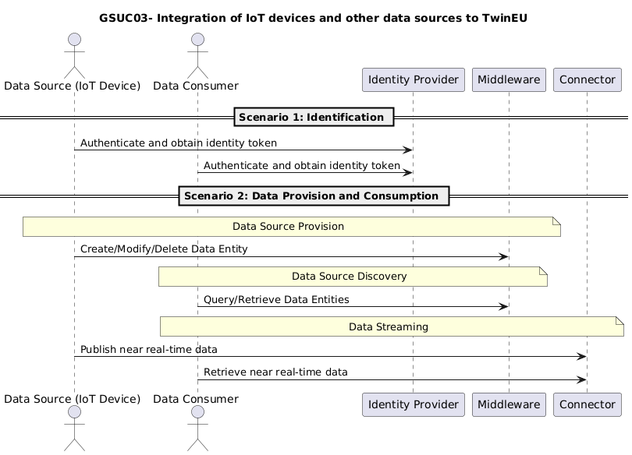 actor "Data Source (IoT Device)" as IoT actor "Data Consumer" as Consumer participant "Identity Provider" as IdP participant "Middleware" as Middleware participant "Connector" as Connector == Scenario 1: Identification == IoT -> IdP : Authenticate and obtain identity token Consumer -> IdP : Authenticate and obtain identity token == Scenario 2: Data Provision and Consumption == note over IoT, Middleware: Data Source Provision IoT -> Middleware : Create/Modify/Delete Data Entity note over Consumer, Middleware: Data Source Discovery Consumer -> Middleware : Query/Retrieve Data Entities note over Consumer, IoT, Connector: Data Streaming IoT -> Connector : Publish Near real-time data streaming Consumer -> Connector: Retrieve near real-time data streaming

General Functional Requirements |  | General Functional Requirements

Functional Requirement ID | Name | Functional Requirement ID | Description | Related Use case(s) | Note from ENG | Note: is the requirement applicable?/ Should it be modified or removed?/ should it be optional etc./Add the missing FURs
GSUC_03_05 | TwinEU system must be able to manage and certificate the identity of each TwinEU Participant | OneNet_FUR_08 | TwinEU system manage the identities of all the TwinEU participants offering an Identity Provider | OneNet: GSUC 1, GSUC 2, GSUC 3
GSUC_03_06 | TwinEU system must be able to register/unregister a Data Space connector | OneNet_FUR_09 | Data Space Connector need to register itself before starting any data exchange process | OneNet: GSUC 1, GSUC 2, GSUC 3
GSUC_03_07 | Each Participant must be uniquely identified using certification | OneNet_FUR_10 | TwinEU Participants are uniquely identified within the TwinEU ecosystem, using certification process and establishing trust among all participants. | OneNet: GSUC 1, GSUC 2, GSUC 3
GSUC_03_08 | Each Data Space Connector have a unique certificate and identifier | OneNet_FUR_11 |  | OneNet: GSUC 1, GSUC 2, GSUC 3
GSUC_03_09 | Each Data Space Connector is able to verify the identity of the other Data Space Connectors | OneNet_FUR_12 |  | OneNet: GSUC 1, GSUC 2, GSUC 3
GSUC_03_10 | TwinEU participant must be able to run the Data Space connector in its own environment | OneNet_FUR_13 | TwinEU Middleware leverage on the IDS decentralized approach. The Data Space Connector provided by TwinEU must be deployable in any environment | OneNet: GSUC 1, GSUC 2, GSUC 3
GSUC_03_11 | The TwinEU Participant must be able to configure its own Data Space Connector | OneNet_FUR_14 | Data Space connectors are configurable by the TwinEU participants using specific interfaces | OneNet: GSUC 1, GSUC 2, GSUC 3
GSUC_03_12 | The Data Space connector must be able to send metadata of a data source to one or more Brokers | OneNet_FUR_15 | Once the connector is configured it is able to connect the Brokers for starting start data exchange. The connector is able to provide and/or search metadata as well as discover for new data sources and participants. | OneNet: GSUC 1, GSUC 2, GSUC 3
GSUC_03_13 | The TwinEU Participant must be able to search and discover other TwinEU Participants | OneNet_FUR_16 |  | OneNet: GSUC 1, GSUC 2, GSUC 3
GSUC_03_14 | The Data Space Connector must be able to search for metadata connecting to a Broker | OneNet_FUR_17 |  | OneNet: GSUC 1, GSUC 2, GSUC 3
GSUC_03_15 | The Data Space Connector must be able to exchange data with other connectors using pull and/or push mechanisms | OneNet_FUR_18 | The data exchange process happens end-to-end exploiting pull or push mechanisms | OneNet: GSUC 1, GSUC 2, GSUC 3
GSUC_03_16 | The TwinEU system must be able to support the creation, management and usage of vocabularies | OneNet_FUR_19 | A feature provided by TwinEU system is the Vocabulary Provider. It manages and offers vocabularies (i.e., ontologies, reference data models, or metadata elements) that can be used to annotate and describe datasets. | OneNet: GSUC 1, GSUC 2, GSUC 3
GSUC_03_17 | The TwinEU participant could use vocabularies for creating and structuring its metadata | OneNet_FUR_20 |  | OneNet: GSUC 1, GSUC 2, GSUC 3
GSUC_03_18 | The TwinEU system should offer data services/apps for data processing and transformation | OneNet_FUR_21 | One of the main features of the TwinEU system is the possibility to enrich, transform, validate and harmonize the data processed. In addition, the TwinEU allow to log all the data transaction. | OneNet: GSUC 1, GSUC 2, GSUC 3
GSUC_03_19 | The TwinEU system should be able to log any data transaction between any TwinEU participant | OneNet_FUR_22 |  | OneNet: GSUC 1, GSUC 2, GSUC 3
GSUC_03_20 | The TwinEU system should be able to assess the quality of data processed | OneNet_FUR_23 |  | OneNet: GSUC 1, GSUC 2, GSUC 3
GSUC_03_21 | The TwinEU system should be able to perform a semantic validation of the data processed | OneNet_FUR_24 |  | OneNet: GSUC 1, GSUC 2, GSUC 3
GSUC_03_22 | The TwinEU system could use AI mechanism for empowering Data services | OneNet_FUR_25 | For improving the Data Services offered by the TwinEU system, some AI mechanism could be implemented. | OneNet: GSUC 1, GSUC 2, GSUC 3
OneNet_FUR_26 | The TwinEU system should be able to integrate any kind of data sources using Context Broker | OneNet_FUR_26 | The usage of the FIWARE context broker could facilitate the integration of any kind of data source, using a standard API based approach. | GSUC 3
GSUC_03_01 | Data Streaming Consumption and Querying | GSUC_03_01 | The system should allow data consumers to retrieve data entities based on specific queries. | GSUC 3
GSUC_03_02 | Data Streaming Provision | GSUC_03_02 | The system shall allow data providers to create, modify, and delete data entities. | GSUC 3
GSUC_03_03 | IoT Indexing and Discovery | GSUC_03_03 | The system should enable registration and management of IoT devices as data entities. The system should maintain a catalogue of all registered entities and their associated providers. | GSUC 3
GSUC_03_04 | IoT Device Integration | GSUC_03_04 | The system should support the registration of IoT devices. The system should map each registered IoT device to TwineU data entity associated with a Data Provider. | GSUC 3

GFURs 2
Name GSUC | AI-Driven Big Data ad IoT Data Orchestration and Marketplace for Cross-Platform Digital Twin Services
 | Please review also sequence diagrams and add/change/delete steps if needed
GSUC ID | GSUC_02 (from the EU H2020 project OneNet - expanded)
Objectives | Enable AI, Big Data and IoT data orchestration for cross-platform services
 | Tracking the performance of the cross-platform services
 | Develop a Big Data / AI marketplace to enhance interoperability and service discoverability.
 | Facilitate data-driven AI solutions, including demand/generation forecasting, behavioural analytics, elasticity profiling, and predictive modelling.
 | Integrate service, data, and model discoverability to support the orchestration of federated Digital Twin data spaces.
 | Extend the IDSA-compliant Federated Catalogue into a Services Workbench, acting as a mediator for open services utilization.
 | Support containerized service integration (e.g., via Kubernetes) for scalable and efficient deployment.
 | Provide advanced analytics, data visualization, and AI model deployment capabilities within the marketplace.
Narrative | This General OneNet TwinEU SUC describes the OneNet TwinEU Orchestration Workbench for enabling AI, Big Data and IoT cross-platform services. The OneNet TwinEU Orchestration Workbench aims to allow the necessary scalability support for the near real time IoT sensing, gathering and big data management of consumer and/or network data at the grid. The OneNet TwinEU Orchestration Workbench allows to integrate data coming from the OneNet middleware and implement a data pipeline orchestration. It also should include: • Job Scheduling • App/Service registry and discovery • Error/Retries management • SLAs tracking, alerting and notification

 | The TwinEU Orchestration Workbench will be expanded to include a Big Data / AI marketplace for service, data, and model interoperability. This marketplace will serve as a central hub where AI-driven services, data assets, and analytics tools can be discovered, integrated, and utilized across the TwinEU ecosystem. It will address key data-driven challenges, such as demand/generation forecasting, behavioral analytics, and elasticity profiling, by facilitating real-time and batch data processing.

 | To achieve scalability and seamless integration, the IDSA-compliant Federated Catalogue will evolve into a Services Workbench, providing containerized service orchestration via Kubernetes. This workbench will enable plug-and-play service integration, allowing users to deploy and manage AI-powered services efficiently. Additionally, it will feature built-in analytics and data visualization capabilities, enhancing decision-making for grid operators, policymakers, and energy market participants.

 | By establishing this marketplace-driven approach, the TwinEU ecosystem will create a decentralized, interoperable, and scalable environment that fosters collaboration, innovation, and optimized resource utilization across the European energy sector.
Steps | The Service Provider register its service in the OneNet TwinEU Workbench.
 | The Service Provider create a workflow, using OneNet TwinEU Middleware Data for running a service.
 | The OneNet TwinEU Workbench monitors the execution of the job, manages the errors and needed retries as well as tracking the performance.
 | The Service Provider access to a log result for all the activities of the job.
 | Design and implement the Big Data / AI marketplace, ensuring interoperability and service discoverability.
 | Develop data ingestion and curation mechanisms for batch and real-time data processing.
 | Integrate AI-driven solutions for predictive analytics, behavioural modeling, and elasticity profiling.
 | Enhance the IDSA-compliant Federated Catalogue into a fully operational Services Workbench.
 | Enable containerized deployment of services using Kubernetes and other orchestration technologies.
 | Provide built-in analytics, AI model deployment, and visualization tools within the marketplace.
 | Ensure secure and trusted access control for data providers, consumers, and AI service developers.
 | Validate marketplace functionality through real-world grid operation scenarios and Digital Twin integration use cases.
Involved Platforms/ actors | Third-Party Actors
 | Service Provider
 | TwinEU System:
 | Orchestration Workbench
 | Federated Catalogue for AI & Data Services
 | Containerized Deployment Environment (e.g., Kubernetes)
 | TwinEU Middleware
 | TwinEU Workbench
 | TwinEU AI/Big Data Marketplace:
 | AI Model Repository
 | Service and Data Asset Registry
 | Advanced Data Visualization & Analytics Tools
 | Key Participants: Grid Operators, Market Operators, AI Service Providers, Digital Twin Developers, Energy Researchers
Sequence Diagrams | actor "Service Provider" as Provider participant "TwinEU Workbench" as Workbench participant "TwinEU Middleware" as Middleware participant "Orchestration Workbench" as Orchestration participant "Federated Catalogue\n(Service Registry)" as Catalogue participant "AI/Big Data Marketplace" as Marketplace participant "Kubernetes\n(Container Environment)" as Kubernetes participant "Grid Operators / Market Operators" as GridUsers == Service Registration and Workflow Creation == Provider -> Catalogue : Register AI/Data Service Provider -> Workbench : Create workflow using\nTwinEU Middleware data Workbench -> Middleware : Access data for workflow Workbench -> Orchestration : Submit job for execution == Job Monitoring and Results == Orchestration -> Orchestration : Monitor job execution Orchestration -> Orchestration : Handle errors and retries Orchestration -> Workbench : Update job status and performance Provider -> Workbench : Retrieve job logs and results ==A43 Marketplace Operation == note over Marketplace,Provider: Enable discoverability of\nservices, data, and models Provider -> Marketplace : Publish AI model / analytics tool Marketplace -> Catalogue : Update service/data registry GridUsers -> Marketplace : Discover and access services/models == Containerized Service Execution == Marketplace -> Kubernetes : Deploy containerized service Kubernetes -> Marketplace : Confirm service availability == Visualization and Insights == Marketplace -> GridUsers : Provide analytics, forecasts,\nand visualization tools | 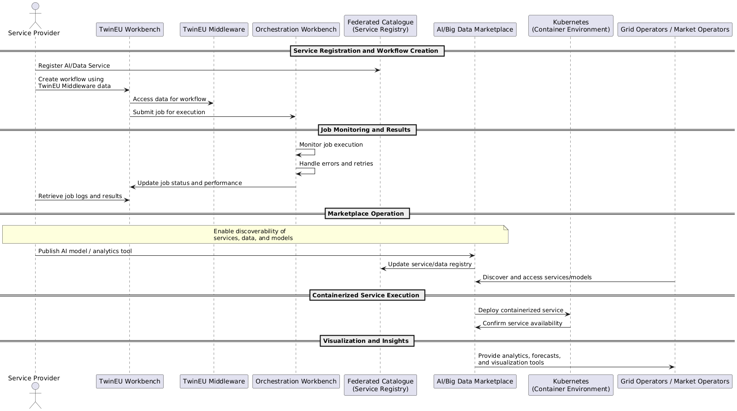

Functional Requirement ID | Name | Description | Related Use case(s) | Note from ENG | Note: is the requirement applicable?/ Should it be modified or removed?/ should it be optional etc./Add the missing FURs
OneNet_FUR_08 | TwinEU system must be able to manage and certificate the identity of each TwinEU Participant | TwinEU system manage the identities of all the TwinEU participants offering an Identity Provider | OneNet: GSUC 1, GSUC 2, GSUC 3
OneNet_FUR_09 | TwinEU system must be able to register/unregister a Data Space connector | Data Space Connector need to register itself before starting any data exchange process | OneNet: GSUC 1, GSUC 2, GSUC 3
OneNet_FUR_10 | Each TwinEU Participant must be uniquely identified using certification | TwinEU Participants are uniquely identified within the TwinEU ecosystem, using certification process and establishing trust among all participants. | OneNet: GSUC 1, GSUC 2, GSUC 3
OneNet_FUR_11 | Each Data Space Connector have a unique certificate and identifier |  | OneNet: GSUC 1, GSUC 2, GSUC 3
OneNet_FUR_12 | Each Data Space Connector is able to verify the identity of the other Data Space Connectors |  | OneNet: GSUC 1, GSUC 2, GSUC 3
OneNet_FUR_13 | TwinEU participant must be able to run the Data Space connector in its own environment | TwinEU Middleware leverage on the IDS decentralized approach. The Data Space Connector provided by TwinEU must be deployable in any environment | OneNet: GSUC 1, GSUC 2, GSUC 3
OneNet_FUR_14 | The TwinEU Participant must be able to configure its own Data Space Connector | Data Space connectors are configurable by the TwinEU participants using specific interfaces | OneNet: GSUC 1, GSUC 2, GSUC 3
OneNet_FUR_15 | The Data Space connector must be able to send metadata of a data source to one or more Brokers | Once the connector is configured it is able to connect the Brokers for starting data exchange. The connector is able to provide and/or search metadata as well as discover for new data sources and participants. | OneNet: GSUC 1, GSUC 2, GSUC 3
OneNet_FUR_16 | The Participant must be able to search and discover other TwinEU Participants |  | OneNet: GSUC 1, GSUC 2, GSUC 3
OneNet_FUR_17 | The Data Space Connector must be able to search for metadata connecting to a Broker |  | OneNet: GSUC 1, GSUC 2, GSUC 3
OneNet_FUR_18 | The Data Space Connector must be able to exchange data with other connectors using pull and/or push mechanisms | The data exchange process happens end-to-end exploiting pull or push mechanisms | OneNet: GSUC 1, GSUC 2, GSUC 3
OneNet_FUR_19 | The TwinEU system must be able to support the creation, management and usage of vocabularies | A feature provided by TwinEU system is the Vocabulary Provider. It manages and offers vocabularies (i.e., ontologies, reference data models, or metadata elements) that can be used to annotate and describe datasets. | OneNet: GSUC 1, GSUC 2, GSUC 3
OneNet_FUR_20 | The TwinEU participant could use vocabularies for creating and structuring its metadata |  | OneNet: GSUC 1, GSUC 2, GSUC 3
OneNet_FUR_21 | The TwinEU system should offer data services/apps for data processing and transformation | One of the main features of the TwinEU system is the possibility to enrich, transform, validate and harmonize the data processed. In addition, the TwinEU allow to log all the data transaction. | OneNet: GSUC 1, GSUC 2, GSUC 3
OneNet_FUR_22 | The TwinEU system should be able to log any data transaction between any TwinEU participant |  | OneNet: GSUC 1, GSUC 2, GSUC 3
OneNet_FUR_23 | The TwinEU system should be able to assess the quality of data processed |  | OneNet: GSUC 1, GSUC 2, GSUC 3
OneNet_FUR_24 | The TwinEU system should be able to perform a semantic validation of the data processed |  | OneNet: GSUC 1, GSUC 2, GSUC 3
OneNet_FUR_25 | The TwinEU system could use AI mechanism for empowering Data services | For improving the Data Services offered by the TwinEU system, some AI mechanism could be implemented. | OneNet: GSUC 1, GSUC 2, GSUC 3
OneNet_FUR_27 | The TwinEU Orchestration Workbench must be able to manage data and service orchestration | The TwinEU Orchestration Workbench aims to support the data orchestration for the evaluation of the performance and scalability of the AI, IoT and Big Data cross-platform services for market and grid operations. The TwinEU Orchestration Workbench allows to integrate data coming from the TwinEU middleware and implement a data pipeline orchestration. It also should include: Job Scheduling App/Service registry and discovery Error/Retries management SLAs tracking, alerting and notification. The system should provide a centralized AI & Big Data marketplace for discovering, integrating, and utilizing AI-driven services and analytics tools. The system should support service registration and discovery through an IDSA-compliant Federated Catalogue.(added in TwinEU) | GSUC2
OneNet_FUR_28 | The TwinEU Orchestration Workbench must be able to integrate data using the TwinEU Middleware |  | GSUC2
OneNet_FUR_29 | The Service Provider must be able to register its service in the TwinEU Orchestration Workbench |  | GSUC2
OneNet_FUR_30 | The Service Provider must be able to create a data workflow using the Orchestration Workbench |  | GSUC2
OneNet_FUR_31 | The Service Provider must be able to evaluate the performance of its own service |  | GSUC2
OneNet_FUR_32 | The TwinEU Orchestration Workbench should provide a service catalogue to the TwinEU Participants |  | GSUC2
OneNet_FUR_33 | The TwinEU system should offer a UI dashboard to TwinEU Participants for monitoring and analytics | The TwinEU system should implement a GUI for facilitating the TwinEU Participants in the management, monitoring and analytics of the data transactions. | GSUC2
GSUC_02_01 | AI & Big Data Marketplace for providers | The system should allow service providers to publish and manage AI models, services, and data assets. | GSUC2
GSUC_02_02 | AI & Big Data Marketplace for consumers | The system should enable data consumers to access and integrate available AI-driven services via standardized APIs. | GSUC2
GSUC_02_03 | Predictive Analytics and Data-Driven AI Solutions | The system could offer real-time anomaly detection to identify inconsistencies in energy data and prevent disruptions. | GSUC2

GFURs 1
Name GSUC | Cross-Platform Energy Data Exchange for market-based flexibility management Federated Digital Twin (FDT) ecosystem for Energy System Integration (Initially taken from OneNet, but greatly changed)
GSUC ID | GSUC_01
 | Please review also sequence diagrams and add/change/delete steps if needed
Objectives | • Enable the cross-platform data exchange
 | • Ensure a standardized connection of different platforms
 | • Allow the discovery of data sources and services
 | • Definition of common vocabularies for improving interoperability
 | • Manage data exchange in a secure and trusted way
 | Establish a Digital Twin Federation as an ecosystem of interconnected local Digital Twins forming a cohesive system-of-systems.
 | Develop interoperable interfaces to facilitate seamless bidirectional data flow between physical and virtual entities.
 | Enable the Digital Twin concept for flexible integration with heterogeneous data sources and infrastructures.
 | Utilize the Data Space Connector for DT to integrate DTs data and models in a seamless and interoperable way, ensuring data control and security.
 | Lay the foundation for the pan-European Digital Twin ecosystem, supporting an integrated data value chain from the physical layer to grid services.
 | Implement the Data Space Framework for FDT (Federated Digital Twin) as a core framework for orchestrating data sharing, model exchange, and real-world data integration across DT clusters. Support orchestration of data and model sharing, data exchange, and real-world data integration across Digital Twin clusters through a Data Space Framework.
Narrative | This General TwinEU SUC describes the main steps to allow a cross-platform energy data-exchange using TwinEU Middleware. This cross-platform data exchange enables several cross-platform services for market-based flexibility management (e.g., pre-qualification, market phase, service activation, etc.) The cross-platform data-exchanged is based on IDS reference model and foresees an interaction between the TwinEU Participants (platforms, applications or services that act as Data Provider or Data Consumer) and the TwinEU Middleware. The TwinEU system includes several components for managing the data-exchange in a standard, secure and trusted way.
 | A fundamental concept introduced by the TwinEU architecture is Digital Twin Federation, a distributed and interconnected system of local Digital Twins that collectively operate as a system.
 | The key part of this federation is the Digital Twin, designed to support the effortless integration of diverse data sources and infrastructures, regardless of their structure and format. By integrating with the Data Space connector, the Digital Twin Federation layer leverages IoT, edge computing, and edge nodes, ensuring effective data acquisition, processing, and utilization.
 | A key enabler of this architecture is the Federated Digital Twin Layer, which plays a pivotal role in:
 | Integrating heterogeneous network models across national Digital Twin clusters.
 | Orchestrating data sharing and exchange processes among these clusters.
 | Enhancing simulation and analysis capabilities real-time decision support by incorporating real-world live operational data.
 | This approach creates an integrated data value chain, enabling a resilient, sustainable, and efficient energy system across Europe. The Federated Digital Twin Framework ensures better decision-making, predictive analysis, and operational efficiency, driving innovation and collaboration in the energy ecosystem.

Steps | Define and implement a standardized framework for Digital Twin Federation. Digital Twins register to the Federated Digital Twin Layer following standardized connection protocols.
 | Digital Twins expose and consume real-world and virtual data through standardized interoperable APIs. Develop interoperable interfaces to enable bidirectional data flow.
 | Integrate Digital Twins to support various data formats and structures. Digital Twins ingest and publish data from heterogeneous sources across the Federated Layer.
 | Utilize Data Space connector for IoT and edge computing integration to enhance real-time data processing. Digital Twins connect via the Data Space Connector to access IoT and edge computing resources for enhanced data processing and actuation.
 | Deploy the Federated Digital Twin Layer to facilitate data sharing, model orchestration, and real-world integration. The Federated Digital Twin Layer mediates model exchange, data sharing, and orchestrated simulation across Digital Twins.
 | Establish a governance model for managing interactions and ensuring security across the DT Federation. All interactions across the Federated Digital Twin Layer occur under a shared governance policy ensuring secure, trusted, and authorized operations.
 | Validate interoperability between national Digital Twin clusters through simulation and real-world testing. Digital Twin Clusters dynamically exchange operational data and simulation outputs to validate interoperability during real-world operations.
Involved Platforms/ actors | TwinEU Participant
 | o Data Provider
 | o Data Consumer
 | TwinEU System
 | o Broker Service Provider
 | o Broker Service Registry
 | o Identity Provider
 | o Clearing House
 | o Vocabulary Provider
 | Digital Twin Federation Layer:
 | Digital Twin Layer Middleware
 | Digital Twins
 | Data Space Connector
 | TwinEU System:
 | IoT and Edge Computing Infrastructure
 | Data Orchestration and Interoperability Layer, (e.g. Middleware, GUI for the whole ecosystem);
 | Key Partticipants: Grid Operators, Policy Makers, Market Participants, and Domain Experts
Sequence Diagrams | actor "DT Administrator" as Admin participant "Digital Twin" as DT participant "Federated DT Layer" as FDT participant "Data Space Connector" as Connector participant "Heterogeneous\nData Sources" as DataSources participant "IoT / Edge Infrastructure" as Edge participant "Other DT Clusters" as DTClusters participant "Governance Authority" as Governance == Registration and Standardized Connection == Admin -> DT : Configure Digital Twin DT -> FDT : Register with standardized protocol FDT -> Governance : Verify registration policy compliance == Data Exchange and Integration == DT -> DataSources : Ingest real-world data DT -> FDT : Publish data via interoperable APIs FDT -> DT : Route data requests to relevant DTs DT -> DT : Exchange operational/simulation data == Federated Processing and Actuation == DT -> Connector : Connect to Data Space Connector Connector -> Edge : Access edge/IoT resources Edge --> DT : Return processed results / triggers == Orchestrated Simulation and Model Exchange == FDT -> DT : Request simulation/model sharing DT -> FDT : Provide model/output data FDT -> DTClusters : Distribute data to validate interoperability == Governance and Security == FDT -> Governance : Log activity and enforce shared policies Governance -> FDT : Confirm policy enforcement DT -> FDT : Operate under secure, authorized conditions | 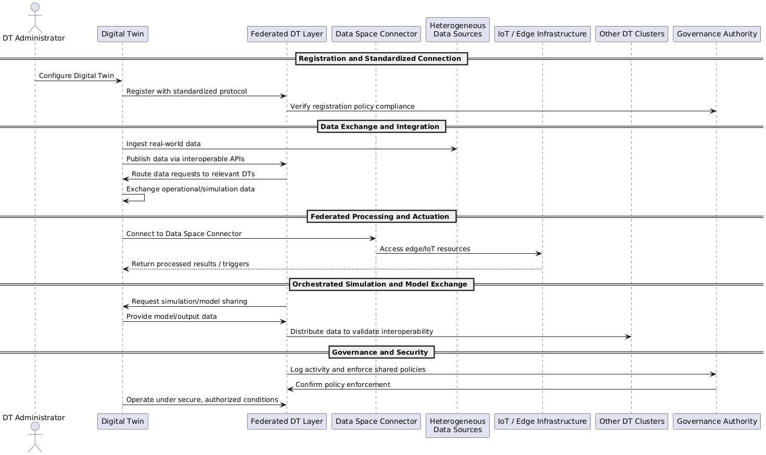

Functional Requirement ID | Name | Description | Related Use case(s) | Note from ENG | Note: is the requirement applicable?/ Should it be modified or removed?/ should it be optional etc./Add the missing FURs
GSUC_01_01 | Digital Twin Federation Integration | The system must enable the creation of a Digital Twin Federation by integrating local Digital Twins into a system-of-systems. | GSUC 1
GSUC_01_02 | Bidirectional Data Exchange for Physical and Virtual Entities | The system should provide bidirectional data flow between physical and virtual entities. | GSUC 1
GSUC_01_03 | Seamless Interoperability Across Digital Twins | The system should ensure seamless interoperability between different Digital Twins, regardless of their underlying data structures and models. | GSUC 1
GSUC_01_04 | Secure Digital Twin Data Exchange via Data Space Connector | The system should utilize the Data Space Connector to enable secure and controlled data sharing between Digital Twins. | GSUC 1
GSUC_01_05 | Scalable Federated Computing Architecture Support | The system should support distributed and federated computing architectures to enhance scalability. | GSUC 1
GSUC_01_06 | Federated Digital Twin Data Space Orchestration | The system should implement a Data Space Framework for orchestrating data sharing, model exchange, and real-world data integration across Digital Twin clusters. | GSUC 1
GSUC_01_07 | Regulatory-Compliant Data Exchange Governance | The system should ensure that all data exchanges follow data governance policies and regulatory compliance requirements. | GSUC 1
GSUC_01_08 | Integration of heterogeneous data sources | The system shall enable integration of heterogeneous data sources regardless of their structure or format. | GSUC 1
GSUC_01_09 | Service Orchestration | The system should allow dynamic orchestration of services, enabling users to define and manage workflows. | GSUC 1
GSUC_01_10 | Trusted and authorized Digital Twins | The system shall verify that only trusted and authorized Digital Twins are permitted to participate in data exchange | GSUC 1
GSUC_01_11 | Data versioning and traceability | The system could enable data versioning and traceability to track data provenance and integrity. | GSUC 1 | General functionality, probably common to several GSUCs, more or less modified
GSUC_01_12 | Role-Based Access Control for Secure Data Exchange | The system should allow role-based access control (RBAC) for data exchange, ensuring that only authorized entities can access or modify data. | GSUC 1 | General functionality, probably common to several GSUCs, more or less modified
GSUC_01_13 | Error-handling mechanism | The system could include an error-handling mechanism that enables automatic retries and logs failures for further analysis. | GSUC 1 | General functionality, probably common to several GSUCs, more or less modified. More of the FUR than NFUR
GSUC_01_14 | Identity management | The system should implement a robust identity management framework to authenticate and authorize Digital Twin actors. | GSUC 1 | General functionality, probably common to several GSUCs, more or less modified
GSUC_01_15 | Governance model | The system should include a governance model to manage interactions and security policies across the Digital Twin Federation. | GSUC 1 | General functionality, probably common to several GSUCs, more or less modified
GSUC_01_16 | Validation of DT | The system could support real-world validation of Digital Twin interoperability through simulation environments. | GSUC 1 | General functionality, probably common to several GSUCs, more or less modified. More of the FUR than NFUR
GSUC_01_17 | Policy-driven optimizations | The system should allow policy-driven optimizations to ensure regulatory compliance and efficient energy market operations. | GSUC 1 | General functionality, probably common to several GSUCs, more or less modified
GSUC_01_18 | Enforced Data Retention Policy for Sensor Data | The system will not store raw sensor data indefinitely but will implement a data retention policy aligned with regulatory and operational needs. | GSUC 1 | Example of WON'T in MoSCoW prioritazation

