List
Troughing? |  | Belt Material | Belt Weight |  |  |  |  | Shaft Material |  |  |  |  | Shaft Sizes | Shaft Fatigue |  | Pulley Diameter | Take Up Type | Wrap Factor |  |  |  | Plow Data lbs/in Width |  | Idler Pulley Data |  | Roll Diameter Factor |  | Impact Idler Spacing Factor |  |  | Trough Angle | Flat |  | Mounting |  | Motor |  | HP | Drive Type | Service Duty | Support Structure | E-STOP | Zero Speed | Belt Alignment Switch | Bearing Information |  |  | Idler Information |  |  |  |  |  | Take Up Lengths
Yes |  | Fabric |  | 30-74 | 75-129 | 130-200 |  |  | Sut | Sy | E |  | 1.9375 | ka | 0.8 | 12 | Manual | Lagged? | Automatic | Lagged? | Manual | Full V | 5 | 6 | 1.5 | 5 | 1.25 | 1 | 0.5 | 1 | 0 | 15° Surcharge |  | M1 | B5 Flange | None | Not Specified | 1 | Shaft Mounted Drive | Light | Painted Steel | RS-2 | Dazic RotoGuard w/ Shaft Coupler 6183K803 | None | Shaft Dia | Model |  | Width | Superior 20 Deg 5" Troughing | Superior 35 Deg 5" Troughing | Superior 45 Deg 5" Troughing | Superior 5" Flat Carrying | Superior 5" Return | 48
No |  | Steel Core | 18 | 3.5 | 4 | 4.5 |  | 304 SS | 70000 | 30000 | 29000000 |  | 2.4375 | kb | #DIV/0! | 14 | Gravity | Yes | 0.5 | Yes | 0.8 | Partial V | 3 | 5 | 1.8 | 6 | 1.5 | 1.5 | 0.7 | 1.5 | 20 | 100 FPM |  | M2 | B14 Flange | Class 1 Div 1 | NEMA A | 1.5 | Chain and Sprocket | Standard | HDG | RS-5 | SCP1000/SPC2000 | TA-2 | 1.9375 | P-B22431H | 25900 | 18 | C5-20E-18-MOX | C5-35E-18-MOX | C5-45E-18-MOX | C5-FLT-18-MOX | C5-RET-18 | 42
 |  |  | 24 | 4.5 | 5.5 | 6 |  | 316 SS | 70000 | 30000 | 29000000 |  | 2.9375 | kc | 0.897 | 16 |  | No | 0.84 | No | 1.2 | None | 0 |  |  |  |  | 2 | 0.9 | 2 | 35 | Belt width | Capacity ft3/hr/fpm | M3 | Foot | Class 1 Div 2 | NEMA B | 2 | Motorized Drum Pulley | Heavy | 304 SS | RS-2X | MSD-1/MSD 800 | TA-2X | 2.4375 | P-B22439H | 38300 | 24 | C5-20E-24-MOX | C5-35E-24-MOX | C5-45E-24-MOX | C5-FLT-24-MOX | C5-RET-24 | 36
 |  |  | 30 | 6 | 7 | 8 |  | 1045 | 82000 | 45000 | 29000000 |  | 3.4375 | kd | 1 | 18 |  |  |  |  |  |  |  |  |  |  |  |  |  |  | 45 | 18 | 3.71 | M4 | Torque Arm | Class 2 Div 1 | NEMA C | 3 | V-Belt |  | 316 SS | RS-5X |  |  | 2.9375 | P-B22447H | 51200 | 30 | C5-20E-30-MOX | C5-35E-30-MOX | C5-45E-30-MOX | C5-FLT-30-MOX | C5-RET-30 | 30
LAGGING THICKNESS |  |  | 36 | 9 | 10 | 12 |  | 17-4PH | 160000 | 115000 | 28500000 |  |  | ke | 1 |  |  |  |  |  |  |  |  |  |  |  |  |  |  |  |  | 24 | 7.02 | M5 |  | Class 2 Div 2 |  | 5 |  |  |  |  |  |  | 3.4375 | P-B22455H | 62300 | 36 | C5-20E-36-MOX | C5-35E-36-MOX | C5-45E-36-MOX | C5-FLT-36-MOX | C5-RET-36 | 24
THICKNESS | DESIGNATION |  | 42 | 11 | 12 | 14 |  | 1018 | 58000 | 32000 | 29000000 |  |  |  |  |  |  |  |  |  |  |  |  |  |  |  |  |  |  |  |  | 30 | 11.38 | M6 |  |  |  | 7.5 |  |  |  |  |  |  |  |  |  | 42 | C5-20E-42-MOX | C5-35E-42-MOX | C5-45E-42-MOX | C5-FLT-42-MOX | C5-RET-42 | 18
0.25 | 14 |  | 48 | 14 | 15 | 17 |  |  |  |  |  |  |  | kf | 0.5 |  |  |  |  |  |  |  |  |  |  |  |  |  |  |  |  | 36 | 16.78 |  |  |  |  | 10 |  |  |  |  |  |  |  |  |  | 48 | C5-20E-48-MOX | C5-35E-48-MOX | C5-45E-48-MOX | C5-FLT-48-MOX | C5-RET-48 | 12
0.375 | 38 |  |  |  |  |  |  |  |  |  |  |  |  | sf* | #N/A |  |  |  |  |  |  |  |  |  |  |  |  |  |  |  |  | 42 | 23.23 |  |  |  |  | 12.3
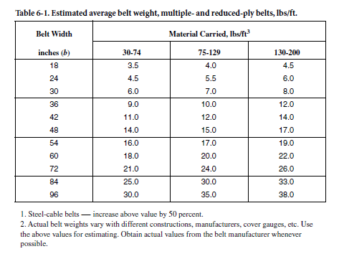
0.5 | 12 |  |  |  |  |  |  |  |  |  |  |  |  |  |  |  |  |  |  |  |  |  |  |  |  |  |  |  |  |  |  | 48 | 30.72 |  |  |  |  | 15
 |  |  |  |  |  |  |  |  |  |  |  |  |  |  |  |  |  |  |  |  |  |  |  |  |  |  |  |  |  |  |  |  |  |  |  |  |  | 20
 |  |  |  |  |  |  |  |  |  |  |  |  |  |  |  |  |  |  |  |  |  |  |  |  |  |  |  |  |  |  |  | 20° Trough |  |  |  |  |  | 25
 |  |  |  |  |  |  |  |  |  |  |  | Drive Efficiency |  |  |  |  |  |  |  |  |  |  |  |  |  |  |  |  |  |  |  | 15° Surcharge |  |  |  |  |  | 30
 |  |  |  |  |  |  |  |  |  |  |  | Shaft Mounted Drive | 0.95 |  |  |  |  |  |  |  |  |  |  |  |  |  |  |  |  |  |  | 100 FPM
 |  |  |  |  |  |  |  |  |  |  |  | Chain and Sprocket | 0.88 |  |  |  |  |  |  |  |  |  |  |  |  |  |  |  |  |  |  | Belt width | Capacity ft3/hr/fpm
 |  |  |  |  |  |  |  |  |  |  |  | Motorized Drum Pulley | 0.95 |  |  |  |  |  |  |  |  |  |  |  |  |  |  |  |  |  |  | 18 | 8.86
 |  |  |  |  |  |  |  |  |  |  |  | V-Belt | 0.93 |  |  |  |  |  |  |  |  |  |  |  |  |  |  |  |  |  |  | 24 | 16.99
 |  |  |  |  |  |  |  |  |  |  |  |  |  |  |  |  |  |  |  |  |  |  |  |  |  |  |  |  |  |  |  | 30 | 27.73
 |  |  |  |  |  |  |  |  |  |  |  |  |  |  |  |  |  |  |  |  |  |  |  |  |  |  |  |  |  |  |  | 36 | 41.07
 |  |  |  |  |  |  |  |  |  |  |  |  |  |  |  |  |  |  |  |  |  |  |  |  |  |  |  |  |  |  |  | 42 | 57.03
 |  |  |  |  |  |  |  |  |  |  |  |  |  |  |  |  |  |  |  |  |  |  |  |  |  |  |  |  |  |  |  | 48 | 75.6

 |  |  |  |  |  |  |  |  |  |  |  |  |  |  |  |  |  |  |  |  |  |  |  |  |  |  |  |  |  |  |  | 35° Trough
 |  |  |  |  |  |  |  |  |  |  |  |  |  |  |  |  |  |  |  |  |  |  |  |  |  |  |  |  |  |  |  | 15° Surcharge
 |  |  |  |  |  |  |  |  |  |  |  |  |  |  |  |  |  |  |  |  |  |  |  |  |  |  |  |  |  |  |  | 100 FPM
 |  |  |  |  |  |  |  |  |  |  |  |  |  |  |  |  |  |  |  |  |  |  |  |  |  |  |  |  |  |  |  | Belt width | Capacity ft3/hr/fpm
 |  |  |  |  |  |  |  |  |  |  |  |  |  |  |  |  |  |  |  |  |  |  |  |  |  |  |  |  |  |  |  | 18 | 11.69
 |  |  | Drip Pan Dead Load |  |  | Drip Pan Material |  |  | Risk Category |  | Soil Class |  |  |  |  |  |  |  |  |  |  |  |  |  |  |  |  |  |  |  |  | 24 | 22.41
 |  |  | Belt Width | lbs/ft |  | Belt Width | lbs/ft |  | I |  | A |  |  |  |  |  |  |  |  |  |  |  |  |  |  |  |  |  |  |  |  | 30 | 36.58
 |  |  | 18 | 15 |  | 18 | 36.4 |  | II |  | B |  |  |  |  |  |  |  |  |  |  |  |  |  |  |  |  |  |  |  |  | 36 | 54.19
 |  |  | 24 | 18 |  | 24 | 44.2 |  | III |  | C |  |  |  |  |  |  |  |  |  |  |  |  |  |  |  |  |  |  |  |  | 42 | 75.24
 |  |  | 30 | 21 |  | 30 | 52 |  | IV |  | D |  |  |  |  |  |  |  |  |  |  |  |  |  |  |  |  |  |  |  |  | 48 | 99.74
 |  |  | 36 | 23 |  | 36 | 59.8 |  |  |  | E
 |  |  | 42 | 26 |  | 42 | 67.6 |  |  |  | F |  |  |  |  |  |  |  |  |  |  |  |  |  |  |  |  |  |  |  |  | 45° Trough
 |  |  | 48 | 28 |  | 48 | 75.4 |  |  |  |  |  |  |  |  |  |  |  |  |  |  |  |  |  |  |  |  |  |  |  |  | 15° Surcharge
 |  |  |  |  |  |  |  |  |  |  |  |  |  |  |  |  |  |  |  |  |  |  |  |  |  |  |  |  |  |  |  | 100 FPM
 |  |  |  |  |  |  |  |  |  |  |  |  |  |  |  |  |  |  |  |  |  |  |  |  |  |  |  |  |  |  |  | Belt width | Capacity ft3/hr/fpm
 |  |  |  |  |  |  |  |  |  |  |  |  |  |  |  |  |  |  |  |  |  |  |  |  |  |  |  |  |  |  |  | 18 | 12.89
 |  |  |  |  |  |  |  |  |  |  |  |  |  |  |  |  |  |  |  |  |  |  |  |  |  |  |  |  |  |  |  | 24 | 24.67
 |  |  |  |  |  |  |  |  |  |  |  |  |  |  |  |  |  |  |  |  |  |  |  |  |  |  |  |  |  |  |  | 30 | 40.23
 |  |  |  |  |  |  |  |  |  |  |  |  |  |  |  |  |  |  |  |  |  |  |  |  |  |  |  |  |  |  |  | 36 | 59.55
 |  |  |  |  |  |  |  |  |  |  |  |  |  |  |  |  |  |  |  |  |  |  |  |  |  |  |  |  |  |  |  | 42 | 82.65
 |  |  |  |  |  |  |  |  |  |  |  |  |  |  |  |  |  |  |  |  |  |  |  |  |  |  |  |  |  |  |  | 48 | 109.53

Bio-BELT Cost Summary
Opr | Operation |  |  | Costs | Labor | Labor Rate |  |  |  |  |  |  |  |  |  | Date | Project Location | Salesperson
10 | PROJENG |  |  | $- | 0-hrs | $110.00 |  |  |  |  |  |  |  |  |  | 2024-01-01 | 0 | 0
20 | ASSEMBLY (SHOP LABOR) |  |  | $- | 0-hrs | $119.00 | Days
30 | FIELD SERVICE |  |  | $- | 0-hrs | $110.00 | -
40 | FINISHES, OFF SITE |  |  | $- | $- | $1.00
50 | METALS (RAW MATERIALS) |  |  | $-
60 | NON-METALLIC (RAW MATERIALS) |  |  | $-
70 | PURCHASED SYSTEMS |  |  | $-
80 | PURCHASED COMPONENTS |  |  | $-
90 | CONTROLS |  |  | $-
160 | FREIGHT |  |  | $- | Trips | Days | Additional |  | Price Level | Sale Price | Commission |  | GMaC |  | Cost (Less Comm.) |  | TOTAL RISK INCLUDED:
170 | EXPENSES |  |  | $- | - | - | $- |  | Base | #VALUE! | #VALUE! | 8% | 36.00% | #VALUE! | $- |  | #DIV/0!
230 | RISK |  |  | $- |  |  |  |  | Mid | #VALUE! | #VALUE! | 6% | 33.00% | #VALUE! | $-
JMS TOTAL |  |  |  | $- |  |  |  |  | Low | #VALUE! | #VALUE! | 4% | 30.00% | #VALUE! | $-
CALCULATE COST
180 | Commission |  |  | $0 | 0% | <--DROPDOWN |  |  | Buy/Resell | #VALUE! | $- | 0% | #VALUE! | #VALUE! | $-
 | TOTAL COST |  |  | $-

PURCHASED PART UPDATE
FINISHES, OFF SITE
Qty. | Part Number | Part Description |  |  |  |  | Vendor | Quote/ PO # | Quote/PO Date | Quote Validity Date | Total Engineering | Labor Hours EA. | Total Labor | Unit Cost | Total
 |  |  |  |  |  |  |  |  |  |  | 0 | 0 | 0 | $- | $-
METAL PRICING UPDATE
 |  |  |  |  |  |  |  |  |  |  | 0 | 0 | 0 | $- | $-
 |  |  |  |  |  |  |  |  |  |  | 0 | 0 | 0 | $- | $-
 |  |  |  |  |  |  |  |  |  |  | 0 | 0 | 0 | $- | $-
 |  |  |  |  |  |  |  |  |  |  | 0 | 0 | 0 | $- | $-
 |  |  |  |  |  |  |  |  |  |  | 0 | 0 | 0 | $- | $-
 |  |  |  |  |  |  |  |  |  |  | 0 | 0 | 0 | $- | $-
 |  |  |  |  |  |  |  |  |  |  | 0 |  | 0 | Total Finishes Cost = | $-

METALS (RAW MATERIALS)
No. Pieces | Part Number | Part Description |  |  |  |  | QTY. | UOM | Engineering Hours EA. | Total Engineering | Labor Hours EA. | Total Labor | Misc. | Unit Material Cost | Total
 |  |  |  |  |  |  |  |  | 0 | 0 | 0 | 0 |  | $- | $-
 |  |  |  |  |  |  |  |  | 0 | 0 | 0 | 0 |  | $- | $-
 |  |  |  |  |  |  |  |  | 0 | 0 | 0 | 0 |  | $- | $-
 |  |  |  |  |  |  |  |  | 0 | 0 | 0 | 0 |  | $- | $-
 |  |  |  |  |  |  |  |  | 0 | 0 | 0 | 0 |  | $- | $-
 |  |  |  |  |  |  |  |  | 0 | 0 | 0 | 0 |  | $- | $-
 |  |  |  |  |  |  |  |  | 0 | 0 | 0 | 0 |  | $- | $-
 |  |  |  |  |  |  |  |  | 0 | 0 | 0 | 0 |  | $- | $-
 |  |  |  |  |  |  |  |  | 0 | 0 | 0 | 0 |  | $- | $-
 |  |  |  |  |  |  |  |  | 0 | 0 | 0 | 0 |  | $- | $-
 |  |  |  |  |  |  |  |  | 0 | 0 | 0 | 0 |  | $- | $-
 |  |  |  |  |  |  |  |  | 0 | 0 | 0 | 0 |  | $- | $-
 |  |  |  |  |  |  |  |  | 0 | 0 | 0 | 0 |  | $- | $-
 |  |  |  |  |  |  |  |  | 0 | 0 | 0 | 0 |  | $- | $-
 |  |  |  |  |  |  |  |  | 0 | 0 | 0 | 0 |  | $- | $-
 |  |  |  |  |  |  |  |  | 0 | 0 | 0 | 0 |  | $- | $-
 |  |  |  |  |  |  |  |  | 0 | 0 | 0 | 0 |  | $- | $-
 |  |  |  |  |  |  |  |  | 0 | 0 | 0 | 0 |  | $- | $-
 |  |  |  |  |  |  |  |  |  | 0 |  | 0 | Total Metals Material Cost = |  | $-

NON-METALLIC (RAW MATERIALS)
No. Pieces | Part Number | Description |  |  |  |  | QTY. | UOM | Engineering Hours EA. | Total Engineering | Labor Hours EA. | Total Labor | Misc. | Unit Material Cost | Total
 |  |  |  |  |  |  |  |  | 0 | 0 | 0 | 0 |  | $- | $-
 |  |  |  |  |  |  |  |  | 0 | 0 | 0 | 0 |  | $- | $-
 |  |  |  |  |  |  |  |  | 0 | 0 | 0 | 0 |  | $- | $-
 |  |  |  |  |  |  |  |  | 0 | 0 | 0 | 0 |  | $- | $-
 |  |  |  |  |  |  |  |  | 0 | 0 | 0 | 0 |  | $- | $-
 |  |  |  |  |  |  |  |  | 0 | 0 | 0 | 0 |  | $- | $-
 |  |  |  |  |  |  |  |  | 0 | 0 | 0 | 0 |  | $- | $-
 |  |  |  |  |  |  |  |  |  | 0 |  | 0 | Total Non-Metallic Material Cost = |  | $-

PURCHASED SYSTEMS
Qty. | Part Number | Part Description |  |  |  |  | Vendor | Quote/ PO # | Quote/PO Date | Quote Validity Date | Total Engineering | Labor Hours EA. | Total Labor | Unit Cost | Total
 |  |  |  |  |  |  |  |  |  |  | 0 | 0 | 0 | $- | $-
 |  |  |  |  |  |  |  |  |  |  | 0 | 0 | 0 | $- | $-
 |  |  |  |  |  |  |  |  |  |  | 0 | 0 | 0 | $- | $-
 |  |  |  |  |  |  |  |  |  |  | 0 | 0 | 0 | $- | $-
 |  |  |  |  |  |  |  |  |  |  | 0 | 0 | 0 | $- | $-
 |  |  |  |  |  |  |  |  |  |  | 0 | 0 | 0 | $- | $-
 |  |  |  |  |  |  |  |  |  |  | 0 | 0 | 0 | $- | $-
 |  |  |  |  |  |  |  |  |  |  | 0 |  | 0 | Total Purchased Systems Cost = | $-

PURCHASED COMPONENTS
Qty. | Part Number | Part Description |  |  |  |  | Vendor | Quote/ PO # | Quote/PO Date | Quote Validity Date | Total Engineering | Labor Hours EA. | Total Labor | Unit Cost | Total
 |  |  |  |  |  |  |  |  |  |  | 0 | 0 | 0 | $- | $-
 |  |  |  |  |  |  |  |  |  |  | 0 | 0 | 0 | $- | $-
 |  |  |  |  |  |  |  |  |  |  | 0 | 0 | 0 | $- | $-
 |  |  |  |  |  |  |  |  |  |  | 0 | 0 | 0 | $- | $-
 |  |  |  |  |  |  |  |  |  |  | 0 | 0 | 0 | $- | $-
 |  |  |  |  |  |  |  |  |  |  | 0 | 0 | 0 | $- | $-
 |  |  |  |  |  |  |  |  |  |  | 0 | 0 | 0 | $- | $-
 |  |  |  |  |  |  |  |  |  |  | 0 | 0 | 0 | $- | $-
 |  |  |  |  |  |  |  |  |  |  | 0 | 0 | 0 | $- | $-
 |  |  |  |  |  |  |  |  |  |  | 0 | 0 | 0 | $- | $-
 |  |  |  |  |  |  |  |  |  |  | 0 | 0 | 0 | $- | $-
 |  |  |  |  |  |  |  |  |  |  | 0 | 0 | 0 | $- | $-
 |  |  |  |  |  |  |  |  |  |  | 0 | 0 | 0 | $- | $-
 |  |  |  |  |  |  |  |  |  |  | 0 | 0 | 0 | $- | $-
 |  |  |  |  |  |  |  |  |  |  | 0 | 0 | 0 | $- | $-
 |  |  |  |  |  |  |  |  |  |  | 0 | 0 | 0 | $- | $-
 |  |  |  |  |  |  |  |  |  |  | 0 | 0 | 0 | $- | $-
 |  |  |  |  |  |  |  |  |  |  | 0 | 0 | 0 | $- | $-
 |  |  |  |  |  |  |  |  |  |  | 0 | 0 | 0 | $- | $-
 |  |  |  |  |  |  |  |  |  |  | 0 | 0 | 0 | $- | $-
 |  |  |  |  |  |  |  |  |  |  | 0 | 0 | 0 | $- | $-
 |  |  |  |  |  |  |  |  |  |  | 0 | 0 | 0 | $- | $-
 |  |  |  |  |  |  |  |  |  |  | 0 | 0 | 0 | $- | $-
 |  |  |  |  |  |  |  |  |  |  | 0 | 0 | 0 | $- | $-
 |  |  |  |  |  |  |  |  |  |  | 0 | 0 | 0 | $- | $-
 |  |  |  |  |  |  |  |  |  |  | 0 | 0 | 0 | $- | $-
 |  |  |  |  |  |  |  |  |  |  | 0 | 0 | 0 | $- | $-
 |  |  |  |  |  |  |  |  |  |  | 0 |  | 0 | Total Purchased Components Cost = | $-

CONTROLS
Qty. | Part Number | Part Description |  |  |  |  | Vendor | Quote/ PO # | Quote/PO Date | Quote Validity Date | Total Engineering | Labor Hours EA. | Total Labor | Unit Cost | Total
 |  |  |  |  |  |  |  |  |  |  | 0 | 0 | 0 | $- | $-
 |  |  |  |  |  |  |  |  |  |  | 0 | 0 | 0 | $- | $-
 |  |  |  |  |  |  |  |  |  |  | 0 | 0 | 0 | $- | $-
 |  |  |  |  |  |  |  |  |  |  | 0 | 0 | 0 | $- | $-
 |  |  |  |  |  |  |  |  |  |  | 0 | 0 | 0 | $- | $-
 |  |  |  |  |  |  |  |  |  |  | 0 | 0 | 0 | $- | $-
 |  |  |  |  |  |  |  |  |  |  | 0 | 0 | 0 | $- | $-
 |  |  |  |  |  |  |  |  |  |  | 0 | 0 | 0 | $- | $-
 |  |  |  |  |  |  |  |  |  |  | 0 | 0 | 0 | $- | $-
 |  |  |  |  |  |  |  |  |  |  | 0 | 0 | 0 | $- | $-
 |  |  |  |  |  |  |  |  |  |  | 0 | 0 | 0 | $- | $-
 |  |  |  |  |  |  |  |  |  |  | 0 | 0 | 0 | $- | $-
 |  |  |  |  |  |  |  |  |  |  | 0 | 0 | 0 | $- | $-
 |  |  |  |  |  |  |  |  |  |  | 0 | 0 | 0 | $- | $-
 |  |  |  |  |  |  |  |  |  |  | 0 | 0 | 0 | $- | $-
 |  |  |  |  |  |  |  |  |  |  | 0 |  | 0 | Total Controls Cost = | $-

SHIPPING
 |  |  |  |  |  |  |  | From - To |  |  | Mi. | $/mi. | $/Load | # Loads | Total
 |  |  |  |  |  |  |  | Conv. Mfg to ??? |  |  | 0 | $3.00 | $- | 0 | $-
 |  |  |  |  |  |  |  | JMS to ??? |  |  | 0 | $3.00 | $- | 0 | $-
 |  |  |  |  |  |  |  |  |  |  |  |  |  |  | $-
 |  |  |  |  |  |  |  |  |  |  |  |  |  |  | $-
 |  |  |  |  |  |  |  | INBOUND FREIGHT |  |  |  |  |  |  | $-
 |  |  |  |  |  |  |  | MAT. HANDLING/SKID |  |  |  |  |  |  | $-
Total Freight Cost = |  |  |  |  |  |  |  |  |  |  |  |  |  |  | $-

EXPENSES
Qty. | Part Number | Part Description |  |  |  |  | Vendor | Quote/ PO # | Quote/PO Date | Quote Validity Date | Total Engineering | Labor Hours EA. | Total Labor | Unit Cost | Total
 |  |  |  |  |  |  |  |  |  |  | 0 | 0 | 0 | $- | $-
 |  |  |  |  |  |  |  |  |  |  | 0 | 0 | 0 | $- | $-
 |  |  |  |  |  |  |  |  |  |  | 0 | 0 | 0 | $- | $-
 |  |  |  |  |  |  |  |  |  |  | 0 | 0 | 0 | $- | $-
 |  |  |  |  |  |  |  |  |  |  | 0 | 0 | 0 | $- | $-
 |  |  |  |  |  |  |  |  |  |  | 0 | 0 | 0 | $- | $-
 |  |  |  |  |  |  |  |  |  |  | 0 | 0 | 0 | $- | $-
 |  |  |  |  |  |  |  |  |  |  | 0 |  | 0 | Total Expense Cost = | $-

RISK
Risk # | Risk Title |  | Risk Category |  | Risk Description |  |  | Risk Cost |  | Probability |  | Risk Total Impact ($) |  | Risk Cost Description
1 | Risk Reserve |  | Project cost |  | Mandatory risk involved |  |  | $- |  | 5.0% |  | $- |  | 5% of total project cost
2 | Metal Tariffs |  | Procurement |  | Potential Impact from Tariffs for Metals |  |  | $- |  | 10% |  | $- |  | 10% 0f Metals (Raw Material)
3 |  |  |  |  |  |  |  |  |  |  |  | $-
4 |  |  |  |  |  |  |  |  |  |  |  | $-
5 |  |  |  |  |  |  |  |  |  |  |  | $-
6 |  |  |  |  |  |  |  |  |  |  |  | $-
7 |  |  |  |  |  |  |  |  |  |  |  | $-
Totals |  |  | 2 |  |  |  |  | $- |  | #DIV/0! |  | Total Risk= |  |  | $-

TAIL-HEAD SECTIONS
HEAD & TAIL SECTIONS |  |  |  |  |  |  |  |  |  |  |  |  |  |  |  |  |  | 0 | 0
SELECT MATERIAL OF CONSTRUCTION AND BELT SIZE --------------------->
Qty. | PART NUMBER | DESCRIPTION |  |  | BUCKET | THICKNESS (IN.) | WIDTH (IN.) | LENGTH (IN.) | DENSITY N/A=FT/SQ. FT. | UNIT QTY | PURCH. UOM | ASSY QTY | TOTAL QTY | Total Weight (lb) | UNIT COST ($) | ASSY COST ($) | TOTAL COST ($) | QTY | MATERIAL COST | LABOR HOURS | PURCHASED COST | NON-METAL COST
BELT TAIL SECTION FRAME |  |  |  |  |  |  |  |  |  |  |  |  |  |  |  |  |  | 1 | #VALUE! | 25 | $92.19 | $0.00
2 | 101963 | 21051-M104-1 DRUM SUPPORT FRAME LH/RH |  |  | RAW | 0.25 | 11.75 | 56.125 | 0.289 | 47.65 | LBS | 95.29 | 95.29 | 95.29-lbs | $2.65 | $252.53 | $252.53
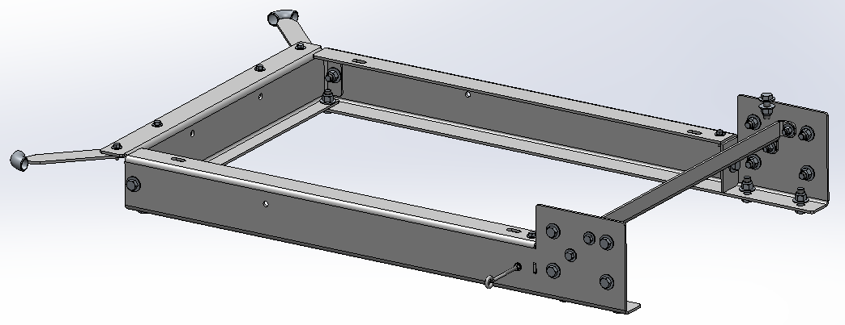
2 | 101963 | 21051-M104-2 GUSSET |  |  | RAW | 0.25 | 2.875 | 4.875 | 0.289 | 1.01 | LBS | 2.03 | 2.03 | 2.03-lbs | $2.65 | $5.37 | $5.37
1 | 101963 | 21051-F122 CROSS SUPPORT MEMBER |  |  | RAW | 0.25 | 9.17 | N/A | 0.289 | #VALUE! | LBS | #VALUE! | #VALUE! | #VALUE! | $2.65 | #VALUE! | #VALUE!
1 | 101963 | J20F009 CROSS MEMBER |  |  | RAW | 0.25 | 3.52 | N/A | 0.289 | #VALUE! | LBS | #VALUE! | #VALUE! | #VALUE! | $2.65 | #VALUE! | #VALUE!
2 | 101963 | J20p012 CABLE GUIDE EAR |  |  | RAW | 0.25 | 2 | 11.39 | 0.289 | 1.65 | LBS | 3.29 | 3.29 | 3.29-lbs | $2.65 | $8.72 | $8.72
1 | #N/A | DRIVE SHAFT |  |  | RAW | 2.9375 | N/A | N/A | 1.92 | #VALUE! | FT | #VALUE! | #VALUE! | #VALUE! | #N/A | #VALUE! | #VALUE!
4 | 101963 | Temp. Shipping Leg |  |  | RAW | 0.25 | 5.15 | 33.13 | 0.289 | 12.33 | LBS | 49.31 | 49.31 | 49.31-lbs | $2.65 | $130.67 | $130.67
2 | 501070 | 501070 LONG 90 DEG ELBOW |  |  | PURCHASED |  |  |  |  | 1 | EA | 2 | 2 | 2.00-lbs | $12.81 | $25.62 | $25.62
2 | H51-031X600-00 | H51-050 EYEBOLT KIT (CABLE GUIDE) |  |  | PURCHASED | HARDWARE |  |  |  | 1 | EA | 2 | 2 |  | $1.70 | $3.40 | $3.40
6 | H00-063X200-02 | H00-063X200-02 |  |  | PURCHASED | HARDWARE |  |  |  | 1 | EA | 6 | 6 |  | $3.21 | $19.27 | $19.27
12 | H00-063X175-02 | H00-063X175-02 |  |  | PURCHASED | HARDWARE |  |  |  | 1 | EA | 12 | 12 |  | $2.83 | $33.96 | $33.96
4 | H00-050X175-02 | H00-050X175-02 |  |  | PURCHASED | HARDWARE |  |  |  | 1 | EA | 4 | 4 |  | $1.58 | $6.32 | $6.32
6 | H00-038X175-02 | H00-375X175-02 |  |  | PURCHASED | HARDWARE |  |  |  | 1 | EA | 6 | 6 |  | $0.60 | $3.63 | $3.63
 |  | LABOR |  |  |  | 25 | MH
 |  | PURCHASED | $92.19 | RAW | #VALUE! |  | NON-METAL | $0.00 |  |  |  |  | Total Weight= | #VALUE! | Subtotal= |  | #VALUE!

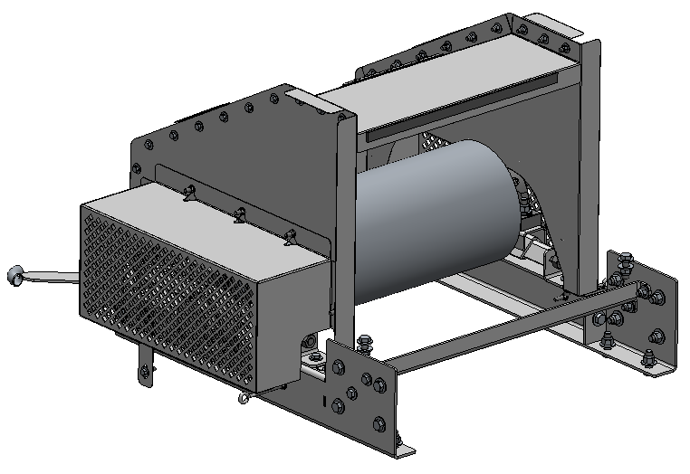
BELT TAIL SECTION COVER & GUARDS |  |  |  |  |  |  |  |  |  |  |  |  |  |  |  |  |  | 1 | #VALUE! | 8 | $49.45 | $0.00
1 | 101872 | F120 INSPECTION DOOR (16GA) |  |  | RAW | 0.0595 | N/A | 22 | 0.289 | #VALUE! | LBS | #VALUE! | #VALUE! | #VALUE! | $2.90 | #VALUE! | #VALUE!
1 | 101872 | F121 SPACER (16GA) |  |  | RAW | 0.0595 | 1 | 12 | 0.289 | 0.21 | LBS | 0.21 | 0.21 | 0.21-lbs | $2.90 | $0.60 | $0.60
1 | 101871 | F155 TAIL BEARING COVER RH (14GA) |  |  | RAW | 0.0751 | 18.5 | 63.5 | 0.289 | 25.50 | LBS | 25.50 | 25.50 | 25.50-lbs | $2.89 | $73.69 | $73.69
1 | 101871 | F154 TAIL BEARING COVER LH (14GA) |  |  | RAW | 0.0751 | 25.5 | 65 | 0.289 | 35.97 | LBS | 35.97 | 35.97 | 35.97-lbs | $2.89 | $103.97 | $103.97
1 | 101872 | F153 TAIL COVER (16GA) |  |  | RAW | 0.0595 | N/A | 66.125 | 0.289 | #VALUE! | LBS | #VALUE! | #VALUE! | #VALUE! | $2.90 | #VALUE! | #VALUE!
1 | 101872 | M140 TAIL SIDE COVER LH (16GA) |  |  | RAW | 0.0595 | 30.25 | 51.375 | 0.289 | 26.72 | LBS | 26.72 | 26.72 | 26.72-lbs | $2.90 | $77.50 | $77.50
1 | 101872 | M141 TAIL SIDE COVER RH (16GA) |  |  | RAW | 0.0595 | 30.25 | 51.375 | 0.289 | 26.72 | LBS | 26.72 | 26.72 | 26.72-lbs | $2.90 | $77.50 | $77.50
1 | 101871 | J90F002 LATCH (14GA) |  |  | RAW | 0.0751 | 2.5 | 2.5 | 0.289 | 0.14 | LBS | 0.14 | 0.14 | 0.14-lbs | $2.89 | $0.39 | $0.39
1 | J90F414-46 | J90F414-46 FLIP LATCH SPACER UHMW |  |  | PURCHASED |  |  |  |  | 1 | EA | 1 | 1 |  | $1.29 | $1.29 | $1.29
1 | 501100 | 501100 PIANO HINGE |  |  | PURCHASED |  |  |  |  | 1.00 | EA | 1.00 | 1.00 |  | $21.56 | $21.56 | $21.56
12 | 48-304-043-31 | RIVET 3/16" X .433" - 5052 AL |  |  | PURCHASED | HARDWARE |  |  |  | 1.00 | EA | 12.00 | 12.00 |  | $0.22 | $2.64 | $2.64
31 | H00-038X100-02 | H00-038X100-02 |  |  | PURCHASED | HARDWARE |  |  |  | 1.00 | EA | 31.00 | 31.00 |  | $0.77 | $23.96 | $23.96
 |  | LABOR |  |  |  | 8 | MH
 |  | PURCHASED | $49.45 | RAW | #VALUE! |  | NON-METAL | $0.00 |  |  |  |  | Total Weight= | #VALUE! | Subtotal= |  | #VALUE!

BELT HEAD SECTION FRAME & SHAFT |  |  |  |  |  |  |  |  |  |  |  |  |  |  |  |  |  | 1 | #VALUE! | 30 | $98.99 | $0.00
2 | 101963 | 21051-M104-1 DRUM SUPPORT FRAME LH/RH |  |  | RAW | 0.25 | 11.75 | 56.125 | 0.289 | 47.65 | LBS | 95.29 | 95.29 | 95.29 | $2.65 | $252.53 | $252.53
2 | 101963 | 21051-M104-2 GUSSET |  |  | RAW | 0.25 | 2.875 | 4.875 | 0.289 | 1.01 | LBS | 2.03 | 2.03 | 2.03 | $2.65 | $5.37 | $5.37
1 | 101963 | 21051-F122 CROSS SUPPORT MEMBER |  |  | RAW | 0.25 | 9.17 | N/A | 0.289 | #VALUE! | LBS | #VALUE! | #VALUE! | #VALUE! | $2.65 | #VALUE! | #VALUE!
1 | 101963 | J20F009 CROSS MEMBER |  |  | RAW | 0.25 | 3.52 | N/A | 0.289 | #VALUE! | LBS | #VALUE! | #VALUE! | #VALUE! | $2.65 | #VALUE! | #VALUE!
2 | 101963 | J20p012 CABLE GUIDE EAR |  |  | RAW | 0.25 | 2 | 11.39 | 0.289 | 1.65 | LBS | 3.29 | 3.29 | 3.29 | $2.65 | $8.72 | $8.72
4 | 101960 | BEARING LOCK TABS |  |  | RAW | 0.5 | 1.5 | 1.75 | 0.289 | 0.38 | LBS | 1.52 | 1.52 | 1.52 | $3.15 | $4.78 | $4.78
1 | 105707 | PIPE Ø2 1/2" SCH40 X 44" |  |  | RAW | 2.5 | N/A | 44 | N/A | 3.67 | FT | 3.67 | 3.67 | 3.67 | $35.00 | $128.33 | $128.33
2 | 101963 | MOUNTING ANGLE |  |  | RAW | 0.25 | 8 | 9 | 0.289 | 5.20 | LBS | 10.40 | 10.40 | 10.40 | $2.65 | $27.57 | $27.57
2 | 101871 | PIPE CAP |  |  | RAW | 0.0751 | 2.67 | 2.67 | 0.289 | 0.15 | LBS | 0.31 | 0.31 | 0.31 | $2.89 | $0.89 | $0.89
2 | 101963 | GUSSET |  |  | RAW | 0.25 | 1.875 | 2.375 | 0.289 | 0.32 | LBS | 0.64 | 0.64 | 0.64 | $2.65 | $1.71 | $1.71
1 | 101960 | TORQUE MOUNT PLATE |  |  | RAW | 0.5 | 5 | 10.625 | 0.289 | 7.68 | LBS | 7.68 | 7.68 | 7.68 | $3.15 | $24.18 | $24.18
1 | 101963 | CLEVIS |  |  | RAW | 0.25 | 2.5 | 10.78 | 0.289 | 1.95 | LBS | 1.95 | 1.95 | 1.95 | $2.65 | $5.16 | $5.16
1 | #N/A | DRIVE SHAFT |  |  | RAW | 2.9375 | N/A | N/A | 1.92 | #VALUE! | FT | #VALUE! | #VALUE! | #VALUE! | #N/A | #VALUE! | #VALUE!
4 | 101963 | Temp. Shipping Leg |  |  | RAW | 0.25 | 5.15 | 33.13 | 0.289 | 12.33 | LBS | 49.31 | 49.31 | 49.31 | $2.65 | $130.67 | $130.67
1 | 104755 | MOTOR MOUNT PIN, BAR RD .625 X 3.8125 |  |  | RAW | 0.625 | N/A | 3.8125 |  | 0.32 | FT | 0.32 | 0.32 | 0.32 | $6.30 | $2.00 | $2.00
2 | 501070 | 501070 LONG 90 DEG ELBOW |  |  | PURCHASED |  |  |  |  | 1.00 | EA | 2.00 | 2.00 | 2.00 | $12.81 | $25.62 | $25.62
6 | H51-031X600-00 | H51-031 EYEBOLT KIT (CABLE GUIDE) |  |  | PURCHASED | HARDWARE |  |  |  | 1.00 | EA | 6.00 | 6.00 | 6.00 | $1.70 | $10.20 | $10.20
6 | H00-063X200-02 | H00-063X200-02 |  |  | PURCHASED | HARDWARE |  |  |  | 1.00 | EA | 6.00 | 6.00 | 6.00 | $3.21 | $19.27 | $19.27
12 | H00-063X175-02 | H00-063X175-02 |  |  | PURCHASED | HARDWARE |  |  |  | 1.00 | EA | 12.00 | 12.00 | 12.00 | $2.83 | $33.96 | $33.96
4 | H00-050X175-02 | H00-050X175-02 |  |  | PURCHASED | HARDWARE |  |  |  | 1.00 | EA | 4.00 | 4.00 | 4.00 | $1.58 | $6.32 | $6.32
6 | H00-038X175-02 | H00-375X175-02 |  |  | PURCHASED | HARDWARE |  |  |  | 1.00 | EA | 6.00 | 6.00 | 6.00 | $0.60 | $3.63 | $3.63
 |  | LABOR |  |  |  | 30 | MH
 |  | PURCHASED | $98.99 | RAW | #VALUE! |  | NON-METAL | $0.00 |  |  |  |  | Total Weight= | #VALUE! | Subtotal= |  | #VALUE!

BELT HEAD SECTION COVER & GUARDS |  |  |  |  |  |  |  |  |  |  |  |  |  |  |  |  |  | 1 | #VALUE! | 8 | $49.45 | $0.00
1 | 101872 | F120 INSPECTION DOOR (16GA) |  |  | RAW | 0.0595 | N/A | 22 | 0.289 | #VALUE! | LBS | #VALUE! | #VALUE! | #VALUE! | $2.90 | #VALUE! | #VALUE!
1 | 101872 | F121 SPACER (16GA) |  |  | RAW | 0.0595 | 1 | 12 | 0.289 | 0.21 | LBS | 0.21 | 0.21 | 0.21-lbs | $2.90 | $0.60 | $0.60
1 | 101872 | F117 DRIVE COVER LH (16GA) |  |  | RAW | 0.0595 | 36 | 36.5 | 0.289 | 22.59 | LBS | 22.59 | 22.59 | 22.59-lbs | $2.90 | $65.53 | $65.53
1 | 101872 | F118 DRIVE COVER LH (16GA) |  |  | RAW | 0.0595 | 36 | 36.5 | 0.289 | 22.59 | LBS | 22.59 | 22.59 | 22.59-lbs | $2.90 | $65.53 | $65.53
1 | 101872 | F119 HEAD COVER TOP (16GA) |  |  | RAW | 0.0595 | N/A | 57.625 | 0.289 | #VALUE! | LBS | #VALUE! | #VALUE! | #VALUE! | $2.90 | #VALUE! | #VALUE!
1 | 101871 | F155 HEAD BEARING COVER RH (14GA) |  |  | RAW | 0.0751 | 18.5 | 63.5 | 0.289 | 25.50 | LBS | 25.50 | 25.50 | 25.50-lbs | $2.89 | $73.69 | $73.69
1 | 101871 | F154 HEAD BEARING COVER LH (14GA) |  |  | RAW | 0.0751 | 25.5 | 65 | 0.289 | 35.97 | LBS | 35.97 | 35.97 | 35.97-lbs | $2.89 | $103.97 | $103.97
1 | 101871 | J90F002 LATCH (14GA) |  |  | RAW | 0.0751 | 2.5 | 2.5 | 0.289 | 0.14 | LBS | 0.14 | 0.14 | 0.14-lbs | $2.89 | $0.39 | $0.39
1 | J90F414-46 | J90F414-46 FLIP LATCH SPACER UHMW |  |  | PURCHASED |  |  |  |  | 1.00 | EA | 1.00 | 1.00 |  | $1.29 | $1.29 | $1.29
1 | 501100 | 501100 PIANO HINGE |  |  | PURCHASED |  |  |  |  | 1.00 | EA | 1.00 | 1.00 |  | $21.56 | $21.56 | $21.56
12 | 48-304-043-31 | 48-304-043-31 RIVET |  |  | PURCHASED | HARDWARE |  |  |  | 1.00 | EA | 12.00 | 12.00 |  | $0.22 | $2.64 | $2.64
31 | H00-038X100-02 | H00-038X100-02 |  |  | PURCHASED | HARDWARE |  |  |  | 1.00 | EA | 31.00 | 31.00 |  | $0.77 | $23.96 | $23.96
 |  | LABOR |  |  |  | 8 | MH
 |  | PURCHASED | 49.4523 | RAW | #VALUE! |  | NON-METAL | 0 |  |  |  |  | Total Weight= | #VALUE! | Subtotal= |  | #VALUE!

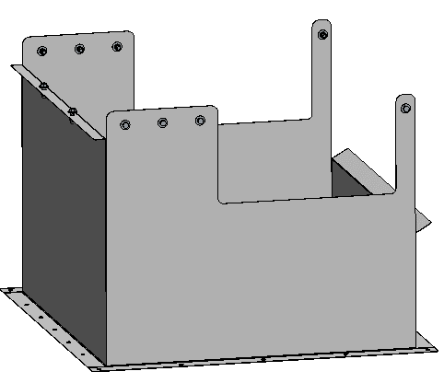
BELT DISCHARGE CHUTE |  |  |  |  |  |  |  |  |  |  |  |  |  |  |  |  |  | 1 | #VALUE! | 3 | $7.66 | $0.00
1 | 101872 | FRONT SIDE PANEL (16GA) |  |  | RAW | 0.0595 | N/A | 27.5 | 0.289 | #VALUE! | LBS | #VALUE! | #VALUE! | #VALUE! | $2.90 | #VALUE! | #VALUE!
1 | 101872 | REAR PANEL (16GA) |  |  | RAW | 0.0595 | N/A | 16.5 | 0.289 | #VALUE! | LBS | #VALUE! | #VALUE! | #VALUE! | $2.90 | #VALUE! | #VALUE!
2 | 101872 | SIDE PANELS |  |  | RAW | 0.0595 | 29.25 | 37 | 0.289 | 18.61 | LBS | 37.22 | 37.22 | 10.76-lbs | $2.90 | $107.94 | $107.94
10 | H00-038X125-02 | H00-038X125-02 |  |  | PURCHASED | HARDWARE |  |  |  | 1 | EA | 10 | 10 |  | $0.77 | $7.66 | $7.66
 |  | LABOR |  |  |  | 3 | MH
 |  | PURCHASED | $7.66 | RAW | #VALUE! |  | NON-METAL | $0.00 |  |  |  |  | Total Weight= | #VALUE! | Subtotal= |  | #VALUE!
 |  |  |  |  |  |  |  |  |  |  |  |  |  |  |  |  |  |  | MATERIAL | LABOR | PURCHASED | NON-METAL
 |  |  |  |  |  |  |  |  |  |  |  |  |  |  |  |  |  | SUBTOTAL | #VALUE! | 74.00 hrs | $297.75 | $0.00

 | METAL MATERIAL SUMMARY
 | PART NUMBER | THICKNESS | DESCRIPTION |  |  |  | QTY | UOM | UNIT COST | COST
 | 101871 | 0.0751 | SHEET 0.075" 14GA T-316L SS PER A240 2B FINISH |  |  |  | 123.52 | LB | $2.89 | $356.98
 | 101872 | 0.0595 | SHEET 0.059" 16GA T-316L SS PER A240 2B FINISH |  |  |  | #VALUE! | LB | $2.90 | #VALUE!
 | 101960 | 0.5 | PLATE 1/2" T-316L SS PER A240 2B FINISH |  |  |  | 9.19 | LB | $3.15 | $28.96
 | 101963 | 0.25 | PLATE 1/4" T-316L SS PER A240 2B FINISH |  |  |  | #VALUE! | LB | $2.65 | #VALUE!
 | 104745 |  | BAR RD Ø1 15/16" OD T-316L SS PER A276 MILL FINISH |  |  |  | 0.00 | FT | $95.00 | $-
 | 104709 |  | BAR RD Ø2 7/16" OD T-316L SS PER A276 MILL FINISH |  |  |  | 0.00 | FT | $218.75 | $-
 | 104705 |  | BAR RD Ø2 15/16" OD T-316L SS PER A276 MILL FINISH |  |  |  | 0.00 | FT | $- | $-
 | 104669 |  | BAR RD Ø3 7/16" OD T-316L SS PER A276 MILL FINISH |  |  |  | 0.00 | FT | $- | $-
 | 104755 |  | BAR RD Ø3/4" OD T-316L SS PER A276 MILL FINISH |  |  |  | 0.32 | FT | $6.30 | $2.00
 | 105707 |  | PIPE Ø2 1/2" NOM X .203" SCH 40 T-316L SS PER A312 MILL FINISH |  |  |  | 3.67 | FT | $35.00 | $128.33

 |  |  |  |  |  |  |  |  | TOTAL | #VALUE! | $-

 | NON-METAL MATERIAL SUMMARY

 | PURCHASED COMPONENTS SUMMARY
 | PART NUMBER |  | PART DESCRIPTION |  |  |  | QTY | UOM | UNIT COST | COST
 | 501070 |  | LONG 90° BUTT WELD ELBOW, 1" PIPE, 304 SS |  |  |  | 4 | PC | $12.81 | $51.24
 | 501100 |  | PIANO HINGE, 1 1/2" X 12", 304 SS |  |  |  | 2 | PC | $21.56 | $43.12
 | J90F414-46 |  | FLIP LATCH SPACER, PL 3/32" X 1" OD X 1/2" ID |  |  |  | 2 | PC | $1.29 | $2.58
 | 48-304-043-31 |  | RIVET 3/16" X .433" - 5052 AL |  |  |  | 24 | PC | $0.22 | $5.28
 | H00-038X100-02 |  | 3/8" X 1" HHMB W/2FW, LNUT |  |  |  | 62 | PC | $0.77 | $47.92
 | H00-038X125-02 |  | 3/8" X 1 1/4" HHMB W/2FW, LNUT |  |  |  | 10 | PC | $0.77 | $7.66
 | H00-038X175-02 |  | 3/8" X 1 3/4" HHMB W/2FW, LNUT |  |  |  | 12 | PC | $0.60 | $7.25
 | H00-050X175-02 |  | 1/2" X 1 3/4" HHMB W/2FW, LNUT |  |  |  | 8 | PC | $1.58 | $12.64
 | H00-063X175-02 |  | 5/8" X 1 3/4" HHMB W/2FW, LNUT |  |  |  | 24 | PC | $2.83 | $67.92
 | H00-063X200-02 |  | 5/8" X 2" HHMB W/2FW, LNUT |  |  |  | 12 | PC | $3.21 | $38.54
 | H51-031X600-00 |  | 5/16" X 6" EYEBOLT W/2FW, LW, 2NUT |  |  |  | 8 | PC | $1.70 | $13.60

 |  |  |  |  |  |  |  |  | TOTAL | $297.75 |  | $297.75

STANDARDS
BIO-BELT STANDARD ASSEMBLIES
Qty. | PART NUMBER | DESCRIPTION |  |  | BUCKET | THICKNESS (IN.) | WIDTH (IN.) | LENGTH (IN.) | DENSITY N/A=FT/SQ. FT. | UNIT QTY | PURCH. UOM | ASSY QTY | TOTAL QTY | Total Weight (lb) | UNIT COST ($) | ASSY COST ($) | TOTAL COST ($) | QTY | MATERIAL COST | LABOR HOURS | PURCHASED COST | NON-METAL COST
#N/A |  |  |  |  |  |  |  |  |  |  |  |  |  |  | TROUGHING |  | 0 | 0 | #N/A | 0 | #N/A | $0.00
1 | 109640 | J20A00X IDLER FRAME (ANGLE) |  |  | RAW | 0.25 | 5 | #N/A | N/A | #N/A | FT | #N/A | #N/A | 15.52-lbs | $15.20 | #N/A | #N/A
2 | 101963 | J20P000 IDLER FRAME LEG |  |  | RAW | 0.25 | 3 | #N/A | 0.289 | #N/A | LBS | #N/A | #N/A | #N/A | $2.65 | #N/A | #N/A |  | WIDTH | IF_LEN | IFL_LEN | MR_PN | MR_COST | MR_DESC | TI_DESC
2 | 101869 | J20P003 IDLER BRACKET (11GA) |  |  | RAW | 0.12 | 2 | 13.1875 | 0.289 | 3.17 | LBS | 6.33 | 0.00 | 6.33-lbs | $2.89 | $18.29 | $- |  | 18 | 26.69 | 9.19 | 501416 | 105.2 | 501416 Ø5" X 18" BW X 20 DEG MOXIE ROLLER | J20S000 - 18" BELT 20° TROUGH IDLER ASSY
2 | 101963 | J20P002 IDLER MOUNTING FOOT |  |  | RAW | 0.25 | 2 | 8.5 | 0.289 | 4.25 | LBS | 8.50 | 0.00 | 8.50-lbs | $2.65 | $22.53 | $- |  | 24 | 33.50 | 10.00 | 501238 | 76.25 | 501238 Ø5" X 24" BW X 20 DEG MOXIE ROLLER | J20S001 - 24" BELT 20° TROUGH IDLER ASSY
2 | 101872 | J20P004 TROUGH CLIP (16GA) |  |  | RAW | 0.0595 | 1.25 | 1.75 | 0.289 | 0.13 | LBS | 0.26 | 0.00 | 0.26-lbs | $2.90 | $0.75 | $- |  | 30 | 39.63 | 10.69 | 501264 | 84.73 | 501264 Ø5" X 30" BW X 20 DEG MOXIE ROLLER | J20S002 - 30" BELT 20° TROUGH IDLER ASSY
2 | 101874 | J20P005 CENTER TAB (20GA) |  |  | RAW | 0.035 | 2.125 | 3.25 | 0.289 | 0.24 | LBS | 0.48 | 0.00 | 0.48-lbs | $2.97 | $1.44 | $- |  | 36 | 45.50 | 11.40 | 501417 | 101.68 | 501417 Ø5" X 36" BW X 20 DEG MOXIE ROLLER | J20S003 - 36" BELT 20° TROUGH IDLER ASSY
3 | #N/A | #N/A |  |  | PURCHASED |  |  |  |  | 1 | EA | 3 | 0 | 11.70-lbs | #N/A | #N/A | #N/A |  | 48 | 57.50 | 13.00 | 501418 | 135.28 | 501418 Ø5" X 48" BW X 20 DEG MOXIE ROLLER | J20S004 - 48" BELT 20° TROUGH IDLER ASSY
2 | 48-304-067-31 | 48-304-067-31 RIVET 3/16 X .669" ALUM. |  |  | PURCHASED | HARDWARE |  |  |  | 1 | EA | 2 | 0 |  | $0.30 | $0.60 | $-
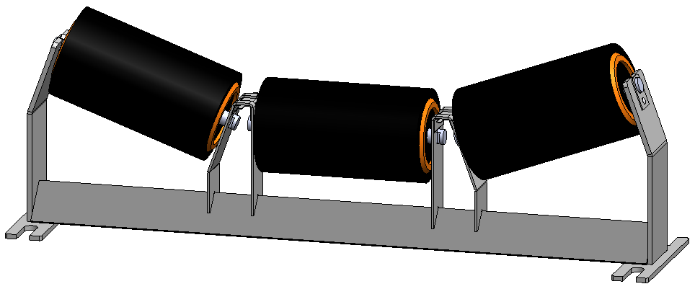
 |  | LABOR |  |  |  | 1 | MH
 |  |  |  | PURCHASED | #N/A | RAW | #N/A | NON-METAL |  | $0.00 |  |  | Total Weight= | #N/A | Subtotal= | #N/A | #N/A

#N/A |  |  |  |  |  |  |  |  |  |  |  |  |  |  |  |  |  | 0 | $0.00 | 0 | #N/A | $0.00
2 | 101869 | J20F028 Ø5" IDLER DROP BRACKET (11GA) |  |  | RAW | 0.12 | 6.125 | 9 | 0.289 | 1.91 | LBS | 3.82 | 0.00 | 3.82-lbs | $2.89 | $11.05 | $-
2 | 101872 | J20P004 TROUGH CLIP (16GA) |  |  | RAW | 0.0595 | 1.25 | 1.75 | 0.289 | 0.04 | LBS | 0.08 | 0.00 | 0.08-lbs | $2.90 | $0.22 | $- |  | WIDTH | RI_PN | RI_COST | RI_DESC | RIA_DESC
1 | #N/A | #N/A |  |  | PURCHASED |  |  |  |  | 1 | EA | 1 | 0 | 10.14-lbs | #N/A | #N/A | #N/A |  | 18 | 501497 | 205.49 | 501497 Ø5" X 18" BW MOXIE ROLLER | J20S012 - 18" BELT RETURN IDLER ASSY
2 | 48-304-067-31 | 48-304-067-31 RIVET 3/16 X .669" ALUM. |  |  | PURCHASED | HARDWARE |  |  |  | 1 | EA | 2 | 0 |  | $0.30 | $0.60 | $- |  | 24 | 501498 | 153.81 | 501498 Ø5" X 24" BW MOXIE ROLLER | J20S013 - 24" BELT RETURN IDLER ASSY
 |  | LABOR |  |  |  | 1 | MH |  |  |  |  |  |  |  |  |  |  |  | 30 | 501499 | 164.57 | 501499 Ø5" X 30" BW MOXIE ROLLER
 |  |  |  | PURCHASED | #N/A | RAW | $11.27 | NON-METAL |  | $0.00 |  |  | Total Weight= | 14.04-lbs | Subtotal= | #N/A | #N/A |  | 36 | 501500 | 208 | 501500 Ø5" X 36" BW MOXIE ROLLER | J20S015 - 36" BELT RETURN IDLER ASSY
 |  |  |  |  |  |  |  |  |  |  |  |  |  |  |  |  |  |  | 48 | 501502 | 464.4 | 501502 Ø5" X 48" BW MOXIE ROLLER | J20S015 - 48" BELT RETURN IDLER ASSY


#N/A |  |  |  |  |  |  |  |  |  |  |  |  |  |  | FLAT |  | 0 | 0 | $0.00 | 0 | #N/A | $0.00
2 | 101869 | J20F029 Ø5" IDLER CARRYING BRACKET (11GA) |  |  | RAW | 0.12 | 8.5 | 9 | 0.289 | 2.65 | LBS | 5.31 | 0.00 | 5.31-lbs | $2.89 | $15.33 | $-
2 | 101872 | J20P004 TROUGH CLIP (16GA) |  |  | RAW | 0.0595 | 1.25 | 1.75 | 0.289 | 0.04 | LBS | 0.08 | 0.00 | 0.08-lbs | $2.90 | $0.22 | $- |  | WIDTH | FI_PN | FI_WT | FI_COST | FI_DESC | FIA_DESC
1 | #N/A | #N/A |  |  | PURCHASED |  |  |  |  | 1 | EA | 1 | 0 | #N/A | #N/A | #N/A | #N/A |  | 18 | 501497 | 10 | 205.49 | 501497 Ø5" X 18" BW MOXIE ROLLER | J20S018 - 18" BELT CARRYING IDLER ASSY
2 | 48-304-067-31 | 48-304-067-31 RIVET 3/16 X .669" ALUM. |  |  | PURCHASED | HARDWARE |  |  |  | 1 | EA | 2 | 0 |  | $0.30 | $0.60 | $- |  | 24 | 501498 | 10 | 153.81 | 501498 Ø5" X 24" BW MOXIE ROLLER | J20S019 - 24" BELT CARRYING IDLER ASSY
 |  | LABOR |  |  |  | 1 | MH |  |  |  |  |  |  |  |  |  |  |  | 30 | 501499 | 10 | 164.57 | 501499 Ø5" X 30" BW MOXIE ROLLER | J20S020 - 30" BELT CARRYING IDLER ASSY
 |  |  |  | PURCHASED | #N/A | RAW | $15.55 | NON-METAL |  | $0.00 |  |  | Total Weight= | #N/A | Subtotal= | #N/A | #N/A |  | 36 | 501500 | 10 | 208 | 501500 Ø5" X 36" BW MOXIE ROLLER | J20S021 - 36" BELT CARRYING IDLER ASSY
 |  |  |  |  |  |  |  |  |  |  |  |  |  |  |  |  |  |  | 48 | 501502 | 10 | 464.4 | 501502 Ø5" X 48" BW MOXIE ROLLER | J20S023 - 48" BELT CARRYING IDLER ASSY

 |  |  |  |  |  |  |  |  |  |  |  |  |  |  |  |  |  |  |  |  |  |  |  |  | 205.5
 |  |  |  |  |  |  |  |  |  |  |  |  |  |  |  |  |  |  |  |  |  |  |  |  | 196.45
 |  |  |  |  |  |  |  |  |  |  |  |  |  |  |  |  |  |  |  |  |  |  |  |  | 203.83
 |  |  |  |  |  |  |  |  |  |  |  |  |  |  |  |  |  |  |  |  |  |  |  |  | 206.11
 |  |  |  |  |  |  |  |  |  |  |  |  |  |  |  |  |  |  |  |  |  |  |  |  | 337.77

J20M009 - 12" TAKEUP ASSY |  |  |  |  |  |  |  |  |  |  |  |  |  |  |  |  |  | 0 | $0.00 | 0 | $0.00 | $0.00
1 | 74-019-904-02 | 74-019-904-02 ATR 3/4"-10 X 24" 316SS |  |  | PURCHASED | 0.75 | N/A | 24 | N/A | 1.00 | EA | 1.00 | 0.00 | 3.06-lbs | $16.22 | $16.22 | $-
2 | 101964 | J20P013 BEARING MOUNT PLATE (3/16") |  |  | RAW | 0.1875 | 3.25 | 5.75 | 0.289 | 1.01 | LBS | 2.03 | 0.00 | 2.03-lbs | $2.59 | $5.25 | $- |  | TU_LEN | ATR_DESC | ATR_WT | ATR_COST | SA_DESC | SA_LENGTH
2 | 101963 | J20P014 SLIDING ANGLE |  |  | RAW | 0.25 | 3.25 | 4.75 | 0.289 | 1.12 | LBS | 2.23 | 0.00 | 2.23-lbs | $2.65 | $5.91 | $- |  | 12 | 74-019-904-02 ATR 3/4"-10 X 24" 316SS | 3.06 | 16.22 | J20P017 SUPPORT ANGLE 12" | 22.5
2 | 101869 | J20P015 BOTTOM PLATE (11GA) |  |  | RAW | 0.12 | 3.25 | 3.25 | 0.289 | 0.37 | LBS | 0.73 | 0.00 | 0.73-lbs | $2.89 | $2.12 | $- |  | 18 | 74-019-926-02 ATR 3/4"-10 X 24" 316SS | 3.82 | 20.28 | J20P018 SUPPORT ANGLE 18" | 28.5
1 | 101963 | J20P017 SUPPORT ANGLE 12" |  |  | RAW | 0.25 | 3.52 | 22.5 | 0.289 | 5.72 | LBS | 5.72 | 0.00 | 5.72-lbs | $2.65 | $15.16 | $- |  | 24 | 74-019-932-02 ATR 3/4"-10 X 36" 316SS | 4.6 | 27.88 | J20P019 SUPPORT ANGLE 24" | 34.625
2 | 101963 | J20P016 L BRACKET |  |  | RAW | 0.25 | 3 | 5.5 | 0.289 | 1.19 | LBS | 2.38 | 0.00 | 2.38-lbs | $2.65 | $6.32 | $- |  | 30 | 74-019-938-02 ATR 3/4"-10 X 42" 316SS | 5 | 32.52 | J20P020 SUPPORT ANGLE 30" | 40.625
0 | 101963 | J20P022 GUSSET |  |  | RAW | 0.25 | 1.25 | 3.25 | 0.289 | 0.29 | LBS | 0.00 | 0.00 | 0.00-lbs | $2.65 | $- | $- |  | 36 | 74-019-944-02 ATR 3/4"-10 X 48" 316SS | 6.12 | 37.16 | J20P021 SUPPORT ANGLE 36" | 46.625
1 | 501494 | 501494 Ø3/4" SQUARE NUT - BRONZE |  |  | PURCHASED |  |  |  |  | 1 | EA | 1 | 0 | 0.12-lbs | $11.00 | $11.00 | $- |  | 42 | 74-019-950-02 ATR 3/4"-10 X 54" 316SS | 7 | 41.81 | J20P021 SUPPORT ANGLE 36" | 52.625
2 | 70-019-000-02 | 70-019-000-02 NUT HEX HEAVY 3/4"-10 316SS |  |  | PURCHASED | HARDWARE |  |  |  | 1 | EA | 2 | 0 |  | $1.37 | $2.74 | $- |  | 48 | 74-019-9XX-02 ATR 3/4"-10 X 60" 316SS | 7.8 | 46.45 |  | 58.625
 |  | LABOR |  |  |  | 10 | MH
 |  |  |  | PURCHASED | $29.96 | RAW | $34.76 | NON-METAL |  | $0.00 | Total Weight= |  |  | 16.28-lbs | Subtotal= | $64.72 | $-

#N/A |  |  |  |  |  |  |  |  |  |  |  |  |  |  |  |  |  | 0 | #N/A | 0 | $0.00 | $0.00
1 | 101963 | #N/A |  |  | RAW | 0.25 | 4.125 | #N/A | 0.289 | #N/A | LBS | #N/A | #N/A | #N/A | $2.65 | #N/A | #N/A
1 | 131861 | #N/A |  |  | NON-METAL | 0.5 | 5 | 2 | N/A | 0.07 | SF | 0.07 | 0.00 | 2.60-lbs | $8.54 | $0.59 | $- |  | WIDTH | BSA_DESC | BM_DESC | BM_LEN | BB_DESC | SCRAPER_DESC
1 | 131905 | #N/A |  |  | NON-METAL | 0.5 | 6 | 2 | N/A | 0.08 | SF | 0.08 | 0.00 | 2.74-lbs | $13.92 | $1.16 | $- |  | 18 | J20S006 - 18" BELT SCRAPER ASSY | J20M013 BLADE MOUNT ANGLE 18" BELT | 33.291 | J20F013-46 18" BACK BLADE UHMW-PE | J20F019-60 18" SCRAPER NEOPRENE
2 | 101961 | J20F025 MOUNTING BAR |  |  | RAW | 0.375 | 2 | 10 | 0.289 | 2.17 | LBS | 4.34 | 0.00 | 4.34-lbs | $2.70 | $11.70 | $- |  | 24 | J20S007 - 24" BELT SCRAPER ASSY | J20M014 BLADE MOUNT ANGLE 24" BELT | 39.041 | J20F014-46 24" BACK BLADE UHMW-PE | J20F020-60 24" SCRAPER NEOPRENE
1 | 101963 | J20F026 SCRAPER ASSY ANGLE LEFT |  |  | RAW | 0.25 | 3.5 | 18.25 | 0.289 | 4.61 | LBS | 4.61 | 0.00 | 4.61-lbs | $2.65 | $12.23 | $- |  | 30 | J20S008 - 30" BELT SCRAPER ASSY | J20M015 BLADE MOUNT ANGLE 30" BELT | 45.041 | J20F015-46 30" BACK BLADE UHMW-PE | J20F021-60 30" SCRAPER NEOPRENE
1 | 101963 | J20F027 SCRAPER ASSY ANGLE RIGHT |  |  | RAW | 0.25 | 3.5 | 18.25 | 0.289 | 4.61 | LBS | 4.61 | 0.00 | 4.61-lbs | $2.65 | $12.23 | $- |  | 36 | J20S009 - 36" BELT SCRAPER ASSY | J20M016 BLADE MOUNT ANGLE 36" BELT | 51.041 | J20F016-46 36" BACK BLADE UHMW-PE | J20F022-60 36" SCRAPER NEOPRENE
2 | 501423 | 501423 SPRING Ø11/16" X 2 1/2" |  |  | PURCHASED |  |  |  |  | 1 | EA | 2 | 0 | $0.01-lbs | $4.50 | $9.00 | $- |  | 42 | J20S010 - 42" BELT SCRAPER ASSY | J20M017 BLADE MOUNT ANGLE 42" BELT | 57.041 | J20F017-46 42" BACK BLADE UHMW-PE | J20F023-60 42" SCRAPER NEOPRENE
4 | H00-038X150-02 | H00-038X150-02 (3/8" BOLT KIT) |  |  | PURCHASED |  |  |  |  | 1 | EA | 4 | 0 |  | $0.85 | $3.41 | $- |  | 48 | J20S011 - 48" BELT SCRAPER ASSY | J20M018 BLADE MOUNT ANGLE 48" BELT | 63.041 | J20F018-46 48" BACK BLADE UHMW-PE | J20F024-60 48" SCRAPER NEOPRENE
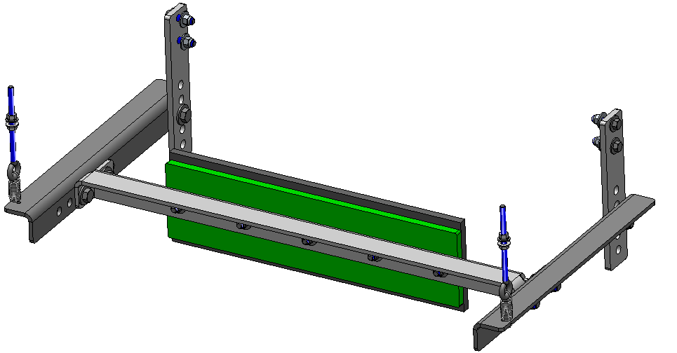
6 | H00-050X150-02 | H00-050X150-02 (1/2" BOLT KIT) |  |  | PURCHASED |  |  |  |  | 1 | EA | 6 | 0 |  | $1.46 | $8.76 | $-
1 | H33-038-02 | H33-038-02 (3/8"FW,LNUT) |  |  | PURCHASED |  |  |  |  | 1 | EA | 1 | 0 |  | $0.39 | $0.39 | $-
2 | H51-031X500-02 | H51-031X500-02 EYEBOLT W/2FW,LW,2NUT |  |  | PURCHASED |  |  |  |  | 1 | EA | 2 | 0 | $0.17-lbs | $4.21 | $8.42 | $-
5 | 59-014-813-02 | 59-014-813-02 FENDER WASHER 3/8X1 1/4"OD |  |  | PURCHASED |  |  |  |  | 1 | EA | 5 | 0 | 0.02-lbs | $0.22 | $1.12 | $-
5 | 99-014-816-02 | 99-014-816-02 (3/8"-16 X 2" BOLT) |  |  | PURCHASED |  |  |  |  | 1 | EA | 5 | 0 |  | $0.58 | $2.90 | $-
 |  | LABOR |  |  |  | 4 | MH
 |  |  |  | PURCHASED | $34.01 | RAW | #N/A |  | NON-METAL | $1.75 |  |  | Total Weight= | #N/A | Subtotal= | #N/A | #N/A

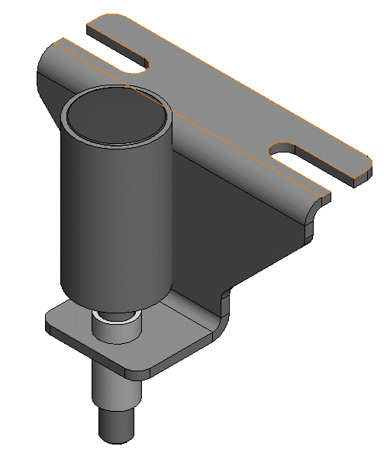
J20S024/S026 - RETURN/CARRYING SIDE GUIDE IDLER ASSY |  |  |  |  |  |  |  |  |  |  |  |  |  |  |  |  |  | 0 | $0.00 | 0 | $0.00 | $0.00
1 | 101963 | J20P027 GUIDE SUPPORT |  |  | RAW | 0.25 | 8 | 8.6875 | 0.289 | 17.38 | LBS | 17.38 | 0.00 | 17.38-lbs | $2.65 | $46.04 | $-
1 | 105787 | J20P028 PIPE Ø3/4" SCH40 X 2 1/4" |  |  | RAW | 0.75 | N/A | 2.25 | N/A | 0.19 | FT | 0.19 | 0.00 | 0.22-lbs | $30.00 | $5.63 | $-
1 | 104755 | J20F030 SIDE IDLER SHAFT, BAR RD Ø3/4" X 8" |  |  | RAW | 0.75 | N/A | 8 | N/A | 0.67 | FT | 0.67 | 0.00 | 1.01-lbs | $6.30 | $4.20 | $-
1 | 105467 | J20F031 ROLL, PIPE Ø2 SCH 160 X 4 1/4" |  |  | RAW | 2 | N/A | 4.25 | N/A | 0.35 | FT | 0.35 | 0.00 | 2.09-lbs | $97.50 | $34.53 | $-
1 | 501596 | 501596 Ø2" ID PLUG, ROUND-BLACK |  |  | PURCHASED | 0.505 |  |  |  | 1 | EA | 1 | 0 | 0.01-lbs | $0.38 | $0.38 | $-
2 | 501598 | 501598 Ø3/4" EXTERNAL RETAINING RING, 17-5 PH SS |  |  | PURCHASED |  |  |  |  | 1 | EA | 2 | 0 | 0.00-lbs | $1.80 | $3.61 | $-
2 | 501688 | 501688 Ø3/4" ID SINGLE ROW BALL BEARING |  |  | PURCHASED |  |  |  |  | 1 | EA | 2 | 0 | 0.10-lbs | $28.86 | $57.72 | $-
1 | 99-012-806-02 | 99-012-806-02 HHMB 1/4"-20 X 1/2" |  |  | PURCHASED |  |  |  |  | 1 | EA | 1 | 0 |  | $0.06 | $0.06 | $-
 |  | LABOR |  |  |  | 5 | MH
 |  |  |  | PURCHASED | $61.76 | RAW | $90.40 | NON-METAL |  | $0.00 |  |  | Total Weight= | 20.81-lbs | Subtotal= | $152.16 | $-

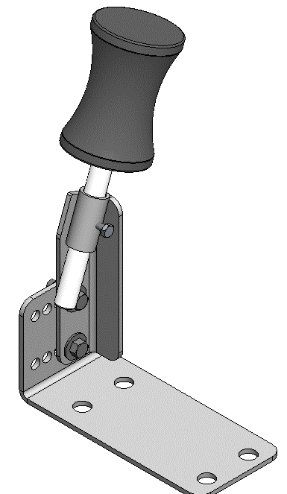

J20S028 - 20DEG TROUGHING SIDE GUIDE IDLER ASSY |  |  |  |  |  |  |  |  |  |  |  |  |  |  |  |  |  | 0 | $0.00 | 0 | $0.00 | $0.00
1 | 101964 | J20F035 SIDE BRACKET |  |  | RAW | 0.1875 | 4 | 12.3125 | 0.289 | 2.67 | LBS | 2.67 | 0.00 | 2.67-lbs | $2.59 | $6.91 | $-
1 | 101964 | J20P034 GUIDE |  |  | RAW | 0.1875 | 2.8125 | 7 | 0.289 | 1.07 | LBS | 1.07 | 0.00 | 1.07-lbs | $2.59 | $2.76 | $-
1 | 105787 | J20P035 GUIDE, PIPE Ø3/4 SCH40 X 2" |  |  | RAW | 0.75 | N/A | 2 | N/A | 0.17 | FT | 0.17 | 0.00 | 0.28-lbs | $30.00 | $5.00 | $-
1 | 501600 | 501600 VERTICAL SIDE GUIDE ROLLER |  |  | PURCHASED |  |  |  |  | 1 | EA | 1 | 0 | 9.44-lbs | $199.53 | $199.53 | $-
4 | H00-050X125-02 | H00-050X125-02 |  |  | PURCHASED |  |  |  |  | 1 | EA | 4 | 0 |  | $0.32 | $1.29 | $-
2 | H00-038X125-02 | H00-038X125-02 |  |  | PURCHASED |  |  |  |  | 1 | EA | 2 | 0 |  | $0.77 | $1.53 | $-
1 | 99-012-806-02 | 99-012-806-02 HHMB 1/4"-20 X 1/2" |  |  | PURCHASED |  |  |  |  | 1 | EA | 1 | 0 |  | $0.06 | $0.06 | $-
 |  | LABOR |  |  |  | 1 | MH
 |  |  |  | PURCHASED | $202.41 | RAW | $14.68 | NON-METAL |  | $0.00 |  |  | Total Weight= | 13.46-lbs | Subtotal= | $217.09 | $-

KNUCKLE ASSY/HOLD DOWN WHEELS (QTY 1 NEEDED FOR INCLINE) |  |  |  |  |  |  |  |  |  |  |  |  |  |  |  |  |  | 0 | $0.00 | 0 | $0.00 | $0.00
2 | 101963 | MOUNTING CHANNEL-6" X 2" X 1/4" |  |  | RAW | 0.25 | 9.1 | 20 | 0.289 | 13.15 | LBS | 26.30 | 0.00 | 26.30-lbs | $2.65 | $69.69 | $-
4 | 101963 | CHANNEL STIFFENER-5 5/8" X 8" X 1/4" |  |  | RAW | 0.25 | 5.625 | 8 | 0.289 | 3.25 | LBS | 13.00 | 0.00 | 13.00-lbs | $2.65 | $34.46 | $-
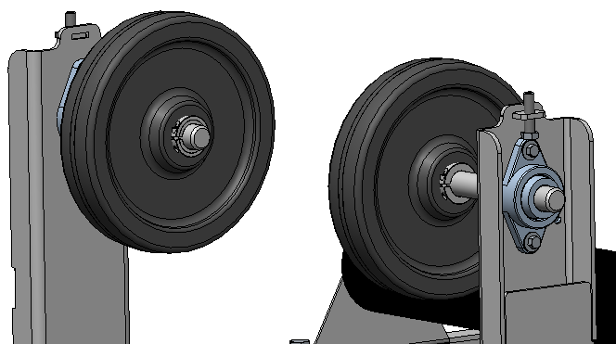
2 | 101963 | BEARING LOCK TAB- 1.125" X 1.5" X .25" |  |  | RAW | 0.25 | 1.125 | 1.5 | 0.289 | 0.12 | LBS | 0.24 | 0.00 | 0.24-lbs | $2.65 | $0.65 | $-
2 | 104752 | HOLD DOWN SHAFT- BAR RD Ø1.25" X 12.5" |  |  | RAW | 1.25 | N/A | 12.5 | N/A | 1.04 | FT | 2.08 | 0.00 | 8.82-lbs | $44.50 | $92.71 | $-
4 | 501143 | 501143 - 2 BOLT FLG BEARING |  |  | PURCHASED | 0.505 |  |  |  | 1 | EA | 4 | 0 | 3.00-lbs | $59.31 | $237.24 | $-
2 | 501048 | 501048 - TWO PC SHAFT COLLAR 1 1/4" |  |  | PURCHASED |  |  |  |  | 1 | EA | 2 | 0 | 0.30-lbs | $26.56 | $53.12 | $-
2 | 501688 | 501688 Ø3/4" ID SINGLE ROW BALL BEARING |  |  | PURCHASED |  |  |  |  | 1 | EA | 2 | 0 | 0.10-lbs | $28.86 | $57.72 | $-
2 | 502209 | 502209 - 12 X 2.5 PHEN WHEEL, 3" HUB WIDTH |  |  | PURCHASED |  |  |  |  | 1 | EA | 2 | 0 | 9.00-lbs | $69.33 | $138.66 | $-
2 | 79-016-816-02 | 79-016-816-00 HHMB FULL THD 1/2"-13 X 2" |  |  | PURCHASED |  |  |  |  | 1 | EA | 2 | 0 |  | $2.10 | $4.20 | $-
4 | H00-038X150-02 | H00-038X150 BEARING BOLTS |  |  | PURCHASED |  |  |  |  | 1 | EA | 4 | 0 |  | $0.85 | $3.41 | $-
 |  | LABOR |  |  |  | 5 | MH
 |  |  |  | PURCHASED | $494.35 | RAW | $197.51 | NON-METAL |  | $0.00 |  |  | Total Weight= | 60.77-lbs | Subtotal= | $691.86 | $-

BELT TENSIONER FOR INCLINED (1 REQ'D PER BEND) - MAKE SURE TO SELECT BELT WIDTH IN CELL 01 |  |  |  |  |  |  |  |  |  |  |  |  |  |  |  |  |  | 0 | #VALUE! | 0 | $0.00 | $0.00
1 | 105627 | PIPE 6 SCH 40 X 26" |  |  | RAW | 6 | N/A | N/A | N/A | #VALUE! | FT | #VALUE! | #VALUE! | 42.00-lbs | $70.00 | #VALUE! | #VALUE! | =IFS(B_TYPE="TYPE 3",1,B_TYPE="TYPE 4",1,B_TYPE="TYPE 5",2,TRUE,0)
2 | 101963 | END CAPS, PL .25" X 6.06" X 6.06" |  |  | RAW | 0.25 | 6.0625 | 6.0625 | 0.289 | 2.66 | LBS | 5.31 | 0.00 | 5.31-lbs | $2.65 | $14.07 | $-
1 | 104752 | LIVE SHAFT Ø1.25" X 38" |  |  | RAW | 1.25 | N/A | N/A | N/A | #VALUE! | FT | #VALUE! | #VALUE! | 0.28-lbs | $44.50 | #VALUE! | #VALUE!
2 | 101963 | SPACER PLATE, .25" X 2" X 7.5" |  |  | RAW | 0.25 | 2 | 7.5 | 0.289 | 1.08 | LBS | 2.17 | 0.00 | 2.17-lbs | $2.65 | $5.74 | $-
2 | 502240 | 502240 Ø1-1/4" BORE MOUNTED BALL BEARING |  |  | PURCHASED |  |  |  |  | 1 | EA | 2 | 0 | 4.00-lbs | $74.62 | $149.24 | $-
4 | H00-063X225-02 | H00-063X225-02 |  |  | PURCHASED |  |  |  |  | 1 | EA | 4 | 0 |  | $3.20 | $12.79 | $-
 |  | LABOR |  |  |  | 5 | MH
 |  |  |  | PURCHASED | $162.03 | RAW | #VALUE! | NON-METAL |  | $0.00 |  |  | Total Weight= | 53.76-lbs | Subtotal= | #VALUE! | #VALUE!

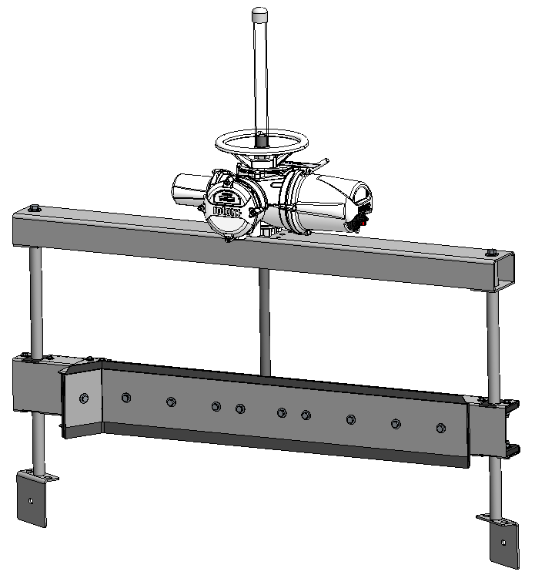
PLOW ASSY - MAKE SURE TO SELECT BELT WIDTH |  |  |  |  |  |  |  |  |  |  |  |  |  |  |  |  |  | 0 | #VALUE! | 0 | $0.00 | $0.00
1 | 101963 | ACTUATOR MOUNT AND GUIDE |  |  | RAW | 0.25 | 13.0625 | N/A | 0.289 | #VALUE! | LBS | #VALUE! | #VALUE! | #VALUE! | $2.65 | #VALUE! | #VALUE!
2 | 101963 | GUIDE PLATES |  |  | RAW | 0.25 | 3.5 | 5.75 | 0.289 | 5.03 | LBS | 10.06 | 0.00 | 10.06-lbs | $2.65 | $26.67 | $-
2 | 104748 | GUIDE BAR Ø1.5" X 34.9375" |  |  | RAW | 1.5 | N/A | 34.9375 | N/A | 2.91 | FT | 5.82 | 0.00 | 16.00-lbs | $57.00 | $331.91 | $-
2 | 101963 | GUIDE BAR MOUNTING PLATE 1/4" |  |  | RAW | 0.25 | 6.375 | 8.3125 | 0.289 | 13.25 | LBS | 26.50 | 0.00 | 26.50-lbs | $2.65 | $70.21 | $-
1 | 101871 | PLOW RETAINER (14GA) |  |  | RAW | 0.0751 | 9 | N/A | 0.289 | #VALUE! | LBS | #VALUE! | #VALUE! | #VALUE! | $2.89 | #VALUE! | #VALUE!
1 | 133691 | PLOW BLADE SBR |  |  | NON-METAL | 0.375 | 8.5 | N/A | N/A | #VALUE! | FT | #VALUE! | #VALUE! | 8.50-lbs | $10.16 | #VALUE! | #VALUE!
1 | 131862 | PLOW BACKER BLADE UHMW |  |  | NON-METAL | 0.375 | 8.375 | N/A | N/A | #VALUE! | SQFT | #VALUE! | #VALUE! | 9.67-lbs | $6.95 | #VALUE! | #VALUE!
1 | 101869 | PLOW ATTACHMENT GUIDE (11GA) |  |  | RAW | 0.12 | 16.0625 | N/A | 0.289 | #VALUE! | LBS | #VALUE! | #VALUE! | #VALUE! | $2.89 | #VALUE! | #VALUE!
2 | 101961 | STIFFENER CLEVIS ATTACHMENT (3/8") |  |  | RAW | 0.375 | 6.8125 | N/A | 0.289 | #VALUE! | LBS | #VALUE! | #VALUE! | #VALUE! | $2.70 | #VALUE! | #VALUE!
1 | ACME ROD | ACME ROD, 1-1/4"-2.5 TPI TRIPLE START X 35 3/4" |  |  | PURCHASED | 1.25 | N/A | 35.75 | N/A | 2.98 | 2.98 | 2.98 | 0.00 | 17.75-lbs | $260.00 | $774.58 | $-
1 | 101869 | DEFLECTOR ANGLE (11GA) |  |  | RAW | 0.12 | 9.3125 | 17.25 | 0.289 | 19.28 | LBS | 19.28 | 0.00 | 19.28-lbs | $2.89 | $55.71 | $-
8 | 131858 | PLOW GUIDE BUSHING 1" UHMW |  |  | NON-METAL | 1 | 2.5 | 3.75 | N/A | 0.07 | SQFT | 0.52 | 0.00 | 4.00-lbs | $16.73 | $8.72 | $-
1 | 135799 | STEM COVER, PVC PIPE 1.25 SCH 40 X 19" |  |  | NON-METAL | 1.25 | N/A | 19 | N/A | 1.58 | FT | 1.58 | 0.00 | 0.60-lbs | $4.00 | $6.33 | $-
1 | 501338 | 501338-1 1/4" MALE NPT TO FEMALE ADAPTER |  |  | PURCHASED |  |  |  |  | 1 | EA | 1 | 0 |  | $0.65 | $0.65 | $-
1 | 501337 | 501337-1 1/4" PLASTIC PIPE CAP |  |  | PURCHASED |  |  |  |  | 1 | EA | 1 | 0 |  | $0.70 | $0.70 | $-
1 | 502363 | 502363-3/4" CLEVIS 304 |  |  | PURCHASED |  |  |  |  | 1 | EA | 1 | 0 |  | $181.33 | $181.33 | $-
1 | 502364 | 502364-3/4" X 2 7/8" CLEVIS PIN 304 |  |  | PURCHASED |  |  |  |  | 1 | EA | 1 | 0 |  | $69.81 | $69.81 | $-
1 | IQ10FA10-Z3 | IQ10FA10-Z3 COUPLING 115 RPM 480V |  |  | PURCHASED |  |  |  |  | 1 | EA | 1 | 0 | 70.00-lbs | $- | $- | $-
16 | H00-050X200-02 | H00-050X200-02 (1/2" BOLT KIT) |  |  | PURCHASED |  |  |  |  | 1 | EA | 16 | 0 |  | $1.67 | $26.64 | $-
4 | H00-038X125-02 | H00-038X125-02 (3/8" BOLT KIT) |  |  | PURCHASED |  |  |  |  | 1 | EA | 4 | 0 |  | $0.77 | $3.06 | $-
8 | H00-038X200-02 | H00-038X200-02 (3/8" BOLT KIT) |  |  | PURCHASED |  |  |  |  | 1 | EA | 8 | 0 |  | $1.06 | $8.48 | $-
5 | H41-038X075-02 | H41-038X075-02 (3/8" BOLT KIT) |  |  | PURCHASED |  |  |  |  | 1 | EA | 5 | 0 |  | $- | $- | $-
5 | H41-063X150-02 | H41-063150-02 (5/8" BOLT KIT) |  |  | PURCHASED |  |  |  |  | 1 | EA | 5 | 0 |  | $- | $- | $-
 |  | LABOR |  |  |  | 10 | MH
 |  |  |  | PURCHASED | $1,065.26 | RAW | #VALUE! | NON-METAL |  | $0.00 |  |  | Total Weight= | #VALUE! | Subtotal= | #VALUE! | #VALUE!

WASHBOX |  |  |  |  |  |  |  |  |  |  |  |  |  |  |  |  |  | 0 | #VALUE! | 0 | $0.00 | $0.00
1 | 101869 | SLIDER BED PAN (11GA) |  |  | RAW | 0.12 | 51.25 | N/A | 0.289 | #VALUE! | LBS | #VALUE! | #VALUE! | #VALUE! | $2.89 | #VALUE! | #VALUE!
2 | 101963 | GUIDE BAR MOUNTING PLATE 1/4" |  |  | RAW | 0.25 | 6.375 | 8.3125 | 0.289 | 3.83 | LBS | 7.66 | 0.00 | 7.66-lbs | $2.65 | $20.29 | $-
1 | 101869 | FRONT DRAIN PANEL (11GA) |  |  | RAW | 0.12 | 18.25 | N/A | 0.289 | #VALUE! | LBS | #VALUE! | #VALUE! | #VALUE! | $2.89 | #VALUE! | #VALUE!
1 | 101869 | BACK PANEL (11GA) |  |  | RAW | 0.12 | 14.15 | N/A | 0.289 | #VALUE! | LBS | #VALUE! | #VALUE! | #VALUE! | $2.89 | #VALUE! | #VALUE!
1 | 101869 | BOTTOM PANEL (11GA) |  |  | RAW | 0.12 | N/A | 45.17 | 0.289 | #VALUE! | LBS | #VALUE! | #VALUE! | #VALUE! | $2.89 | #VALUE! | #VALUE!
1 | 101869 | RIGHT PANEL (11GA) |  |  | RAW | 0.12 | 20.21 | 45 | 0.289 | 31.54 | LBS | 31.54 | 0.00 | 31.54-lbs | $2.89 | $91.15 | $-
2 | 101869 | LEFT PANEL (11GA) |  |  | RAW | 0.12 | 15.21 | 45 | 0.289 | 23.74 | LBS | 47.47 | 0.00 | 47.47-lbs | $2.89 | $137.20 | $-
1 | 101869 | LARGE ACCESS PANEL (11GA) |  |  | RAW | 0.12 | 7.875 | 28.1 | 0.289 | 7.67 | LBS | 7.67 | 0.00 | 7.67-lbs | $2.89 | $22.18 | $-
1 | 101869 | SMALL ACCESS PANEL (11GA) |  |  | RAW | 0.12 | 7.875 | 15.54 | 0.289 | 4.24 | LBS | 4.24 | 0.00 | 4.24-lbs | $2.89 | $12.27 | $-
1 | 101869 | SQUEEGE MOUNTING ANGLE (11GA) |  |  | RAW | 0.12 | 5 | N/A | 0.289 | #VALUE! | LBS | #VALUE! | #VALUE! | #VALUE! | $2.89 | #VALUE! | #VALUE!
1 | 101869 | SPRING SCRAPER MOUNT (11GA) |  |  | RAW | 0.12 | 9 | N/A | 0.289 | #VALUE! | LBS | #VALUE! | #VALUE! | #VALUE! | $2.89 | #VALUE! | #VALUE!
2 | 101869 | RETAINER PLATE (11GA) |  |  | RAW | 0.12 | 2.5 | N/A | 0.289 | #VALUE! | LBS | #VALUE! | #VALUE! | #VALUE! | $2.89 | #VALUE! | #VALUE!
2 | 101963 | SPRING SCRAPER SIDE MOUNTS 1/4" |  |  | RAW | 0.25 | 5.5 | 8.125 | 0.289 | 3.23 | LBS | 6.46 | 0.00 | 6.46-lbs | $2.65 | $17.11 | $-
1 | 103761 | KEYSTOCK 1.25 SQ SPANNER |  |  | RAW | 1.25 | 1.25 | N/A | N/A | #VALUE! | #VALUE! | #VALUE! | #VALUE! | 17.00-lbs | $32.00 | #VALUE! | #VALUE!
3 | 105771 | SPRAY BAR 1" SCH40 |  |  | RAW | 1 | N/A | N/A | N/A | #VALUE! | FT | #VALUE! | #VALUE! | 15.00-lbs | $9.00 | #VALUE! | #VALUE!
2 | 101869 | PIPE CONNECTION PLATE (11GA) |  |  | RAW | 0.12 | 5 | 9 | 0.289 | 1.56 | LBS | 3.12 | 0.00 | 3.12-lbs | $2.89 | $9.02 | $-
1 | 131861 | BED TOP LINER 1/2 UHMW |  |  | NON-METAL | 0.5 | N/A | 46 | N/A | #VALUE! | SQFT | #VALUE! | #VALUE! | 34.00-lbs | $8.54 | #VALUE! | #VALUE!
2 | 131861 | BED SIDE LINER 1/2 UHMW |  |  | NON-METAL | 0.5 | 1.375 | 46 | N/A | 0.44 | SQFT | 0.88 | 0.00 | 4.00-lbs | $8.54 | $7.50 | $-
2 | 131861 | BACKING PLATE 1/2" UHMW |  |  | NON-METAL | 0.5 | 5.5 | N/A | N/A | #VALUE! | SQFT | #VALUE! | #VALUE! | 8.00-lbs | $8.54 | #VALUE! | #VALUE!
2 | 131905 | SCRAPER 1/2" NEOPRENE |  |  | NON-METAL | 0.5 | 6 | N/A | N/A | #VALUE! | SQFT | #VALUE! | #VALUE! | 8.00-lbs | $13.92 | #VALUE! | #VALUE!
2 | 131864 | SLIDE PLATE 1/4" UHMW |  |  | NON-METAL | 0.25 | 1.75 | 2.125 | N/A | 0.03 | SQFT | 0.05 | 0.00 | 0.50-lbs | $4.00 | $0.21 | $-
1 | 133659 | GASKETS 1/8" NEOPRENE |  |  | NON-METAL | 0.125 | 7.875 | 28.1 | N/A | 2.34 | FT | 2.34 | 0.00 |  | $4.00 | $9.37 | $-
1 | 133659 | GASKETS 1/8" NEOPRENE |  |  | NON-METAL | 0.125 | 7.875 | 15.54 | N/A | 1.295 | FT | 1.295 | 0 |  | $4.00 | $5.18 | $-
1 | 502212 | SOLENOID VALVE 1" NPT |  |  | PURCHASED |  |  |  |  | 1 | EA | 1 | 0 |  | $1,288.00 | $1,288.00 | $-
3 | 501526 | Ø1 15/16" SHAFT COLLAR |  |  | PURCHASED |  |  |  |  | 1 | EA | 3 | 0 |  | $28.63 | $85.89 | $-
3 | 501543 | Ø1/2" SHAFT COLLAR |  |  | PURCHASED | 0.15 |  |  |  | 1 | EA | 3.00 | 0.00 |  | $15.67 | $47.01 | $-
3 | 501564 | BRONZE FLANGED BUSHING 1 /2" ID 3/4" OD X 1" LG |  |  | PURCHASED |  |  |  |  | 1 | EA | 3.00 | 0.00 |  | $4.44 | $13.32 | $-
3 | 501540 | COMPRESSION SPRING, 1"OD X 2.5"LG X 0.76"ID 302 SS |  |  | PURCHASED | 1 |  |  |  | 1 | EA | 3.00 | 0.00 |  | $3.46 | $10.38 | $-
6 | 501583 | 1" NPT FEMALE 90 DEG ELBOW |  |  | PURCHASED | 0.1"5 |  |  |  | 1 | EA | 6.00 | 0.00 |  | $4.63 | $27.78 | $-
6 | 501783 | Ø1" PIPE NIPPLE X 3 1/2" LG |  |  | PURCHASED |  |  |  |  | 1 | EA | 6.00 | 0.00 |  | $4.19 | $25.14 | $-
1 | 501784 | Ø1" PIPE NIPPLE X 4" LG |  |  | PURCHASED | 0.15 |  |  |  | 1 | EA | 1.00 | 0.00 |  | $4.72 | $4.72 | $-
3 | 501781 | Ø1" PIPE NIPPLE X 2 1/2" LG |  |  | PURCHASED |  |  |  |  | 1 | EA | 3.000 | 0.000 |  | $3.13 | $9.39 | $-
3 | 501577 | 1" NPT BALL VALVE |  |  | PURCHASED |  |  |  |  | 1 | EA | 3 | 0 |  | $28.47 | $85.41 | $-
1 | 501589 | 1" NPT CROSS CONNECTOR |  |  | PURCHASED |  |  |  |  | 1 | EA | 1 | 0 |  | $13.59 | $13.59 | $-
2 | 501588 | 1" NPT UNION |  |  | PURCHASED |  |  |  |  | 1 | EA | 2.00 | 0.00 |  | $11.15 | $22.30 | $-
2 | 501587 | 1" NPT PIPE X 22" LG. |  |  | PURCHASED | 0.1"5 |  |  |  | 1 | EA | 2.00 | 0.00 |  | $29.26 | $58.52 | $-
2 | 501605 | 2" NPT PIPE X 2" LG. TOE NIPPLE |  |  | PURCHASED | 0.2"5 |  |  |  | 1 | EA | 2.00 | 0.00 |  | $7.40 | $14.80 | $-
12 | 501655 | VEE JET SPRAY NOZZLE 1/8" |  |  | PURCHASED | 0 |  |  |  | 1 | EA | 12.00 | 0.00 |  | $22.61 | $271.32 | $-
1 | HARDWARE | HARDWARE |  |  | PURCHASED |  |  |  |  | 1.00 | EA | 1.00 | 0.00 |  | $100.00 | $100.00 | $-
 |  | LABOR |  |  |  | 15 | MH
 |  |  |  | PURCHASED | $2,077.57 | RAW | #VALUE! | NON-METAL |  | $- |  |  | Total Weight= | #VALUE! | Subtotal= | #VALUE! | #VALUE!

 |  |  |  |  |  |  |  |  |  |  |  |  |  |  |  |  |  |  | MATERIAL | LABOR | PURCHASED | NON-METAL
 |  |  |  |  |  |  |  |  |  |  |  |  |  |  |  |  |  | SUBTOTAL | #N/A | 0.00 | #N/A | $0.00

 | METAL MATERIAL SUMMARY
 | PART NUMBER | THICKNESS | DESCRIPTION |  |  |  | QTY | UOM | UNIT COST | COST
 | 101869 | 0.12 | SHEET 0.120" 11GA T-316L SS PER A240 2B FINISH |  |  |  | #VALUE! | LB | $2.89 | #VALUE!
 | 101871 | 0.0751 | SHEET 0.075" 14GA T-316L SS PER A240 2B FINISH |  |  |  | #VALUE! | LB | $2.89 | #VALUE!
 | 101872 | 0.0595 | SHEET 0.059" 16GA T-316L SS PER A240 2B FINISH |  |  |  | 0.00 | LB | $2.90 | $-
 | 101874 | 0.035 | SHEET 0.035" 20GA T-316L SS PER A240 2B FINISH |  |  |  | 0.00 | LB | $2.97 | $-
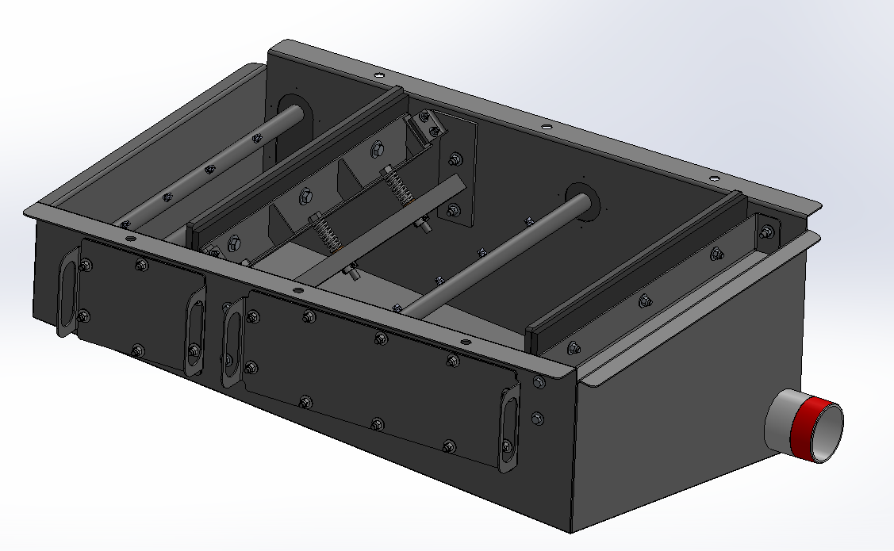
 | 101961 | 0.375 | PLATE 3/8" T-316L SS PER A240 2B FINISH |  |  |  | #VALUE! | LB | $2.70 | #VALUE!
 | 101963 | 0.25 | PLATE 1/4" T-316L SS PER A240 2B FINISH |  |  |  | #N/A | LB | $2.65 | #N/A
 | 101964 | 0.1875 | PLATE 3/16" T-316L SS PER A240 2B FINISH |  |  |  | 0.00 | LB | $2.59 | $-
 | 103761 |  | BAR SQ 1 1/4" T-316L SS PER A276 MILL FINISH |  |  |  | #VALUE! | FT | $32.00 | #VALUE!
 | 104748 |  | BAR RD Ø1 1/2" OD T-316L SS PER A276 MILL FINISH |  |  |  | 0.00 | FT | $57.00 | $-
 | 104752 |  | BAR RD Ø1 1/4" OD T-316L SS PER A276 MILL FINISH |  |  |  | #VALUE! | FT | $44.50 | #VALUE!
 | 104755 |  | BAR RD Ø3/4" OD T-316L SS PER A276 MILL FINISH |  |  |  | 0.00 | FT | $6.30 | $-
 | 105467 |  | PIPE Ø2" NOM X .343" SCH 160 T-316L SS PER A312 MILL FINISH |  |  |  | 0.00 | FT | $97.50 | $-
 | 105627 |  | PIPE Ø6" NOM X .280" SCH 40 T-316L SS PER A312 MILL FINISH |  |  |  | #VALUE! | FT | $70.00 | #VALUE!
 | 105771 |  | PIPE Ø1" NOM X .133" SCH 40 T-316L SS PER A312 MILL FINISH |  |  |  | #VALUE! | FT | $9.00 | #VALUE!
 | 105787 |  | PIPE Ø3/4" NOM X .113" SCH 40 T-316L SS PER A312 MILL FINISH |  |  |  | 0.00 | FT | $30.00 | $-
 | 109640 |  | ANGLE L2 1/2" X 2 1/2" X 1/4" T-316L SS PER A276 MILL FINISH |  |  |  | #N/A | FT | $15.20 | #N/A

 |  |  |  |  |  |  |  |  | TOTAL | #VALUE!

 | NON-METAL MATERIAL SUMMARY
 | PART NUMBER |  | DESCRIPTION |  |  |  | QTY | UOM | UNIT COST | COST
 | 131858 |  | SHEET 1" UHMW-PE BLACK PER D4020 MILL FINISH |  |  |  | 0.00 | SQFT | $16.73 | $-
 | 131861 |  | SHEET 1/2" UHMW-PE BLACK PER D4020 MILL FINISH |  |  |  | #VALUE! | SQFT | $8.54 | #VALUE!
 | 131862 |  | SHEET 3/8" UHMW-PE BLACK PER D4020 MILL FINISH |  |  |  | #VALUE! | SQFT | $6.95 | #VALUE!
 | 131864 |  | SHEET 1/4" UHMW-PE BLACK PER D4020 MILL FINISH |  |  |  | 0.00 | SQFT | $4.00 | $-
 | 131905 |  | SHEET 1/2" NEOPRENE RUBBER PER D2000 |  |  |  | #VALUE! | SQFT | $13.92 | #VALUE!
 | 133659 |  | STRIP MATL 8" X 1/8" NEOPRENE RUBBER PER D2000 |  |  |  | 0.00 | FT | $4.00 | $-
 | 133691 |  | STRIP MATL 8" X 3/8" STYRENE BUTADIENE RUBBER (SBR) PER D2000 |  |  |  | #VALUE! | FT | $10.16 | #VALUE!
 | 135799 |  | PIPE Ø1 1/4" NOM X .140" WALL SCH 40 CLEAR PVC PER D1784 MILL FINISH |  |  |  | 0.00 | FT | $4.00 | $-

 |  |  |  |  |  |  |  |  | TOTAL | #VALUE!

 | PURCHASED COMPONENTS SUMMARY
 | PART NUMBER |  | DESCRIPTION |  |  |  | QTY | UOM | UNIT COST | COST
 | 501423 |  | SPRING, Ø11/16 X 2 1/2" |  |  |  | 0 | EA | $4.50 | $-
 | 501494 |  | 3/4" SQUARE NUT- BRONZE |  |  |  | 0 | EA | $11.00 | $-
 | 501048 |  | TWO-PIECE SHAFT COLLAR, 1 1/4" ID X 2 1/16" OD X 1/2" |  |  |  | 0 | EA | $26.56 | $-
 | 501143 |  | 2 BOLT FLANGE BLOCK BALL BEARING, 1 1/4" BORE |  |  |  | 0 | EA | $59.31 | $-
 | 501337 |  | 1 1/4" PLASTIC PIPE CAP, FEMALE, WHITE PVC |  |  |  | 0 | EA | $0.70 | $-
 | 501338 |  | 1 1/4" MALE NPT TO 1 1/4" FEMALE SOCKET PIPE ADAPTER, WHITE PVC |  |  |  | 0 | EA | $0.65 | $-
 | #N/A |  | ROLLER, CEMA C, Ø5" X 36" BW X 20 DEG, MOXIE ROLLER |  |  |  | 0 | EA | #N/A | #N/A
 | #N/A |  | ROLLER, CEMA C, Ø5" X 36" BW, MOXIE ROLLER |  |  |  | 0 | EA | #N/A | #N/A
 | 501526 |  | Ø1 15/16" CLAMPING TWO-PIECE SHAFT COLLAR 303SS |  |  |  | 0 | EA | $28.63 | $-
 | 501540 |  | COMPRESSION SPRING, 1"OD X 2.5"LG X 0.76"ID 302 SS |  |  |  | 0 | EA | $3.46 | $-
 | 501543 |  | Ø1/2" ID TWO-PIECE SHAFT COLLAR 303 SS |  |  |  | 0 | EA | $15.67 | $-
 | 501564 |  | BRONZE FLANGED BUSHING 1 /2" ID 3/4" OD X 1" LG |  |  |  | 0 | EA | $4.44 | $-
 | 501577 |  | STAINLESS STEEL BALL VALVE- 1" NPT |  |  |  | 0 | EA | $28.47 | $-
 | 501583 |  | 90 DEGREE ADAPTER, 1" NPT FEMALE X FEMALE, 304 SS |  |  |  | 0 | EA | $4.63 | $-
 | 501587 |  | 1" NPT PIPE NIPPLE BOTH ENDS THREADED, SHC 40, 22" LONG, 304/304L SS |  |  |  | 0 | EA | $29.26 | $-
 | 501588 |  | 1" NPT UNION STRAIGHT CONNECTER |  |  |  | 0 | EA | $11.15 | $-
 | 501589 |  | 1" NPT CROSS CONNECTOR |  |  |  | 0 | EA | $13.59 | $-
 | 501596 |  | Ø2" ID PLUG, ROUND-BLACK |  |  |  | 0 | EA | $0.38 | $-
 | 501598 |  | Ø3/4" EXTERNAL RETAINING RING, 15-7 PH SS |  |  |  | 0 | EA | $1.80 | $-
 | 501600 |  | VERTICAL SIDE GUIDE ROLLER, CONCAVE, Ø3 1/4" X 4 3/4" FACE, URETHANE, Ø3/4" SS SHAFT, OAL 10 1/2" |  |  |  | 0 | EA | $199.53 | $-
 | 501605 |  | 2" NPT ONE END THREADED PIPE NIPPLE X SCH 40, 2" OAL, 316/316L SS |  |  |  | 0 | EA | $7.40 | $-
 | 501655 |  | VEE JET SPRAY NOZZLE 1/8" |  |  |  | 0 | EA | $22.61 | $-
 | 501688 |  | Ø3/4" ID SINGLE ROW BALL BEARING, Ø2" OD, DOUBLE SEAL |  |  |  | 0 | EA | $28.86 | $-
 | 501781 |  | PIPE NIPPLE, Ø1" NPT X 2 1/2" LG. TBE, 304L SS |  |  |  | 0 | EA | $3.13 | $-
 | 501783 |  | PIPE NIPPLE, Ø1" NPT X 3 1/2" LG. TBE, 304L SS |  |  |  | 0 | EA | $4.19 | $-
 | 501784 |  | PIPE NIPPLE, Ø1" NPT X 4" LG. TBE, 304L SS |  |  |  | 0 | EA | $4.72 | $-
 | 502209 |  | 12 X 2-1/2 PHEN WHEEL, 1-1/4 DELRIN BEARING, 3” HUB WIDTH |  |  |  | 0 | EA | $69.33 | $-
 | 502212 |  | SOLENOID VALVE STAINLESS STEEL BODY , EXPOSION PROOF- 1" NPT |  |  |  | 0 | EA | $1,288.00 | $-
 | 502240 |  | Ø1-1/4" BORE MOUNTED BALL BEARING |  |  |  | 0 | EA | $74.62 | $-
 | 502363 |  | CLEVIS, FEMALE, 3/4"-16 TAPPED, 1 1/4" OPENING, PIN HOLE Ø3/4", 316 SS |  |  |  | 0 | EA | $181.33 | $-
 | 502364 |  | CLEVIS PIN, Ø3/4" X 2 7/8" LG, SS |  |  |  | 0 | EA | $69.81 | $-
 | 48-304-067-31 |  |  |  |  |  | 0 | EA | $0.30 | $-
 | 59-014-813-02 |  |  |  |  |  | 0 | EA | $0.22 | $-
 | 70-019-000-02 |  |  |  |  |  | 0 | EA | $1.37 | $-
 | 74-019-950-02 |  |  |  |  |  | 0 | EA | #N/A | #N/A
 | 79-016-816-02 |  |  |  |  |  | 0 | EA | $2.10 | $-
 | 99-012-806-02 |  |  |  |  |  | 0 | EA | $0.06 | $-
 | 99-014-816-02 |  |  |  |  |  | 0 | EA | $0.58 | $-
 | ACME ROD |  |  |  |  |  | 0 | EA | $260.00 | $-
 | H00-038X125-02 |  |  |  |  |  | 0 | EA | $0.77 | $-
 | H00-038X150-02 |  |  |  |  |  | 0 | EA | $0.85 | $-
 | H00-038X200-02 |  |  |  |  |  | 0 | EA | $1.06 | $-
 | H00-050X125-02 |  |  |  |  |  | 0 | EA | $0.32 | $-
 | H00-050X150-02 |  |  |  |  |  | 0 | EA | $1.46 | $-
 | H00-050X200-02 |  |  |  |  |  | 0 | EA | $1.67 | $-
 | H00-063X225-02 |  |  |  |  |  | 0 | EA | $3.20 | $-
 | H33-038-02 |  |  |  |  |  | 0 | EA | $0.39 | $-
 | H41-038X075-02 |  |  |  |  |  | 0 | EA | $- | $-
 | H41-063X150-02 |  |  |  |  |  | 0 | EA | $- | $-
 | H51-031X500-02 |  |  |  |  |  | 0 | EA | $4.21 | $-
 | HARDWARE |  |  |  |  |  | 0 | EA | $100.00 | $-
 | IQ10FA10-Z3 |  |  |  |  |  | 0 | EA | #N/A | #N/A

 |  |  |  |  |  |  |  |  | TOTAL | #N/A |  | #N/A

COST PER FT
BIO-BELT DRIP PAN ASSY @10' SECTIONS
Qty. | PART NUMBER | DESCRIPTION |  |  | BUCKET | THICKNESS (IN.) | WIDTH (IN.) | LENGTH (IN.) | DENSITY N/A=FT/SQ. FT. | UNIT QTY | PURCH. UOM | ASSY QTY | TOTAL QTY | Total Weight (lb) | UNIT COST ($) | ASSY COST ($) | TOTAL COST ($) | QTY | MATERIAL COST | LABOR HOURS | PURCHASED COST | NON-METAL COST
IN. BELT |  |  |  |  |  |  |  |  |  |  |  |  |  |  |  |  |  | 0 | $0.00 | 0 | $0.00 | $0.00
1 | 101871 | Drip Pan (14GA) |  |  | RAW | 0.0751 | 19.25 | 121.5 | 0.289 | 50.76 | LBS | 50.76 | 0.00 | 50.76-lbs | $2.89 | $146.70 | $-
8 | 101871 | Drip Pan Bracket (14GA) |  |  | RAW | 0.0751 | 2 | 11 | 0.289 | 0.48 | LBS | 3.82 | 0.00 | 3.82-lbs | $2.89 | $11.04 | $-
16 | H00-038X125-02 | H00-038X125-00 |  |  | PURCHASED | HARDWARE |  |  |  | 1 | EA | 16 | 0 |  | $0.77 | $12.25 | $-
 |  | LABOR |  |  |  | 3 | MH
 |  |  |  | PURCHASED | $12.25 | RAW | $157.74 |  | NON-METAL | $0.00 |  |  | Total Weight= | 54.58-lbs | Subtotal= | $170.00 | $-

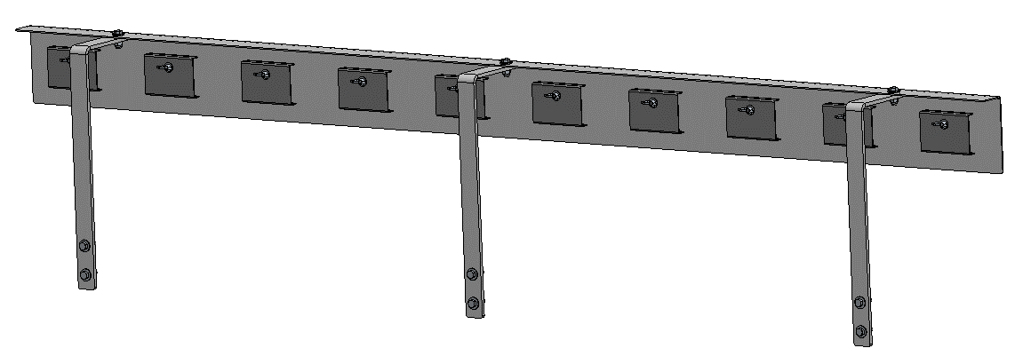
BIO-BELT SIDE SKIRT ASSY @10' SECTIONS (1 SIDE ONLY, QTY 2 FOR BOTH SIDES)
IN. BELT |  |  |  |  |  |  |  |  |  |  |  |  |  |  |  |  |  | 0 | #N/A | 0 | $0.00 | $0.00
1 | 101869 | Skirt Plate (11GA) |  |  | RAW | 0.12 | 10.77 | 120 | 0.289 | 44.82 | LBS | 44.82 | 0.00 | 44.82-lbs | $2.89 | $129.53 | $-
3 | 101961 | Support Bracket |  |  | RAW | 0.375 | 2 | #N/A | 0.289 | #N/A | LBS | #N/A | #N/A | #N/A | $2.70 | #N/A | #N/A |  | BELT WIDTH | SB LENGTH
10 | 101871 | Skirt Retainer (14GA) |  |  | RAW | 0.0751 | 6 | 6 | 0.289 | 0.78 | LBS | 7.81 | 0.00 | 7.81-lbs | $2.89 | $22.58 | $- |  | 18 | 31.405
1 | 133689 | SBR 4" X 3/8" STRIP |  |  | NON-METAL | 0.375 | 4 | 120 | 0.611 | 10.00 | FT | 10.00 | 0.00 | 0.61-lbs | $2.45 | $24.50 | $- |  | 24 | 32.28
9 | H00-050X175-02 | H00-050X175-00 |  |  | PURCHASED | HARDWARE |  |  |  | 1 | EA | 9 | 0 |  | $1.58 | $14.22 | $- |  | 30 | 32.91
10 | H52-038X200-02 | H52-038X200-00 |  |  | PURCHASED | HARDWARE |  |  |  | 1 | EA | 10 | 0 |  | $1.08 | $10.80 | $- |  | 36 | 33.655
 |  | LABOR |  |  |  | 5 | MH |  |  |  |  |  |  |  |  |  |  |  | 48 | 35.155
 |  |  |  | PURCHASED | $25.02 | RAW | #N/A |  | NON-METAL | $24.50 |  |  | Total Weight= | 0.61-lbs | Subtotal= | #N/A | #N/A

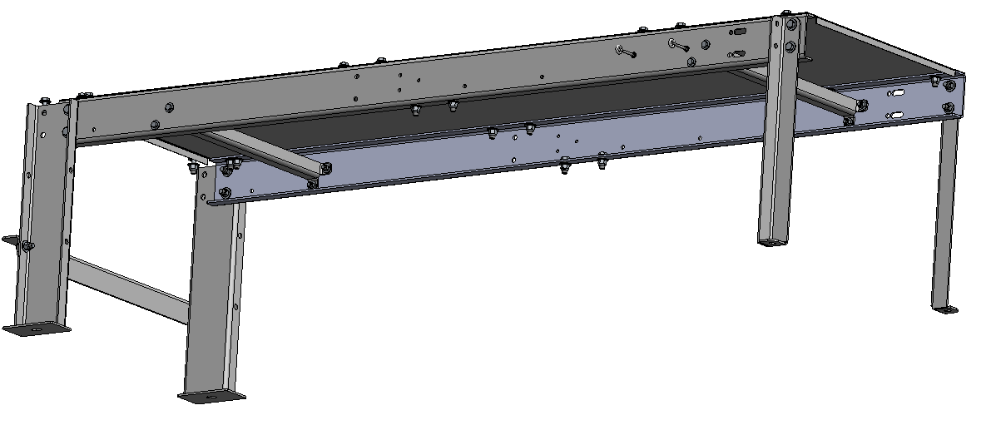
BIO-BELT FRAME ASSY @10' SECTIONS (USE CENTER TO CENTER DRUM DISTANCE)
IN. BELT |  |  |  |  |  |  |  |  |  |  |  |  |  |  |  |  |  | 0 | $0.00 | 0 | $0.00 | $0.00
2 | 101963 | Side Channel |  |  | RAW | 0.25 | 9.01 | 120 | 0.289 | 78.12 | LBS | 156.23 | 0.00 | 156.23-lbs | $2.65 | $414.02 | $-
1 | 101871 | Deck Plate (14GA) |  |  | RAW | 0.0751 | 12.75 | 121.72 | 0.289 | 33.68 | LBS | 33.68 | 0.00 | 33.68-lbs | $2.89 | $97.34 | $-
2 | 101963 | Cross Member |  |  | RAW | 0.25 | 3.52 | 13.29 | 0.289 | 3.38 | LBS | 6.76 | 0.00 | 6.76-lbs | $2.65 | $17.91 | $-
1 | 409802 | E-STOP CABLE |  |  | PURCHASED | 0.3125 | N/A | 240 | 0.096 | 20.00 | FT | 20.00 | 0.00 | 20.00-lbs | $0.57 | $11.40 | $-
4 | 101963 | Temp. Shipping Leg |  |  | RAW | 0.25 | 5.15 | 33.13 | 0.289 | 12.33 | LBS | 49.31 | 0.00 | 49.31-lbs | $2.65 | $130.67 | $-
8 | H00-050X150-02 | H00-050X150-00 |  |  | PURCHASED | HARDWARE |  |  |  | 1 | EA | 8 | 0 |  | $1.46 | $11.68 | $-
8 | H00-063X200-02 | H00-063X200-00 |  |  | PURCHASED | HARDWARE |  |  |  | 1 | EA | 8 | 0 |  | $3.21 | $25.69 | $-
4 | H51-031X500-02 | H51-031X500-00 |  |  | PURCHASED | HARDWARE |  |  |  | 1 | EA | 4 | 0 |  | $4.21 | $16.84 | $-
 |  | LABOR |  |  |  | 15 | MH
 |  |  |  | PURCHASED | $65.61 | RAW | $659.94 |  | NON-METAL | $0.00 |  |  | Total Weight= | 265.99-lbs | Subtotal= | $725.56 | $-

BIO-BELT RAIN COVERS BY RPS (INPUT TOTAL FEET)
IN. BELT |  |  |  |  |  |  |  |  |  |  |  |  |  |  |  |  |  | 0 | $0.00 | #N/A | #N/A | $0.00
1 | RPS COVER | COVER COST PER FOOT |  |  | PURCHASED | N/A | N/A | N/A | N/A | 1.00 | EA | 1.00 | 0.00 | #N/A | #N/A | #N/A | #N/A
 |  | LABOR |  |  |  | #N/A | MH |  |  |  |  |  |  |  |  |  |  |  | BELT WIDTH | LABOR | WEIGHT | 304/304L | 316L
 |  |  |  |  |  |  |  |  |  |  | Total Weight= |  |  | #N/A | Subtotal= | #N/A | #N/A |  | 18 | 0.15 | 11.25 | 185 | 215
 |  |  |  |  |  |  |  |  |  |  |  |  |  |  |  |  |  |  | 24 | 0.25 | 12.5 | 200 | 230
 |  |  |  |  |  |  |  |  |  |  |  |  |  |  |  |  |  |  | 30 | 0.25 | 13.5 | 205 | 235
 |  |  |  |  |  |  |  |  |  |  |  |  |  |  |  |  |  |  | 36 | 0.25 | 15.25 | 210 | 240
 |  |  |  |  |  |  |  |  |  |  |  |  |  |  |  |  |  |  | 42 | 0.25 | 16.75 | 215 | 245
 |  |  |  |  |  |  |  |  |  |  |  |  |  |  |  |  |  |  | 48 | 0.25 | 16.75 | 220 | 250

BELT BUDGETARY ONLY 2PLY 220 (INPUT TOTAL FEET)
18" BELT |  |  |  |  |  |  |  |  |  |  |  |  |  |  |  |  |  |  | $0.00 | 0 | $0.00 | $0.00
1 |  | 2 PLY 220, 1/8 X 1/16 MOR |  |  |  | N/A | N/A | N/A | N/A | N/A | N/A |  |  | N/A | $13.76-ft |  | $13.76
 |  | LABOR |  |  |  | 0 | MH
 |  |  |  |  |  |  |  |  |  |  | Total Weight= |  |  | 0.00-lbs | Subtotal= |  | $13.76

24" BELT |  |  |  |  |  |  |  |  |  |  |  |  |  |  |  |  |  |  | $0.00 | 0 | $0.00 | $0.00
1 |  | 2 PLY 220, 1/8 X 1/16 MOR |  |  |  | N/A | N/A | N/A | N/A | N/A | N/A |  |  | N/A | $17.98-ft |  | $17.98
 |  | LABOR |  |  |  | 0 | MH
 |  |  |  |  |  |  |  |  |  |  | Total Weight= |  |  | 0.00-lbs | Subtotal= |  | $17.98

30" BELT |  |  |  |  |  |  |  |  |  |  |  |  |  |  |  |  |  |  | $0.00 | 0 | $0.00 | $0.00
1 |  | 2 PLY 220, 1/8 X 1/16 MOR |  |  |  | N/A | N/A | N/A | N/A | N/A | N/A |  |  | N/A | $22.78-ft |  | $22.78
 |  | LABOR |  |  |  | 0 | MH
 |  |  |  |  |  |  |  |  |  |  | Total Weight= |  |  | 0.00-lbs | Subtotal= |  | $22.78

36" BELT |  |  |  |  |  |  |  |  |  |  |  |  |  |  |  |  |  |  | $0.00 | 0 | $0.00 | $0.00
1 |  | 2 PLY 220, 1/8 X 1/16 MOR |  |  |  | N/A | N/A | N/A | N/A | N/A | N/A |  |  | N/A | $27.06-ft |  | $27.06
 |  | LABOR |  |  |  | 0 | MH
 |  |  |  |  |  |  |  |  |  |  | Total Weight= |  |  | 0.00-lbs | Subtotal= |  | $27.06

48" BELT |  |  |  |  |  |  |  |  |  |  |  |  |  |  |  |  |  |  | $0.00 | 0 | $0.00 | $0.00
1 |  | 2 PLY 220, 1/8 X 1/16 MOR |  |  |  | N/A | N/A | N/A | N/A | N/A | N/A |  |  | N/A | $36.21-ft |  | $36.21
 |  | LABOR |  |  |  | 0 | MH
 |  |  |  |  |  |  |  |  |  |  | Total Weight= |  |  | 0.00-lbs | Subtotal= |  | $36.21

BIO-BELT SUPPORT LEGS 2FT (QTY 1 EQUALS 1 PAIR OF SUPPORTS)
LEG HEIGHT IN INCHES (24" minimum)------> |  |  |  |  |  |  |  |  |  |  |  |  |  |  |  |  | LEG HEIGHT IN INCHES (24" minimum)------> | 24
HORIZONTAL BELT SUPPORTS |  |  |  |  |  |  |  |  |  |  |  |  |  |  |  |  |  | 0 | $0.00 | 0 | $0.00 | $0.00
2 | 101963 | C Channel 1/4" |  |  | RAW | 0.25 | 9.51 | 24 | 0.289 | 16.49 | LBS | 32.98 | 0.00 | 32.98-lbs | $2.65 | $87.40 | $-
2 | 101963 | Foot Plate 1/4" |  |  | RAW | 0.25 | 4.5 | 7.5 | 0.289 | 2.44 | LBS | 4.88 | 0.00 | 4.88-lbs | $2.65 | $12.92 | $-
8 | H00-063X175-02 | H00-063X175-00 |  |  | PURCHASED | HARDWARE |  |  |  | 1 | EA | 8 | 0 |  | $2.83 | $22.64 | $-
2 | H10-063X1000-02 | H10-063X1000-00 Anchor |  |  | PURCHASED | 0.625 |  | 10 |  | 1 | EA | 2 | 0 |  | $11.12 | $22.23 | $-
0.5 | 501005 | 501005-Hit-HY 200 Epoxy |  |  | PURCHASED |  |  |  |  | 1 | EA | 0.5 | 0 |  | $30.01 | $15.00 | $-
 |  | LABOR |  |  |  | 2 | MH
 |  |  |  | PURCHASED | $59.87 | RAW | $100.32 |  | NON-METAL | $0.00 |  |  | Total Weight= | 37.86-lbs | Subtotal= | $160.20 | $-

BIO-BELT SUPPORT LEGS 5FT (QTY 1 EQUALS 1 PAIR OF SUPPORTS)
 |  |  |  |  |  |  |  |  |  |  |  |  |  |  |  |  | LEG HEIGHT IN INCHES (60" minimum)------> | 60
HORIZONTAL BELT SUPPORTS |  |  |  |  |  |  |  |  |  |  |  |  |  |  |  |  |  | 0 | $0.00 | 0 | $0.00 | $0.00
2 | 101963 | C Channel 1/4" |  |  | RAW | 0.25 | 9.51 | 60 | 0.289 | 41.23 | LBS | 82.45 | 0.00 | 82.45-lbs | $2.65 | $218.50 | $-
2 | 101963 | Foot Plate 1/4" |  |  | RAW | 0.25 | 4.5 | 7.5 | 0.289 | 2.44 | LBS | 4.88 | 0.00 | 4.88-lbs | $2.65 | $12.92 | $-
8 | H00-063X175-02 | H00-063X175-00 |  |  | PURCHASED | HARDWARE |  |  |  | 1 | EA | 8 | 0 |  | $2.83 | $22.64 | $-
2 | H10-063X1000-02 | H10-063X1000-00 Anchor |  |  | PURCHASED | 0.625 |  | 10 |  | 1 | EA | 2 | 0 |  | $11.12 | $22.23 | $-
0.5 | 501005 | 501005-Hit-HY 200 Epoxy |  |  | PURCHASED |  |  |  |  | 1 | EA | 0.5 | 0 |  | $30.01 | $15.00 | $-
 |  | LABOR |  |  |  | 2.5 | MH
 |  |  |  | PURCHASED | $59.87 | RAW | $231.42 |  | NON-METAL | $0.00 |  |  | Total Weight= | 87.33-lbs | Subtotal= | $291.29 | $-

BIO-BELT SUPPORT LEGS 10FT (QTY 1 EQUALS 1 PAIR OF SUPPORTS)
 |  |  |  |  |  |  |  |  |  |  |  |  |  |  |  |  | LEG HEIGHT IN INCHES (120" minimum)------> | 120
HORIZONTAL BELT SUPPORTS |  |  |  |  |  |  |  |  |  |  |  |  |  |  |  |  |  | 0 | $0.00 | 0 | $0.00 | $0.00
2 | 101963 | C Channel 1/4" |  |  | RAW | 0.25 | 9.51 | 120 | 0.289 | 82.45 | LBS | 164.90 | 0.00 | 164.90-lbs | $2.65 | $436.99 | $-
2 | 101963 | Foot Plate 1/4" |  |  | RAW | 0.25 | 4.5 | 7.5 | 0.289 | 2.44 | LBS | 4.88 | 0.00 | 4.88-lbs | $2.65 | $12.92 | $-
8 | H00-063X175-02 | H00-063X175-00 |  |  | PURCHASED | HARDWARE |  |  |  | 1 | EA | 8 | 0 |  | $2.83 | $22.64 | $-
2 | H10-063X1000-02 | H10-063X1000-00 Anchor |  |  | PURCHASED | 0.625 |  | 10 |  | 1 | EA | 2 | 0 |  | $11.12 | $22.23 | $-
0.5 | 501005 | 501005-Hit-HY 200 Epoxy |  |  | PURCHASED |  |  |  |  | 1 | EA | 0.5 | 0 |  | $30.01 | $15.00 | $-
 |  | LABOR |  |  |  | 3 | MH
 |  |  |  | PURCHASED | $59.87 | RAW | $449.92 |  | NON-METAL | $0.00 |  |  | Total Weight= | 169.78-lbs | Subtotal= | $509.79 | $-

BIO-BELT SUPPORT LEGS 15FT (QTY 1 EQUALS 1 PAIR OF SUPPORTS)
 |  |  |  |  |  |  |  |  |  |  |  |  |  |  |  |  | LEG HEIGHT IN INCHES (180" minimum)------> | 180
HORIZONTAL BELT SUPPORTS |  |  |  |  |  |  |  |  |  |  |  |  |  |  |  |  |  | 0 | $0.00 | 0 | $0.00 | $0.00
2 | 101963 | C Channel 1/4" |  |  | RAW | 0.25 | 9.51 | 180 | 0.289 | 123.68 | LBS | 247.36 | 0.00 | 247.36-lbs | $2.65 | $655.49 | $-
2 | 101963 | Foot Plate 1/4" |  |  | RAW | 0.25 | 4.5 | 7.5 | 0.289 | 2.44 | LBS | 4.88 | 0.00 | 4.88-lbs | $2.65 | $12.92 | $-
8 | H00-063X175-02 | H00-063X175-00 |  |  | PURCHASED | HARDWARE |  |  |  | 1 | EA | 8 | 0 |  | $2.83 | $22.64 | $-
2 | H10-063X1000-02 | H10-063X1000-00 Anchor |  |  | PURCHASED | 0.625 |  | 10 |  | 1 | EA | 2 | 0 |  | $11.12 | $22.23 | $-
0.5 | 501005 | 501005-Hit-HY 200 Epoxy |  |  | PURCHASED |  |  |  |  | 1 | EA | 0.5 | 0 |  | $30.01 | $15.00 | $-
 |  | LABOR |  |  |  | 3.5 | MH
 |  |  |  | PURCHASED | $59.87 | RAW | $668.41 |  | NON-METAL | $0.00 |  |  | Total Weight= | 252.23-lbs | Subtotal= | $728.29 | $-

BIO-BELT SUPPORT LEGS 20FT (QTY 1 EQUALS 1 PAIR OF SUPPORTS)
 |  |  |  |  |  |  |  |  |  |  |  |  |  |  |  |  | LEG HEIGHT IN INCHES (240" minimum)------> | 240
HORIZONTAL BELT SUPPORTS |  |  |  |  |  |  |  |  |  |  |  |  |  |  |  |  |  | 0 | $0.00 | 0 | $0.00 | $0.00
2 | 101963 | C Channel 1/4" |  |  | RAW | 0.25 | 9.51 | 240 | 0.289 | 164.90 | LBS | 329.81 | 0.00 | 329.81-lbs | $2.65 | $873.99 | $-
2 | 101963 | Foot Plate 1/4" |  |  | RAW | 0.25 | 4.5 | 7.5 | 0.289 | 2.44 | LBS | 4.88 | 0.00 | 4.88-lbs | $2.65 | $12.92 | $-
8 | H00-063X175-02 | H00-063X175-00 |  |  | PURCHASED | HARDWARE |  |  |  | 1 | EA | 8 | 0 |  | $2.83 | $22.64 | $-
2 | H10-063X1000-02 | H10-063X1000-00 Anchor |  |  | PURCHASED | 0.625 |  | 10 |  | 1 | EA | 2 | 0 |  | $11.12 | $22.23 | $-
0.5 | 501005 | 501005-Hit-HY 200 Epoxy |  |  | PURCHASED |  |  |  |  | 1 | EA | 0.5 | 0 |  | $30.01 | $15.00 | $-
 |  | LABOR |  |  |  | 4 | MH
 |  |  |  | PURCHASED | $59.87 | RAW | $886.91 |  | NON-METAL | $0.00 |  |  | Total Weight= | 334.68-lbs | Subtotal= | $946.79 | $-

ODOR CONTROL COVERS AND NEOPRENE FLOOR SKIRTS 216 FT |  |  |  |  |  |  |  |  |  |  |  |  |  |  |  |  |  | 0 | $0.00 | 0 | $0.00 | $0.00
 |  | MH | 0.5 |  | NON-METAL | 14.36 |  |  |  | COST/FT | 133

 |  |  |  |  |  |  |  |  |  |  |  |  |  |  |  |  |  |  | MATERIAL | LABOR | PURCHASED | NON-METAL
 |  |  |  |  |  |  |  |  |  |  |  |  |  |  |  |  |  | SUBTOTAL | #N/A | #N/A | #N/A | $0.00

 | METAL MATERIAL SUMMARY
 | PART NUMBER | THICKNESS | DESCRIPTION |  |  |  | QTY | UOM | UNIT COST | COST
 | 101869 | 0.12 | SHEET 0.120" 11GA T-316L SS PER A240 2B FINISH |  |  |  | 0.00 | LB | $2.89 | $-
 | 101871 | 0.0751 | SHEET 0.075" 14GA T-316L SS PER A240 2B FINISH |  |  |  | 0.00 | LB | $2.89 | $-
 | 101961 | 0.375 | PLATE 3/8" T-316L SS PER A240 2B FINISH |  |  |  | #N/A | LB | $2.70 | #N/A
 | 101962 | 0.3125 | PLATE 5/16" T-316L SS PER A240 2B FINISH |  |  |  | 0.00 | LB | $2.70 | $-
 | 101963 | 0.25 | PLATE 1/4" T-316L SS PER A240 2B FINISH |  |  |  | 0.00 | LB | $2.65 | $-

 |  |  |  |  |  |  |  |  |  | #N/A

 | NON-METAL MATERIAL SUMMARY
 | PART NUMBER | THICKNESS | DESCRIPTION |  |  |  | QTY | UOM | UNIT COST | COST
 | 133689 |  | STRIP MATL 4" X 3/8" STYRENE BUTADIENE RUBBER (SBR) PER D2000 |  |  |  | 0.00 | FT | $2.45 | $-

 | PURCHASED COMPONENTS SUMMARY
 | PART NUMBER | THICKNESS | DESCRIPTION |  |  |  | QTY | UOM | UNIT COST | COST
 | 409802 |  |  |  |  |  | 0.00 | FT | $0.57 | $-
 | 501005 |  |  |  |  |  | 0.00 | EA | $30.01 | $-
 | H00-038X125-02 |  |  |  |  |  | 0.00 | EA | $0.77 | $-
 | H00-050X150-02 |  |  |  |  |  | 0.00 | EA | $1.46 | $-
 | H00-050X175-02 |  |  |  |  |  | 0.00 | EA | $1.58 | $-
 | H00-063X175-02 |  |  |  |  |  | 0.00 | EA | $2.83 | $-
 | H00-063X200-02 |  |  |  |  |  | 0.00 | EA | $3.21 | $-
 | H10-063X1000-02 |  |  |  |  |  | 0.00 | EA | $11.12 | $-
 | H51-031X500-02 |  |  |  |  |  | 0.00 | EA | $4.21 | $-
 | H52-038X200-02 |  |  |  |  |  | 0.00 | EA | $1.08 | $-
 | RPS COVER |  |  |  |  |  | 0.00 | FT | #N/A | #N/A

 |  |  |  |  |  |  |  |  |  | #N/A |  | #N/A

