Design

 |  |  |  |  |  |  |  |  |  |  |  | JIM MYERS & SONS
 |  |  |  |  |  |  |  |  |  |  |  | SCREW CONVEYOR DESIGN SHEET
 |  |  |  |  |  |  |  |  |  |  |  | PROJECT NO.: |  |  |  |  |  |  |  |  |  |  |  |  |  |  |  |  | BY:
 |  |  |  |  |  |  |  |  |  |  |  | LOCATION: |  |  |  |  |  |  |  |  |  |  |  |  |  |  |  |  | DATE:
 |  |  |  |  |  |  |  |  |  |  |  | CUSTOMER: |  |  |  |  |  |  |  |  |  |  |  |  |  |  |  |  | REVISION:
 |  |  |  |  |  |  |  |  |  |  |  | ENGINEER: |  |  |  |  |  |  |  |  |  |  |  |  |  |  |  |  | REV DATE:
 |  |  |  |  |  |  |  |  |  |  |  | DESCRIPTION: |  |  |  |  |  |  |  |  |  |  |  |  |  |  |  |  | PAGE: |  |  |  | OF
1 | CONVEYOR GENERAL INFORMATION |  |  |  |  |  |  |  |  |  |  |  |  |  |  |  |  |  |  |  |  |  |  |  |  |  |  |  |  |  |  |  |  |  |  |  |  |  |  |  |  |  |  |  |  |  | R
2 | IDENTIFICATION: |  |  |  |  |  |  |  |  |  |  |  |  |  |  |  |  |  |  |  |  |  |  |  | CONVEYED MATERIAL:
3 | DESCRIPTION: |  |  |  |  |  |  |  |  |  |  |  |  |  |  |  |  |  |  |  |  |  |  |  | DENSITY: |  |  |  |  |  |  |  |  |  |  | #N/A |  |  | LB/FT3
4 | JMS ASSEMBLY: |  |  |  |  |  |  |  |  |  |  |  |  |  |  |  |  |  |  |  |  |  |  |  | SOLIDS CONTENT: |  |  |  |  |  |  |  |  |  |  | #N/A |  |  | %
5 | LENGTH: |  |  |  |  |  |  |  |  |  |  |  |  |  | FT | ( | 0 |  |  | IN | ) |  |  |  | FLOWABILITY: |  |  |  |  |  |  |  |  |  |  | #N/A
6 | DRIVE ARRANGEMENT: |  |  |  |  |  |  |  |  |  |  |  |  |  |  |  |  |  |  |  |  |  |  |  | SIZE: |  |  |  |  |  |  |  |  |  |  | #N/A
7 | FLOW DIRECTION: |  |  |  |  |  |  |  |  |  |  |  |  |  |  |  |  |  |  |  |  |  |  |  | ABRASIVENESS: |  |  |  |  |  |  |  |  |  |  | #N/A
8 | SERVICE DUTY: |  |  |  |  |  |  |  |  |  |  |  |  |  |  |  |  |  |  |  |  |  |  |  | MATERIAL TEMPERATURE RANGE: |  |  |  |  |  |  |  |  |  |  |  |  |  | °F | MIN/ |  |  |  |  | °F | MAX
9 | LIVE BOTTOM: |  |  |  |  |  |  |  |  |  |  |  |  |  |  |  |  |  |  |  |  |  |  |  | OTHER CHARACTERISTICS: |  |  |  |  |  |  |  |  |  |  | #N/A
10 | AREA CLASSIFICATION: |  |  |  |  |  |  |  |  |  |  |  |  |  |  |  |  |  |  |  |  |  |  |  | NOTES: |  |  |  |  |  |  |  |  |  |  | --
11 | CAPACITY CALCULATIONS |  |  |  |  |  |  |  |  |  |  |  |  |  |  |  |  |  |  |  |  |  |  |  | POWER CALCULATIONS
12 | DESIGN CAPACITY: |  |  |  |  |  |  |  | FT3/HR |  |  | ( | #N/A |  |  |  | LB/HR |  | ) |  |  |  |  |  | GEARBOX:
13 | SCREW DIAMETER: |  |  |  |  |  |  |  | IN |  |  |  |  |  |  |  |  |  |  |  |  |  |  |  | SPEED: |  |  |  |  |  |  |  |  |  |  |  |  |  |  | :1 |  | RATIO
14 | SCREW PITCH: |  |  |  |  | Full |  |  |  | ( | 0.00 |  |  | IN | ) |  |  |  |  |  |  |  |  |  | GEARBOX OUTPUT: |  |  |  |  |  |  |  |  |  |  |  |  |  |  |  |  | INCH SHAFT
15 | SCREW TYPE: |  |  |  |  |  |  |  |  |  |  |  |  |  |  |  |  |  |  |  |  |  |  |  | MOUNTING: |  |  |  |  |  |  |  |  |  |  |  |  |  |  |  |  | ORIENTATION
16 | SCREW PIPE SHAFT: |  |  |  |  | None |  |  |  |  |  |  |  | #N/A |  |  |  |  |  |  |  |  |  |  | MOTOR:
17 | SPIRAL SIZE: |  |  |  |  |  |  |  |  |  |  |  |  | #N/A |  |  |  |  |  |  |  |  |  |  | POWER: |  |  |  |  |  |  |  |  |  |  |  | HP
18 | TROUGH FILL: |  |  |  |  |  |  |  | % |  |  |  |  | % MAX |  |  | Standard Max = 1.5X Design |  |  |  |  |  |  |  | GEARBOX SF: |  |  |  |  |  |  |  |  |  |  |  | BASED ON NAMEPLATE HP
19 | INCLINE: |  |  |  |  |  |  |  | ° |  |  |  |  |  |  |  |  |  |  |  |  |  |  |  | EXPLOSION RATING:
20 |  |  |  |  |  |  |  |  |  |  |  |  |  |  |  |  |  |  |  |  |  |  |  |  | DESIGN:
21 |  |  |  |  |  |  |  |  |  |  |  |  |  |  |  |  |  |  |  |  |  |  |  |  | DRIVE NOTES:
22 | Ds |  |  | = | Screw Outside Diameter |  |  |  |  |  | = | 0.00 |  |  |  | IN |  |  |  |  |  |  |  |  | L |  | = |  | Length |  |  |  |  | = | 0.0 |  |  | FT
23 | Dp |  |  | = | Screw Inside Diameter |  |  |  |  |  | = | #N/A |  |  |  | IN |  |  |  |  |  |  |  |  | N |  | = |  | Conveyor Speed |  |  |  |  | = | #N/A |  |  | RPM
24 | P |  |  | = | Screw Pitch |  |  |  |  |  | = | 0.00 |  |  |  | IN |  |  |  |  |  |  |  |  | Lh |  | = |  | Lift Height |  |  |  |  | = | 0.0 |  |  | FT
25 | K |  |  | = | Trough Loading |  |  |  |  |  | = | 0.0 |  |  |  | % |  |  |  |  |  |  |  |  | Fd |  | = |  | HP Factor |  |  |  |  | = | #N/A
26 | C1 |  |  | = | Mass Flow Factor |  |  |  |  |  | = | 1.0 |  |  |  |  |  |  |  |  |  |  |  |  | Fb |  | = |  | Bearing Factor |  |  |  |  | = | 1
27 | CF1 |  |  | = | Pitch Factor |  |  |  |  |  | = | 1.0 |  |  |  |  |  |  |  |  |  |  |  |  | Dm |  | = |  | Density of Material |  |  |  |  | = | #N/A |  |  | LB/FT3
28 | CF2 | CF15_ |  | = | Flight Factor |  |  |  |  |  | = | #N/A |  |  |  |  |  |  |  |  |  |  |  |  | Fm |  | = |  | Material Factor |  |  |  |  | = | #N/A
29 | CF3 | None |  | = | Mixing Factor |  |  |  |  |  | = | 1.0 |  |  |  |  |  |  |  |  |  |  |  |  | Ff |  | = |  | Flight Mod HP Factor |  |  |  |  | = | 1.0
30 | Ri |  |  | = | Incline Factor |  |  |  |  |  | = | 1.0 |  |  |  |  |  |  |  |  |  |  |  |  | Fp |  | = |  | Paddle HP Factor |  |  |  |  | = | 1.0
31 | Cr |  |  | = | Required Capacity |  |  |  |  |  | = | 0 |  |  |  | FT3/HR |  |  |  |  |  |  |  |  | Fo | #N/A | = |  | Overload HP Factor |  |  |  |  | = | #N/A
32 | Ceq |  |  | = | Equivalent Capacity |  |  |  |  |  | = | #N/A |  |  |  | FT3/HR |  |  |  |  |  |  |  |  | FoMax | #N/A | = |  | FO at Max Fill |  |  |  |  | = | #N/A
33 | Cr/N |  |  | = | Capacity per Rotation |  |  |  |  |  | = | #N/A |  |  |  | FT3/HR/RPM |  |  |  |  |  |  |  |  | e |  | = |  | Drive Efficiency |  |  |  |  | = | #N/A
34 | N |  |  | = | Conveyor Speed |  |  |  |  |  | = | #N/A |  |  |  | RPM |  |  |  |  |  |  |  |  | HPf |  | = |  | Frictional Power |  |  |  |  | = | #N/A |  |  | HP
 | C |  |  | = | Capacity |  |  |  |  |  | = | #N/A |  |  |  | FT3/HR |  |  | #N/A |  |  | LB/HR |  |  | HPm |  | = |  | Material Power |  |  |  |  | = | #N/A |  |  | HP Design |  |  | #N/A |  |  | HP Max Fill
 | CMAX |  |  | = | Capacity at Max Fill |  |  |  |  |  | = | #N/A |  |  |  | FT3/HR |  |  | #N/A |  |  | LB/HR |  |  | HPl |  | = |  | Lift Power |  |  |  |  | = | #N/A |  |  | HP | Design |  | #N/A |  |  | HP Max Fill
35 |  |  |  |  |  |  |  |  |  |  |  |  |  |  |  |  |  |  |  |  |  |  |  |  | HPt |  | = |  | Total Power |  |  |  |  | = | #N/A |  |  | HP
36 |  |  |  |  |  |  |  |  |  |  |  |  |  |  |  |  |  |  |  |  |  |  |  |  | HPtm |  | = |  | Total Power at Max Fill |  |  |  |  | = | #N/A |  |  | HP
37 |  |  |  |  |  |  |  |  |  |  |  |  |  |  |  |  |  |  |  |  |  |  |  |  | 2 POWER CALCULATION DOES NOT ACOUNT FOR HEAD LOADS ABOVE INLETS
38 | TORSIONAL CALCULATIONS
39 | CONNECTION TYPE: |  |  |  |  | Flange |  |  |  |  |  |  |  | Standard = Cross-Bolt Coupling
40 | SHAFT SIZE: |  |  |  |  | 2.438 |  |  |  |  | ( | 2 7/16 |  | ) | IN |  | #N/A |  |  |  |  |  | -
41 | SHAFT MATERIAL: |  |  |  |  | 1045 CS |  |  |  |  |  |  |  |  |  |  | Standard = 1045 CS
42 | COUPLING PIPE SIZE: |  |  |  |  | None |  |  |  |  |  |  |  |  |  |  | #N/A
43 | PIPE MATERIAL: |  |  |  |  | None |  |  |  |  |  |  |  |  |  |  | Standard = A53-77a
44 | BOLT SIZE: |  |  |  |  | None |  |  |  |  |  | IN |  |  |  |  | Standard = 5/8"
45 | BOLT MATERIAL: |  |  |  |  | None |  |  |  |  |  |  |  | Standard = A307 High Strength = A325
46 | BOLT QUANTITY: |  |  |  |  | 0
47 | BOLT PADS: |  |  |  |  | None |  |  |  |  |  | IN |  | Standard = None
48 | N |  | = | Gearbox Speed |  |  |  |  |  |  |  |  |  |  | = | 0.0 |  |  |  |  | RPM |  |  |  | COMPONENT TORSIONAL RATING
49 | HPm |  | = | Motor Power |  |  |  |  |  |  |  |  |  |  | = | 0.0 |  |  |  |  | HP |  |  |  | COMPONENT |  |  |  |  |  |  | ALLOWABLE STRESS |  |  |  |  |  | CALCULATED STRESS |  |  |  |  | RESULT
50 | SFm |  | = | Motor Power Safety Factor |  |  |  |  |  |  |  |  |  |  | = | 2.5 |  |  |  |  |  |  |  |  | DRIVE SHAFT |  |  |  |  | #DIV/0! | #DIV/0! | 21000.0 |  |  | PSI |  |  | #DIV/0! |  |  | PSI |  | #DIV/0!
51 | Tm |  | = | Torque From Motor Power (Gearmotor) |  |  |  |  |  |  |  |  |  |  | = | #DIV/0! |  |  |  |  | IN-LBF |  |  |  | PIPE SHAFT |  |  |  |  | #VALUE! | #VALUE! | -- |  |  | PSI |  |  | -- |  |  | PSI |  | --
52 | Tmf |  | = | Torque From Motor with Safety Factor |  |  |  |  |  |  |  |  |  |  | = | #DIV/0! |  |  |  |  | IN-LBF |  |  |  | COUPLING BOLT |  |  |  |  | #VALUE! | #VALUE! | -- |  |  | PSI |  |  | -- |  |  | PSI |  | --
53 | nb |  | = | Number of Coupling Bolts |  |  |  |  |  |  |  |  |  |  | = | 0 |  |  |  |  |  |  |  |  | PIPE AND BUSHING |  |  |  |  | #VALUE! | #VALUE! | -- |  |  | PSI |  |  | -- |  |  | PSI |  | --
54 | Bd |  | = | Coupling Bolt Diameter |  |  |  |  |  |  |  |  |  |  | = | 0 |  |  |  |  | IN |  |  |  |  | #VALUE!
55 | Dd |  | = | Coupling Shaft Diameter |  |  |  |  |  |  |  |  |  |  | = | 2.438 |  |  |  |  | IN |  |  |  |  | From CEMA 350-21
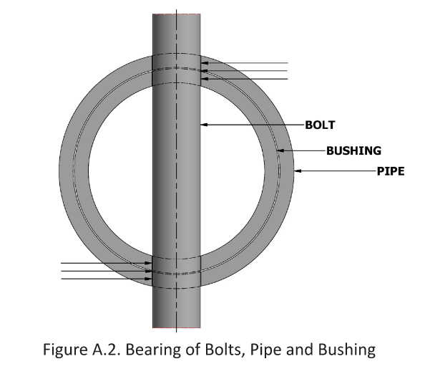
56 | Dp |  | = | Pipe Outside Diameter |  |  |  |  |  |  |  |  |  |  | = | #N/A |  |  |  |  | IN
57 | IDp |  | = | Pipe Inside Diameter |  |  |  |  |  |  |  |  |  |  | = | #N/A |  |  |  |  | IN
58 | Ab |  | = | Cross Sectional Area of Bolt |  |  |  |  |  |  |  |  |  |  | = | 0 |  |  |  |  | IN2
59 | IDb |  | = | Inside Diameter of Bushing |  |  |  |  |  |  |  |  |  |  | = | 2.438 |  |  |  |  | IN
60 | Ap |  | = | Projected Bearing Area per Bolt |  |  |  |  |  |  |  |  |  |  | = | 0 |  |  |  |  | IN2
61 | Zp |  | = | Polar Section Modulus of Pipe |  |  |  |  |  |  |  |  |  |  | = | #N/A |  |  |  |  | IN3
62 | ah |  | = | Bolt Hole Diameter (Bolt Size + 1/32") |  |  |  |  |  |  |  |  |  |  | = | 0 |  |  |  |  | IN
63 | Zs |  | = | Polar Section Modulus of Shaft |  |  |  |  |  |  |  |  |  |  | = | 2.85 |  |  |  |  | IN3
64 | r |  | = | Load Radius |  |  |  |  |  |  |  |  |  |  | = | #N/A |  |  |  |  | IN
65
66 | COMPONENT SELECTION
67 | COMPONENT |  |  |  |  |  | DETAIL |  |  |  |  |  |  |  | SIZE |  |  |  |  |  |  |  | MATERIAL |  |  |  |  |  |  | QUANTITY |  |  |  |  |  |  | ADDITIONAL INFO
68 | SCREW FLIGHTS |  |  |  |  |  |  |  |  |  |  |  |  |  | 0 |  |  |  |  |  |  |  |  |  |  |  |  |  |  | N/A |  |  |  |  |  |  | --
69 | DRIVE END SEAL |  |  |  |  |  |  |  |  |  |  |  |  |  | 2.438" |  |  |  |  |  |  |  |  |  |  |  |  |  |  | --
70 | TAIL END SEAL |  |  |  |  |  |  |  |  |  |  |  |  |  | 2.438" |  |  |  |  |  |  |  |  |  |  |  |  |  |  | --
71 | DRIVE END BEARING |  |  |  |  |  |  |  |  |  |  |  |  |  | 2.438" |  |  |  |  |  |  |  |  |  |  |  |  |  |  | --
72 | HANGER/LINER TYPE |  |  |  |  |  |  |  |  |  |  |  |  |  | 2.438" |  |  |  |  |  |  |  |  |  |  |  |  |  |  | --
73 | TAIL END BEARING |  |  |  |  |  |  |  |  |  |  |  |  |  | 2.438" |  |  |  |  |  |  |  |  |  |  |  |  |  |  | --
74 | TROUGH |  |  |  |  |  |  |  |  |  |  |  |  |  | 10 ga |  |  | 0.135 |  |  | IN |  |  |  |  |  |  |  |  | --
75 | COVER |  |  |  |  |  |  |  |  |  |  |  |  |  | 12 ga |  |  | 0.105 |  |  | IN |  |  |  |  |  |  |  |  | --
76 | INLET |  |  |  |  |  |  |  |  |  |  |  |  |  | #N/A |  |  |  |  |  |  |  | -- |  |  |  |  |  |  | 1
77 | OUTLET |  |  |  |  |  |  |  |  |  |  |  |  |  | #N/A |  |  |  |  |  |  |  | -- |  |  |  |  |  |  | 1
78 | COVER HOLDDOWN |  |  |  |  |  |  |  |  |  |  |  |  |  | -- |  |  |  |  |  |  |  | -- |  |  |  |  |  |  | --
79 | LINER |  |  |  |  |  |  |  |  |  |  |  |  |  | 1/2 |  |  |  |  |  |  |  |  |  |  |  |  |  |  | --
80 | GB TO SHAFT COUPLING
81 | ZSS |  |  |  |  |  |  |  |  |  |  |  |  |  | --
82 | ESTOP |  |  |  |  |  |  |  |  |  |  |  |  |  | --
83 | OTHER1
84 | OTHER2
85 | ADDITIONAL CALCULATIONS
86 | Nbr |  | = | Number of Hanger Bearings |  |  |  |  |  |  |  |  |  |  | = | -- |  |  |  |  |  |  |  |  | Fa |  | = | Axial Thrust |  |  |  |  |  |  |  |  |  | = | #DIV/0! |  |  |  |  | LBF
87 | Ls |  | = | Length of Screw Between Bearings |  |  |  |  |  |  |  |  |  |  | = | -- |  |  |  | IN |  |  |  |  |  | VERIFY CALCULATED AXIAL LOAD DOES NOT EXCEED DRIVE INTERNAL BEARING OR EXTERNAL BEARING CAPACITY
88 | Ws |  | = | Total Weight of Screw |  |  |  |  |  |  |  |  |  |  | = | #N/A |  |  |  | LBM
89 | Es |  | = | Modulus of Elasticity of Screw Material |  |  |  |  |  |  |  |  |  |  | = | #N/A |  |  |  | PSI
90 | Is |  | = | Moment of Inertia |  |  |  |  |  |  |  |  |  |  | = | #N/A |  |  |  | IN4
91 | T1 |  | = | Maximum Temperature |  |  |  |  |  |  |  |  |  |  | = | 0.0 |  |  |  | °F
92 | T2 |  | = | Minimum Temperature |  |  |  |  |  |  |  |  |  |  | = | 0.0 |  |  |  | °F
93 | dt |  | = | Total Temperature Change |  |  |  |  |  |  |  |  |  |  | = | 0 |  |  |  | ΔF
94 | Cs |  | = | CoTE Screw |  |  |  |  |  |  |  |  |  |  | = |  |  |  |  | 1/°F
95 | Ct |  | = | CoTE Trough |  |  |  |  |  |  |  |  |  |  | = | #N/A |  |  |  | 1/°F
96 | PL |  | = | Percent Loss due to mods |  |  |  |  |  |  |  |  |  |  | = | 0
97 | Ft |  | = | Flight Thickness |  |  |  |  |  |  |  |  |  |  | = | #N/A |  |  |  | IN
98 | AR |  | = | Abrasiveness rating of product |  |  |  |  |  |  |  |  |  |  | = | #N/A
99 | STS |  | = | Screw Tip Speed |  |  |  |  |  |  |  |  |  |  | = | #N/A |  |  |  | FT/MIN
100 | TSS |  | = | Trough Surface Speed |  |  |  |  |  |  |  |  |  |  | = | #N/A |  |  |  | FT/MIN
101 | Dbc |  | = | Bolt circle diameter for flange |  |  |  |  |  |  |  |  |  |  | = | #N/A |  |  |  | IN
102 | bs |  | = | Average spiral thickness |  |  |  |  |  |  |  |  |  |  | = | #N/A |  |  |  | IN
103 | hs |  | = | Spiral width |  |  |  |  |  |  |  |  |  |  | = | #N/A |  |  |  | IN
104 | Fr |  | = | Radial Force from Torque |  |  |  |  |  |  |  |  |  |  | = | #DIV/0! |  |  |  | LBF
105 | Np |  | = | Number of Pitches |  |  |  |  |  |  |  |  |  |  | = | #DIV/0!
106 | c |  | = | Diameter Ratio |  |  |  |  |  |  |  |  |  |  | = | #N/A
107 | k |  | = | Wahl's Constant |  |  |  |  |  |  |  |  |  |  | = | #N/A
108 | ADDITIONAL CALCULATIONS
109 | CALCULATION |  |  |  |  |  |  |  | ALLOWABLE LIMIT |  |  |  |  |  |  | CALCULATED VALUE |  |  |  |  |  |  |  | RESULT |  |  |  |  |  | COMMENTS
110 | Screw Deflection |  |  |  |  |  |  | N | 0.250 |  |  |  |  | IN |  | #N/A |  |  |  |  | IN |  |  | #N/A |  |  |  |  |  | --
111 | Shaft End Angle |  |  |  |  |  |  | N | 0.150 |  |  |  |  | ° |  | #N/A |  |  |  |  | ° |  |  | #N/A |  |  |  |  |  | --
112 | Screw Thermal Expansion |  |  |  |  |  |  | N | 0.125 |  |  |  |  | IN |  | #VALUE! |  |  |  |  | IN |  |  | #VALUE! |  |  |  |  |  | --
113 | Trough Thermal Expansion |  |  |  |  |  |  | N | 0.125 |  |  |  |  | IN |  | #N/A |  |  |  |  | IN |  |  | #N/A |  |  |  |  |  | --
114 | Screw Abrasion Score |  |  |  |  |  |  |  | 2000 |  |  |  |  |  |  | #N/A |  |  |  |  |  |  |  | #N/A |  |  |  |  |  | #N/A
115 | Trough Abrasion Score |  |  |  |  |  |  |  | 2000 |  |  |  |  |  |  | #N/A |  |  |  |  |  |  |  | #N/A |  |  |  |  |  | #N/A
116 | Spiral Compression |  |  |  |  |  |  | Y | 0.080 |  |  |  |  | IN/FT |  | #DIV/0! |  |  |  |  | IN/FT |  |  | #DIV/0!
117 | Spiral Stress |  |  |  |  |  |  | Y | #N/A |  |  |  |  | PSI |  | #DIV/0! |  |  |  |  | PSI |  |  | #DIV/0!
118 | Note 2: To reduce abrasion score, either reduce RPM, increase thickness of flight/trough material or use abrasion resistant materials.
119
120 | JMS SCREW CONVEYOR DESIGN SHEET REV. 21

Report
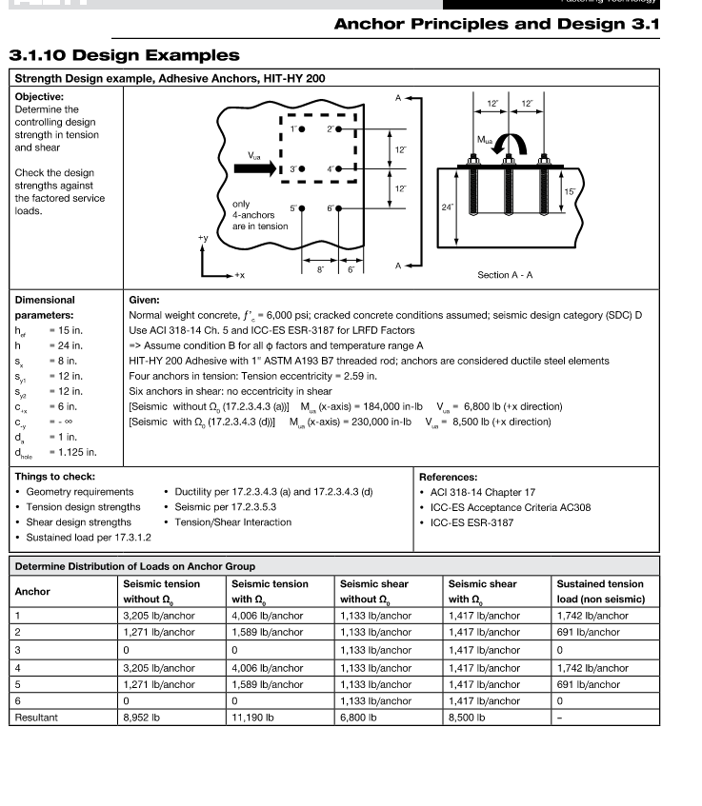
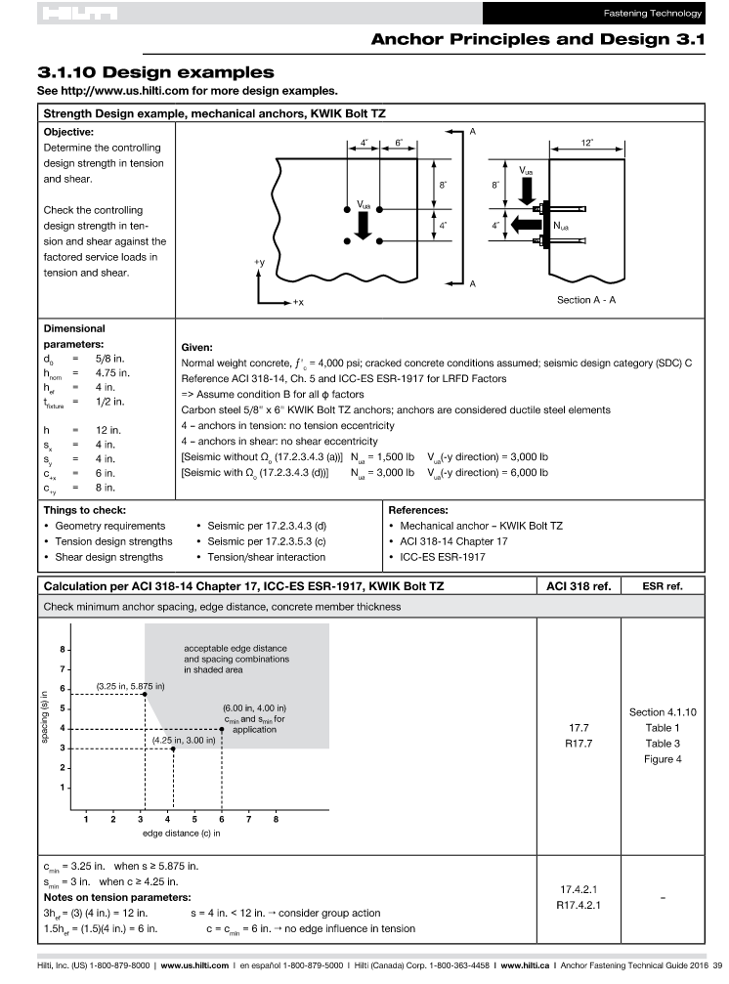
 |  | JIM MYERS & SONS
 |  | SCREW CONVEYOR DATA SHEET
 |  | PROJECT: | BY:
 |  | LOCATION: | DATE:
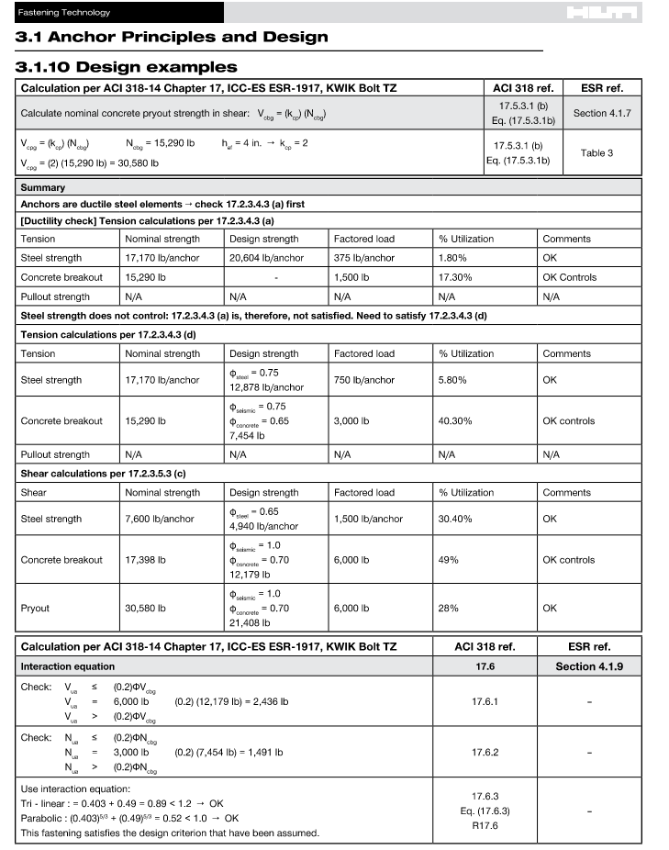
 |  | CUSTOMER: | REVISION:
 |  | ENGINEER: | REV DATE:
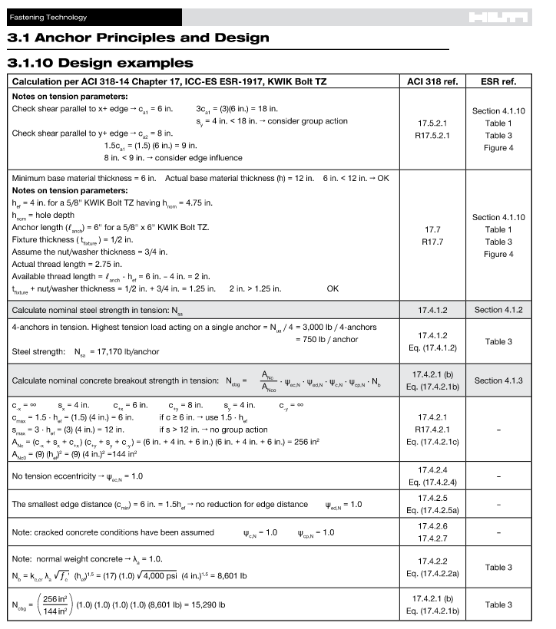
 |  | DESCRIPTION: | PAGE: | OF
1 | CONVEYOR GENERAL INFORMATION |  |  |  | REV
2
3

Screw Thrust Calculator
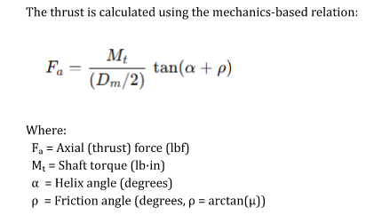
Screw Conveyor Thrust Calculator
CONVEYOR APPLICATION DATA
Motor HP | 0 | hp
Drive RPM | 0 | rpm
Screw Outside Diameter (Inches) | 0 | in
Screw Inside Diameter (Inches) | #N/A | in
Screw Pitch (Inches) | 0.00 | in

INPUTS
Torque (Mt) | #DIV/0! | lb-in
Mean Diameter (Dm) | #N/A | in
Coefficient of Friction (µ) | #N/A | µ | VERIFY IN TABLE TO THE RIGHT

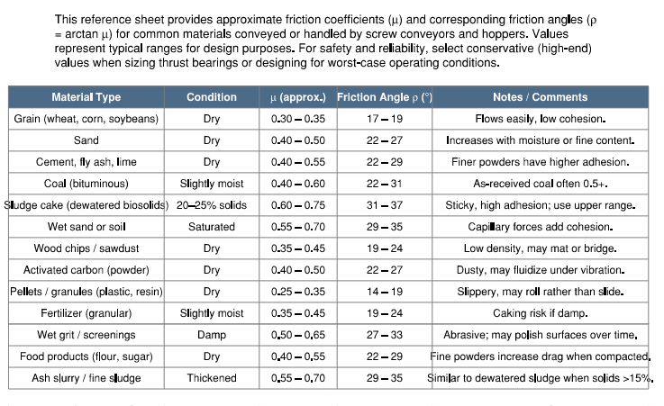
CALCULATIONS
Helix Angle (α) | #DIV/0! | degrees
Friction Angle (ρ) | #N/A | degrees
Axial Thrust (Fa) | #DIV/0! | lbf

EQUATIONS USED
Fa = (Mt / (Dm / 2)) * tan(α + ρ)
ρ = arctan(µ)

Seismic
 |  |  |  |  |  | JIM MYERS & SONS
 |  |  |  |  |  | CALCULATION SHEET
 |  |  |  |  |  | PROJECT NO.: | 0.00 |  | BY: | 0
 |  |  |  |  |  | LOCATION: | 0 |  | DATE: | 0
 |  |  |  |  |  | CUSTOMER: | 0 |  | REVISION: | 0
 |  |  |  |  |  | ENGINEER: | 0 |  | REV DATE: | 0
 |  |  |  |  |  | DESCRIPTION: | 0 |  | PAGE: | 1 | OF | 1
1 | CONVEYOR SUPPORT STRUCTURE SEISMIC |  |  |  |  |  |  |  |  |  |  |  | R
2 | R | = | 3.0 | Ref ASCE/SEI 7-10 Table 13.6-1 |  |  |  | Risk Category: II
3 | ap | = | 2.5 | Ref ASCE/SEI 7-10 Table 13.6-1 |  |  |  | Site Soil Class: D - Default
4 | Ip | = | 1.5 | Ref ASCE/SEI 7-10 Section 13.1.3 Component Importance Factor |  |  |  | ASCE/SEI 7-16
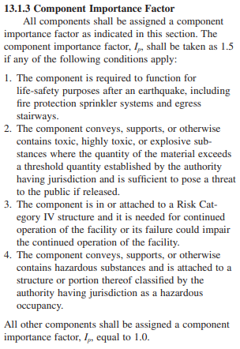
5 | SDS | = | 0.5 | Use ASCE 7 Hazard Tool | https://asce7hazardtool.online/
6
7 | Vx | = | 0.750
8 | VZ | = | 0.750
9
10
11
12 | JMS CALCULATION SHEET REV. 0

Reference
SIZE | STYLE |  | DUTY |  | PIPE | PIPE ID | ID | FLIGHT | SHAFT | LB/FT | BC | bs | hs | Is Shaftless | Connection | Bolt Pad | EQ Pipe OD | ALL LOOKUPS SEARCH THROUGH THE TABLES TO THE RANGE THAT HAVE BORDERS. |  |  |  |  |  |  |  |  |  |  |  |  |  |  |  |  |  |  |  | 0 | Full | Full | 1 |  |  | 2.438 | 0.625 |  |  |  |  |  |  | 0 | #N/A |  |  |  |  | 0 | #N/A | #N/A | #N/A | #N/A | #N/A | #N/A | #N/A |  |  |  |  |  |  |  |  |  |  |  |  |  |  |  |  |  |  |  |  |  |  |  |  |  | None | - | - | SHAFT | 1045 CS | FLIGHT | 0 |  | 0 | #N/A | #N/A | 0 |  |  |  | 0.00 | #N/A |  | 0 | #N/A
0.00 | 0 | Other3 | 0 |  | None | #N/A | #N/A | #N/A | #N/A | #N/A | #N/A | #N/A | #N/A | N | Cross-Bolt Coupling | 0 | #N/A | CEMA Table 2-4 |  |  |  |  |  |  |  |  |  |  |  |  |  |  |  |  |  |  |  |  |  |  |  |  |  |  |  |  |  |  |  |  |  |  |  |  |  |  |  |  |  |  |  |  |  |  |  | #N/A | #N/A | #N/A | #N/A | #N/A | #N/A | #N/A | #N/A | #N/A |  |  |  |  |  |  |  |  | Selected | List | Speeds |  | Ratio |  |  |  |  |  |  |  | 28000000 | #N/A | #N/A |  | #N/A | #N/A | #N/A | #N/A | #N/A |  | Round
 | Other | #N/A | 3 |  | #N/A |  | 0 | #N/A | #N/A |  |  |  |  |  |  |  |  | Pitch Capacity Factor |  |  | Special Flight Capacity Factor. If not listed, use 1 |  |  |  | Special Mixing Paddle Capacity Factor |  |  | Diameter HP Factor |  | Hanger Bearing HP Factor |  | Material Factor |  | Flight Modification HP Factor |  | Paddle HP Factor |  | Incline Factor |  |  |  |  |  | Standard Bolt Size | Bolt | Bolt Allowable Stress |  |  | Shaft Allowable Stress |  |  | Flight Yield Stress |  | Coefficent of Thermal Expansion |  | Gauge Size |  | Standard Material Characteristics *these are average values |  |  |  |  |  |  |  |  | Material Characteristics per CEMA |  |  |  | CODE = | #N/A |  |  | Ratios | Number | Lookup |  | Ratio | Output RPM | Max Output Torque (in-lb) | Max Overhung Load (lbf) | 0 |  |  | 0 | 00 | hp | Motor Model | RPM | Pipe Size | OD | ID | Material Properties | E (psi) | Sy (psi) | Sult (psi) | Density (lb/in3) | Screw Diameter |  | Inside Width | CL to Trough End Min | H from CL |  | ID | Screw Diameter | Trough Length | Cover Length | Drive | Drive efficiency | Material Type | µ (approx.)
 | ID | OUTER T | OUTER W | INNER T | INNER W | SPIRALS | WEIGHT PER FT | STD SHAFT | STD PIPE | ID FROM FLIGHT | FL BC | SPIRAL THICKNESS AVG | SPIRAL WIDTH |  |  |  |  |  |  |  | Type | CF2 | CF2 | CF2 | Paddles per Pitch set at 45deg reverse pitch |  |  | Diameter | Fd | Type | Fb | Material | Fm |  | Ff | Paddle Number | Fp | Incline | Full | Short | Half | Long | Shaftless | Shaft | Bolt | Material | Yield | Shear | Material | Yield | Shear | Material | Yield | Material | CTE | GA | Thickness (in) | Material | Density lb/ft3 | Percent DS | Size | Flowability | Abrasiveness | Other Properties 1 | Other Properties 2 |  | Size | Code | Flowability | Code | Abrasiveness | Rating | Other Properties |  | K57 | 1 | K57_1 | K5712 | 145.14 | 12 | 5310 | 1720 | 1 | 0_1 | #N/A | #N/A | #N/A | 1 | DRN80M4 | 1751 | 2" SCH 40 | 2.375 | 2.067 | 304 SS | 29000000 | 30000 | 75000 | 0.29 | 4 | 4S | 5 | 4.5 | 3.75 | 4R | 5 | 6 | 10 ft |  | Direct Coupled In-line | 0.95 | Wet Sludge | 0.75
6Dual |  |  |  |  |  |  | 15 | 1.5 | None |  | 7 | 0 | 0 |  |  |  |  | Pitch |  | CF1 |  | CF15_ | CF30_ | CF45_ |  | CF3 |  | 6 | 18 | None | 1 | Wet Sludge | 1.5 | Standard | 1 | None | 1 | 0 | 1 | 1 | 1 | 1 | 1 | 1 | 0.375 | A307 | 36000 | 6200 | 1018 CS | 58000 | 17400 | Carbon Steel | 58000 | Carbon Steel | 0.00000633 | 16 ga | 0.06 | Wet Sludge | 65 | 21 | Granular | Sluggish | Mild | -- | -- |  | Very Fine | A | Very Free Flowing | 1 | Mild | 5 | Build Up / Harden | F | K57 | 2 | K57_2 | K5714 | 123.85 | 14 | 5310 | 1720 | 2 | 0_2 | #N/A | #N/A |  | 1.5 | DRN90S4 | 1767 | 2" SCH 80 | 2.375 | 1.939 | 304L SS | 29000000 | 25000 | 70000 | 0.29 | 6 | 6S | 7 | 6 | 5 | 6R | 7 | 9 | 10 ft |  | Screw Conveyor Drive | 0.95 | Wet Sludge + Lime | 0.7
9Dual | 1.5 | 0.75 | 2.5 | 0.5 | 1 | 0.75" x 2.5" / 0.5" X 1" | 17.2 | 2 | None | 1.5 | 7 | 0.625 | 3.5 |  |  |  |  | Full | OD | 1 | Shafted | 1 | 1 | 1 | None | 1.00 |  | 9 | 31 | Ball | 1 | Wet Sludge + Lime | 1.5 | Cut15 | 1.1 | 1 | 1.29 | 10 | 0.9 | 1 | 1 | 0.9 | 1 | 1.5 | 0.5 | A325 | 92000 | 15500 | 1045 CS | 70000 | 21000 | 304 SS | 30000 | 304/316 SS | 0.0000096 | 14 ga | 0.0751 | Wet Sludge + Lime | 75 | 32 | Granular | Sluggish | Moderate | Stickiness / Adhesive | -- |  | Fine | B | Free Flowing | 2 | Moderate | 6 | Generate Static Electricity | G | K57 | 3 | K57_3 | K5716 | 108.29 | 16 | 5310 | 1720 | 3 | 0_3 | #N/A | #N/A |  | 2 | DRN90L4 | 1767 | 2.5" SCH 40 | 2.875 | 2.469 | 316 SS | 29000000 | 30000 | 75000 | 0.29 | 9 | 9S | 10 | 8 | 7.125 | 9R | 10 | 10 | 10 ft |  | Shaft Mount Drive | 0.95 | Partially Dried Sludge/Paste | 0.6
10Dual | 3.5 | 0.75 | 2.5 | 0.5 | 1 | 0.75" x 2.5" / 0.5" X 1" | 25 | 2 | None | 3.5 | 7.75 | 0.625 | 3.5 |  |  |  |  | Short | 2/3 OD | 1.5 | Single Shaftless | 1 | 1 | 1 | 1 | 1.08 |  | 10 | 37 | Babbit | 1.7 | Partially Dried Sludge/Paste | 2 | Cut 30 | 1.15 | 2 | 1.58 | 15 | 0.7 | 1 | 1 | 0.7 | 0.9 | 2 | 0.625 | 304 SS | 30000 | 6000 | 4140 Alloy | 70000 | 21000 | 316 SS | 30000 | 304 SS | 0.0000096 | 12 ga | 0.105 | Partially Dried Sludge/Paste | 55 | 55 | Granular | Average | Mild | Stickiness / Adhesive | -- |  | Granular | C | Average | 3 | Extreme | 7 | Decomposes in Storage | H | K57 | 4 | K57_4 | K5717 | 102.88 | 17 | 5310 | 1720 | 4 | 0_4 | #N/A | #N/A |  | 3 | DRN100LM4 | 1762 | 2.5" SCH 80 | 2.875 | 2.323 | 316L SS | 29000000 | 25000 | 70000 | 0.29 | 10 | 10S | 11 | 9 | 7.875 | 10R | 11 | 12 | 12 ft |  | Gearbox with Chain & Sprocket | 0.88 | Dry Biosolids | 0.45 | If not supplied by the customer, use standard values.
12Dual | 2 | 1 | 3 | 0.75 | 1.75 | 1" x 3" / 0.75" X 1.75" | 31 | 2.4375 | None | 2 | 8.5 | 0.875 | 4.75 |  |  |  |  | Half | 1/2 OD | 2 | Dual Shaftless | 1 | 1 | 1 | 2 | 1.16 |  | 12 | 55 | Bronze | 1.7 | Dry Biosolids | 2.6 | Cut45 | 1.2 | 3 | 1.87 | 20 | 0.55 | 1 | 1 | 0.55 | 0.8 | 2.4375 | 0.625 | 316 SS | 30000 | 6000 | 4140 Hardened | 125000 | 37500 | Alloy 8620 | 80000 | 316 SS | 0.0000096 | 10 ga | 0.135 | Dry Biosolids | 45 | 94 | Fine | Free Flowing | Moderate | -- | -- |  | Lumpy | D | Sluggish | 4 |  |  | Flammability | J | K57 | 5 | K57_5 | K5719 | 90.26 | 19 | 5310 | 1720 | 5 | 0_5 | #N/A | #N/A |  | 5 | DRN100L4 | 1763 | 3" SCH 40 | 3.5 | 3.068 | 17-4 PH -A | 28500000 | 115000 | 160000 | 0.28 | 12 | 12S | 13 | 10.5 | 8.875 | 12R | 13 | 14 | 12 ft |  | Gearbox with Belt & Sheave | 0.89 | Raw Screenings | 0.65
14Dual | 2.5 | 1 | 3 | 0.75 | 2.5 | 1" x 3" / 0.75" X 2.5" | 35.7 | 2.938 | None | 2.5 | 10.5 | 0.875 | 5.5 |  |  |  |  | Long | 3/2 OD | 0.67 | Cut | 1.95 | 1.57 | 1.43 | 3 | 1.24 |  | 14 | 78 | Bronze with Graphite | 1.7 | Raw Screenings | 2 | Cut95 | 1.3 | 4 | 2.16 | 25 | 0.42 | 0.87 | 1 | 0.42 | 0.7 | 3 | 0.75 |  |  |  | 304 SS | 30000 | 9000 | T1 | 100000 | A53-77a | 0.00000633 | 1/8 | 0.125 | Raw Screenings | 65 | 18 | Irregular | Sluggish | Moderate | Build Up / Harden | Corrosive Gas Present |  | Irregular | E |  |  |  |  | Becomes Plastic / Softens | K | K57 | 6 | K57_6 | K5723 | 76.56 | 23 | 5310 | 1720 | 6 | 0_6 | #N/A | #N/A |  | 7.5 | DRN132S4 | 1768 | 3" SCH 80 | 3.5 | 2.9 | 17-4 PH -H900 | 28500000 | 185000 | 200000 | 0.282 | 14 | 14S | 15 | 11.5 | 10.125 | 14R | 15 | 16 | 12 ft |  | Open Spur Gear | 0.86 | Compacted Screenings | 0.65 | Dewatered sludge 55-70 lb/ft3
16Dual | 4.5 | 1 | 3 | 0.75 | 2.5 | 1" x 3" / 0.75" X 2.5" | 39.2 | 2.938 | None | 4.5 | 12.5 | 0.875 | 5.5 |  |  |  |  |  |  |  | Cut & Folded | 1.00 | 3.75 | 2.54 | 4 | 1.32 |  | 16 | 106 | Ceramic |  | Compacted Screenings | 1.5 | Fold15 | 0 |  |  | 30 | 0.3 | 0.67 | 0.8 | 0.3 | 0.6 | 3.4375 | 0.875 |  |  |  | 316 SS | 30000 | 9000 | AR400 | 40000 | T1 | 0.0000072 | 3/16 | 0.1875 | Compacted Screenings | 75 | 38 | Irregular | Sluggish | Moderate | Build Up / Harden | Corrosive Gas Present |  |  |  |  |  |  |  | Very Dusty | L | K57 | 7 | K57_7 | K5725 | 69.12 | 25 | 5310 | 1720 | 7 | 0_7 | #N/A | #N/A |  | 10 | DRN132M4 | 1774 | 3.5" SCH 40 | 4 | 3.548 | 17-4 PH -H1150 | 28500000 | 130000 | 150000 | 0.284 | 16 | 16S | 17 | 13.5 | 11.125 | 16R | 17 | 18 | 12 ft |  |  |  | Submerged Grit | 0.6 | Partially dried sludge/paste 45-60 lb/ft3
18Dual | 3.5 | 1 | 4 | 0.75 | 3 | 1" x 4" / 0.75" X 3" | 45.4 | 2.938 | None | 3.5 | 14.50 | 0.875 | 7 |  |  |  |  |  |  |  | Ribbon | 1.04 | 1.37 | 1.62 |  |  |  | 18 | 135 | Graphite |  | Submerged Grit | 1.5 | Fold30 | 1.5 |  |  | 35 | 0.22 | 0.5 | 0.65 | 0.22 | 0.54 | 4 | 0.875 |  |  |  | 17-4PH -A | 115000 | 34500 |  |  | AR400 | 0.0000036 | 1/4 | 0.25 | Submerged Grit | 100 | 5 | Granular | Free Flowing | Extreme | -- | -- |  |  |  |  |  |  |  | Aerates / Becomes Fluid | M | K57 | 8 | K57_8 | K5729 | 60.81 | 29 | 5310 | 1720 | 8 | 0_8 | #N/A | #N/A |  | 12.5 | DRN132L4 | 1775 | 3.5" SCH 80 | 4 | 3.364 | CARBON STEEL | 28000000 | 80000 |  | 0.283 | 18 | 18S | 19 | 14.5 | 12.375 | 18R | 19 | 20 | 12 ft |  |  |  | Dewatered Grit | 0.65 | Dry biosolids 25-45 lb/ft3
20Dual | 5.5 | 1 | 4 | 0.75 | 3 | 1" x 4" / 0.75" X 3" | 48.6 | 3.4375 | None | 5.5 | 16.5 | 0.875 | 7 |  |  |  |  |  |  |  | Paddle 1x | 1 | 1 | 1 |  |  |  | 20 | 165 | Hard Iron | 4.4 | Dewatered Grit | 2.6 | Fold45 | 1.7 |  |  | 40 | 0.15 | 0.37 | 0.48 | 0.15 | 0.5 |  |  |  |  |  | 17-4PH -H900 | 185000 | 55500 |  |  |  |  | 3/8 | 0.375 | Dewatered Grit | 120 | 20 | Granular | Sluggish | Extreme | -- | -- |  |  |  |  |  |  |  | Explosiveness | N | K57 | 9 | K57_9 | K5730 | 57.42 | 30 | 5310 | 1720 | 9 | 0_9 | #N/A | #N/A |  | 15 | DRN160M4 | 1776 | 4" SCH 40 | 4.5 | 4.026 | Alloy 8620 | 28000000 | 80000 |  | 0.283 | 20 | 20S | 21 | 15.5 | 13.375 | 20R | 21 | 24 | 12 ft |  |  |  | Lime Pebble | 0.55 | Raw screenings 35-65 lb/ft3
24Dual | 9.5 | 1 | 4 | 0.75 | 3 | 1" x 4" / 0.75" X 3" | 53.6 | 3.4375 | None | 9.5 | 20.5 | 0.875 | 7 |  |  |  |  |  |  |  | Paddle 2x | 1 | 1 | 1 |  |  |  | 24 | 235 | Stellite | 4.4 | Lime Pebble | 2 | Fold95 | 2.3 |  |  | 45 | 0.1 | 0.28 | 0.36 | 0.1 | 0.5 |  |  |  |  |  | 17-4PH -H1150 | 130000 | 39000 |  |  |  |  |  |  | Lime Pebble | 45 | 94 | Granular | Average | Moderate | Very Dusty | -- |  |  |  |  |  |  |  | Stickiness / Adhesive | O | K57 | 10 | K57_10 | K5736 | 48.89 | 36 | 5310 | 1720 | 10 | 0_10 | #N/A | #N/A |  | 20 | DRN160L4 | 1777 | 4" SCH 80 | 4.5 | 3.826 | 1045 CS | 28000000 | 70000 |  | 0.283 | 24 | 24S | 25 | 17.5 | 15.375 | 24R | 25 |  |  |  |  |  | Lime Powder/Hydrated | 0.55 | Compacted screenings 55-75 lb/ft3
6Single |  |  |  |  |  |  | 10.8 | 1.5 | None |  | 7 | 0 | 0 |  |  |  |  |  |  |  | Paddle 3x | 1 | 1 | 1 |  |  |  |  |  | Plastech | 2 | Lime Powder/Hydrated | 2 | Ribbon15 | 1 |  |  |  |  |  |  |  |  |  |  |  |  |  |  |  |  |  |  |  |  |  |  | Lime Powder/Hydrated | 45 | 94 | Fine | Free Flowing | Moderate | Very Dusty |  |  |  |  |  |  |  |  | Harmful / Toxic Gas or Fumes | R | K57 | 11 | K57_11 | K5739 | 44.43 | 39 | 5310 | 1720 | 11 | 0_11 | #N/A | #N/A |  | 25 | DRN180M4 | 1781 | 5" SCH 40 | 5.563 | 5.047 | T1 | 27000000 | 100000 |  | 0.283 |  |  |  |  |  |  |  |  |  |  |  |  |  |  | Submerged grit 65-110 lb/ft3
9Single | 3.5 | 0.75 | 2.5 | 0 | 0 | 0.75" x 2.5" | 13.6 | 2 | None | 3.5 | 7 | 0.75 | 2.5 |  |  |  |  |  |  |  | Paddle 4x | 1 | 1 | 1 |  |  |  |  |  | Nylon | 2 | Other | 1.5 | Ribbon30 | 1.14 |  |  |  |  |  |  |  |  |  |  |  |  |  |  |  |  |  |  |  |  |  |  | Other | 65 | 20 | Granular | Average |  |  |  |  |  |  |  |  |  |  | Highly Corrosive | S | K57 | 12 | K57_12 | K5745 | 38.49 | 45 | 5310 | 1680 | 12 | 0_12 | #N/A | #N/A |  | 30 | DRN180L4 | 1781 | 5" SCH 80 | 5.563 | 4.813 | 1018 CS | 28000000 | 80000 |  | 0.283 |  |  |  |  |  |  |  |  |  |  |  |  |  |  | Dewatered
10Single | 5.5 | 0.75 | 2.5 | 0 | 0 | 0.75" x 2.5" | 18 | 2 | None | 5.5 | 7.75 | 0.75 | 2.5 |  |  |  |  |  |  |  |  |  |  |  |  |  |  |  |  | Teflon | 2 |  |  | Ribbon45 | 1.2 |  |  |  |  |  |  |  |  |  |  |  |  |  | conservative working allowable of about 30% of yield strength for keyed shafts/general equipment design. ASME-style shaft guidance commonly uses 30% of yield, with a further reduction for keyways; pure shear yield by von Mises is about 57.7% of yield, so 30% Fy already includes a practical safety margin. |  |  |  |  |  |  |  |  |  |  |  |  |  |  |  |  |  |  |  |  |  |  |  | Mildly Corrosive | T | K57 | 13 | K57_13 | K5749 | 35.7 | 49 | 5310 | 1620 | 13 | 0_13 | #N/A | #N/A |  |  |  |  | 6" SCH 40 | 6.625 | 6.065 | 4140 Hardened | 28000000 | 125000 | 140000 | 0.283
12Single | 5.5 | 1 | 3 | 0 | 0 | 1" x 3" | 24.4 | 2.4375 | None | 5.5 | 8.5 | 1 | 3 |  |  |  |  |  |  |  |  |  |  |  |  |  |  |  |  | UHMW | 2 |  |  | Ribbon95 | 1 |  |  |  |  |  |  |  |  |  |  |  |  |  |  |  |  |  |  |  |  |  |  |  |  |  |  |  |  |  |  |  |  |  |  |  |  |  | Packs Under Pressure | X | K57 | 14 | K57_14 | K5758 | 30.28 | 58 | 5310 | 1480 | 14 | 0_14 | #N/A | #N/A |  |  |  |  | 6" SCH 80 | 6.625 | 5.761 | AR400 | 29000000 | 40000 |  | 0.283
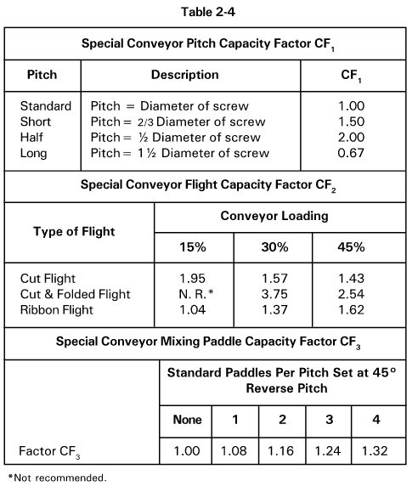
14Single | 7.5 | 1 | 3 | 0 | 0 | 1" x 3" | 26.4 | 2.938 | None | 7.5 | 10.5 | 1 | 3 |  |  |  |  |  |  |  |  |  |  |  |  |  |  |  |  |  |  |  |  |  |  |  |  |  |  |  |  |  |  |  |  |  |  |  |  |  |  |  |  |  |  |  |  |  |  |  |  |  |  |  |  |  |  |  |  |  |  |  | Elevated Temperature | Z | K57 | 15 | K57_15 | K5764 | 27.34 | 64 | 5310 | 1400 | 15 | 0_15 | #N/A | #N/A |  |  |  |  | 8" SCH 40 | 8.625 | 7.981
16Single | 9.5 | 1 | 3 | 0 | 0 | 1" x 3" | 27.9 | 2.938 | None | 9.5 | 12.5 | 1 | 3 |  |  |  |  |  |  |  |  |  |  |  |  |  |  |  |  |  |  |  |  |  |  |  |  |  |  |  |  |  |  |  |  |  |  |  |  |  |  |  |  |  |  |  |  |  |  |  |  |  |  |  |  |  |  |  |  |  |  |  |  |  | K67R37 | 1 | K67R37_1 | K67R372.2 | 793 | 2.2 | 7260 | 2320 |  |  |  |  |  |  |  |  | 8" SCH 80 | 8.625 | 7.625
18Single | 9.5 | 1 | 4 | 0 | 0 | 1" x 4" | 33.8 | 2.938 | None | 9.5 | 14.50 | 1 | 4 |  |  |  |  |  |  |  |  |  |  |  |  |  |  |  |  |  |  |  |  |  |  |  |  |  |  |  |  |  |  |  |  |  |  |  |  |  |  |  |  |  |  |  |  |  |  |  |  |  |  |  |  |  |  |  |  |  |  |  |  |  | K67R37 | 2 | K67R37_2 | K67R372.5 | 697 | 2.5 | 7260 | 2320 |  |  |  |  |  |  |  |  | 10" SCH 40 | 10.75 | 10.02
20Single | 11.5 | 1 | 4 | 0 | 0 | 1" x 4" | 35.5 | 3.4375 | None | 11.5 | 16.5 | 1 | 4 |  |  |  |  |  |  |  |  |  |  |  |  |  |  |  |  |  |  |  |  |  |  |  |  |  |  |  |  |  |  |  |  |  |  |  |  |  |  |  |  |  |  |  |  |  |  |  |  |  |  |  |  |  |  |  |  |  |  |  |  |  | K67R37 | 3 | K67R37_3 | K67R372.9 | 613 | 2.9 | 7260 | 2320 |  |  |  |  |  |  |  |  | 10" SCH 60 | 10.75 | 9.75
24Single | 15.5 | 1 | 4 | 0 | 0 | 1" x 4" | 38.1 | 3.4375 | None | 15.5 | 20.5 | 1 | 4 |  |  | old |  |  |  |  |  |  |  |  |  |  |  |  |  |  |  |  |  |  |  |  |  |  |  |  |  |  |  |  |  |  |  |  |  |  |  |  |  |  |  |  |  |  |  |  |  |  |  |  |  |  |  |  |  |  |  |  |  |  | K67R37 | 4 | K67R37_4 | K67R373.2 | 542 | 3.2 | 7260 | 2320 |  |  |  |  |  |  |  |  | 12" SCH 40 | 12.75 | 11.938
6Shafted1 |  | 0.1875 |  |  |  | 0.1875 | 7.5 | 1.5 | 2" SCH 40 |  |  |  |  |  |  | 2.375 |  |  |  |  |  |  |  |  |  |  |  |  |  |  |  |  |  |  |  |  |  |  |  |  |  |  |  |  |  |  |  |  |  |  |  |  |  |  |  |  |  |  |  |  |  |  |  |  |  |  |  |  |  |  |  |  |  |  | K67R37 | 5 | K67R37_5 | K67R373.7 | 471 | 3.7 | 7260 | 2320 |  |  |  |  |  |  |  |  | 12" SCH 80 | 12.75 | 11.374
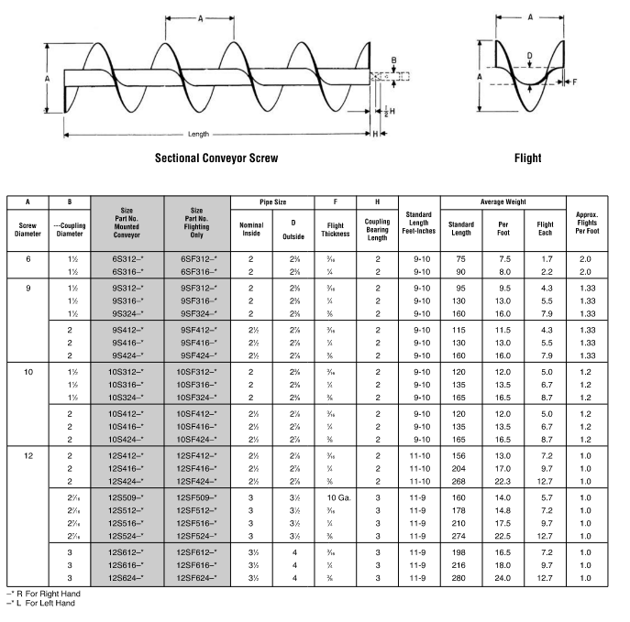
9Shafted1 |  | 0.1875 |  |  |  | 0.1875 | 9.5 | 1.5 | 2" SCH 40 |  |  |  |  |  |  | 2.375 |  |  |  |  |  |  |  |  |  |  |  |  |  |  |  |  |  |  |  |  |  |  |  |  |  |  |  |  |  |  |  |  |  |  |  |  |  |  |  |  |  |  |  |  |  |  |  |  |  |  |  |  |  |  |  |  |  |  | K67R37 | 6 | K67R37_6 | K67R374.2 | 420 | 4.2 | 7260 | 2320
10Shafted1 |  | 0.1875 |  |  |  | 0.1875 | 12 | 1.5 | 2" SCH 40 |  |  |  |  |  |  | 2.375 |  |  |  |  |  |  |  |  |  |  |  |  |  |  |  |  |  |  |  |  |  |  |  |  |  |  |  |  |  |  |  |  |  |  |  |  |  |  |  |  |  |  |  |  |  |  |  |  |  |  |  |  |  |  |  |  |  |  | K67R37 | 7 | K67R37_7 | K67R374.8 | 361 | 4.8 | 7260 | 2320
12Shafted1 |  | 0.1875 |  |  |  | 0.1875 | 13 | 2 | 2.5" SCH 40 |  |  |  |  |  |  | 2.875 |  |  |  |  |  |  |  |  |  |  |  |  |  |  |  |  |  |  |  |  |  |  |  |  |  |  |  |  |  |  |  |  |  |  |  |  |  |  |  |  |  |  |  |  |  |  |  |  |  |  |  |  |  |  |  |  |  |  | K67R37 | 8 | K67R37_8 | K67R375.4 | 323 | 5.4 | 7260 | 2320
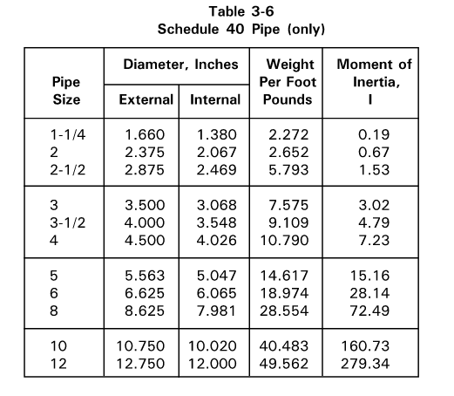
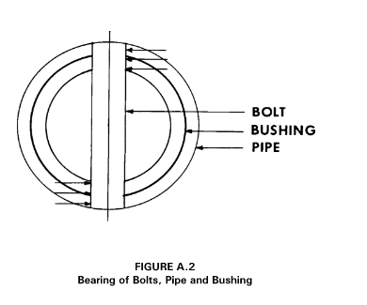
14Shafted1 |  | 0.1875 |  |  |  | 0.1875 | 18 | 2.4375 | 3" SCH 40 |  |  |  |  |  |  | 3.5 |  |  |  |  |  |  |  |  |  |  |  |  |  |  |  |  |  |  |  |  |  |  |  |  |  |  |  |  |  |  |  |  |  |  |  |  |  |  |  |  |  |  |  |  |  |  |  |  |  |  |  |  |  |  |  |  |  |  | K67R37 | 9 | K67R37_9 | K67R376.3 | 279 | 6.3 | 7260 | 2320
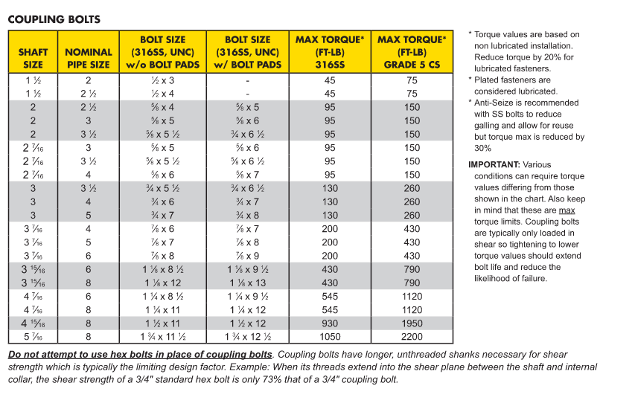
16Shafted1 |  | 0.1875 |  |  |  | 0.1875 | 20 | 2.938 | 3.5" SCH 40 |  |  |  |  |  |  | 4 |  |  |  |  |  |  |  |  |  |  | Drive Efficiency |  |  |  |  |  |  |  |  |  |  |  |  |  |  |  |  |  |  |  |  |  |  |  |  |  |  |  |  |  |  |  |  |  |  |  |  |  |  |  |  |  |  |  |  |  |  |  | K67R37 | 10 | K67R37_10 | K67R377.1 | 246 | 7.1 | 7260 | 2320 |  |  |  |  |  |  |  |  |  |  |  |  |  | #N/A
18Shafted1 |  | 0.1875 |  |  |  | 0.1875 | 21 | 2.938 | 3.5" SCH 40 |  |  |  |  |  |  | 4 |  |  |  |  |  |  |  |  |  |  |  | ID | e |  |  |  |  |  |  |  |  |  |  |  |  |  |  |  |  |  |  |  |  |  |  |  |  |  |  |  |  |  |  |  |  |  |  |  |  |  |  |  |  |  |  |  |  |  | K67R37 | 11 | K67R37_11 | K67R378.1 | 217 | 8.1 | 7260 | 2320
20Shafted1 |  | 0.1875 |  |  |  | 0.1875 | 26 | 2.938 | 3.5" SCH 40 |  |  |  |  |  |  | 4 |  |  |  |  |  |  |  |  |  |  | Direct Couplied In-line | DC | 0.94 |  |  |  |  |  |  |  |  |  |  |  |  |  |  |  |  |  |  |  |  |  |  |  |  |  |  |  |  |  |  |  |  |  |  |  |  |  |  |  |  |  |  |  |  |  | K67R37 | 12 | K67R37_12 | K67R379.1 | 191 | 9.1 | 7260 | 2320
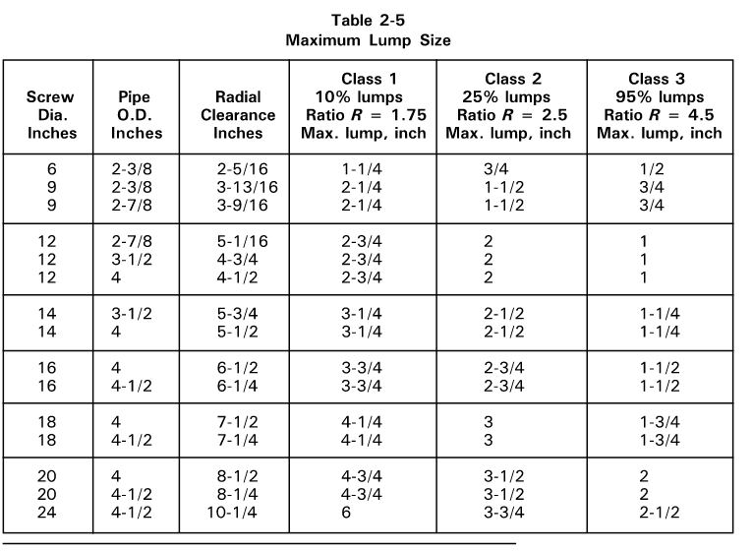
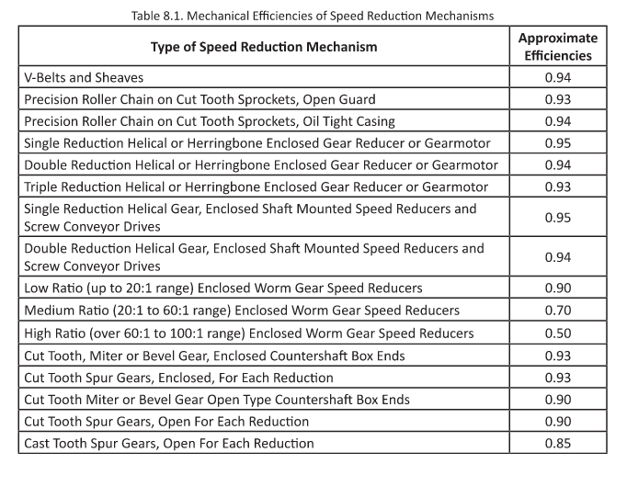
24Shafted1 |  | 0.25 |  |  |  | 0.25 | 37 | 3.4375 | 4" SCH 40 |  |  |  |  |  |  | 4.5 |  |  |  |  |  |  |  |  |  |  | Screw Conveyor Drive | SC | 0.88 |  |  |  |  |  |  |  |  |  |  |  |  |  |  |  |  |  |  |  |  |  |  |  |  |  |  |  |  |  |  |  |  |  |  |  |  |  |  |  |  |  |  |  |  |  | K67R37 | 13 | K67R37_13 | K67R3711 | 166 | 11 | 7260 | 2320
6Shafted2 |  | 0.25 |  |  |  | 0.25 | 8 | 1.5 | 2" SCH 40 |  |  |  |  |  |  | 2.375 |  |  |  |  |  |  |  |  |  |  | Shaft Mount Drive | SM | 0.88 |  |  |  |  |  |  |  |  |  |  |  |  |  |  |  |  |  |  |  |  |  |  |  |  |  |  |  |  |  |  |  |  |  |  |  |  |  |  |  |  |  |  |  |  |  | K67R37 | 14 | K67R37_14 | K67R3712 | 144 | 12 | 7260 | 2320
9Shafted2 |  | 0.25 |  |  |  | 0.25 | 13 | 2 | 2.5" SCH 40 |  |  |  |  |  |  | 2.875 |  |  |  |  |  |  |  |  |  |  | Gearbox with Chain & Sprocket | GR | 0.85 |  |  |  |  |  |  |  |  |  |  |  |  |  |  |  |  |  |  |  |  |  |  |  |  |  |  |  |  |  |  |  |  |  |  |  |  |  |  |  |  |  |  |  |  |  | K67R37 | 15 | K67R37_15 | K67R3714 | 122 | 14 | 7260 | 2320
10Shafted2 |  | 0.25 |  |  |  | 0.25 | 13.5 | 2 | 2.5" SCH 40 |  |  |  |  |  |  | 2.875 |  |  |  |  |  |  |  |  |  |  |  |  |  |  |  |  |  |  |  |  |  |  |  |  |  |  |  |  |  |  |  |  |  |  |  |  |  |  |  |  |  |  |  |  |  |  |  |  |  |  |  |  |  |  |  |  |  |  | K77 | 1 | K77_1 | K779.1 | 192.18 | 9.1 | 12800 | 3610
12Shafted2 |  | 0.25 |  |  |  | 0.25 | 17 | 2.4375 | 3" SCH 40 |  |  |  |  |  |  | 3.5 |  |  |  |  |  |  |  |  |  |  |  |  |  |  |  |  |  |  |  |  |  |  |  |  |  |  |  |  |  |  |  |  |  |  |  |  |  |  |  |  |  |  |  |  |  |  |  |  |  |  |  |  |  |  |  |  |  |  | K77 | 2 | K77_2 | K779.8 | 179.37 | 9.8 | 12800 | 3610
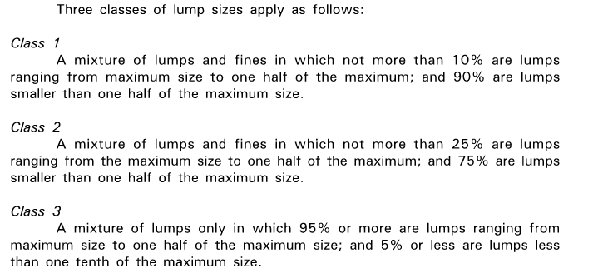
14Shafted2 |  | 0.25 |  |  |  | 0.25 | 20 | 2.938 | 3" SCH 40 |  |  |  |  |  |  | 3.5 |  |  |  |  |  |  |  |  |  |  |  |  |  |  |  |  |  |  |  |  |  |  |  |  |  |  |  |  |  |  |  |  |  |  |  |  |  |  |  |  |  |  |  |  |  |  |  |  |  |  |  |  |  |  |  |  |  |  | K77 | 3 | K77_3 | K7711 | 154.02 | 11 | 13700 | 3460
16Shafted2 |  | 0.25 |  |  |  | 0.25 | 24 | 2.938 | 3.5" SCH 40 |  |  |  |  |  |  | 4 |  |  |  |  |  |  |  |  |  |  |  |  |  |  |  |  |  |  |  |  |  |  |  |  |  |  |  |  |  |  |  |  |  |  |  |  |  |  |  |  |  |  |  |  |  |  |  |  |  |  |  |  |  |  |  |  |  |  | K77 | 4 | K77_4 | K7713 | 135.28 | 13 | 13700 | 3460
18Shafted2 |  | 0.25 |  |  |  | 0.25 | 25 | 2.938 | 3.5" SCH 40 |  |  |  |  |  |  | 4 |  |  |  |  |  |  |  |  |  |  |  |  |  |  |  |  |  |  |  |  |  |  |  |  |  |  |  |  |  |  |  |  |  |  |  |  |  |  |  |  |  |  |  |  |  |  |  |  |  |  |  |  |  |  |  |  |  |  | K77 | 5 | K77_5 | K7714 | 128.52 | 14 | 13700 | 3460
20Shafted2 |  | 0.25 |  |  |  | 0.25 | 31 | 3.4375 | 3.5" SCH 40 |  |  |  |  |  |  | 4 |  |  |  |  |  |  |  |  |  |  |  |  |  |  |  |  |  |  |  |  |  |  |  |  |  |  |  |  |  |  |  |  |  |  |  |  |  |  |  |  |  |  |  |  |  |  |  |  |  |  |  |  |  |  |  |  |  |  | K77 | 6 | K77_6 | K7715 | 113.56 | 15 | 13700 | 3460
24Shafted2 |  | 0.25 |  |  |  | 0.25 | 43 | 3.4375 | 4" SCH 40 |  |  |  |  |  |  | 4.5 |  |  |  |  |  |  |  |  |  |  |  |  |  |  |  |  |  |  |  |  |  |  |  |  |  |  |  |  |  |  |  |  |  |  |  |  |  |  |  |  |  |  |  |  |  |  |  |  |  |  |  |  |  |  |  |  |  |  | K77 | 7 | K77_7 | K7718 | 97.05 | 18 | 13700 | 3460
6Shafted3 |  | 0.25 |  |  |  | 0.25 | 8 | 1.5 | 2" SCH 40 |  |  |  |  |  |  | 2.375 |  |  |  |  |  |  |  |  |  |  |  |  |  |  |  |  |  |  |  |  |  |  |  |  |  |  |  |  |  |  |  |  |  |  |  |  |  |  |  |  |  |  |  |  |  |  |  |  |  |  |  |  |  |  |  |  |  |  | K77 | 8 | K77_8 | K7720 | 88.97 | 20 | 13700 | 3460
9Shafted3 |  | 0.375 |  |  |  | 0.375 | 16 | 2 | 2.5" SCH 40 |  |  |  |  |  |  | 2.875 |  |  |  |  |  |  |  |  |  |  |  |  |  |  |  |  |  |  |  |  |  |  |  |  |  |  |  |  |  |  |  |  |  |  |  |  |  |  |  |  |  |  |  |  |  |  |  |  |  |  |  |  |  |  |  |  |  |  | K77 | 9 | K77_9 | K7722 | 78.07 | 22 | 13700 | 3460
10Shafted3 |  | 0.375 |  |  |  | 0.375 | 16.5 | 2 | 2.5" SCH 40 |  |  |  |  |  |  | 2.875 |  |  |  |  |  |  |  |  |  |  |  |  |  |  |  |  |  |  |  |  |  |  |  |  |  |  |  |  |  |  |  |  |  |  |  |  |  |  |  |  |  |  |  |  |  |  |  |  |  |  |  |  |  |  |  |  |  |  | K77 | 10 | K77_10 | K7724 | 73.99 | 24 | 13700 | 3460
12Shafted3 |  | 0.375 |  |  |  | 0.375 | 22.3 | 2.938 | 3.5" SCH 40 |  |  |  |  |  |  | 4 |  |  |  |  |  |  |  |  |  |  |  |  |  |  |  |  |  |  |  |  |  |  |  |  |  |  |  |  |  |  |  |  |  |  |  |  |  |  |  |  |  |  |  |  |  |  |  |  |  |  |  |  |  |  |  |  |  |  | K77 | 11 | K77_11 | K7727 | 64.75 | 27 | 13700 | 3460
14Shafted3 |  | 0.375 |  |  |  | 0.375 | 27.5 | 2.938 | 3.5" SCH 40 |  |  |  |  |  |  | 4 |  |  |  |  |  |  |  |  |  |  |  |  |  |  |  |  |  |  |  |  |  |  |  |  |  |  |  |  |  |  |  |  |  |  |  |  |  |  |  |  |  |  |  |  |  |  |  |  |  |  |  |  |  |  |  |  |  |  | K77 | 12 | K77_12 | K7730 | 58.34 | 30 | 13700 | 3460
16Shafted3 |  | 0.375 |  |  |  | 0.375 | 31 | 2.938 | 3.5" SCH 40 |  |  |  |  |  |  | 4 |  |  |  |  |  |  |  |  |  |  |  |  |  |  |  |  |  |  |  |  |  |  |  |  |  |  |  |  |  |  |  |  |  |  |  |  |  |  |  |  |  |  |  |  |  |  |  |  |  |  |  |  |  |  |  |  |  |  | K77 | 13 | K77_13 | K7734 | 51.18 | 34 | 13700 | 3460
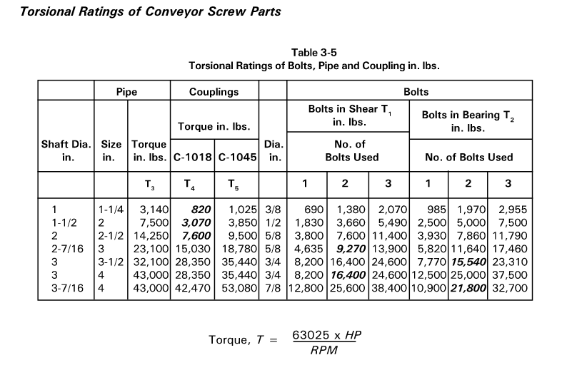
18Shafted3 |  | 0.375 |  |  |  | 0.375 | 36 | 3.4375 | 4" SCH 40 |  |  |  |  |  |  | 4.5 |  |  |  |  |  |  |  |  |  |  |  |  |  |  |  |  |  |  |  |  |  |  |  |  |  |  |  |  |  |  |  |  |  |  |  |  |  |  |  |  |  |  |  |  |  |  |  |  |  |  |  |  |  |  |  |  |  |  | K77 | 14 | K77_14 | K7739 | 45.16 | 39 | 13700 | 3460
20Shafted3 |  | 0.375 |  |  |  | 0.375 | 33.4 | 3.4375 | 4" SCH 40 |  |  |  |  |  |  | 4.5 |  |  |  |  |  |  |  |  |  |  |  |  |  |  |  |  |  |  |  |  |  |  |  |  |  |  |  |  |  |  |  |  |  |  |  |  |  |  |  |  |  |  |  |  |  |  |  |  |  |  |  |  |  |  |  |  |  |  | K77 | 15 | K77_15 | K7744 | 40.04 | 44 | 13700 | 3460
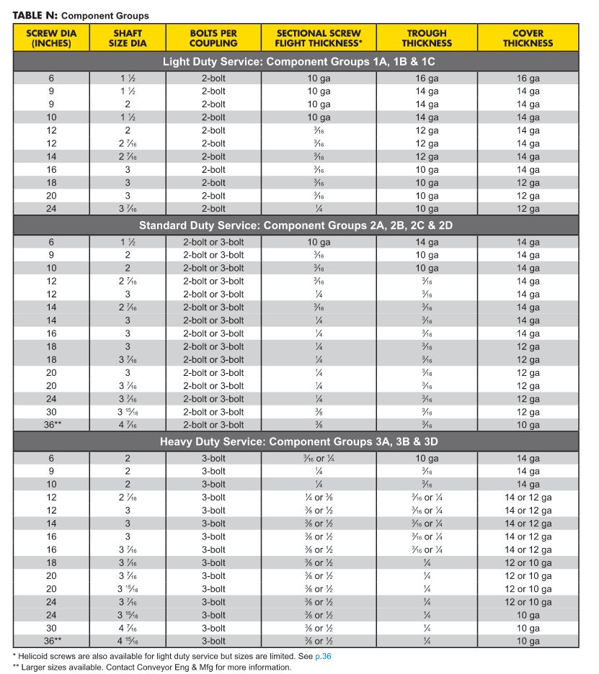
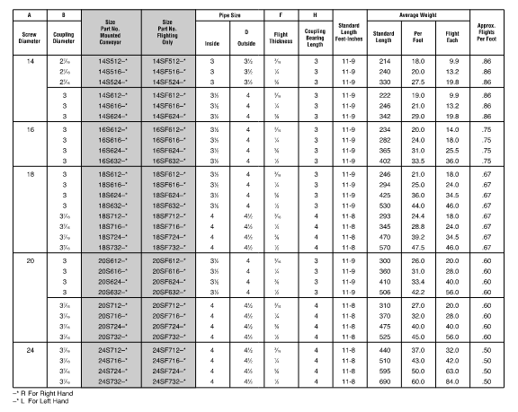
24Shafted3 |  | 0.375 |  |  |  | 0.375 | 50 | 3.4375 | 4" SCH 40 |  |  |  |  |  |  | 4.5 |  |  |  |  |  |  |  |  |  |  |  |  |  |  |  |  |  |  |  |  |  |  |  |  |  |  |  |  |  |  |  |  |  |  |  |  |  |  |  |  |  |  |  |  |  |  |  |  |  |  |  |  |  |  |  |  |  |  | K77R37 | 1 | K77R37_1 | K77R371.9 | 924 | 1.9 | 13700 | 3460
 |  |  |  |  |  |  |  |  |  |  |  |  |  |  |  |  |  |  |  |  |  |  |  |  |  |  |  |  |  |  |  |  |  |  |  |  |  |  |  |  |  |  |  |  |  |  |  |  |  |  |  |  |  |  |  |  |  |  |  |  |  |  |  |  |  |  |  |  |  |  |  |  |  |  | K77R37 | 2 | K77R37_2 | K77R372.1 | 815 | 2.1 | 13700 | 3460
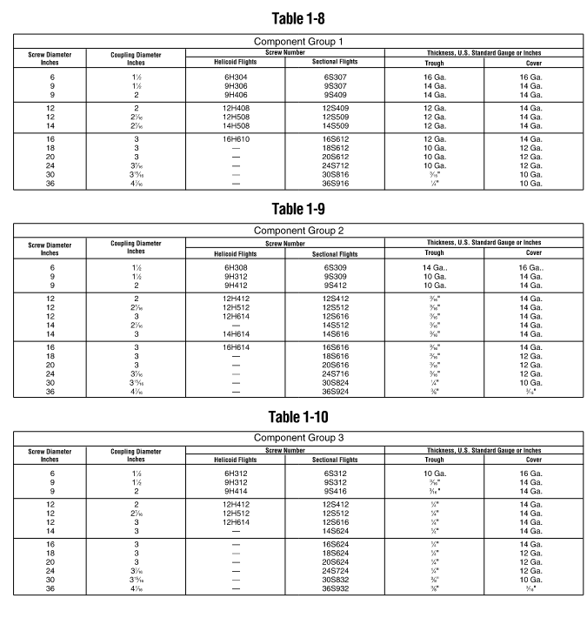
 |  |  |  |  |  |  |  |  |  |  |  |  |  |  |  |  |  |  |  |  |  |  |  |  |  |  |  |  |  |  |  |  |  |  |  |  |  |  |  |  |  |  |  |  |  |  |  |  |  |  |  |  |  |  |  |  |  |  |  |  |  |  |  |  |  |  |  |  |  |  |  |  |  |  | K77R37 | 3 | K77R37_3 | K77R372.5 | 709 | 2.5 | 13700 | 3460
 |  |  |  |  |  |  |  |  |  |  |  |  |  |  |  |  |  |  |  |  |  |  |  |  |  |  |  |  |  |  |  |  |  |  |  |  |  |  |  |  |  |  |  |  |  |  |  |  |  |  |  |  |  |  |  |  |  |  |  |  |  |  |  |  |  |  |  |  |  |  |  |  |  |  | K77R37 | 4 | K77R37_4 | K77R372.8 | 622 | 2.8 | 13700 | 3460
 |  |  |  |  |  |  |  |  |  |  |  |  |  |  |  |  |  |  |  |  |  |  |  |  |  |  |  |  |  |  |  |  |  |  |  |  |  |  |  |  |  |  |  |  |  |  |  |  |  |  |  |  |  |  |  |  |  |  |  |  |  |  |  |  |  |  |  |  |  |  |  |  |  |  | K77R37 | 5 | K77R37_5 | K77R373.2 | 552 | 3.2 | 13700 | 3460
 |  |  |  |  |  |  |  |  |  |  |  |  |  |  |  |  |  |  |  |  |  |  |  |  |  |  |  |  |  |  |  |  |  |  |  |  |  |  |  |  |  |  |  |  |  |  |  |  |  |  |  |  |  |  |  |  |  |  |  |  |  |  |  |  |  |  |  |  |  |  |  |  |  |  | K77R37 | 6 | K77R37_6 | K77R373.6 | 485 | 3.6 | 13700 | 3460
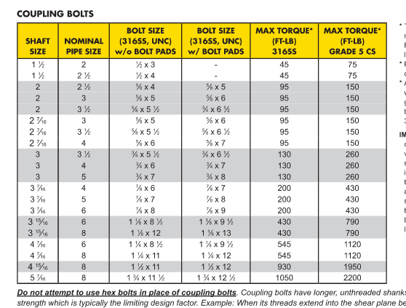
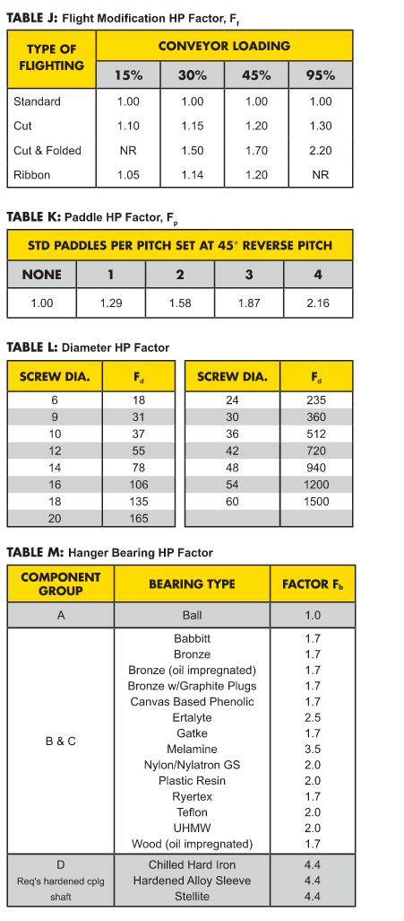
 |  |  |  |  |  |  |  |  |  |  |  |  |  |  |  |  |  |  |  |  |  |  |  |  |  |  |  |  |  |  |  |  |  |  |  |  |  |  |  |  |  |  |  |  |  |  |  |  |  |  |  |  |  |  |  |  |  |  |  |  |  |  |  |  |  |  |  |  |  |  |  |  |  |  | K77R37 | 7 | K77R37_7 | K77R374.1 | 428 | 4.1 | 13700 | 3460
 |  |  |  |  |  |  |  |  |  |  |  |  |  |  |  |  |  |  |  |  |  |  |  |  |  |  |  |  |  |  |  |  |  |  |  |  |  |  |  |  |  |  |  |  |  |  |  |  |  |  |  |  |  |  |  |  |  |  |  |  |  |  |  |  |  |  |  |  |  |  |  |  |  |  | K77R37 | 8 | K77R37_8 | K77R374.8 | 367 | 4.8 | 13700 | 3460
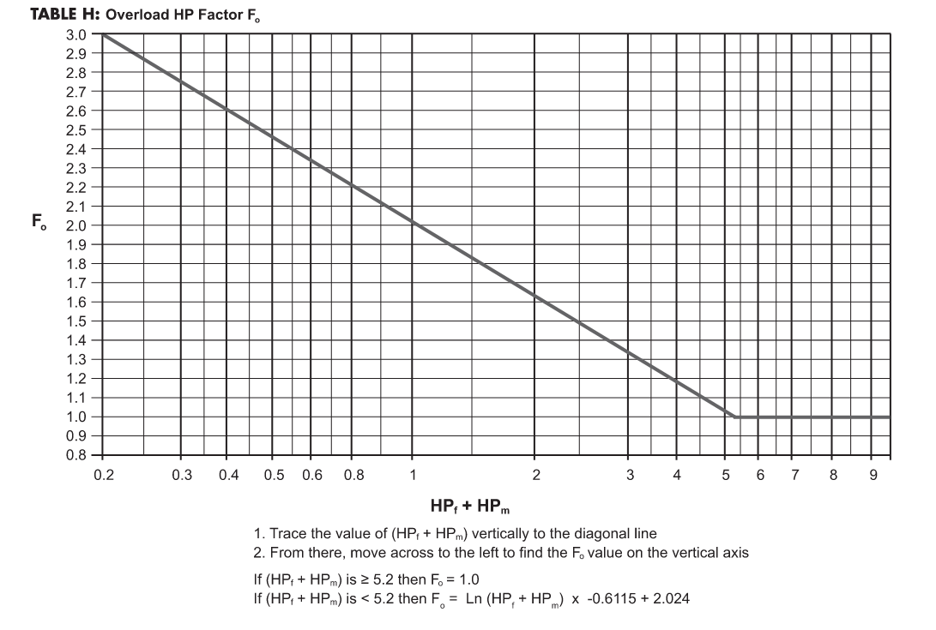
3" SCH 40 | 3.5 |  |  |  |  |  |  |  |  |  |  |  |  |  |  |  |  |  |  |  |  |  |  |  |  |  |  |  |  |  |  |  |  |  |  |  |  |  |  |  |  |  |  |  |  |  |  |  |  |  |  |  |  |  |  |  |  |  |  |  |  |  |  |  |  |  |  |  |  |  |  |  |  |  | K77R37 | 9 | K77R37_9 | K77R375.3 | 328 | 5.3 | 13700 | 3460
3" SCH 80 | 3.5 |  |  |  |  |  |  |  |  |  |  |  |  |  |  |  |  |  |  |  |  |  |  |  |  |  |  |  |  |  |  |  |  |  |  |  |  |  |  |  |  |  |  |  |  |  |  |  |  |  |  |  |  |  |  |  |  |  |  |  |  |  |  |  |  |  |  |  |  |  |  |  |  |  | K77R37 | 10 | K77R37_10 | K77R376 | 290 | 6 | 13700 | 3460
3.5" SCH 40 | 4 |  |  |  |  |  |  |  |  |  |  |  |  |  |  |  |  |  |  |  |  |  |  |  |  |  |  |  |  |  |  |  |  |  |  |  |  |  |  |  |  |  |  |  |  |  |  |  |  |  |  |  |  |  |  |  |  |  |  |  |  |  |  |  |  |  |  |  |  |  |  |  |  |  | K77R37 | 11 | K77R37_11 | K77R376.9 | 252 | 6.9 | 13700 | 3460
3.5" SCH 80 | 4 |  |  |  |  |  |  |  |  |  |  |  |  |  |  |  |  |  |  |  |  |  |  |  |  |  |  |  |  |  |  |  |  |  |  |  |  |  |  |  |  |  |  |  |  |  |  |  |  |  |  |  |  |  |  |  |  |  |  |  |  |  |  |  |  |  |  |  |  |  |  |  |  |  | K77R37 | 12 | K77R37_12 | K77R377.9 | 221 | 7.9 | 13700 | 3460
4" SCH 40 | 4.5 |  |  |  |  |  |  |  |  |  |  |  |  |  |  |  |  |  |  |  |  |  |  |  |  |  |  |  |  |  |  |  |  |  |  |  |  |  |  |  |  |  |  |  |  |  |  |  |  |  |  |  |  |  |  |  |  |  |  |  |  |  |  |  |  |  |  |  |  |  |  |  |  |  | K77R37 | 13 | K77R37_13 | K77R379 | 195 | 9 | 13700 | 3460
4" SCH 80 | 4.5 |  |  |  |  |  |  |  |  |  |  |  |  |  |  |  |  |  |  |  |  |  |  |  |  |  |  |  |  |  |  |  |  |  |  |  |  |  |  |  |  |  |  |  |  |  |  |  |  |  |  |  |  |  |  |  |  |  |  |  |  |  |  |  |  |  |  |  |  |  |  |  |  |  | K77R37 | 14 | K77R37_14 | K77R3710 | 175 | 10 | 13700 | 3460
5" SCH 40 | 5.563 |  |  |  |  |  |  |  |  |  |  |  |  |  |  |  |  |  |  |  |  |  |  |  |  |  |  |  |  |  |  |  |  |  |  |  |  |  |  |  |  |  |  |  |  |  |  |  |  |  |  |  |  |  |  |  |  |  |  |  |  |  |  |  |  |  |  |  |  |  |  |  |  |  | K77R37 | 15 | K77R37_15 | K77R3711 | 154 | 11 | 13700 | 3460
5" SCH 80 | 5.563 |  |  |  |  |  |  |  |  |  |  |  |  |  |  |  |  |  |  |  |  |  |  |  |  |  |  |  |  |  |  |  |  |  |  |  |  |  |  |  |  |  |  |  |  |  |  |  |  |  |  |  |  |  |  |  |  |  |  |  |  |  |  |  |  |  |  |  |  |  |  |  |  |  | K87 | 1 | K87_1 | K878.9 | 197.37 | 8.9 | 23900 | 6130
6" SCH 40 | 6.625 |  |  |  |  |  |  |  |  |  |  |  |  |  |  |  |  |  |  |  |  |  |  |  |  |  |  |  |  |  |  |  |  |  |  |  |  |  |  |  |  |  |  |  |  |  |  |  |  |  |  |  |  |  |  |  |  |  |  |  |  |  |  |  |  |  |  |  |  |  |  |  |  |  | K87 | 2 | K87_2 | K8710 | 174.19 | 10 | 23900 | 6130
6" SCH 80 | 6.625 |  |  |  |  |  |  |  |  |  |  |  |  |  |  |  |  |  |  |  |  |  |  |  |  |  |  |  |  |  |  |  |  |  |  |  |  |  |  |  |  |  |  |  |  |  |  |  |  |  |  |  |  |  |  |  |  |  |  |  |  |  |  |  |  |  |  |  |  |  |  |  |  |  | K87 | 3 | K87_3 | K8711 | 164.34 | 11 | 23900 | 6130
8" SCH 40 | 8.625 |  |  |  |  |  |  |  |  |  |  |  |  |  |  |  |  |  |  |  |  |  |  |  |  |  |  |  |  |  |  |  |  |  |  |  |  |  |  |  |  |  |  |  |  |  |  |  |  |  |  |  |  |  |  |  |  |  |  |  |  |  |  |  |  |  |  |  |  |  |  |  |  |  | K87 | 4 | K87_4 | K8712 | 147.32 | 12 | 23900 | 6130
8" SCH 80 | 8.625 |  |  |  |  |  |  |  |  |  |  |  |  |  |  |  |  |  |  |  |  |  |  |  |  |  |  |  |  |  |  |  |  |  |  |  |  |  |  |  |  |  |  |  |  |  |  |  |  |  |  |  |  |  |  |  |  |  |  |  |  |  |  |  |  |  |  |  |  |  |  |  |  |  | K87 | 5 | K87_5 | K8714 | 126.91 | 14 | 23900 | 6130
10" SCH 40 | 10.75 |  |  |  |  |  |  |  |  |  |  |  |  |  |  |  |  |  |  |  |  |  |  |  |  |  |  |  |  |  |  |  |  |  |  |  |  |  |  |  |  |  |  |  |  |  |  |  |  |  |  |  |  |  |  |  |  |  |  |  |  |  |  |  |  |  |  |  |  |  |  |  |  |  | K87 | 6 | K87_6 | K8715 | 115.82 | 15 | 23900 | 6130
10" SCH 60 | 10.75 |  |  |  |  |  |  |  |  |  |  |  |  |  |  |  |  |  |  |  |  |  |  |  |  |  |  |  |  |  |  |  |  |  |  |  |  |  |  |  |  |  |  |  |  |  |  |  |  |  |  |  |  |  |  |  |  |  |  |  |  |  |  |  |  |  |  |  |  |  |  |  |  |  | K87 | 7 | K87_7 | K8717 | 102.71 | 17 | 23900 | 6130
12" SCH 40 | 12.75 |  |  |  |  |  |  |  |  |  |  |  |  |  |  |  |  |  |  |  |  |  |  |  |  |  |  |  |  |  |  |  |  |  |  |  |  |  |  |  |  |  |  |  |  |  |  |  |  |  |  |  |  |  |  |  |  |  |  |  |  |  |  |  |  |  |  |  |  |  |  |  |  |  | K87 | 8 | K87_8 | K8720 | 86.34 | 20 | 23900 | 6130
12" SCH 80 | 12.75 |  |  |  |  |  |  |  |  |  |  |  |  |  |  |  |  |  |  |  |  |  |  |  |  |  |  |  |  |  |  |  |  |  |  |  |  |  |  |  |  |  |  |  |  |  |  |  |  |  |  |  |  |  |  |  |  |  |  |  |  |  |  |  |  |  |  |  |  |  |  |  |  |  | K87 | 9 | K87_9 | K8722 | 79.34 | 22 | 23900 | 5970
 |  |  |  |  |  |  |  |  |  |  |  |  |  |  |  |  |  |  |  |  |  |  |  |  |  |  |  |  |  |  |  |  |  |  |  |  |  |  |  |  |  |  |  |  |  |  |  |  |  |  |  |  |  |  |  |  |  |  |  |  |  |  |  |  |  |  |  |  |  |  |  |  |  |  | K87 | 10 | K87_10 | K8725 | 70.46 | 25 | 23900 | 5670
 |  |  |  |  |  |  |  |  |  |  |  |  |  |  |  |  |  |  |  |  |  |  |  |  |  |  |  |  |  |  |  |  |  |  |  |  |  |  |  |  |  |  |  |  |  |  |  |  |  |  |  |  |  |  |  |  |  |  |  |  |  |  |  |  |  |  |  |  |  |  |  |  |  |  | K87 | 11 | K87_11 | K8728 | 63 | 28 | 23900 | 5410
 |  |  |  |  |  |  |  |  |  |  |  |  |  |  |  |  |  |  |  |  |  |  |  |  |  |  |  |  |  |  |  |  |  |  |  |  |  |  |  |  |  |  |  |  |  |  |  |  |  |  |  |  |  |  |  |  |  |  |  |  |  |  |  |  |  |  |  |  |  |  |  |  |  |  | K87 | 12 | K87_12 | K8731 | 56.64 | 31 | 23900 | 5160
 |  |  |  |  |  |  |  |  |  |  |  |  |  |  |  |  |  |  |  |  |  |  |  |  |  |  |  |  |  |  |  |  |  |  |  |  |  |  |  |  |  |  |  |  |  |  |  |  |  |  |  |  |  |  |  |  |  |  |  |  |  |  |  |  |  |  |  |  |  |  |  |  |  |  | K87 | 13 | K87_13 | K8736 | 49.16 | 36 | 23900 | 4840
 |  |  |  |  |  |  |  |  |  |  |  |  |  |  |  |  |  |  |  |  |  |  |  |  |  |  |  |  |  |  |  |  |  |  |  |  |  |  |  |  |  |  |  |  |  |  |  |  |  |  |  |  |  |  |  |  |  |  |  |  |  |  |  |  |  |  |  |  |  |  |  |  |  |  | K87 | 14 | K87_14 | K8740 | 44.02 | 40 | 23000 | 4700
 |  |  |  |  |  |  |  |  |  |  |  |  |  |  |  |  |  |  |  |  |  |  |  |  |  |  |  |  |  |  |  |  |  |  |  |  |  |  |  |  |  |  |  |  |  |  |  |  |  |  |  |  |  |  |  |  |  |  |  |  |  |  |  |  |  |  |  |  |  |  |  |  |  |  | K87 | 15 | K87_15 | K8748 | 36.52 | 48 | 22100 | 4400
 |  |  |  |  |  |  |  |  |  |  |  |  |  |  |  |  |  |  |  |  |  |  |  |  |  |  |  |  |  |  |  |  |  |  |  |  |  |  |  |  |  |  |  |  |  |  |  |  |  |  |  |  |  |  |  |  |  |  |  |  |  |  |  |  |  |  |  |  |  |  |  |  |  |  | K87R57 | 1 | K87R57_1 | K87R572.1 | 837 | 2.1 | 23900 | 6130
 |  |  |  |  |  |  |  |  |  |  |  |  |  |  |  |  |  |  |  |  |  |  |  |  |  |  |  |  |  |  |  |  |  |  |  |  |  |  |  |  |  |  |  |  |  |  |  |  |  |  |  |  |  |  |  |  |  |  |  |  |  |  |  |  |  |  |  |  |  |  |  |  |  |  | K87R57 | 2 | K87R57_2 | K87R572.4 | 726 | 2.4 | 23900 | 6130
 |  |  |  |  |  |  |  |  |  |  |  |  |  |  |  |  |  |  |  |  |  |  |  |  |  |  |  |  |  |  |  |  |  |  |  |  |  |  |  |  |  |  |  |  |  |  |  |  |  |  |  |  |  |  |  |  |  |  |  |  |  |  |  |  |  |  |  |  |  |  |  |  |  |  | K87R57 | 3 | K87R57_3 | K87R572.7 | 638 | 2.7 | 23900 | 6130
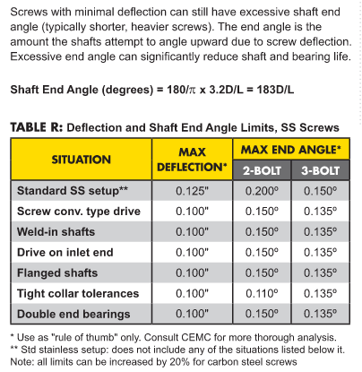
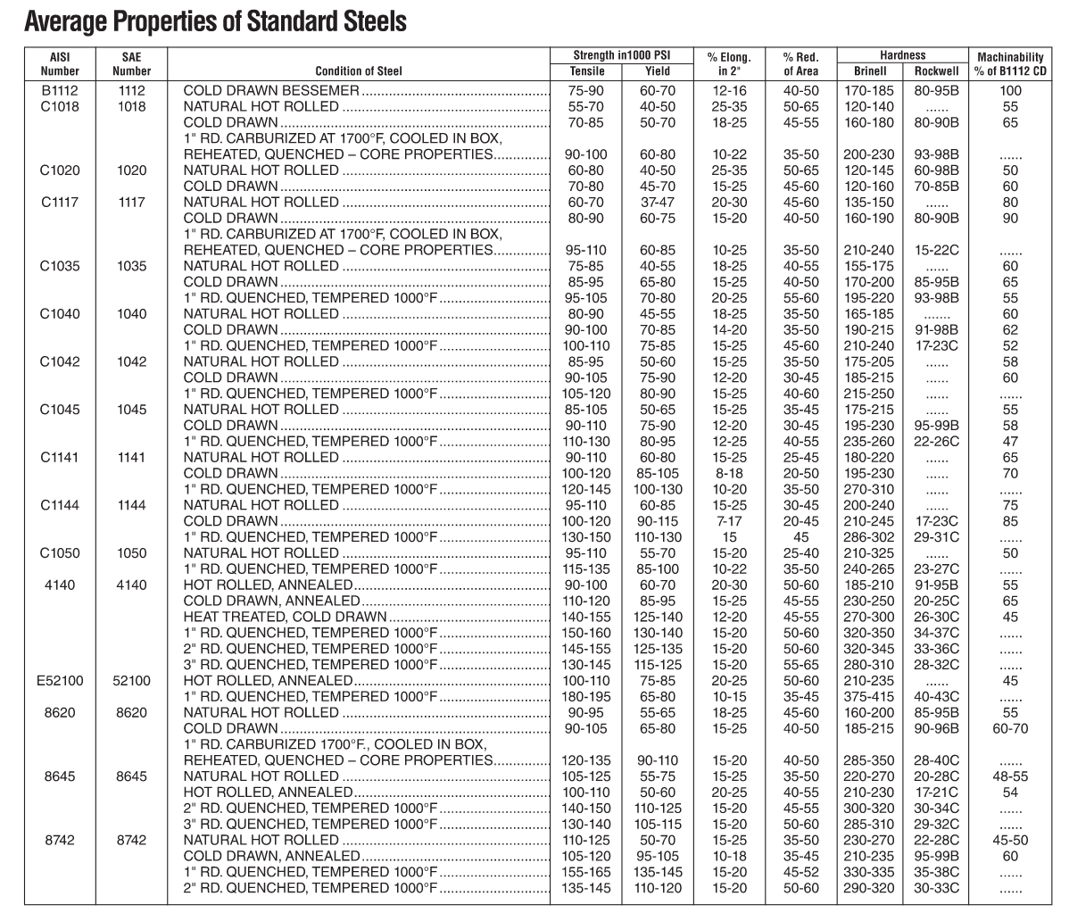
 |  |  |  |  |  |  |  |  |  |  |  |  |  |  |  |  |  |  |  |  |  |  |  |  |  |  |  |  |  |  |  |  |  |  |  |  |  |  |  |  |  |  |  |  |  |  |  |  |  |  |  |  |  |  |  |  |  |  |  |  |  |  |  |  |  |  |  |  |  |  |  |  |  |  | K87R57 | 4 | K87R57_4 | K87R573.1 | 562 | 3.1 | 23900 | 6130
 |  |  |  |  |  |  |  |  |  |  |  |  |  |  |  |  |  |  |  |  |  |  |  |  |  |  |  |  |  |  |  |  |  |  |  |  |  |  |  |  |  |  |  |  |  |  |  |  |  |  |  |  |  |  |  |  |  |  |  |  |  |  |  |  |  |  |  |  |  |  |  |  |  |  | K87R57 | 5 | K87R57_5 | K87R573.7 | 474 | 3.7 | 23900 | 6130
 |  |  |  |  |  |  |  |  |  |  |  |  |  |  |  |  |  |  |  |  |  |  |  |  |  |  |  |  |  |  |  |  |  |  |  |  |  |  |  |  |  |  |  |  |  |  |  |  |  |  |  |  |  |  |  |  |  |  |  |  |  |  |  |  |  |  |  |  |  |  |  |  |  |  | K87R57 | 6 | K87R57_6 | K87R574.1 | 426 | 4.1 | 23900 | 6130
 |  |  |  |  |  |  |  |  |  |  |  |  |  |  |  |  |  |  |  |  |  |  |  |  |  |  |  |  |  |  |  |  |  |  |  |  |  |  |  |  |  |  |  |  |  |  |  |  |  |  |  |  |  |  |  |  |  |  |  |  |  |  |  |  |  |  |  |  |  |  |  |  |  |  | K87R57 | 7 | K87R57_7 | K87R574.7 | 373 | 4.7 | 23900 | 6130
 |  |  |  |  |  |  |  |  |  |  |  |  |  |  |  |  |  |  |  |  |  |  |  |  |  |  |  |  |  |  |  |  |  |  |  |  |  |  |  |  |  |  |  |  |  |  |  |  |  |  |  |  |  |  |  |  |  |  |  |  |  |  |  |  |  |  |  |  |  |  |  |  |  |  | K87R57 | 8 | K87R57_8 | K87R575.3 | 330 | 5.3 | 23900 | 6130
 |  |  |  |  |  |  |  |  |  |  |  |  |  |  |  |  |  |  |  |  |  |  |  |  |  |  |  |  |  |  |  |  |  |  |  |  |  |  |  |  |  |  |  |  |  |  |  |  |  |  |  |  |  |  |  |  |  |  |  |  |  |  |  |  |  |  |  |  |  |  |  |  |  |  | K87R57 | 9 | K87R57_9 | K87R576 | 294 | 6 | 23900 | 6130
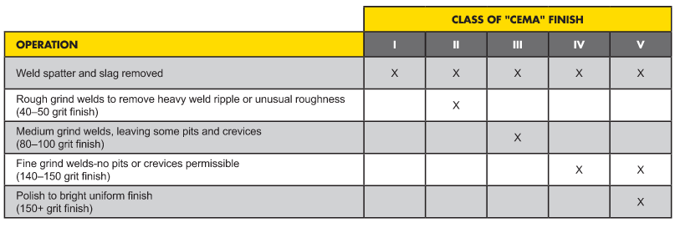
 |  |  |  |  |  |  |  |  |  |  |  |  |  |  |  |  |  |  |  |  |  |  |  |  |  |  |  |  |  |  |  |  |  |  |  |  |  |  |  |  |  |  |  |  |  |  |  |  |  |  |  |  |  |  |  |  |  |  |  |  |  |  |  |  |  |  |  |  |  |  |  |  |  |  | K87R57 | 10 | K87R57_10 | K87R577 | 250 | 7 | 23900 | 6130
 |  |  |  |  |  |  |  |  |  |  |  |  |  |  |  |  |  |  |  |  |  |  |  |  |  |  |  |  |  |  |  |  |  |  |  |  |  |  |  |  |  |  |  |  |  |  |  |  |  |  |  |  |  |  |  |  |  |  |  |  |  |  |  |  |  |  |  |  |  |  |  |  |  |  | K87R57 | 11 | K87R57_11 | K87R577.4 | 236 | 7.4 | 23900 | 6130
 |  |  |  |  |  |  |  |  |  |  |  |  |  |  |  |  |  |  |  |  |  |  |  |  |  |  |  |  |  |  |  |  |  |  |  |  |  |  |  |  |  |  |  |  |  |  |  |  |  |  |  |  |  |  |  |  |  |  |  |  |  |  |  |  |  |  |  |  |  |  |  |  |  |  | K87R57 | 12 | K87R57_12 | K87R578.7 | 201 | 8.7 | 23900 | 6130
 |  |  |  |  |  |  |  |  |  |  |  |  |  |  |  |  |  |  |  |  |  |  |  |  |  |  |  |  |  |  |  |  |  |  |  |  |  |  |  |  |  |  |  |  |  |  |  |  |  |  |  |  |  |  |  |  |  |  |  |  |  |  |  |  |  |  |  |  |  |  |  |  |  |  | K87R57 | 13 | K87R57_13 | K87R579.6 | 183 | 9.6 | 23900 | 6130
 |  |  |  |  |  |  |  |  |  |  |  |  |  |  |  |  |  |  |  |  |  |  |  |  |  |  |  |  |  |  |  |  |  |  |  |  |  |  |  |  |  |  |  |  |  |  |  |  |  |  |  |  |  |  |  |  |  |  |  |  |  |  |  |  |  |  |  |  |  |  |  |  |  |  | K87R57 | 14 | K87R57_14 | K87R5711 | 159 | 11 | 23900 | 6130
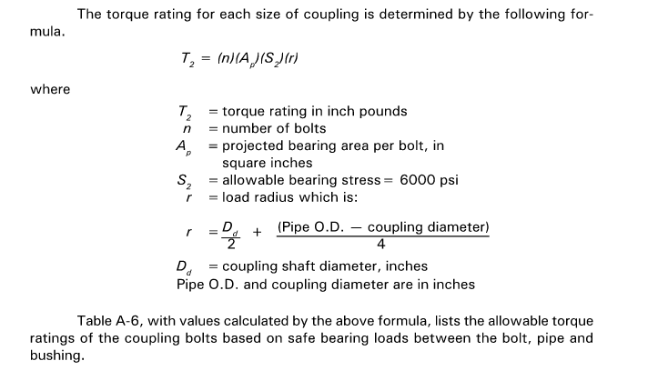
 |  |  |  |  |  |  |  |  |  |  |  |  |  |  |  |  |  |  |  |  |  |  |  |  |  |  |  |  |  |  |  |  |  |  |  |  |  |  |  |  |  |  |  |  |  |  |  |  |  |  |  |  |  |  |  |  |  |  |  |  |  |  |  |  |  |  |  |  |  |  |  |  |  |  | K87R57 | 15 | K87R57_15 | K87R5712 | 141 | 12 | 23900 | 6130
 |  |  |  |  |  |  |  |  |  |  |  |  |  |  |  |  |  |  |  |  |  |  |  |  |  |  |  |  |  |  |  |  |  |  |  |  |  |  |  |  |  |  |  |  |  |  |  |  |  |  |  |  |  |  |  |  |  |  |  |  |  |  |  |  |  |  |  |  |  |  |  |  |  |  | K97 | 1 | K97_1 | K979.9 | 176.05 | 9.9 | 38100 | 8990
 |  |  |  |  |  |  |  |  |  |  |  |  |  |  |  |  |  |  |  |  |  |  |  |  |  |  |  |  |  |  |  |  |  |  |  |  |  |  |  |  |  |  |  |  |  |  |  |  |  |  |  |  |  |  |  |  |  |  |  |  |  |  |  |  |  |  |  |  |  |  |  |  |  |  | K97 | 2 | K97_2 | K9711 | 153.21 | 11 | 38100 | 8990
 |  |  |  |  |  |  |  |  |  |  |  |  |  |  |  |  |  |  |  |  |  |  |  |  |  |  |  |  |  |  |  |  |  |  |  |  |  |  |  |  |  |  |  |  |  |  |  |  |  |  |  |  |  |  |  |  |  |  |  |  |  |  |  |  |  |  |  |  |  |  |  |  |  |  | K97 | 3 | K97_3 | K9712 | 140.28 | 12 | 38100 | 8990
 |  |  |  |  |  |  |  |  |  |  |  |  |  |  |  |  |  |  |  |  |  |  |  |  |  |  |  |  |  |  |  |  |  |  |  |  |  |  |  |  |  |  |  |  |  |  |  |  |  |  |  |  |  |  |  |  |  |  |  |  |  |  |  |  |  |  |  |  |  |  |  |  |  |  | K97 | 4 | K97_4 | K9714 | 123.93 | 14 | 38100 | 8990
 |  |  |  |  |  |  |  |  |  |  |  |  |  |  |  |  |  |  |  |  |  |  |  |  |  |  |  |  |  |  |  |  |  |  |  |  |  |  |  |  |  |  |  |  |  |  |  |  |  |  |  |  |  |  |  |  |  |  |  |  |  |  |  |  |  |  |  |  |  |  |  |  |  |  | K97 | 5 | K97_5 | K9717 | 105.13 | 17 | 38100 | 8710
 |  |  |  |  |  |  |  |  |  |  |  |  |  |  |  |  |  |  |  |  |  |  |  |  |  |  |  |  |  |  |  |  |  |  |  |  |  |  |  |  |  |  |  |  |  |  |  |  |  |  |  |  |  |  |  |  |  |  |  |  |  |  |  |  |  |  |  |  |  |  |  |  |  |  | K97 | 6 | K97_6 | K9718 | 96.8 | 18 | 38100 | 8420
 |  |  |  |  |  |  |  |  |  |  |  |  |  |  |  |  |  |  |  |  |  |  |  |  |  |  |  |  |  |  |  |  |  |  |  |  |  |  |  |  |  |  |  |  |  |  |  |  |  |  |  |  |  |  |  |  |  |  |  |  |  |  |  |  |  |  |  |  |  |  |  |  |  |  | K97 | 7 | K97_7 | K9720 | 86.52 | 20 | 38100 | 8030
 |  |  |  |  |  |  |  |  |  |  |  |  |  |  |  |  |  |  |  |  |  |  |  |  |  |  |  |  |  |  |  |  |  |  |  |  |  |  |  |  |  |  |  |  |  |  |  |  |  |  |  |  |  |  |  |  |  |  |  |  |  |  |  |  |  |  |  |  |  |  |  |  |  |  | K97 | 8 | K97_8 | K9722 | 77.89 | 22 | 38100 | 7670
 |  |  |  |  |  |  |  |  |  |  |  |  |  |  |  |  |  |  |  |  |  |  |  |  |  |  |  |  |  |  |  |  |  |  |  |  |  |  |  |  |  |  |  |  |  |  |  |  |  |  |  |  |  |  |  |  |  |  |  |  |  |  |  |  |  |  |  |  |  |  |  |  |  |  | K97 | 9 | K97_9 | K9725 | 70.54 | 25 | 38100 | 7350
 |  |  |  |  |  |  |  |  |  |  |  |  |  |  |  |  |  |  |  |  |  |  |  |  |  |  |  |  |  |  |  |  |  |  |  |  |  |  |  |  |  |  |  |  |  |  |  |  |  |  |  |  |  |  |  |  |  |  |  |  |  |  |  |  |  |  |  |  |  |  |  |  |  |  | K97 | 10 | K97_10 | K9728 | 62.55 | 28 | 38100 | 6970
 |  |  |  |  |  |  |  |  |  |  |  |  |  |  |  |  |  |  |  |  |  |  |  |  |  |  |  |  |  |  |  |  |  |  |  |  |  |  |  |  |  |  |  |  |  |  |  |  |  |  |  |  |  |  |  |  |  |  |  |  |  |  |  |  |  |  |  |  |  |  |  |  |  |  | K97 | 11 | K97_11 | K9731 | 56.55 | 31 | 38100 | 6660
 |  |  |  |  |  |  |  |  |  |  |  |  |  |  |  |  |  |  |  |  |  |  |  |  |  |  |  |  |  |  |  |  |  |  |  |  |  |  |  |  |  |  |  |  |  |  |  |  |  |  |  |  |  |  |  |  |  |  |  |  |  |  |  |  |  |  |  |  |  |  |  |  |  |  | K97 | 12 | K97_12 | K9737 | 47.93 | 37 | 38100 | 6180
 |  |  |  |  |  |  |  |  |  |  |  |  |  |  |  |  |  |  |  |  |  |  |  |  |  |  |  |  |  |  |  |  |  |  |  |  |  |  |  |  |  |  |  |  |  |  |  |  |  |  |  |  |  |  |  |  |  |  |  |  |  |  |  |  |  |  |  |  |  |  |  |  |  |  | K97 | 13 | K97_13 | K9742 | 41.87 | 42 | 38100 | 5800
 |  |  |  |  |  |  |  |  |  |  |  |  |  |  |  |  |  |  |  |  |  |  |  |  |  |  |  |  |  |  |  |  |  |  |  |  |  |  |  |  |  |  |  |  |  |  |  |  |  |  |  |  |  |  |  |  |  |  |  |  |  |  |  |  |  |  |  |  |  |  |  |  |  |  | K97 | 14 | K97_14 | K9746 | 38.3 | 46 | 38100 | 5560
 |  |  |  |  |  |  |  |  |  |  |  |  |  |  |  |  |  |  |  |  |  |  |  |  |  |  |  |  |  |  |  |  |  |  |  |  |  |  |  |  |  |  |  |  |  |  |  |  |  |  |  |  |  |  |  |  |  |  |  |  |  |  |  |  |  |  |  |  |  |  |  |  |  |  | K97 | 15 | K97_15 | K9751 | 34.23 | 51 | 38100 | 5260
 |  |  |  |  |  |  |  |  |  |  |  |  |  |  |  |  |  |  |  |  |  |  |  |  |  |  |  |  |  |  |  |  |  |  |  |  |  |  |  |  |  |  |  |  |  |  |  |  |  |  |  |  |  |  |  |  |  |  |  |  |  |  |  |  |  |  |  |  |  |  |  |  |  |  | K97R57 | 1 | K97R57_1 | K97R571.4 | 1261 | 1.4 | 38100 | 8990
 |  |  |  |  |  |  |  |  |  |  |  |  |  |  |  |  |  |  |  |  |  |  |  |  |  |  |  |  |  |  |  |  |  |  |  |  |  |  |  |  |  |  |  |  |  |  |  |  |  |  |  |  |  |  |  |  |  |  |  |  |  |  |  |  |  |  |  |  |  |  |  |  |  |  | K97R57 | 2 | K97R57_2 | K97R571.6 | 1102 | 1.6 | 38100 | 8990
 |  |  |  |  |  |  |  |  |  |  |  |  |  |  |  |  |  |  |  |  |  |  |  |  |  |  |  |  |  |  |  |  |  |  |  |  |  |  |  |  |  |  |  |  |  |  |  |  |  |  |  |  |  |  |  |  |  |  |  |  |  |  |  |  |  |  |  |  |  |  |  |  |  |  | K97R57 | 3 | K97R57_3 | K97R571.8 | 957 | 1.8 | 38100 | 8990
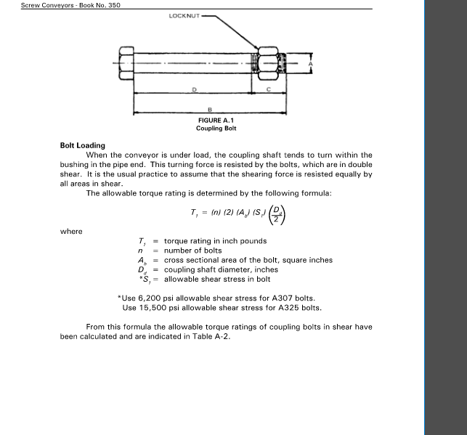
 |  |  |  |  |  |  |  |  |  |  |  |  |  |  |  |  |  |  |  |  |  |  |  |  |  |  |  |  |  |  |  |  |  |  |  |  |  |  |  |  |  |  |  |  |  |  |  |  |  |  |  |  |  |  |  |  |  |  |  |  |  |  |  |  |  |  |  |  |  |  |  |  |  |  | K97R57 | 4 | K97R57_4 | K97R572 | 855 | 2 | 38100 | 8990
 |  |  |  |  |  |  |  |  |  |  |  |  |  |  |  |  |  |  |  |  |  |  |  |  |  |  |  |  |  |  |  |  |  |  |  |  |  |  |  |  |  |  |  |  |  |  |  |  |  |  |  |  |  |  |  |  |  |  |  |  |  |  |  |  |  |  |  |  |  |  |  |  |  |  | K97R57 | 5 | K97R57_5 | K97R572.4 | 743 | 2.4 | 38100 | 8990
 |  |  |  |  |  |  |  |  |  |  |  |  |  |  |  |  |  |  |  |  |  |  |  |  |  |  |  |  |  |  |  |  |  |  |  |  |  |  |  |  |  |  |  |  |  |  |  |  |  |  |  |  |  |  |  |  |  |  |  |  |  |  |  |  |  |  |  |  |  |  |  |  |  |  | K97R57 | 6 | K97R57_6 | K97R572.7 | 652 | 2.7 | 38100 | 8990
 |  |  |  |  |  |  |  |  |  |  |  |  |  |  |  |  |  |  |  |  |  |  |  |  |  |  |  |  |  |  |  |  |  |  |  |  |  |  |  |  |  |  |  |  |  |  |  |  |  |  |  |  |  |  |  |  |  |  |  |  |  |  |  |  |  |  |  |  |  |  |  |  |  |  | K97R57 | 7 | K97R57_7 | K97R573.1 | 573 | 3.1 | 38100 | 8990
 |  |  |  |  |  |  |  |  |  |  |  |  |  |  |  |  |  |  |  |  |  |  |  |  |  |  |  |  |  |  |  |  |  |  |  |  |  |  |  |  |  |  |  |  |  |  |  |  |  |  |  |  |  |  |  |  |  |  |  |  |  |  |  |  |  |  |  |  |  |  |  |  |  |  | K97R57 | 8 | K97R57_8 | K97R573.5 | 504 | 3.5 | 38100 | 8990
 |  |  |  |  |  |  |  |  |  |  |  |  |  |  |  |  |  |  |  |  |  |  |  |  |  |  |  |  |  |  |  |  |  |  |  |  |  |  |  |  |  |  |  |  |  |  |  |  |  |  |  |  |  |  |  |  |  |  |  |  |  |  |  |  |  |  |  |  |  |  |  |  |  |  | K97R57 | 9 | K97R57_9 | K97R574 | 437 | 4 | 38100 | 8990
 |  |  |  |  |  |  |  |  |  |  |  |  |  |  |  |  |  |  |  |  |  |  |  |  |  |  |  |  |  |  |  |  |  |  |  |  |  |  |  |  |  |  |  |  |  |  |  |  |  |  |  |  |  |  |  |  |  |  |  |  |  |  |  |  |  |  |  |  |  |  |  |  |  |  | K97R57 | 10 | K97R57_10 | K97R574.6 | 382 | 4.6 | 38100 | 8990
 |  |  |  |  |  |  |  |  |  |  |  |  |  |  |  |  |  |  |  |  |  |  |  |  |  |  |  |  |  |  |  |  |  |  |  |  |  |  |  |  |  |  |  |  |  |  |  |  |  |  |  |  |  |  |  |  |  |  |  |  |  |  |  |  |  |  |  |  |  |  |  |  |  |  | K97R57 | 11 | K97R57_11 | K97R575.1 | 342 | 5.1 | 38100 | 8990
 |  |  |  |  |  |  |  |  |  |  |  |  |  |  |  |  |  |  |  |  |  |  |  |  |  |  |  |  |  |  |  |  |  |  |  |  |  |  |  |  |  |  |  |  |  |  |  |  |  |  |  |  |  |  |  |  |  |  |  |  |  |  |  |  |  |  |  |  |  |  |  |  |  |  | K97R57 | 12 | K97R57_12 | K97R575.7 | 305 | 5.7 | 38100 | 8990
 |  |  |  |  |  |  |  |  |  |  |  |  |  |  |  |  |  |  |  |  |  |  |  |  |  |  |  |  |  |  |  |  |  |  |  |  |  |  |  |  |  |  |  |  |  |  |  |  |  |  |  |  |  |  |  |  |  |  |  |  |  |  |  |  |  |  |  |  |  |  |  |  |  |  | K97R57 | 13 | K97R57_13 | K97R576.8 | 258 | 6.8 | 38100 | 8990
 |  |  |  |  |  |  |  |  |  |  |  |  |  |  |  |  |  |  |  |  |  |  |  |  |  |  |  |  |  |  |  |  |  |  |  |  |  |  |  |  |  |  |  |  |  |  |  |  |  |  |  |  |  |  |  |  |  |  |  |  |  |  |  |  |  |  |  |  |  |  |  |  |  |  | K97R57 | 14 | K97R57_14 | K97R577.5 | 232 | 7.5 | 38100 | 8990
 |  |  |  |  |  |  |  |  |  |  |  |  |  |  |  |  |  |  |  |  |  |  |  |  |  |  |  |  |  |  |  |  |  |  |  |  |  |  |  |  |  |  |  |  |  |  |  |  |  |  |  |  |  |  |  |  |  |  |  |  |  |  |  |  |  |  |  |  |  |  |  |  |  |  | K97R57 | 15 | K97R57_15 | K97R578.8 | 199 | 8.8 | 38100 | 8990
 |  |  |  |  |  |  |  |  |  |  |  |  |  |  |  |  |  |  |  |  |  |  |  |  |  |  |  |  |  |  |  |  |  |  |  |  |  |  |  |  |  |  |  |  |  |  |  |  |  |  |  |  |  |  |  |  |  |  |  |  |  |  |  |  |  |  |  |  |  |  |  |  |  |  | K107 | 1 | K107_1 | K10712 | 143.47 | 12 | 70800 | 13600
 |  |  |  |  |  |  |  |  |  |  |  |  |  |  |  |  |  |  |  |  |  |  |  |  |  |  |  |  |  |  |  |  |  |  |  |  |  |  |  |  |  |  |  |  |  |  |  |  |  |  |  |  |  |  |  |  |  |  |  |  |  |  |  |  |  |  |  |  |  |  |  |  |  |  | K107 | 2 | K107_2 | K10714 | 121.46 | 14 | 70800 | 12600
 |  |  |  |  |  |  |  |  |  |  |  |  |  |  |  |  |  |  |  |  |  |  |  |  |  |  |  |  |  |  |  |  |  |  |  |  |  |  |  |  |  |  |  |  |  |  |  |  |  |  |  |  |  |  |  |  |  |  |  |  |  |  |  |  |  |  |  |  |  |  |  |  |  |  | K107 | 3 | K107_3 | K10716 | 112.41 | 16 | 70800 | 12100
 |  |  |  |  |  |  |  |  |  |  |  |  |  |  |  |  |  |  |  |  |  |  |  |  |  |  |  |  |  |  |  |  |  |  |  |  |  |  |  |  |  |  |  |  |  |  |  |  |  |  |  |  |  |  |  |  |  |  |  |  |  |  |  |  |  |  |  |  |  |  |  |  |  |  | K107 | 4 | K107_4 | K10717 | 100.75 | 17 | 70800 | 11500
 |  |  |  |  |  |  |  |  |  |  |  |  |  |  |  |  |  |  |  |  |  |  |  |  |  |  |  |  |  |  |  |  |  |  |  |  |  |  |  |  |  |  |  |  |  |  |  |  |  |  |  |  |  |  |  |  |  |  |  |  |  |  |  |  |  |  |  |  |  |  |  |  |  |  | K107 | 5 | K107_5 | K10719 | 90.96 | 19 | 70800 | 10900
 |  |  |  |  |  |  |  |  |  |  |  |  |  |  |  |  |  |  |  |  |  |  |  |  |  |  |  |  |  |  |  |  |  |  |  |  |  |  |  |  |  |  |  |  |  |  |  |  |  |  |  |  |  |  |  |  |  |  |  |  |  |  |  |  |  |  |  |  |  |  |  |  |  |  | K107 | 6 | K107_6 | K10721 | 82.61 | 21 | 70800 | 10300
 |  |  |  |  |  |  |  |  |  |  |  |  |  |  |  |  |  |  |  |  |  |  |  |  |  |  |  |  |  |  |  |  |  |  |  |  |  |  |  |  |  |  |  |  |  |  |  |  |  |  |  |  |  |  |  |  |  |  |  |  |  |  |  |  |  |  |  |  |  |  |  |  |  |  | K107 | 7 | K107_7 | K10724 | 73.3 | 24 | 70800 | 9680
 |  |  |  |  |  |  |  |  |  |  |  |  |  |  |  |  |  |  |  |  |  |  |  |  |  |  |  |  |  |  |  |  |  |  |  |  |  |  |  |  |  |  |  |  |  |  |  |  |  |  |  |  |  |  |  |  |  |  |  |  |  |  |  |  |  |  |  |  |  |  |  |  |  |  | K107 | 8 | K107_8 | K10726 | 66.52 | 26 | 70800 | 9150
 |  |  |  |  |  |  |  |  |  |  |  |  |  |  |  |  |  |  |  |  |  |  |  |  |  |  |  |  |  |  |  |  |  |  |  |  |  |  |  |  |  |  |  |  |  |  |  |  |  |  |  |  |  |  |  |  |  |  |  |  |  |  |  |  |  |  |  |  |  |  |  |  |  |  | K107 | 9 | K107_9 | K10731 | 57.17 | 31 | 70800 | 8360
 |  |  |  |  |  |  |  |  |  |  |  |  |  |  |  |  |  |  |  |  |  |  |  |  |  |  |  |  |  |  |  |  |  |  |  |  |  |  |  |  |  |  |  |  |  |  |  |  |  |  |  |  |  |  |  |  |  |  |  |  |  |  |  |  |  |  |  |  |  |  |  |  |  |  | K107 | 10 | K107_10 | K10735 | 49.9 | 35 | 69400 | 7840
 |  |  |  |  |  |  |  |  |  |  |  |  |  |  |  |  |  |  |  |  |  |  |  |  |  |  |  |  |  |  |  |  |  |  |  |  |  |  |  |  |  |  |  |  |  |  |  |  |  |  |  |  |  |  |  |  |  |  |  |  |  |  |  |  |  |  |  |  |  |  |  |  |  |  | K107 | 11 | K107_11 | K10741 | 42.33 | 41 | 65100 | 7580
 |  |  |  |  |  |  |  |  |  |  |  |  |  |  |  |  |  |  |  |  |  |  |  |  |  |  |  |  |  |  |  |  |  |  |  |  |  |  |  |  |  |  |  |  |  |  |  |  |  |  |  |  |  |  |  |  |  |  |  |  |  |  |  |  |  |  |  |  |  |  |  |  |  |  | K107 | 12 | K107_12 | K10747 | 37 | 47 | 63700 | 7130
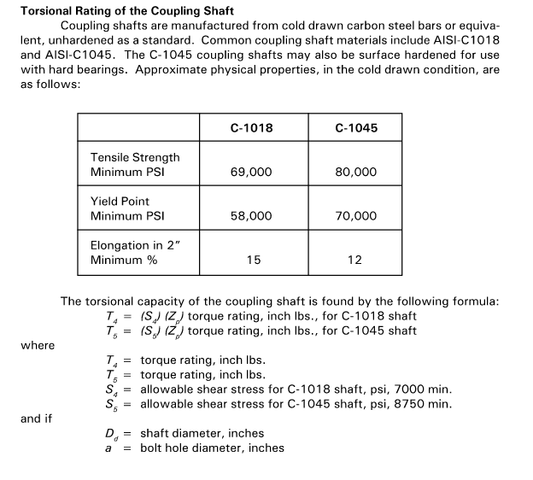
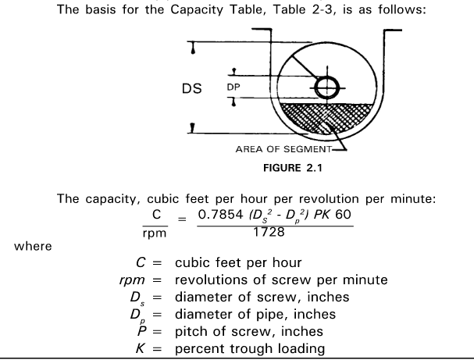
 |  |  |  |  |  |  |  |  |  |  |  |  |  |  |  |  |  |  |  |  |  |  |  |  |  |  |  |  |  |  |  |  |  |  |  |  |  |  |  |  |  |  |  |  |  |  |  |  |  |  |  |  |  |  |  |  |  |  |  |  |  |  |  |  |  |  |  |  |  |  |  |  |  |  | K107 | 13 | K107_13 | K10754 | 32.69 | 54 | 63700 | 6570
 |  |  |  |  |  |  |  |  |  |  |  |  |  |  |  |  |  |  |  |  |  |  |  |  |  |  |  |  |  |  |  |  |  |  |  |  |  |  |  |  |  |  |  |  |  |  |  |  |  |  |  |  |  |  |  |  |  |  |  |  |  |  |  |  |  |  |  |  |  |  |  |  |  |  | K107 | 14 | K107_14 | K10756 | 31.28 | 56 | 60200 | 6840
 |  |  |  |  |  |  |  |  |  |  |  |  |  |  |  |  |  |  |  |  |  |  |  |  |  |  |  |  |  |  |  |  |  |  |  |  |  |  |  |  |  |  |  |  |  |  |  |  |  |  |  |  |  |  |  |  |  |  |  |  |  |  |  |  |  |  |  |  |  |  |  |  |  |  | K107 | 15 | K107_15 | K10760 | 29 | 60 | 63700 | 6040
 |  |  |  |  |  |  |  |  |  |  |  |  |  |  |  |  |  |  |  |  |  |  |  |  |  |  |  |  |  |  |  |  |  |  |  |  |  |  |  |  |  |  |  |  |  |  |  |  |  |  |  |  |  |  |  |  |  |  |  |  |  |  |  |  |  |  |  |  |  |  |  |  |  |  | K107R77 | 1 | K107R77_1 | K107R772.2 | 793 | 2.2 | 70800 | 14600
 |  |  |  |  |  |  |  |  |  |  |  |  |  |  |  |  |  |  |  |  |  |  |  |  |  |  |  |  |  |  |  |  |  |  |  |  |  |  |  |  |  |  |  |  |  |  |  |  |  |  |  |  |  |  |  |  |  |  |  |  |  |  |  |  |  |  |  |  |  |  |  |  |  |  | K107R77 | 2 | K107R77_2 | K107R772.5 | 696 | 2.5 | 70800 | 14600
 |  |  |  |  |  |  |  |  |  |  |  |  |  |  |  |  |  |  |  |  |  |  |  |  |  |  |  |  |  |  |  |  |  |  |  |  |  |  |  |  |  |  |  |  |  |  |  |  |  |  |  |  |  |  |  |  |  |  |  |  |  |  |  |  |  |  |  |  |  |  |  |  |  |  | K107R77 | 3 | K107R77_3 | K107R772.8 | 615 | 2.8 | 70800 | 14600
 |  |  |  |  |  |  |  |  |  |  |  |  |  |  |  |  |  |  |  |  |  |  |  |  |  |  |  |  |  |  |  |  |  |  |  |  |  |  |  |  |  |  |  |  |  |  |  |  |  |  |  |  |  |  |  |  |  |  |  |  |  |  |  |  |  |  |  |  |  |  |  |  |  |  | K107R77 | 4 | K107R77_4 | K107R773.4 | 522 | 3.4 | 70800 | 14600
 |  |  |  |  |  |  |  |  |  |  |  |  |  |  |  |  |  |  |  |  |  |  |  |  |  |  |  |  |  |  |  |  |  |  |  |  |  |  |  |  |  |  |  |  |  |  |  |  |  |  |  |  |  |  |  |  |  |  |  |  |  |  |  |  |  |  |  |  |  |  |  |  |  |  | K107R77 | 5 | K107R77_5 | K107R773.8 | 461 | 3.8 | 70800 | 14600
 |  |  |  |  |  |  |  |  |  |  |  |  |  |  |  |  |  |  |  |  |  |  |  |  |  |  |  |  |  |  |  |  |  |  |  |  |  |  |  |  |  |  |  |  |  |  |  |  |  |  |  |  |  |  |  |  |  |  |  |  |  |  |  |  |  |  |  |  |  |  |  |  |  |  | K107R77 | 6 | K107R77_6 | K107R774.3 | 408 | 4.3 | 70800 | 14600
 |  |  |  |  |  |  |  |  |  |  |  |  |  |  |  |  |  |  |  |  |  |  |  |  |  |  |  |  |  |  |  |  |  |  |  |  |  |  |  |  |  |  |  |  |  |  |  |  |  |  |  |  |  |  |  |  |  |  |  |  |  |  |  |  |  |  |  |  |  |  |  |  |  |  | K107R77 | 7 | K107R77_7 | K107R774.8 | 364 | 4.8 | 70800 | 14600
 |  |  |  |  |  |  |  |  |  |  |  |  |  |  |  |  |  |  |  |  |  |  |  |  |  |  |  |  |  |  |  |  |  |  |  |  |  |  |  |  |  |  |  |  |  |  |  |  |  |  |  |  |  |  |  |  |  |  |  |  |  |  |  |  |  |  |  |  |  |  |  |  |  |  | K107R77 | 8 | K107R77_8 | K107R775.5 | 318 | 5.5 | 70800 | 14600
 |  |  |  |  |  |  |  |  |  |  |  |  |  |  |  |  |  |  |  |  |  |  |  |  |  |  |  |  |  |  |  |  |  |  |  |  |  |  |  |  |  |  |  |  |  |  |  |  |  |  |  |  |  |  |  |  |  |  |  |  |  |  |  |  |  |  |  |  |  |  |  |  |  |  | K107R77 | 9 | K107R77_9 | K107R776.1 | 286 | 6.1 | 70800 | 14600
 |  |  |  |  |  |  |  |  |  |  |  |  |  |  |  |  |  |  |  |  |  |  |  |  |  |  |  |  |  |  |  |  |  |  |  |  |  |  |  |  |  |  |  |  |  |  |  |  |  |  |  |  |  |  |  |  |  |  |  |  |  |  |  |  |  |  |  |  |  |  |  |  |  |  | K107R77 | 10 | K107R77_10 | K107R777 | 251 | 7 | 70800 | 14600
 |  |  |  |  |  |  |  |  |  |  |  |  |  |  |  |  |  |  |  |  |  |  |  |  |  |  |  |  |  |  |  |  |  |  |  |  |  |  |  |  |  |  |  |  |  |  |  |  |  |  |  |  |  |  |  |  |  |  |  |  |  |  |  |  |  |  |  |  |  |  |  |  |  |  | K107R77 | 11 | K107R77_11 | K107R777.9 | 222 | 7.9 | 70800 | 14600
 |  |  |  |  |  |  |  |  |  |  |  |  |  |  |  |  |  |  |  |  |  |  |  |  |  |  |  |  |  |  |  |  |  |  |  |  |  |  |  |  |  |  |  |  |  |  |  |  |  |  |  |  |  |  |  |  |  |  |  |  |  |  |  |  |  |  |  |  |  |  |  |  |  |  | K107R77 | 12 | K107R77_12 | K107R778.9 | 196 | 8.9 | 70800 | 14600
 |  |  |  |  |  |  |  |  |  |  |  |  |  |  |  |  |  |  |  |  |  |  |  |  |  |  |  |  |  |  |  |  |  |  |  |  |  |  |  |  |  |  |  |  |  |  |  |  |  |  |  |  |  |  |  |  |  |  |  |  |  |  |  |  |  |  |  |  |  |  |  |  |  |  | K107R77 | 13 | K107R77_13 | K107R7710 | 174 | 10 | 63700 | 14600
 |  |  |  |  |  |  |  |  |  |  |  |  |  |  |  |  |  |  |  |  |  |  |  |  |  |  |  |  |  |  |  |  |  |  |  |  |  |  |  |  |  |  |  |  |  |  |  |  |  |  |  |  |  |  |  |  |  |  |  |  |  |  |  |  |  |  |  |  |  |  |  |  |  |  | K107R77 | 14 | K107R77_14 | K107R7711 | 154 | 11 | 63700 | 14600
 |  |  |  |  |  |  |  |  |  |  |  |  |  |  |  |  |  |  |  |  |  |  |  |  |  |  |  |  |  |  |  |  |  |  |  |  |  |  |  |  |  |  |  |  |  |  |  |  |  |  |  |  |  |  |  |  |  |  |  |  |  |  |  |  |  |  |  |  |  |  |  |  |  |  | K107R77 | 15 | K107R77_15 | K107R7713 | 140 | 13 | 63700 | 14100
 |  |  |  |  |  |  |  |  |  |  |  |  |  |  |  |  |  |  |  |  |  |  |  |  |  |  |  |  |  |  |  |  |  |  |  |  |  |  |  |  |  |  |  |  |  |  |  |  |  |  |  |  |  |  |  |  |  |  |  |  |  |  |  |  |  |  |  |  |  |  |  |  |  |  | K127 | 1 | K127_1 | K12712 | 146.07 | 12 | 115100 | 17800
 |  |  |  |  |  |  |  |  |  |  |  |  |  |  |  |  |  |  |  |  |  |  |  |  |  |  |  |  |  |  |  |  |  |  |  |  |  |  |  |  |  |  |  |  |  |  |  |  |  |  |  |  |  |  |  |  |  |  |  |  |  |  |  |  |  |  |  |  |  |  |  |  |  |  | K127 | 2 | K127_2 | K12713 | 136.14 | 13 | 115100 | 17800
 |  |  |  |  |  |  |  |  |  |  |  |  |  |  |  |  |  |  |  |  |  |  |  |  |  |  |  |  |  |  |  |  |  |  |  |  |  |  |  |  |  |  |  |  |  |  |  |  |  |  |  |  |  |  |  |  |  |  |  |  |  |  |  |  |  |  |  |  |  |  |  |  |  |  | K127 | 3 | K127_3 | K12714 | 122.48 | 14 | 115100 | 17700
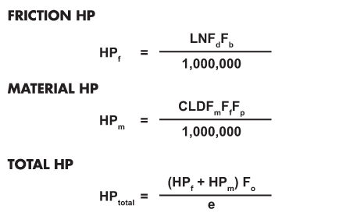
 |  |  |  |  |  |  |  |  |  |  |  |  |  |  |  |  |  |  |  |  |  |  |  |  |  |  |  |  |  |  |  |  |  |  |  |  |  |  |  |  |  |  |  |  |  |  |  |  |  |  |  |  |  |  |  |  |  |  |  |  |  |  |  |  |  |  |  |  |  |  |  |  |  |  | K127 | 4 | K127_4 | K12716 | 110.18 | 16 | 115100 | 16900
 |  |  |  |  |  |  |  |  |  |  |  |  |  |  |  |  |  |  |  |  |  |  |  |  |  |  |  |  |  |  |  |  |  |  |  |  |  |  |  |  |  |  |  |  |  |  |  |  |  |  |  |  |  |  |  |  |  |  |  |  |  |  |  |  |  |  |  |  |  |  |  |  |  |  | K127 | 5 | K127_5 | K12719 | 89.89 | 19 | 115100 | 15500
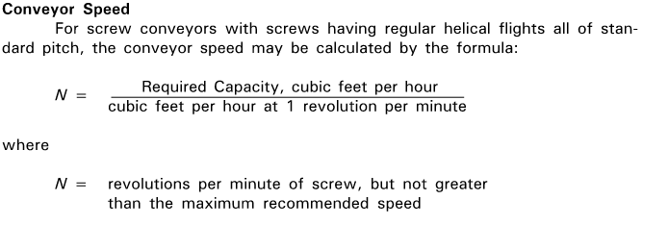
 |  |  |  |  |  |  |  |  |  |  |  |  |  |  |  |  |  |  |  |  |  |  |  |  |  |  |  |  |  |  |  |  |  |  |  |  |  |  |  |  |  |  |  |  |  |  |  |  |  |  |  |  |  |  |  |  |  |  |  |  |  |  |  |  |  |  |  |  |  |  |  |  |  |  | K127 | 6 | K127_6 | K12721 | 81.98 | 21 | 115100 | 14900
 |  |  |  |  |  |  |  |  |  |  |  |  |  |  |  |  |  |  |  |  |  |  |  |  |  |  |  |  |  |  |  |  |  |  |  |  |  |  |  |  |  |  |  |  |  |  |  |  |  |  |  |  |  |  |  |  |  |  |  |  |  |  |  |  |  |  |  |  |  |  |  |  |  |  | K127 | 7 | K127_7 | K12725 | 70.95 | 25 | 115100 | 13900
 |  |  |  |  |  |  |  |  |  |  |  |  |  |  |  |  |  |  |  |  |  |  |  |  |  |  |  |  |  |  |  |  |  |  |  |  |  |  |  |  |  |  |  |  |  |  |  |  |  |  |  |  |  |  |  |  |  |  |  |  |  |  |  |  |  |  |  |  |  |  |  |  |  |  | K127 | 8 | K127_8 | K12728 | 62.6 | 28 | 115100 | 13200
 |  |  |  |  |  |  |  |  |  |  |  |  |  |  |  |  |  |  |  |  |  |  |  |  |  |  |  |  |  |  |  |  |  |  |  |  |  |  |  |  |  |  |  |  |  |  |  |  |  |  |  |  |  |  |  |  |  |  |  |  |  |  |  |  |  |  |  |  |  |  |  |  |  |  | K127 | 9 | K127_9 | K12732 | 54.07 | 32 | 115100 | 12300
 |  |  |  |  |  |  |  |  |  |  |  |  |  |  |  |  |  |  |  |  |  |  |  |  |  |  |  |  |  |  |  |  |  |  |  |  |  |  |  |  |  |  |  |  |  |  |  |  |  |  |  |  |  |  |  |  |  |  |  |  |  |  |  |  |  |  |  |  |  |  |  |  |  |  | K127 | 10 | K127_10 | K12737 | 47.82 | 37 | 115100 | 11600
 |  |  |  |  |  |  |  |  |  |  |  |  |  |  |  |  |  |  |  |  |  |  |  |  |  |  |  |  |  |  |  |  |  |  |  |  |  |  |  |  |  |  |  |  |  |  |  |  |  |  |  |  |  |  |  |  |  |  |  |  |  |  |  |  |  |  |  |  |  |  |  |  |  |  | K127 | 11 | K127_11 | K12744 | 40.19 | 44 | 115100 | 10600
 |  |  |  |  |  |  |  |  |  |  |  |  |  |  |  |  |  |  |  |  |  |  |  |  |  |  |  |  |  |  |  |  |  |  |  |  |  |  |  |  |  |  |  |  |  |  |  |  |  |  |  |  |  |  |  |  |  |  |  |  |  |  |  |  |  |  |  |  |  |  |  |  |  |  | K127 | 12 | K127_12 | K12748 | 36.25 | 48 | 115100 | 10100
 |  |  |  |  |  |  |  |  |  |  |  |  |  |  |  |  |  |  |  |  |  |  |  |  |  |  |  |  |  |  |  |  |  |  |  |  |  |  |  |  |  |  |  |  |  |  |  |  |  |  |  |  |  |  |  |  |  |  |  |  |  |  |  |  |  |  |  |  |  |  |  |  |  |  | K127 | 13 | K127_13 | K12756 | 31.37 | 56 | 115100 | 9320
 |  |  |  |  |  |  |  |  |  |  |  |  |  |  |  |  |  |  |  |  |  |  |  |  |  |  |  |  |  |  |  |  |  |  |  |  |  |  |  |  |  |  |  |  |  |  |  |  |  |  |  |  |  |  |  |  |  |  |  |  |  |  |  |  |  |  |  |  |  |  |  |  |  |  | K127 | 14 | K127_14 | K12763 | 27.68 | 63 | 115100 | 8710
 |  |  |  |  |  |  |  |  |  |  |  |  |  |  |  |  |  |  |  |  |  |  |  |  |  |  |  |  |  |  |  |  |  |  |  |  |  |  |  |  |  |  |  |  |  |  |  |  |  |  |  |  |  |  |  |  |  |  |  |  |  |  |  |  |  |  |  |  |  |  |  |  |  |  | K127 | 15 | K127_15 | K12773 | 23.91 | 73 | 115100 | 7940
 |  |  |  |  |  |  |  |  |  |  |  |  |  |  |  |  |  |  |  |  |  |  |  |  |  |  |  |  |  |  |  |  |  |  |  |  |  |  |  |  |  |  |  |  |  |  |  |  |  |  |  |  |  |  |  |  |  |  |  |  |  |  |  |  |  |  |  |  |  |  |  |  |  |  | K127R77 | 1 | K127R77_1 | K127R770.67 | 2607 | 0.67 | 115100 | 17800
 |  |  |  |  |  |  |  |  |  |  |  |  |  |  |  |  |  |  |  |  |  |  |  |  |  |  |  |  |  |  |  |  |  |  |  |  |  |  |  |  |  |  |  |  |  |  |  |  |  |  |  |  |  |  |  |  |  |  |  |  |  |  |  |  |  |  |  |  |  |  |  |  |  |  | K127R77 | 2 | K127R77_2 | K127R770.77 | 2268 | 0.77 | 115100 | 17800
 |  |  |  |  |  |  |  |  |  |  |  |  |  |  |  |  |  |  |  |  |  |  |  |  |  |  |  |  |  |  |  |  |  |  |  |  |  |  |  |  |  |  |  |  |  |  |  |  |  |  |  |  |  |  |  |  |  |  |  |  |  |  |  |  |  |  |  |  |  |  |  |  |  |  | K127R77 | 3 | K127R77_3 | K127R770.91 | 1926 | 0.91 | 115100 | 17800
 |  |  |  |  |  |  |  |  |  |  |  |  |  |  |  |  |  |  |  |  |  |  |  |  |  |  |  |  |  |  |  |  |  |  |  |  |  |  |  |  |  |  |  |  |  |  |  |  |  |  |  |  |  |  |  |  |  |  |  |  |  |  |  |  |  |  |  |  |  |  |  |  |  |  | K127R77 | 4 | K127R77_4 | K127R771 | 1757 | 1 | 115100 | 17800
 |  |  |  |  |  |  |  |  |  |  |  |  |  |  |  |  |  |  |  |  |  |  |  |  |  |  |  |  |  |  |  |  |  |  |  |  |  |  |  |  |  |  |  |  |  |  |  |  |  |  |  |  |  |  |  |  |  |  |  |  |  |  |  |  |  |  |  |  |  |  |  |  |  |  | K127R77 | 5 | K127R77_5 | K127R771.1 | 1541 | 1.1 | 115100 | 17800
 |  |  |  |  |  |  |  |  |  |  |  |  |  |  |  |  |  |  |  |  |  |  |  |  |  |  |  |  |  |  |  |  |  |  |  |  |  |  |  |  |  |  |  |  |  |  |  |  |  |  |  |  |  |  |  |  |  |  |  |  |  |  |  |  |  |  |  |  |  |  |  |  |  |  | K127R77 | 6 | K127R77_6 | K127R771.3 | 1342 | 1.3 | 115100 | 17800
 |  |  |  |  |  |  |  |  |  |  |  |  |  |  |  |  |  |  |  |  |  |  |  |  |  |  |  |  |  |  |  |  |  |  |  |  |  |  |  |  |  |  |  |  |  |  |  |  |  |  |  |  |  |  |  |  |  |  |  |  |  |  |  |  |  |  |  |  |  |  |  |  |  |  | K127R77 | 7 | K127R77_7 | K127R771.5 | 1177 | 1.5 | 115100 | 17800
 |  |  |  |  |  |  |  |  |  |  |  |  |  |  |  |  |  |  |  |  |  |  |  |  |  |  |  |  |  |  |  |  |  |  |  |  |  |  |  |  |  |  |  |  |  |  |  |  |  |  |  |  |  |  |  |  |  |  |  |  |  |  |  |  |  |  |  |  |  |  |  |  |  |  | K127R77 | 8 | K127R77_8 | K127R771.7 | 1025 | 1.7 | 115100 | 17800
 |  |  |  |  |  |  |  |  |  |  |  |  |  |  |  |  |  |  |  |  |  |  |  |  |  |  |  |  |  |  |  |  |  |  |  |  |  |  |  |  |  |  |  |  |  |  |  |  |  |  |  |  |  |  |  |  |  |  |  |  |  |  |  |  |  |  |  |  |  |  |  |  |  |  | K127R77 | 9 | K127R77_9 | K127R771.9 | 899 | 1.9 | 115100 | 17800
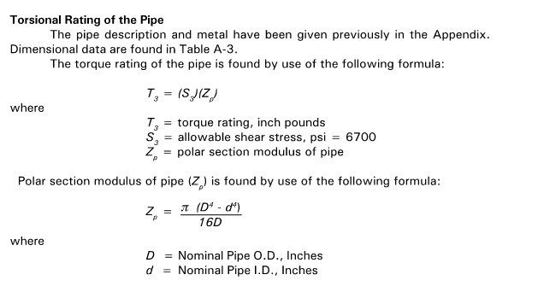
 |  |  |  |  |  |  |  |  |  |  |  |  |  |  |  |  |  |  |  |  |  |  |  |  |  |  |  |  |  |  |  |  |  |  |  |  |  |  |  |  |  |  |  |  |  |  |  |  |  |  |  |  |  |  |  |  |  |  |  |  |  |  |  |  |  |  |  |  |  |  |  |  |  |  | K127R77 | 10 | K127R77_10 | K127R772.2 | 790 | 2.2 | 115100 | 17800
 |  |  |  |  |  |  |  |  |  |  |  |  |  |  |  |  |  |  |  |  |  |  |  |  |  |  |  |  |  |  |  |  |  |  |  |  |  |  |  |  |  |  |  |  |  |  |  |  |  |  |  |  |  |  |  |  |  |  |  |  |  |  |  |  |  |  |  |  |  |  |  |  |  |  | K127R77 | 11 | K127R77_11 | K127R772.5 | 704 | 2.5 | 115100 | 17800
 |  |  |  |  |  |  |  |  |  |  |  |  |  |  |  |  |  |  |  |  |  |  |  |  |  |  |  |  |  |  |  |  |  |  |  |  |  |  |  |  |  |  |  |  |  |  |  |  |  |  |  |  |  |  |  |  |  |  |  |  |  |  |  |  |  |  |  |  |  |  |  |  |  |  | K127R77 | 12 | K127R77_12 | K127R772.9 | 610 | 2.9 | 115100 | 17800
 |  |  |  |  |  |  |  |  |  |  |  |  |  |  |  |  |  |  |  |  |  |  |  |  |  |  |  |  |  |  |  |  |  |  |  |  |  |  |  |  |  |  |  |  |  |  |  |  |  |  |  |  |  |  |  |  |  |  |  |  |  |  |  |  |  |  |  |  |  |  |  |  |  |  | K127R77 | 13 | K127R77_13 | K127R773.2 | 549 | 3.2 | 115100 | 17800
 |  |  |  |  |  |  |  |  |  |  |  |  |  |  |  |  |  |  |  |  |  |  |  |  |  |  |  |  |  |  |  |  |  |  |  |  |  |  |  |  |  |  |  |  |  |  |  |  |  |  |  |  |  |  |  |  |  |  |  |  |  |  |  |  |  |  |  |  |  |  |  |  |  |  | K127R77 | 14 | K127R77_14 | K127R773.7 | 477 | 3.7 | 115100 | 17800
 |  |  |  |  |  |  |  |  |  |  |  |  |  |  |  |  |  |  |  |  |  |  |  |  |  |  |  |  |  |  |  |  |  |  |  |  |  |  |  |  |  |  |  |  |  |  |  |  |  |  |  |  |  |  |  |  |  |  |  |  |  |  |  |  |  |  |  |  |  |  |  |  |  |  | K127R77 | 15 | K127R77_15 | K127R774.2 | 418 | 4.2 | 115100 | 17800
 |  |  |  |  |  |  |  |  |  |  |  |  |  |  |  |  |  |  |  |  |  |  |  |  |  |  |  |  |  |  |  |  |  |  |  |  |  |  |  |  |  |  |  |  |  |  |  |  |  |  |  |  |  |  |  |  |  |  |  |  |  |  |  |  |  |  |  |  |  |  |  |  |  |  | K127R87 | 1 | K127R87_1 | K127R873.3 | 536 | 3.3 | 115100 | 17800
 |  |  |  |  |  |  |  |  |  |  |  |  |  |  |  |  |  |  |  |  |  |  |  |  |  |  |  |  |  |  |  |  |  |  |  |  |  |  |  |  |  |  |  |  |  |  |  |  |  |  |  |  |  |  |  |  |  |  |  |  |  |  |  |  |  |  |  |  |  |  |  |  |  |  | K127R87 | 2 | K127R87_2 | K127R873.7 | 473 | 3.7 | 115100 | 17800
 |  |  |  |  |  |  |  |  |  |  |  |  |  |  |  |  |  |  |  |  |  |  |  |  |  |  |  |  |  |  |  |  |  |  |  |  |  |  |  |  |  |  |  |  |  |  |  |  |  |  |  |  |  |  |  |  |  |  |  |  |  |  |  |  |  |  |  |  |  |  |  |  |  |  | K127R87 | 3 | K127R87_3 | K127R874.2 | 418 | 4.2 | 115100 | 17800
 |  |  |  |  |  |  |  |  |  |  |  |  |  |  |  |  |  |  |  |  |  |  |  |  |  |  |  |  |  |  |  |  |  |  |  |  |  |  |  |  |  |  |  |  |  |  |  |  |  |  |  |  |  |  |  |  |  |  |  |  |  |  |  |  |  |  |  |  |  |  |  |  |  |  | K127R87 | 4 | K127R87_4 | K127R874.8 | 367 | 4.8 | 115100 | 17800
 |  |  |  |  |  |  |  |  |  |  |  |  |  |  |  |  |  |  |  |  |  |  |  |  |  |  |  |  |  |  |  |  |  |  |  |  |  |  |  |  |  |  |  |  |  |  |  |  |  |  |  |  |  |  |  |  |  |  |  |  |  |  |  |  |  |  |  |  |  |  |  |  |  |  | K127R87 | 5 | K127R87_5 | K127R875.3 | 330 | 5.3 | 115100 | 17800
 |  |  |  |  |  |  |  |  |  |  |  |  |  |  |  |  |  |  |  |  |  |  |  |  |  |  |  |  |  |  |  |  |  |  |  |  |  |  |  |  |  |  |  |  |  |  |  |  |  |  |  |  |  |  |  |  |  |  |  |  |  |  |  |  |  |  |  |  |  |  |  |  |  |  | K127R87 | 6 | K127R87_6 | K127R876.1 | 287 | 6.1 | 115100 | 17800
 |  |  |  |  |  |  |  |  |  |  |  |  |  |  |  |  |  |  |  |  |  |  |  |  |  |  |  |  |  |  |  |  |  |  |  |  |  |  |  |  |  |  |  |  |  |  |  |  |  |  |  |  |  |  |  |  |  |  |  |  |  |  |  |  |  |  |  |  |  |  |  |  |  |  | K127R87 | 7 | K127R87_7 | K127R876.9 | 253 | 6.9 | 115100 | 17800
 |  |  |  |  |  |  |  |  |  |  |  |  |  |  |  |  |  |  |  |  |  |  |  |  |  |  |  |  |  |  |  |  |  |  |  |  |  |  |  |  |  |  |  |  |  |  |  |  |  |  |  |  |  |  |  |  |  |  |  |  |  |  |  |  |  |  |  |  |  |  |  |  |  |  | K127R87 | 8 | K127R87_8 | K127R878.2 | 213 | 8.2 | 115100 | 17800
 |  |  |  |  |  |  |  |  |  |  |  |  |  |  |  |  |  |  |  |  |  |  |  |  |  |  |  |  |  |  |  |  |  |  |  |  |  |  |  |  |  |  |  |  |  |  |  |  |  |  |  |  |  |  |  |  |  |  |  |  |  |  |  |  |  |  |  |  |  |  |  |  |  |  | K127R87 | 9 | K127R87_9 | K127R878.7 | 200 | 8.7 | 106200 | 17800
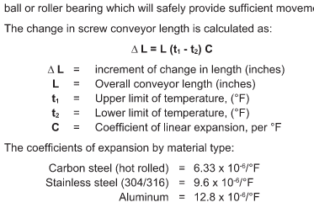
 |  |  |  |  |  |  |  |  |  |  |  |  |  |  |  |  |  |  |  |  |  |  |  |  |  |  |  |  |  |  |  |  |  |  |  |  |  |  |  |  |  |  |  |  |  |  |  |  |  |  |  |  |  |  |  |  |  |  |  |  |  |  |  |  |  |  |  |  |  |  |  |  |  |  | K127R87 | 10 | K127R87_10 | K127R8711 | 166 | 11 | 106200 | 17800
 |  |  |  |  |  |  |  |  |  |  |  |  |  |  |  |  |  |  |  |  |  |  |  |  |  |  |  |  |  |  |  |  |  |  |  |  |  |  |  |  |  |  |  |  |  |  |  |  |  |  |  |  |  |  |  |  |  |  |  |  |  |  |  |  |  |  |  |  |  |  |  |  |  |  | K127R87 | 11 | K127R87_11 | K127R8712 | 147 | 12 | 106200 | 17800
 |  |  |  |  |  |  |  |  |  |  |  |  |  |  |  |  |  |  |  |  |  |  |  |  |  |  |  |  |  |  |  |  |  |  |  |  |  |  |  |  |  |  |  |  |  |  |  |  |  |  |  |  |  |  |  |  |  |  |  |  |  |  |  |  |  |  |  |  |  |  |  |  |  |  | K127R87 | 12 | K127R87_12 | K127R870 | 0 | 0 | 0 | 17800
 |  |  |  |  |  |  |  |  |  |  |  |  |  |  |  |  |  |  |  |  |  |  |  |  |  |  |  |  |  |  |  |  |  |  |  |  |  |  |  |  |  |  |  |  |  |  |  |  |  |  |  |  |  |  |  |  |  |  |  |  |  |  |  |  |  |  |  |  |  |  |  |  |  |  | K127R87 | 13 | K127R87_13 | K127R870 | 0 | 0 | 0 | 17800
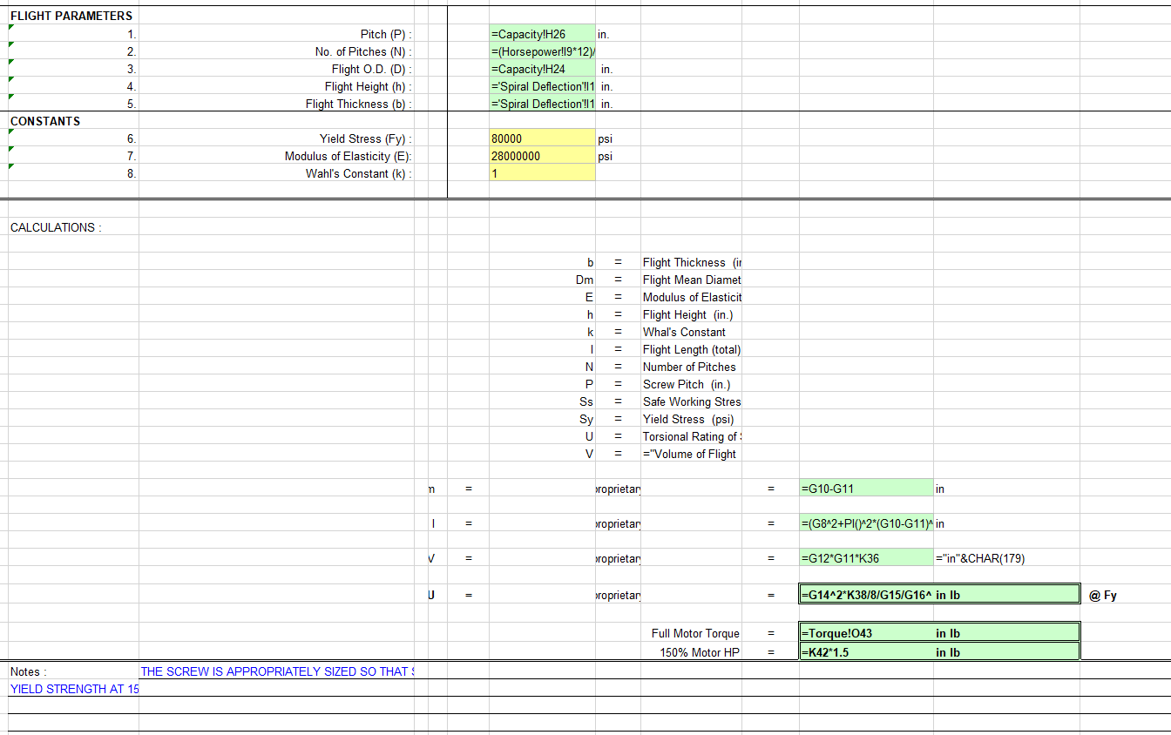
 |  |  |  |  |  |  |  |  |  |  |  |  |  |  |  |  |  |  |  |  |  |  |  |  |  |  |  |  |  |  |  |  |  |  |  |  |  |  |  |  |  |  |  |  |  |  |  |  |  |  |  |  |  |  |  |  |  |  |  |  |  |  |  |  |  |  |  |  |  |  |  |  |  |  | K127R87 | 14 | K127R87_14 | K127R870 | 0 | 0 | 0 | 17800
 |  |  |  |  |  |  |  |  |  |  |  |  |  |  |  |  |  |  |  |  |  |  |  |  |  |  |  |  |  |  |  |  |  |  |  |  |  |  |  |  |  |  |  |  |  |  |  |  |  |  |  |  |  |  |  |  |  |  |  |  |  |  |  |  |  |  |  |  |  |  |  |  |  |  | K127R87 | 15 | K127R87_15 | K127R870 | 0 | 0 | 0 | 17800
 |  |  |  |  |  |  |  |  |  |  |  |  |  |  |  |  |  |  |  |  |  |  |  |  |  |  |  |  |  |  |  |  |  |  |  |  |  |  |  |  |  |  |  |  |  |  |  |  |  |  |  |  |  |  |  |  |  |  |  |  |  |  |  |  |  |  |  |  |  |  |  |  |  |  | K157 | 1 | K157_1 | K15712 | 150.41 | 12 | 159300 | 24100
 |  |  |  |  |  |  |  |  |  |  |  |  |  |  |  |  |  |  |  |  |  |  |  |  |  |  |  |  |  |  |  |  |  |  |  |  |  |  |  |  |  |  |  |  |  |  |  |  |  |  |  |  |  |  |  |  |  |  |  |  |  |  |  |  |  |  |  |  |  |  |  |  |  |  | K157 | 2 | K157_2 | K15714 | 122.39 | 14 | 159300 | 22100
 |  |  |  |  |  |  |  |  |  |  |  |  |  |  |  |  |  |  |  |  |  |  |  |  |  |  |  |  |  |  |  |  |  |  |  |  |  |  |  |  |  |  |  |  |  |  |  |  |  |  |  |  |  |  |  |  |  |  |  |  |  |  |  |  |  |  |  |  |  |  |  |  |  |  | K157 | 3 | K157_3 | K15717 | 100.22 | 17 | 159300 | 20300
 |  |  |  |  |  |  |  |  |  |  |  |  |  |  |  |  |  |  |  |  |  |  |  |  |  |  |  |  |  |  |  |  |  |  |  |  |  |  |  |  |  |  |  |  |  |  |  |  |  |  |  |  |  |  |  |  |  |  |  |  |  |  |  |  |  |  |  |  |  |  |  |  |  |  | K157 | 4 | K157_4 | K15719 | 91.65 | 19 | 159300 | 19500
 |  |  |  |  |  |  |  |  |  |  |  |  |  |  |  |  |  |  |  |  |  |  |  |  |  |  |  |  |  |  |  |  |  |  |  |  |  |  |  |  |  |  |  |  |  |  |  |  |  |  |  |  |  |  |  |  |  |  |  |  |  |  |  |  |  |  |  |  |  |  |  |  |  |  | K157 | 5 | K157_5 | K15722 | 79.75 | 22 | 159300 | 18300
 |  |  |  |  |  |  |  |  |  |  |  |  |  |  |  |  |  |  |  |  |  |  |  |  |  |  |  |  |  |  |  |  |  |  |  |  |  |  |  |  |  |  |  |  |  |  |  |  |  |  |  |  |  |  |  |  |  |  |  |  |  |  |  |  |  |  |  |  |  |  |  |  |  |  | K157 | 6 | K157_6 | K15725 | 70.38 | 25 | 159300 | 17400
 |  |  |  |  |  |  |  |  |  |  |  |  |  |  |  |  |  |  |  |  |  |  |  |  |  |  |  |  |  |  |  |  |  |  |  |  |  |  |  |  |  |  |  |  |  |  |  |  |  |  |  |  |  |  |  |  |  |  |  |  |  |  |  |  |  |  |  |  |  |  |  |  |  |  | K157 | 7 | K157_7 | K15729 | 61.02 | 29 | 159300 | 16300
 |  |  |  |  |  |  |  |  |  |  |  |  |  |  |  |  |  |  |  |  |  |  |  |  |  |  |  |  |  |  |  |  |  |  |  |  |  |  |  |  |  |  |  |  |  |  |  |  |  |  |  |  |  |  |  |  |  |  |  |  |  |  |  |  |  |  |  |  |  |  |  |  |  |  | K157 | 8 | K157_8 | K15732 | 54.29 | 32 | 159300 | 15400
 |  |  |  |  |  |  |  |  |  |  |  |  |  |  |  |  |  |  |  |  |  |  |  |  |  |  |  |  |  |  |  |  |  |  |  |  |  |  |  |  |  |  |  |  |  |  |  |  |  |  |  |  |  |  |  |  |  |  |  |  |  |  |  |  |  |  |  |  |  |  |  |  |  |  | K157 | 9 | K157_9 | K15737 | 46.79 | 37 | 159300 | 14300
 |  |  |  |  |  |  |  |  |  |  |  |  |  |  |  |  |  |  |  |  |  |  |  |  |  |  |  |  |  |  |  |  |  |  |  |  |  |  |  |  |  |  |  |  |  |  |  |  |  |  |  |  |  |  |  |  |  |  |  |  |  |  |  |  |  |  |  |  |  |  |  |  |  |  | K157 | 10 | K157_10 | K15746 | 38.02 | 46 | 159300 | 12900
 |  |  |  |  |  |  |  |  |  |  |  |  |  |  |  |  |  |  |  |  |  |  |  |  |  |  |  |  |  |  |  |  |  |  |  |  |  |  |  |  |  |  |  |  |  |  |  |  |  |  |  |  |  |  |  |  |  |  |  |  |  |  |  |  |  |  |  |  |  |  |  |  |  |  | K157 | 11 | K157_11 | K15756 | 31.3 | 56 | 159300 | 11700
 |  |  |  |  |  |  |  |  |  |  |  |  |  |  |  |  |  |  |  |  |  |  |  |  |  |  |  |  |  |  |  |  |  |  |  |  |  |  |  |  |  |  |  |  |  |  |  |  |  |  |  |  |  |  |  |  |  |  |  |  |  |  |  |  |  |  |  |  |  |  |  |  |  |  | K157 | 12 | K157_12 | K15763 | 27.62 | 63 | 159300 | 10900
 |  |  |  |  |  |  |  |  |  |  |  |  |  |  |  |  |  |  |  |  |  |  |  |  |  |  |  |  |  |  |  |  |  |  |  |  |  |  |  |  |  |  |  |  |  |  |  |  |  |  |  |  |  |  |  |  |  |  |  |  |  |  |  |  |  |  |  |  |  |  |  |  |  |  | K157 | 13 | K157_13 | K15773 | 23.95 | 73 | 159300 | 10100
 |  |  |  |  |  |  |  |  |  |  |  |  |  |  |  |  |  |  |  |  |  |  |  |  |  |  |  |  |  |  |  |  |  |  |  |  |  |  |  |  |  |  |  |  |  |  |  |  |  |  |  |  |  |  |  |  |  |  |  |  |  |  |  |  |  |  |  |  |  |  |  |  |  |  | K157 | 14 | K157_14 | K15782 | 21.31 | 82 | 159300 | 9450
 |  |  |  |  |  |  |  |  |  |  |  |  |  |  |  |  |  |  |  |  |  |  |  |  |  |  |  |  |  |  |  |  |  |  |  |  |  |  |  |  |  |  |  |  |  |  |  |  |  |  |  |  |  |  |  |  |  |  |  |  |  |  |  |  |  |  |  |  |  |  |  |  |  |  | K157 | 15 | K157_15 | K15795 | 18.37 | 95 | 159300 | 8660
 |  |  |  |  |  |  |  |  |  |  |  |  |  |  |  |  |  |  |  |  |  |  |  |  |  |  |  |  |  |  |  |  |  |  |  |  |  |  |  |  |  |  |  |  |  |  |  |  |  |  |  |  |  |  |  |  |  |  |  |  |  |  |  |  |  |  |  |  |  |  |  |  |  |  | K157R97 | 1 | K157R97_1 | K157R970.86 | 2029 | 0.86 | 159300 | 25200
 |  |  |  |  |  |  |  |  |  |  |  |  |  |  |  |  |  |  |  |  |  |  |  |  |  |  |  |  |  |  |  |  |  |  |  |  |  |  |  |  |  |  |  |  |  |  |  |  |  |  |  |  |  |  |  |  |  |  |  |  |  |  |  |  |  |  |  |  |  |  |  |  |  |  | K157R97 | 2 | K157R97_2 | K157R970.97 | 1805 | 0.97 | 159300 | 25200
 |  |  |  |  |  |  |  |  |  |  |  |  |  |  |  |  |  |  |  |  |  |  |  |  |  |  |  |  |  |  |  |  |  |  |  |  |  |  |  |  |  |  |  |  |  |  |  |  |  |  |  |  |  |  |  |  |  |  |  |  |  |  |  |  |  |  |  |  |  |  |  |  |  |  | K157R97 | 3 | K157R97_3 | K157R971.3 | 1365 | 1.3 | 159300 | 25200
 |  |  |  |  |  |  |  |  |  |  |  |  |  |  |  |  |  |  |  |  |  |  |  |  |  |  |  |  |  |  |  |  |  |  |  |  |  |  |  |  |  |  |  |  |  |  |  |  |  |  |  |  |  |  |  |  |  |  |  |  |  |  |  |  |  |  |  |  |  |  |  |  |  |  | K157R97 | 4 | K157R97_4 | K157R971.4 | 1229 | 1.4 | 159300 | 25200
 |  |  |  |  |  |  |  |  |  |  |  |  |  |  |  |  |  |  |  |  |  |  |  |  |  |  |  |  |  |  |  |  |  |  |  |  |  |  |  |  |  |  |  |  |  |  |  |  |  |  |  |  |  |  |  |  |  |  |  |  |  |  |  |  |  |  |  |  |  |  |  |  |  |  | K157R97 | 5 | K157R97_5 | K157R971.6 | 1093 | 1.6 | 159300 | 25200
 |  |  |  |  |  |  |  |  |  |  |  |  |  |  |  |  |  |  |  |  |  |  |  |  |  |  |  |  |  |  |  |  |  |  |  |  |  |  |  |  |  |  |  |  |  |  |  |  |  |  |  |  |  |  |  |  |  |  |  |  |  |  |  |  |  |  |  |  |  |  |  |  |  |  | K157R97 | 6 | K157R97_6 | K157R971.9 | 942 | 1.9 | 159300 | 25200
 |  |  |  |  |  |  |  |  |  |  |  |  |  |  |  |  |  |  |  |  |  |  |  |  |  |  |  |  |  |  |  |  |  |  |  |  |  |  |  |  |  |  |  |  |  |  |  |  |  |  |  |  |  |  |  |  |  |  |  |  |  |  |  |  |  |  |  |  |  |  |  |  |  |  | K157R97 | 7 | K157R97_7 | K157R972 | 854 | 2 | 159300 | 25200
 |  |  |  |  |  |  |  |  |  |  |  |  |  |  |  |  |  |  |  |  |  |  |  |  |  |  |  |  |  |  |  |  |  |  |  |  |  |  |  |  |  |  |  |  |  |  |  |  |  |  |  |  |  |  |  |  |  |  |  |  |  |  |  |  |  |  |  |  |  |  |  |  |  |  | K157R97 | 8 | K157R97_8 | K157R972.3 | 756 | 2.3 | 159300 | 25200
 |  |  |  |  |  |  |  |  |  |  |  |  |  |  |  |  |  |  |  |  |  |  |  |  |  |  |  |  |  |  |  |  |  |  |  |  |  |  |  |  |  |  |  |  |  |  |  |  |  |  |  |  |  |  |  |  |  |  |  |  |  |  |  |  |  |  |  |  |  |  |  |  |  |  | K157R97 | 9 | K157R97_9 | K157R972.6 | 661 | 2.6 | 159300 | 25200
 |  |  |  |  |  |  |  |  |  |  |  |  |  |  |  |  |  |  |  |  |  |  |  |  |  |  |  |  |  |  |  |  |  |  |  |  |  |  |  |  |  |  |  |  |  |  |  |  |  |  |  |  |  |  |  |  |  |  |  |  |  |  |  |  |  |  |  |  |  |  |  |  |  |  | K157R97 | 10 | K157R97_10 | K157R973.1 | 567 | 3.1 | 159300 | 25200
 |  |  |  |  |  |  |  |  |  |  |  |  |  |  |  |  |  |  |  |  |  |  |  |  |  |  |  |  |  |  |  |  |  |  |  |  |  |  |  |  |  |  |  |  |  |  |  |  |  |  |  |  |  |  |  |  |  |  |  |  |  |  |  |  |  |  |  |  |  |  |  |  |  |  | K157R97 | 11 | K157R97_11 | K157R973.5 | 504 | 3.5 | 159300 | 25200
 |  |  |  |  |  |  |  |  |  |  |  |  |  |  |  |  |  |  |  |  |  |  |  |  |  |  |  |  |  |  |  |  |  |  |  |  |  |  |  |  |  |  |  |  |  |  |  |  |  |  |  |  |  |  |  |  |  |  |  |  |  |  |  |  |  |  |  |  |  |  |  |  |  |  | K157R97 | 12 | K157R97_12 | K157R974 | 434 | 4 | 159300 | 25200
 |  |  |  |  |  |  |  |  |  |  |  |  |  |  |  |  |  |  |  |  |  |  |  |  |  |  |  |  |  |  |  |  |  |  |  |  |  |  |  |  |  |  |  |  |  |  |  |  |  |  |  |  |  |  |  |  |  |  |  |  |  |  |  |  |  |  |  |  |  |  |  |  |  |  | K157R97 | 13 | K157R97_13 | K157R974.6 | 379 | 4.6 | 159300 | 25200
 |  |  |  |  |  |  |  |  |  |  |  |  |  |  |  |  |  |  |  |  |  |  |  |  |  |  |  |  |  |  |  |  |  |  |  |  |  |  |  |  |  |  |  |  |  |  |  |  |  |  |  |  |  |  |  |  |  |  |  |  |  |  |  |  |  |  |  |  |  |  |  |  |  |  | K157R97 | 14 | K157R97_14 | K157R975.3 | 333 | 5.3 | 159300 | 25200
 |  |  |  |  |  |  |  |  |  |  |  |  |  |  |  |  |  |  |  |  |  |  |  |  |  |  |  |  |  |  |  |  |  |  |  |  |  |  |  |  |  |  |  |  |  |  |  |  |  |  |  |  |  |  |  |  |  |  |  |  |  |  |  |  |  |  |  |  |  |  |  |  |  |  | K157R97 | 15 | K157R97_15 | K157R976 | 291 | 6 | 159300 | 25200
 |  |  |  |  |  |  |  |  |  |  |  |  |  |  |  |  |  |  |  |  |  |  |  |  |  |  |  |  |  |  |  |  |  |  |  |  |  |  |  |  |  |  |  |  |  |  |  |  |  |  |  |  |  |  |  |  |  |  |  |  |  |  |  |  |  |  |  |  |  |  |  |  |  |  | K157R107 | 1 | K157R107_1 | K157R1074.5 | 385 | 4.5 | 159300 | 25200
 |  |  |  |  |  |  |  |  |  |  |  |  |  |  |  |  |  |  |  |  |  |  |  |  |  |  |  |  |  |  |  |  |  |  |  |  |  |  |  |  |  |  |  |  |  |  |  |  |  |  |  |  |  |  |  |  |  |  |  |  |  |  |  |  |  |  |  |  |  |  |  |  |  |  | K157R107 | 2 | K157R107_2 | K157R1075.4 | 325 | 5.4 | 159300 | 25200
 |  |  |  |  |  |  |  |  |  |  |  |  |  |  |  |  |  |  |  |  |  |  |  |  |  |  |  |  |  |  |  |  |  |  |  |  |  |  |  |  |  |  |  |  |  |  |  |  |  |  |  |  |  |  |  |  |  |  |  |  |  |  |  |  |  |  |  |  |  |  |  |  |  |  | K157R107 | 3 | K157R107_3 | K157R1075.9 | 299 | 5.9 | 159300 | 25200
 |  |  |  |  |  |  |  |  |  |  |  |  |  |  |  |  |  |  |  |  |  |  |  |  |  |  |  |  |  |  |  |  |  |  |  |  |  |  |  |  |  |  |  |  |  |  |  |  |  |  |  |  |  |  |  |  |  |  |  |  |  |  |  |  |  |  |  |  |  |  |  |  |  |  | K157R107 | 4 | K157R107_4 | K157R1076.9 | 253 | 6.9 | 159300 | 25200
 |  |  |  |  |  |  |  |  |  |  |  |  |  |  |  |  |  |  |  |  |  |  |  |  |  |  |  |  |  |  |  |  |  |  |  |  |  |  |  |  |  |  |  |  |  |  |  |  |  |  |  |  |  |  |  |  |  |  |  |  |  |  |  |  |  |  |  |  |  |  |  |  |  |  | K157R107 | 5 | K157R107_5 | K157R1077.6 | 230 | 7.6 | 159300 | 25200
 |  |  |  |  |  |  |  |  |  |  |  |  |  |  |  |  |  |  |  |  |  |  |  |  |  |  |  |  |  |  |  |  |  |  |  |  |  |  |  |  |  |  |  |  |  |  |  |  |  |  |  |  |  |  |  |  |  |  |  |  |  |  |  |  |  |  |  |  |  |  |  |  |  |  | K157R107 | 6 | K157R107_6 | K157R1078.2 | 213 | 8.2 | 159300 | 25200
 |  |  |  |  |  |  |  |  |  |  |  |  |  |  |  |  |  |  |  |  |  |  |  |  |  |  |  |  |  |  |  |  |  |  |  |  |  |  |  |  |  |  |  |  |  |  |  |  |  |  |  |  |  |  |  |  |  |  |  |  |  |  |  |  |  |  |  |  |  |  |  |  |  |  | K157R107 | 7 | K157R107_7 | K157R1079.3 | 187 | 9.3 | 159300 | 25200
 |  |  |  |  |  |  |  |  |  |  |  |  |  |  |  |  |  |  |  |  |  |  |  |  |  |  |  |  |  |  |  |  |  |  |  |  |  |  |  |  |  |  |  |  |  |  |  |  |  |  |  |  |  |  |  |  |  |  |  |  |  |  |  |  |  |  |  |  |  |  |  |  |  |  | K157R107 | 8 | K157R107_8 | K157R10711 | 157 | 11 | 159300 | 24500
 |  |  |  |  |  |  |  |  |  |  |  |  |  |  |  |  |  |  |  |  |  |  |  |  |  |  |  |  |  |  |  |  |  |  |  |  |  |  |  |  |  |  |  |  |  |  |  |  |  |  |  |  |  |  |  |  |  |  |  |  |  |  |  |  |  |  |  |  |  |  |  |  |  |  | K157R107 | 9 | K157R107_9 | K157R10714 | 122 | 14 | 159300 | 22100
 |  |  |  |  |  |  |  |  |  |  |  |  |  |  |  |  |  |  |  |  |  |  |  |  |  |  |  |  |  |  |  |  |  |  |  |  |  |  |  |  |  |  |  |  |  |  |  |  |  |  |  |  |  |  |  |  |  |  |  |  |  |  |  |  |  |  |  |  |  |  |  |  |  |  | K157R107 | 10 | K157R107_10 | K157R10716 | 107 | 16 | 159300 | 20900
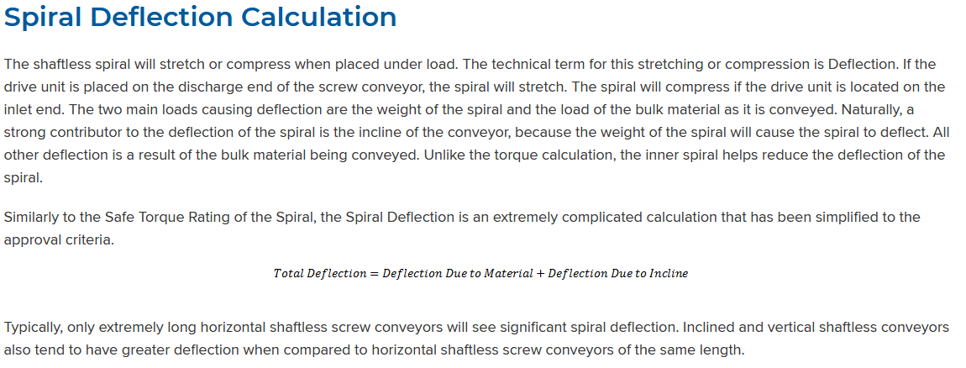
 |  |  |  |  |  |  |  |  |  |  |  |  |  |  |  |  |  |  |  |  |  |  |  |  |  |  |  |  |  |  |  |  |  |  |  |  |  |  |  |  |  |  |  |  |  |  |  |  |  |  |  |  |  |  |  |  |  |  |  |  |  |  |  |  |  |  |  |  |  |  |  |  |  |  | K157R107 | 11 | K157R107_11 | K157R1070 | 0 | 0 | 0
 |  |  |  |  |  |  |  |  |  |  |  |  |  |  |  |  |  |  |  |  |  |  |  |  |  |  |  |  |  |  |  |  |  |  |  |  |  |  |  |  |  |  |  |  |  |  |  |  |  |  |  |  |  |  |  |  |  |  |  |  |  |  |  |  |  |  |  |  |  |  |  |  |  |  | K157R107 | 12 | K157R107_12 | K157R10763 | 0 | 63 | 0
 |  |  |  |  |  |  |  |  |  |  |  |  |  |  |  |  |  |  |  |  |  |  |  |  |  |  |  |  |  |  |  |  |  |  |  |  |  |  |  |  |  |  |  |  |  |  |  |  |  |  |  |  |  |  |  |  |  |  |  |  |  |  |  |  |  |  |  |  |  |  |  |  |  |  | K157R107 | 13 | K157R107_13 | K157R1070 | 0 | 0 | 0
 |  |  |  |  |  |  |  |  |  |  |  |  |  |  |  |  |  |  |  |  |  |  |  |  |  |  |  |  |  |  |  |  |  |  |  |  |  |  |  |  |  |  |  |  |  |  |  |  |  |  |  |  |  |  |  |  |  |  |  |  |  |  |  |  |  |  |  |  |  |  |  |  |  |  | K157R107 | 14 | K157R107_14 | K157R1070 | 0 | 0 | 0
 |  |  |  |  |  |  |  |  |  |  |  |  |  |  |  |  |  |  |  |  |  |  |  |  |  |  |  |  |  |  |  |  |  |  |  |  |  |  |  |  |  |  |  |  |  |  |  |  |  |  |  |  |  |  |  |  |  |  |  |  |  |  |  |  |  |  |  |  |  |  |  |  |  |  | K157R107 | 15 | K157R107_15 | K157R1070 | 0 | 0 | 0
 |  |  |  |  |  |  |  |  |  |  |  |  |  |  |  |  |  |  |  |  |  |  |  |  |  |  |  |  |  |  |  |  |  |  |  |  |  |  |  |  |  |  |  |  |  |  |  |  |  |  |  |  |  |  |  |  |  |  |  |  |  |  |  |  |  |  |  |  |  |  |  |  |  |  | K167 | 1 | K167_1 | K16711 | 164.5 | 11 | 283200 | 33700
 |  |  |  |  |  |  |  |  |  |  |  |  |  |  |  |  |  |  |  |  |  |  |  |  |  |  |  |  |  |  |  |  |  |  |  |  |  |  |  |  |  |  |  |  |  |  |  |  |  |  |  |  |  |  |  |  |  |  |  |  |  |  |  |  |  |  |  |  |  |  |  |  |  |  | K167 | 2 | K167_2 | K16713 | 134.99 | 13 | 283200 | 33700
 |  |  |  |  |  |  |  |  |  |  |  |  |  |  |  |  |  |  |  |  |  |  |  |  |  |  |  |  |  |  |  |  |  |  |  |  |  |  |  |  |  |  |  |  |  |  |  |  |  |  |  |  |  |  |  |  |  |  |  |  |  |  |  |  |  |  |  |  |  |  |  |  |  |  | K167 | 3 | K167_3 | K16716 | 109.83 | 16 | 283200 | 33500
 |  |  |  |  |  |  |  |  |  |  |  |  |  |  |  |  |  |  |  |  |  |  |  |  |  |  |  |  |  |  |  |  |  |  |  |  |  |  |  |  |  |  |  |  |  |  |  |  |  |  |  |  |  |  |  |  |  |  |  |  |  |  |  |  |  |  |  |  |  |  |  |  |  |  | K167 | 4 | K167_4 | K16720 | 87.86 | 20 | 283200 | 30500
 |  |  |  |  |  |  |  |  |  |  |  |  |  |  |  |  |  |  |  |  |  |  |  |  |  |  |  |  |  |  |  |  |  |  |  |  |  |  |  |  |  |  |  |  |  |  |  |  |  |  |  |  |  |  |  |  |  |  |  |  |  |  |  |  |  |  |  |  |  |  |  |  |  |  | K167 | 5 | K167_5 | K16722 | 78.14 | 22 | 283200 | 28900
 |  |  |  |  |  |  |  |  |  |  |  |  |  |  |  |  |  |  |  |  |  |  |  |  |  |  |  |  |  |  |  |  |  |  |  |  |  |  |  |  |  |  |  |  |  |  |  |  |  |  |  |  |  |  |  |  |  |  |  |  |  |  |  |  |  |  |  |  |  |  |  |  |  |  | K167 | 6 | K167_6 | K16726 | 68.07 | 26 | 283200 | 27200
 |  |  |  |  |  |  |  |  |  |  |  |  |  |  |  |  |  |  |  |  |  |  |  |  |  |  |  |  |  |  |  |  |  |  |  |  |  |  |  |  |  |  |  |  |  |  |  |  |  |  |  |  |  |  |  |  |  |  |  |  |  |  |  |  |  |  |  |  |  |  |  |  |  |  | K167 | 7 | K167_7 | K16729 | 60.74 | 29 | 283200 | 25900
 |  |  |  |  |  |  |  |  |  |  |  |  |  |  |  |  |  |  |  |  |  |  |  |  |  |  |  |  |  |  |  |  |  |  |  |  |  |  |  |  |  |  |  |  |  |  |  |  |  |  |  |  |  |  |  |  |  |  |  |  |  |  |  |  |  |  |  |  |  |  |  |  |  |  | K167 | 8 | K167_8 | K16734 | 51.77 | 34 | 283200 | 24100
 |  |  |  |  |  |  |  |  |  |  |  |  |  |  |  |  |  |  |  |  |  |  |  |  |  |  |  |  |  |  |  |  |  |  |  |  |  |  |  |  |  |  |  |  |  |  |  |  |  |  |  |  |  |  |  |  |  |  |  |  |  |  |  |  |  |  |  |  |  |  |  |  |  |  | K167 | 9 | K167_9 | K16741 | 42.89 | 41 | 283200 | 22000
 |  |  |  |  |  |  |  |  |  |  |  |  |  |  |  |  |  |  |  |  |  |  |  |  |  |  |  |  |  |  |  |  |  |  |  |  |  |  |  |  |  |  |  |  |  |  |  |  |  |  |  |  |  |  |  |  |  |  |  |  |  |  |  |  |  |  |  |  |  |  |  |  |  |  | K167 | 10 | K167_10 | K16748 | 36.61 | 48 | 283200 | 20400
 |  |  |  |  |  |  |  |  |  |  |  |  |  |  |  |  |  |  |  |  |  |  |  |  |  |  |  |  |  |  |  |  |  |  |  |  |  |  |  |  |  |  |  |  |  |  |  |  |  |  |  |  |  |  |  |  |  |  |  |  |  |  |  |  |  |  |  |  |  |  |  |  |  |  | K167 | 11 | K167_11 | K16754 | 32.25 | 54 | 283200 | 19100
 |  |  |  |  |  |  |  |  |  |  |  |  |  |  |  |  |  |  |  |  |  |  |  |  |  |  |  |  |  |  |  |  |  |  |  |  |  |  |  |  |  |  |  |  |  |  |  |  |  |  |  |  |  |  |  |  |  |  |  |  |  |  |  |  |  |  |  |  |  |  |  |  |  |  | K167 | 12 | K167_12 | K16761 | 28.77 | 61 | 283200 | 18000
 |  |  |  |  |  |  |  |  |  |  |  |  |  |  |  |  |  |  |  |  |  |  |  |  |  |  |  |  |  |  |  |  |  |  |  |  |  |  |  |  |  |  |  |  |  |  |  |  |  |  |  |  |  |  |  |  |  |  |  |  |  |  |  |  |  |  |  |  |  |  |  |  |  |  | K167 | 13 | K167_13 | K16771 | 24.52 | 71 | 283200 | 16600
 |  |  |  |  |  |  |  |  |  |  |  |  |  |  |  |  |  |  |  |  |  |  |  |  |  |  |  |  |  |  |  |  |  |  |  |  |  |  |  |  |  |  |  |  |  |  |  |  |  |  |  |  |  |  |  |  |  |  |  |  |  |  |  |  |  |  |  |  |  |  |  |  |  |  | K167 | 14 | K167_14 | K16786 | 20.32 | 86 | 283200 | 14900
 |  |  |  |  |  |  |  |  |  |  |  |  |  |  |  |  |  |  |  |  |  |  |  |  |  |  |  |  |  |  |  |  |  |  |  |  |  |  |  |  |  |  |  |  |  |  |  |  |  |  |  |  |  |  |  |  |  |  |  |  |  |  |  |  |  |  |  |  |  |  |  |  |  |  | K167 | 15 | K167_15 | K167101 | 17.34 | 101 | 283200 | 13600
 |  |  |  |  |  |  |  |  |  |  |  |  |  |  |  |  |  |  |  |  |  |  |  |  |  |  |  |  |  |  |  |  |  |  |  |  |  |  |  |  |  |  |  |  |  |  |  |  |  |  |  |  |  |  |  |  |  |  |  |  |  |  |  |  |  |  |  |  |  |  |  |  |  |  | K167R97 | 1 | K167R97_1 | K167R970.37 | 4788 | 0.37 | 283200 | 33700
 |  |  |  |  |  |  |  |  |  |  |  |  |  |  |  |  |  |  |  |  |  |  |  |  |  |  |  |  |  |  |  |  |  |  |  |  |  |  |  |  |  |  |  |  |  |  |  |  |  |  |  |  |  |  |  |  |  |  |  |  |  |  |  |  |  |  |  |  |  |  |  |  |  |  | K167R97 | 2 | K167R97_2 | K167R970.43 | 1079 | 0.43 | 283200 | 33700
 |  |  |  |  |  |  |  |  |  |  |  |  |  |  |  |  |  |  |  |  |  |  |  |  |  |  |  |  |  |  |  |  |  |  |  |  |  |  |  |  |  |  |  |  |  |  |  |  |  |  |  |  |  |  |  |  |  |  |  |  |  |  |  |  |  |  |  |  |  |  |  |  |  |  | K167R97 | 3 | K167R97_3 | K167R970.64 | 2755 | 0.64 | 283200 | 33700
 |  |  |  |  |  |  |  |  |  |  |  |  |  |  |  |  |  |  |  |  |  |  |  |  |  |  |  |  |  |  |  |  |  |  |  |  |  |  |  |  |  |  |  |  |  |  |  |  |  |  |  |  |  |  |  |  |  |  |  |  |  |  |  |  |  |  |  |  |  |  |  |  |  |  | K167R97 | 4 | K167R97_4 | K167R970.77 | 2263 | 0.77 | 283200 | 33700
 |  |  |  |  |  |  |  |  |  |  |  |  |  |  |  |  |  |  |  |  |  |  |  |  |  |  |  |  |  |  |  |  |  |  |  |  |  |  |  |  |  |  |  |  |  |  |  |  |  |  |  |  |  |  |  |  |  |  |  |  |  |  |  |  |  |  |  |  |  |  |  |  |  |  | K167R97 | 5 | K167R97_5 | K167R971 | 1704 | 1 | 283200 | 33700
 |  |  |  |  |  |  |  |  |  |  |  |  |  |  |  |  |  |  |  |  |  |  |  |  |  |  |  |  |  |  |  |  |  |  |  |  |  |  |  |  |  |  |  |  |  |  |  |  |  |  |  |  |  |  |  |  |  |  |  |  |  |  |  |  |  |  |  |  |  |  |  |  |  |  | K167R97 | 6 | K167R97_6 | K167R971.4 | 1296 | 1.4 | 283200 | 33700
 |  |  |  |  |  |  |  |  |  |  |  |  |  |  |  |  |  |  |  |  |  |  |  |  |  |  |  |  |  |  |  |  |  |  |  |  |  |  |  |  |  |  |  |  |  |  |  |  |  |  |  |  |  |  |  |  |  |  |  |  |  |  |  |  |  |  |  |  |  |  |  |  |  |  | K167R97 | 7 | K167R97_7 | K167R971.6 | 1101 | 1.6 | 283200 | 33700
 |  |  |  |  |  |  |  |  |  |  |  |  |  |  |  |  |  |  |  |  |  |  |  |  |  |  |  |  |  |  |  |  |  |  |  |  |  |  |  |  |  |  |  |  |  |  |  |  |  |  |  |  |  |  |  |  |  |  |  |  |  |  |  |  |  |  |  |  |  |  |  |  |  |  | K167R97 | 8 | K167R97_8 | K167R971.9 | 944 | 1.9 | 283200 | 33700
 |  |  |  |  |  |  |  |  |  |  |  |  |  |  |  |  |  |  |  |  |  |  |  |  |  |  |  |  |  |  |  |  |  |  |  |  |  |  |  |  |  |  |  |  |  |  |  |  |  |  |  |  |  |  |  |  |  |  |  |  |  |  |  |  |  |  |  |  |  |  |  |  |  |  | K167R97 | 9 | K167R97_9 | K167R972.1 | 843 | 2.1 | 283200 | 33700
 |  |  |  |  |  |  |  |  |  |  |  |  |  |  |  |  |  |  |  |  |  |  |  |  |  |  |  |  |  |  |  |  |  |  |  |  |  |  |  |  |  |  |  |  |  |  |  |  |  |  |  |  |  |  |  |  |  |  |  |  |  |  |  |  |  |  |  |  |  |  |  |  |  |  | K167R97 | 10 | K167R97_10 | K167R972.3 | 757 | 2.3 | 283200 | 33700
 |  |  |  |  |  |  |  |  |  |  |  |  |  |  |  |  |  |  |  |  |  |  |  |  |  |  |  |  |  |  |  |  |  |  |  |  |  |  |  |  |  |  |  |  |  |  |  |  |  |  |  |  |  |  |  |  |  |  |  |  |  |  |  |  |  |  |  |  |  |  |  |  |  |  | K167R97 | 11 | K167R97_11 | K167R972.8 | 632 | 2.8 | 283200 | 33700
 |  |  |  |  |  |  |  |  |  |  |  |  |  |  |  |  |  |  |  |  |  |  |  |  |  |  |  |  |  |  |  |  |  |  |  |  |  |  |  |  |  |  |  |  |  |  |  |  |  |  |  |  |  |  |  |  |  |  |  |  |  |  |  |  |  |  |  |  |  |  |  |  |  |  | K167R97 | 12 | K167R97_12 | K167R973.1 | 561 | 3.1 | 283200 | 33700
 |  |  |  |  |  |  |  |  |  |  |  |  |  |  |  |  |  |  |  |  |  |  |  |  |  |  |  |  |  |  |  |  |  |  |  |  |  |  |  |  |  |  |  |  |  |  |  |  |  |  |  |  |  |  |  |  |  |  |  |  |  |  |  |  |  |  |  |  |  |  |  |  |  |  | K167R97 | 13 | K167R97_13 | K167R973.6 | 481 | 3.6 | 283200 | 33700
 |  |  |  |  |  |  |  |  |  |  |  |  |  |  |  |  |  |  |  |  |  |  |  |  |  |  |  |  |  |  |  |  |  |  |  |  |  |  |  |  |  |  |  |  |  |  |  |  |  |  |  |  |  |  |  |  |  |  |  |  |  |  |  |  |  |  |  |  |  |  |  |  |  |  | K167R97 | 14 | K167R97_14 | K167R974.1 | 423 | 4.1 | 283200 | 33700
 |  |  |  |  |  |  |  |  |  |  |  |  |  |  |  |  |  |  |  |  |  |  |  |  |  |  |  |  |  |  |  |  |  |  |  |  |  |  |  |  |  |  |  |  |  |  |  |  |  |  |  |  |  |  |  |  |  |  |  |  |  |  |  |  |  |  |  |  |  |  |  |  |  |  | K167R97 | 15 | K167R97_15 | K167R974.8 | 369 | 4.8 | 283200 | 33700
 |  |  |  |  |  |  |  |  |  |  |  |  |  |  |  |  |  |  |  |  |  |  |  |  |  |  |  |  |  |  |  |  |  |  |  |  |  |  |  |  |  |  |  |  |  |  |  |  |  |  |  |  |  |  |  |  |  |  |  |  |  |  |  |  |  |  |  |  |  |  |  |  |  |  | K167R107 | 1 | K167R107_1 | K167R1075.5 | 318 | 5.5 | 283200 | 33700
 |  |  |  |  |  |  |  |  |  |  |  |  |  |  |  |  |  |  |  |  |  |  |  |  |  |  |  |  |  |  |  |  |  |  |  |  |  |  |  |  |  |  |  |  |  |  |  |  |  |  |  |  |  |  |  |  |  |  |  |  |  |  |  |  |  |  |  |  |  |  |  |  |  |  | K167R107 | 2 | K167R107_2 | K167R1076.3 | 278 | 6.3 | 283200 | 33700
 |  |  |  |  |  |  |  |  |  |  |  |  |  |  |  |  |  |  |  |  |  |  |  |  |  |  |  |  |  |  |  |  |  |  |  |  |  |  |  |  |  |  |  |  |  |  |  |  |  |  |  |  |  |  |  |  |  |  |  |  |  |  |  |  |  |  |  |  |  |  |  |  |  |  | K167R107 | 3 | K167R107_3 | K167R1077.2 | 244 | 7.2 | 283200 | 33700
 |  |  |  |  |  |  |  |  |  |  |  |  |  |  |  |  |  |  |  |  |  |  |  |  |  |  |  |  |  |  |  |  |  |  |  |  |  |  |  |  |  |  |  |  |  |  |  |  |  |  |  |  |  |  |  |  |  |  |  |  |  |  |  |  |  |  |  |  |  |  |  |  |  |  | K167R107 | 4 | K167R107_4 | K167R1078.2 | 213 | 8.2 | 283200 | 33700
 |  |  |  |  |  |  |  |  |  |  |  |  |  |  |  |  |  |  |  |  |  |  |  |  |  |  |  |  |  |  |  |  |  |  |  |  |  |  |  |  |  |  |  |  |  |  |  |  |  |  |  |  |  |  |  |  |  |  |  |  |  |  |  |  |  |  |  |  |  |  |  |  |  |  | K167R107 | 5 | K167R107_5 | K167R1078.5 | 206 | 8.5 | 283200 | 33700
 |  |  |  |  |  |  |  |  |  |  |  |  |  |  |  |  |  |  |  |  |  |  |  |  |  |  |  |  |  |  |  |  |  |  |  |  |  |  |  |  |  |  |  |  |  |  |  |  |  |  |  |  |  |  |  |  |  |  |  |  |  |  |  |  |  |  |  |  |  |  |  |  |  |  | K167R107 | 6 | K167R107_6 | K167R10711 | 160 | 11 | 283200 | 33700
 |  |  |  |  |  |  |  |  |  |  |  |  |  |  |  |  |  |  |  |  |  |  |  |  |  |  |  |  |  |  |  |  |  |  |  |  |  |  |  |  |  |  |  |  |  |  |  |  |  |  |  |  |  |  |  |  |  |  |  |  |  |  |  |  |  |  |  |  |  |  |  |  |  |  | K167R107 | 7 | K167R107_7 | K167R10713 | 135 | 13 | 283200 | 33700
 |  |  |  |  |  |  |  |  |  |  |  |  |  |  |  |  |  |  |  |  |  |  |  |  |  |  |  |  |  |  |  |  |  |  |  |  |  |  |  |  |  |  |  |  |  |  |  |  |  |  |  |  |  |  |  |  |  |  |  |  |  |  |  |  |  |  |  |  |  |  |  |  |  |  | K167R107 | 8 | K167R107_8 | K167R10715 | 118 | 15 | 283200 | 33700
 |  |  |  |  |  |  |  |  |  |  |  |  |  |  |  |  |  |  |  |  |  |  |  |  |  |  |  |  |  |  |  |  |  |  |  |  |  |  |  |  |  |  |  |  |  |  |  |  |  |  |  |  |  |  |  |  |  |  |  |  |  |  |  |  |  |  |  |  |  |  |  |  |  |  | K167R107 | 9 | K167R107_9 | K167R1070 | 0 | 0 | 0 | 0
 |  |  |  |  |  |  |  |  |  |  |  |  |  |  |  |  |  |  |  |  |  |  |  |  |  |  |  |  |  |  |  |  |  |  |  |  |  |  |  |  |  |  |  |  |  |  |  |  |  |  |  |  |  |  |  |  |  |  |  |  |  |  |  |  |  |  |  |  |  |  |  |  |  |  | K167R107 | 10 | K167R107_10 | K167R1070 | 0 | 0 | 0 | 0
 |  |  |  |  |  |  |  |  |  |  |  |  |  |  |  |  |  |  |  |  |  |  |  |  |  |  |  |  |  |  |  |  |  |  |  |  |  |  |  |  |  |  |  |  |  |  |  |  |  |  |  |  |  |  |  |  |  |  |  |  |  |  |  |  |  |  |  |  |  |  |  |  |  |  | K167R107 | 11 | K167R107_11 | K167R1070 | 0 | 0 | 0 | 0
 |  |  |  |  |  |  |  |  |  |  |  |  |  |  |  |  |  |  |  |  |  |  |  |  |  |  |  |  |  |  |  |  |  |  |  |  |  |  |  |  |  |  |  |  |  |  |  |  |  |  |  |  |  |  |  |  |  |  |  |  |  |  |  |  |  |  |  |  |  |  |  |  |  |  | K167R107 | 12 | K167R107_12 | K167R1070 | 0 | 0 | 0 | 0
 |  |  |  |  |  |  |  |  |  |  |  |  |  |  |  |  |  |  |  |  |  |  |  |  |  |  |  |  |  |  |  |  |  |  |  |  |  |  |  |  |  |  |  |  |  |  |  |  |  |  |  |  |  |  |  |  |  |  |  |  |  |  |  |  |  |  |  |  |  |  |  |  |  |  | K167R107 | 13 | K167R107_13 | K167R1070 | 0 | 0 | 0 | 0
 |  |  |  |  |  |  |  |  |  |  |  |  |  |  |  |  |  |  |  |  |  |  |  |  |  |  |  |  |  |  |  |  |  |  |  |  |  |  |  |  |  |  |  |  |  |  |  |  |  |  |  |  |  |  |  |  |  |  |  |  |  |  |  |  |  |  |  |  |  |  |  |  |  |  | K167R107 | 14 | K167R107_14 | K167R1070 | 0 | 0 | 0 | 0
 |  |  |  |  |  |  |  |  |  |  |  |  |  |  |  |  |  |  |  |  |  |  |  |  |  |  |  |  |  |  |  |  |  |  |  |  |  |  |  |  |  |  |  |  |  |  |  |  |  |  |  |  |  |  |  |  |  |  |  |  |  |  |  |  |  |  |  |  |  |  |  |  |  |  | K167R107 | 15 | K167R107_15 | K167R1070 | 0 | 0 | 0 | 0
 |  |  |  |  |  |  |  |  |  |  |  |  |  |  |  |  |  |  |  |  |  |  |  |  |  |  |  |  |  |  |  |  |  |  |  |  |  |  |  |  |  |  |  |  |  |  |  |  |  |  |  |  |  |  |  |  |  |  |  |  |  |  |  |  |  |  |  |  |  |  |  |  |  |  | F57 | 1 | F57_1 | F5747 | 35.79 | 47 | 5310 | 1690
 |  |  |  |  |  |  |  |  |  |  |  |  |  |  |  |  |  |  |  |  |  |  |  |  |  |  |  |  |  |  |  |  |  |  |  |  |  |  |  |  |  |  |  |  |  |  |  |  |  |  |  |  |  |  |  |  |  |  |  |  |  |  |  |  |  |  |  |  |  |  |  |  |  |  | F57 | 2 | F57_2 | F5744 | 38.21 | 44 | 5310 | 1740
 |  |  |  |  |  |  |  |  |  |  |  |  |  |  |  |  |  |  |  |  |  |  |  |  |  |  |  |  |  |  |  |  |  |  |  |  |  |  |  |  |  |  |  |  |  |  |  |  |  |  |  |  |  |  |  |  |  |  |  |  |  |  |  |  |  |  |  |  |  |  |  |  |  |  | F57 | 3 | F57_3 | F5738 | 44.73 | 38 | 5310 | 1880
 |  |  |  |  |  |  |  |  |  |  |  |  |  |  |  |  |  |  |  |  |  |  |  |  |  |  |  |  |  |  |  |  |  |  |  |  |  |  |  |  |  |  |  |  |  |  |  |  |  |  |  |  |  |  |  |  |  |  |  |  |  |  |  |  |  |  |  |  |  |  |  |  |  |  | F57 | 4 | F57_4 | F5734 | 50.1 | 34 | 5310 | 1980
 |  |  |  |  |  |  |  |  |  |  |  |  |  |  |  |  |  |  |  |  |  |  |  |  |  |  |  |  |  |  |  |  |  |  |  |  |  |  |  |  |  |  |  |  |  |  |  |  |  |  |  |  |  |  |  |  |  |  |  |  |  |  |  |  |  |  |  |  |  |  |  |  |  |  | F57 | 5 | F57_5 | F5729 | 58.97 | 29 | 5310 | 2070
 |  |  |  |  |  |  |  |  |  |  |  |  |  |  |  |  |  |  |  |  |  |  |  |  |  |  |  |  |  |  |  |  |  |  |  |  |  |  |  |  |  |  |  |  |  |  |  |  |  |  |  |  |  |  |  |  |  |  |  |  |  |  |  |  |  |  |  |  |  |  |  |  |  |  | F57 | 6 | F57_6 | F5725 | 68.22 | 25 | 5310 | 2070
 |  |  |  |  |  |  |  |  |  |  |  |  |  |  |  |  |  |  |  |  |  |  |  |  |  |  |  |  |  |  |  |  |  |  |  |  |  |  |  |  |  |  |  |  |  |  |  |  |  |  |  |  |  |  |  |  |  |  |  |  |  |  |  |  |  |  |  |  |  |  |  |  |  |  | F57 | 7 | F57_7 | F5723 | 72.98 | 23 | 5310 | 2070
 |  |  |  |  |  |  |  |  |  |  |  |  |  |  |  |  |  |  |  |  |  |  |  |  |  |  |  |  |  |  |  |  |  |  |  |  |  |  |  |  |  |  |  |  |  |  |  |  |  |  |  |  |  |  |  |  |  |  |  |  |  |  |  |  |  |  |  |  |  |  |  |  |  |  | F57 | 8 | F57_8 | F5720 | 83.46 | 20 | 5310 | 2070
 |  |  |  |  |  |  |  |  |  |  |  |  |  |  |  |  |  |  |  |  |  |  |  |  |  |  |  |  |  |  |  |  |  |  |  |  |  |  |  |  |  |  |  |  |  |  |  |  |  |  |  |  |  |  |  |  |  |  |  |  |  |  |  |  |  |  |  |  |  |  |  |  |  |  | F57 | 9 | F57_9 | F5718 | 93.47 | 18 | 5310 | 2070
 |  |  |  |  |  |  |  |  |  |  |  |  |  |  |  |  |  |  |  |  |  |  |  |  |  |  |  |  |  |  |  |  |  |  |  |  |  |  |  |  |  |  |  |  |  |  |  |  |  |  |  |  |  |  |  |  |  |  |  |  |  |  |  |  |  |  |  |  |  |  |  |  |  |  | F57 | 10 | F57_10 | F5715 | 110.01 | 15 | 5310 | 2070
 |  |  |  |  |  |  |  |  |  |  |  |  |  |  |  |  |  |  |  |  |  |  |  |  |  |  |  |  |  |  |  |  |  |  |  |  |  |  |  |  |  |  |  |  |  |  |  |  |  |  |  |  |  |  |  |  |  |  |  |  |  |  |  |  |  |  |  |  |  |  |  |  |  |  | F57 | 11 | F57_11 | F5713 | 127.27 | 13 | 5310 | 2070
 |  |  |  |  |  |  |  |  |  |  |  |  |  |  |  |  |  |  |  |  |  |  |  |  |  |  |  |  |  |  |  |  |  |  |  |  |  |  |  |  |  |  |  |  |  |  |  |  |  |  |  |  |  |  |  |  |  |  |  |  |  |  |  |  |  |  |  |  |  |  |  |  |  |  | F57 | 12 | F57_12 | F5712 | 136.16 | 12 | 5310 | 2070
 |  |  |  |  |  |  |  |  |  |  |  |  |  |  |  |  |  |  |  |  |  |  |  |  |  |  |  |  |  |  |  |  |  |  |  |  |  |  |  |  |  |  |  |  |  |  |  |  |  |  |  |  |  |  |  |  |  |  |  |  |  |  |  |  |  |  |  |  |  |  |  |  |  |  | F57 | 13 | F57_13 | F5711 | 157.09 | 11 | 5310 | 2070
 |  |  |  |  |  |  |  |  |  |  |  |  |  |  |  |  |  |  |  |  |  |  |  |  |  |  |  |  |  |  |  |  |  |  |  |  |  |  |  |  |  |  |  |  |  |  |  |  |  |  |  |  |  |  |  |  |  |  |  |  |  |  |  |  |  |  |  |  |  |  |  |  |  |  | F57 | 14 | F57_14 | F579.3 | 183.6 | 9.3 | 5310 | 2070
 |  |  |  |  |  |  |  |  |  |  |  |  |  |  |  |  |  |  |  |  |  |  |  |  |  |  |  |  |  |  |  |  |  |  |  |  |  |  |  |  |  |  |  |  |  |  |  |  |  |  |  |  |  |  |  |  |  |  |  |  |  |  |  |  |  |  |  |  |  |  |  |  |  |  | F57 | 15 | F57_15 | F578.5 | 199.7 | 8.5 | 5310 | 2070
 |  |  |  |  |  |  |  |  |  |  |  |  |  |  |  |  |  |  |  |  |  |  |  |  |  |  |  |  |  |  |  |  |  |  |  |  |  |  |  |  |  |  |  |  |  |  |  |  |  |  |  |  |  |  |  |  |  |  |  |  |  |  |  |  |  |  |  |  |  |  |  |  |  |  | F57R37 | 1 | F57R37_1 | F57R377.5 | 226 | 7.5 | 5310 | 2070
 |  |  |  |  |  |  |  |  |  |  |  |  |  |  |  |  |  |  |  |  |  |  |  |  |  |  |  |  |  |  |  |  |  |  |  |  |  |  |  |  |  |  |  |  |  |  |  |  |  |  |  |  |  |  |  |  |  |  |  |  |  |  |  |  |  |  |  |  |  |  |  |  |  |  | F57R37 | 2 | F57R37_2 | F57R376.7 | 255 | 6.7 | 5310 | 2070
 |  |  |  |  |  |  |  |  |  |  |  |  |  |  |  |  |  |  |  |  |  |  |  |  |  |  |  |  |  |  |  |  |  |  |  |  |  |  |  |  |  |  |  |  |  |  |  |  |  |  |  |  |  |  |  |  |  |  |  |  |  |  |  |  |  |  |  |  |  |  |  |  |  |  | F57R37 | 3 | F57R37_3 | F57R376.5 | 262 | 6.5 | 5310 | 2070
 |  |  |  |  |  |  |  |  |  |  |  |  |  |  |  |  |  |  |  |  |  |  |  |  |  |  |  |  |  |  |  |  |  |  |  |  |  |  |  |  |  |  |  |  |  |  |  |  |  |  |  |  |  |  |  |  |  |  |  |  |  |  |  |  |  |  |  |  |  |  |  |  |  |  | F57R37 | 4 | F57R37_4 | F57R375.7 | 298 | 5.7 | 5310 | 2070
 |  |  |  |  |  |  |  |  |  |  |  |  |  |  |  |  |  |  |  |  |  |  |  |  |  |  |  |  |  |  |  |  |  |  |  |  |  |  |  |  |  |  |  |  |  |  |  |  |  |  |  |  |  |  |  |  |  |  |  |  |  |  |  |  |  |  |  |  |  |  |  |  |  |  | F57R37 | 5 | F57R37_5 | F57R375.2 | 330 | 5.2 | 5310 | 2070
 |  |  |  |  |  |  |  |  |  |  |  |  |  |  |  |  |  |  |  |  |  |  |  |  |  |  |  |  |  |  |  |  |  |  |  |  |  |  |  |  |  |  |  |  |  |  |  |  |  |  |  |  |  |  |  |  |  |  |  |  |  |  |  |  |  |  |  |  |  |  |  |  |  |  | F57R37 | 6 | F57R37_6 | F57R375 | 338 | 5 | 5310 | 2070
 |  |  |  |  |  |  |  |  |  |  |  |  |  |  |  |  |  |  |  |  |  |  |  |  |  |  |  |  |  |  |  |  |  |  |  |  |  |  |  |  |  |  |  |  |  |  |  |  |  |  |  |  |  |  |  |  |  |  |  |  |  |  |  |  |  |  |  |  |  |  |  |  |  |  | F57R37 | 7 | F57R37_7 | F57R374.5 | 382 | 4.5 | 5310 | 2070
 |  |  |  |  |  |  |  |  |  |  |  |  |  |  |  |  |  |  |  |  |  |  |  |  |  |  |  |  |  |  |  |  |  |  |  |  |  |  |  |  |  |  |  |  |  |  |  |  |  |  |  |  |  |  |  |  |  |  |  |  |  |  |  |  |  |  |  |  |  |  |  |  |  |  | F57R37 | 8 | F57R37_8 | F57R374.4 | 386 | 4.4 | 5310 | 2070
 |  |  |  |  |  |  |  |  |  |  |  |  |  |  |  |  |  |  |  |  |  |  |  |  |  |  |  |  |  |  |  |  |  |  |  |  |  |  |  |  |  |  |  |  |  |  |  |  |  |  |  |  |  |  |  |  |  |  |  |  |  |  |  |  |  |  |  |  |  |  |  |  |  |  | F57R37 | 9 | F57R37_9 | F57R374 | 426 | 4 | 5310 | 2070
 |  |  |  |  |  |  |  |  |  |  |  |  |  |  |  |  |  |  |  |  |  |  |  |  |  |  |  |  |  |  |  |  |  |  |  |  |  |  |  |  |  |  |  |  |  |  |  |  |  |  |  |  |  |  |  |  |  |  |  |  |  |  |  |  |  |  |  |  |  |  |  |  |  |  | F57R37 | 10 | F57R37_10 | F57R373.8 | 452 | 3.8 | 5310 | 2070
 |  |  |  |  |  |  |  |  |  |  |  |  |  |  |  |  |  |  |  |  |  |  |  |  |  |  |  |  |  |  |  |  |  |  |  |  |  |  |  |  |  |  |  |  |  |  |  |  |  |  |  |  |  |  |  |  |  |  |  |  |  |  |  |  |  |  |  |  |  |  |  |  |  |  | F57R37 | 11 | F57R37_11 | F57R373.5 | 483 | 3.5 | 5310 | 2070
 |  |  |  |  |  |  |  |  |  |  |  |  |  |  |  |  |  |  |  |  |  |  |  |  |  |  |  |  |  |  |  |  |  |  |  |  |  |  |  |  |  |  |  |  |  |  |  |  |  |  |  |  |  |  |  |  |  |  |  |  |  |  |  |  |  |  |  |  |  |  |  |  |  |  | F57R37 | 12 | F57R37_12 | F57R373.4 | 506 | 3.4 | 5310 | 2070
 |  |  |  |  |  |  |  |  |  |  |  |  |  |  |  |  |  |  |  |  |  |  |  |  |  |  |  |  |  |  |  |  |  |  |  |  |  |  |  |  |  |  |  |  |  |  |  |  |  |  |  |  |  |  |  |  |  |  |  |  |  |  |  |  |  |  |  |  |  |  |  |  |  |  | F57R37 | 13 | F57R37_13 | F57R373.1 | 549 | 3.1 | 5310 | 2070
 |  |  |  |  |  |  |  |  |  |  |  |  |  |  |  |  |  |  |  |  |  |  |  |  |  |  |  |  |  |  |  |  |  |  |  |  |  |  |  |  |  |  |  |  |  |  |  |  |  |  |  |  |  |  |  |  |  |  |  |  |  |  |  |  |  |  |  |  |  |  |  |  |  |  | F57R37 | 14 | F57R37_14 | F57R373 | 558 | 3 | 5310 | 2070
 |  |  |  |  |  |  |  |  |  |  |  |  |  |  |  |  |  |  |  |  |  |  |  |  |  |  |  |  |  |  |  |  |  |  |  |  |  |  |  |  |  |  |  |  |  |  |  |  |  |  |  |  |  |  |  |  |  |  |  |  |  |  |  |  |  |  |  |  |  |  |  |  |  |  | F57R37 | 15 | F57R37_15 | F57R372.6 | 646 | 2.6 | 5310 | 2070
 |  |  |  |  |  |  |  |  |  |  |  |  |  |  |  |  |  |  |  |  |  |  |  |  |  |  |  |  |  |  |  |  |  |  |  |  |  |  |  |  |  |  |  |  |  |  |  |  |  |  |  |  |  |  |  |  |  |  |  |  |  |  |  |  |  |  |  |  |  |  |  |  |  |  | F67 | 1 | F67_1 | F6739 | 43.2 | 39 | 7260 | 2320
 |  |  |  |  |  |  |  |  |  |  |  |  |  |  |  |  |  |  |  |  |  |  |  |  |  |  |  |  |  |  |  |  |  |  |  |  |  |  |  |  |  |  |  |  |  |  |  |  |  |  |  |  |  |  |  |  |  |  |  |  |  |  |  |  |  |  |  |  |  |  |  |  |  |  | F67 | 2 | F67_2 | F6734 | 50.74 | 34 | 7260 | 2320
 |  |  |  |  |  |  |  |  |  |  |  |  |  |  |  |  |  |  |  |  |  |  |  |  |  |  |  |  |  |  |  |  |  |  |  |  |  |  |  |  |  |  |  |  |  |  |  |  |  |  |  |  |  |  |  |  |  |  |  |  |  |  |  |  |  |  |  |  |  |  |  |  |  |  | F67 | 3 | F67_3 | F6732 | 53.73 | 32 | 7260 | 2320
 |  |  |  |  |  |  |  |  |  |  |  |  |  |  |  |  |  |  |  |  |  |  |  |  |  |  |  |  |  |  |  |  |  |  |  |  |  |  |  |  |  |  |  |  |  |  |  |  |  |  |  |  |  |  |  |  |  |  |  |  |  |  |  |  |  |  |  |  |  |  |  |  |  |  | F67 | 4 | F67_4 | F6728 | 61.07 | 28 | 7260 | 2320
 |  |  |  |  |  |  |  |  |  |  |  |  |  |  |  |  |  |  |  |  |  |  |  |  |  |  |  |  |  |  |  |  |  |  |  |  |  |  |  |  |  |  |  |  |  |  |  |  |  |  |  |  |  |  |  |  |  |  |  |  |  |  |  |  |  |  |  |  |  |  |  |  |  |  | F67 | 5 | F67_5 | F6725 | 67.65 | 25 | 7260 | 2320
 |  |  |  |  |  |  |  |  |  |  |  |  |  |  |  |  |  |  |  |  |  |  |  |  |  |  |  |  |  |  |  |  |  |  |  |  |  |  |  |  |  |  |  |  |  |  |  |  |  |  |  |  |  |  |  |  |  |  |  |  |  |  |  |  |  |  |  |  |  |  |  |  |  |  | F67 | 6 | F67_6 | F6721 | 79.76 | 21 | 7260 | 2320
 |  |  |  |  |  |  |  |  |  |  |  |  |  |  |  |  |  |  |  |  |  |  |  |  |  |  |  |  |  |  |  |  |  |  |  |  |  |  |  |  |  |  |  |  |  |  |  |  |  |  |  |  |  |  |  |  |  |  |  |  |  |  |  |  |  |  |  |  |  |  |  |  |  |  | F67 | 7 | F67_7 | F6719 | 90.59 | 19 | 7260 | 2320
 |  |  |  |  |  |  |  |  |  |  |  |  |  |  |  |  |  |  |  |  |  |  |  |  |  |  |  |  |  |  |  |  |  |  |  |  |  |  |  |  |  |  |  |  |  |  |  |  |  |  |  |  |  |  |  |  |  |  |  |  |  |  |  |  |  |  |  |  |  |  |  |  |  |  | F67 | 8 | F67_8 | F6718 | 95.94 | 18 | 7260 | 2320
 |  |  |  |  |  |  |  |  |  |  |  |  |  |  |  |  |  |  |  |  |  |  |  |  |  |  |  |  |  |  |  |  |  |  |  |  |  |  |  |  |  |  |  |  |  |  |  |  |  |  |  |  |  |  |  |  |  |  |  |  |  |  |  |  |  |  |  |  |  |  |  |  |  |  | F67 | 9 | F67_9 | F6716 | 109.04 | 16 | 7260 | 2320
 |  |  |  |  |  |  |  |  |  |  |  |  |  |  |  |  |  |  |  |  |  |  |  |  |  |  |  |  |  |  |  |  |  |  |  |  |  |  |  |  |  |  |  |  |  |  |  |  |  |  |  |  |  |  |  |  |  |  |  |  |  |  |  |  |  |  |  |  |  |  |  |  |  |  | F67 | 10 | F67_10 | F6714 | 120.79 | 14 | 7260 | 2320
 |  |  |  |  |  |  |  |  |  |  |  |  |  |  |  |  |  |  |  |  |  |  |  |  |  |  |  |  |  |  |  |  |  |  |  |  |  |  |  |  |  |  |  |  |  |  |  |  |  |  |  |  |  |  |  |  |  |  |  |  |  |  |  |  |  |  |  |  |  |  |  |  |  |  | F67 | 11 | F67_11 | F6712 | 142.4 | 12 | 7260 | 2320
 |  |  |  |  |  |  |  |  |  |  |  |  |  |  |  |  |  |  |  |  |  |  |  |  |  |  |  |  |  |  |  |  |  |  |  |  |  |  |  |  |  |  |  |  |  |  |  |  |  |  |  |  |  |  |  |  |  |  |  |  |  |  |  |  |  |  |  |  |  |  |  |  |  |  | F67 | 12 | F67_12 | F6710 | 162.31 | 10 | 7260 | 2320
 |  |  |  |  |  |  |  |  |  |  |  |  |  |  |  |  |  |  |  |  |  |  |  |  |  |  |  |  |  |  |  |  |  |  |  |  |  |  |  |  |  |  |  |  |  |  |  |  |  |  |  |  |  |  |  |  |  |  |  |  |  |  |  |  |  |  |  |  |  |  |  |  |  |  | F67 | 13 | F67_13 | F6710 | 170.85 | 10 | 7260 | 2320
 |  |  |  |  |  |  |  |  |  |  |  |  |  |  |  |  |  |  |  |  |  |  |  |  |  |  |  |  |  |  |  |  |  |  |  |  |  |  |  |  |  |  |  |  |  |  |  |  |  |  |  |  |  |  |  |  |  |  |  |  |  |  |  |  |  |  |  |  |  |  |  |  |  |  | F67 | 14 | F67_14 | F678.7 | 195.39 | 8.7 | 7260 | 2320
 |  |  |  |  |  |  |  |  |  |  |  |  |  |  |  |  |  |  |  |  |  |  |  |  |  |  |  |  |  |  |  |  |  |  |  |  |  |  |  |  |  |  |  |  |  |  |  |  |  |  |  |  |  |  |  |  |  |  |  |  |  |  |  |  |  |  |  |  |  |  |  |  |  |  | F67 | 15 | F67_15 | F677.4 | 228.99 | 7.4 | 7260 | 2320
 |  |  |  |  |  |  |  |  |  |  |  |  |  |  |  |  |  |  |  |  |  |  |  |  |  |  |  |  |  |  |  |  |  |  |  |  |  |  |  |  |  |  |  |  |  |  |  |  |  |  |  |  |  |  |  |  |  |  |  |  |  |  |  |  |  |  |  |  |  |  |  |  |  |  | F67R37 | 1 | F67R37_1 | F67R377.1 | 238 | 7.1 | 7260 | 2320
 |  |  |  |  |  |  |  |  |  |  |  |  |  |  |  |  |  |  |  |  |  |  |  |  |  |  |  |  |  |  |  |  |  |  |  |  |  |  |  |  |  |  |  |  |  |  |  |  |  |  |  |  |  |  |  |  |  |  |  |  |  |  |  |  |  |  |  |  |  |  |  |  |  |  | F67R37 | 2 | F67R37_2 | F67R376.6 | 257 | 6.6 | 7260 | 2320
 |  |  |  |  |  |  |  |  |  |  |  |  |  |  |  |  |  |  |  |  |  |  |  |  |  |  |  |  |  |  |  |  |  |  |  |  |  |  |  |  |  |  |  |  |  |  |  |  |  |  |  |  |  |  |  |  |  |  |  |  |  |  |  |  |  |  |  |  |  |  |  |  |  |  | F67R37 | 3 | F67R37_3 | F67R376.5 | 261 | 6.5 | 7260 | 2320
 |  |  |  |  |  |  |  |  |  |  |  |  |  |  |  |  |  |  |  |  |  |  |  |  |  |  |  |  |  |  |  |  |  |  |  |  |  |  |  |  |  |  |  |  |  |  |  |  |  |  |  |  |  |  |  |  |  |  |  |  |  |  |  |  |  |  |  |  |  |  |  |  |  |  | F67R37 | 4 | F67R37_4 | F67R375.7 | 297 | 5.7 | 7260 | 2320
 |  |  |  |  |  |  |  |  |  |  |  |  |  |  |  |  |  |  |  |  |  |  |  |  |  |  |  |  |  |  |  |  |  |  |  |  |  |  |  |  |  |  |  |  |  |  |  |  |  |  |  |  |  |  |  |  |  |  |  |  |  |  |  |  |  |  |  |  |  |  |  |  |  |  | F67R37 | 5 | F67R37_5 | F67R375.6 | 305 | 5.6 | 7260 | 2320
 |  |  |  |  |  |  |  |  |  |  |  |  |  |  |  |  |  |  |  |  |  |  |  |  |  |  |  |  |  |  |  |  |  |  |  |  |  |  |  |  |  |  |  |  |  |  |  |  |  |  |  |  |  |  |  |  |  |  |  |  |  |  |  |  |  |  |  |  |  |  |  |  |  |  | F67R37 | 6 | F67R37_6 | F67R375.1 | 333 | 5.1 | 7260 | 2320
 |  |  |  |  |  |  |  |  |  |  |  |  |  |  |  |  |  |  |  |  |  |  |  |  |  |  |  |  |  |  |  |  |  |  |  |  |  |  |  |  |  |  |  |  |  |  |  |  |  |  |  |  |  |  |  |  |  |  |  |  |  |  |  |  |  |  |  |  |  |  |  |  |  |  | F67R37 | 7 | F67R37_7 | F67R375 | 338 | 5 | 7260 | 2320
 |  |  |  |  |  |  |  |  |  |  |  |  |  |  |  |  |  |  |  |  |  |  |  |  |  |  |  |  |  |  |  |  |  |  |  |  |  |  |  |  |  |  |  |  |  |  |  |  |  |  |  |  |  |  |  |  |  |  |  |  |  |  |  |  |  |  |  |  |  |  |  |  |  |  | F67R37 | 8 | F67R37_8 | F67R374.4 | 384 | 4.4 | 7260 | 2320
 |  |  |  |  |  |  |  |  |  |  |  |  |  |  |  |  |  |  |  |  |  |  |  |  |  |  |  |  |  |  |  |  |  |  |  |  |  |  |  |  |  |  |  |  |  |  |  |  |  |  |  |  |  |  |  |  |  |  |  |  |  |  |  |  |  |  |  |  |  |  |  |  |  |  | F67R37 | 9 | F67R37_9 | F67R374.3 | 392 | 4.3 | 7260 | 2320
 |  |  |  |  |  |  |  |  |  |  |  |  |  |  |  |  |  |  |  |  |  |  |  |  |  |  |  |  |  |  |  |  |  |  |  |  |  |  |  |  |  |  |  |  |  |  |  |  |  |  |  |  |  |  |  |  |  |  |  |  |  |  |  |  |  |  |  |  |  |  |  |  |  |  | F67R37 | 10 | F67R37_10 | F67R373.9 | 437 | 3.9 | 7260 | 2320
 |  |  |  |  |  |  |  |  |  |  |  |  |  |  |  |  |  |  |  |  |  |  |  |  |  |  |  |  |  |  |  |  |  |  |  |  |  |  |  |  |  |  |  |  |  |  |  |  |  |  |  |  |  |  |  |  |  |  |  |  |  |  |  |  |  |  |  |  |  |  |  |  |  |  | F67R37 | 11 | F67R37_11 | F67R373.7 | 454 | 3.7 | 7260 | 2320
 |  |  |  |  |  |  |  |  |  |  |  |  |  |  |  |  |  |  |  |  |  |  |  |  |  |  |  |  |  |  |  |  |  |  |  |  |  |  |  |  |  |  |  |  |  |  |  |  |  |  |  |  |  |  |  |  |  |  |  |  |  |  |  |  |  |  |  |  |  |  |  |  |  |  | F67R37 | 12 | F67R37_12 | F67R373.4 | 500 | 3.4 | 7260 | 2320
 |  |  |  |  |  |  |  |  |  |  |  |  |  |  |  |  |  |  |  |  |  |  |  |  |  |  |  |  |  |  |  |  |  |  |  |  |  |  |  |  |  |  |  |  |  |  |  |  |  |  |  |  |  |  |  |  |  |  |  |  |  |  |  |  |  |  |  |  |  |  |  |  |  |  | F67R37 | 13 | F67R37_13 | F67R373.3 | 509 | 3.3 | 7260 | 2320
 |  |  |  |  |  |  |  |  |  |  |  |  |  |  |  |  |  |  |  |  |  |  |  |  |  |  |  |  |  |  |  |  |  |  |  |  |  |  |  |  |  |  |  |  |  |  |  |  |  |  |  |  |  |  |  |  |  |  |  |  |  |  |  |  |  |  |  |  |  |  |  |  |  |  | F67R37 | 14 | F67R37_14 | F67R373.2 | 539 | 3.2 | 7260 | 2320
 |  |  |  |  |  |  |  |  |  |  |  |  |  |  |  |  |  |  |  |  |  |  |  |  |  |  |  |  |  |  |  |  |  |  |  |  |  |  |  |  |  |  |  |  |  |  |  |  |  |  |  |  |  |  |  |  |  |  |  |  |  |  |  |  |  |  |  |  |  |  |  |  |  |  | F67R37 | 15 | F67R37_15 | F67R373 | 572 | 3 | 7260 | 2320
 |  |  |  |  |  |  |  |  |  |  |  |  |  |  |  |  |  |  |  |  |  |  |  |  |  |  |  |  |  |  |  |  |  |  |  |  |  |  |  |  |  |  |  |  |  |  |  |  |  |  |  |  |  |  |  |  |  |  |  |  |  |  |  |  |  |  |  |  |  |  |  |  |  |  | F77 | 1 | F77_1 | F7726 | 66.46 | 26 | 13280 | 3530
 |  |  |  |  |  |  |  |  |  |  |  |  |  |  |  |  |  |  |  |  |  |  |  |  |  |  |  |  |  |  |  |  |  |  |  |  |  |  |  |  |  |  |  |  |  |  |  |  |  |  |  |  |  |  |  |  |  |  |  |  |  |  |  |  |  |  |  |  |  |  |  |  |  |  | F77 | 2 | F77_2 | F7723 | 72.5 | 23 | 13280 | 3530
 |  |  |  |  |  |  |  |  |  |  |  |  |  |  |  |  |  |  |  |  |  |  |  |  |  |  |  |  |  |  |  |  |  |  |  |  |  |  |  |  |  |  |  |  |  |  |  |  |  |  |  |  |  |  |  |  |  |  |  |  |  |  |  |  |  |  |  |  |  |  |  |  |  |  | F77 | 3 | F77_3 | F7723 | 75.02 | 23 | 13280 | 3530
 |  |  |  |  |  |  |  |  |  |  |  |  |  |  |  |  |  |  |  |  |  |  |  |  |  |  |  |  |  |  |  |  |  |  |  |  |  |  |  |  |  |  |  |  |  |  |  |  |  |  |  |  |  |  |  |  |  |  |  |  |  |  |  |  |  |  |  |  |  |  |  |  |  |  | F77 | 4 | F77_4 | F7720 | 85.52 | 20 | 13280 | 3530
 |  |  |  |  |  |  |  |  |  |  |  |  |  |  |  |  |  |  |  |  |  |  |  |  |  |  |  |  |  |  |  |  |  |  |  |  |  |  |  |  |  |  |  |  |  |  |  |  |  |  |  |  |  |  |  |  |  |  |  |  |  |  |  |  |  |  |  |  |  |  |  |  |  |  | F77 | 5 | F77_5 | F7718 | 94.93 | 18 | 13280 | 3530
 |  |  |  |  |  |  |  |  |  |  |  |  |  |  |  |  |  |  |  |  |  |  |  |  |  |  |  |  |  |  |  |  |  |  |  |  |  |  |  |  |  |  |  |  |  |  |  |  |  |  |  |  |  |  |  |  |  |  |  |  |  |  |  |  |  |  |  |  |  |  |  |  |  |  | F77 | 6 | F77_6 | F7716 | 108.46 | 16 | 13280 | 3530
 |  |  |  |  |  |  |  |  |  |  |  |  |  |  |  |  |  |  |  |  |  |  |  |  |  |  |  |  |  |  |  |  |  |  |  |  |  |  |  |  |  |  |  |  |  |  |  |  |  |  |  |  |  |  |  |  |  |  |  |  |  |  |  |  |  |  |  |  |  |  |  |  |  |  | F77 | 7 | F77_7 | F7715 | 114.45 | 15 | 13280 | 3530
 |  |  |  |  |  |  |  |  |  |  |  |  |  |  |  |  |  |  |  |  |  |  |  |  |  |  |  |  |  |  |  |  |  |  |  |  |  |  |  |  |  |  |  |  |  |  |  |  |  |  |  |  |  |  |  |  |  |  |  |  |  |  |  |  |  |  |  |  |  |  |  |  |  |  | F77 | 8 | F77_8 | F7713 | 130.42 | 13 | 13280 | 3530
 |  |  |  |  |  |  |  |  |  |  |  |  |  |  |  |  |  |  |  |  |  |  |  |  |  |  |  |  |  |  |  |  |  |  |  |  |  |  |  |  |  |  |  |  |  |  |  |  |  |  |  |  |  |  |  |  |  |  |  |  |  |  |  |  |  |  |  |  |  |  |  |  |  |  | F77 | 9 | F77_9 | F7712 | 142.27 | 12 | 13280 | 3530
 |  |  |  |  |  |  |  |  |  |  |  |  |  |  |  |  |  |  |  |  |  |  |  |  |  |  |  |  |  |  |  |  |  |  |  |  |  |  |  |  |  |  |  |  |  |  |  |  |  |  |  |  |  |  |  |  |  |  |  |  |  |  |  |  |  |  |  |  |  |  |  |  |  |  | F77 | 10 | F77_10 | F7710 | 166.47 | 10 | 13280 | 3530
 |  |  |  |  |  |  |  |  |  |  |  |  |  |  |  |  |  |  |  |  |  |  |  |  |  |  |  |  |  |  |  |  |  |  |  |  |  |  |  |  |  |  |  |  |  |  |  |  |  |  |  |  |  |  |  |  |  |  |  |  |  |  |  |  |  |  |  |  |  |  |  |  |  |  | F77 | 11 | F77_11 | F779 | 188.4 | 9 | 13280 | 3530
 |  |  |  |  |  |  |  |  |  |  |  |  |  |  |  |  |  |  |  |  |  |  |  |  |  |  |  |  |  |  |  |  |  |  |  |  |  |  |  |  |  |  |  |  |  |  |  |  |  |  |  |  |  |  |  |  |  |  |  |  |  |  |  |  |  |  |  |  |  |  |  |  |  |  | F77 | 12 | F77_12 | F778.6 | 198.31 | 8.6 | 13280 | 3530
 |  |  |  |  |  |  |  |  |  |  |  |  |  |  |  |  |  |  |  |  |  |  |  |  |  |  |  |  |  |  |  |  |  |  |  |  |  |  |  |  |  |  |  |  |  |  |  |  |  |  |  |  |  |  |  |  |  |  |  |  |  |  |  |  |  |  |  |  |  |  |  |  |  |  | F77 | 13 | F77_13 | F777.5 | 225.79 | 7.5 | 13280 | 3530
 |  |  |  |  |  |  |  |  |  |  |  |  |  |  |  |  |  |  |  |  |  |  |  |  |  |  |  |  |  |  |  |  |  |  |  |  |  |  |  |  |  |  |  |  |  |  |  |  |  |  |  |  |  |  |  |  |  |  |  |  |  |  |  |  |  |  |  |  |  |  |  |  |  |  | F77 | 14 | F77_14 | F776.5 | 262.93 | 6.5 | 13280 | 3530
 |  |  |  |  |  |  |  |  |  |  |  |  |  |  |  |  |  |  |  |  |  |  |  |  |  |  |  |  |  |  |  |  |  |  |  |  |  |  |  |  |  |  |  |  |  |  |  |  |  |  |  |  |  |  |  |  |  |  |  |  |  |  |  |  |  |  |  |  |  |  |  |  |  |  | F77 | 15 | F77_15 | F776 | 281.71 | 6 | 13280 | 3530
 |  |  |  |  |  |  |  |  |  |  |  |  |  |  |  |  |  |  |  |  |  |  |  |  |  |  |  |  |  |  |  |  |  |  |  |  |  |  |  |  |  |  |  |  |  |  |  |  |  |  |  |  |  |  |  |  |  |  |  |  |  |  |  |  |  |  |  |  |  |  |  |  |  |  | F77R37 | 1 | F77R37_1 | F77R375.8 | 292 | 5.8 | 9820 | 4010
 |  |  |  |  |  |  |  |  |  |  |  |  |  |  |  |  |  |  |  |  |  |  |  |  |  |  |  |  |  |  |  |  |  |  |  |  |  |  |  |  |  |  |  |  |  |  |  |  |  |  |  |  |  |  |  |  |  |  |  |  |  |  |  |  |  |  |  |  |  |  |  |  |  |  | F77R37 | 2 | F77R37_2 | F77R375.3 | 323 | 5.3 | 13280 | 3540
 |  |  |  |  |  |  |  |  |  |  |  |  |  |  |  |  |  |  |  |  |  |  |  |  |  |  |  |  |  |  |  |  |  |  |  |  |  |  |  |  |  |  |  |  |  |  |  |  |  |  |  |  |  |  |  |  |  |  |  |  |  |  |  |  |  |  |  |  |  |  |  |  |  |  | F77R37 | 3 | F77R37_3 | F77R374.9 | 346 | 4.9 | 9820 | 4010
 |  |  |  |  |  |  |  |  |  |  |  |  |  |  |  |  |  |  |  |  |  |  |  |  |  |  |  |  |  |  |  |  |  |  |  |  |  |  |  |  |  |  |  |  |  |  |  |  |  |  |  |  |  |  |  |  |  |  |  |  |  |  |  |  |  |  |  |  |  |  |  |  |  |  | F77R37 | 4 | F77R37_4 | F77R374.6 | 367 | 4.6 | 13280 | 3540
 |  |  |  |  |  |  |  |  |  |  |  |  |  |  |  |  |  |  |  |  |  |  |  |  |  |  |  |  |  |  |  |  |  |  |  |  |  |  |  |  |  |  |  |  |  |  |  |  |  |  |  |  |  |  |  |  |  |  |  |  |  |  |  |  |  |  |  |  |  |  |  |  |  |  | F77R37 | 5 | F77R37_5 | F77R374.6 | 370 | 4.6 | 9820 | 4010
 |  |  |  |  |  |  |  |  |  |  |  |  |  |  |  |  |  |  |  |  |  |  |  |  |  |  |  |  |  |  |  |  |  |  |  |  |  |  |  |  |  |  |  |  |  |  |  |  |  |  |  |  |  |  |  |  |  |  |  |  |  |  |  |  |  |  |  |  |  |  |  |  |  |  | F77R37 | 6 | F77R37_6 | F77R374.1 | 413 | 4.1 | 13280 | 3540
 |  |  |  |  |  |  |  |  |  |  |  |  |  |  |  |  |  |  |  |  |  |  |  |  |  |  |  |  |  |  |  |  |  |  |  |  |  |  |  |  |  |  |  |  |  |  |  |  |  |  |  |  |  |  |  |  |  |  |  |  |  |  |  |  |  |  |  |  |  |  |  |  |  |  | F77R37 | 7 | F77R37_7 | F77R373.9 | 433 | 3.9 | 9820 | 4010
 |  |  |  |  |  |  |  |  |  |  |  |  |  |  |  |  |  |  |  |  |  |  |  |  |  |  |  |  |  |  |  |  |  |  |  |  |  |  |  |  |  |  |  |  |  |  |  |  |  |  |  |  |  |  |  |  |  |  |  |  |  |  |  |  |  |  |  |  |  |  |  |  |  |  | F77R37 | 8 | F77R37_8 | F77R373.5 | 480 | 3.5 | 13280 | 3540
 |  |  |  |  |  |  |  |  |  |  |  |  |  |  |  |  |  |  |  |  |  |  |  |  |  |  |  |  |  |  |  |  |  |  |  |  |  |  |  |  |  |  |  |  |  |  |  |  |  |  |  |  |  |  |  |  |  |  |  |  |  |  |  |  |  |  |  |  |  |  |  |  |  |  | F77R37 | 9 | F77R37_9 | F77R373.5 | 485 | 3.5 | 9820 | 4010
 |  |  |  |  |  |  |  |  |  |  |  |  |  |  |  |  |  |  |  |  |  |  |  |  |  |  |  |  |  |  |  |  |  |  |  |  |  |  |  |  |  |  |  |  |  |  |  |  |  |  |  |  |  |  |  |  |  |  |  |  |  |  |  |  |  |  |  |  |  |  |  |  |  |  | F77R37 | 10 | F77R37_10 | F77R373.2 | 538 | 3.2 | 13280 | 3540
 |  |  |  |  |  |  |  |  |  |  |  |  |  |  |  |  |  |  |  |  |  |  |  |  |  |  |  |  |  |  |  |  |  |  |  |  |  |  |  |  |  |  |  |  |  |  |  |  |  |  |  |  |  |  |  |  |  |  |  |  |  |  |  |  |  |  |  |  |  |  |  |  |  |  | F77R37 | 11 | F77R37_11 | F77R373 | 571 | 3 | 9820 | 4010
 |  |  |  |  |  |  |  |  |  |  |  |  |  |  |  |  |  |  |  |  |  |  |  |  |  |  |  |  |  |  |  |  |  |  |  |  |  |  |  |  |  |  |  |  |  |  |  |  |  |  |  |  |  |  |  |  |  |  |  |  |  |  |  |  |  |  |  |  |  |  |  |  |  |  | F77R37 | 12 | F77R37_12 | F77R372.8 | 615 | 2.8 | 13280 | 3540
 |  |  |  |  |  |  |  |  |  |  |  |  |  |  |  |  |  |  |  |  |  |  |  |  |  |  |  |  |  |  |  |  |  |  |  |  |  |  |  |  |  |  |  |  |  |  |  |  |  |  |  |  |  |  |  |  |  |  |  |  |  |  |  |  |  |  |  |  |  |  |  |  |  |  | F77R37 | 13 | F77R37_13 | F77R372.6 | 660 | 2.6 | 9820 | 4010
 |  |  |  |  |  |  |  |  |  |  |  |  |  |  |  |  |  |  |  |  |  |  |  |  |  |  |  |  |  |  |  |  |  |  |  |  |  |  |  |  |  |  |  |  |  |  |  |  |  |  |  |  |  |  |  |  |  |  |  |  |  |  |  |  |  |  |  |  |  |  |  |  |  |  | F77R37 | 14 | F77R37_14 | F77R372.4 | 706 | 2.4 | 9820 | 4010
 |  |  |  |  |  |  |  |  |  |  |  |  |  |  |  |  |  |  |  |  |  |  |  |  |  |  |  |  |  |  |  |  |  |  |  |  |  |  |  |  |  |  |  |  |  |  |  |  |  |  |  |  |  |  |  |  |  |  |  |  |  |  |  |  |  |  |  |  |  |  |  |  |  |  | F77R37 | 15 | F77R37_15 | F77R372.4 | 710 | 2.4 | 13280 | 3540
 |  |  |  |  |  |  |  |  |  |  |  |  |  |  |  |  |  |  |  |  |  |  |  |  |  |  |  |  |  |  |  |  |  |  |  |  |  |  |  |  |  |  |  |  |  |  |  |  |  |  |  |  |  |  |  |  |  |  |  |  |  |  |  |  |  |  |  |  |  |  |  |  |  |  | F87 | 1 | F87_1 | F8734 | 50.36 | 34 | 26000 | 3370
 |  |  |  |  |  |  |  |  |  |  |  |  |  |  |  |  |  |  |  |  |  |  |  |  |  |  |  |  |  |  |  |  |  |  |  |  |  |  |  |  |  |  |  |  |  |  |  |  |  |  |  |  |  |  |  |  |  |  |  |  |  |  |  |  |  |  |  |  |  |  |  |  |  |  | F87 | 2 | F87_2 | F8730 | 56.75 | 30 | 26600 | 3560
 |  |  |  |  |  |  |  |  |  |  |  |  |  |  |  |  |  |  |  |  |  |  |  |  |  |  |  |  |  |  |  |  |  |  |  |  |  |  |  |  |  |  |  |  |  |  |  |  |  |  |  |  |  |  |  |  |  |  |  |  |  |  |  |  |  |  |  |  |  |  |  |  |  |  | F87 | 3 | F87_3 | F8725 | 68.4 | 25 | 26600 | 3960
 |  |  |  |  |  |  |  |  |  |  |  |  |  |  |  |  |  |  |  |  |  |  |  |  |  |  |  |  |  |  |  |  |  |  |  |  |  |  |  |  |  |  |  |  |  |  |  |  |  |  |  |  |  |  |  |  |  |  |  |  |  |  |  |  |  |  |  |  |  |  |  |  |  |  | F87 | 4 | F87_4 | F8722 | 76.39 | 22 | 26600 | 4200
 |  |  |  |  |  |  |  |  |  |  |  |  |  |  |  |  |  |  |  |  |  |  |  |  |  |  |  |  |  |  |  |  |  |  |  |  |  |  |  |  |  |  |  |  |  |  |  |  |  |  |  |  |  |  |  |  |  |  |  |  |  |  |  |  |  |  |  |  |  |  |  |  |  |  | F87 | 5 | F87_5 | F8719 | 88.01 | 19 | 26600 | 4450
 |  |  |  |  |  |  |  |  |  |  |  |  |  |  |  |  |  |  |  |  |  |  |  |  |  |  |  |  |  |  |  |  |  |  |  |  |  |  |  |  |  |  |  |  |  |  |  |  |  |  |  |  |  |  |  |  |  |  |  |  |  |  |  |  |  |  |  |  |  |  |  |  |  |  | F87 | 6 | F87_6 | F8717 | 97.89 | 17 | 26600 | 4450
 |  |  |  |  |  |  |  |  |  |  |  |  |  |  |  |  |  |  |  |  |  |  |  |  |  |  |  |  |  |  |  |  |  |  |  |  |  |  |  |  |  |  |  |  |  |  |  |  |  |  |  |  |  |  |  |  |  |  |  |  |  |  |  |  |  |  |  |  |  |  |  |  |  |  | F87 | 7 | F87_7 | F8716 | 109.49 | 16 | 26600 | 4450
 |  |  |  |  |  |  |  |  |  |  |  |  |  |  |  |  |  |  |  |  |  |  |  |  |  |  |  |  |  |  |  |  |  |  |  |  |  |  |  |  |  |  |  |  |  |  |  |  |  |  |  |  |  |  |  |  |  |  |  |  |  |  |  |  |  |  |  |  |  |  |  |  |  |  | F87 | 8 | F87_8 | F8714 | 123.29 | 14 | 26600 | 4450
 |  |  |  |  |  |  |  |  |  |  |  |  |  |  |  |  |  |  |  |  |  |  |  |  |  |  |  |  |  |  |  |  |  |  |  |  |  |  |  |  |  |  |  |  |  |  |  |  |  |  |  |  |  |  |  |  |  |  |  |  |  |  |  |  |  |  |  |  |  |  |  |  |  |  | F87 | 9 | F87_9 | F8713 | 134.16 | 13 | 26600 | 4450
 |  |  |  |  |  |  |  |  |  |  |  |  |  |  |  |  |  |  |  |  |  |  |  |  |  |  |  |  |  |  |  |  |  |  |  |  |  |  |  |  |  |  |  |  |  |  |  |  |  |  |  |  |  |  |  |  |  |  |  |  |  |  |  |  |  |  |  |  |  |  |  |  |  |  | F87 | 10 | F87_10 | F8711 | 159.61 | 11 | 26600 | 4450
 |  |  |  |  |  |  |  |  |  |  |  |  |  |  |  |  |  |  |  |  |  |  |  |  |  |  |  |  |  |  |  |  |  |  |  |  |  |  |  |  |  |  |  |  |  |  |  |  |  |  |  |  |  |  |  |  |  |  |  |  |  |  |  |  |  |  |  |  |  |  |  |  |  |  | F87 | 11 | F87_11 | F879.4 | 179.97 | 9.4 | 26600 | 4450
 |  |  |  |  |  |  |  |  |  |  |  |  |  |  |  |  |  |  |  |  |  |  |  |  |  |  |  |  |  |  |  |  |  |  |  |  |  |  |  |  |  |  |  |  |  |  |  |  |  |  |  |  |  |  |  |  |  |  |  |  |  |  |  |  |  |  |  |  |  |  |  |  |  |  | F87 | 12 | F87_12 | F878.6 | 197.2 | 8.6 | 26600 | 4450
 |  |  |  |  |  |  |  |  |  |  |  |  |  |  |  |  |  |  |  |  |  |  |  |  |  |  |  |  |  |  |  |  |  |  |  |  |  |  |  |  |  |  |  |  |  |  |  |  |  |  |  |  |  |  |  |  |  |  |  |  |  |  |  |  |  |  |  |  |  |  |  |  |  |  | F87 | 13 | F87_13 | F877.4 | 228.93 | 7.4 | 26600 | 4450
 |  |  |  |  |  |  |  |  |  |  |  |  |  |  |  |  |  |  |  |  |  |  |  |  |  |  |  |  |  |  |  |  |  |  |  |  |  |  |  |  |  |  |  |  |  |  |  |  |  |  |  |  |  |  |  |  |  |  |  |  |  |  |  |  |  |  |  |  |  |  |  |  |  |  | F87 | 14 | F87_14 | F876.7 | 255.37 | 6.7 | 26600 | 4450
 |  |  |  |  |  |  |  |  |  |  |  |  |  |  |  |  |  |  |  |  |  |  |  |  |  |  |  |  |  |  |  |  |  |  |  |  |  |  |  |  |  |  |  |  |  |  |  |  |  |  |  |  |  |  |  |  |  |  |  |  |  |  |  |  |  |  |  |  |  |  |  |  |  |  | F87 | 15 | F87_15 | F876.3 | 270.68 | 6.3 | 26600 | 4450
 |  |  |  |  |  |  |  |  |  |  |  |  |  |  |  |  |  |  |  |  |  |  |  |  |  |  |  |  |  |  |  |  |  |  |  |  |  |  |  |  |  |  |  |  |  |  |  |  |  |  |  |  |  |  |  |  |  |  |  |  |  |  |  |  |  |  |  |  |  |  |  |  |  |  | F87R77 | 1 | F87R77_1 | F87R776 | 281 | 6 | 26600 | 4450
 |  |  |  |  |  |  |  |  |  |  |  |  |  |  |  |  |  |  |  |  |  |  |  |  |  |  |  |  |  |  |  |  |  |  |  |  |  |  |  |  |  |  |  |  |  |  |  |  |  |  |  |  |  |  |  |  |  |  |  |  |  |  |  |  |  |  |  |  |  |  |  |  |  |  | F87R77 | 2 | F87R77_2 | F87R775.7 | 300 | 5.7 | 26600 | 4450
 |  |  |  |  |  |  |  |  |  |  |  |  |  |  |  |  |  |  |  |  |  |  |  |  |  |  |  |  |  |  |  |  |  |  |  |  |  |  |  |  |  |  |  |  |  |  |  |  |  |  |  |  |  |  |  |  |  |  |  |  |  |  |  |  |  |  |  |  |  |  |  |  |  |  | F87R77 | 3 | F87R77_3 | F87R775.4 | 315 | 5.4 | 26600 | 4450
 |  |  |  |  |  |  |  |  |  |  |  |  |  |  |  |  |  |  |  |  |  |  |  |  |  |  |  |  |  |  |  |  |  |  |  |  |  |  |  |  |  |  |  |  |  |  |  |  |  |  |  |  |  |  |  |  |  |  |  |  |  |  |  |  |  |  |  |  |  |  |  |  |  |  | F87R77 | 4 | F87R77_4 | F87R774.9 | 345 | 4.9 | 26600 | 4450
 |  |  |  |  |  |  |  |  |  |  |  |  |  |  |  |  |  |  |  |  |  |  |  |  |  |  |  |  |  |  |  |  |  |  |  |  |  |  |  |  |  |  |  |  |  |  |  |  |  |  |  |  |  |  |  |  |  |  |  |  |  |  |  |  |  |  |  |  |  |  |  |  |  |  | F87R77 | 5 | F87R77_5 | F87R774.9 | 350 | 4.9 | 26600 | 4450
 |  |  |  |  |  |  |  |  |  |  |  |  |  |  |  |  |  |  |  |  |  |  |  |  |  |  |  |  |  |  |  |  |  |  |  |  |  |  |  |  |  |  |  |  |  |  |  |  |  |  |  |  |  |  |  |  |  |  |  |  |  |  |  |  |  |  |  |  |  |  |  |  |  |  | F87R77 | 6 | F87R77_6 | F87R774.3 | 398 | 4.3 | 26600 | 4450
 |  |  |  |  |  |  |  |  |  |  |  |  |  |  |  |  |  |  |  |  |  |  |  |  |  |  |  |  |  |  |  |  |  |  |  |  |  |  |  |  |  |  |  |  |  |  |  |  |  |  |  |  |  |  |  |  |  |  |  |  |  |  |  |  |  |  |  |  |  |  |  |  |  |  | F87R77 | 7 | F87R77_7 | F87R773.8 | 452 | 3.8 | 26600 | 4450
 |  |  |  |  |  |  |  |  |  |  |  |  |  |  |  |  |  |  |  |  |  |  |  |  |  |  |  |  |  |  |  |  |  |  |  |  |  |  |  |  |  |  |  |  |  |  |  |  |  |  |  |  |  |  |  |  |  |  |  |  |  |  |  |  |  |  |  |  |  |  |  |  |  |  | F87R77 | 8 | F87R77_8 | F87R773.6 | 468 | 3.6 | 26600 | 4450
 |  |  |  |  |  |  |  |  |  |  |  |  |  |  |  |  |  |  |  |  |  |  |  |  |  |  |  |  |  |  |  |  |  |  |  |  |  |  |  |  |  |  |  |  |  |  |  |  |  |  |  |  |  |  |  |  |  |  |  |  |  |  |  |  |  |  |  |  |  |  |  |  |  |  | F87R77 | 9 | F87R77_9 | F87R773.3 | 515 | 3.3 | 26600 | 4450
 |  |  |  |  |  |  |  |  |  |  |  |  |  |  |  |  |  |  |  |  |  |  |  |  |  |  |  |  |  |  |  |  |  |  |  |  |  |  |  |  |  |  |  |  |  |  |  |  |  |  |  |  |  |  |  |  |  |  |  |  |  |  |  |  |  |  |  |  |  |  |  |  |  |  | F87R77 | 10 | F87R77_10 | F87R773.3 | 519 | 3.3 | 26600 | 4450
 |  |  |  |  |  |  |  |  |  |  |  |  |  |  |  |  |  |  |  |  |  |  |  |  |  |  |  |  |  |  |  |  |  |  |  |  |  |  |  |  |  |  |  |  |  |  |  |  |  |  |  |  |  |  |  |  |  |  |  |  |  |  |  |  |  |  |  |  |  |  |  |  |  |  | F87R77 | 11 | F87R77_11 | F87R772.9 | 592 | 2.9 | 26600 | 4450
 |  |  |  |  |  |  |  |  |  |  |  |  |  |  |  |  |  |  |  |  |  |  |  |  |  |  |  |  |  |  |  |  |  |  |  |  |  |  |  |  |  |  |  |  |  |  |  |  |  |  |  |  |  |  |  |  |  |  |  |  |  |  |  |  |  |  |  |  |  |  |  |  |  |  | F87R77 | 12 | F87R77_12 | F87R772.8 | 609 | 2.8 | 26600 | 4450
 |  |  |  |  |  |  |  |  |  |  |  |  |  |  |  |  |  |  |  |  |  |  |  |  |  |  |  |  |  |  |  |  |  |  |  |  |  |  |  |  |  |  |  |  |  |  |  |  |  |  |  |  |  |  |  |  |  |  |  |  |  |  |  |  |  |  |  |  |  |  |  |  |  |  | F87R77 | 13 | F87R77_13 | F87R772.6 | 662 | 2.6 | 26600 | 4450
 |  |  |  |  |  |  |  |  |  |  |  |  |  |  |  |  |  |  |  |  |  |  |  |  |  |  |  |  |  |  |  |  |  |  |  |  |  |  |  |  |  |  |  |  |  |  |  |  |  |  |  |  |  |  |  |  |  |  |  |  |  |  |  |  |  |  |  |  |  |  |  |  |  |  | F87R77 | 14 | F87R77_14 | F87R772.5 | 674 | 2.5 | 26600 | 4450
 |  |  |  |  |  |  |  |  |  |  |  |  |  |  |  |  |  |  |  |  |  |  |  |  |  |  |  |  |  |  |  |  |  |  |  |  |  |  |  |  |  |  |  |  |  |  |  |  |  |  |  |  |  |  |  |  |  |  |  |  |  |  |  |  |  |  |  |  |  |  |  |  |  |  | F87R77 | 15 | F87R77_15 | F87R772.3 | 748 | 2.3 | 26600 | 4450
 |  |  |  |  |  |  |  |  |  |  |  |  |  |  |  |  |  |  |  |  |  |  |  |  |  |  |  |  |  |  |  |  |  |  |  |  |  |  |  |  |  |  |  |  |  |  |  |  |  |  |  |  |  |  |  |  |  |  |  |  |  |  |  |  |  |  |  |  |  |  |  |  |  |  | F97 | 1 | F97_1 | F9726 | 65.47 | 26 | 38100 | 5890
 |  |  |  |  |  |  |  |  |  |  |  |  |  |  |  |  |  |  |  |  |  |  |  |  |  |  |  |  |  |  |  |  |  |  |  |  |  |  |  |  |  |  |  |  |  |  |  |  |  |  |  |  |  |  |  |  |  |  |  |  |  |  |  |  |  |  |  |  |  |  |  |  |  |  | F97 | 2 | F97_2 | F9724 | 72.29 | 24 | 38100 | 6200
 |  |  |  |  |  |  |  |  |  |  |  |  |  |  |  |  |  |  |  |  |  |  |  |  |  |  |  |  |  |  |  |  |  |  |  |  |  |  |  |  |  |  |  |  |  |  |  |  |  |  |  |  |  |  |  |  |  |  |  |  |  |  |  |  |  |  |  |  |  |  |  |  |  |  | F97 | 3 | F97_3 | F9722 | 75.63 | 22 | 38100 | 6350
 |  |  |  |  |  |  |  |  |  |  |  |  |  |  |  |  |  |  |  |  |  |  |  |  |  |  |  |  |  |  |  |  |  |  |  |  |  |  |  |  |  |  |  |  |  |  |  |  |  |  |  |  |  |  |  |  |  |  |  |  |  |  |  |  |  |  |  |  |  |  |  |  |  |  | F97 | 4 | F97_4 | F9721 | 80.31 | 21 | 38100 | 6540
 |  |  |  |  |  |  |  |  |  |  |  |  |  |  |  |  |  |  |  |  |  |  |  |  |  |  |  |  |  |  |  |  |  |  |  |  |  |  |  |  |  |  |  |  |  |  |  |  |  |  |  |  |  |  |  |  |  |  |  |  |  |  |  |  |  |  |  |  |  |  |  |  |  |  | F97 | 5 | F97_5 | F9720 | 86.59 | 20 | 38100 | 6720
 |  |  |  |  |  |  |  |  |  |  |  |  |  |  |  |  |  |  |  |  |  |  |  |  |  |  |  |  |  |  |  |  |  |  |  |  |  |  |  |  |  |  |  |  |  |  |  |  |  |  |  |  |  |  |  |  |  |  |  |  |  |  |  |  |  |  |  |  |  |  |  |  |  |  | F97 | 6 | F97_6 | F9719 | 89.85 | 19 | 38100 | 6720
 |  |  |  |  |  |  |  |  |  |  |  |  |  |  |  |  |  |  |  |  |  |  |  |  |  |  |  |  |  |  |  |  |  |  |  |  |  |  |  |  |  |  |  |  |  |  |  |  |  |  |  |  |  |  |  |  |  |  |  |  |  |  |  |  |  |  |  |  |  |  |  |  |  |  | F97 | 7 | F97_7 | F9717 | 97.58 | 17 | 38100 | 6720
 |  |  |  |  |  |  |  |  |  |  |  |  |  |  |  |  |  |  |  |  |  |  |  |  |  |  |  |  |  |  |  |  |  |  |  |  |  |  |  |  |  |  |  |  |  |  |  |  |  |  |  |  |  |  |  |  |  |  |  |  |  |  |  |  |  |  |  |  |  |  |  |  |  |  | F97 | 8 | F97_8 | F9715 | 112.99 | 15 | 38100 | 6720
 |  |  |  |  |  |  |  |  |  |  |  |  |  |  |  |  |  |  |  |  |  |  |  |  |  |  |  |  |  |  |  |  |  |  |  |  |  |  |  |  |  |  |  |  |  |  |  |  |  |  |  |  |  |  |  |  |  |  |  |  |  |  |  |  |  |  |  |  |  |  |  |  |  |  | F97 | 9 | F97_9 | F9713 | 127.42 | 13 | 38100 | 6720
 |  |  |  |  |  |  |  |  |  |  |  |  |  |  |  |  |  |  |  |  |  |  |  |  |  |  |  |  |  |  |  |  |  |  |  |  |  |  |  |  |  |  |  |  |  |  |  |  |  |  |  |  |  |  |  |  |  |  |  |  |  |  |  |  |  |  |  |  |  |  |  |  |  |  | F97 | 10 | F97_10 | F9712 | 140.71 | 12 | 38100 | 6720
 |  |  |  |  |  |  |  |  |  |  |  |  |  |  |  |  |  |  |  |  |  |  |  |  |  |  |  |  |  |  |  |  |  |  |  |  |  |  |  |  |  |  |  |  |  |  |  |  |  |  |  |  |  |  |  |  |  |  |  |  |  |  |  |  |  |  |  |  |  |  |  |  |  |  | F97 | 11 | F97_11 | F9711 | 156.3 | 11 | 38100 | 6720
 |  |  |  |  |  |  |  |  |  |  |  |  |  |  |  |  |  |  |  |  |  |  |  |  |  |  |  |  |  |  |  |  |  |  |  |  |  |  |  |  |  |  |  |  |  |  |  |  |  |  |  |  |  |  |  |  |  |  |  |  |  |  |  |  |  |  |  |  |  |  |  |  |  |  | F97 | 12 | F97_12 | F979.7 | 174.87 | 9.7 | 38100 | 6720
 |  |  |  |  |  |  |  |  |  |  |  |  |  |  |  |  |  |  |  |  |  |  |  |  |  |  |  |  |  |  |  |  |  |  |  |  |  |  |  |  |  |  |  |  |  |  |  |  |  |  |  |  |  |  |  |  |  |  |  |  |  |  |  |  |  |  |  |  |  |  |  |  |  |  | F97 | 13 | F97_13 | F979 | 189.92 | 9 | 38100 | 6720
 |  |  |  |  |  |  |  |  |  |  |  |  |  |  |  |  |  |  |  |  |  |  |  |  |  |  |  |  |  |  |  |  |  |  |  |  |  |  |  |  |  |  |  |  |  |  |  |  |  |  |  |  |  |  |  |  |  |  |  |  |  |  |  |  |  |  |  |  |  |  |  |  |  |  | F97 | 14 | F97_14 | F977.6 | 223.88 | 7.6 | 38100 | 6720
 |  |  |  |  |  |  |  |  |  |  |  |  |  |  |  |  |  |  |  |  |  |  |  |  |  |  |  |  |  |  |  |  |  |  |  |  |  |  |  |  |  |  |  |  |  |  |  |  |  |  |  |  |  |  |  |  |  |  |  |  |  |  |  |  |  |  |  |  |  |  |  |  |  |  | F97 | 15 | F97_15 | F976.7 | 253.41 | 6.7 | 38100 | 6720
 |  |  |  |  |  |  |  |  |  |  |  |  |  |  |  |  |  |  |  |  |  |  |  |  |  |  |  |  |  |  |  |  |  |  |  |  |  |  |  |  |  |  |  |  |  |  |  |  |  |  |  |  |  |  |  |  |  |  |  |  |  |  |  |  |  |  |  |  |  |  |  |  |  |  | F97R57 | 1 | F97R57_1 | F97R578.7 | 195 | 8.7 | 38100 | 6720
 |  |  |  |  |  |  |  |  |  |  |  |  |  |  |  |  |  |  |  |  |  |  |  |  |  |  |  |  |  |  |  |  |  |  |  |  |  |  |  |  |  |  |  |  |  |  |  |  |  |  |  |  |  |  |  |  |  |  |  |  |  |  |  |  |  |  |  |  |  |  |  |  |  |  | F97R57 | 2 | F97R57_2 | F97R578.2 | 208 | 8.2 | 38100 | 6720
 |  |  |  |  |  |  |  |  |  |  |  |  |  |  |  |  |  |  |  |  |  |  |  |  |  |  |  |  |  |  |  |  |  |  |  |  |  |  |  |  |  |  |  |  |  |  |  |  |  |  |  |  |  |  |  |  |  |  |  |  |  |  |  |  |  |  |  |  |  |  |  |  |  |  | F97R57 | 3 | F97R57_3 | F97R577 | 242 | 7 | 38100 | 6720
 |  |  |  |  |  |  |  |  |  |  |  |  |  |  |  |  |  |  |  |  |  |  |  |  |  |  |  |  |  |  |  |  |  |  |  |  |  |  |  |  |  |  |  |  |  |  |  |  |  |  |  |  |  |  |  |  |  |  |  |  |  |  |  |  |  |  |  |  |  |  |  |  |  |  | F97R57 | 4 | F97R57_4 | F97R576.9 | 245 | 6.9 | 38100 | 6720
 |  |  |  |  |  |  |  |  |  |  |  |  |  |  |  |  |  |  |  |  |  |  |  |  |  |  |  |  |  |  |  |  |  |  |  |  |  |  |  |  |  |  |  |  |  |  |  |  |  |  |  |  |  |  |  |  |  |  |  |  |  |  |  |  |  |  |  |  |  |  |  |  |  |  | F97R57 | 5 | F97R57_5 | F97R576.2 | 275 | 6.2 | 38100 | 6720
 |  |  |  |  |  |  |  |  |  |  |  |  |  |  |  |  |  |  |  |  |  |  |  |  |  |  |  |  |  |  |  |  |  |  |  |  |  |  |  |  |  |  |  |  |  |  |  |  |  |  |  |  |  |  |  |  |  |  |  |  |  |  |  |  |  |  |  |  |  |  |  |  |  |  | F97R57 | 6 | F97R57_6 | F97R576 | 285 | 6 | 38100 | 6720
 |  |  |  |  |  |  |  |  |  |  |  |  |  |  |  |  |  |  |  |  |  |  |  |  |  |  |  |  |  |  |  |  |  |  |  |  |  |  |  |  |  |  |  |  |  |  |  |  |  |  |  |  |  |  |  |  |  |  |  |  |  |  |  |  |  |  |  |  |  |  |  |  |  |  | F97R57 | 7 | F97R57_7 | F97R575.4 | 317 | 5.4 | 38100 | 6720
 |  |  |  |  |  |  |  |  |  |  |  |  |  |  |  |  |  |  |  |  |  |  |  |  |  |  |  |  |  |  |  |  |  |  |  |  |  |  |  |  |  |  |  |  |  |  |  |  |  |  |  |  |  |  |  |  |  |  |  |  |  |  |  |  |  |  |  |  |  |  |  |  |  |  | F97R57 | 8 | F97R57_8 | F97R574.7 | 361 | 4.7 | 38100 | 6720
 |  |  |  |  |  |  |  |  |  |  |  |  |  |  |  |  |  |  |  |  |  |  |  |  |  |  |  |  |  |  |  |  |  |  |  |  |  |  |  |  |  |  |  |  |  |  |  |  |  |  |  |  |  |  |  |  |  |  |  |  |  |  |  |  |  |  |  |  |  |  |  |  |  |  | F97R57 | 9 | F97R57_9 | F97R574.7 | 363 | 4.7 | 38100 | 6720
 |  |  |  |  |  |  |  |  |  |  |  |  |  |  |  |  |  |  |  |  |  |  |  |  |  |  |  |  |  |  |  |  |  |  |  |  |  |  |  |  |  |  |  |  |  |  |  |  |  |  |  |  |  |  |  |  |  |  |  |  |  |  |  |  |  |  |  |  |  |  |  |  |  |  | F97R57 | 10 | F97R57_10 | F97R574.2 | 403 | 4.2 | 38100 | 6720
 |  |  |  |  |  |  |  |  |  |  |  |  |  |  |  |  |  |  |  |  |  |  |  |  |  |  |  |  |  |  |  |  |  |  |  |  |  |  |  |  |  |  |  |  |  |  |  |  |  |  |  |  |  |  |  |  |  |  |  |  |  |  |  |  |  |  |  |  |  |  |  |  |  |  | F97R57 | 11 | F97R57_11 | F97R574.2 | 406 | 4.2 | 38100 | 6720
 |  |  |  |  |  |  |  |  |  |  |  |  |  |  |  |  |  |  |  |  |  |  |  |  |  |  |  |  |  |  |  |  |  |  |  |  |  |  |  |  |  |  |  |  |  |  |  |  |  |  |  |  |  |  |  |  |  |  |  |  |  |  |  |  |  |  |  |  |  |  |  |  |  |  | F97R57 | 12 | F97R57_12 | F97R573.6 | 467 | 3.6 | 38100 | 6720
 |  |  |  |  |  |  |  |  |  |  |  |  |  |  |  |  |  |  |  |  |  |  |  |  |  |  |  |  |  |  |  |  |  |  |  |  |  |  |  |  |  |  |  |  |  |  |  |  |  |  |  |  |  |  |  |  |  |  |  |  |  |  |  |  |  |  |  |  |  |  |  |  |  |  | F97R57 | 13 | F97R57_13 | F97R573.6 | 473 | 3.6 | 38100 | 6720
 |  |  |  |  |  |  |  |  |  |  |  |  |  |  |  |  |  |  |  |  |  |  |  |  |  |  |  |  |  |  |  |  |  |  |  |  |  |  |  |  |  |  |  |  |  |  |  |  |  |  |  |  |  |  |  |  |  |  |  |  |  |  |  |  |  |  |  |  |  |  |  |  |  |  | F97R57 | 14 | F97R57_14 | F97R573.3 | 510 | 3.3 | 38100 | 6720
 |  |  |  |  |  |  |  |  |  |  |  |  |  |  |  |  |  |  |  |  |  |  |  |  |  |  |  |  |  |  |  |  |  |  |  |  |  |  |  |  |  |  |  |  |  |  |  |  |  |  |  |  |  |  |  |  |  |  |  |  |  |  |  |  |  |  |  |  |  |  |  |  |  |  | F97R57 | 15 | F97R57_15 | F97R573.2 | 529 | 3.2 | 38100 | 6720
 |  |  |  |  |  |  |  |  |  |  |  |  |  |  |  |  |  |  |  |  |  |  |  |  |  |  |  |  |  |  |  |  |  |  |  |  |  |  |  |  |  |  |  |  |  |  |  |  |  |  |  |  |  |  |  |  |  |  |  |  |  |  |  |  |  |  |  |  |  |  |  |  |  |  | F107 | 1 | F107_1 | F10740 | 43.03 | 40 | 67900 | 8640
 |  |  |  |  |  |  |  |  |  |  |  |  |  |  |  |  |  |  |  |  |  |  |  |  |  |  |  |  |  |  |  |  |  |  |  |  |  |  |  |  |  |  |  |  |  |  |  |  |  |  |  |  |  |  |  |  |  |  |  |  |  |  |  |  |  |  |  |  |  |  |  |  |  |  | F107 | 2 | F107_2 | F10734 | 50.73 | 34 | 67900 | 9300
 |  |  |  |  |  |  |  |  |  |  |  |  |  |  |  |  |  |  |  |  |  |  |  |  |  |  |  |  |  |  |  |  |  |  |  |  |  |  |  |  |  |  |  |  |  |  |  |  |  |  |  |  |  |  |  |  |  |  |  |  |  |  |  |  |  |  |  |  |  |  |  |  |  |  | F107 | 3 | F107_3 | F10729 | 58.12 | 29 | 67900 | 9880
 |  |  |  |  |  |  |  |  |  |  |  |  |  |  |  |  |  |  |  |  |  |  |  |  |  |  |  |  |  |  |  |  |  |  |  |  |  |  |  |  |  |  |  |  |  |  |  |  |  |  |  |  |  |  |  |  |  |  |  |  |  |  |  |  |  |  |  |  |  |  |  |  |  |  | F107 | 4 | F107_4 | F10725 | 67.62 | 25 | 67900 | 10600
 |  |  |  |  |  |  |  |  |  |  |  |  |  |  |  |  |  |  |  |  |  |  |  |  |  |  |  |  |  |  |  |  |  |  |  |  |  |  |  |  |  |  |  |  |  |  |  |  |  |  |  |  |  |  |  |  |  |  |  |  |  |  |  |  |  |  |  |  |  |  |  |  |  |  | F107 | 5 | F107_5 | F10723 | 74.52 | 23 | 67900 | 11000
 |  |  |  |  |  |  |  |  |  |  |  |  |  |  |  |  |  |  |  |  |  |  |  |  |  |  |  |  |  |  |  |  |  |  |  |  |  |  |  |  |  |  |  |  |  |  |  |  |  |  |  |  |  |  |  |  |  |  |  |  |  |  |  |  |  |  |  |  |  |  |  |  |  |  | F107 | 6 | F107_6 | F10720 | 83.99 | 20 | 67900 | 11200
 |  |  |  |  |  |  |  |  |  |  |  |  |  |  |  |  |  |  |  |  |  |  |  |  |  |  |  |  |  |  |  |  |  |  |  |  |  |  |  |  |  |  |  |  |  |  |  |  |  |  |  |  |  |  |  |  |  |  |  |  |  |  |  |  |  |  |  |  |  |  |  |  |  |  | F107 | 7 | F107_7 | F10719 | 88.49 | 19 | 67900 | 11200
 |  |  |  |  |  |  |  |  |  |  |  |  |  |  |  |  |  |  |  |  |  |  |  |  |  |  |  |  |  |  |  |  |  |  |  |  |  |  |  |  |  |  |  |  |  |  |  |  |  |  |  |  |  |  |  |  |  |  |  |  |  |  |  |  |  |  |  |  |  |  |  |  |  |  | F107 | 8 | F107_8 | F10718 | 92.47 | 18 | 67900 | 11200
 |  |  |  |  |  |  |  |  |  |  |  |  |  |  |  |  |  |  |  |  |  |  |  |  |  |  |  |  |  |  |  |  |  |  |  |  |  |  |  |  |  |  |  |  |  |  |  |  |  |  |  |  |  |  |  |  |  |  |  |  |  |  |  |  |  |  |  |  |  |  |  |  |  |  | F107 | 9 | F107_9 | F10717 | 101.38 | 17 | 67900 | 11200
 |  |  |  |  |  |  |  |  |  |  |  |  |  |  |  |  |  |  |  |  |  |  |  |  |  |  |  |  |  |  |  |  |  |  |  |  |  |  |  |  |  |  |  |  |  |  |  |  |  |  |  |  |  |  |  |  |  |  |  |  |  |  |  |  |  |  |  |  |  |  |  |  |  |  | F107 | 10 | F107_10 | F10714 | 117.94 | 14 | 67900 | 11200
 |  |  |  |  |  |  |  |  |  |  |  |  |  |  |  |  |  |  |  |  |  |  |  |  |  |  |  |  |  |  |  |  |  |  |  |  |  |  |  |  |  |  |  |  |  |  |  |  |  |  |  |  |  |  |  |  |  |  |  |  |  |  |  |  |  |  |  |  |  |  |  |  |  |  | F107 | 11 | F107_11 | F10713 | 129.97 | 13 | 67900 | 11200
 |  |  |  |  |  |  |  |  |  |  |  |  |  |  |  |  |  |  |  |  |  |  |  |  |  |  |  |  |  |  |  |  |  |  |  |  |  |  |  |  |  |  |  |  |  |  |  |  |  |  |  |  |  |  |  |  |  |  |  |  |  |  |  |  |  |  |  |  |  |  |  |  |  |  | F107 | 12 | F107_12 | F10712 | 146.49 | 12 | 67900 | 11200
 |  |  |  |  |  |  |  |  |  |  |  |  |  |  |  |  |  |  |  |  |  |  |  |  |  |  |  |  |  |  |  |  |  |  |  |  |  |  |  |  |  |  |  |  |  |  |  |  |  |  |  |  |  |  |  |  |  |  |  |  |  |  |  |  |  |  |  |  |  |  |  |  |  |  | F107 | 13 | F107_13 | F10711 | 161.28 | 11 | 67900 | 11200
 |  |  |  |  |  |  |  |  |  |  |  |  |  |  |  |  |  |  |  |  |  |  |  |  |  |  |  |  |  |  |  |  |  |  |  |  |  |  |  |  |  |  |  |  |  |  |  |  |  |  |  |  |  |  |  |  |  |  |  |  |  |  |  |  |  |  |  |  |  |  |  |  |  |  | F107 | 14 | F107_14 | F1079.5 | 178.64 | 9.5 | 67900 | 11200
 |  |  |  |  |  |  |  |  |  |  |  |  |  |  |  |  |  |  |  |  |  |  |  |  |  |  |  |  |  |  |  |  |  |  |  |  |  |  |  |  |  |  |  |  |  |  |  |  |  |  |  |  |  |  |  |  |  |  |  |  |  |  |  |  |  |  |  |  |  |  |  |  |  |  | F107 | 15 | F107_15 | F1078.5 | 199.31 | 8.5 | 67900 | 11200
 |  |  |  |  |  |  |  |  |  |  |  |  |  |  |  |  |  |  |  |  |  |  |  |  |  |  |  |  |  |  |  |  |  |  |  |  |  |  |  |  |  |  |  |  |  |  |  |  |  |  |  |  |  |  |  |  |  |  |  |  |  |  |  |  |  |  |  |  |  |  |  |  |  |  | F107R77 | 1 | F107R77_1 | F107R777.6 | 225 | 7.6 | 67970 | 11200
 |  |  |  |  |  |  |  |  |  |  |  |  |  |  |  |  |  |  |  |  |  |  |  |  |  |  |  |  |  |  |  |  |  |  |  |  |  |  |  |  |  |  |  |  |  |  |  |  |  |  |  |  |  |  |  |  |  |  |  |  |  |  |  |  |  |  |  |  |  |  |  |  |  |  | F107R77 | 2 | F107R77_2 | F107R776.7 | 255 | 6.7 | 67970 | 11200
 |  |  |  |  |  |  |  |  |  |  |  |  |  |  |  |  |  |  |  |  |  |  |  |  |  |  |  |  |  |  |  |  |  |  |  |  |  |  |  |  |  |  |  |  |  |  |  |  |  |  |  |  |  |  |  |  |  |  |  |  |  |  |  |  |  |  |  |  |  |  |  |  |  |  | F107R77 | 3 | F107R77_3 | F107R776.4 | 266 | 6.4 | 69400 | 11100
 |  |  |  |  |  |  |  |  |  |  |  |  |  |  |  |  |  |  |  |  |  |  |  |  |  |  |  |  |  |  |  |  |  |  |  |  |  |  |  |  |  |  |  |  |  |  |  |  |  |  |  |  |  |  |  |  |  |  |  |  |  |  |  |  |  |  |  |  |  |  |  |  |  |  | F107R77 | 4 | F107R77_4 | F107R775.8 | 291 | 5.8 | 67970 | 11200
 |  |  |  |  |  |  |  |  |  |  |  |  |  |  |  |  |  |  |  |  |  |  |  |  |  |  |  |  |  |  |  |  |  |  |  |  |  |  |  |  |  |  |  |  |  |  |  |  |  |  |  |  |  |  |  |  |  |  |  |  |  |  |  |  |  |  |  |  |  |  |  |  |  |  | F107R77 | 5 | F107R77_5 | F107R775.7 | 300 | 5.7 | 69400 | 11100
 |  |  |  |  |  |  |  |  |  |  |  |  |  |  |  |  |  |  |  |  |  |  |  |  |  |  |  |  |  |  |  |  |  |  |  |  |  |  |  |  |  |  |  |  |  |  |  |  |  |  |  |  |  |  |  |  |  |  |  |  |  |  |  |  |  |  |  |  |  |  |  |  |  |  | F107R77 | 6 | F107R77_6 | F107R775.1 | 333 | 5.1 | 67970 | 11200
 |  |  |  |  |  |  |  |  |  |  |  |  |  |  |  |  |  |  |  |  |  |  |  |  |  |  |  |  |  |  |  |  |  |  |  |  |  |  |  |  |  |  |  |  |  |  |  |  |  |  |  |  |  |  |  |  |  |  |  |  |  |  |  |  |  |  |  |  |  |  |  |  |  |  | F107R77 | 7 | F107R77_7 | F107R775 | 340 | 5 | 69400 | 11100
 |  |  |  |  |  |  |  |  |  |  |  |  |  |  |  |  |  |  |  |  |  |  |  |  |  |  |  |  |  |  |  |  |  |  |  |  |  |  |  |  |  |  |  |  |  |  |  |  |  |  |  |  |  |  |  |  |  |  |  |  |  |  |  |  |  |  |  |  |  |  |  |  |  |  | F107R77 | 8 | F107R77_8 | F107R774.6 | 370 | 4.6 | 67970 | 11200
 |  |  |  |  |  |  |  |  |  |  |  |  |  |  |  |  |  |  |  |  |  |  |  |  |  |  |  |  |  |  |  |  |  |  |  |  |  |  |  |  |  |  |  |  |  |  |  |  |  |  |  |  |  |  |  |  |  |  |  |  |  |  |  |  |  |  |  |  |  |  |  |  |  |  | F107R77 | 9 | F107R77_9 | F107R774.4 | 387 | 4.4 | 69400 | 11100
 |  |  |  |  |  |  |  |  |  |  |  |  |  |  |  |  |  |  |  |  |  |  |  |  |  |  |  |  |  |  |  |  |  |  |  |  |  |  |  |  |  |  |  |  |  |  |  |  |  |  |  |  |  |  |  |  |  |  |  |  |  |  |  |  |  |  |  |  |  |  |  |  |  |  | F107R77 | 10 | F107R77_10 | F107R774 | 430 | 4 | 69400 | 11100
 |  |  |  |  |  |  |  |  |  |  |  |  |  |  |  |  |  |  |  |  |  |  |  |  |  |  |  |  |  |  |  |  |  |  |  |  |  |  |  |  |  |  |  |  |  |  |  |  |  |  |  |  |  |  |  |  |  |  |  |  |  |  |  |  |  |  |  |  |  |  |  |  |  |  | F107R77 | 11 | F107R77_11 | F107R773.9 | 436 | 3.9 | 67970 | 11200
 |  |  |  |  |  |  |  |  |  |  |  |  |  |  |  |  |  |  |  |  |  |  |  |  |  |  |  |  |  |  |  |  |  |  |  |  |  |  |  |  |  |  |  |  |  |  |  |  |  |  |  |  |  |  |  |  |  |  |  |  |  |  |  |  |  |  |  |  |  |  |  |  |  |  | F107R77 | 12 | F107R77_12 | F107R773.5 | 489 | 3.5 | 67970 | 11200
 |  |  |  |  |  |  |  |  |  |  |  |  |  |  |  |  |  |  |  |  |  |  |  |  |  |  |  |  |  |  |  |  |  |  |  |  |  |  |  |  |  |  |  |  |  |  |  |  |  |  |  |  |  |  |  |  |  |  |  |  |  |  |  |  |  |  |  |  |  |  |  |  |  |  | F107R77 | 13 | F107R77_13 | F107R773.5 | 491 | 3.5 | 69400 | 11100
 |  |  |  |  |  |  |  |  |  |  |  |  |  |  |  |  |  |  |  |  |  |  |  |  |  |  |  |  |  |  |  |  |  |  |  |  |  |  |  |  |  |  |  |  |  |  |  |  |  |  |  |  |  |  |  |  |  |  |  |  |  |  |  |  |  |  |  |  |  |  |  |  |  |  | F107R77 | 14 | F107R77_14 | F107R773.3 | 518 | 3.3 | 69400 | 11100
 |  |  |  |  |  |  |  |  |  |  |  |  |  |  |  |  |  |  |  |  |  |  |  |  |  |  |  |  |  |  |  |  |  |  |  |  |  |  |  |  |  |  |  |  |  |  |  |  |  |  |  |  |  |  |  |  |  |  |  |  |  |  |  |  |  |  |  |  |  |  |  |  |  |  | F107R77 | 15 | F107R77_15 | F107R773 | 560 | 3 | 67970 | 11200
 |  |  |  |  |  |  |  |  |  |  |  |  |  |  |  |  |  |  |  |  |  |  |  |  |  |  |  |  |  |  |  |  |  |  |  |  |  |  |  |  |  |  |  |  |  |  |  |  |  |  |  |  |  |  |  |  |  |  |  |  |  |  |  |  |  |  |  |  |  |  |  |  |  |  | F127 | 1 | F127_1 | F12767 | 25.3 | 67 | 106200 | 8400
 |  |  |  |  |  |  |  |  |  |  |  |  |  |  |  |  |  |  |  |  |  |  |  |  |  |  |  |  |  |  |  |  |  |  |  |  |  |  |  |  |  |  |  |  |  |  |  |  |  |  |  |  |  |  |  |  |  |  |  |  |  |  |  |  |  |  |  |  |  |  |  |  |  |  | F127 | 2 | F127_2 | F12754 | 31.33 | 54 | 106200 | 9660
 |  |  |  |  |  |  |  |  |  |  |  |  |  |  |  |  |  |  |  |  |  |  |  |  |  |  |  |  |  |  |  |  |  |  |  |  |  |  |  |  |  |  |  |  |  |  |  |  |  |  |  |  |  |  |  |  |  |  |  |  |  |  |  |  |  |  |  |  |  |  |  |  |  |  | F127 | 3 | F127_3 | F12746 | 37.28 | 46 | 106200 | 10700
 |  |  |  |  |  |  |  |  |  |  |  |  |  |  |  |  |  |  |  |  |  |  |  |  |  |  |  |  |  |  |  |  |  |  |  |  |  |  |  |  |  |  |  |  |  |  |  |  |  |  |  |  |  |  |  |  |  |  |  |  |  |  |  |  |  |  |  |  |  |  |  |  |  |  | F127 | 4 | F127_4 | F12740 | 42.15 | 40 | 106200 | 11500
 |  |  |  |  |  |  |  |  |  |  |  |  |  |  |  |  |  |  |  |  |  |  |  |  |  |  |  |  |  |  |  |  |  |  |  |  |  |  |  |  |  |  |  |  |  |  |  |  |  |  |  |  |  |  |  |  |  |  |  |  |  |  |  |  |  |  |  |  |  |  |  |  |  |  | F127 | 5 | F127_5 | F12735 | 48.8 | 35 | 106200 | 12500
 |  |  |  |  |  |  |  |  |  |  |  |  |  |  |  |  |  |  |  |  |  |  |  |  |  |  |  |  |  |  |  |  |  |  |  |  |  |  |  |  |  |  |  |  |  |  |  |  |  |  |  |  |  |  |  |  |  |  |  |  |  |  |  |  |  |  |  |  |  |  |  |  |  |  | F127 | 6 | F127_6 | F12731 | 55.31 | 31 | 106200 | 13300
 |  |  |  |  |  |  |  |  |  |  |  |  |  |  |  |  |  |  |  |  |  |  |  |  |  |  |  |  |  |  |  |  |  |  |  |  |  |  |  |  |  |  |  |  |  |  |  |  |  |  |  |  |  |  |  |  |  |  |  |  |  |  |  |  |  |  |  |  |  |  |  |  |  |  | F127 | 7 | F127_7 | F12727 | 63.91 | 27 | 106200 | 14300
 |  |  |  |  |  |  |  |  |  |  |  |  |  |  |  |  |  |  |  |  |  |  |  |  |  |  |  |  |  |  |  |  |  |  |  |  |  |  |  |  |  |  |  |  |  |  |  |  |  |  |  |  |  |  |  |  |  |  |  |  |  |  |  |  |  |  |  |  |  |  |  |  |  |  | F127 | 8 | F127_8 | F12724 | 70.07 | 24 | 106200 | 14900
 |  |  |  |  |  |  |  |  |  |  |  |  |  |  |  |  |  |  |  |  |  |  |  |  |  |  |  |  |  |  |  |  |  |  |  |  |  |  |  |  |  |  |  |  |  |  |  |  |  |  |  |  |  |  |  |  |  |  |  |  |  |  |  |  |  |  |  |  |  |  |  |  |  |  | F127 | 9 | F127_9 | F12723 | 75.41 | 23 | 106200 | 15400
 |  |  |  |  |  |  |  |  |  |  |  |  |  |  |  |  |  |  |  |  |  |  |  |  |  |  |  |  |  |  |  |  |  |  |  |  |  |  |  |  |  |  |  |  |  |  |  |  |  |  |  |  |  |  |  |  |  |  |  |  |  |  |  |  |  |  |  |  |  |  |  |  |  |  | F127 | 10 | F127_10 | F12719 | 87.31 | 19 | 106200 | 16400
 |  |  |  |  |  |  |  |  |  |  |  |  |  |  |  |  |  |  |  |  |  |  |  |  |  |  |  |  |  |  |  |  |  |  |  |  |  |  |  |  |  |  |  |  |  |  |  |  |  |  |  |  |  |  |  |  |  |  |  |  |  |  |  |  |  |  |  |  |  |  |  |  |  |  | F127 | 11 | F127_11 | F12717 | 98.95 | 17 | 106200 | 17200
 |  |  |  |  |  |  |  |  |  |  |  |  |  |  |  |  |  |  |  |  |  |  |  |  |  |  |  |  |  |  |  |  |  |  |  |  |  |  |  |  |  |  |  |  |  |  |  |  |  |  |  |  |  |  |  |  |  |  |  |  |  |  |  |  |  |  |  |  |  |  |  |  |  |  | F127 | 12 | F127_12 | F12715 | 114.34 | 15 | 106200 | 18300
 |  |  |  |  |  |  |  |  |  |  |  |  |  |  |  |  |  |  |  |  |  |  |  |  |  |  |  |  |  |  |  |  |  |  |  |  |  |  |  |  |  |  |  |  |  |  |  |  |  |  |  |  |  |  |  |  |  |  |  |  |  |  |  |  |  |  |  |  |  |  |  |  |  |  | F127 | 13 | F127_13 | F12714 | 125.37 | 14 | 106200 | 19000
 |  |  |  |  |  |  |  |  |  |  |  |  |  |  |  |  |  |  |  |  |  |  |  |  |  |  |  |  |  |  |  |  |  |  |  |  |  |  |  |  |  |  |  |  |  |  |  |  |  |  |  |  |  |  |  |  |  |  |  |  |  |  |  |  |  |  |  |  |  |  |  |  |  |  | F127 | 14 | F127_14 | F12711 | 153.67 | 11 | 106200 | 20200
 |  |  |  |  |  |  |  |  |  |  |  |  |  |  |  |  |  |  |  |  |  |  |  |  |  |  |  |  |  |  |  |  |  |  |  |  |  |  |  |  |  |  |  |  |  |  |  |  |  |  |  |  |  |  |  |  |  |  |  |  |  |  |  |  |  |  |  |  |  |  |  |  |  |  | F127 | 15 | F127_15 | F12710 | 170.83 | 10 | 106200 | 20200
 |  |  |  |  |  |  |  |  |  |  |  |  |  |  |  |  |  |  |  |  |  |  |  |  |  |  |  |  |  |  |  |  |  |  |  |  |  |  |  |  |  |  |  |  |  |  |  |  |  |  |  |  |  |  |  |  |  |  |  |  |  |  |  |  |  |  |  |  |  |  |  |  |  |  | F127R87 |  | F127R87_ | F127R8710 | 166 | 10 | 106200 | 20230
 |  |  |  |  |  |  |  |  |  |  |  |  |  |  |  |  |  |  |  |  |  |  |  |  |  |  |  |  |  |  |  |  |  |  |  |  |  |  |  |  |  |  |  |  |  |  |  |  |  |  |  |  |  |  |  |  |  |  |  |  |  |  |  |  |  |  |  |  |  |  |  |  |  |  | F127R87 |  | F127R87_ | F127R878.6 | 198 | 8.6 | 106200 | 20230
 |  |  |  |  |  |  |  |  |  |  |  |  |  |  |  |  |  |  |  |  |  |  |  |  |  |  |  |  |  |  |  |  |  |  |  |  |  |  |  |  |  |  |  |  |  |  |  |  |  |  |  |  |  |  |  |  |  |  |  |  |  |  |  |  |  |  |  |  |  |  |  |  |  |  | F127R87 |  | F127R87_ | F127R877.6 | 223 | 7.6 | 106200 | 20230
 |  |  |  |  |  |  |  |  |  |  |  |  |  |  |  |  |  |  |  |  |  |  |  |  |  |  |  |  |  |  |  |  |  |  |  |  |  |  |  |  |  |  |  |  |  |  |  |  |  |  |  |  |  |  |  |  |  |  |  |  |  |  |  |  |  |  |  |  |  |  |  |  |  |  | F127R87 |  | F127R87_ | F127R876.6 | 259 | 6.6 | 106200 | 20230
 |  |  |  |  |  |  |  |  |  |  |  |  |  |  |  |  |  |  |  |  |  |  |  |  |  |  |  |  |  |  |  |  |  |  |  |  |  |  |  |  |  |  |  |  |  |  |  |  |  |  |  |  |  |  |  |  |  |  |  |  |  |  |  |  |  |  |  |  |  |  |  |  |  |  | F127R87 |  | F127R87_ | F127R875.8 | 293 | 5.8 | 106200 | 20230
 |  |  |  |  |  |  |  |  |  |  |  |  |  |  |  |  |  |  |  |  |  |  |  |  |  |  |  |  |  |  |  |  |  |  |  |  |  |  |  |  |  |  |  |  |  |  |  |  |  |  |  |  |  |  |  |  |  |  |  |  |  |  |  |  |  |  |  |  |  |  |  |  |  |  | F127R87 |  | F127R87_ | F127R875.4 | 312 | 5.4 | 106200 | 20230
 |  |  |  |  |  |  |  |  |  |  |  |  |  |  |  |  |  |  |  |  |  |  |  |  |  |  |  |  |  |  |  |  |  |  |  |  |  |  |  |  |  |  |  |  |  |  |  |  |  |  |  |  |  |  |  |  |  |  |  |  |  |  |  |  |  |  |  |  |  |  |  |  |  |  | F127R87 |  | F127R87_ | F127R874.5 | 374 | 4.5 | 106200 | 20230
 |  |  |  |  |  |  |  |  |  |  |  |  |  |  |  |  |  |  |  |  |  |  |  |  |  |  |  |  |  |  |  |  |  |  |  |  |  |  |  |  |  |  |  |  |  |  |  |  |  |  |  |  |  |  |  |  |  |  |  |  |  |  |  |  |  |  |  |  |  |  |  |  |  |  | F127R87 |  | F127R87_ | F127R874.1 | 418 | 4.1 | 106200 | 20230
 |  |  |  |  |  |  |  |  |  |  |  |  |  |  |  |  |  |  |  |  |  |  |  |  |  |  |  |  |  |  |  |  |  |  |  |  |  |  |  |  |  |  |  |  |  |  |  |  |  |  |  |  |  |  |  |  |  |  |  |  |  |  |  |  |  |  |  |  |  |  |  |  |  |  | F127R87 |  | F127R87_ | F127R873.5 | 483 | 3.5 | 106200 | 20230
 |  |  |  |  |  |  |  |  |  |  |  |  |  |  |  |  |  |  |  |  |  |  |  |  |  |  |  |  |  |  |  |  |  |  |  |  |  |  |  |  |  |  |  |  |  |  |  |  |  |  |  |  |  |  |  |  |  |  |  |  |  |  |  |  |  |  |  |  |  |  |  |  |  |  | F157 | 1 | F157_1 | F15742 | 40.06 | 42 | 159300 | 14100
 |  |  |  |  |  |  |  |  |  |  |  |  |  |  |  |  |  |  |  |  |  |  |  |  |  |  |  |  |  |  |  |  |  |  |  |  |  |  |  |  |  |  |  |  |  |  |  |  |  |  |  |  |  |  |  |  |  |  |  |  |  |  |  |  |  |  |  |  |  |  |  |  |  |  | F157 | 2 | F157_2 | F15737 | 46.48 | 37 | 159300 | 15200
 |  |  |  |  |  |  |  |  |  |  |  |  |  |  |  |  |  |  |  |  |  |  |  |  |  |  |  |  |  |  |  |  |  |  |  |  |  |  |  |  |  |  |  |  |  |  |  |  |  |  |  |  |  |  |  |  |  |  |  |  |  |  |  |  |  |  |  |  |  |  |  |  |  |  | F157 | 3 | F157_3 | F15733 | 52.24 | 33 | 159300 | 16000
 |  |  |  |  |  |  |  |  |  |  |  |  |  |  |  |  |  |  |  |  |  |  |  |  |  |  |  |  |  |  |  |  |  |  |  |  |  |  |  |  |  |  |  |  |  |  |  |  |  |  |  |  |  |  |  |  |  |  |  |  |  |  |  |  |  |  |  |  |  |  |  |  |  |  | F157 | 4 | F157_4 | F15728 | 60.25 | 28 | 159300 | 17000
 |  |  |  |  |  |  |  |  |  |  |  |  |  |  |  |  |  |  |  |  |  |  |  |  |  |  |  |  |  |  |  |  |  |  |  |  |  |  |  |  |  |  |  |  |  |  |  |  |  |  |  |  |  |  |  |  |  |  |  |  |  |  |  |  |  |  |  |  |  |  |  |  |  |  | F157 | 5 | F157_5 | F15725 | 68.28 | 25 | 159300 | 18000
 |  |  |  |  |  |  |  |  |  |  |  |  |  |  |  |  |  |  |  |  |  |  |  |  |  |  |  |  |  |  |  |  |  |  |  |  |  |  |  |  |  |  |  |  |  |  |  |  |  |  |  |  |  |  |  |  |  |  |  |  |  |  |  |  |  |  |  |  |  |  |  |  |  |  | F157 | 6 | F157_6 | F15722 | 78.46 | 22 | 159300 | 19100
 |  |  |  |  |  |  |  |  |  |  |  |  |  |  |  |  |  |  |  |  |  |  |  |  |  |  |  |  |  |  |  |  |  |  |  |  |  |  |  |  |  |  |  |  |  |  |  |  |  |  |  |  |  |  |  |  |  |  |  |  |  |  |  |  |  |  |  |  |  |  |  |  |  |  | F157 | 7 | F157_7 | F15720 | 85.8 | 20 | 159300 | 19800
 |  |  |  |  |  |  |  |  |  |  |  |  |  |  |  |  |  |  |  |  |  |  |  |  |  |  |  |  |  |  |  |  |  |  |  |  |  |  |  |  |  |  |  |  |  |  |  |  |  |  |  |  |  |  |  |  |  |  |  |  |  |  |  |  |  |  |  |  |  |  |  |  |  |  | F157 | 8 | F157_8 | F15718 | 96.53 | 18 | 159300 | 20800
 |  |  |  |  |  |  |  |  |  |  |  |  |  |  |  |  |  |  |  |  |  |  |  |  |  |  |  |  |  |  |  |  |  |  |  |  |  |  |  |  |  |  |  |  |  |  |  |  |  |  |  |  |  |  |  |  |  |  |  |  |  |  |  |  |  |  |  |  |  |  |  |  |  |  | F157 | 9 | F157_9 | F15716 | 108.49 | 16 | 159300 | 21900
 |  |  |  |  |  |  |  |  |  |  |  |  |  |  |  |  |  |  |  |  |  |  |  |  |  |  |  |  |  |  |  |  |  |  |  |  |  |  |  |  |  |  |  |  |  |  |  |  |  |  |  |  |  |  |  |  |  |  |  |  |  |  |  |  |  |  |  |  |  |  |  |  |  |  | F157 | 10 | F157_10 | F15714 | 125.14 | 14 | 159300 | 22500
 |  |  |  |  |  |  |  |  |  |  |  |  |  |  |  |  |  |  |  |  |  |  |  |  |  |  |  |  |  |  |  |  |  |  |  |  |  |  |  |  |  |  |  |  |  |  |  |  |  |  |  |  |  |  |  |  |  |  |  |  |  |  |  |  |  |  |  |  |  |  |  |  |  |  | F157 | 11 | F157_11 | F15712 | 141.8 | 12 | 159300 | 22500
 |  |  |  |  |  |  |  |  |  |  |  |  |  |  |  |  |  |  |  |  |  |  |  |  |  |  |  |  |  |  |  |  |  |  |  |  |  |  |  |  |  |  |  |  |  |  |  |  |  |  |  |  |  |  |  |  |  |  |  |  |  |  |  |  |  |  |  |  |  |  |  |  |  |  | F157 | 12 | F157_12 | F15710 | 162.96 | 10 | 159300 | 22500
 |  |  |  |  |  |  |  |  |  |  |  |  |  |  |  |  |  |  |  |  |  |  |  |  |  |  |  |  |  |  |  |  |  |  |  |  |  |  |  |  |  |  |  |  |  |  |  |  |  |  |  |  |  |  |  |  |  |  |  |  |  |  |  |  |  |  |  |  |  |  |  |  |  |  | F157 | 13 | F157_13 | F1579.5 | 178.2 | 9.5 | 159300 | 22500
 |  |  |  |  |  |  |  |  |  |  |  |  |  |  |  |  |  |  |  |  |  |  |  |  |  |  |  |  |  |  |  |  |  |  |  |  |  |  |  |  |  |  |  |  |  |  |  |  |  |  |  |  |  |  |  |  |  |  |  |  |  |  |  |  |  |  |  |  |  |  |  |  |  |  | F157 | 14 | F157_14 | F1577.8 | 217.62 | 7.8 | 159300 | 22500
 |  |  |  |  |  |  |  |  |  |  |  |  |  |  |  |  |  |  |  |  |  |  |  |  |  |  |  |  |  |  |  |  |  |  |  |  |  |  |  |  |  |  |  |  |  |  |  |  |  |  |  |  |  |  |  |  |  |  |  |  |  |  |  |  |  |  |  |  |  |  |  |  |  |  | F157 | 15 | F157_15 | F1576.4 | 267.43 | 6.4 | 159300 | 22500
 |  |  |  |  |  |  |  |  |  |  |  |  |  |  |  |  |  |  |  |  |  |  |  |  |  |  |  |  |  |  |  |  |  |  |  |  |  |  |  |  |  |  |  |  |  |  |  |  |  |  |  |  |  |  |  |  |  |  |  |  |  |  |  |  |  |  |  |  |  |  |  |  |  |  | F157R97 | 1 | F157R97_1 | F157R978.6 | 197 | 8.6 | 159300 | 22540
 |  |  |  |  |  |  |  |  |  |  |  |  |  |  |  |  |  |  |  |  |  |  |  |  |  |  |  |  |  |  |  |  |  |  |  |  |  |  |  |  |  |  |  |  |  |  |  |  |  |  |  |  |  |  |  |  |  |  |  |  |  |  |  |  |  |  |  |  |  |  |  |  |  |  | F157R97 | 2 | F157R97_2 | F157R978.4 | 202 | 8.4 | 159300 | 22540
 |  |  |  |  |  |  |  |  |  |  |  |  |  |  |  |  |  |  |  |  |  |  |  |  |  |  |  |  |  |  |  |  |  |  |  |  |  |  |  |  |  |  |  |  |  |  |  |  |  |  |  |  |  |  |  |  |  |  |  |  |  |  |  |  |  |  |  |  |  |  |  |  |  |  | F157R97 | 3 | F157R97_3 | F157R977.3 | 232 | 7.3 | 159300 | 22540
 |  |  |  |  |  |  |  |  |  |  |  |  |  |  |  |  |  |  |  |  |  |  |  |  |  |  |  |  |  |  |  |  |  |  |  |  |  |  |  |  |  |  |  |  |  |  |  |  |  |  |  |  |  |  |  |  |  |  |  |  |  |  |  |  |  |  |  |  |  |  |  |  |  |  | F157R97 | 4 | F157R97_4 | F157R976.2 | 273 | 6.2 | 159300 | 22540
 |  |  |  |  |  |  |  |  |  |  |  |  |  |  |  |  |  |  |  |  |  |  |  |  |  |  |  |  |  |  |  |  |  |  |  |  |  |  |  |  |  |  |  |  |  |  |  |  |  |  |  |  |  |  |  |  |  |  |  |  |  |  |  |  |  |  |  |  |  |  |  |  |  |  | F157R97 | 5 | F157R97_5 | F157R975.6 | 302 | 5.6 | 159300 | 22540
 |  |  |  |  |  |  |  |  |  |  |  |  |  |  |  |  |  |  |  |  |  |  |  |  |  |  |  |  |  |  |  |  |  |  |  |  |  |  |  |  |  |  |  |  |  |  |  |  |  |  |  |  |  |  |  |  |  |  |  |  |  |  |  |  |  |  |  |  |  |  |  |  |  |  | F157R97 | 6 | F157R97_6 | F157R974.8 | 353 | 4.8 | 159300 | 22540
 |  |  |  |  |  |  |  |  |  |  |  |  |  |  |  |  |  |  |  |  |  |  |  |  |  |  |  |  |  |  |  |  |  |  |  |  |  |  |  |  |  |  |  |  |  |  |  |  |  |  |  |  |  |  |  |  |  |  |  |  |  |  |  |  |  |  |  |  |  |  |  |  |  |  | F157R97 | 7 | F157R97_7 | F157R973.8 | 446 | 3.8 | 159300 | 22540
 |  |  |  |  |  |  |  |  |  |  |  |  |  |  |  |  |  |  |  |  |  |  |  |  |  |  |  |  |  |  |  |  |  |  |  |  |  |  |  |  |  |  |  |  |  |  |  |  |  |  |  |  |  |  |  |  |  |  |  |  |  |  |  |  |  |  |  |  |  |  |  |  |  |  | F157R97 | 8 | F157R97_8 | F157R973.4 | 503 | 3.4 | 159300 | 22540
 |  |  |  |  |  |  |  |  |  |  |  |  |  |  |  |  |  |  |  |  |  |  |  |  |  |  |  |  |  |  |  |  |  |  |  |  |  |  |  |  |  |  |  |  |  |  |  |  |  |  |  |  |  |  |  |  |  |  |  |  |  |  |  |  |  |  |  |  |  |  |  |  |  |  | F157R97 | 9 | F157R97_9 | F157R973 | 576 | 3 | 159300 | 22540
 |  |  |  |  |  |  |  |  |  |  |  |  |  |  |  |  |  |  |  |  |  |  |  |  |  |  |  |  |  |  |  |  |  |  |  |  |  |  |  |  |  |  |  |  |  |  |  |  |  |  |  |  |  |  |  |  |  |  |  |  |  |  |  |  |  |  |  |  |  |  |  |  |  |  | F157R97 | 10 | F157R97_10 | F157R972.5 | 680 | 2.5 | 159300 | 22540
 |  |  |  |  |  |  |  |  |  |  |  |  |  |  |  |  |  |  |  |  |  |  |  |  |  |  |  |  |  |  |  |  |  |  |  |  |  |  |  |  |  |  |  |  |  |  |  |  |  |  |  |  |  |  |  |  |  |  |  |  |  |  |  |  |  |  |  |  |  |  |  |  |  |  | F157R97 | 11 | F157R97_11 | F157R972.2 | 764 | 2.2 | 159300 | 22540
 |  |  |  |  |  |  |  |  |  |  |  |  |  |  |  |  |  |  |  |  |  |  |  |  |  |  |  |  |  |  |  |  |  |  |  |  |  |  |  |  |  |  |  |  |  |  |  |  |  |  |  |  |  |  |  |  |  |  |  |  |  |  |  |  |  |  |  |  |  |  |  |  |  |  | F157R97 | 12 | F157R97_12 | F157R972 | 845 | 2 | 159300 | 22540
 |  |  |  |  |  |  |  |  |  |  |  |  |  |  |  |  |  |  |  |  |  |  |  |  |  |  |  |  |  |  |  |  |  |  |  |  |  |  |  |  |  |  |  |  |  |  |  |  |  |  |  |  |  |  |  |  |  |  |  |  |  |  |  |  |  |  |  |  |  |  |  |  |  |  | F157R97 | 13 | F157R97_13 | F157R971.8 | 953 | 1.8 | 159300 | 22540
 |  |  |  |  |  |  |  |  |  |  |  |  |  |  |  |  |  |  |  |  |  |  |  |  |  |  |  |  |  |  |  |  |  |  |  |  |  |  |  |  |  |  |  |  |  |  |  |  |  |  |  |  |  |  |  |  |  |  |  |  |  |  |  |  |  |  |  |  |  |  |  |  |  |  | F157R97 | 14 | F157R97_14 | F157R971.5 | 1169 | 1.5 | 159300 | 22540
 |  |  |  |  |  |  |  |  |  |  |  |  |  |  |  |  |  |  |  |  |  |  |  |  |  |  |  |  |  |  |  |  |  |  |  |  |  |  |  |  |  |  |  |  |  |  |  |  |  |  |  |  |  |  |  |  |  |  |  |  |  |  |  |  |  |  |  |  |  |  |  |  |  |  | F157R97 | 15 | F157R97_15 | F157R971.3 | 1308 | 1.3 | 159300 | 22540

