factor_group_performance_excess
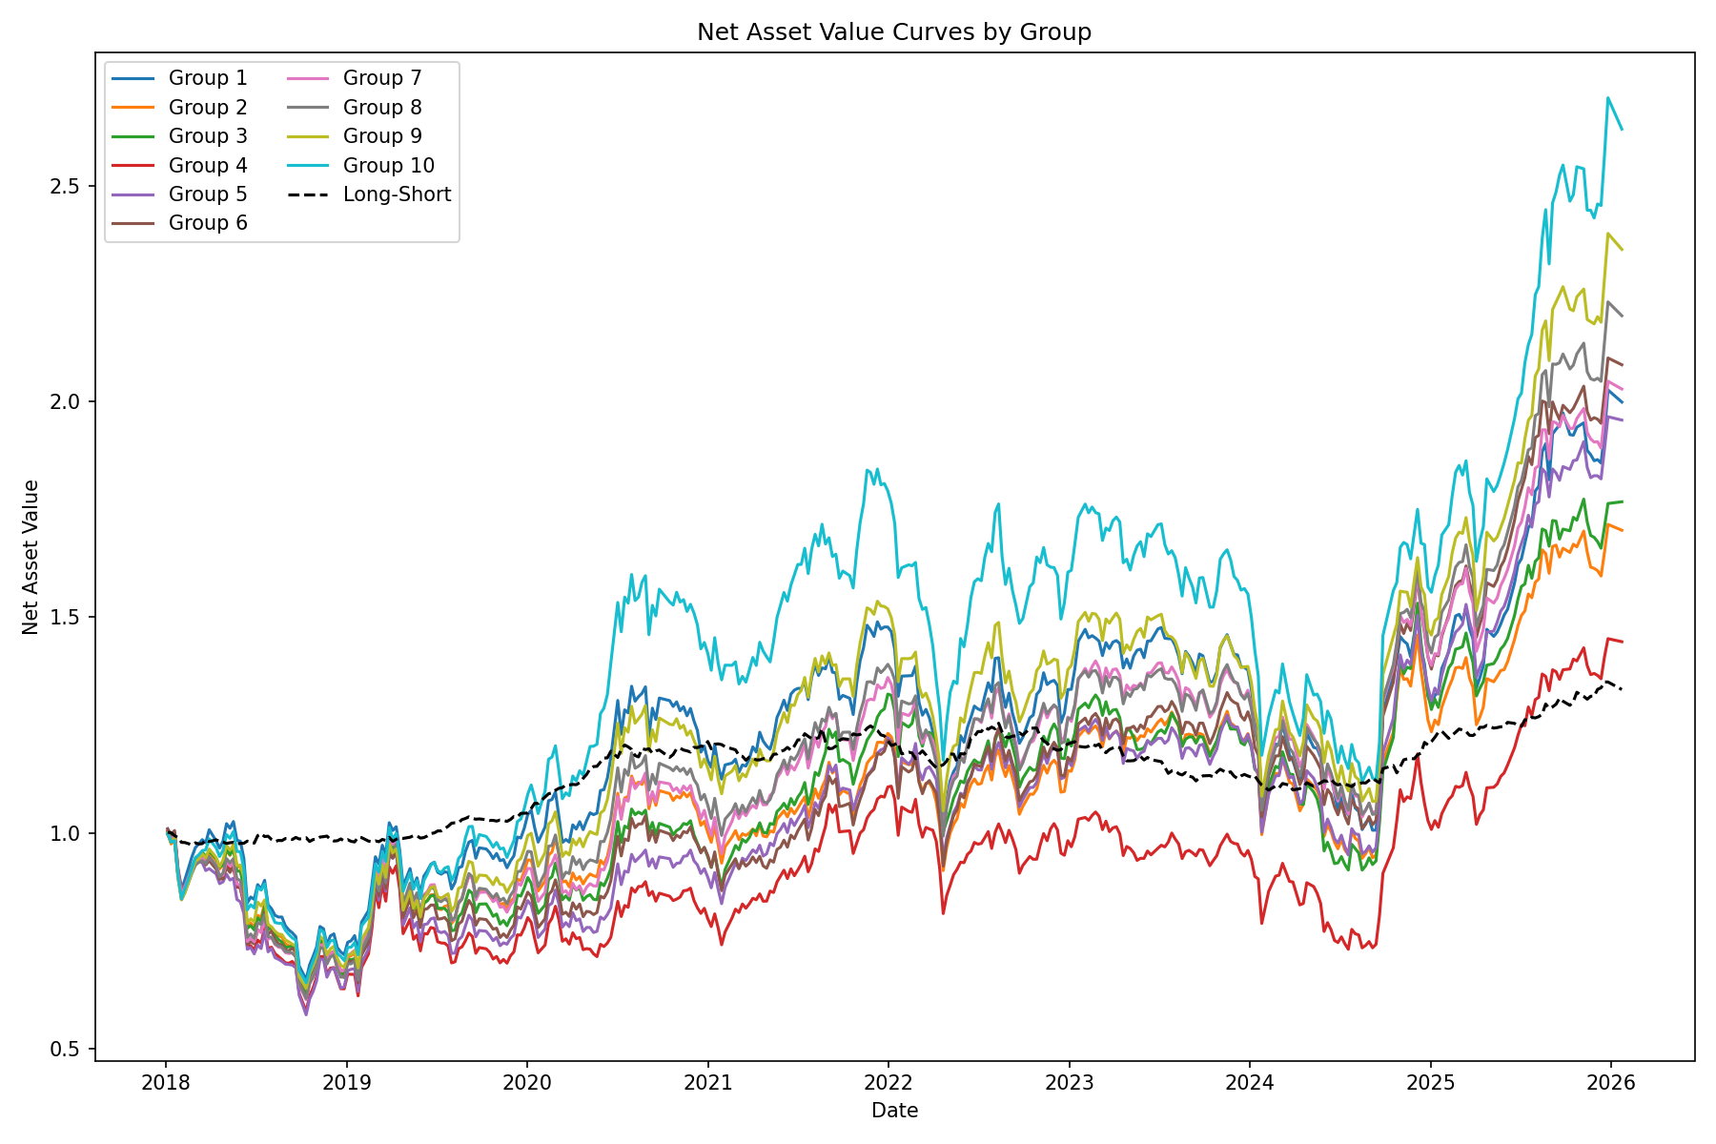
 | 1 | 2 | 3 | 4 | 5 | 6 | 7 | 8 | 9 | 10
Annualized Return | 0.043552940648 | 0.021101108624 | 0.026057536739 | -0.0017884065411 | 0.038940507438 | 0.047889537421 | 0.045615186608 | 0.057157814202 | 0.066230756676 | 0.082461235997
Annualized Volatility | 0.12618518297 | 0.12355496397 | 0.13030618097 | 0.13389709137 | 0.13050053282 | 0.12675538962 | 0.1243516041 | 0.12258018204 | 0.12811302534 | 0.13979316805
Sharpe Ratio | 0.3451509886 | 0.17078317168 | 0.19997160952 | -0.013356574984 | 0.29839347469 | 0.37781066008 | 0.3668242717 | 0.46628919334 | 0.51697129547 | 0.58988030063
Max Drawdown | -0.21230865871 | -0.22791830226 | -0.26147122245 | -0.35620708636 | -0.27286830708 | -0.24859890856 | -0.19532620521 | -0.18671099775 | -0.18654951856 | -0.24409744568

