factor_group_performance_excess
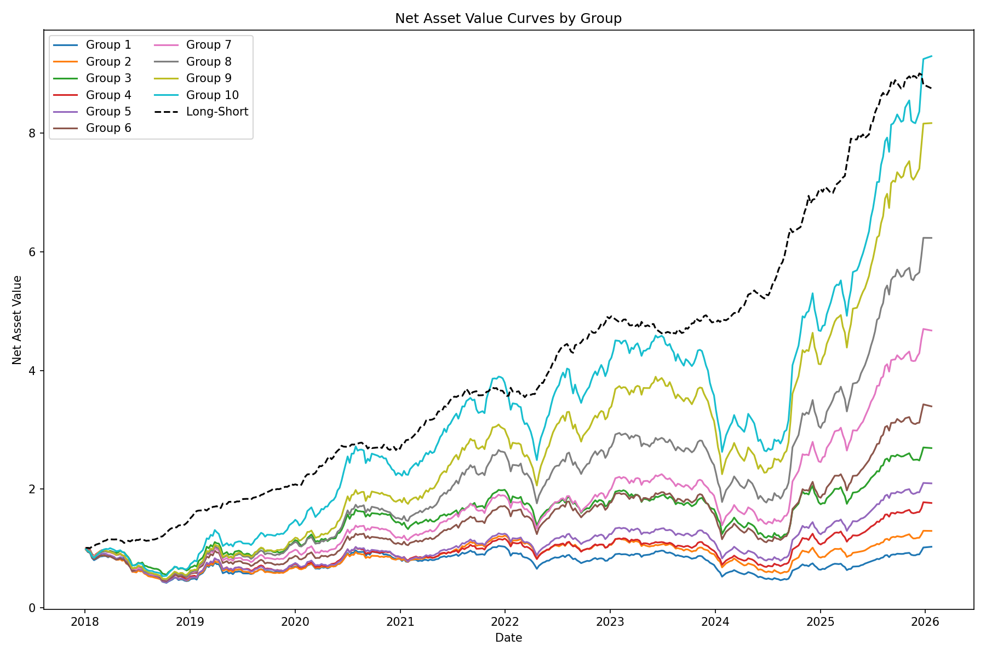
 | 1 | 2 | 3 | 4 | 5 | 6 | 7 | 8 | 9 | 10
Annualized Return | -0.05201969752 | -0.021997363327 | 0.074598196025 | 0.015036054381 | 0.041746360016 | 0.11104868471 | 0.15964777057 | 0.20364711 | 0.24925374858 | 0.27037209815
Annualized Volatility | 0.1528626767 | 0.14778580252 | 0.1449499398 | 0.14587914628 | 0.15162187519 | 0.15002673668 | 0.14780281385 | 0.15324083819 | 0.15490600154 | 0.16174328662
Sharpe Ratio | -0.34030345827 | -0.14884625554 | 0.51464799592 | 0.10307199326 | 0.27533203875 | 0.74019262946 | 1.0801402653 | 1.3289349785 | 1.6090645043 | 1.6716124904
Max Drawdown | -0.49087238111 | -0.38541345207 | -0.29036945002 | -0.36590269253 | -0.35553860291 | -0.35548993088 | -0.31339977162 | -0.31652173971 | -0.31240342201 | -0.32716598528

