TolStack

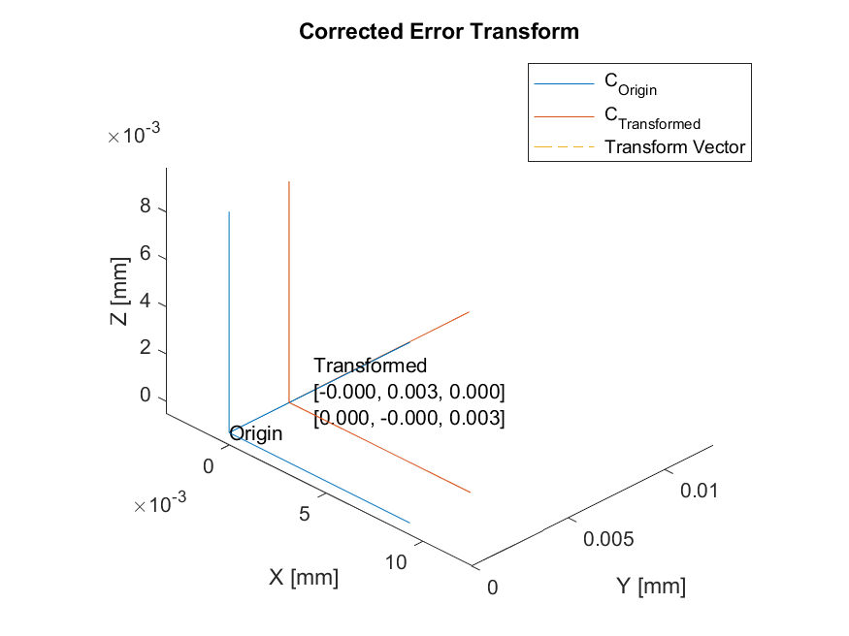
TolStack

Summary
Name | Value | Unit
Error Summary | 0 | um

Mechanical Tolerance Stack
NOMINAL VECTOR PATH
 |  | Position (mm) |  |  | Angle (rad)
Vector Name | Vector Tag | X | Y | Z | Tx | Ty | Tz | Notes
R1 | R | 1.000 | 0.000 | 0.000 | 0.000 | 0.000 | 0.000
R2 | R | 0.000 | 0.000 | 0.000 | 0.000 | 0.000 | 0.000
R3 | R | 0.000 | 0.000 | 0.000 | 0.000 | 0.000 | 0.000
RANDOM ERROR TERMS
R1e | Re | 0.00E+00 | 0.00E+00 | 0.00E+00 | 0.00E+00 | 0.00E+00 | 1.70E-02
R2e | Re | 0.00E+00 | 0.00E+00 | 0.00E+00 | 0.00E+00 | 0.00E+00 | 0.00E+00
R3e | Re | 0.00E+00 | 0.00E+00 | 0.00E+00 | 0.00E+00 | 0.00E+00 | 0.00E+00
COMPENSATOR
 |  | Position (mm) |  |  | Angle (rad)
Vector Name | Vector Tag | X | Y | Z | Tx | Ty | Tz | Notes
C1 | C | 0.00000 | 0.00000 | 0.00000 | 0.00000 | 0.00000 | 0.00100 | Corrector
C1v | Cv | 1.00000 | 0.00000 | 0.00000 | 0.00000 | 0.00000 | 0.00000 | Corrector Vector
MONTECARLO CONFIG
Vector Name | Vector Tag | Value | Unit
MC_Samples | N_SAMPLES | 1000 | Samples
Sigma | N_SIGMA | 3 | Standard Deviations
SIMULATION RESULTS
 |  | Position (um) |  |  | Angle (mdeg)
Vector Name | Vector Tag | X | Y | Z | Tx | Ty | Tz | Notes
Re_A_B | RESULT | 4.65E-06 | 3.02E-03 | 0.00E+00 | 0.00E+00 | 0.00E+00 | 3.02E-03

 |  | 0 | 0 | 0 | 0 | 0 | 0

 |  | 0 | 0 | 0 | 0 | 0 | 0

