Dashboard
Parabolic Motion Radar + Topography Parameter Model
Use Inputs!C27 to apply/remove topography from the main outputs and charts. Inputs!C47 changes the terrain seed. Long-pass scenario ranges use Europa spherical curvature instead of flat Cartesian range. Off-nadir means the side-looking target at Inputs!C6, while nadir means straight below the spacecraft.

Key Output Results
Output | Value | Unit | What it means
Topography toggle |  |  | Set Inputs!C27 to TRUE to include terrain, or FALSE to return to a flat surface. Change Inputs!C47 to test a new terrain case.
Flat apparent depth at mid-pass |  | m | Original flat-surface result.
Topo apparent depth at mid-pass |  | m | Apparent depth after terrain height changes the range geometry.
Depth change from topography |  | m | Topo apparent depth minus flat apparent depth.
Topo extra two-way delay |  | us | Two-way delay after topography is included.
Topo VHF interferometric phase |  | deg | VHF phase after topography changes the look geometry.
Max target terrain height |  | m | Highest modeled terrain at the side-offset target path.
Min target terrain height |  | m | Lowest modeled terrain at the side-offset target path.
Max absolute topo depth change |  | m | Largest magnitude of topography-driven apparent-depth change.
Max topo VHF Doppler magnitude |  | Hz | Largest VHF Doppler after topography is included.
Simple minimum PRF with topo |  | Hz | Twice max topo VHF Doppler, a simple no-alias floor.
Topo depth uncertainty band |  | m | Representative vertical uncertainty converted to apparent-depth uncertainty.

PRF Choices
PRF (Hz) | Pulse interval (ms) | Along-track spacing (m) | Unambiguous range (km) | Pulses in air at z0 | Status

How to read this model
The chain is: parabolic motion changes z(x); topography adds h(x,y); the radar then turns that real surface pattern into an apparent range/depth shift. The off-nadir target is the side-looking point at y = Inputs!C6; nadir is the straight-down reference. Flat means flat surface, not straight spacecraft motion.

Surface Height: Generated Topography Reference Floor, Target, and Nadir
 | Reference floor = generated topography | Off-nadir target terrain | Nadir terrain
-60 | 119.42638571 | 119.42638571 | 2.7642790377
-59.5 | 110.69606494 | 110.69606494 | 19.645117006
-59 | 112.99219425 | 112.99219425 | 7.9704483538
-58.5 | 134.38583106 | 134.38583106 | 21.747313567
-58 | 120.06952907 | 120.06952907 | 31.866913549
-57.5 | 138.90151425 | 138.90151425 | 34.586347488
-57 | 137.46604725 | 137.46604725 | 55.440883038
-56.5 | 141.45582449 | 141.45582449 | 57.325647279
-56 | 167.11523893 | 167.11523893 | 61.559568352
-55.5 | 160.57943103 | 160.57943103 | 38.496582166
-55 | 176.10976359 | 176.10976359 | 46.511955932
-54.5 | 194.40953581 | 194.40953581 | 49.774693415
-54 | 196.39629746 | 196.39629746 | 37.915684067
-53.5 | 215.04504497 | 215.04504497 | 49.305692334
-53 | 220.27863668 | 220.27863668 | 54.961826683
-52.5 | 228.48571187 | 228.48571187 | 41.913539427
-52 | 241.24392328 | 241.24392328 | 44.009244047
-51.5 | 261.39614734 | 261.39614734 | 32.491619283
-51 | 251.96732828 | 251.96732828 | 39.108816587
-50.5 | 249.72786813 | 249.72786813 | 47.995831702
-50 | 273.71504099 | 273.71504099 | 29.034419664
-49.5 | 258.91748426 | 258.91748426 | 51.904617288
-49 | 268.79279662 | 268.79279662 | 39.643003044
-48.5 | 265.4824607 | 265.4824607 | 40.329360187
-48 | 253.63702275 | 253.63702275 | 55.677054006
-47.5 | 262.75484349 | 262.75484349 | 53.974959186
-47 | 253.9148102 | 253.9148102 | 61.213442748
-46.5 | 253.74823832 | 253.74823832 | 57.529820703
-46 | 237.40469511 | 237.40469511 | 49.539620653
-45.5 | 230.03534201 | 230.03534201 | 36.882918508
-45 | 208.82202725 | 208.82202725 | 46.599178354
-44.5 | 201.6642296 | 201.6642296 | 27.915318215
-44 | 200.11672258 | 200.11672258 | 18.82539201
-43.5 | 210.84839534 | 210.84839534 | 22.554807397
-43 | 180.55818419 | 180.55818419 | 3.6947906388
-42.5 | 181.72917552 | 181.72917552 | 9.4775494943
-42 | 170.628173 | 170.628173 | -8.691303526
-41.5 | 171.38557914 | 171.38557914 | -15.792555415
-41 | 176.66624193 | 176.66624193 | -17.886266997
-40.5 | 191.24651789 | 191.24651789 | -15.042977474
-40 | 197.66557298 | 197.66557298 | -31.231711064
-39.5 | 200.98178735 | 200.98178735 | -33.241151326
-39 | 184.54420924 | 184.54420924 | -32.020201365
-38.5 | 211.63430993 | 211.63430993 | -34.295384148
-38 | 202.93658015 | 202.93658015 | -21.157379062
-37.5 | 239.18714853 | 239.18714853 | -18.693411674
-37 | 236.18872036 | 236.18872036 | -25.837662785
-36.5 | 264.8535609 | 264.8535609 | -21.548035323
-36 | 273.24610443 | 273.24610443 | -2.2866622064
-35.5 | 284.95250449 | 284.95250449 | -0.63397186115
...
Apparent Depth: Spacecraft Motion Distortion by Run
 | Custom 400 km / 120 km pass | Paper low-altitude 35 km / 800 km pass | Paper ice-ocean 35 km / 1600 km pass | Operating 25 km / 1600 km pass
-1 | -28.606835752 | -95550.696825 | -192178.91313 | -196175.94007
-0.992 | -27.78286315 | -94429.872931 | -190472.55315 | -194464.73837
-0.983 | -26.877434485 | -93169.450021 | -188542.34891 | -192528.75894
-0.975 | -26.091469511 | -92049.599695 | -186817.33873 | -190798.31818
-0.967 | -25.322987392 | -90930.318556 | -185083.70199 | -189058.96621
-0.958 | -24.479023815 | -89671.898521 | -183123.17398 | -187091.66216
-0.95 | -23.74684466 | -88554.070884 | -181371.542 | -185333.69359
-0.942 | -23.03135332 | -87437.045115 | -179611.60664 | -183567.12131
-0.933 | -22.246059826 | -86181.446083 | -177621.89133 | -181569.57405
-0.925 | -21.565197447 | -85066.38325 | -175844.68077 | -179785.0711
-0.917 | -20.900242487 | -83952.369247 | -174059.5219 | -177992.30309
-0.908 | -20.170875551 | -82700.459556 | -172041.86804 | -175965.70357
-0.9 | -19.538907124 | -81588.949134 | -170240.22472 | -174155.75991
-0.892 | -18.922080789 | -80478.749607 | -168431.02288 | -172337.92378
-0.883 | -18.245949871 | -79231.450693 | -166386.80123 | -170283.58231
-0.875 | -17.660500114 | -78124.328383 | -164561.9826 | -168449.40083
-0.867 | -17.089442617 | -77018.79499 | -162730.03299 | -166607.73645
-0.858 | -16.46391164 | -75777.084391 | -160660.74702 | -164527.09337
-0.85 | -15.922654129 | -74675.236694 | -158814.13192 | -162669.99601
-0.842 | -15.395054952 | -73575.272777 | -156960.85443 | -160805.86563
-0.833 | -14.817543762 | -72340.187247 | -154868.152 | -158700.50307
-0.825 | -14.31820222 | -71244.554263 | -153001.25134 | -156821.94152
-0.817 | -13.831801402 | -70151.117679 | -151128.20153 | -154936.84079
-0.808 | -13.299787209 | -68923.756405 | -149013.88756 | -152808.49544
-0.8 | -12.840136777 | -67835.334719 | -147128.3559 | -150910.0629
-0.792 | -12.39272618 | -66749.440755 | -145237.23692 | -149005.63295
-0.783 | -11.903744967 | -65530.968666 | -143103.28717 | -146856.21001
-0.775 | -11.481613456 | -64450.814322 | -141200.93534 | -144939.65394
-0.767 | -11.071038002 | -63373.538684 | -139293.61086 | -143017.69446
-0.758 | -10.622685923 | -62165.189847 | -137142.18691 | -140849.28287
-0.75 | -10.235955038 | -61094.421381 | -135224.99566 | -138916.5189
-0.742 | -9.8601139367 | -60026.903256 | -133303.50388 | -136979.00245
-0.733 | -9.4500486732 | -58829.984334 | -131136.96928 | -134793.89137
-0.725 | -9.0966552195 | -57769.785871 | -129207.10407 | -132847.01834
-0.717 | -8.753503157 | -56713.231034 | -127273.67283 | -130896.1058
-0.708 | -8.379445259 | -55529.124801 | -125094.61059 | -128696.80249
-0.7 | -8.0573823215 | -54480.749191 | -123154.43747 | -126738.11882
-0.692 | -7.7449306374 | -53436.433148 | -121211.50058 | -124776.17613
-0.683 | -7.4046648244 | -52266.602037 | -119022.73194 | -122565.42526
-0.675 | -7.1119829201 | -51231.374011 | -117074.83466 | -120597.44652
-0.667 | -6.8283007485 | -50200.645163 | -115125.04934 | -118627.06266
-0.658 | -6.5196771902 | -49046.634822 | -112929.65388 | -116407.86708
-0.65 | -6.2544853914 | -48025.954153 | -110976.85217 | -114433.34492
-0.642 | -5.997700777 | -47010.236953 | -109023.11773 | -112457.35129
-0.633 | -5.7186363391 | -45873.679789 | -106824.45481 | -110232.99428
-0.625 | -5.4791033728 | -44869.024436 | -104869.82387 | -108254.93665
-0.617 | -5.2474043572 | -43869.82252 | -102915.30157 | -106276.42771
-0.608 | -4.9958838131 | -42752.441206 | -100717.03312 | -104050.49673
-0.6 | -4.7802391272 | -41765.37041 | -98763.92424 | -102072.18941
-0.592 | -4.57187481 | -40784.269673 | -96812.058229 | -100094.54459
...

Terrain Baseline: Total Radar Elevation Error
 | Total radar elevation error - custom parabolic
-60 | -5.1598139148
-59.5 | -21.83533179
-59 | -10.175549095
-58.5 | -24.333979147
-58 | -34.145943096
-57.5 | -37.186207564
-57 | -57.977783397
-56.5 | -59.89935708
-56 | -64.557130403
-55.5 | -41.335684768
-55 | -49.580950405
-54.5 | -53.113671796
-54 | -41.239631827
-53.5 | -52.89202961
-53 | -58.581245405
-52.5 | -45.612087128
-52 | -47.856017966
-51.5 | -36.597181996
-51 | -43.006232562
-50.5 | -51.799677957
-50 | -33.139884464
-49.5 | -55.72800261
-49 | -43.550598188
-48.5 | -44.128409692
-48 | -59.249334875
-47.5 | -57.617087521
-47 | -64.676824833
-46.5 | -60.935373694
-46 | -52.674234165
-45.5 | -39.870802799
-45 | -49.267020375
-44.5 | -30.449261481
-44 | -21.298233057
-43.5 | -25.116904375
-43 | -5.8518684065
-42.5 | -11.611992984
-42 | 6.7213152433
-41.5 | 13.84761035
-41 | 15.915812815
-40.5 | 12.946690285
-40 | 29.102694376
-39.5 | 31.114249648
-39 | 30.101673251
-38.5 | 32.133994707
-38 | 19.121723348
-37.5 | 16.336825652
-37 | 23.552479751
-36.5 | 19.031661239
-36 | -0.26232181931
-35.5 | -1.975732874
...
Doppler: Flat Geometry vs Topography
 | Flat VHF Doppler (Hz) | Topo VHF Doppler (Hz) | Flat HF Doppler (Hz) | Topo HF Doppler (Hz)
-60 | 502.89823361 | 475.61823145 | 75.510245286 | 71.414148866
-59.5 | 500.86301292 | 490.87300121 | 75.204656595 | 73.704654836
-59 | 496.79091043 | 534.06021494 | 74.593229794 | 80.189221463
-58.5 | 492.71549658 | 503.9209462 | 73.981305793 | 75.663805736
-58 | 488.63679324 | 495.84077516 | 73.368887874 | 74.450566841
-57.5 | 484.5548224 | 511.9766582 | 72.75597934 | 76.873372102
-57 | 480.46960621 | 484.59834303 | 72.142583515 | 72.762513969
-56.5 | 476.38116696 | 523.08281494 | 71.528703747 | 78.540963204
-56 | 472.28952706 | 502.46266904 | 70.914343402 | 75.444845201
-55.5 | 468.19470908 | 482.47165666 | 70.299505868 | 72.443191691
-55 | 464.09673574 | 517.42510213 | 69.684194555 | 77.691456776
-54.5 | 459.99562987 | 492.04615879 | 69.068412894 | 73.880804624
-54 | 455.89141447 | 488.51245491 | 68.452164335 | 73.350218454
-53.5 | 451.78411266 | 489.52310187 | 67.835452351 | 73.501967248
-53 | 447.67374769 | 468.99927804 | 67.218280434 | 70.420312018
-52.5 | 443.56034297 | 476.74103322 | 66.600652098 | 71.58273772
-52 | 439.44392202 | 491.44939475 | 65.982570873 | 73.791200413
-51.5 | 435.32450851 | 452.40092921 | 65.364040317 | 67.928067449
-51 | 431.20212625 | 413.01562584 | 64.745064001 | 62.014358235
-50.5 | 427.07679916 | 461.54026139 | 64.12564552 | 69.300339548
-50 | 422.94855132 | 437.62067462 | 63.505788487 | 65.708810003
-49.5 | 418.81740692 | 411.25840738 | 62.885496535 | 61.750511619
-49 | 414.6833903 | 425.22628991 | 62.264773318 | 63.847791278
-48.5 | 410.54652591 | 386.83379056 | 61.643622509 | 58.083151736
-48 | 406.40683834 | 402.29372468 | 61.022047799 | 60.404463165
-47.5 | 402.26435232 | 402.88305029 | 60.400052901 | 60.492950494
-47 | 398.11909269 | 384.08704498 | 59.777641545 | 57.670727474
-46.5 | 393.97108441 | 368.08092999 | 59.154817479 | 55.267406905
-46 | 389.82035258 | 352.5479884 | 58.531584472 | 52.935133394
-45.5 | 385.66692244 | 340.68148825 | 57.907946312 | 51.153376615
-45 | 381.51081932 | 336.84334511 | 57.283906805 | 50.577078845
-44.5 | 377.35206869 | 363.73558277 | 56.659469773 | 54.614952369
-44 | 373.19069615 | 387.84031539 | 56.034639061 | 58.23428159
-43.5 | 369.0267274 | 338.23828722 | 55.409418528 | 50.786529613
-43 | 364.86018828 | 318.95368214 | 54.783812054 | 47.890943265
-42.5 | 360.69110474 | 345.10243 | 54.157823535 | 51.817181682
-42 | 356.51950285 | 340.27294613 | 53.531456885 | 51.092033953
-41.5 | 352.3454088 | 362.00557365 | 52.904716036 | 54.355191238
-41 | 348.16884888 | 379.70420348 | 52.277604937 | 57.012643166
-40.5 | 343.98984952 | 377.33507919 | 51.650127556 | 56.656918797
-40 | 339.80843725 | 355.33588521 | 51.022287875 | 53.353736518
-39.5 | 335.62463871 | 314.96723846 | 50.394089896 | 47.292378146
-39 | 331.43848066 | 348.42733635 | 49.765537637 | 52.31641687
-38.5 | 327.24998996 | 356.49037926 | 49.136635129 | 53.527083972
-38 | 323.0591936 | 366.83142083 | 48.507386426 | 55.079792918
-37.5 | 318.86611865 | 371.67029927 | 47.877795593 | 55.806351241
-37 | 314.67079231 | 355.48139121 | 47.247866714 | 53.375584265
-36.5 | 310.47324189 | 369.34297482 | 46.617603887 | 55.456903127
-36 | 306.27349477 | 338.28247547 | 45.987011227 | 50.793164485
-35.5 | 302.07157848 | 314.05984233 | 45.356092865 | 47.156132482
...

Nadir Radar Delay by Flyby: Without Topography
 | Custom 400 km / 120 km pass |  | Paper low-altitude 35 km / 800 km pass |  | Paper ice-ocean 35 km / 1600 km pass |  | Operating 25 km / 1600 km pass
-60 | 2695.1978892 | -400 | 2668.5127616 | -800 | 6671.281904 | -800 | 6671.281904
-59.52 | 2694.772635 | -396.8 | 2629.7083164 | -793.6 | 6568.6893297 | -793.6 | 6567.6261943
-58.98 | 2694.2983069 | -393.2 | 2586.4258733 | -786.4 | 6454.2576651 | -786.4 | 6452.0087093
-58.5 | 2693.880311 | -390 | 2548.283753 | -780 | 6353.416169 | -780 | 6350.1222236
-58.02 | 2693.4657309 | -386.8 | 2510.453315 | -773.6 | 6253.3987096 | -773.6 | 6249.0683138
-57.48 | 2693.003411 | -383.2 | 2468.26663 | -766.4 | 6141.8640492 | -766.4 | 6136.3778538
-57 | 2692.5960893 | -380 | 2431.0985168 | -760 | 6043.5976678 | -760 | 6037.093168
-56.52 | 2692.1921832 | -376.8 | 2394.242086 | -753.6 | 5946.1553232 | -753.6 | 5938.6410581
-55.98 | 2691.7418716 | -373.2 | 2353.151159 | -746.4 | 5837.517667 | -746.4 | 5828.8776231
-55.5 | 2691.3452239 | -370 | 2316.957053 | -740 | 5741.8264004 | -740 | 5732.1947372
-55.02 | 2690.9519919 | -366.8 | 2281.0746293 | -733.6 | 5646.9591707 | -733.6 | 5636.3444273
-54.48 | 2690.5136886 | -363.2 | 2241.0794604 | -726.4 | 5541.2185186 | -726.4 | 5529.5080172
-54 | 2690.127715 | -360 | 2205.8593615 | -720 | 5448.1023669 | -720 | 5435.4269313
-53.52 | 2689.745157 | -356.8 | 2170.950945 | -713.6 | 5355.8102519 | -713.6 | 5342.1784213
-52.98 | 2689.3188621 | -353.2 | 2132.0515341 | -706.4 | 5252.966604 | -706.4 | 5238.2690361
-52.5 | 2688.9435624 | -350 | 2097.8054425 | -700 | 5162.4255671 | -700 | 5146.7897501
-52.02 | 2688.5716785 | -346.8 | 2063.8710331 | -693.6 | 5072.7085669 | -693.6 | 5056.1430401
-51.48 | 2688.1573919 | -343.2 | 2026.0673803 | -686.4 | 4972.7619232 | -686.4 | 4955.1606799
-51 | 2687.7927663 | -340 | 1992.7952957 | -680 | 4884.7960011 | -680 | 4866.2831938
-50.52 | 2687.4315564 | -336.8 | 1959.8348935 | -673.6 | 4797.6541158 | -673.6 | 4778.2382838
-49.98 | 2687.0292781 | -333.2 | 1923.1269987 | -666.4 | 4700.6044762 | -666.4 | 4680.1829484
-49.5 | 2686.6753266 | -330 | 1890.8289214 | -660 | 4615.2136689 | -660 | 4593.9072623
-49.02 | 2686.3247907 | -326.8 | 1858.8425263 | -653.6 | 4530.6468984 | -653.6 | 4508.4641522
-48.48 | 2685.9345207 | -323.2 | 1823.2303896 | -646.4 | 4436.494263 | -646.4 | 4413.3358418
-48 | 2685.5912433 | -320 | 1791.9063194 | -640 | 4353.6785705 | -640 | 4329.6619557
-47.52 | 2685.2513815 | -316.8 | 1760.8939315 | -633.6 | 4271.6869148 | -633.6 | 4246.8206455
-46.98 | 2684.8731198 | -313.2 | 1726.3775528 | -626.4 | 4180.4312836 | -626.4 | 4154.61936
-46.5 | 2684.5405164 | -310 | 1696.0274898 | -620 | 4100.1907059 | -620 | 4073.5472738
-46.02 | 2684.2113286 | -306.8 | 1665.989109 | -613.6 | 4020.774165 | -613.6 | 3993.3077636
-45.48 | 2683.8450752 | -303.2 | 1632.5684884 | -606.4 | 3932.415538 | -606.4 | 3904.0335031
-45 | 2683.5231459 | -300 | 1603.1924325 | -600 | 3854.7500751 | -600 | 3825.5632168
-44.52 | 2683.2046322 | -296.8 | 1574.128059 | -593.6 | 3777.9086491 | -593.6 | 3747.9255065
-43.98 | 2682.8503871 | -293.2 | 1541.8031964 | -586.4 | 3692.4470261 | -586.4 | 3661.5782709
-43.5 | 2682.5391318 | -290 | 1513.4011477 | -580 | 3617.3566781 | -580 | 3585.7097846
-43.02 | 2682.2312922 | -286.8 | 1485.3107812 | -573.6 | 3543.0903669 | -573.6 | 3510.6738743
-42.48 | 2681.8890554 | -283.2 | 1454.0816767 | -566.4 | 3460.5257481 | -566.4 | 3427.2536636
-42 | 2681.5884741 | -280 | 1426.6536352 | -560 | 3388.0105149 | -560 | 3353.9869772
-41.52 | 2681.2913085 | -276.8 | 1399.5372759 | -553.6 | 3316.3193185 | -553.6 | 3281.5528668
-40.98 | 2680.9610801 | -273.2 | 1369.4039294 | -546.4 | 3236.6517039 | -546.4 | 3201.0596811
-40.5 | 2680.6711729 | -270 | 1342.949895 | -540 | 3166.7115855 | -540 | 3130.3947947
-40.02 | 2680.3846813 | -266.8 | 1316.8075429 | -533.6 | 3097.5955039 | -533.6 | 3060.5624842
-39.48 | 2680.0664612 | -263.2 | 1287.7699545 | -526.4 | 3020.8248935 | -526.4 | 2982.9963234
-39 | 2679.787228 | -260 | 1262.2899273 | -520 | 2953.4598899 | -520 | 2914.9332369
-38.52 | 2679.5114105 | -256.8 | 1237.1215823 | -513.6 | 2886.9189231 | -513.6 | 2847.7027264
-37.98 | 2679.2051987 | -253.2 | 1209.1797519 | -506.4 | 2813.0453168 | -506.4 | 2773.0635905
-37.5 | 2678.9366396 | -250 | 1184.6737319 | -500 | 2748.2554281 | -500 | 2707.602304
-37.02 | 2678.6714961 | -246.8 | 1160.479394 | -493.6 | 2684.2895761 | -493.6 | 2642.9735934
-36.48 | 2678.3772926 | -243.2 | 1133.6333218 | -486.4 | 2613.312974 | -486.4 | 2571.2614825
-36 | 2678.1194075 | -240 | 1110.1013088 | -480 | 2551.0982001 | -480 | 2508.4019959
-35.52 | 2677.8649381 | -236.8 | 1086.8809782 | -473.6 | 2489.7074629 | -473.6 | 2446.3750853
...
Nadir Radar Delay by Flyby: With Generated Topography
 | Custom 400 km / 120 km pass |  | Paper low-altitude 35 km / 800 km pass |  | Paper ice-ocean 35 km / 1600 km pass |  | Operating 25 km / 1600 km pass
-60 | 2695.1794479 | -400 | 2668.4281454 | -800 | 6671.247984 | -800 | 6671.247984
-59.52 | 2694.6495042 | -396.8 | 2629.6394627 | -793.6 | 6568.6985479 | -793.6 | 6567.6354124
-58.98 | 2694.1888252 | -393.2 | 2585.9914136 | -786.4 | 6453.9451764 | -786.4 | 6451.6962206
-58.5 | 2693.7352286 | -390 | 2547.833397 | -780 | 6353.4611547 | -780 | 6350.1672092
-58.02 | 2693.21533 | -386.8 | 2510.4039492 | -773.6 | 6253.0707672 | -773.6 | 6248.7403714
-57.48 | 2692.8270451 | -383.2 | 2468.4164144 | -766.4 | 6141.3739806 | -766.4 | 6135.8877852
-57 | 2692.2262275 | -380 | 2431.3222102 | -760 | 6043.3407753 | -760 | 6036.8362754
-56.52 | 2691.9513345 | -376.8 | 2394.3649512 | -753.6 | 5945.6334486 | -753.6 | 5938.1191835
-55.98 | 2691.3317881 | -373.2 | 2353.0603134 | -746.4 | 5837.1856329 | -746.4 | 5828.545589
-55.5 | 2691.0884023 | -370 | 2316.8740712 | -740 | 5741.7295363 | -740 | 5732.097873
-55.02 | 2690.6954475 | -366.8 | 2281.4213902 | -733.6 | 5646.7277866 | -733.6 | 5636.1130433
-54.48 | 2690.13208 | -363.2 | 2241.5050146 | -726.4 | 5541.4542258 | -726.4 | 5529.7437244
-54 | 2689.8747687 | -360 | 2205.9282374 | -720 | 5448.2441741 | -720 | 5435.5687385
-53.52 | 2689.409733 | -356.8 | 2170.5785179 | -713.6 | 5355.7535641 | -713.6 | 5342.1217335
-52.98 | 2688.9805157 | -353.2 | 2131.7740125 | -706.4 | 5253.1451203 | -706.4 | 5238.4475525
-52.5 | 2688.6639454 | -350 | 2097.9403231 | -700 | 5162.2617444 | -700 | 5146.6259275
-52.02 | 2688.3599201 | -346.8 | 2064.0528275 | -693.6 | 5072.4876261 | -693.6 | 5055.9220993
-51.48 | 2687.8899442 | -343.2 | 2025.8824538 | -686.4 | 4972.649484 | -686.4 | 4955.0482407
-51 | 2687.5318603 | -340 | 1992.3821271 | -680 | 4884.2685576 | -680 | 4865.7557504
-50.52 | 2687.2430685 | -336.8 | 1959.4786631 | -673.6 | 4797.5202527 | -673.6 | 4778.1044207
-49.98 | 2686.8370817 | -333.2 | 1922.8302464 | -666.4 | 4700.3891661 | -666.4 | 4679.9676384
-49.5 | 2686.3290562 | -330 | 1890.6642419 | -660 | 4614.8462997 | -660 | 4593.5398931
-49.02 | 2685.975086 | -326.8 | 1858.6153385 | -653.6 | 4530.5093392 | -653.6 | 4508.3265931
-48.48 | 2685.6117028 | -323.2 | 1822.7245436 | -646.4 | 4436.0864162 | -646.4 | 4412.927995
-48 | 2685.2198059 | -320 | 1791.3103173 | -640 | 4353.36188 | -640 | 4329.3452652
-47.52 | 2684.9493444 | -316.8 | 1760.4310674 | -633.6 | 4271.5992313 | -633.6 | 4246.732962
-46.98 | 2684.6217262 | -313.2 | 1726.2341157 | -626.4 | 4179.9352678 | -626.4 | 4154.1233443
-46.5 | 2684.1567187 | -310 | 1695.8586735 | -620 | 4099.9658978 | -620 | 4073.3224657
-46.02 | 2683.8451367 | -306.8 | 1665.8212925 | -613.6 | 4020.64285 | -613.6 | 3993.1764486
-45.48 | 2683.5136177 | -303.2 | 1632.3767995 | -606.4 | 3932.1224212 | -606.4 | 3903.7403864
-45 | 2683.2122696 | -300 | 1602.8094295 | -600 | 3854.8328075 | -600 | 3825.6459492
-44.52 | 2682.9899654 | -296.8 | 1573.759992 | -593.6 | 3777.7390063 | -593.6 | 3747.7558637
-43.98 | 2682.6790088 | -293.2 | 1541.9632013 | -586.4 | 3692.4898473 | -586.4 | 3661.6210921
-43.5 | 2682.3886623 | -290 | 1513.6531035 | -580 | 3617.6794808 | -580 | 3586.0325872
-43.02 | 2682.2032021 | -286.8 | 1485.096743 | -573.6 | 3542.961556 | -573.6 | 3510.5450634
-42.48 | 2681.7900213 | -283.2 | 1453.6204263 | -566.4 | 3460.5582528 | -566.4 | 3427.2861683
-42 | 2681.6464563 | -280 | 1426.4451758 | -560 | 3387.9425003 | -560 | 3353.9189626
-41.52 | 2681.4018439 | -276.8 | 1399.6223179 | -553.6 | 3315.7545835 | -553.6 | 3280.9881318
-40.98 | 2681.0046272 | -273.2 | 1369.5346309 | -546.4 | 3236.4613822 | -546.4 | 3200.8693594
-40.5 | 2680.7715288 | -270 | 1342.8567868 | -540 | 3166.2594006 | -540 | 3129.9426097
-40.02 | 2680.6232577 | -266.8 | 1316.3812634 | -533.6 | 3096.9092919 | -533.6 | 3059.8762722
-39.48 | 2680.3194831 | -263.2 | 1287.3992464 | -526.4 | 3020.772322 | -526.4 | 2982.9437519
-39 | 2680.0008438 | -260 | 1262.1922492 | -520 | 2953.0454001 | -520 | 2914.5187471
-38.52 | 2679.7722655 | -256.8 | 1237.2988669 | -513.6 | 2886.8093183 | -513.6 | 2847.5931216
-37.98 | 2679.4800447 | -253.2 | 1209.2757717 | -506.4 | 2813.2125752 | -506.4 | 2773.2308489
-37.5 | 2679.0613486 | -250 | 1184.3076783 | -500 | 2747.9784006 | -500 | 2707.3252765
-37.02 | 2678.8524717 | -246.8 | 1160.1745173 | -493.6 | 2684.5299484 | -493.6 | 2643.2139657
-36.48 | 2678.5467573 | -243.2 | 1133.8318204 | -486.4 | 2613.1887829 | -486.4 | 2571.1372914
-36 | 2678.1346625 | -240 | 1110.4114575 | -480 | 2550.8882906 | -480 | 2508.1920865
-35.52 | 2677.8312039 | -236.8 | 1086.8427304 | -473.6 | 2489.7392629 | -473.6 | 2446.4068853
...

Off-Nadir Radar Delay by Flyby: Without Topography
 | Custom 400 km / 120 km pass |  | Paper low-altitude 35 km / 800 km pass |  | Paper ice-ocean 35 km / 1600 km pass |  | Operating 25 km / 1600 km pass
-60 | 2738.7528798 | -400 | 4006.5669905 | -800 | 9500.9899233 | -800 | 9500.9899233
-59.52 | 2737.7462241 | -396.8 | 3959.7846664 | -793.6 | 9376.9488061 | -793.6 | 9376.0545935
-58.98 | 2736.6230846 | -393.2 | 3907.5201436 | -786.4 | 9238.4874028 | -786.4 | 9236.6010043
-58.5 | 2735.6330547 | -390 | 3861.386917 | -780 | 9116.3739008 | -780 | 9113.617882
-58.02 | 2734.6508581 | -386.8 | 3815.5579419 | -773.6 | 8995.1660445 | -773.6 | 8991.5520543
-57.48 | 2733.5552578 | -383.2 | 3764.3630333 | -766.4 | 8859.8885064 | -766.4 | 8855.3232842
-57 | 2732.5897272 | -380 | 3719.1779432 | -760 | 8740.6018276 | -760 | 8735.2035534
-56.52 | 2731.6320487 | -376.8 | 3674.2945787 | -753.6 | 8622.2175924 | -753.6 | 8615.9980721
-55.98 | 2730.5640536 | -373.2 | 3624.1604035 | -746.4 | 8490.1126572 | -746.4 | 8482.9834109
-55.5 | 2729.6230806 | -370 | 3579.9153975 | -740 | 8373.6424099 | -740 | 8365.717177
-55.02 | 2728.6899781 | -366.8 | 3535.9694399 | -733.6 | 8258.0710352 | -733.6 | 8249.3617846
-54.48 | 2727.6496528 | -363.2 | 3486.8865853 | -726.4 | 8129.1261443 | -726.4 | 8119.549247
-54 | 2726.7332944 | -360 | 3443.5731305 | -720 | 8015.4607514 | -720 | 8005.1254485
-53.52 | 2725.8248245 | -356.8 | 3400.5558884 | -713.6 | 7902.6902596 | -713.6 | 7891.6086887
-52.98 | 2724.8122322 | -353.2 | 3352.5143842 | -706.4 | 7776.8914463 | -706.4 | 7764.9849009
-52.5 | 2723.9205443 | -350 | 3310.1234447 | -700 | 7666.0180433 | -700 | 7653.3912061
-52.02 | 2723.0367624 | -346.8 | 3268.0257166 | -693.6 | 7556.0351349 | -693.6 | 7542.7003173
-51.48 | 2722.051965 | -343.2 | 3221.0150101 | -686.4 | 7433.3669029 | -686.4 | 7419.2503937
-51 | 2721.185002 | -340 | 3179.5370248 | -680 | 7325.2712268 | -680 | 7310.4730874
-50.52 | 2720.3259623 | -336.8 | 3138.3490767 | -673.6 | 7218.0611665 | -673.6 | 7202.5938862
-49.98 | 2719.3690202 | -333.2 | 3092.3580081 | -666.4 | 7098.5063577 | -666.4 | 7082.3012948
-49.5 | 2718.5268354 | -330 | 3051.7828689 | -660 | 6993.1726266 | -660 | 6976.325155
-49.02 | 2717.6925906 | -326.8 | 3011.4944134 | -653.6 | 6888.7191193 | -653.6 | 6871.2419097
-48.48 | 2716.7635627 | -323.2 | 2966.5111922 | -646.4 | 6772.2587714 | -646.4 | 6754.0883248
-48 | 2715.9462081 | -320 | 2926.8282235 | -640 | 6669.6695539 | -640 | 6650.8964889
-47.52 | 2715.1368098 | -316.8 | 2887.4283994 | -633.6 | 6567.9546108 | -633.6 | 6548.5917811
-46.98 | 2714.2357536 | -313.2 | 2843.4405827 | -626.4 | 6454.5678023 | -626.4 | 6434.5569245
-46.5 | 2713.4432797 | -310 | 2804.6385227 | -620 | 6354.7038763 | -620 | 6334.1307427
-46.02 | 2712.6587781 | -306.8 | 2766.1158769 | -613.6 | 6255.7076712 | -613.6 | 6234.5853185
-45.48 | 2711.7857495 | -303.2 | 2723.1103493 | -606.4 | 6145.3713548 | -606.4 | 6123.646786
-45 | 2711.0182057 | -300 | 2685.1773334 | -600 | 6048.211556 | -600 | 6025.9656642
-44.52 | 2710.2586496 | -296.8 | 2647.5198055 | -593.6 | 5951.912269 | -593.6 | 5929.1582715
-43.98 | 2709.4137031 | -293.2 | 2605.4827635 | -586.4 | 5844.6010931 | -586.4 | 5821.2913464
-43.5 | 2708.6711372 | -290 | 2568.4063111 | -580 | 5750.1221522 | -580 | 5726.3325751
-43.02 | 2707.9365741 | -286.8 | 2531.6012213 | -573.6 | 5656.4958043 | -573.6 | 5632.2397896
-42.48 | 2707.1197625 | -283.2 | 2490.5181609 | -566.4 | 5552.1819212 | -566.4 | 5527.4172411
-42 | 2706.402221 | -280 | 2454.2851668 | -560 | 5460.3582903 | -560 | 5435.1558125
-41.52 | 2705.6926971 | -276.8 | 2418.3192089 | -553.6 | 5369.3785657 | -553.6 | 5343.7518502
-40.98 | 2704.9040716 | -273.2 | 2378.1749207 | -546.4 | 5268.031429 | -546.4 | 5241.9437174
-40.5 | 2704.2115998 | -270 | 2342.7716519 | -540 | 5178.835097 | -540 | 5152.3521291
-40.02 | 2703.5271595 | -266.8 | 2307.6308927 | -533.6 | 5090.4731563 | -533.6 | 5063.6086457
-39.48 | 2702.76677 | -263.2 | 2268.4094634 | -526.4 | 4992.0593057 | -526.4 | 4964.7820082
-39 | 2702.0994114 | -260 | 2233.8215642 | -520 | 4905.4596047 | -520 | 4877.8300543
-38.52 | 2701.4400981 | -256.8 | 2199.4914513 | -513.6 | 4819.6838872 | -513.6 | 4791.7159327
-37.98 | 2700.7079926 | -253.2 | 2161.1762766 | -506.4 | 4724.166724 | -506.4 | 4695.834666
-37.5 | 2700.0657896 | -250 | 2127.3887833 | -500 | 4640.1301265 | -500 | 4611.4892166
-37.02 | 2699.431645 | -246.8 | 2093.8541638 | -493.6 | 4556.9061458 | -493.6 | 4527.9703429
-36.48 | 2698.7278699 | -243.2 | 2056.4279744 | -486.4 | 4464.2456996 | -486.4 | 4434.9948627
-36 | 2698.1108632 | -240 | 2023.4253434 | -480 | 4382.7356096 | -480 | 4353.2196327
-35.52 | 2697.5019277 | -236.8 | 1990.6704965 | -473.6 | 4302.025743 | -473.6 | 4272.2586618
...
Off-Nadir Radar Delay by Flyby: With Generated Topography
 | Custom 400 km / 120 km pass |  | Paper low-altitude 35 km / 800 km pass |  | Paper ice-ocean 35 km / 1600 km pass |  | Operating 25 km / 1600 km pass
-60 | 2737.972134 | -400 | 4006.184522 | -800 | 9500.5563713 | -800 | 9500.5563713
-59.52 | 2736.9528201 | -396.8 | 3959.1477374 | -793.6 | 9376.6806349 | -793.6 | 9375.7864531
-58.98 | 2735.8693929 | -393.2 | 3906.6899803 | -786.4 | 9237.8669366 | -786.4 | 9235.9806919
-58.5 | 2734.7537853 | -390 | 3860.6694546 | -780 | 9116.2154349 | -780 | 9113.4594747
-58.02 | 2733.8712853 | -386.8 | 3815.0773 | -773.6 | 8994.6970198 | -773.6 | 8991.0832621
-57.48 | 2732.6871494 | -383.2 | 3764.0154251 | -766.4 | 8859.340161 | -766.4 | 8854.7752906
-57 | 2731.6895768 | -380 | 3718.7207527 | -760 | 8740.3317889 | -760 | 8734.933724
-56.52 | 2730.7088319 | -376.8 | 3673.717612 | -753.6 | 8621.5307575 | -753.6 | 8615.3118642
-55.98 | 2729.5241868 | -373.2 | 3623.5784569 | -746.4 | 8489.7380216 | -746.4 | 8482.6091772
-55.5 | 2728.5707504 | -370 | 3579.3219688 | -740 | 8373.1619173 | -740 | 8365.2372704
-55.02 | 2727.4568198 | -366.8 | 3535.5397392 | -733.6 | 8257.4964797 | -733.6 | 8248.788017
-54.48 | 2726.335465 | -363.2 | 3486.6311054 | -726.4 | 8128.795131 | -726.4 | 8119.2187458
-54 | 2725.4452543 | -360 | 3443.213398 | -720 | 8015.0991696 | -720 | 8004.7644846
-53.52 | 2724.3586238 | -356.8 | 3399.8955381 | -713.6 | 7902.1303992 | -713.6 | 7891.0498786
-52.98 | 2723.2627062 | -353.2 | 3351.834259 | -706.4 | 7776.6419922 | -706.4 | 7764.7359631
-52.5 | 2722.4209257 | -350 | 3309.708091 | -700 | 7665.481001 | -700 | 7652.8553713
-52.02 | 2721.4537988 | -346.8 | 3267.7091245 | -693.6 | 7555.4396772 | -693.6 | 7542.1063083
-51.48 | 2720.3789439 | -343.2 | 3220.5253488 | -686.4 | 7433.099881 | -686.4 | 7418.9840787
-51 | 2719.5300577 | -340 | 3178.9032534 | -680 | 7324.5461684 | -680 | 7309.750092
-50.52 | 2718.6801988 | -336.8 | 3137.6276901 | -673.6 | 7217.7111257 | -673.6 | 7202.2449127
-49.98 | 2717.6974346 | -333.2 | 3091.6849372 | -666.4 | 7098.0194883 | -666.4 | 7081.8160257
-49.5 | 2716.8250307 | -330 | 3051.4674906 | -660 | 6992.6479613 | -660 | 6975.8023291
-49.02 | 2716.0170983 | -326.8 | 3011.2050384 | -653.6 | 6888.4455384 | -653.6 | 6870.9693497
-48.48 | 2715.0613484 | -323.2 | 2965.8915392 | -646.4 | 6771.7898508 | -646.4 | 6753.6212781
-48 | 2714.2779557 | -320 | 2926.0209973 | -640 | 6669.2420001 | -640 | 6650.4707476
-47.52 | 2713.5291978 | -316.8 | 2886.8217575 | -633.6 | 6567.6171222 | -633.6 | 6548.2558081
-46.98 | 2712.5601656 | -313.2 | 2843.1030562 | -626.4 | 6453.9467364 | -626.4 | 6433.9388308
-46.5 | 2711.7731731 | -310 | 2804.3248063 | -620 | 6354.1486284 | -620 | 6333.5783023
-46.02 | 2711.1609993 | -306.8 | 2765.6399482 | -613.6 | 6255.3661723 | -613.6 | 6234.245642
-45.48 | 2710.3382893 | -303.2 | 2722.530866 | -606.4 | 6144.6351333 | -606.4 | 6122.9147358
-45 | 2709.642893 | -300 | 2684.585269 | -600 | 6047.9709492 | -600 | 6025.7264928
-44.52 | 2708.8547611 | -296.8 | 2647.0848704 | -593.6 | 5951.3995132 | -593.6 | 5928.6487363
-43.98 | 2708.0463094 | -293.2 | 2605.1463028 | -586.4 | 5844.0721639 | -586.4 | 5820.7659334
-43.5 | 2707.2816006 | -290 | 2568.0199583 | -580 | 5749.953699 | -580 | 5726.1652984
-43.02 | 2706.6595368 | -286.8 | 2531.0671004 | -573.6 | 5655.904045 | -573.6 | 5631.6523726
-42.48 | 2705.8693464 | -283.2 | 2489.8874816 | -566.4 | 5551.8507587 | -566.4 | 5527.0886442
-42 | 2705.2770548 | -280 | 2453.7296576 | -560 | 5459.9978955 | -560 | 5434.7983466
-41.52 | 2704.5693254 | -276.8 | 2417.9520871 | -553.6 | 5368.7858671 | -553.6 | 5343.1642029
-40.98 | 2703.6905678 | -273.2 | 2377.7187158 | -546.4 | 5267.6229939 | -546.4 | 5241.5389512
-40.5 | 2702.9497253 | -270 | 2342.2688469 | -540 | 5178.4098508 | -540 | 5151.9308844
-40.02 | 2702.3426391 | -266.8 | 2306.994583 | -533.6 | 5089.837376 | -533.6 | 5062.979131
-39.48 | 2701.5875028 | -263.2 | 2267.7158328 | -526.4 | 4991.7556848 | -526.4 | 4964.4815364
-39 | 2700.881064 | -260 | 2233.2466649 | -520 | 4904.9522223 | -520 | 4877.3281794
-38.52 | 2700.0703913 | -256.8 | 2199.1466379 | -513.6 | 4819.191173 | -513.6 | 4791.2288131
-37.98 | 2699.2430908 | -253.2 | 2160.8515797 | -506.4 | 4723.9805013 | -506.4 | 4695.6506665
-37.5 | 2698.4858261 | -250 | 2126.7530364 | -500 | 4639.4759833 | -500 | 4610.843241
-37.02 | 2697.9126831 | -246.8 | 2093.1696294 | -493.6 | 4556.6085833 | -493.6 | 4527.6766628
-36.48 | 2697.0681164 | -243.2 | 2056.049716 | -486.4 | 4463.7842601 | -486.4 | 4434.5397506
-36 | 2696.3049664 | -240 | 2023.2021706 | -480 | 4382.1612161 | -480 | 4352.6534696
-35.52 | 2695.6592976 | -236.8 | 1990.4033581 | -473.6 | 4301.6858681 | -473.6 | 4271.9238736
...

Paper Pass Scenario Comparison
Scenario | Show | z0 (km) | Length (km) | Edge alt (km) | Mid depth (m) | Max VHF (Hz) | PRF floor (Hz) | Basis
 |  |  |  |  |  |  |  | Current editable
 |  |  |  |  |  |  |  | 800 km below 400
 |  |  |  |  |  |  |  | 1600 km below 1000
 |  |  |  |  |  |  |  | 25-1000 km range
Scenario note | Paper numbers are converted into this workbook's simplified parabola so the outcomes can be compared. The paper states altitude ranges and groundtrack requirements, not an exact parabolic spacecraft trajectory.

Quick Graph Guide
Graph | What it is trying to show |  |  |  | How to read the baseline
Apparent depth | Motion and topography change the apparent radar depth relative to the nadir reference. |  |  |  | Grey zero line is a reference, not a plotted terrain/run result.
Surface height | Shows the generated topography used as the reference floor, plus the off-nadir target and nadir terrain heights. The satellite path is curved/parabolic, not flat. |  |  |  | Grey floor now follows the generated topography instead of 0 m; colored lines show target and nadir terrain.
Doppler | Range-rate-driven VHF/HF Doppler, with flat geometry compared against topography-adjusted geometry. |  |  |  | Crossing 0 Hz means the radial motion changes sign near closest approach.
Motion-only / scenarios | The motion-only chart is a radar reading from flat ground. It is not ground height; the curve comes from satellite path and slant-range geometry. |  |  |  | Scenario baselines are grey reference floors; they are intentionally not orange model lines.
Detailed notes | See the Graph_Guide tab for every chart, source range, formula basis, and audit status. |  |  |  | Checks!B4:B23 remains the formula-health checklist.

Subsurface_Graphs
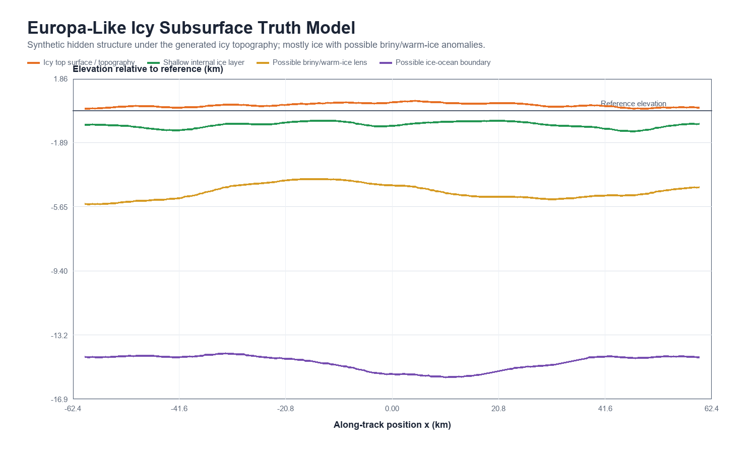
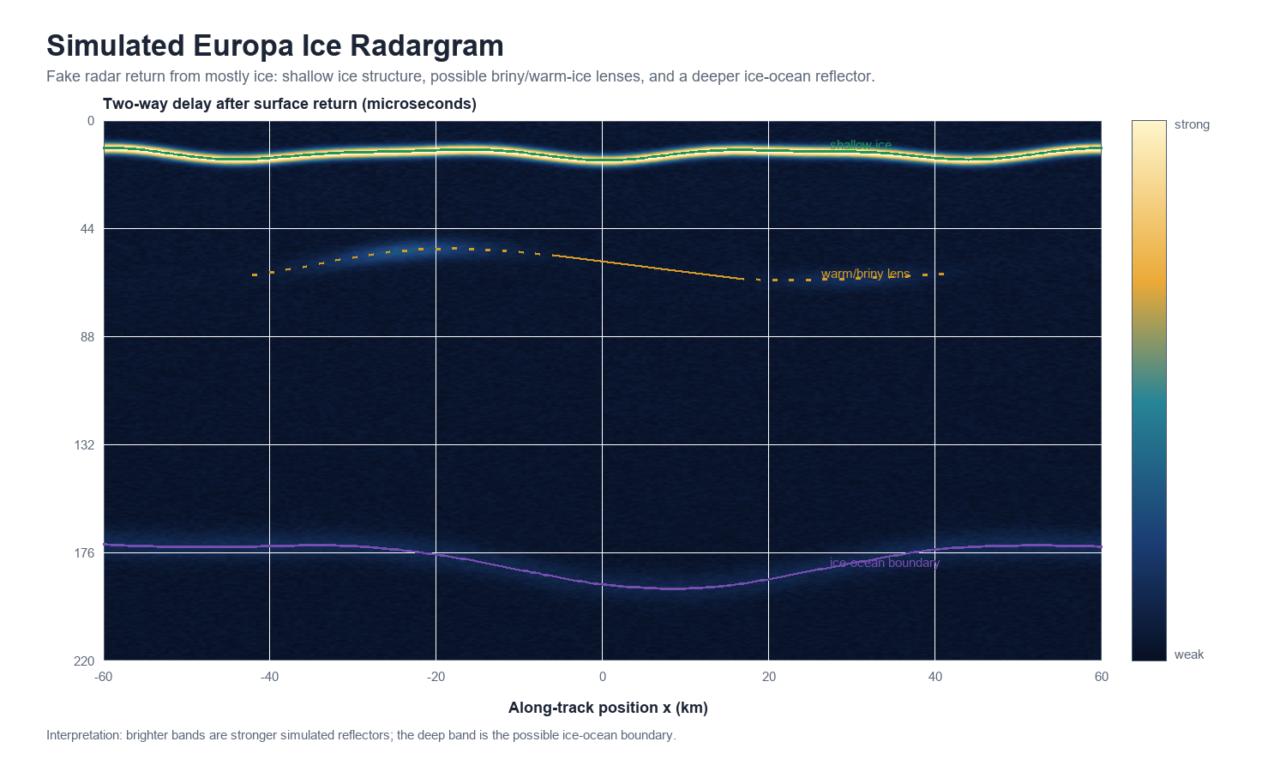
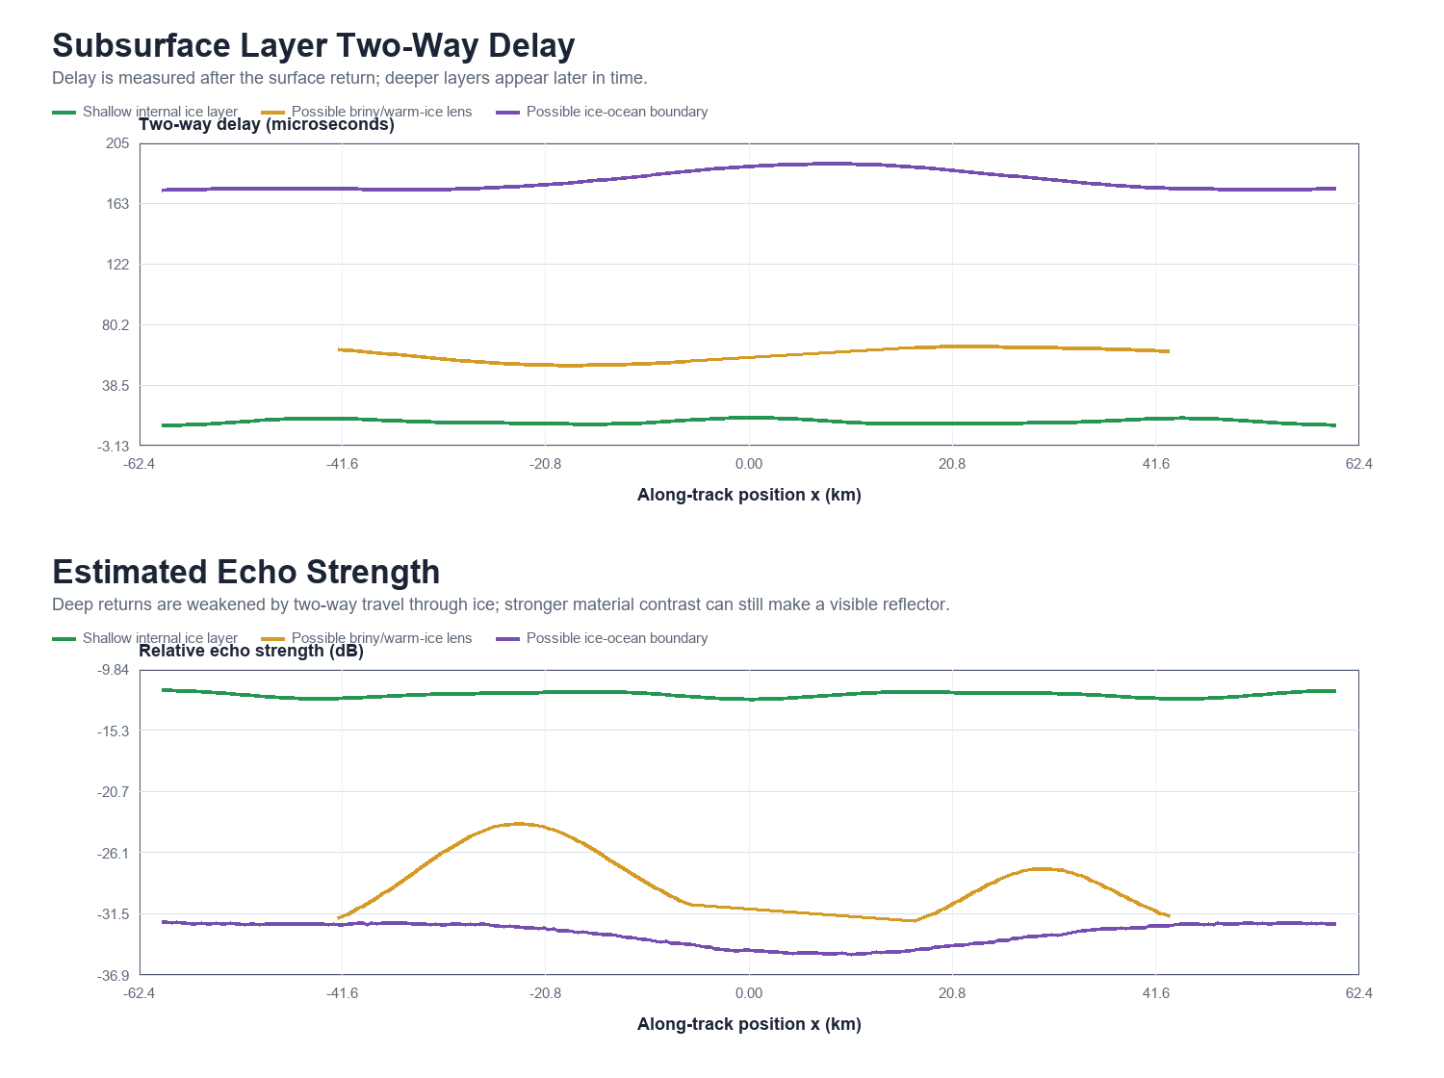
Europa Ice Subsurface Simulation
Python-generated previews added after checking that the outputs are coherent. Existing dashboard graphs are unchanged.
Graph | What it shows | Interpretation | Source
Subsurface truth model | Synthetic icy layers below the generated surface topography. | Topography is ice; deeper features are internal ice, possible warm/briny ice, and possible ocean boundary. | Subsurface_Model
Simulated radargram | Radar two-way delay after surface return. | Brighter bands are stronger reflectors; deeper returns are weaker because of ice attenuation. | Python preview
Delay and echo strength | Layer return timing and relative signal strength. | Ocean boundary appears late in time; lens strength is localized and hypothetical. | Subsurface_Model

Embedded preview image | File used | Workbook section | Purpose
Subsurface truth model | 01_europa_ice_subsurface_truth.png | Left | Shows the hidden icy layers.
Radargram + response charts | 02_simulated_ice_radargram.png and 03_layer_delays_and_echo_strength.png | Right / below | Shows simulated radar return timing and strength.

