Sheet1
A company wants to determine if there is an association between the region where their customers live and their preferred product category. They conducted a survey of 200 customers from different regions (North, South, East, West) and recorded their preferences for three product categories (Electronics, Clothes, Sports Wear).Task: Perform a Chi-Square test to determine whether there is a significant association between the region of the customers and their preferred product category. Use a significance level of 0.05.

 | Electronics | Clothes | Sports Wear | Total
North | 30 | 25 | 15 | 70
South | 20 | 15 | 10 | 45
East | 15 | 20 | 15 | 50
West | 10 | 15 | 10 | 35
Total | 75 | 75 | 50 | 200

Answer

Null Hypothesis (H₀): There is no association between the region and product category preference (i.e., they are independent).
Alternative Hypothesis (H₁): There is an association between the region and product category preference (i.e., they are not independent).
 |  | Observed

 | Electronics | Clothes | Sports Wear | Total
North | 30 | 25 | 15 | 70
South | 20 | 15 | 10 | 45
East | 15 | 20 | 15 | 50
West | 10 | 15 | 10 | 35
Total | 75 | 75 | 50 | 200

 |  | Expected

 | Electronics | Clothes | Sports Wear | each value from observed
North | 26.25 | 26.25 | 17.5 |  |  | (row total * col total)/Total | eg | (70*75)/200=26.25
South | 16.875 | 16.875 | 11.25
East | 18.75 | 18.75 | 12.5
West | 13.125 | 13.125 | 8.75

Formula
 |  |  | Same
Chi-Square Test |  | X^2 = (Observed -Expected)^2/Expected
 |  |  |  | or | chi-square = (Observed-Expected)^2/Expected

 |  |  |  |  | (O-E)^2/E

Observed_value | Expected_value | Observed-Expected | (Observed-Expected)^2 | (Observed-Expected)^2/Expected
30 | 26.25 | 3.75 | 14.0625 | 0.53571428571
20 | 16.875 | 3.125 | 9.765625 | 0.5787037037
15 | 18.75 | -3.75 | 14.0625 | 0.75
10 | 13.125 | -3.125 | 9.765625 | 0.74404761905
25 | 26.25 | -1.25 | 1.5625 | 0.059523809524
15 | 16.875 | -1.875 | 3.515625 | 0.20833333333
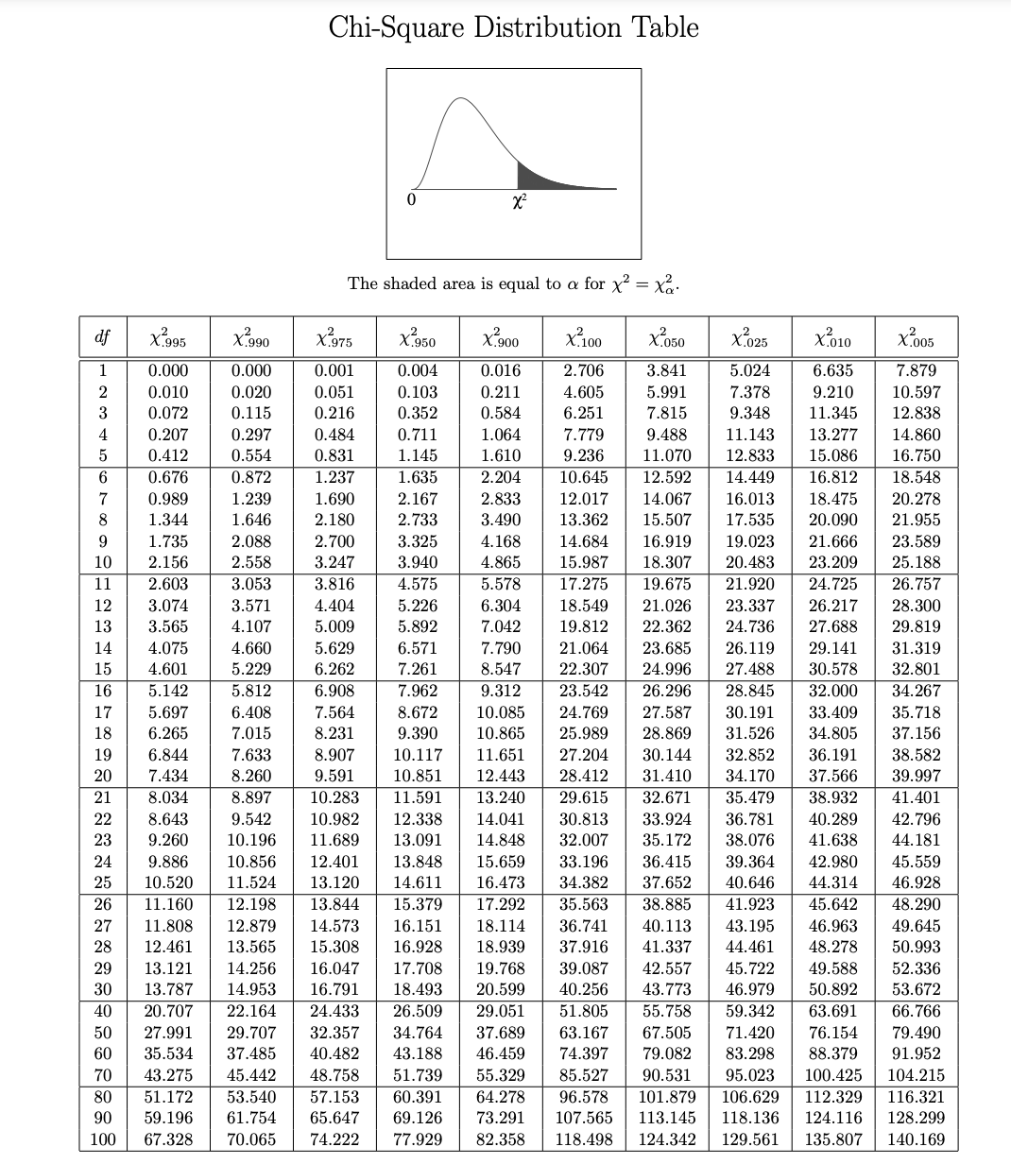
20 | 18.75 | 1.25 | 1.5625 | 0.083333333333
15 | 13.125 | 1.875 | 3.515625 | 0.26785714286
15 | 17.5 | -2.5 | 6.25 | 0.35714285714
10 | 11.25 | -1.25 | 1.5625 | 0.13888888889
15 | 12.5 | 2.5 | 6.25 | 0.5
10 | 8.75 | 1.25 | 1.5625 | 0.17857142857
 |  |  |  | Summation ∑ =
 |  |  |  | 4.4021164021

 |  |  |  | In question

 | Degree of Freedom = | (Row -1)*(col-1) |  | Significant level of 0.05 |  | Use Table
 | 6

 |  |  |  |  | we get
 |  |  |  |  | 12.592
 | IF

 | Chi-square Calculated | < |  | Chi-square Tabblar
 | 4.4 |  |  | 12.592

 | Then | Reject Alternate Hypothesis
If your chi-square calculated value is greater than the chi-square critical value, then you reject your null hypothesis. If your chi-square calculated value is less than the chi-square critical value, then you "fail to reject" your null hypothesis.
 |  | or

 |  | "fail to reject" your null hypothesis.

 |  | or

 |  | accept Null Hypothesis

Since ,the Calculated value (4.4) is less than the Tabular value (12.592) then reject Alternate Hypothesis

There is no significant association between the region of the customers and their preferred product category at the 0.05 significance level.

