A1X16_to_TDT-DIP
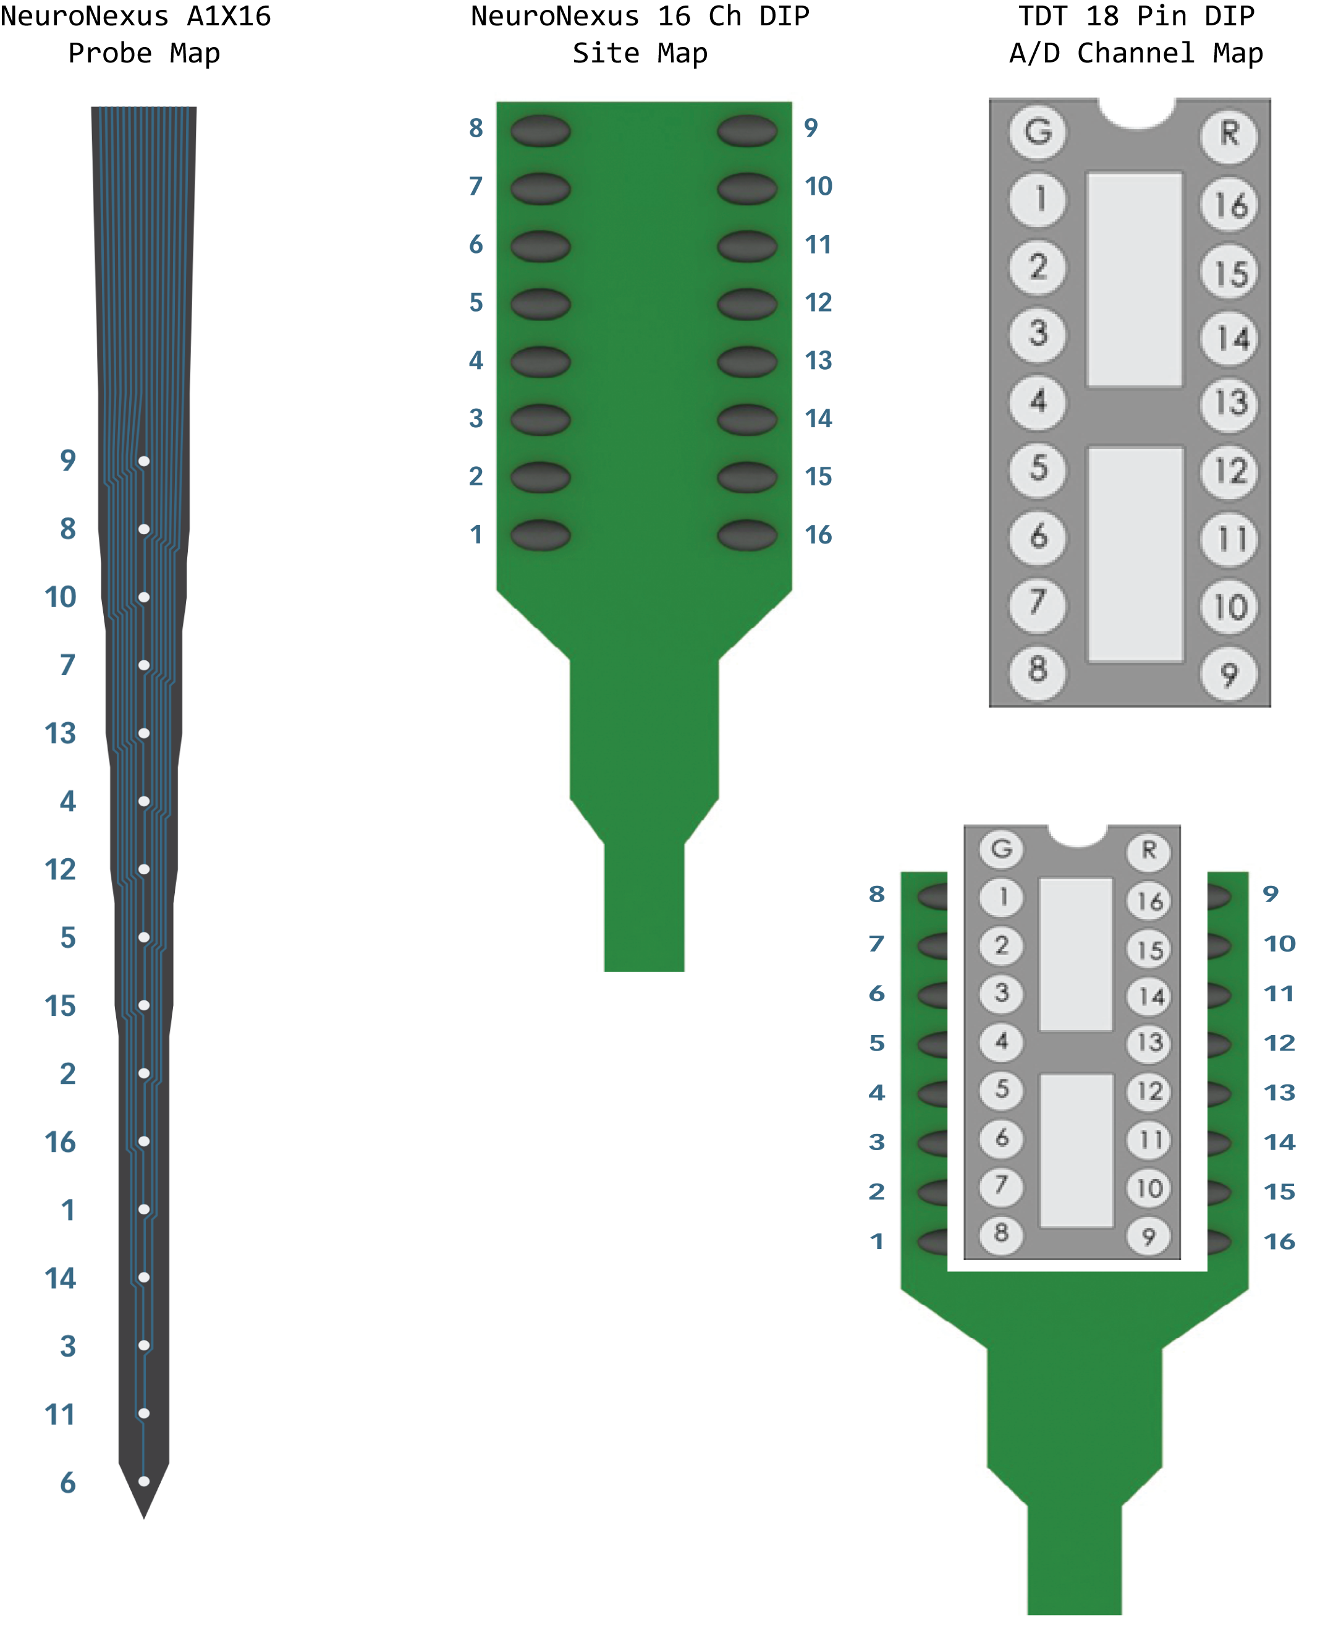
A1X16 Sites | TDT Channel | Depth
9 | 16 | 16
8 | 1 | 15
10 | 15 | 14
7 | 2 | 13
13 | 12 | 12
4 | 5 | 11
12 | 13 | 10
5 | 4 | 9
15 | 10 | 8
2 | 7 | 7
16 | 9 | 6
1 | 8 | 5
14 | 11 | 4
3 | 6 | 3
11 | 14 | 2
6 | 3 | 1

