MDvOtherPreERAS
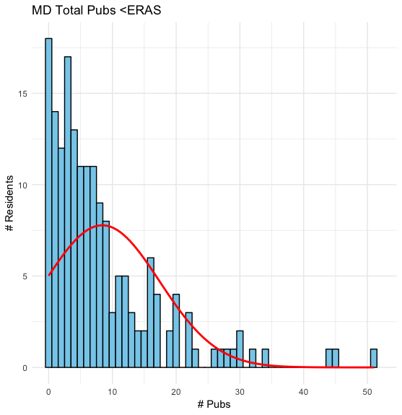
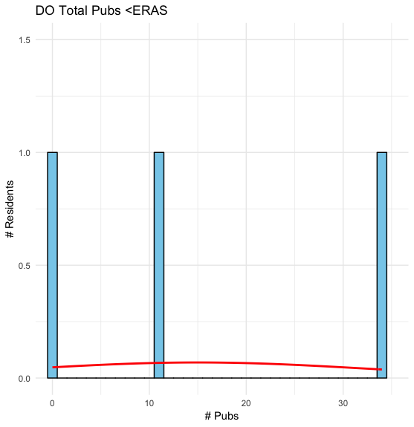
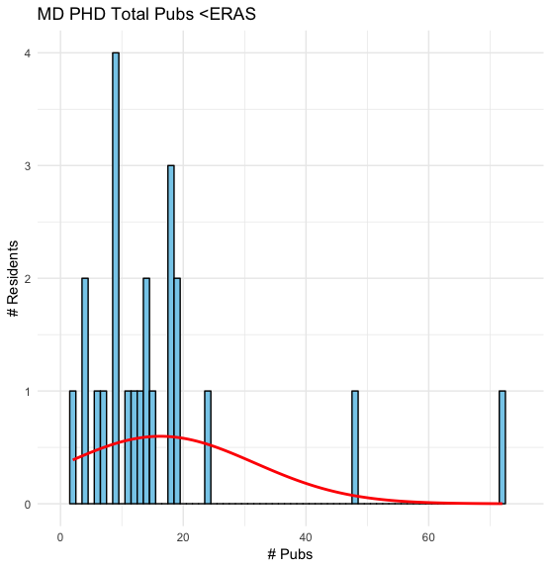
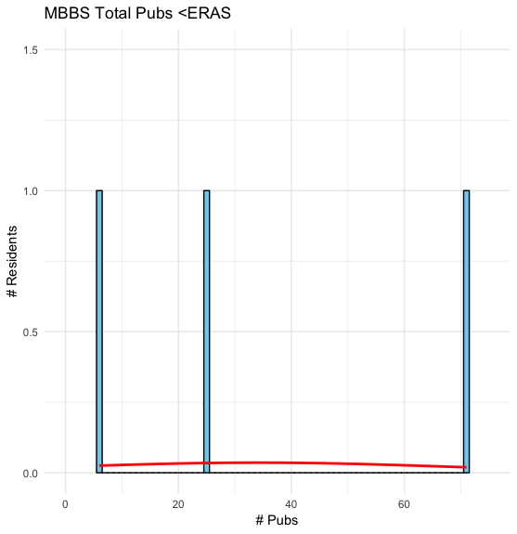
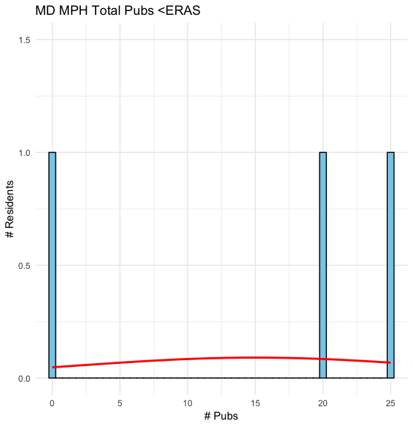
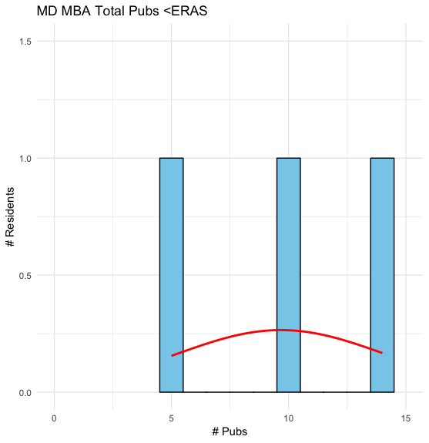
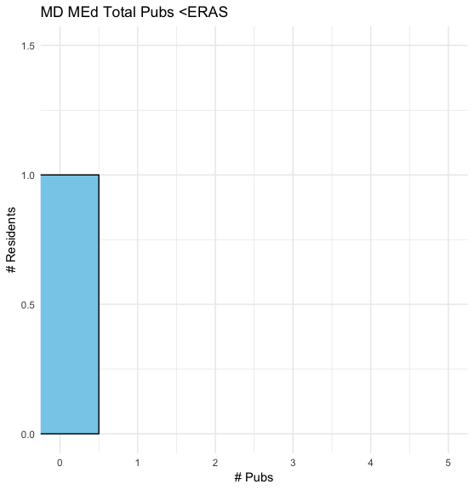
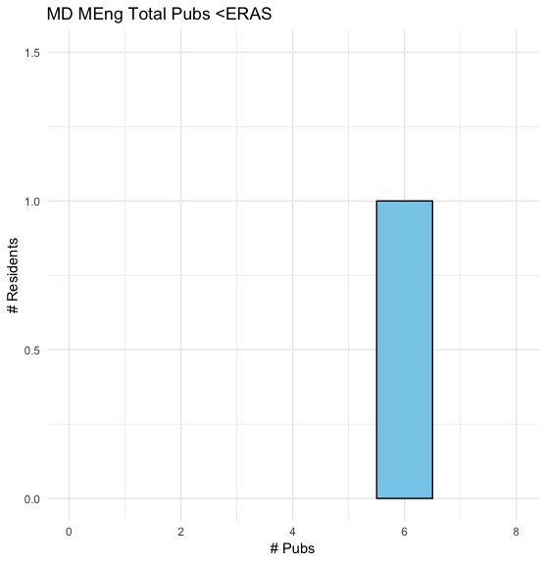
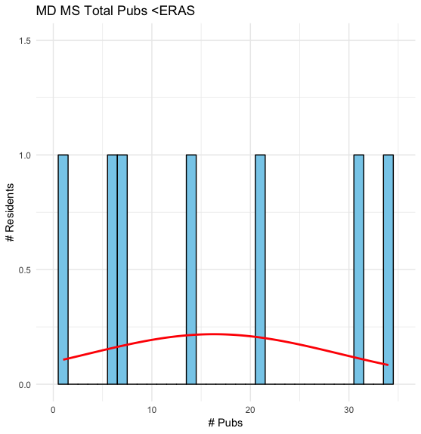
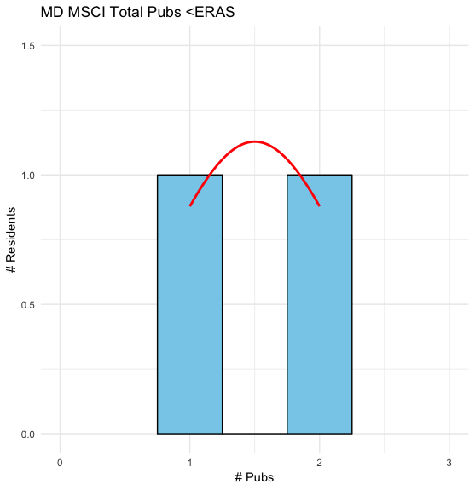
 | Credentials | Total_Pubs_Mean | NS_Pubs_Mean | Total_Pubs_Mode | NS_Pubs_Mode | Total_Pubs_Median | NS_Pubs_Median | Total_Pubs_SD | NS_Pubs_SD

1 | MD | 8.411429 | 4.091429 | 0 | 0 | 6 | 2 | 8.975182 | 6.145056
2 | DO | 15 | 6 | No mode (all values are unique) | No mode (all values are unique) | 11 | 8 | 17.3493516 | 5.291503
3 | MBBS | 34 | 21 | No mode (all values are unique) | No mode (all values are unique) | 25 | 12 | 33.4215499 | 24.758837
4 | MD_PhD | 16.26087 | 4.347826 | 9 | 1 | 13 | 2 | 15.333319 | 10.990114
5 | MD_MBA | 9.666667 | 1.666667 | No mode (all values are unique) | No mode (all values are unique) | 10 | 2 | 4.5092498 | 1.527525
6 | MD_MEng | 6 | 2 | No mode (all values are unique) | No mode (all values are unique) | 6 | 2 | NA | NA
7 | MD_MEd | 0 | 0 | No mode (all values are unique) | No mode (all values are unique) | 0 | 0 | NA | NA
8 | MD_MS | 16.285714 | 9.428571 | No mode (all values are unique) | 0 | 14 | 8 | 12.8025295 | 10.260883
9 | MD_MSCI | 1.5 | 0 | No mode (all values are unique) | No mode (all values are unique) | 1.5 | 0 | 0.7071068 | 0
10 | MD_MPH | 15 | 7 | No mode (all values are unique) | No mode (all values are unique) | 20 | 10 | 13.2287566 | 6.082763

#b4ERAS v #NSb4ERAS
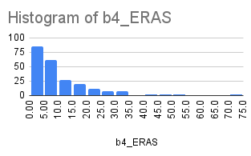
 | Mean | Median | Mode | SD
b4_ERAS | 9.8977777778 | 7 | 0 | 11.085433027
NS_b4_ERAS | 4.44 | 2 | 0 | 7.4406700927

 | b4_ERAS |  | NS_b4_ERAS
 | Male | Female | Male | Female
Mean | 11.113924 | 7.029851 | 4.93038 | 3.283582
Median | 7 | 4 | 2 | 1
Mode | 6 | 3 | 0 | 0
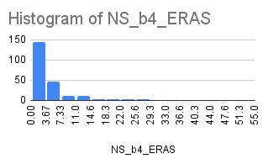
SD | 12.188527 | 7.196317 | 8.26636 | 4.839252

Current PGY1s 2324
Complete Residency List | Address | Zip Code | Longitude | Latitude
Albany Medical College | 43 New Scotland Ave, Albany, NY 12208 | 12208 | -73.77776 | 42.65339
Albany Medical College | 43 New Scotland Ave, Albany, NY 12208 | 12208 | -73.77776 | 42.65339
Allegheny Health Network Medical Education Consortium (AGH) Program | 320 E North Ave, Pittsburgh, PA 15212 | 15212 | -80.00341 | 40.45684
Ascension Providence/MSUCHM Program | 47601 Grand River Ave, Novi, MI 48374 | 48374 | -83.51989 | 42.48723
Ascension Providence/MSUCHM Program | 47601 Grand River Ave, Novi, MI 48374 | 48374 | -83.51989 | 42.48723
 | Latitude
-73.77776 | 42.65339
-73.77776 | 42.65339
-80.00341 | 40.45684
-83.51989 | 42.48723
-83.51989 | 42.48723
-112.07858 | 33.482
-112.07858 | 33.482
-112.07858 | 33.482
-112.07858 | 33.482
-95.39616 | 29.7104
-95.39616 | 29.7104
-95.39616 | 29.7104
-95.39616 | 29.7104
-83.21375 | 42.29141
-71.1055 | 42.33884
-71.1065 | 42.33697
-71.1065 | 42.33697
-71.1065 | 42.33697
-71.40031 | 41.83003
-79.9452 | 37.25274
-80.83878 | 35.20354
-118.38109 | 34.07484
-118.38109 | 34.07484
-81.62411 | 41.50222
-81.62411 | 41.50222
-81.62411 | 41.50222
-75.1197 | 39.94043
-81.60463 | 41.50663
-81.60463 | 41.50663
-81.60463 | 41.50663
-72.27304 | 43.67545
-78.93929 | 36.00747
-78.93929 | 36.00747
-78.93929 | 36.00747
-84.31913 | 33.7933
-84.31913 | 33.7933
-84.31913 | 33.7933
-84.31913 | 33.7933
-75.89856 | 41.24026
-77.05093 | 38.90019
-77.05093 | 38.90019
-83.08532 | 42.3673
-83.08532 | 42.3673
-73.95385 | 40.78911
-73.95385 | 40.78911
-86.17631 | 39.7765
-86.17631 | 39.7765
-86.17631 | 39.7765
-77.22749 | 38.85726
-76.61507 | 39.32904
...
Barrow Neurological Institute at St Joseph's Hospital and Medical Center Program | 2910 N 3rd Ave, Phoenix, AZ 85013 | 85013 | -112.07858 | 33.482
Barrow Neurological Institute at St Joseph's Hospital and Medical Center Program | 2910 N 3rd Ave, Phoenix, AZ 85013 | 85013 | -112.07858 | 33.482
Barrow Neurological Institute at St Joseph's Hospital and Medical Center Program | 2910 N 3rd Ave, Phoenix, AZ 85013 | 85013 | -112.07858 | 33.482
Barrow Neurological Institute at St Joseph's Hospital and Medical Center Program | 2910 N 3rd Ave, Phoenix, AZ 85013 | 85013 | -112.07858 | 33.482
Baylor College of Medicine Program | 1 Baylor Plz, Houston, TX 77030 | 77030 | -95.39616 | 29.7104
Baylor College of Medicine Program | 1 Baylor Plz, Houston, TX 77030 | 77030 | -95.39616 | 29.7104
Baylor College of Medicine Program | 1 Baylor Plz, Houston, TX 77030 | 77030 | -95.39616 | 29.7104
Baylor College of Medicine Program | 1 Baylor Plz, Houston, TX 77030 | 77030 | -95.39616 | 29.7104
Beaumont Health (Royal Oak and Dearborn) Program | 18101 Oakwood Blvd, Dearborn, MI 48124 | 48124 | -83.21375 | 42.29141
Beth Israel Deaconess Medical Center Program | 330 Brookline Ave, Boston, MA 02215 | 2215 | -71.1055 | 42.33884
Brigham and Women's Hospital/Children's Hospital Program | 75 Francis St, Boston, MA 02115 | 2115 | -71.1065 | 42.33697
Brigham and Women's Hospital/Children's Hospital Program | 75 Francis St, Boston, MA 02115 | 2115 | -71.1065 | 42.33697
Brigham and Women's Hospital/Children's Hospital Program | 75 Francis St, Boston, MA 02115 | 2115 | -71.1065 | 42.33697
Brown University Program | 450 Brook St, Providence, RI 02906 | 2906 | -71.40031 | 41.83003
Carilion Clinic-Virginia Tech Carilion School of Medicine Program | S Jefferson St, Roanoke, VA 24014 | 24014 | -79.9452 | 37.25274
Carolinas Medical Center Program | 1000 Blythe Blvd, Charlotte, NC 28203 | 28203 | -80.83878 | 35.20354
Cedars-Sinai Medical Center Program | 8700 Beverly Blvd, Los Angeles, CA 90048 | 90048 | -118.38109 | 34.07484
Cedars-Sinai Medical Center Program | 8700 Beverly Blvd, Los Angeles, CA 90048 | 90048 | -118.38109 | 34.07484
Cleveland Clinic Foundation Program | 9500 Euclid Ave, Cleveland, OH 44195 | 44195 | -81.62411 | 41.50222
Cleveland Clinic Foundation Program | 9500 Euclid Ave, Cleveland, OH 44195 | 44195 | -81.62411 | 41.50222
Cleveland Clinic Foundation Program | 9500 Euclid Ave, Cleveland, OH 44195 | 44195 | -81.62411 | 41.50222
Cooper Medical School of Rowan University/Cooper University Hospital Program | 401 Broadway, Camden, NJ 08103 | 8103 | -75.1197 | 39.94043
CWRU/University Hospitals Cleveland Medical Center Program | 11100 Euclid Ave, Cleveland, OH 44106 | 44106 | -81.60463 | 41.50663
CWRU/University Hospitals Cleveland Medical Center Program | 11100 Euclid Ave, Cleveland, OH 44106 | 44106 | -81.60463 | 41.50663
CWRU/University Hospitals Cleveland Medical Center Program | 11100 Euclid Ave, Cleveland, OH 44106 | 44106 | -81.60463 | 41.50663
Dartmouth-Hitchcock/Mary Hitchcock Memorial Hospital Program | 1 Medical Center Dr, Lebanon, NH 03766 | 3766 | -72.27304 | 43.67545
Duke University Hospital Program | 2301 Erwin Rd, Durham, NC 27710 | 27710 | -78.93929 | 36.00747
Duke University Hospital Program | 2301 Erwin Rd, Durham, NC 27710 | 27710 | -78.93929 | 36.00747
Duke University Hospital Program | 2301 Erwin Rd, Durham, NC 27710 | 27710 | -78.93929 | 36.00747
Emory University School of Medicine Program | 2015 Uppergate Dr, Atlanta, GA 30307 | 30307 | -84.31913 | 33.7933
Emory University School of Medicine Program | 2015 Uppergate Dr, Atlanta, GA 30307 | 30307 | -84.31913 | 33.7933
Emory University School of Medicine Program | 2015 Uppergate Dr, Atlanta, GA 30307 | 30307 | -84.31913 | 33.7933
Emory University School of Medicine Program | 2015 Uppergate Dr, Atlanta, GA 30307 | 30307 | -84.31913 | 33.7933
Geisinger Health System Program | 25 Church St, Wilkes-Barre, PA 18765 | 18765 | -75.89856 | 41.24026
George Washington School of Medicine Program | 2300 I St NW, Washington, DC 20052 | 20052 | -77.05093 | 38.90019
George Washington School of Medicine Program | 2300 I St NW, Washington, DC 20052 | 20052 | -77.05093 | 38.90019
Henry Ford Health/Henry Ford Hospital Program | 2799 W Grand Blvd, Detroit, MI 48202 | 48202 | -83.08532 | 42.3673
Henry Ford Health/Henry Ford Hospital Program | 2799 W Grand Blvd, Detroit, MI 48202 | 48202 | -83.08532 | 42.3673
Icahn School of Medicine at Mount Sinai Program | 1 Gustave L. Levy Pl, New York, NY 10029 | 10029 | -73.95385 | 40.78911
Icahn School of Medicine at Mount Sinai Program | 1 Gustave L. Levy Pl, New York, NY 10029 | 10029 | -73.95385 | 40.78911
Indiana University School of Medicine Program | 550 University Blvd # 3400, Indianapolis, IN 46202 | 46202 | -86.17631 | 39.7765
Indiana University School of Medicine Program | 550 University Blvd # 3400, Indianapolis, IN 46202 | 46202 | -86.17631 | 39.7765
Indiana University School of Medicine Program | 550 University Blvd # 3400, Indianapolis, IN 46202 | 46202 | -86.17631 | 39.7765
Inova Fairfax Medical Campus Program | 3300 Gallows Rd, Falls Church, VA 22042 | 22042 | -77.22749 | 38.85726
Johns Hopkins University Program | Baltimore, MD 21218 | 21218 | -76.61507 | 39.32904
Johns Hopkins University Program | Baltimore, MD 21218 | 21218 | -76.61507 | 39.32904
Johns Hopkins University Program | Baltimore, MD 21218 | 21218 | -76.61507 | 39.32904
Johns Hopkins University Program | Baltimore, MD 21218 | 21218 | -76.61507 | 39.32904
Loma Linda University Health Education Consortium Program | 11234 Anderson St, Loma Linda, CA 92354 | 92354 | -117.26226 | 34.04901
Louisiana State University (Shreveport) Program | 2600 Greenwood Rd, Shreveport, LA 71103 | 71103 | -93.78102 | 32.48159
Louisiana State University (Shreveport) Program | 2600 Greenwood Rd, Shreveport, LA 71103 | 71103 | -93.78102 | 32.48159
Louisiana State University School of Medicine Program | 1901 Perdido St # 2200, New Orleans, LA 70112 | 70112 | -90.09011 | 29.9565
Loyola University Medical Center Program | 2160 S 1st Ave #1940, Maywood, IL 60153 | 60153 | -87.83519 | 41.8605
Massachusetts General Hospital Program | 55 Fruit St, Boston, MA 02114 | 2114 | -71.06858 | 42.3625
Massachusetts General Hospital Program | 55 Fruit St, Boston, MA 02114 | 2114 | -71.06858 | 42.3625
Massachusetts General Hospital Program | 55 Fruit St, Boston, MA 02114 | 2114 | -71.06858 | 42.3625
Mayo Clinic College of Medicine and Science (Jacksonville) Program | 4500 San Pablo Rd S, Jacksonville, FL 32224 | 32224 | -81.44099 | 30.26391
Mayo Clinic College of Medicine and Science (Phoenix) Program | 5779 E Mayo Blvd, Phoenix, AZ 85054 | 85054 | -111.9554 | 33.65834
Mayo Clinic College of Medicine and Science (Rochester) Program | 1216 2nd St SW, Rochester, MN 55902 | 55902 | -92.48234 | 44.02063
Mayo Clinic College of Medicine and Science (Rochester) Program | 1216 2nd St SW, Rochester, MN 55902 | 55902 | -92.48234 | 44.02063
Mayo Clinic College of Medicine and Science (Rochester) Program | 1216 2nd St SW, Rochester, MN 55902 | 55902 | -92.48234 | 44.02063
Mayo Clinic College of Medicine and Science (Rochester) Program | 1216 2nd St SW, Rochester, MN 55902 | 55902 | -92.48234 | 44.02063
Medical College of Georgia Program | 1120 15th St, Augusta, GA 30912 | 30912 | -81.98846 | 33.47105
Medical College of Wisconsin Affiliated Hospitals Program | 9200 W Wisconsin Ave, Milwaukee, WI 53226 | 53226 | -88.02152 | 43.04356
Medical College of Wisconsin Affiliated Hospitals Program | 9200 W Wisconsin Ave, Milwaukee, WI 53226 | 53226 | -88.02152 | 43.04356
Medical College of Wisconsin Affiliated Hospitals Program | 9200 W Wisconsin Ave, Milwaukee, WI 53226 | 53226 | -88.02152 | 43.04356
Medical University of South Carolina Program | 268 Calhoun St, Charleston, SC 29425 | 29425 | -80.05589 | 32.81115
Medical University of South Carolina Program | 268 Calhoun St, Charleston, SC 29425 | 29425 | -80.05589 | 32.81115
MedStar Health-Georgetown University Hospital Program | 3800 Reservoir Rd NW, Washington, DC 20007 | 20007 | -77.07513 | 38.91134
MedStar Health-Georgetown University Hospital Program | 3800 Reservoir Rd NW, Washington, DC 20007 | 20007 | -77.07513 | 38.91134
MedStar Health-Georgetown University Hospital Program | 3800 Reservoir Rd NW, Washington, DC 20007 | 20007 | -77.07513 | 38.91134
Methodist Hospital (Houston) Program | 6565 Fannin St, Houston, TX 77030 | 77030 | -95.39945 | 29.70984
Methodist Hospital (Houston) Program | 6565 Fannin St, Houston, TX 77030 | 77030 | -95.39945 | 29.70984
Montefiore Medical Center/Albert Einstein College of Medicine Program | 2100 White Plains Rd, Bronx, NY 10462 | 10462 | -73.87086 | 40.85369
New York Presbyterian Hospital (Columbia Campus) Program | 622 W 168th St, New York, NY 10032 | 10032 | -73.94052 | 40.84058
New York Presbyterian Hospital (Columbia Campus) Program | 622 W 168th St, New York, NY 10032 | 10032 | -73.94052 | 40.84058
New York Presbyterian Hospital (Columbia Campus) Program | 622 W 168th St, New York, NY 10032 | 10032 | -73.94052 | 40.84058
New York Presbyterian Hospital (Cornell Campus) Program | 1414 York Ave, New York, NY 10021 | 10021 | -73.95186 | 40.76875
New York Presbyterian Hospital (Cornell Campus) Program | 1414 York Ave, New York, NY 10021 | 10021 | -73.95186 | 40.76875
Ohio State University Hospital Program | 410 W 10th Ave, Columbus, OH 43210 | 43210 | -83.01843 | 39.99479
Ohio State University Hospital Program | 410 W 10th Ave, Columbus, OH 43210 | 43210 | -83.01843 | 39.99479
Ohio State University Hospital Program | 410 W 10th Ave, Columbus, OH 43210 | 43210 | -83.01843 | 39.99479
Oregon Health & Science University Program | 3181 SW Sam Jackson Park Rd, Portland, OR 97239 | 97239 | -122.69132 | 45.49677
Oregon Health & Science University Program | 3181 SW Sam Jackson Park Rd, Portland, OR 97239 | 97239 | -122.69132 | 45.49677
Oregon Health & Science University Program | 3181 SW Sam Jackson Park Rd, Portland, OR 97239 | 97239 | -122.69132 | 45.49677
Penn State Milton S Hershey Medical Center Program | 500 University Dr, Hershey, PA 17033 | 17033 | -76.67694 | 40.26377
Penn State Milton S Hershey Medical Center Program | 500 University Dr, Hershey, PA 17033 | 17033 | -76.67694 | 40.26377
Penn State Milton S Hershey Medical Center Program | 500 University Dr, Hershey, PA 17033 | 17033 | -76.67694 | 40.26377
Rush University Medical Center Program | 1620 W Harrison St, Chicago, IL 60612 | 60612 | -87.66864 | 41.87366
Rush University Medical Center Program | 1620 W Harrison St, Chicago, IL 60612 | 60612 | -87.66864 | 41.87366
Sidney Kimmel Medical College at Thomas Jefferson University/TJUH Program | 1025 Walnut St #100, Philadelphia, PA 19107 | 19107 | -75.15759 | 39.9487
Sidney Kimmel Medical College at Thomas Jefferson University/TJUH Program | 1025 Walnut St #100, Philadelphia, PA 19107 | 19107 | -75.15759 | 39.9487
Sidney Kimmel Medical College at Thomas Jefferson University/TJUH Program | 1025 Walnut St #100, Philadelphia, PA 19107 | 19107 | -75.15759 | 39.9487
Sidney Kimmel Medical College at Thomas Jefferson University/TJUH Program | 1025 Walnut St #100, Philadelphia, PA 19107 | 19107 | -75.15759 | 39.9487
Southern Illinois University School of Medicine Program | 801 N Rutledge St, Springfield, IL 62702 | 62702 | -89.6557 | 39.80884
Spectrum Health/Michigan State University Program | 945 Ottawa Ave NW, Grand Rapids, MI 49503 | 49503 | -85.67614 | 42.97474
Stanford Health Care-Sponsored Stanford University Program | 900 Welch Rd, Palo Alto, CA 94304 | 94304 | -122.17624 | 37.43509
Stanford Health Care-Sponsored Stanford University Program | 900 Welch Rd, Palo Alto, CA 94304 | 94304 | -122.17624 | 37.43509
Stanford Health Care-Sponsored Stanford University Program | 900 Welch Rd, Palo Alto, CA 94304 | 94304 | -122.17624 | 37.43509
Stanford Health Care-Sponsored Stanford University Program | 900 Welch Rd, Palo Alto, CA 94304 | 94304 | -122.17624 | 37.43509
Stony Brook Medicine Program | 101 Nicolls Rd, Stony Brook, NY 11794 | 11794 | -73.1164 | 40.90842
Temple University Hospital Program | 3401 N Broad St, Philadelphia, PA 19140 | 19140 | -75.15094 | 40.00435
Texas A&M College of Medicine-Scott and White Medical Center Program | 2401 S 31st St, Temple, TX 76508 | 76508 | -97.36371 | 31.07777
Tufts Medical Center Program | 755 Washington Street, Boston, MA 02111, Boston, MA 02116 | 2116 | -71.06555 | 42.34866
Tufts Medical Center Program | 755 Washington Street, Boston, MA 02111, Boston, MA 02116 | 2116 | -71.06555 | 42.34866
Tulane University/Ochsner Clinic Foundation Program | 6823 St Charles Ave, New Orleans, LA 70118 | 70118 | -90.12015 | 29.94117
Tulane University/Ochsner Clinic Foundation Program | 6823 St Charles Ave, New Orleans, LA 70118 | 70118 | -90.12015 | 29.94117
UCLA David Geffen School of Medicine/UCLA Medical Center Program | 757 Westwood Plaza, Los Angeles, CA 90095 | 90095 | -118.44591 | 34.06617
UCLA David Geffen School of Medicine/UCLA Medical Center Program | 757 Westwood Plaza, Los Angeles, CA 90095 | 90095 | -118.44591 | 34.06617
UCLA David Geffen School of Medicine/UCLA Medical Center Program | 757 Westwood Plaza, Los Angeles, CA 90095 | 90095 | -118.44591 | 34.06617
UMass Chan Medical School Program | 55 N Lake Ave, Worcester, MA 01655 | 1655 | -71.76339 | 42.27822
University at Buffalo Program | 190 Founders Prom, Amherst, NY 14068 | 14068 | -78.79193 | 42.99277
University at Buffalo Program | 190 Founders Prom, Amherst, NY 14068 | 14068 | -78.79193 | 42.99277
University at Buffalo Program | 190 Founders Prom, Amherst, NY 14068 | 14068 | -78.79193 | 42.99277
University of Alabama Medical Center Program | 850 Peter Bryce Blvd, Tuscaloosa, AL 35401 | 35401 | -87.53201 | 33.20812
University of Alabama Medical Center Program | 850 Peter Bryce Blvd, Tuscaloosa, AL 35401 | 35401 | -87.53201 | 33.20812
University of Alabama Medical Center Program | 850 Peter Bryce Blvd, Tuscaloosa, AL 35401 | 35401 | -87.53201 | 33.20812
University of Arizona College of Medicine-Tucson Program | 1501 N Campbell Ave, Tucson, AZ 85724 | 85724 | -111.00883 | 32.24758
University of Arkansas Medical Sciences | 4301 W Markham St, Little Rock, AR 72205 | 72205 | -92.31988 | 34.75001
University of Arkansas Medical Sciences | 4301 W Markham St, Little Rock, AR 72205 | 72205 | -92.31988 | 34.75001
University of California (Irvine) Program | 101 The City Dr S, Orange, CA 92868 | 92868 | -117.88896 | 33.78737
University of California (Irvine) Program | 101 The City Dr S, Orange, CA 92868 | 92868 | -117.88896 | 33.78737
University of California (San Francisco) Program | 505 Parnassus Ave, San Francisco, CA 94143 | 94143 | -122.4581 | 37.76252
University of California (San Francisco) Program | 505 Parnassus Ave, San Francisco, CA 94143 | 94143 | -122.4581 | 37.76252
University of California (San Francisco) Program | 505 Parnassus Ave, San Francisco, CA 94143 | 94143 | -122.4581 | 37.76252
University of California Davis Health Program | 2245 45th St, Sacramento, CA 95817 | 95817 | -121.45455 | 38.55474
University of California Davis Health Program | 2245 45th St, Sacramento, CA 95817 | 95817 | -121.45455 | 38.55474
University of California San Diego Neurological Surgery | 200 W Arbor Dr # 8893, San Diego, CA 92103 | 92103 | -117.16635 | 32.75525
University of California San Diego Neurological Surgery | 200 W Arbor Dr # 8893, San Diego, CA 92103 | 92103 | -117.16635 | 32.75525
University of Chicago Program | 5841 S Maryland Ave, Chicago, IL 60637 | 60637 | -87.60382 | 41.78943
University of Chicago Program | 5841 S Maryland Ave, Chicago, IL 60637 | 60637 | -87.60382 | 41.78943
University of Cincinnati Medical Center/College of Medicine Program | 3188 Bellevue Ave, Cincinnati, OH 45219 | 45219 | -84.5034 | 39.13822
University of Cincinnati Medical Center/College of Medicine Program | 3188 Bellevue Ave, Cincinnati, OH 45219 | 45219 | -84.5034 | 39.13822
University of Colorado Anschutz Medical Campus | 12635 E Montview Blvd, Aurora, CO 80045 | 80045 | -104.84121 | 39.74824
University of Colorado Anschutz Medical Campus | 12635 E Montview Blvd, Aurora, CO 80045 | 80045 | -104.84121 | 39.74824
University of Colorado Anschutz Medical Campus | 12635 E Montview Blvd, Aurora, CO 80045 | 80045 | -104.84121 | 39.74824
University of Conneticut Neurological Surgery | 200 Academic Wy, Farmington, CT 06032 | 6032 | -72.79124 | 41.7302
University of Florida Program | 1505 SW Archer Rd, Gainesville, FL 32608 | 32608 | -82.34156 | 29.6395
University of Florida Program | 1505 SW Archer Rd, Gainesville, FL 32608 | 32608 | -82.34156 | 29.6395
University of Florida Program | 1505 SW Archer Rd, Gainesville, FL 32608 | 32608 | -82.34156 | 29.6395
University of Illinois College of Medicine at Chicago Program | 1853 W Polk St, Chicago, IL 60612 | 60612 | -87.67338 | 41.87113
University of Illinois College of Medicine at Peoria Program | 1 Illini Dr, Peoria, IL 61605 | 61605 | -89.59723 | 40.69841
University of Iowa Hospitals and Clinics Program | 200 Hawkins Dr, Iowa City, IA 52242 | 52242 | -91.54832 | 41.65841
University of Iowa Hospitals and Clinics Program | 200 Hawkins Dr, Iowa City, IA 52242 | 52242 | -91.54832 | 41.65841
University of Kansas School of Medicine Program | 2060 W 39th Ave, Kansas City, KS 66103 | 66103 | -94.61231 | 39.05636
University of Kansas School of Medicine Program | 2060 W 39th Ave, Kansas City, KS 66103 | 66103 | -94.61231 | 39.05636
University of Kentucky College of Medicine Program | 800 Rose St MN 150, Lexington, KY 40506 | 40506 | -84.53761 | 38.02684
University of Kentucky College of Medicine Program | 800 Rose St MN 150, Lexington, KY 40506 | 40506 | -84.53761 | 38.02684
University of Maryland Program | College Park, MD 20742 | 20742 | -76.94461 | 38.98692
University of Maryland Program | College Park, MD 20742 | 20742 | -76.94461 | 38.98692
University of Michigan Health System Program | 1500 E Medical Center Dr, Ann Arbor, MI 48109 | 48109 | -83.72854 | 42.28318
University of Michigan Health System Program | 1500 E Medical Center Dr, Ann Arbor, MI 48109 | 48109 | -83.72854 | 42.28318
University of Minnesota Program | 500 SE Harvard St, Minneapolis, MN 55455 | 55455 | -93.23209 | 44.97237
University of Minnesota Program | 500 SE Harvard St, Minneapolis, MN 55455 | 55455 | -93.23209 | 44.97237
University of Mississippi Medical Center Program | 2500 N State St, Jackson, MS 39216 | 39216 | -90.17194 | 32.32877
University of Mississippi Medical Center Program | 2500 N State St, Jackson, MS 39216 | 39216 | -90.17194 | 32.32877
University of Missouri-Columbia Program | 1 Hospital Dr, Columbia, MO 65212 | 65212 | -92.3274 | 38.93889
University of Nebraska Medical Center College of Medicine Program | 42nd and, Emile St, Omaha, NE 68198 | 68198 | -95.976 | 41.25492
University of Nebraska Medical Center College of Medicine Program | 42nd and, Emile St, Omaha, NE 68198 | 68198 | -95.976 | 41.25492
University of North Carolina Hospitals Program | 101 Manning Dr, Chapel Hill, NC 27514 | 27514 | -79.052 | 35.90438
University of North Carolina Hospitals Program | 101 Manning Dr, Chapel Hill, NC 27514 | 27514 | -79.052 | 35.90438
University of Oklahoma Health Sciences Center Program | 920 Stanton L Young Blvd, Oklahoma City, OK 73104 | 73104 | -97.49786 | 35.47959
University of Oklahoma Health Sciences Center Program | 920 Stanton L Young Blvd, Oklahoma City, OK 73104 | 73104 | -97.49786 | 35.47959
University of Pennsylvania Health System Program | 3400 Spruce St, Philadelphia, PA 19104 | 19104 | -75.19619 | 39.94996
University of Pennsylvania Health System Program | 3400 Spruce St, Philadelphia, PA 19104 | 19104 | -75.19619 | 39.94996
University of Pennsylvania Health System Program | 3400 Spruce St, Philadelphia, PA 19104 | 19104 | -75.19619 | 39.94996
University of Rochester Program | 601 Elmwood Ave, Rochester, NY 14642 | 14642 | -77.62479 | 43.1229
University of South Florida Morsani Program | 560 Channelside Dr, Tampa, FL 33602 | 33602 | -82.44933 | 27.94393
University of South Florida Morsani Program | 560 Channelside Dr, Tampa, FL 33602 | 33602 | -82.44933 | 27.94393
University of Southern California/LAC+USC Medical Center Program | 2051 Marengo St, Los Angeles, CA 90033 | 90033 | -118.20734 | 34.05799
University of Southern California/LAC+USC Medical Center Program | 2051 Marengo St, Los Angeles, CA 90033 | 90033 | -118.20734 | 34.05799
University of Southern California/LAC+USC Medical Center Program | 2051 Marengo St, Los Angeles, CA 90033 | 90033 | -118.20734 | 34.05799
University of Tennessee Program | 1924 Alcoa Hwy, Knoxville, TN 37920 | 37920 | -83.94283 | 35.93944
University of Tennessee Program | 1924 Alcoa Hwy, Knoxville, TN 37920 | 37920 | -83.94283 | 35.93944
University of Tennessee Program | 1924 Alcoa Hwy, Knoxville, TN 37920 | 37920 | -83.94283 | 35.93944
University of Texas at Austin Dell Medical School Program | Austin, TX 78712 | 78712 | -97.73467 | 30.28323
University of Texas Health Science Center at Houston Program | 7000 Fannin St, Houston, TX 77030 | 77030 | -95.40193 | 29.70422
University of Texas Health Science Center at Houston Program | 7000 Fannin St, Houston, TX 77030 | 77030 | -95.40193 | 29.70422
University of Texas Health Science Center at Houston Program | 7000 Fannin St, Houston, TX 77030 | 77030 | -95.40193 | 29.70422
University of Texas Health Science Center San Antonio Joe and Teresa Lozano Long School of Medicine Program | 7703 Floyd Curl Dr, San Antonio, TX 78229 | 78229 | -98.57541 | 29.5074
University of Texas Health Science Center San Antonio Joe and Teresa Lozano Long School of Medicine Program | 7703 Floyd Curl Dr, San Antonio, TX 78229 | 78229 | -98.57541 | 29.5074
University of Texas Medical Branch Hospitals Program | 301 8th St, Galveston, TX 77555 | 77555 | -94.77734 | 29.31066
University of Texas Southwestern Medical Center Program | 5323 Harry Hines Blvd, Dallas, TX 75390 | 75390 | -96.84511 | 32.81552
University of Texas Southwestern Medical Center Program | 5323 Harry Hines Blvd, Dallas, TX 75390 | 75390 | -96.84511 | 32.81552
University of Texas Southwestern Medical Center Program | 5323 Harry Hines Blvd, Dallas, TX 75390 | 75390 | -96.84511 | 32.81552
University of Texas Southwestern Medical Center Program | 5323 Harry Hines Blvd, Dallas, TX 75390 | 75390 | -96.84511 | 32.81552
University of Utah Health Program | 50 Medical Dr N, Salt Lake City, UT 84132 | 84132 | -111.8369 | 40.77152
University of Utah Health Program | 50 Medical Dr N, Salt Lake City, UT 84132 | 84132 | -111.8369 | 40.77152
University of Utah Health Program | 50 Medical Dr N, Salt Lake City, UT 84132 | 84132 | -111.8369 | 40.77152
University of Vermont Medical Center Program | 195 Colchester Ave, Burlington, VT 05401 | 5401 | -73.19438 | 44.47996
University of Virginia Medical Center Program | 1300 Jefferson Park Ave, Charlottesville, VA 22903 | 22903 | -78.50068 | 38.03174
University of Virginia Medical Center Program | 1300 Jefferson Park Ave, Charlottesville, VA 22903 | 22903 | -78.50068 | 38.03174
University of Virginia Medical Center Program | 1300 Jefferson Park Ave, Charlottesville, VA 22903 | 22903 | -78.50068 | 38.03174
University of Washington Program | Main Hospital, 1959 NE Pacific St, Seattle, WA 98195 | 98195 | -122.3083 | 47.64978
University of Washington Program | Main Hospital, 1959 NE Pacific St, Seattle, WA 98195 | 98195 | -122.3083 | 47.64978
University of Washington Program | Main Hospital, 1959 NE Pacific St, Seattle, WA 98195 | 98195 | -122.3083 | 47.64978
University of Wisconsin Hospitals and Clinics Program | 600 Highland Ave, Madison, WI 53792 | 53792 | -89.43078 | 43.07632
University of Wisconsin Hospitals and Clinics Program | 600 Highland Ave, Madison, WI 53792 | 53792 | -89.43078 | 43.07632
UPMC Medical Education Program | 200 Lothrop St, Pittsburgh, PA 15213 | 15213 | -79.96012 | 40.44195
UPMC Medical Education Program | 200 Lothrop St, Pittsburgh, PA 15213 | 15213 | -79.96012 | 40.44195
UPMC Medical Education Program | 200 Lothrop St, Pittsburgh, PA 15213 | 15213 | -79.96012 | 40.44195
UPMC Medical Education Program | 200 Lothrop St, Pittsburgh, PA 15213 | 15213 | -79.96012 | 40.44195
Vanderbilt University Medical Center Program | 1211 Medical Center Dr, Nashville, TN 37232 | 37232 | -86.80117 | 36.14234
Vanderbilt University Medical Center Program | 1211 Medical Center Dr, Nashville, TN 37232 | 37232 | -86.80117 | 36.14234
Vanderbilt University Medical Center Program | 1211 Medical Center Dr, Nashville, TN 37232 | 37232 | -86.80117 | 36.14234
Wake Forest University Baptist Medical Center Program | 1 Medical Center Blvd, Winston-Salem, NC 27157 | 27157 | -80.27078 | 36.09015
Wake Forest University Baptist Medical Center Program | 1 Medical Center Blvd, Winston-Salem, NC 27157 | 27157 | -80.27078 | 36.09015
Washington University/B-JH/SLCH Consortium Program | One Children's Pl, St. Louis, MO 63110 | 63110 | -90.26479 | 38.63783
Washington University/B-JH/SLCH Consortium Program | One Children's Pl, St. Louis, MO 63110 | 63110 | -90.26479 | 38.63783
Washington University/B-JH/SLCH Consortium Program | One Children's Pl, St. Louis, MO 63110 | 63110 | -90.26479 | 38.63783
West Virginia University Program | 1 Medical Center Dr, Morgantown, WV 26506 | 26506 | -79.95669 | 39.65316
Westchester Medical Center Program | 100 Woods Rd, Valhalla, NY 10595 | 10595 | -73.80611 | 41.08828
Westchester Medical Center Program | 100 Woods Rd, Valhalla, NY 10595 | 10595 | -73.80611 | 41.08828
Yale School of Medicine | 789 Howard Ave, New Haven, CT 06519 | 6519 | -72.93491 | 41.30242
Yale School of Medicine | 789 Howard Ave, New Haven, CT 06519 | 6519 | -72.93491 | 41.30242
Zucker School of Medicine at Hofstra/Northwell Program | 500 Hofstra Blvd, Hempstead, NY 11549 | 11549 | -73.59752 | 40.71793
Zucker School of Medicine at Hofstra/Northwell Program | 500 Hofstra Blvd, Hempstead, NY 11549 | 11549 | -73.59752 | 40.71793
Zucker School of Medicine at Hofstra/Northwell Program | 500 Hofstra Blvd, Hempstead, NY 11549 | 11549 | -73.59752 | 40.71793

