NEW Inventory
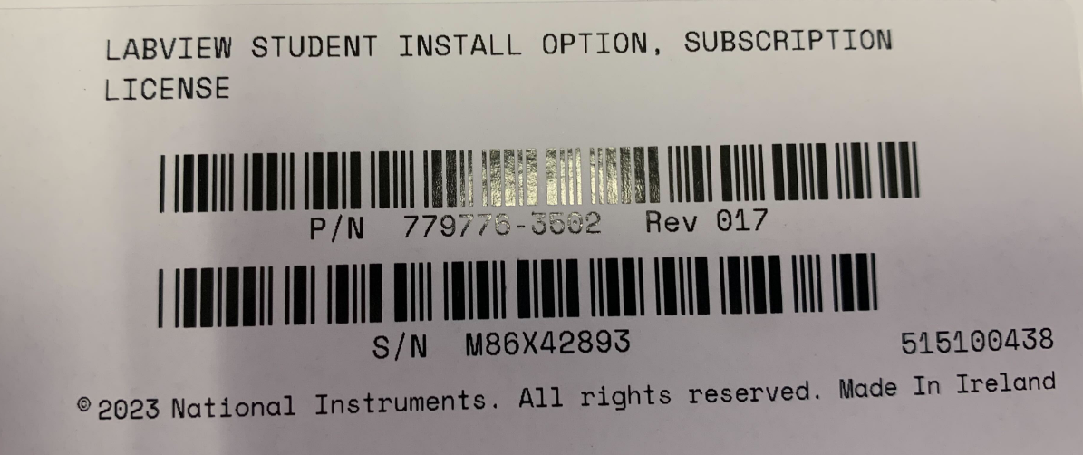
Data Acquisition |  |  |  |  |  |  | Software
Category | Description | Model # | Detail | Location | Student in Charge | Last Updated | NI LabVIEW Student Station
DAQ | NI Data Acquisition Chassis | cDAQ-9178 | CompactDAQ chassis (8 slot USB) | Pool Boiling Facility | Hari Pandey | 5/5/23 | NI LabVIEW - Vibration Module
DAQ | NI Data Acquisition Chassis | cDAQ-9174 | CompactDAQ chassis (4 slot USB) | FreshLight (BELL) | Anthony Tello | 5/5/23 | NI LabVIEW
DAQ | NI Data Acquisition Chassis | cDAQ-9174 | CompactDAQ chassis (4 slot USB) | Air Cooling Facility | Ethan Weems | 5/5/23 | NI LabVIEW
DAQ | NI Data Acquisition Chassis | cDAQ-9178 | CompactDAQ chassis (8 slot USB) | Flow Boiling Facility | Stephen Pierson | 5/5/23
DAQ | NI DAQ Card - Thermocouple | NI 9210 | Spring, 4-Ch Thermocouple, 24-bit, 14 S/s AI module | Pool Boiling Facility | Hari Pandey | 5/5/23
DAQ | NI DAQ Card - Thermocouple | NI 9210 | Spring, 4-Ch Thermocouple, 24-bit, 14 S/s AI module | Pool Boiling Facility | Hari Pandey | 5/5/23
DAQ | NI DAQ Card - Thermocouple | NI 9210 | Spring, 4-Ch Thermocouple, 24-bit, 14 S/s AI module | Air Cooling Facility | Ethan Weems | 5/5/23
DAQ | NI DAQ Card - Thermocouple | NI 9210 | Spring, 4-Ch Thermocouple, 24-bit, 14 S/s AI module | FreshLight (BELL) | Anthony Tello | 5/5/23
DAQ | NI DAQ Card - Sound and Vibration | NI 9230 | 3-Ch, +/-30 V, 12.8 kS/s/ch, 24-Bit, IEPE AI Module | Pool Boiling Facility - Hydrophone | Hari Pandey | 5/5/23
DAQ | NI DAQ Card - Digitizer | NI 9775 | 4-Ch, +/-10 V, 20 MS/s/ch, Digitizer C Series Module | Acoustic Sensing System | Jackson Marsh | 5/5/23
DAQ | NI DAQ Card - Universal | NI 9219 | 4 Ch-Ch Isolated, 24-bit, ±60V,100S/s Universal AI Module | Flow Boiling - Thermistor | Stephen Pierson | 5/5/23
DAQ | NI DAQ Card - Pressure | NI 9239 | 4-Ch ±10 V, 50 kS/s/Ch, 24-bit, Ch-ChIsolated AI Module | Pool Boiling Facility | Hari Pandey | 5/5/23
DAQ | NI DAQ Card - Pressure | NI 9239 | 4-Ch ±10 V, 50 kS/s/Ch, 24-bit, Ch-ChIsolated AI Module | Air Boiling Facility | Ethan Weems | 5/5/23
DAQ | NI DAQ Card - Relay Control | NI 9481 | 4-Ch 30 V, 60 V, 250 VAC EM Form A SPST Relay | FreshLight (BELL) | Anthony Tello | 5/5/23
DAQ | NI USB-6000 Low-Cost Multifunction I/O and NI-DAQmx | NI USB-6000 | Low-Cost Multifunction I/O and NI-DAQmx | Pool Boiling Shelf: NI Section | [Backup] | 5/5/23
DAQ | NI DAQ Software | DAQmx and DAQExpress |  | Pool Boiling Shelf

Sensor
Category | Description | Model # | Detail | Location | Student in Charge
Acoustic | AE Sensor - R3a (Resonance 30kHz) | MISTRAS R3a | In AE Sensor Box | Pool Boiling Shelf: Acoustic Section | Jackson Marsh/Hari Pandey | 5/5/23
Acoustic | AE Sensor - R3a (Resonance 30kHz) | MISTRAS R3a | In AE Sensor Box | Pool Boiling Shelf: Acoustic Section | Jackson Marsh | 5/5/23
Acoustic | AE Sensor - WSa (Wideband Acoustic Sensor) | MISTRAS WSa | In AE Sensor Box | Pool Boiling Shelf: Acoustic Section | Jackson Marsh | 5/5/23
Acoustic | AE Sensor - WSa (Wideband Acoustic Sensor) | MISTRAS WSa | In AE Sensor Box | Pool Boiling Shelf: Acoustic Section | Jackson Marsh | 5/5/23
Acoustic | Hydrophone | HTI-96-Min | Quantity: 2 | Pool Boiling Facility (#: 2) | Hari Pandey | 5/5/23
Acoustic | Hydrophone | HTI-96-Min | Quantity: 1 | Pool Boiling Optical Table | Hari Pandey | 5/5/23
Acoustic | Hydrophone | HTI-96-Min | Quantity: 1 | OS-03 | [Backup] | 5/5/23
Acoustic | Behringer Microphone |  | In Box, power supply in NEEWER Box | Pool Boiling Facility | Hari Pandey | 5/5/23
Acoustic | Ultrasonic Microphone |  | In Ultrasonic Microphone Box with Power Supply, Holder, and cables |  | Jackson Marsh | 5/5/23
Pressure | Pressure Transducer - Omega Engineering | PX409-030A5V |  | Air Cooling Facility | Ethan Weems | 5/5/23
Pressure | Pressure Transducer - Omega Engineering | PX409-030A5V |  | Air Cooling Facility | Ethan Weems | 5/5/23
Pressure | Pressure Transducer - Omega Engineering | PX409-030A5V |  | Pool Boiling Shelf | Hari Pandey | 5/5/23
Pressure | Pressure Transducer - Omega Engineering | PX409-030A5V | sealed in package | Pool Boiling Shelf | [Backup] | 5/22/23
Pressure | Pressure Transducer - Omega Engineering | PX409-030A5V | sealed in package | Pool Boiling Shelf | [Backup] | 5/22/23
Pressure | Differential Pressure Transducer - Omega Engineering | PX2300-10DI |  | Flow Boiling Facility | Stephen Pierson | 5/5/23
Pressure | Differential Pressure Transducer - Omega Engineering | PX2300-10DI |  | OD-01 | [Backup] | 5/5/23
Pressure | Differential Pressure Transducer - Omega Engineering | PX2300-10DI |  | OD-01 | [Backup] | 5/5/23
Temperature | Thermocouples - Omega Engineering | TJ36-CPSS-032U-6 | Quantity: 12 | OD-03 | [Backup] | 5/5/23
Temperature | Thermocouple - evolution | T1X-S304-032-UX-12-MPCX | Quantity: 6 | OD-03 | [Backup] | 5/5/23
Temperature | Thermocouple - evolution | T1X-S304-032-GX-6-MPCX | Quantity: 3 |  |  | 5/5/23
Temperature | Screw-in Thermocouples |  | Quantiy: 2 | OD-03 | [Backup] | 5/5/23
Temperature | IR Camera | FLIR TG275 |  | LS-17 |  | 5/12/23
Temperature | IR Thermometer | Extech 42510A |  | LS-17 |  | 5/12/23
Temperature | Probe Thermometer | Proster Thermometer | Quantity: 1 | Top of Tool Cabinet | Stephen Pierson | 5/26/23
Temperature | IR Thermometer | Kizen LaserPro LP300 |  | LS-17 |  | 5/12/23
Optical | Pyranometer | Apogee Instruments MP-100 |  | LS-17 |  | 5/12/23
Electrical | Multimeter | Kaiweets HT118A |  | Top of Tool Cabinet |  | 5/26/23
Electrical | Studfinder | Zircon OneStep Multiscanner i320 |  | Top of Tool Cabinet | Stephen Pierson | 5/26/23
Precision Measurement | Plunger-type Dial Indicator | Mitutoyo 2416A-10 | Quantity: 2 | Top of Tool Cabinet | Stephen Pierson | 5/26/23
Precision Measurement | Lever-type Dial Indicator | Mitutoyo 513-484-10E | Quantity: 1 | LD-03 | Stephen Pierson | 5/26/23
Precision Measurement | Dial Indicator Mount | NF61003 NogaFlex Holder | Quantity: 1 | LD-03 | Stephen Pierson | 5/26/23

Heaters | Cartridge Heaters |  | Quantity: 10 | OD-03 | [Backup] | 5/5/23
Heaters | Immersion Heaters |  | Quantity: 4 | OD-03 | [Backup] | 5/5/23

Pump | Perilstaltic Pump |  |  | Pressure-Controlled Wicking Facility | Hari Pandey | 5/5/23
Vacuum Pump | Vacuum Pump - Oven |  |  | Pool Boiling Facility | Hari Pandey | 5/5/23
Vacuum Pump | Vacuum Pump |  |  | Pool Boiling Shelf | Hari Pandey | 5/5/23
 |  |  |  |  |  | 5/5/23

Power Supply
 | Magna-Power |  |  | Pool Boiling Facility | Hari Pandey | 5/5/23
 | Black |  |  | Flow Boiling Facility |  | 5/5/23
 | Black |  |  | Air Cooling |  | 5/5/23
 | White
 | Small |  |  | FreshLight (BELL) | Anthony Tello | 5/5/23
 | Small |  |  | Flow Boiling | Stephen Pierson | 5/5/23
Variac | Variac |  |  | Pool Boiling Facility | Hari Pandey | 5/5/23
Variac | Variac |  |  | OS-10 | [Backup] | 7/7/23

 | Backlight |  |  | Pool Boiling Facility | Hari Pandey | 5/5/23
 | Backlight |  |  | LC-04 | [Backup] | 5/5/23

Binders
Category | Description | Model # | Detail | Location | Student in Charge | Last Updated
Bookkeeping | Packing Lists |  |  | OS-17 |  | 5/1/23
Bookkeeping | Instruction Manuals |  |  | OS-17 |  | 5/1/23
Bookkeeping | Safety Data Sheets |  |  | OS-17 |  | 5/1/23
Bookkeeping | Spare Binders |  |  | OS-17 |  | 5/1/23

Electrical
Category | Description | Model # | Detail | Location | Student in Charge | Last Updated
Signal Processing | Function Generator |  |  | OS-11 | JF | 5/3/23
Signal Processing | Oscilloscope Ascessories |  |  | OS-04 | JF | 5/3/23
Circuits | Jumper Wires |  |  | OS-04 | JF
Circuits | ELEGOO board Starter Kit |  |  | OS-04
Electrical Saftey | Wire Caps |  |  | OS-04
Electrical Saftey | Fuses |  |  | OS-04 | JF | 5/3/23
Power Supply | DC Power Supply with USB output | BK Precision 1550 |  | OS-04 |  | 2023-05-03

Cleaning
Cleaning | Shop Vacuum |  |  | OS-17 | SP | 5/3/23

3d Printing
Category | Description | Model # | Detail | Location | Student in Charge | Last Updated
Filament | PLA PETG Titanium Aluminum 17-4 PH (Stainless Steel) |  |  | OS-13 | JF | 2023-05-03
Printing Cores/Nozzles | .4 .6 .8 |  |  | OS-13 | JF | 2023-05-03
Cleaning Filament |  |  |  | OS-13 | JF
Lubircant/ Printing Glue |  |  |  | OS-13
Sintering Equipment | Sand, Crucible, etc |  |  | OS-13 | JF | 2023-05-03

Tools
Category | Description | Model # | Detail | Location | Student in Charge | Last Updated
 | Bolt Cutters |  |  | TD 05 | SP | 5/7/23

PPE
Category | Description | Model # | Detail | Location | Student in Charge | Last Updated
Eyes | UV Filtering Goggles (for viewing laser engraver indirectly) |  |  | LS-17 | SP | 5/12/23
Eyes | Face Shield |  |  | LS-19 |  | 5/12/23
Body | Lab Coats |  | Quantity: 3 | LC-11 |  | 5/12/23
Hands | Heat Resistant Gloves |  | Quantity: 2 pairs | LS-15 |  | 5/12/23
Hands | Cut Resistant Gloves | Gloveefy |  | TU-03 |  | 5/12/23

Optics
Category | Description | Model # | Detail | Location | Student in Charge | Last Updated
Lens | Fresnel Lens Sheet |  |  | LS-13 |  | 5/12/23
Lens | Round Fresnel Lens |  |  | LS-13 |  | 5/12/23
Lens | 2" diameter Positive Fresnel Lens | ThorLabs FRP251 |  | LS-13 |  | 5/12/23
Camera | DSLR Camera | Canon EOS Rebel SL3 |  | Ruggard Temp-Controlled Cabinet |  | 5/26/23
Light | 150W Dual Gooseneck Fiber-Optic Illuminator | AmScope HL150-BY | Quantity: 1 | Above OS-16 |  | 5/26/23
Light | Backlight and Power Supply | Advanced Illumination BT200100-WHIIC | Quantity: 2 | LC-04 & Pool Boilng Table | HP | 5/26/23

Computer Accesories | *note: only lists unused items*
Category | Description | Model # | Detail | Location | Student in Charge | Last Updated
 | Keyboard and Mouse Set | Logitech MK540 | Quantity: 7 | OS-07 | CD | 5/25/23
 | Keyboards | Misc | Quantity: 7 | Overflow tech | CD | 5/25/23
 | Mice | Misc | Quantity: 4 | Overflow tech | CD | 5/25/23
 | Speakers | creative pebble | Quantity: 2 | OS-07 | CD | 5/25/23
 | Headphones | Logitech H390 | Quantity: 1 | OS-07 | CD | 5/25/23
 | Webcam | Logitech C270 | Quantity: 4 | OS-07 | CD | 5/25/23
 | Screenbar webcam |  | Quantity: 2 | OS-07 | CD | 5/25/23
 | Power strips (surge protectors) | Nuetsa Ps951b | Quantity: 2 | OS-07 | CD | 5/25/23
 | Ethernet switch | Misc | Quantity: 3 | OS-07 | CD | 5/25/23
 | USB switcher | Sabrent | Quantity:1 | OS-07 | CD | 5/25/23
 | Network Adapter |  | Quantity:1 | Overflow tech | CD | 5/25/23
cables | Ethernet cables |  | Quantity: 2 | Logicords | CD | 5/25/23
 | Monitors |  | Quantity: 8 |  | CD | 5/25/23
 | dual Monitor mounts |  | Quantity: 5 | Above office | CD | 5/25/23
cables | usb a to b |  | Quantity: 2 | Logicords | CD | 5/25/23
 | print catridge |  | Quanitity: 1 |  | CD | 5/25/23
 | laptop mounts |  | Quantity: 2 |  | CD | 5/25/23
 | single monitor mount |  | Quantity: 1 |  | CD | 5/25/23

Storage/Organization | *note: only lists unused items*
Category | Description | Model # | Detail | Location | Student in Charge | Last Updated
Organization | Table Side Tool Caddy | ThorLabs PSY-157 | Quantity: 2 | Above OS-11 | SP | 6/29/23
Organization | Table Side Computer Table | ThorLabs PSY-180 | Quantity: 1 | Above OS-12 | SP | 6/29/23
Organization | Table Side Lean Bar | ThorLabs PFB12 | Quantity: 3 | Above OS-13 | SP | 6/29/23

Lab Computers
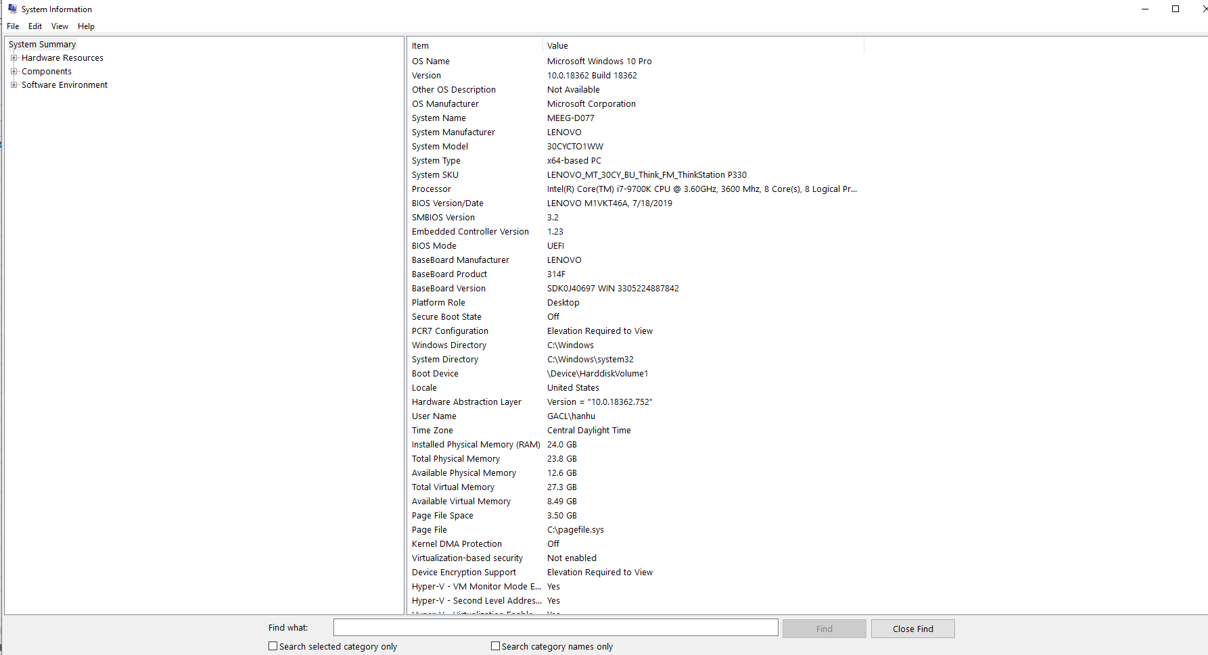
Item # | Make | Model | Person in Charge | Location | CPU | RAM | Video Card | Hard Drive | Notes
1 | Lenovo | ThinkStation P330 | Han Hu | MEEG 106 | Intel(R) Core(TM) i7-9700K CPU @ 3.60GHz, 3600 Mhz, 8 Core(s), 8 Logical Processor(s) | 24 GB | NVIDIA GeForce RTX 2060 with 6GB GDDR6 | 512 GB SSD + 1 TB SATA | Office, Data Analysis, Coding, Simulation - Han Hu
2 | Lenovo | ThinkCentre V530s SFF | Hari Pandey | ENRC 3414 | Intel(R) Core(TM) i5-9400 CPU @2.90Hz, 2.90 GHz | 16 GB | Intel(R) UHD Graphics 630 |  | Pool boiling facility
3 | Dell | Precision 7820 Tower | Joseph Dees | ENRC 3414 | Intel(R) Xeon(R) Gold 5218 CPU @ 2.30GHz, 2295 Mhz, 16 Core(s), 32 Logical Processor(s) | 32 GB | NVIDIA Quadro P2000 |  | Computation
4 | Dell | Optiplex 7070 | Joseph Dees | ENRC 3414 | Intel(R) Core(TM) i5-9500T CPU @2.20GHz, 2208 Mhz, 6 Core(s), 6 Logical Processor(s) | 16 GB | Intel(R) UHD Graphics 630 |  | Contact angle goniometer
5 | Dell | Precision 7540 | Hari Pandey | Mobile Workstation |  |  |  |  | Office, Data Analysis, Coding, Simulation - Hari Pandey
6 | Dell | Precision 7540 | Connor Heo | Mobile Workstation |  |  |  |  | Office, Data Analysis, Coding, Simulation - Connor Heo
7 | MSI | WF65 | Joseph Dees | Mobile Workstation | Intel(R) Core(TM) i7-10750H CPU @2.60GHz, 2593 Mhz, 6 Core(s), 12 Logical Processor(s) | 16 GB | NVIDIA Quadro P620 4GB GDDR6 | 512 GB SSD | Office, Data Analysis, Coding, Simulation - Joseph Dees
8 | Lenovo | Thinkpad T530 |  | Laptop | Intel(R) Core(TM) i5-3210M CPU @ 2.50GHz, 2501 Mhz, 2 Core(s), 4 Logical Processor(s) | 8 GB | NVIDIA NVS 5400M | 157 GB SSD
9 | Lenovo | IdeaCenter T540 |  | ENRC 3414 | Intel(R) Core(TM) i7-9700K CPU @ 3.0GHz, 3000 Mhz, 8 Core(s), 8 Logical Processor(s) | 16 GB | Intel(R) UHD Graphics 630
10 | ByteSpeed | Gravity B560M |  | MEEG 106 | Intel(R) Core(TM) i7-10700 CPU @ 2.90GHz, 2904 Mhz, 8 Core(s), 16 Logical Processor(s) | 32 GB | NVIDIA GeForce GTX 1660 SUPER
11 | Lenovo | Thinkstation P340 |  | MEEG 106 | Intel(R) Core(TM) i9-10900K CPU @ 3.70GHz, 3696 Mhz, 10 Core(s), 20 Logical Processor(s) | 32 GB | NVIDIA Geforce RTX 2060

 | Instructions
 | 1. Copy CPU information from System Information | 2. Find memory from System Information | 3. Find video card from Device Manager

