Primary Academic Plan
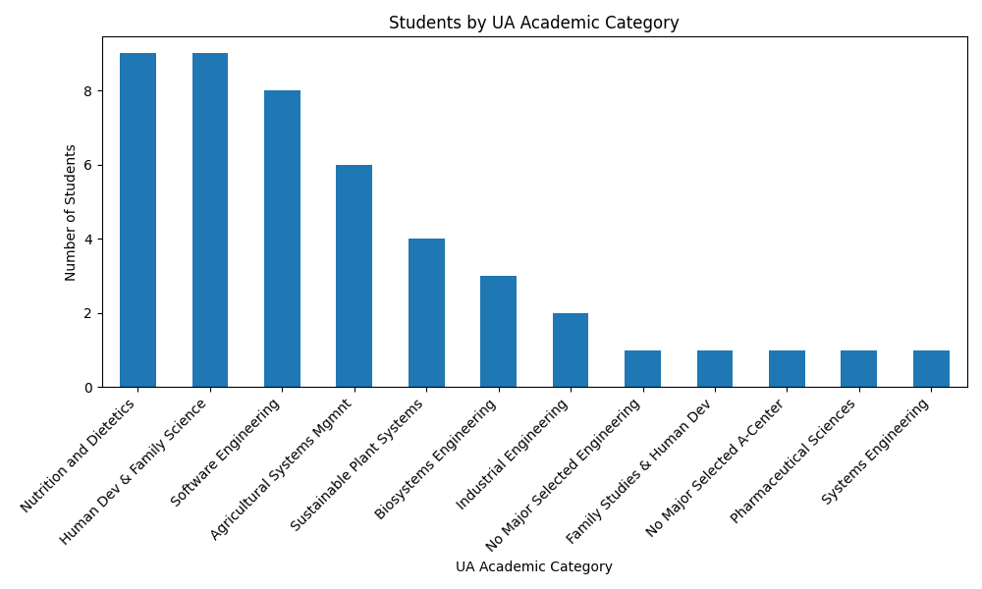
Primary Academic Plan | count
Nutrition and Dietetics | 9
Human Dev & Family Science | 9
Software Engineering | 8
Agricultural Systems Mgmnt | 6
Sustainable Plant Systems | 4
Biosystems Engineering | 3
Industrial Engineering | 2
No Major Selected Engineering | 1
Family Studies & Human Dev | 1
No Major Selected A-Center | 1
Pharmaceutical Sciences | 1
Systems Engineering | 1

Report_Status
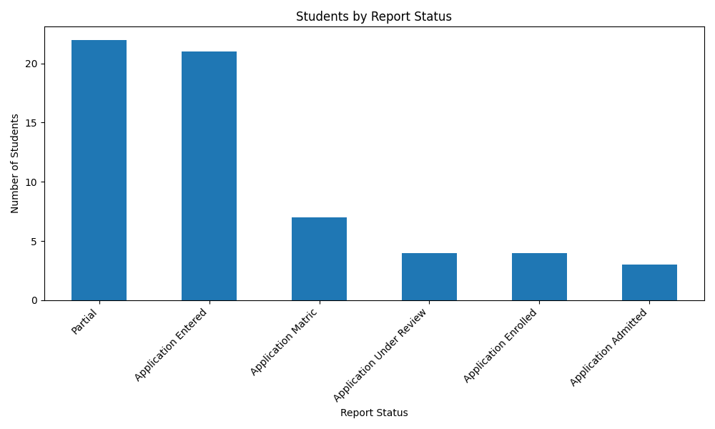
Report Status | count
Partial | 22
Application Entered | 21
Application Matric | 7
Application Under Review | 4
Application Enrolled | 4
Application Admitted | 3

