Sheet1
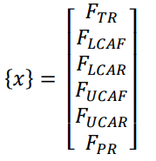
This excel sheet works by inserting the coordinates of your ball joints according to the coordinate system shown in the images |  |  |  |  |  |  |  |  |  |  |  |  | Research Paper Hardpoints |  |  |  |  |  |  |  |  |  |  |  |  |  | Video Hardpoints |  |  |  |  |  |  |  |  |  |  |  |  |  | Brightside Hardpoints |  |  |  |  |  |  |  |  |  |  |  |  | Brightside Hardpoints Old
Explanation of variables:
I_LCA_R | Inboard Lower Control Arm Rear balljoint |  |  |  |  | Coordinates |  |  |  |  |  |  |  | O | I_LCA_R | O_LCA | I_LCA_F | I_UCA_R | O_UCA | I_UCA_F | O_PR | I_PR | O_TR | I_TR | WC | TP | O | I_LCA_R | O_LCA | I_LCA_F | I_UCA_R | O_UCA | I_UCA_F | O_PR | I_PR | O_TR | I_TR | WC | TP | MomCent | O | I_LCA_R | O_LCA | I_LCA_F | I_UCA_R | O_UCA | I_UCA_F | O_PR | I_PR | O_TR | I_TR | WC | TP | O | I_LCA_R | O_LCA | I_LCA_F | I_UCA_R | O_UCA | I_UCA_F | O_PR | I_PR | O_TR | I_TR | WC | TP | MomCent
I_LCA_F | Inboard Lower Control Arm Front balljoint |  |  |  |  | x (mm) |  |  |  |  |  |  |  | 0 | 29 | 25 | 21 | 30 | 26.175 | 20 | 25.004 | 27.058 | 23.084 | 21.503 | 25.753 | 25.753 | 0 | -0.733 | -0.59 | -0.53 | -0.705 | -0.61 | -0.46 | -0.61 | -0.59 | -0.5 | -0.5 | -0.587 | -0.587 | 0 | 0 | 1.2722 | 1.380653 | 1.489107 | 1.268 | 1.356 | 1.442 | 1.387 | 1.387 | 1.317 | 1.288 | 1.371 | 1.371 | 0 | 1.2722 | 1.380653 | 1.489107 | 1.268 | 1.356 | 1.442 | 1.387 | 1.387 | 1.317 | 1.288 | 1.371 | 1.371 | 0
O_LCA | Outboard Lower Control Arm balljoint |  |  |  |  | y (mm) |  |  |  |  |  |  | inches | 0 | 6.9 | 23.679 | 6.9 | 9.7 | 22.512 | 9.7 | 22.335 | 12.63 | 24.342 | 7.755 | 25.523 | 25.523 | 0 | 0.23 | 0.52 | 0.225 | 0.2 | 0.505 | 0.188 | 0.505 | 0.25 | 0.52 | 0.13 | 0.58 | 0.58 | 0 | 0 | 0.1035 | 0.365331 | 0.1035 | 0.208 | 0.345 | 0.208 | 0.333 | 0.184 | 0.344 | 0.163 | 0.449 | 0.449 | 0 | 0.1035 | 0.365331 | 0.1035 | 0.208 | 0.345 | 0.208 | 0.333 | 0.184 | 0.344 | 0.163 | 0.449 | 0.449 | 0
I_UCA_R | Inboard Upper Control Arm Rear balljoint |  |  |  |  | z (mm) |  |  |  |  |  |  |  | 0 | 5.75 | 5.228 | 5.75 | 11.4 | 12.729 | 11.4 | 6.251 | 21.636 | 7.079 | 7.098 | 8.977 | 0 | 0 | 0.087 | 0.135 | 0.065 | 0.188 | 0.352 | 0.225 | 0.352 | 0.11 | 0.2 | 0.18 | 0.3 | 0 | 0 | 0 | 0.046546 | 0.04654 | 0.046546 | 0.249 | 0.251 | 0.249 | 0.0788 | 0.227 | 0.17 | 0.189 | 0.157 | 0 | 0 | 0.172546 | 0.17254 | 0.172546 | 0.375 | 0.377 | 0.375 | 0.2048 | 0.353 | 0.296 | 0.315 | 0.283 | 0 | 0
I_UCA_F | Inboard Upper Control Arm Front balljoint
O_UCA | Outboard Upper Control Arm balljoint |  |  |  |  |  |  |  |  |  |  |  |  | F |  |  |  |  |  |  |  |  |  |  |  |  | F |  |  |  |  |  |  |  |  |  |  |  |  |  | F |  |  |  |  |  |  |  |  |  |  |  |  | F
O_PR | Outboard Push Rod |  |  |  |  |  |  |  |  |  |  |  |  | 367.87 |  |  |  |  |  |  |  |  |  |  |  |  | 956 |  |  |  |  |  |  |  |  |  |  |  |  |  | -1803 |  |  |  |  |  |  |  |  |  |  |  |  | -1803
I_PR | Inboard Push Rod |  |  |  |  |  |  |  |  |  |  |  | lbs | 274.53 |  |  |  |  |  |  |  |  |  |  |  |  | 0 |  |  |  |  |  |  |  |  |  |  |  |  |  | -901 |  |  |  |  |  |  |  |  |  |  |  |  | -901
O_TR | Outboard Tie Rod |  |  |  |  |  |  |  |  |  |  |  |  | 274.53 |  |  |  |  |  |  |  |  |  |  |  |  | 956 |  |  |  |  |  |  |  |  |  |  |  |  |  | 2824 |  |  |  |  |  |  |  |  |  |  |  |  | 2824
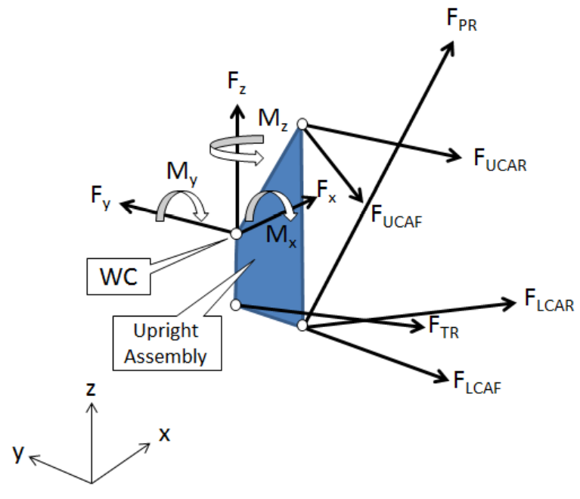
I_TR | Inboard Tie Rod
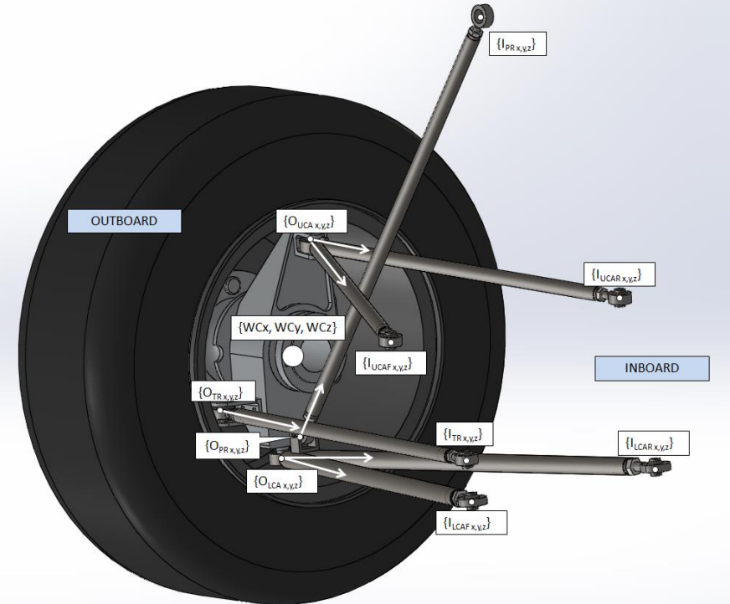
WC | Wheel center |  |  |  |  |  |  |  |  |  |  |  |  |  |  |  |  |  |  |  |  |  |  |  |  |  |  |  |  |  |  |  |  |  |  |  |  |  |  |  |  |  |  |  |  |  |  |  |  |  |  |  |  | Old Z: | 0.046546 | 0.04654 | 0.046546 | 0.249 | 0.251 | 0.249 | 0.0788 | 0.227 | 0.17 | 0.189 | 0.157
TP | Tire Patch |  |  |  |  |  |  |  |  |  |  |  |  |  |  |  |  |  |  |  |  |  |  |  |  |  |  |  |  |  |  |  |  |  |  |  |  |  |  |  |  |  |  |  |  |  |  |  |  |  |  |  |  | Δradius
MomCent | Moment Center for moment calculations |  |  |  |  |  |  |  |  |  |  |  |  |  |  |  |  |  |  |  |  |  |  |  |  |  |  |  |  |  |  |  |  |  |  |  |  |  |  |  |  |  |  |  |  |  |  |  |  |  |  |  |  | 0.126
 |  |  |  |  | Forces
F | Force on contact patch |  |  |  | N |  |  |  |  |  |  |  |  |  |  |  |  |  |  |  |  |  |  |  |  |  |  |  |  |  |  |  |  |  |  |  |  |  |  |  |  |  |  |  |  |  |  |  |  |  |  |  |  | Old Z + Δr: | 0.172546 | 0.17254 | 0.172546 | 0.375 | 0.377 | 0.375 | 0.2048 | 0.353 | 0.296 | 0.315 | 0.283

O | I_LCA_R | O_LCA | I_LCA_F | I_UCA_R | O_UCA | I_UCA_F | O_PR | I_PR | O_TR | I_TR | WC | TP | MomCent
0 | 0.50392100004 | 0.43900000004 | 0.37464700004 | 0.53262000004 | 0.46200000004 | 0.39078900004 | 0.45895500004 | 0.42223851625 | 0.35762400004 | 0.415 | 0.45000000004 | 0.45 | 0
0 | 0.208 | 0.366 | 0.208 | 0.230844 | 0.3435 | 0.230844 | 0.319163 | 0.25409626739 | 0.36439 | 0.218 | 0.45 | 0.45 | 0
0 | 0.169 | 0.169 | 0.169 | 0.383203 | 0.395 | 0.383203 | 0.42306 | 0.64290994012 | 0.199 | 0.197 | 0.283 | 0 | 0

F
-1803
-901
2824

 | 503.92100004 | 439.00000004 | 374.64700004 | 532.62000004 | 462.00000004 | 390.78900004 | 458.95500004 | 422.23851625 | 357.62400004 | 415 | 450.00000004 | 450
 | 208 | 366 | 208 | 230.844 | 343.5 | 230.844 | 319.163 | 254.09626739 | 364.39 | 218 | 450 | 450
 | 169 | 169 | 169 | 383.203 | 395 | 383.203 | 423.06 | 642.90994012 | 199 | 197 | 283 | 0

