Average
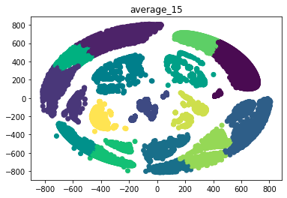
 | accuracy | precision | recall | f1_score | log loss | Model
decision_tree | 0.91428571429 | 0.93095238095 | 0.91428571429 | 0.9143977591 | 2.9604665481 | AdaBoost
knn | 0.8 | 0.80952380952 | 0.8 | 0.80201680672 | 2.2642768239 | Bagging
kernel_svm | 0.82857142857 | 0.82181818182 | 0.82857142857 | 0.81011337868 | 0.51328973108 | Decision Tree
logistic_regression | 0.8 | 0.79428571429 | 0.8 | 0.78904403867 | 0.57081214183 | Extremely Random Trees
naive_bayse | 0.68571428571 | 0.74444444444 | 0.68571428571 | 0.68102659246 | 8.9659621899 | Gradient Boost
random_forest | 0.91428571429 | 0.93095238095 | 0.91428571429 | 0.9143977591 | 0.42625415733 | K-Nearest Neighbours (KNN)
extremely_random_trees | 0.91428571429 | 0.93095238095 | 0.91428571429 | 0.9143977591 | 1.1615747752 | Kernel SVM
bagging | 0.91428571429 | 0.93095238095 | 0.91428571429 | 0.9143977591 | 0.26825530085 | Logistic Regression
adaboost | 0.48571428571 | 0.37206349206 | 0.48571428571 | 0.40967320261 | 1.8522754822 | Naive Bayse
gradientboost | 0.91428571429 | 0.93095238095 | 0.91428571429 | 0.9143977591 | 0.44483340621 | Random Forest

Complete
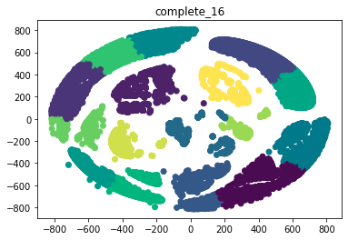
 | accuracy | precision | recall | f1_score | log loss
decision_tree | 0.88571428571 | 0.90952380952 | 0.88571428571 | 0.88210338681 | 3.9472887308
knn | 0.85714285714 | 0.88571428571 | 0.85714285714 | 0.86160166631 | 1.2756106834
kernel_svm | 0.82857142857 | 0.82181818182 | 0.82857142857 | 0.81011337868 | 0.50969288912
logistic_regression | 0.8 | 0.79682539683 | 0.8 | 0.78932748538 | 0.83792603476
naive_bayse | 0.65714285714 | 0.70476190476 | 0.65714285714 | 0.64285714286 | 9.0515273876
random_forest | 0.94285714286 | 0.95238095238 | 0.94285714286 | 0.94487394958 | 0.37855188117
extremely_random_trees | 0.94285714286 | 0.95238095238 | 0.94285714286 | 0.94487394958 | 1.1016575307
bagging | 0.91428571429 | 0.92857142857 | 0.91428571429 | 0.91283931755 | 0.30294222724
adaboost | 0.54285714286 | 0.52380952381 | 0.54285714286 | 0.49370681606 | 1.1612761119
gradientboost | 0.88571428571 | 0.91428571429 | 0.88571428571 | 0.88936016512 | 0.49071524745

K-Means
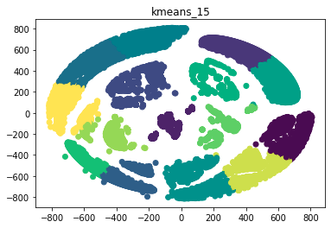
 | accuracy | precision | recall | f1_score | log loss
decision_tree | 0.91428571429 | 0.93095238095 | 0.91428571429 | 0.9143977591 | 2.9604665481
knn | 0.8 | 0.83452380952 | 0.8 | 0.80289321789 | 1.3036343764
kernel_svm | 0.82857142857 | 0.82181818182 | 0.82857142857 | 0.81011337868 | 0.52131068373
logistic_regression | 0.82857142857 | 0.80086580087 | 0.82857142857 | 0.8052991453 | 0.46666665828
naive_bayse | 0.65714285714 | 0.69292929293 | 0.65714285714 | 0.62734693878 | 9.9664830321
random_forest | 0.88571428571 | 0.91428571429 | 0.88571428571 | 0.88936016512 | 0.46199688287
extremely_random_trees | 0.91428571429 | 0.93095238095 | 0.91428571429 | 0.9143977591 | 1.2282493601
bagging | 0.88571428571 | 0.91428571429 | 0.88571428571 | 0.88936016512 | 0.31505906168
adaboost | 0.54285714286 | 0.52380952381 | 0.54285714286 | 0.49370681606 | 1.1455907794
gradientboost | 0.88571428571 | 0.91428571429 | 0.88571428571 | 0.88936016512 | 0.72444565457

Single20
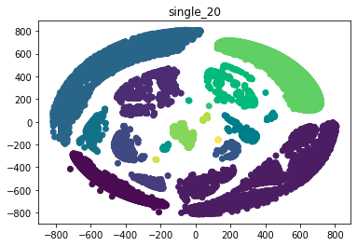
 | accuracy | precision | recall | f1_score | log loss
decision_tree | 0.94285714286 | 0.95238095238 | 0.94285714286 | 0.94487394958 | 1.9736443654
knn | 0.91428571429 | 0.92640692641 | 0.91428571429 | 0.91425170068 | 1.2374913017
kernel_svm | 0.82857142857 | 0.82181818182 | 0.82857142857 | 0.81011337868 | 0.53472822366
logistic_regression | 0.8 | 0.77021645022 | 0.8 | 0.77680648508 | 0.49058690334
naive_bayse | 0.57142857143 | 0.62793650794 | 0.57142857143 | 0.52473601586 | 13.903797761
random_forest | 0.91428571429 | 0.93095238095 | 0.91428571429 | 0.9143977591 | 0.31030356652
extremely_random_trees | 0.94285714286 | 0.95238095238 | 0.94285714286 | 0.94487394958 | 1.0546157772
bagging | 0.94285714286 | 0.95238095238 | 0.94285714286 | 0.94487394958 | 0.19613896262
adaboost | 0.54285714286 | 0.52380952381 | 0.54285714286 | 0.49370681606 | 1.1455907794
gradientboost | 0.94285714286 | 0.95238095238 | 0.94285714286 | 0.94487394958 | 0.21361263465

Single25
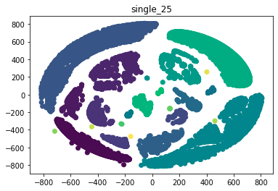
 | accuracy | precision | recall | f1_score | log loss
decision_tree | 0.94285714286 | 0.95238095238 | 0.94285714286 | 0.94487394958 | 1.9736443654
knn | 0.91428571429 | 0.92640692641 | 0.91428571429 | 0.91425170068 | 1.2520863195
kernel_svm | 0.82857142857 | 0.82181818182 | 0.82857142857 | 0.81011337868 | 0.52440475892
logistic_regression | 0.82857142857 | 0.80086580087 | 0.82857142857 | 0.8052991453 | 0.46397590592
naive_bayse | 0.6 | 0.63261183261 | 0.6 | 0.53962323391 | 13.013051814
random_forest | 0.91428571429 | 0.93095238095 | 0.91428571429 | 0.9143977591 | 0.30357217917
extremely_random_trees | 0.94285714286 | 0.95238095238 | 0.94285714286 | 0.94487394958 | 1.0532262162
bagging | 0.94285714286 | 0.95238095238 | 0.94285714286 | 0.94487394958 | 0.20646598813
adaboost | 0.54285714286 | 0.52380952381 | 0.54285714286 | 0.49370681606 | 1.1455907794
gradientboost | 0.94285714286 | 0.95238095238 | 0.94285714286 | 0.94487394958 | 0.19786288922

VBGM
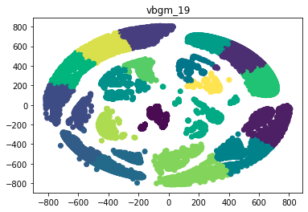
 | accuracy | precision | recall | f1_score | log loss
decision_tree | 0.94285714286 | 0.95497835498 | 0.94285714286 | 0.94445532059 | 1.9736443654
knn | 0.8 | 0.81523809524 | 0.8 | 0.79725490196 | 3.2032711085
kernel_svm | 0.8 | 0.80800865801 | 0.8 | 0.78178932179 | 0.49861666262
logistic_regression | 0.77142857143 | 0.73904761905 | 0.77142857143 | 0.74914208598 | 0.68185470253
naive_bayse | 0.62857142857 | 0.7129004329 | 0.62857142857 | 0.62027210884 | 8.8610469655
random_forest | 0.91428571429 | 0.92640692641 | 0.91428571429 | 0.91222088836 | 0.34482515642
extremely_random_trees | 0.91428571429 | 0.92640692641 | 0.91428571429 | 0.91222088836 | 0.19848103369
bagging | 0.91428571429 | 0.93095238095 | 0.91428571429 | 0.9143977591 | 0.23907089832
adaboost | 0.74285714286 | 0.72789115646 | 0.74285714286 | 0.7226984127 | 1.6846608693
gradientboost | 0.94285714286 | 0.94902597403 | 0.94285714286 | 0.93888755502 | 0.45890768666

Ward
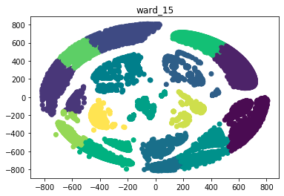
 | accuracy | precision | recall | f1_score | log loss
decision_tree | 0.91428571429 | 0.92640692641 | 0.91428571429 | 0.91222088836 | 2.9604665481
knn | 0.74285714286 | 0.75714285714 | 0.74285714286 | 0.74575307046 | 1.3727877515
kernel_svm | 0.82857142857 | 0.82181818182 | 0.82857142857 | 0.81011337868 | 0.52095199751
logistic_regression | 0.8 | 0.79515151515 | 0.8 | 0.78481937444 | 0.50654147721
naive_bayse | 0.68571428571 | 0.74444444444 | 0.68571428571 | 0.68102659246 | 8.970314474
random_forest | 0.91428571429 | 0.93095238095 | 0.91428571429 | 0.9143977591 | 1.3143478844
extremely_random_trees | 0.91428571429 | 0.93095238095 | 0.91428571429 | 0.9143977591 | 2.062002277
bagging | 0.91428571429 | 0.93095238095 | 0.91428571429 | 0.9143977591 | 0.35177822612
adaboost | 0.48571428571 | 0.3713267125 | 0.48571428571 | 0.40973544974 | 1.8667245189
gradientboost | 0.88571428571 | 0.91428571429 | 0.88571428571 | 0.88936016512 | 0.89897914571

