Phase1_UserInterface
main.html
■UserInterface(Phase1)
 | TopPage |  |  |  | csv text → GraphImage Writing
 |  |  |  |  | (Using JavaScript, HTML5)
201510170000,17,50,0100
201510170005,17,50,0100
201510170010,18,50,0100
201510170015,17,50,0100

Area Data Infmation

 |  |  | ★At first, to read the data from a file rather than a database.
Area (Select Box)
Rainfall-Daily
 | Rainfall
AM0:00 | 100
AM3:00 | 120
AM6:00 | 150
AM9:00 | 200
AM12:00 | 300
PM15:00 | 200
WaterLevel - Daily
Area Data ( from pi)
YYYYMMDD_Rainfall_01_csv.txt

water
Level
Daily Graph Image Button

 |  |  |  | YYYYMMDD_Rainfall_01_csv.txt (DataModel)
 |  |  |  | Timestamp(12) |  | Temp(2) |  | Hum(2) |  | Waterlevel(4)
 |  |  |  | YYYYMMDDhhmm |  |  | ℃ |  | % |  | cm
Area Data Graph Image
 |  |  |  | 201510170000 |  | 17 |  | 50 |  | 100

Area Data Graph Image
 |  | (InnerHTML)

Rainfall-Daily
 | Rainfall
AM0:00 | 100
AM3:00 | 120
AM6:00 | 150
AM9:00 | 200
AM12:00 | 300
PM15:00 | 200
Temp & Hum - Daily

Phase2_UserInterface
■UserInterface(Phase2)
main.html

USER_MENU
 | 【LOGIN】 |  |  |  | DataBase

CUSTOMER_INFOMATION

LoginProgram(Ruby)
ADMIN_MENU
 |  |  |  |  |  |  |  |  |  | userMyPage.html
 |  | (Input TextBox)
LOGIN button
NickName or Email
PASSWORD

■Authentication Logic
・User Login
・Administrator Login
 |  |  |  |  |  |  |  |  |  | adminMyPage.html
 |  |  | userLogin.html
LOGIN_ERROR

CUSTOMER_INFOMATION
 |  |  |  |  | DataBase |  |  |  |  | loginError.html
 | 【REGISTRATION】

 |  | (Input TextBox)
NickName
Area
Email
TwitterAcount
RegistProgram(Ruby)
REGIST button
USER_MENU

■Registration Logic
・User Registration
 |  |  |  |  |  |  |  |  |  | userMyPage.html
 |  | userRegist.html

Area Data Infmation

Rainfall-Daily
 | Rainfall
AM0:00 | 100
AM3:00 | 120
AM6:00 | 150
AM9:00 | 200
AM12:00 | 300
PM15:00 | 200
Area (Select Box)

Area Data ( from pi)

 |  |  |  |  |  |  |  |  | ★To read the data from database.

Daily Graph Image Button
Monthly Graph Image Button
water
Level
 |  |  |  |  |  |  |  |  | Daily
 |  |  |  |  |  |  |  |  | GraphImage.rb?type=D&date=YYYYMMDD
 |  |  |  |  |  |  |  |  | Monthly
Yearly Graph Image Button
 |  |  |  |  |  |  |  |  | GraphImage.rb?type=M&date=YYYYMMDD
 |  |  |  |  |  |  |  |  | Yearly
Area Data Graph Image
 |  |  |  |  |  |  |  |  | GraphImage.rb?type=Y&date=YYYYMMDD
Rainfall-Daily
 | Rainfall
AM0:00 | 100
AM3:00 | 120
AM6:00 | 150
AM9:00 | 200
AM12:00 | 300
PM15:00 | 200
Temp & Hum - Daily

Temp & Hum - Daily
Area Data Graph Image

Area Map Link

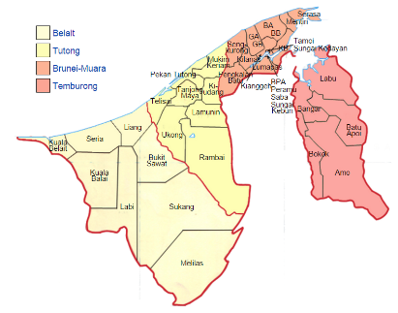
Camera Live Page Image
ImageDispatcher
Program(Ruby)
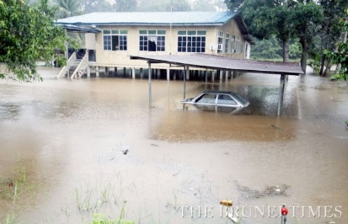

Safe as usel
Danger
Be careful

 |  |  |  |  |  |  |  | cameraImage.html?Area=XXX&type=RF
 |  |  |  |  |  | Camera Image
 |  |  |  | DataBase
AREA_INFOMATION

Area Data Photo Image
 | InnerHTML
Camera Live Page Image(Rubbish)
Rubbish Infomation
ImageDispatcher
Program(Ruby)

Area (Select Box)

Clean(0%～30%)
Durty(70%～100%)
Be careful(30%～70%)

 |  |  |  |  |  |  | cameraImage.html?Area=XXX&type=RB

Area Data Photo Image

 | InnerHTML

