①Grovepi+ × WaterSensor
GrovePi+ × WaterSensor Sample

 | http://www.seeedstudio.com/wiki/GrovePi%2B

 | 【Example】 |  |  |  | router/Hub

 | IP |  |  |  |  |  |  |  |  | IP
 | 192.168.0.1 |  |  |  |  |  |  |  |  | 192.168.0.6
 |  |  | SSH Protocol

 |  |  |  |  |  |  |  |  | pi |  |  |  | Grovepi+
 |  |  |  | LAN cable

 | Your Windows machine |  |  |  |  | USB Port

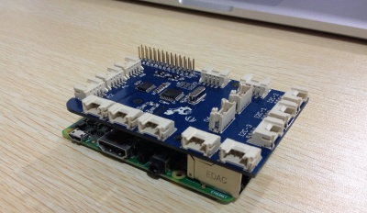
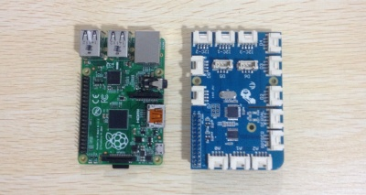

Features!
Grove compatible interface
Low power consumption
2.0cm x 2.0cm Grove module
High sensitivity
★Applications Ideas
・Rainfall detecting
・Liquid leakage
・Tank overflow detector
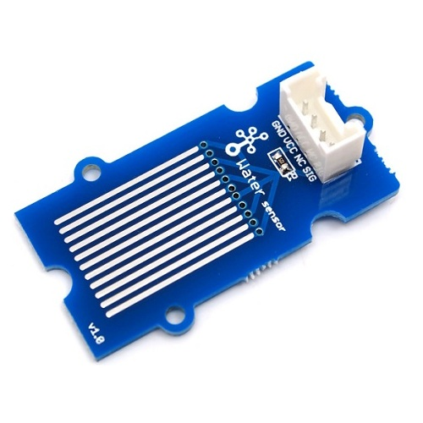

 | The Water Sensor module is part of the Grove system.
 | It indicates whether the sensor is dry, damp or completely immersed in water by measuring conductivity.
 | The sensor traces have a weak pull-up resistor of 1 MΩ.
 | The resistor will pull the sensor trace value high until a drop of water shorts the sensor trace to the grounded trace.

 | With Raspberry Pi

 | 1.You should have got a raspberry pi and a grovepi or grovepi+.

 | 2.You should have completed configuring the development enviroment, otherwise follow here. |  |  |  |  |  |  |  |  |  |  |  |  |  | SEE Raspberrypi_InstallGuide_Vol3.xlsx

 | 3.Connection
 | Plug the sensor to grovepi socket D2 by using a grove cable.

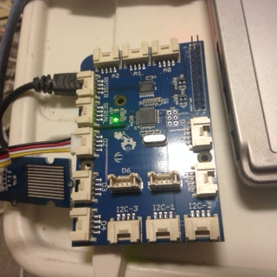

 |  |  |  |  |  |  | ← socket D2

 |  |  |  |  |  |  | WaterSensor

 | DefaultAcount |  |  |  |  |  |  | Login pi user
 | USER |  |  | pi
 | PASSWORD |  |  | raspberry |  |  |  | Default Password

 | Acount |  |  |  |  |  |  | Login pi user
 | USER |  |  | pi
 | PASSWORD |  |  | enpit2015 |  |  |  | Change pi Password

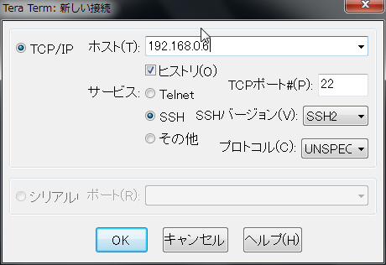
 |  |  |  |  |  |  |  |  |  |  |  | TeraTerm Login

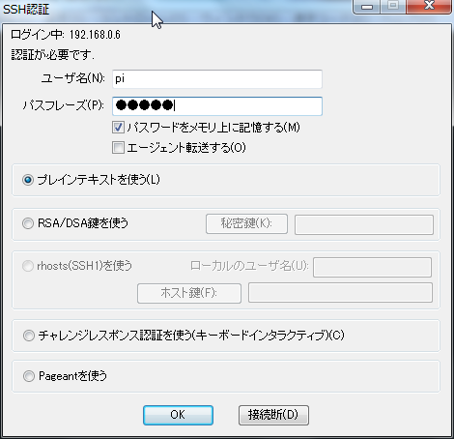

USERNAME
 |  |  |  |  |  |  |  |  |  |  | type
 |  |  |  |  |  |  |  |  |  |  | USERNAME |  |  | pi
 |  |  |  |  |  |  |  |  |  |  | PASSWORD |  |  | enpit2015
PASS WORD

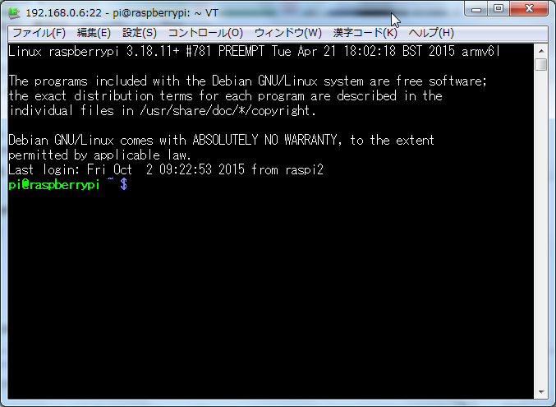
 |  |  |  |  |  |  |  |  |  |  |  |  |  |  |  |  | Teraterm Login

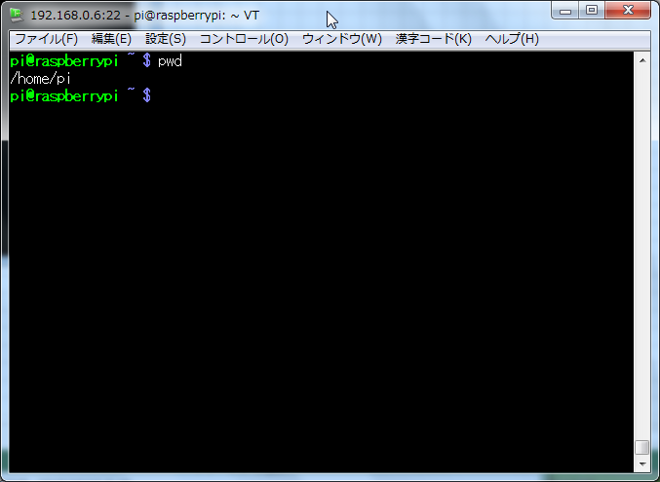
 |  |  |  |  |  |  |  |  |  |  |  |  |  |  |  | type "pwd"

 |  |  |  |  |  |  |  |  |  |  |  |  |  |  |  | /home/pi → Current Directory

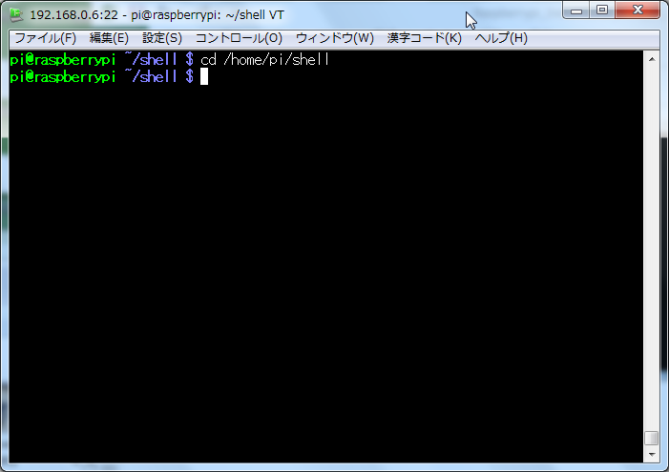
 | Copy 「Python」 Directory
 |  |  |  |  |  |  |  |  |  |  |  |  |  |  |  |  | type cd /home/pi/shell

 |  |  |  |  |  |  |  |  |  |  |  |  |  |  |  | type cp -pfr /home/pi/GrovePi/Software/Python/ .
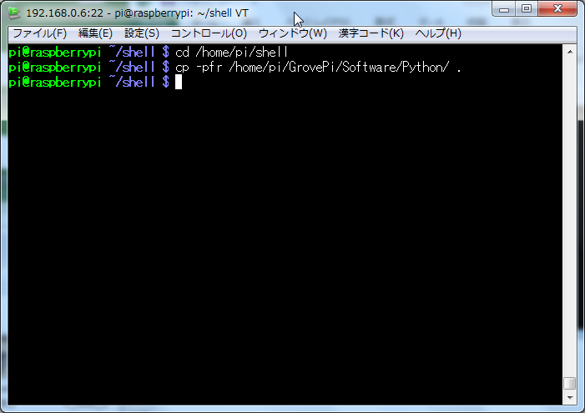

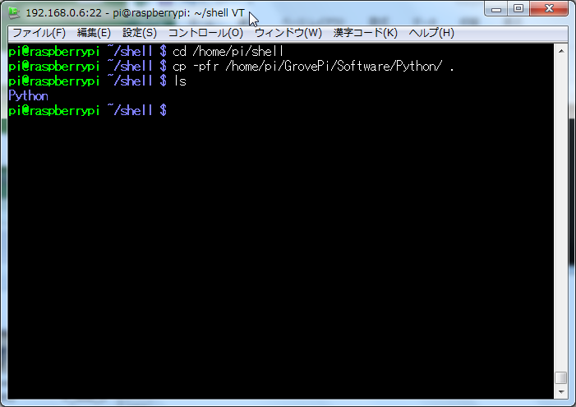
 |  |  |  |  |  |  |  |  |  |  |  |  |  |  |  |  |  | type ls

 |  |  |  |  |  |  |  |  |  |  |  |  |  |  |  |  |  |  | Python Directory

 |  |  |  |  |  |  |  |  |  |  |  |  |  |  |  |  |  |  | (SampleCode Directory)

 | Change Directory
 |  |  |  |  |  |  |  |  |  |  |  |  |  |  |  |  |  | type cd Python

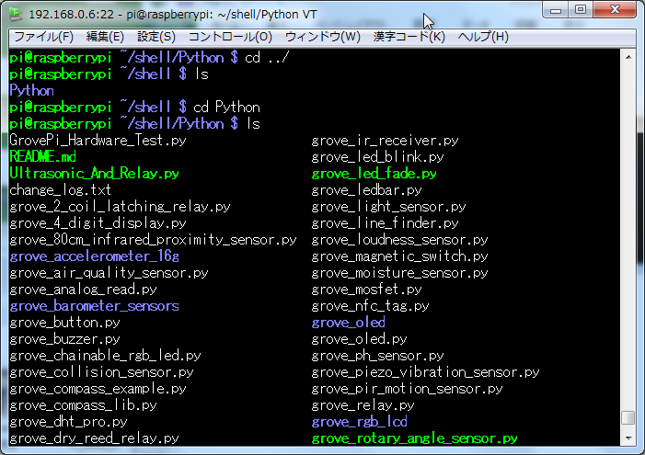
 | Show Sample Programs
 |  |  |  |  |  |  |  |  |  |  |  |  |  |  |  |  |  | (Now /home/pi/shell/Python/)
 |  |  |  |  |  |  |  |  |  |  |  |  |  |  |  |  |  | type ls

 | Coding Sample Python Script
 |  |  |  |  |  |  |  |  |  |  |  |  |  |  |  |  |  | type view grove_water_sensor2.py
 |  | type view grove_water_sensor2.py
#!/usr/bin/env python
import time
import grovepi
import os
import sys
# Connect the Grove Water Sensor to digital port D2
# SIG,NC,VCC,GND
water_sensor = 2
grovepi.pinMode(water_sensor,"INPUT")
while True:
try:
print (grovepi.digitalRead(water_sensor))
time.sleep(.5)
if grovepi.digitalRead(water_sensor) == 0:
print ("NG")
os.system('date -R >> /home/pi/logs/water_sensor.txt')
else:
print ("OK")
except IOError:
print ("Error")

 |  | type :wq!

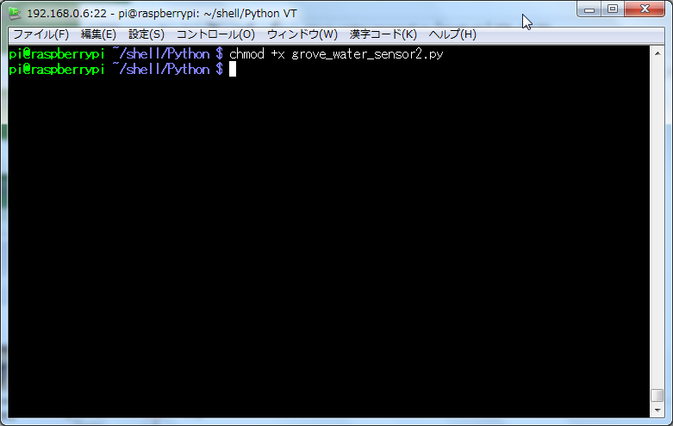
 |  |  |  |  |  |  |  |  |  |  |  |  |  |  |  |  |  |  |  | type chmod +x grove_water_sensor2.py

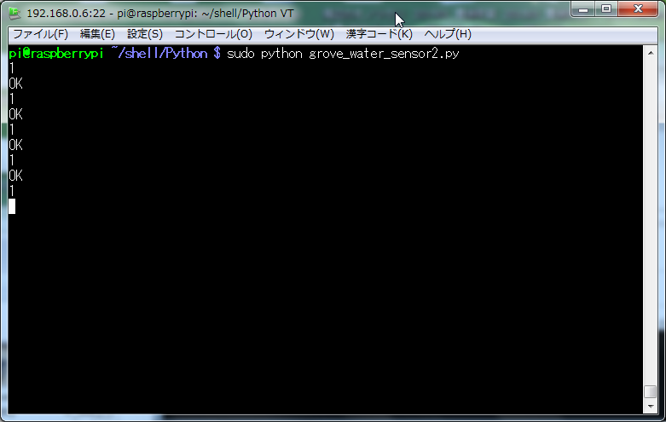
 |  |  |  |  |  |  |  |  |  |  |  |  |  |  |  |  |  |  |  | ※ Press 「Ctrl + c」 it will be Stopped.
 |  |  |  |  |  |  |  |  |  |  |  |  |  |  |  |  |  |  |  | type sudo python grove_water_sensor2.py

 |  |  |  |  |  |  |  |  |  |  |  |  |  |  |  |  |  |  |  | Dry → Output 1 and OK

 |  | The Sensor drop the Water


 |  |  |  |  |  |  |  |  |  |  |  |  |  |  |  |  |  |  |  |  | Drop the Water → Output 0 and NG

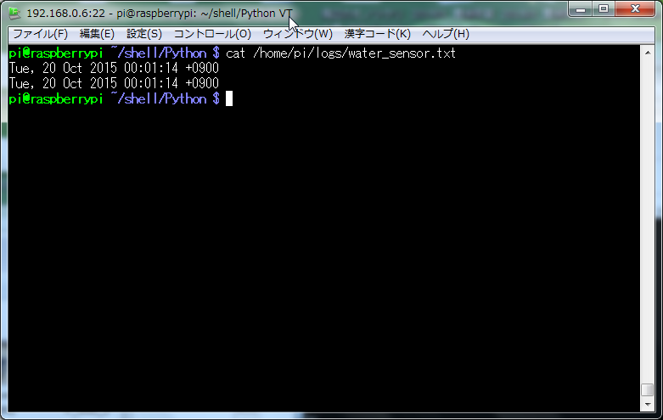
 |  | And Logging Date
 |  |  |  |  |  |  |  |  |  |  |  |  |  |  |  |  |  |  |  |  | Error Logging
 |  |  |  |  |  |  |  |  |  |  |  |  |  |  |  |  |  |  |  |  | /home/pi/logs/water_sensor.txt

