Sheet1
1. Please put camera cable as below picture.
Look carefully of camera sensor cable side. Blue side should be upside.

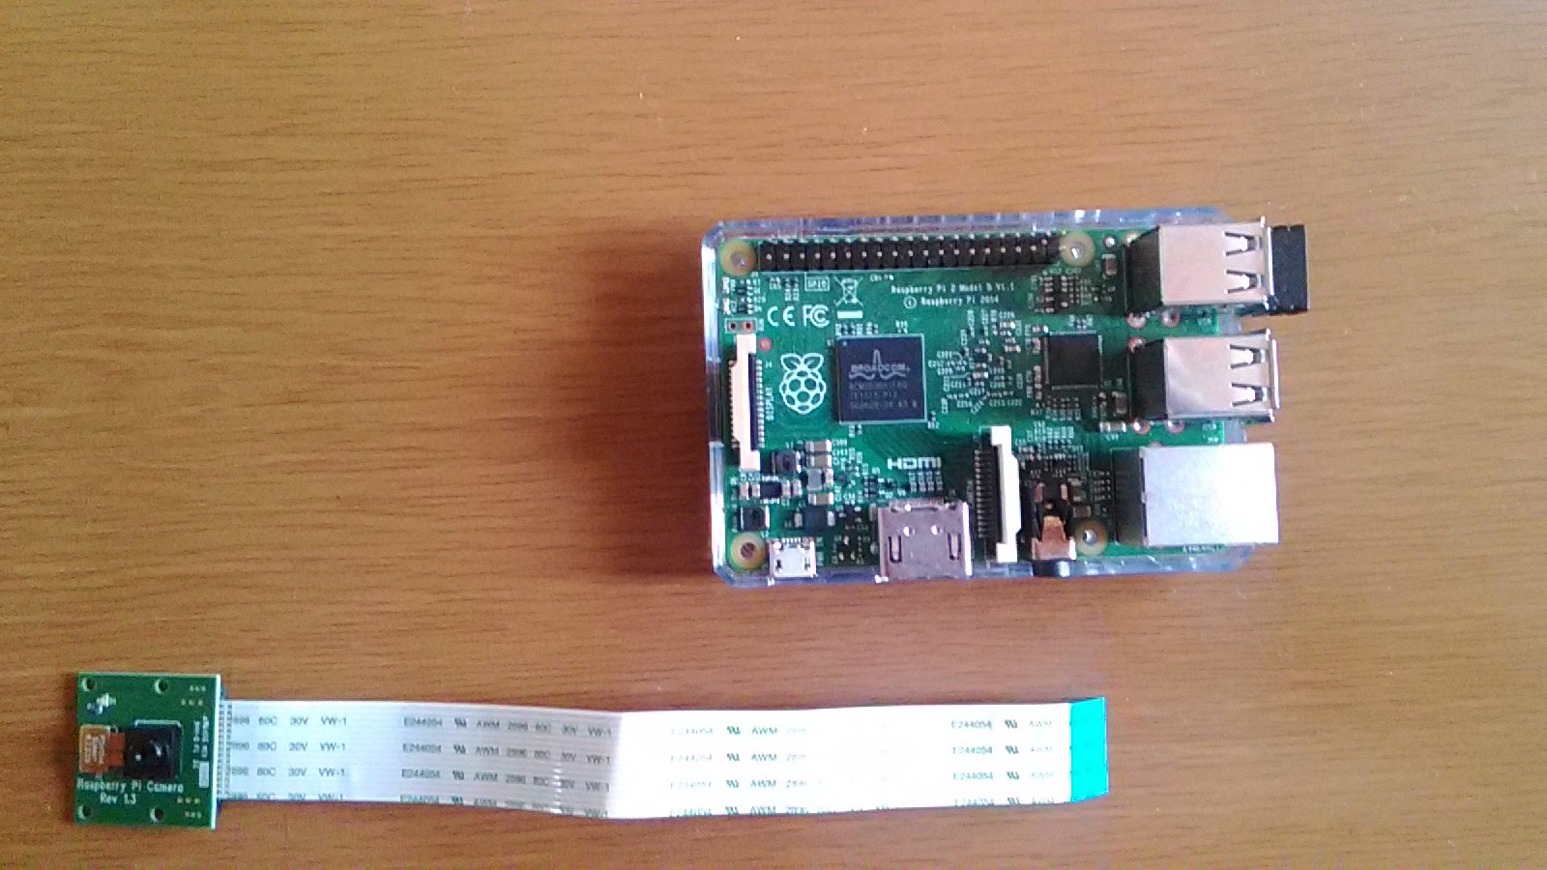

2. Insert the cable into connector
Pull up the white part of the connector with your finger.
Insert cable into the connector
push the white part of the connector to make sure cable can not remove easily.
Please refer to this video for more details
https://www.raspberrypi.org/help/camera-module-setup/
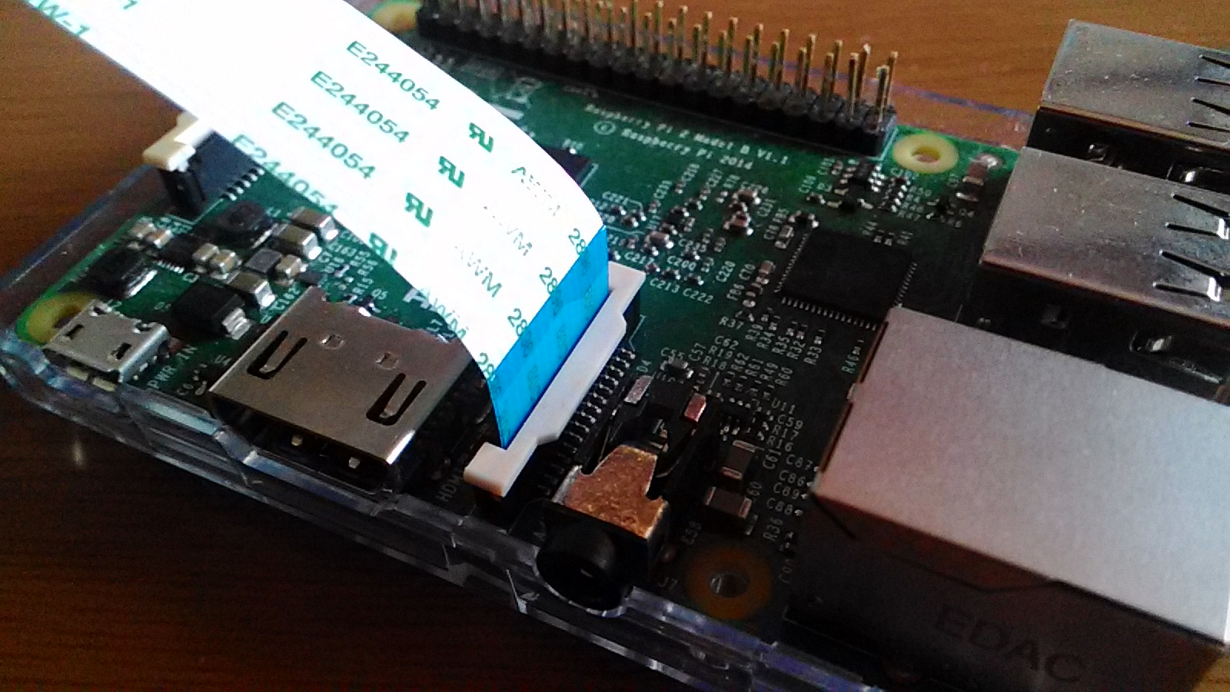

Login to Raspbery Pi with ssh
sudo raspi-config
select "enable camera"
select "finishe"
reboot Raspbrry Pi

Login ssh again
raspistill -o cam.jpg
ls -l cam.jpg
#Please make sure that image saved

With your linux / Mac PC
sftp pi@"IP Address of your Raspberry Pi"
get cam.jpg
#You can see the image file

