Sheet1
Please connect utltrasonic distance sensor and Raspberry Pi as below.

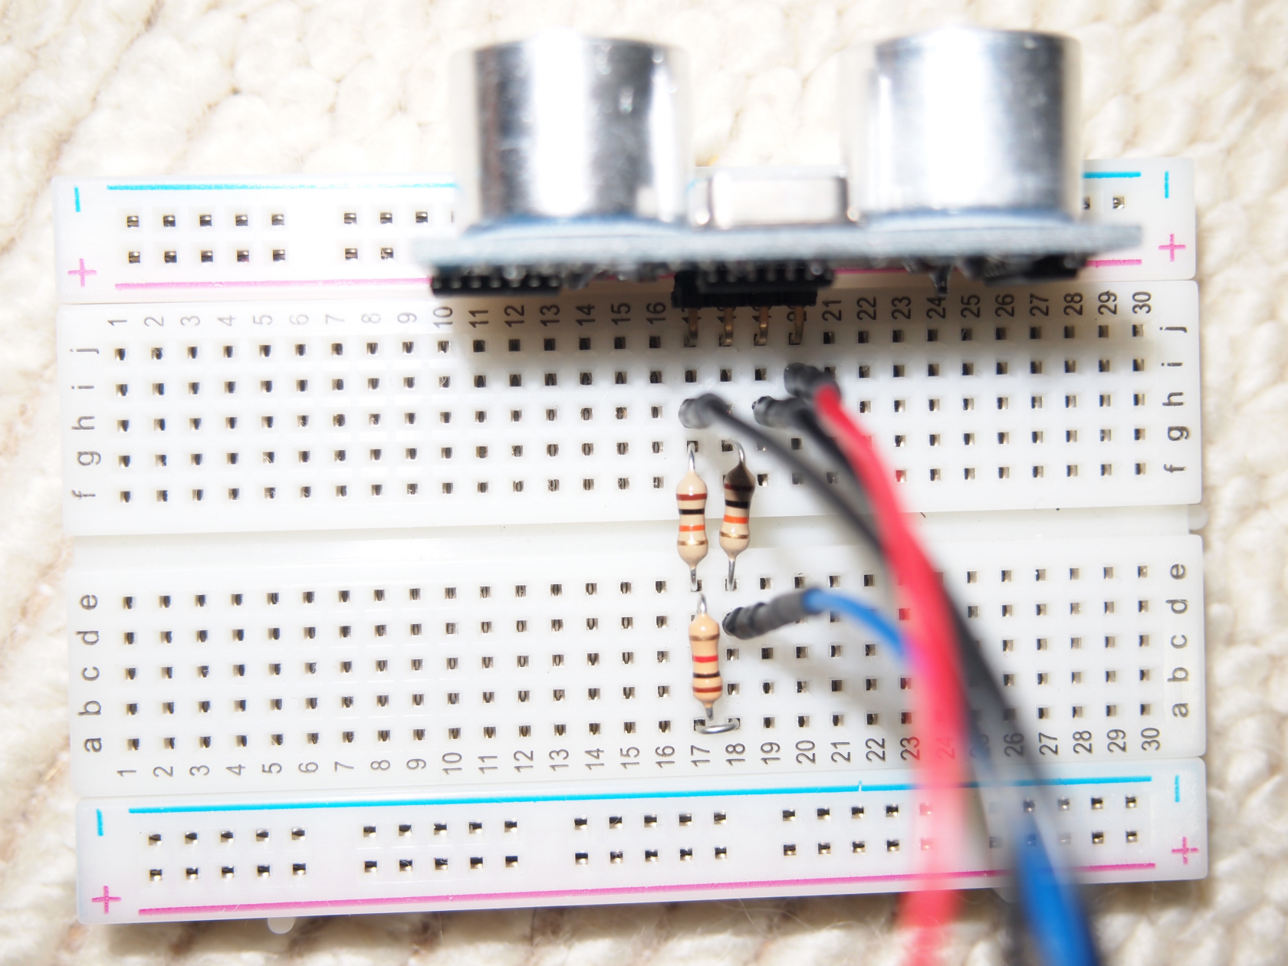

Ultrasonic sensor

4. Ground(Black)
1. VCC (red)

2. Trig (black)
1k register
(assigned line is
gold-red-black-brown)

3. Echo (brue)
connected 17 and 18 with small pin

Use line of 17 to 21
in this example
you can use 4 sequence lines instead

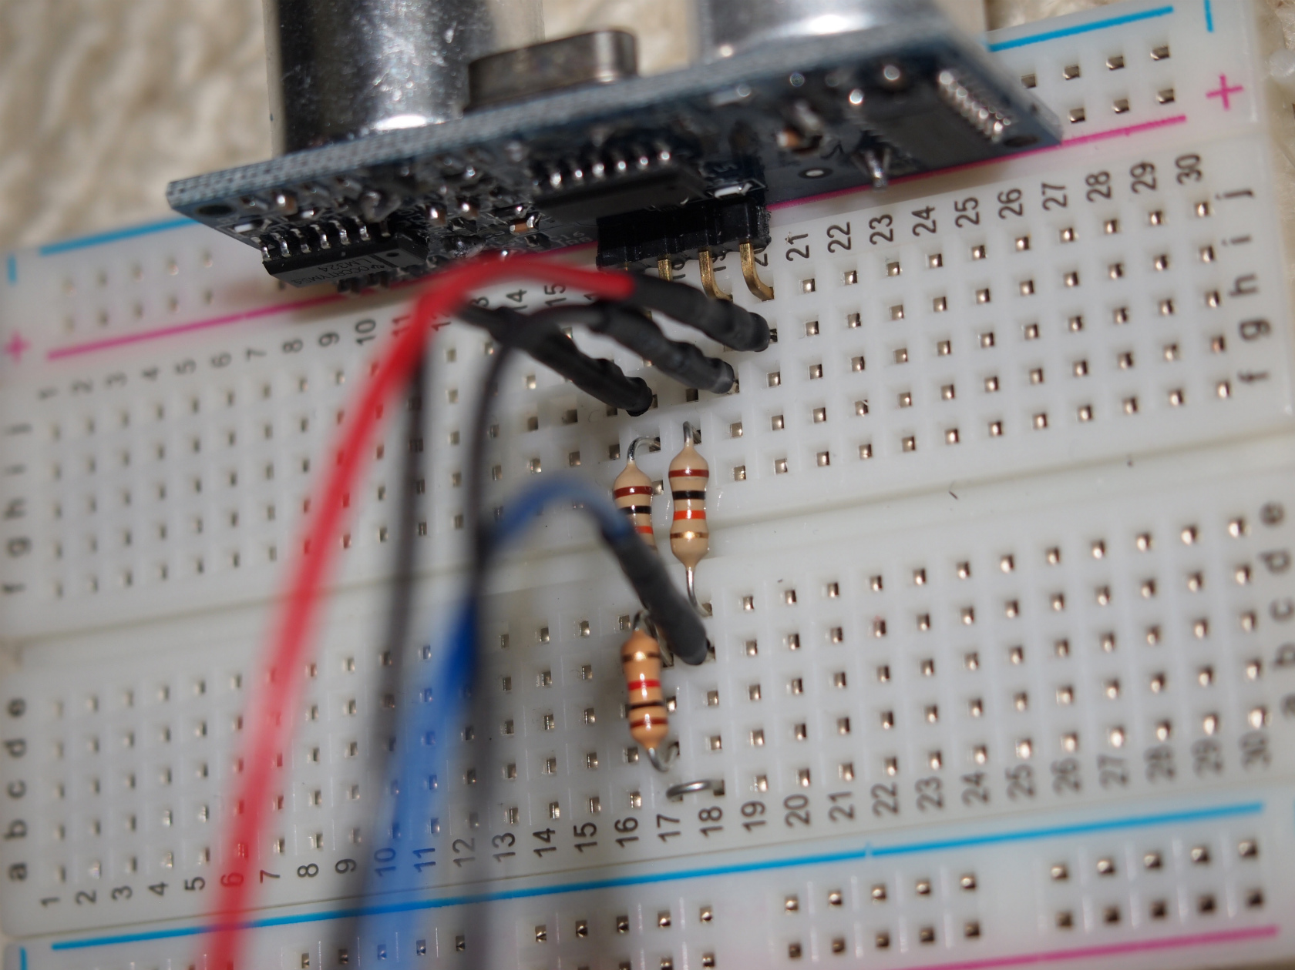

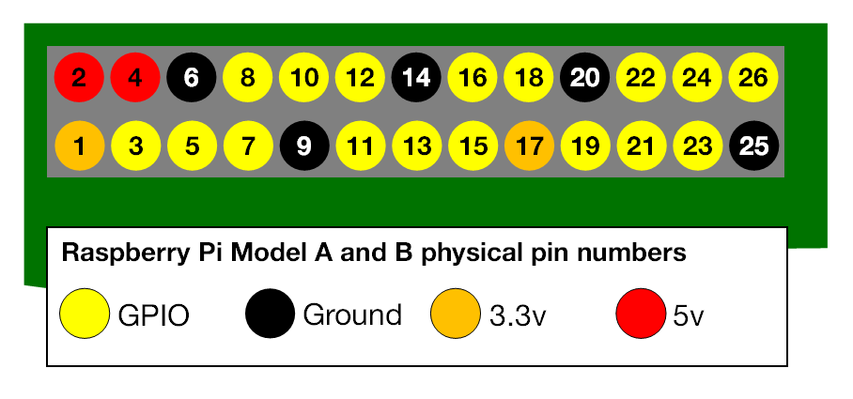
Connect cable from sensor to Raspberry Pi as shown
Pyisical pin numbering
https://www.raspberrypi.org/documentation/usage/gpio/

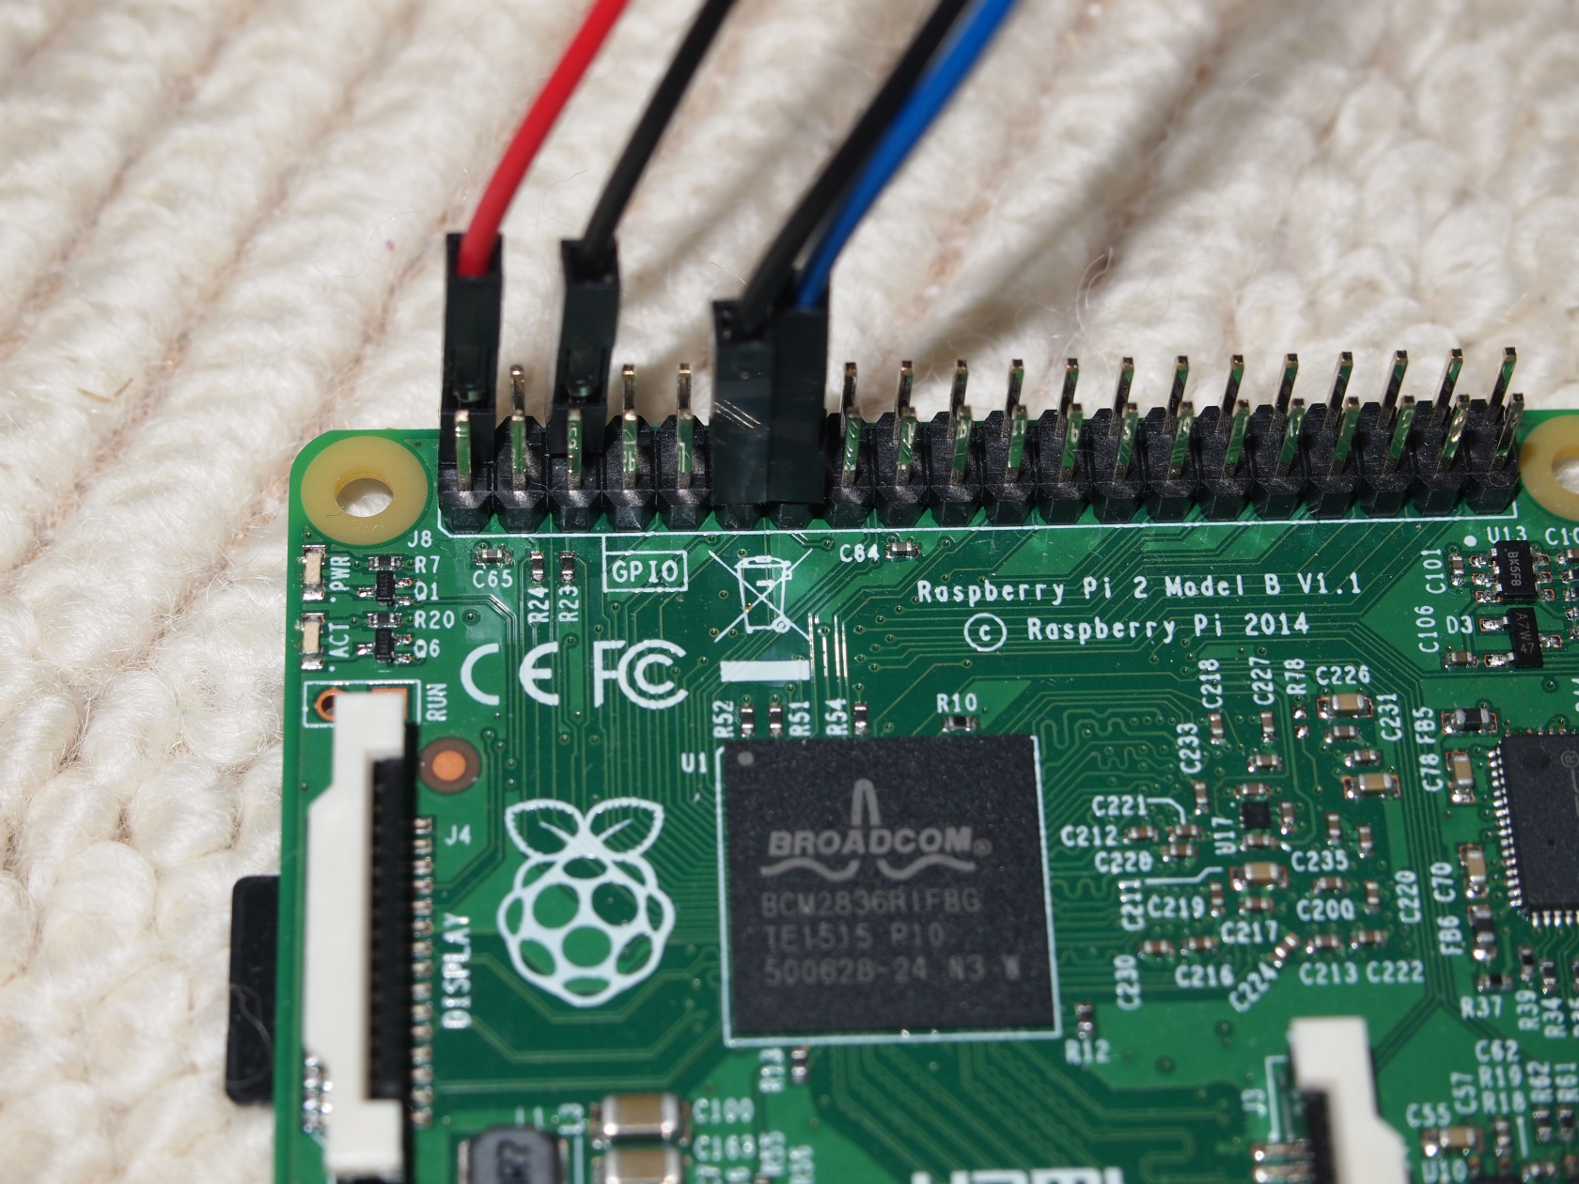

1. VCC (red)
-> pin 2
back line
3. Echo (Blue)
- >Pin 13
front line

4. Ground(black)
->ping 6
back line
2. Trig (Black)
-> pin 11
front line

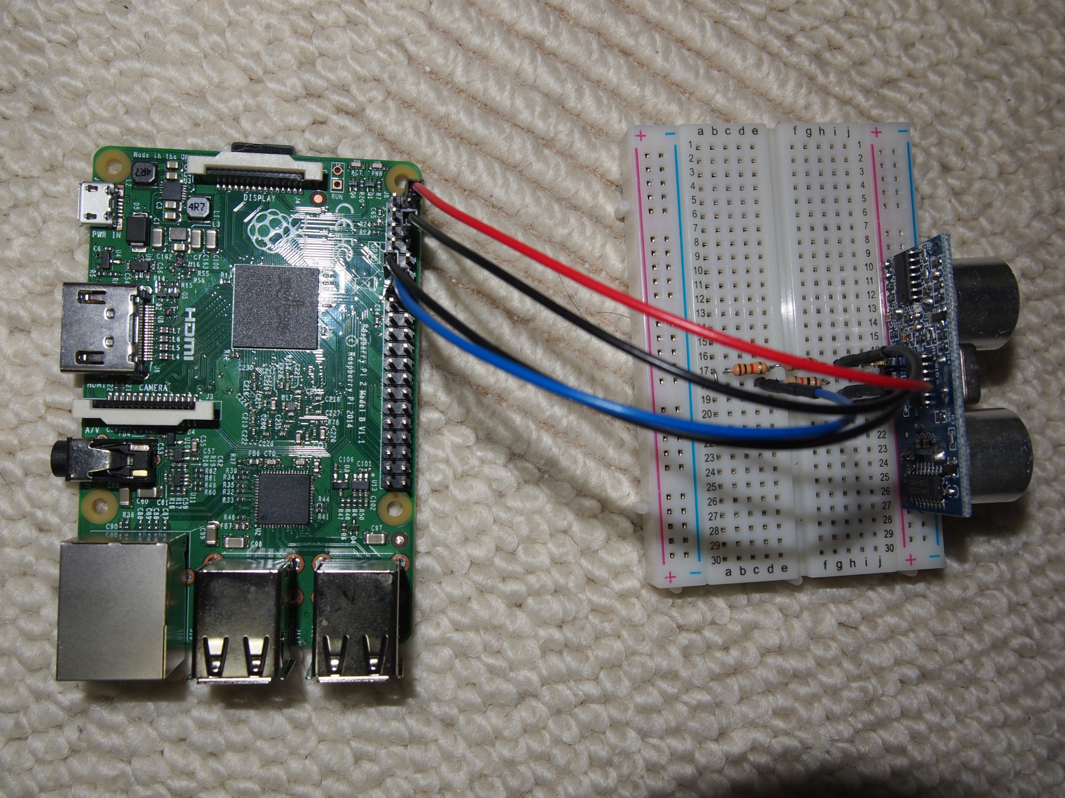

Connect to Raspberry Pi by ssh
pi@RAS3:~# sudo su (switch to root user)
root@RAS3:~#
root@RAS3:~# git clone https://github.com/2015-GlobalPBL/development/ (clone development repository)
Cloning into 'development'...
Username for 'https://github.com': hkamatsuka (type your git account name)
Password for 'https://hkamatsuka@github.com': (type your git password)
remote: Counting objects: 20, done.
remote: Compressing objects: 100% (7/7), done.
remote: Total 20 (delta 0), reused 0 (delta 0), pack-reused 13
Unpacking objects: 100% (20/20), done.
Checking connectivity... done.
root@RAS3:~#
root@RAS3:~# cd development/IOT/infrastructure/usonic_sensor/ (change directory)
root@RAS3:~/development/IOT/infrastructure/usonic_sensor#
root@RAS3:~/development/IOT/infrastructure/usonic_sensor# ls -ltr (check file existence)
total 8
-rw-r--r-- 1 root root 188 Oct 25 21:36 usonic.py
-rw-r--r-- 1 root root 559 Oct 25 21:36 hc_sr04.py
root@RAS3:~/development/IOT/infrastructure/usonic_sensor#
root@RAS3:~/development/IOT/infrastructure/usonic_sensor# python usonic.py (run script)
11.3365650177
(if script return value "centi meter" like above its working correctly)

