①Grovepi+Configuration
GrovePi+ Configuration

 | http://www.seeedstudio.com/wiki/GrovePi%2B

 | 【Example】 |  |  | router/Hub

 | IP |  |  |  |  |  |  | IP
 | 192.168.0.1 |  |  |  |  |  |  | 192.168.0.6
 |  | SSH Protocol

 |  |  |  |  |  |  | pi |  |  |  | Grovepi+
 |  |  | LAN cable

 | Your Windows machine |  |  |  | USB Port

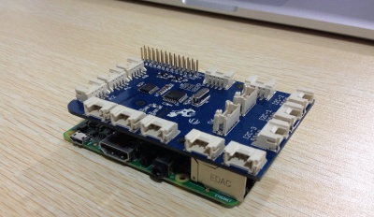
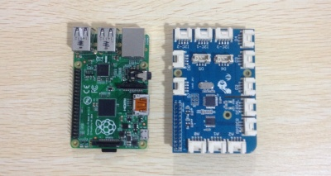

 | DefaultAcount |  |  |  |  | Login pi user
 | USER |  | pi
 | PASSWORD |  | raspberry |  |  | Default Password

 | Acount |  |  |  |  | Login pi user
 | USER |  | pi
 | PASSWORD |  | enpit2015 |  |  | Change pi Password

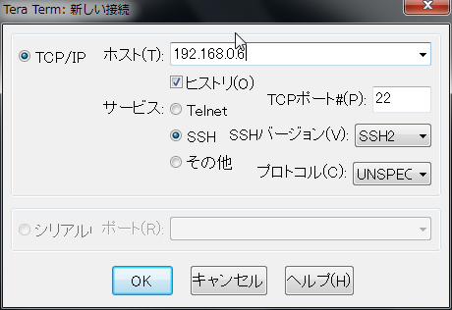
 |  |  |  |  |  |  |  |  |  | TeraTerm Login

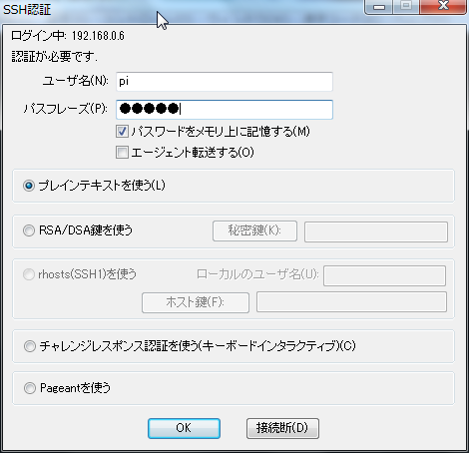

USERNAME
 |  |  |  |  |  |  |  |  | type
 |  |  |  |  |  |  |  |  | USERNAME |  |  | pi
 |  |  |  |  |  |  |  |  | PASSWORD |  |  | enpit2015
PASS WORD

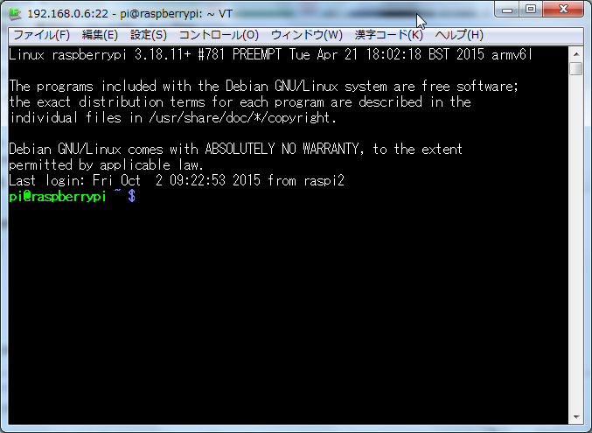
 |  |  |  |  |  |  |  |  |  |  |  |  |  | Teraterm Login

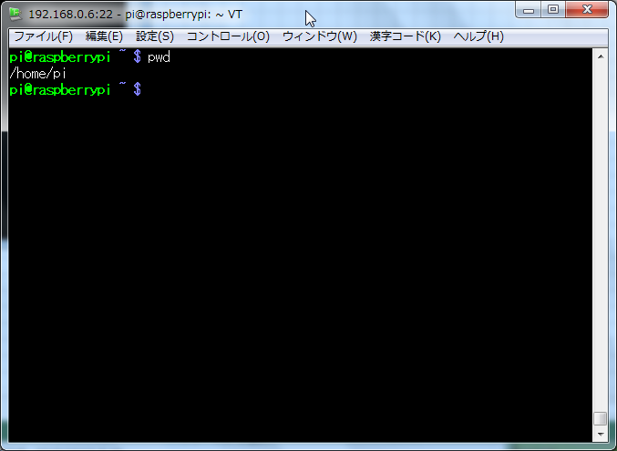
 |  |  |  |  |  |  |  |  |  |  |  |  | type "pwd"

 |  |  |  |  |  |  |  |  |  |  |  |  | /home/pi → Current Directory

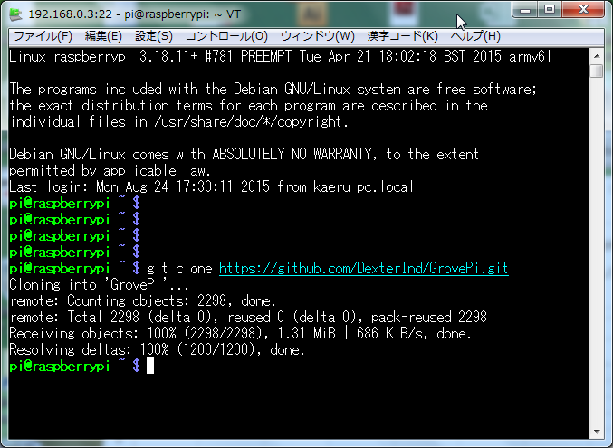
 | Clone the Github repository at an appropriate location
 |  |  |  |  |  |  |  |  |  |  |  |  |  | type git clone https://github.com/DexterInd/GrovePi.git

 | Run the bash script in the Scripts folder to configure the Raspbian. here is the tutorial for setting up with the Script.
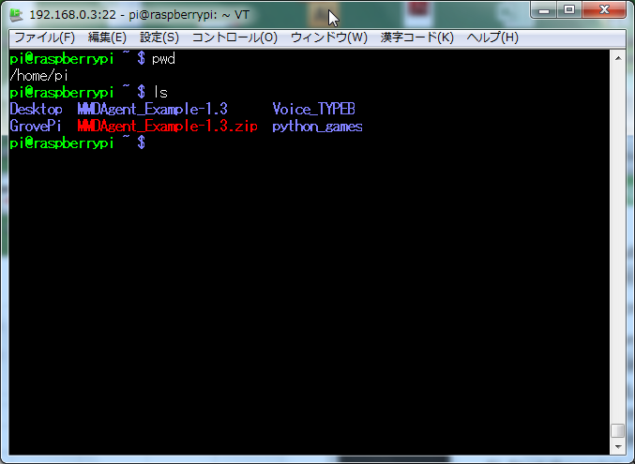

 |  |  |  |  |  |  |  |  |  |  |  |  |  | Install GrouvePi Directory

 |  |  |  |  |  |  |  |  |  |  |  |  |  | Note: Script will fail if your hostname is not raspberrypi
 | Testing the GrovePi
 | Once you have your Raspberry Pi configured to work with the GrovePi, it’s time to see it in action.
 | We have developed three simple projects to illustrate how the GrovePi works.

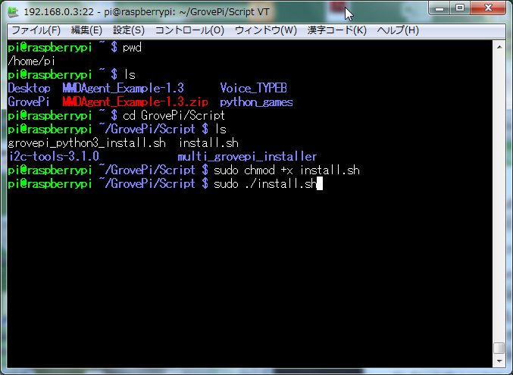
 |  |  |  |  |  |  |  |  |  |  |  |  |  | Change Directory
 |  |  |  |  |  |  |  |  |  |  |  |  |  | type cd GrovePi/Script

 |  |  |  |  |  |  |  |  |  |  |  |  |  | type ls

 |  |  |  |  |  |  |  |  |  |  |  |  |  | type sudo chmod +x install.sh

 |  |  |  |  |  |  |  |  |  |  |  |  |  | type sudo ./install.sh

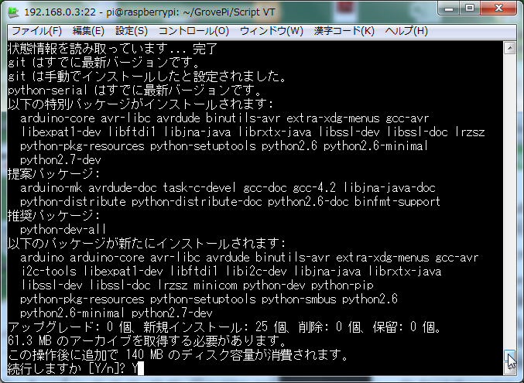

 |  |  |  |  |  |  |  |  |  |  |  |  |  | [Y/n]?
 |  |  |  |  |  |  |  |  |  |  |  |  |  |  |  | type Y

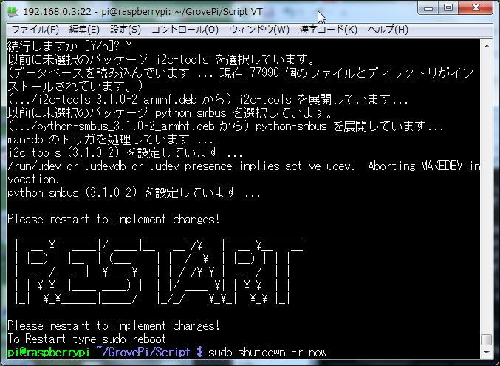

 |  |  |  |  |  |  |  |  |  |  |  |  | sudo reboot

 |  |  |  |  |  |  |  |  |  |  |  |  | Please Restart your pi

 |  |  |  |  |  |  |  |  |  |  |  |  | type sudo shutdown -r now

 | Tera Term Login (After 2 ~ 3minutes waiting)

 |  |  |  |  |  |  |  |  |  | TeraTerm Login

USERNAME
 |  |  |  |  |  |  |  |  | type
 |  |  |  |  |  |  |  |  | USERNAME |  |  | pi
 |  |  |  |  |  |  |  |  | PASSWORD |  |  | enpit2015
PASS WORD

 | Show the sample program Files

 |  |  |  |  |  |  |  |  |  |  |  |  |  | Install GrouvePi Directory

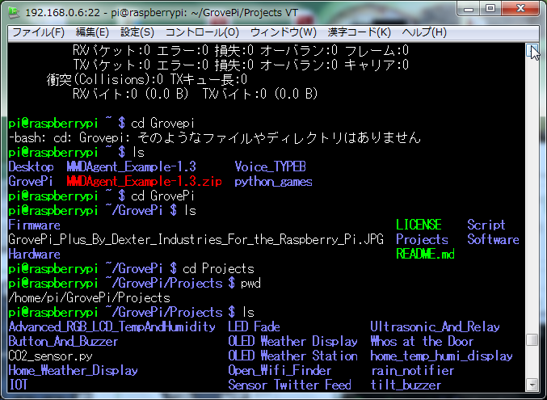

 |  |  |  |  |  |  |  |  |  |  |  |  |  |  | Change Directory
 |  |  |  |  |  |  |  |  |  |  |  |  |  |  | type cd GrovePi

 |  |  |  |  |  |  |  |  |  |  |  |  |  |  | type ls

 |  |  |  |  |  |  |  |  |  |  |  |  |  |  | type cd Projects

 |  |  |  |  |  |  |  |  |  |  |  |  |  |  | type pwd
 |  |  |  |  |  |  |  |  |  |  |  |  |  |  | Now (/home/pi/GrovePi/Projects)

 |  |  |  |  |  |  |  |  |  |  |  |  |  |  | type ls

