①Startup RaspberryPi
Start up RaspberryPi

 | DOWNLOAD

 | 1. Using a computer with an SD card reader, visit the Downloads page.
 | 2. Click on the Download ZIP button under ‘NOOBS (offline and network install)’, and select a folder to save it to.
 | 3. Extract the files from the zip.

 | https://www.raspberrypi.org/downloads/
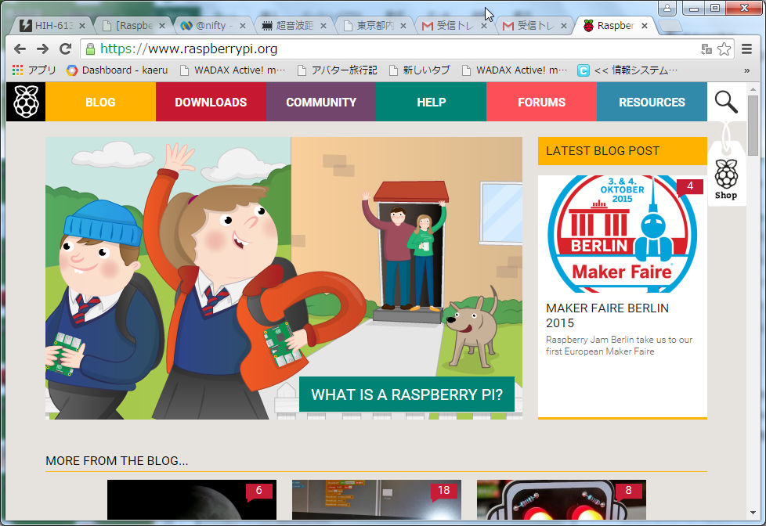

 |  |  |  |  |  |  |  |  |  | Click

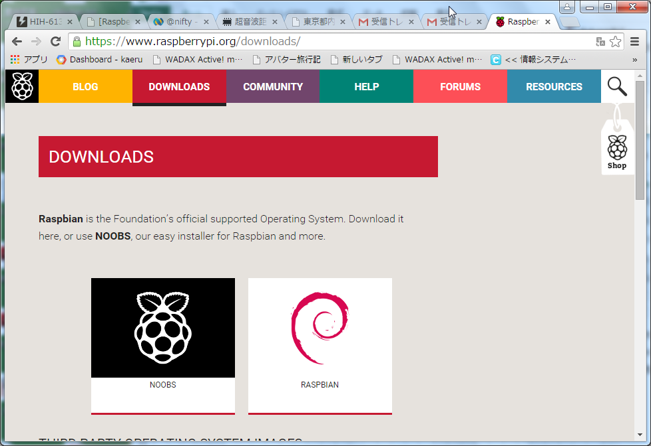

 |  |  |  |  |  |  |  |  |  | Click

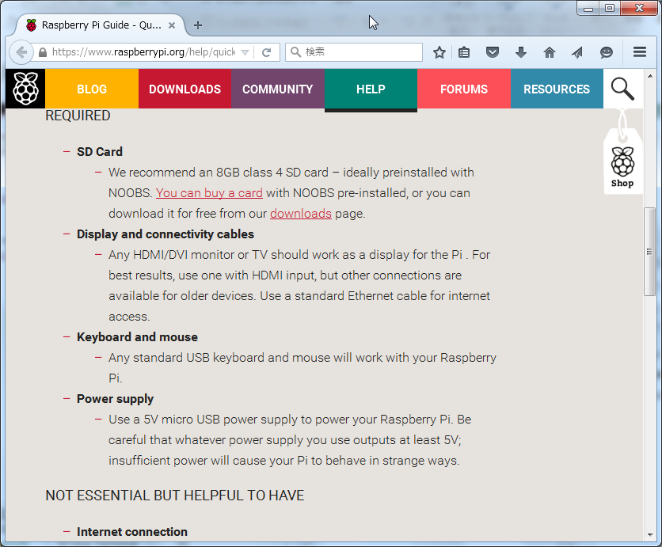
 | RQUIRED

 |  |  |  |  |  |  |  |  |  |  | RQUIRED

 |  |  |  |  |  |  |  |  |  |  | 8GB SDCard

 | Introduction
 | https://www.raspberrypi.org/help/quick-start-guide/

 | Format Your SD card (or microSD card)
 | http://www.raspberrypi.org/help/noobs-setup/

 | FORMAT YOUR SD CARD
 | It is best to format your SD card before copying the NOOBS files onto it. To do this:

 | 1. Visit the SD Association’s website and download SD Formatter 4.0 for either Windows or Mac.
 |  | https://www.sdcard.org/downloads/formatter_4/
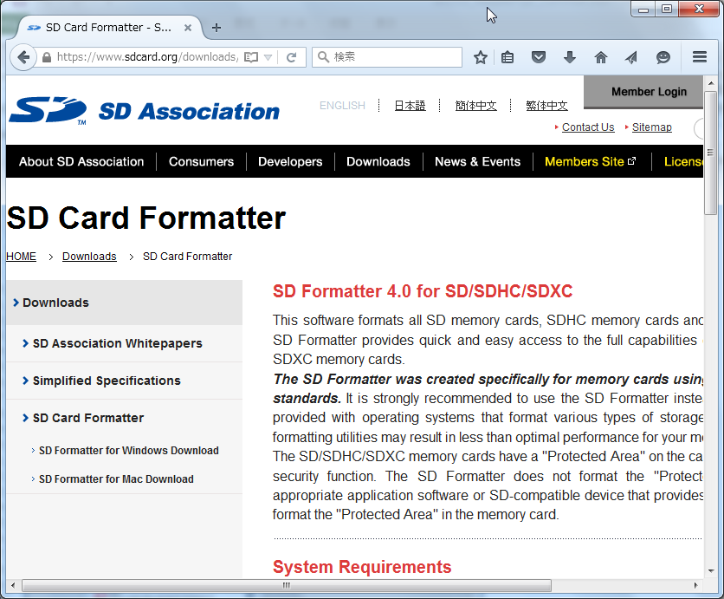
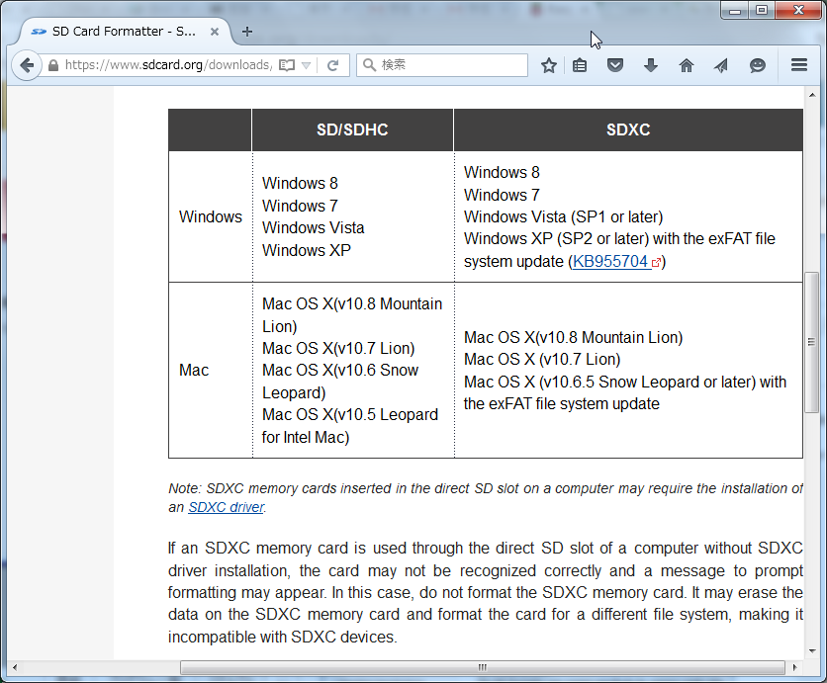

 | 2. Follow the instructions to install the software.
 | 3. Insert your SD card into the computer or laptop’s SD card reader and make a note of the drive letter allocated to it, e.g. G:/
 | 4. In SD Formatter, select the drive letter for your SD card and format it.

 | DRAG AND DROP NOOBS FILES

 | 1. Once your SD card has been formatted, drag all the files in the extracted NOOBS folder and drop them onto the SD card drive.
 | 2. The necessary files will then be transferred to your SD card.
 | 3. When this process has finished, safely remove the SD card and insert it into your Raspberry Pi.

 | FIRST BOOT

 | 1. Plug in your keyboard, mouse and monitor cables.
 | 2. Now plug in the USB power cable to your Pi.

 | 3. Your Raspberry Pi will boot, and a window will appear with a list of different operating systems that you can install.
 |  | We recommend that you use Raspbian( → Wheezy ) – tick the box next to Raspbian and click on Install.
 | 4. Raspbian will then run through its installation process. Note this can take a while.
 | 5. When the install process has completed, the Raspberry Pi configuration menu (raspi-config) will load.
 |  | Here you are able to set the time and date for your region and enable a Raspberry Pi camera board,
 |  | or even create users. You can exit this menu by using Tab on your keyboard to move to Finish.

 | LOGGING IN AND ACCESSING THE GRAPHICAL USER INTERFACE

 | The default login for Raspbian is username pi with the password raspberry.
 | Note you will not see any writing appear when you type the password. This is a security feature in Linux.

 | To load the graphical user interface type startx.
 | Refer to our documentation for more information.

 | Acount
 | USER |  |  |  | pi
 | PASSWORD |  |  |  | enpit2015

 | http://www.raspberrypi.org/documentation/installation/noobs.md
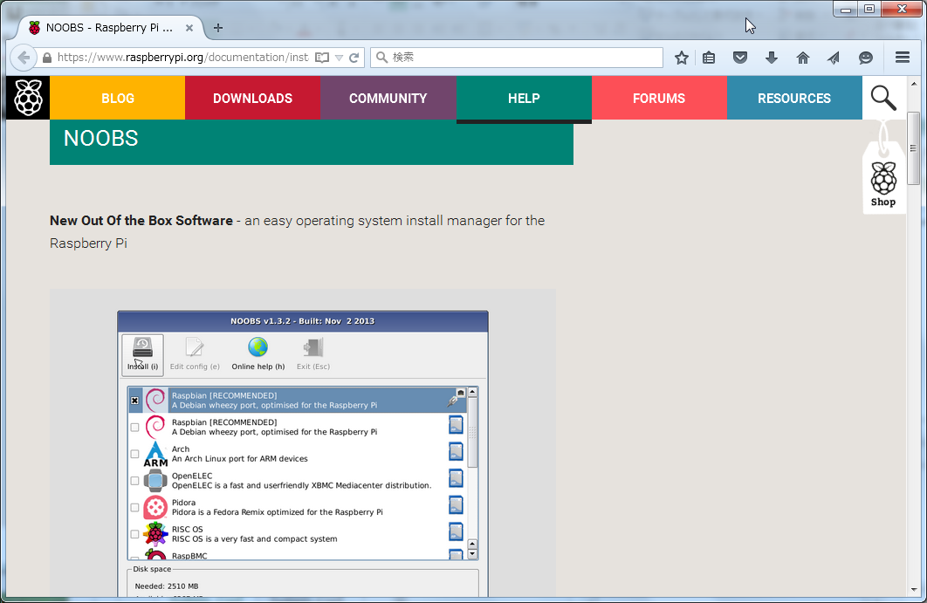

【Example】

 | NW Router/HUB
 |  |  |  |  |  |  | Display |  | Display

 |  |  |  | LAN Cable
 |  |  |  |  |  | HDMI-Cable
 | pi |  |  |  |  |  |  | USB Keyboard

 |  |  |  |  |  |  |  | USB mouse
 |  |  | Now plug in the USB power cable to your Pi.
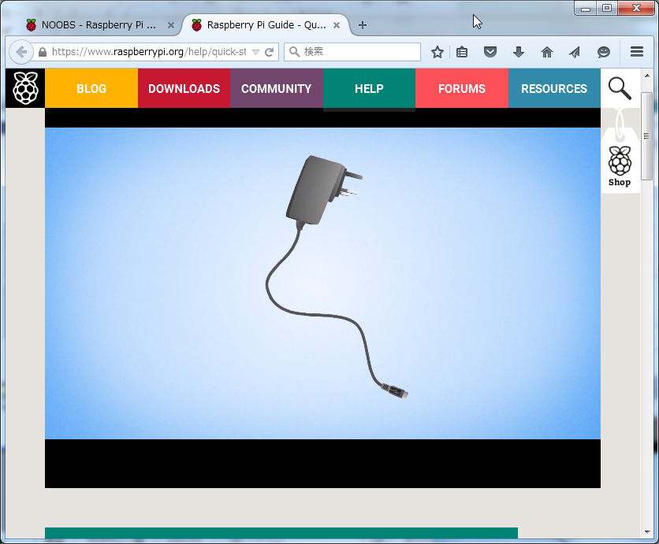
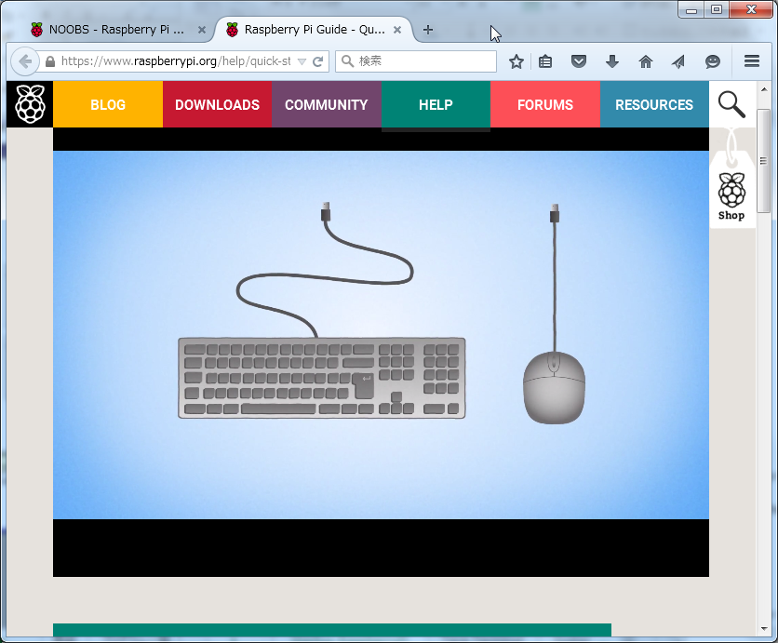

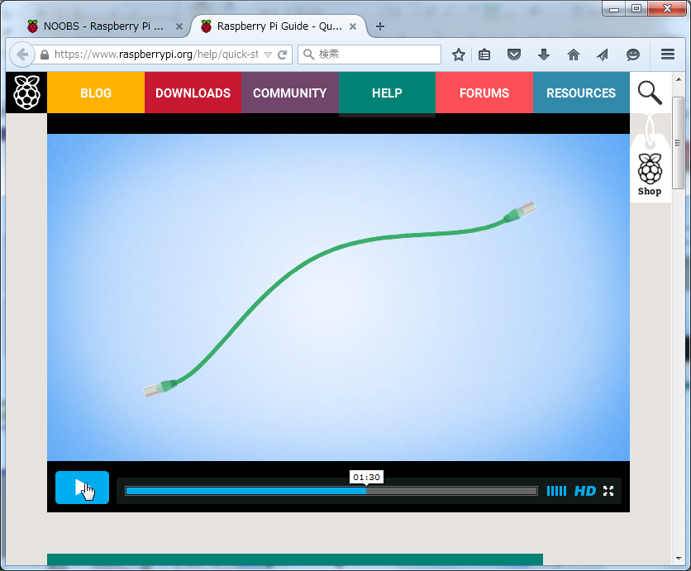
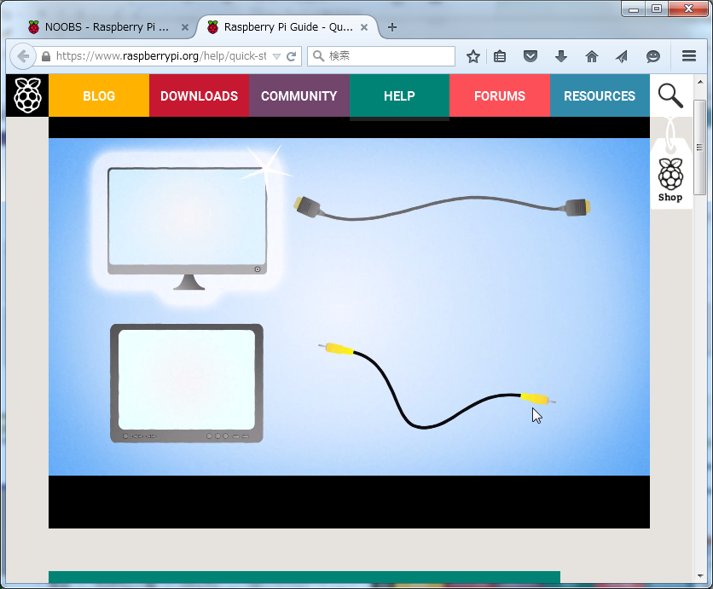

 | https://www.raspberrypi.org/help/quick-start-guide/

②Tera Terminal
How to Find, Download, and Use Tera Terminal

 | About Tera Term
 | Tera Term is open source free software terminal emurator that worke fine in windows 7,8 and Vista.

 | http://www.microdigitaled.com/tutorials/Tera_Terminal.pdf

 | https://www.youtube.com/watch?v=cE2Lgk8fYJI

 | After running Tera Term you have to choose the connection type.
 | Choose the TCP/IP connection and then type the IP-Address of RaspberryPi machine.

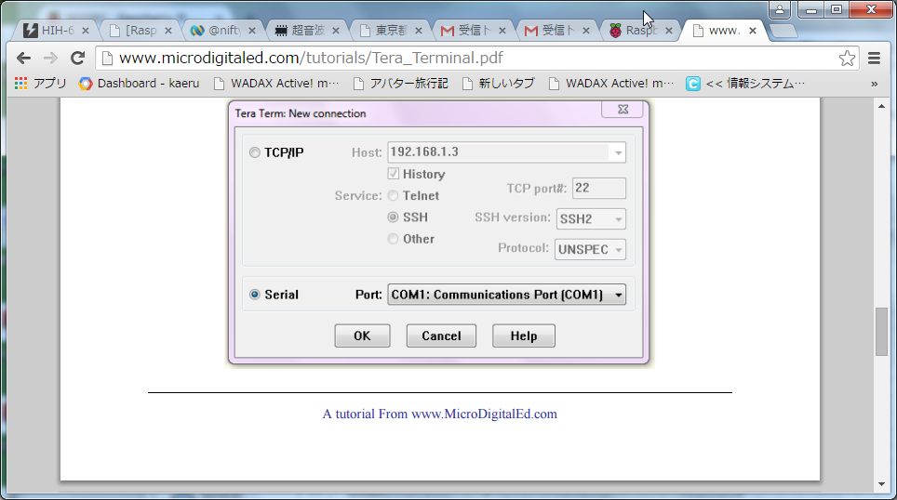

 | Acount |  |  |  |  | Login pi user
 | USER |  | pi
 | PASSWORD |  | enpit2015 |  |  | Change pi Password

 | 【Example】 |  |  | router/Hub

 | IP |  |  |  |  |  |  | IP
 | 192.168.0.1 |  |  |  |  |  |  | 192.168.0.2
 |  | SSH Protocol

 |  |  |  |  |  |  | pi
 |  |  | LAN cable

 | Your Windows machine |  |  |  | USB Port

