page transition
(Draft) Page transition
 | 2015-11-14
"data"
"Page name"
"action"
comment
condition

page transition

video image
Camera pop-up
Live broadcast()
Email
Password
Keep signed in
Login page
Login()
Area selection
User nickname
map
hourly raifall("R")
temperature("T")
humidity("H")
archive
Main page
Login()
[push pin in map]
[have id]

[push cross button]
not yet created

[no id]
monthly R/T/H
yearly R/T/H
Archive
Display()
Welcome message
Registerd page
Get started()
documents/other/sample/web/userLogin.html#
Nickname
Email
Birht day
Male/Female
Area
Push notification
Sign up for a new account
Create account()

check need to be done by Javascript
documents/other/sample/web/mainPage.html

documents/other/sample/web/userLogin.html#
documents/other/sample/web/registered.html
documents/other/sample/web/newAccount.html

page image
(Draft) Page image

github: | documents/other/sample/web/userLogin.html

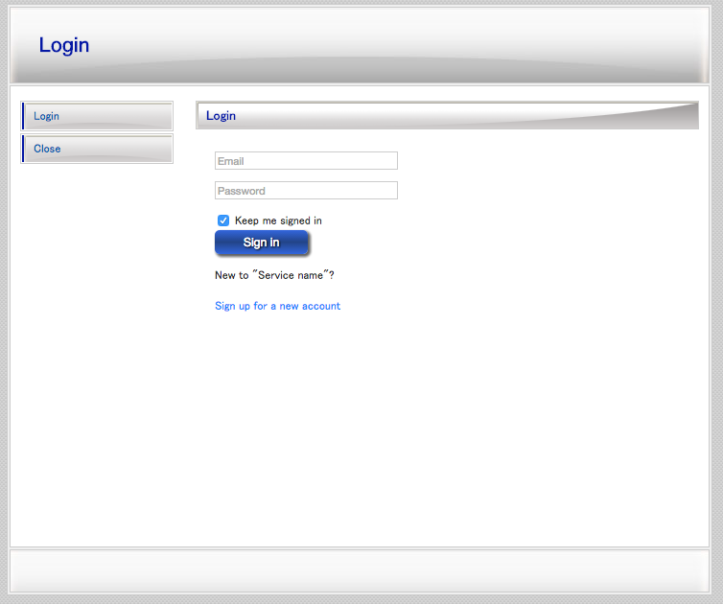

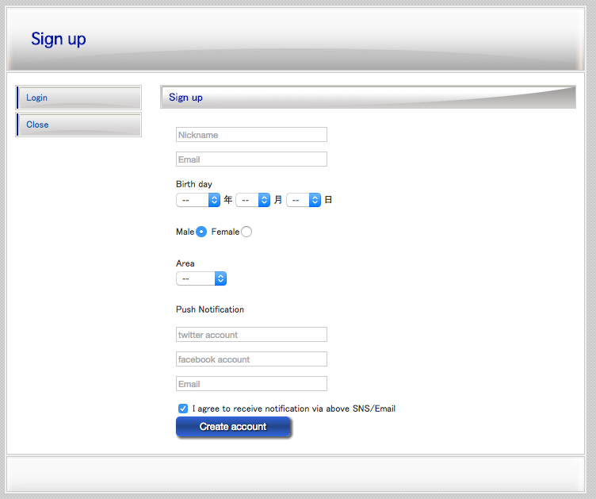

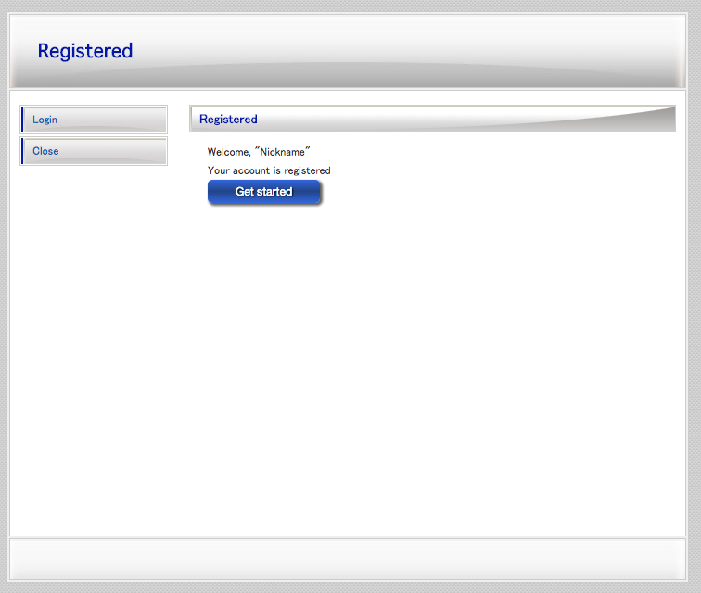

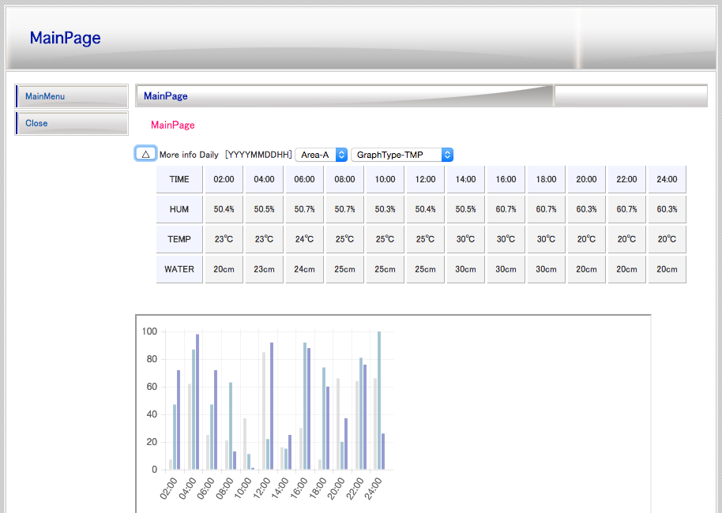
My area : A
Signed in as Yosuke

Today's weather
21st Nov(Sat)
Area : A
Now

Alert

Map
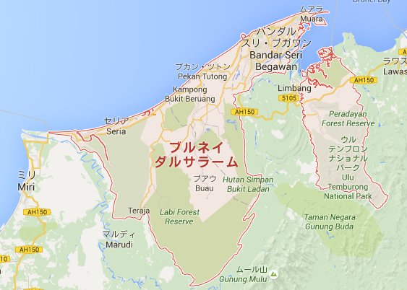

Archive
 | Hourly | select : year month day
 | Daily | select : year month
 | Monthly | select : year
 | Yearly | select : from year to year

camera pop-up
(Draft) Camera pop-up

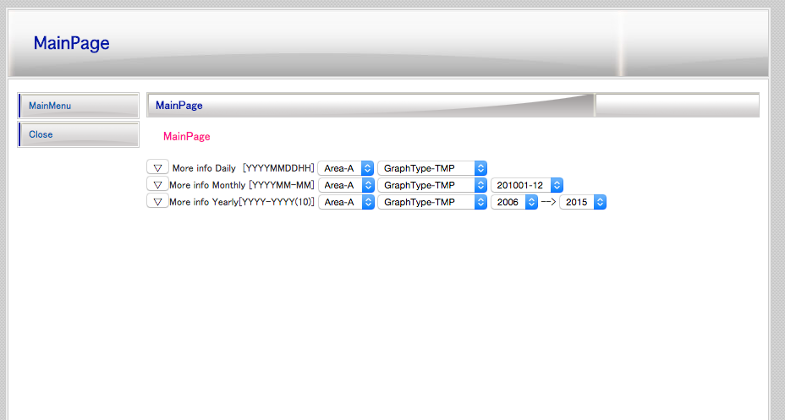

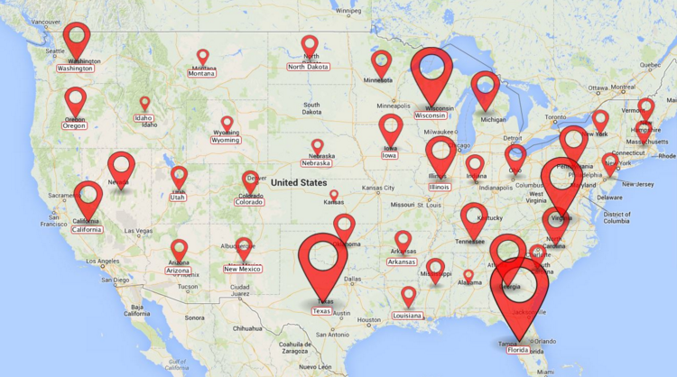
1)Once push pin in the map,
2)Live video will pop-up as below

1)

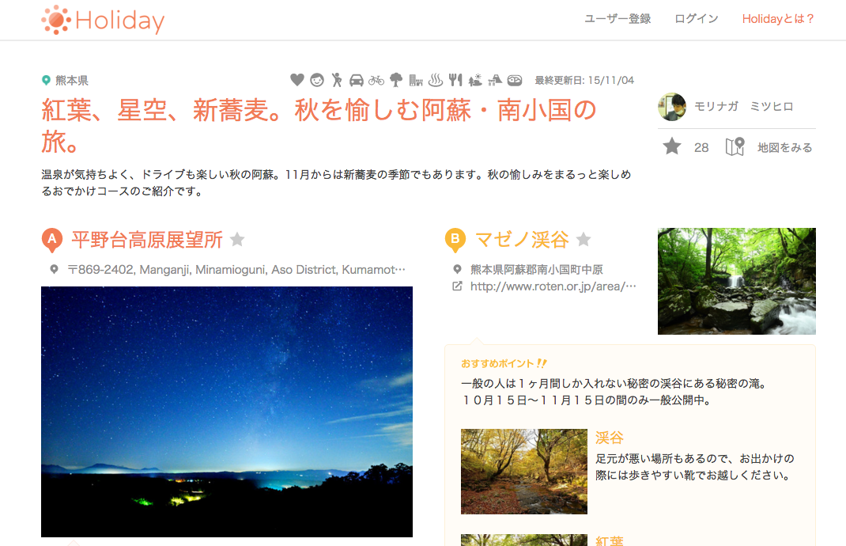
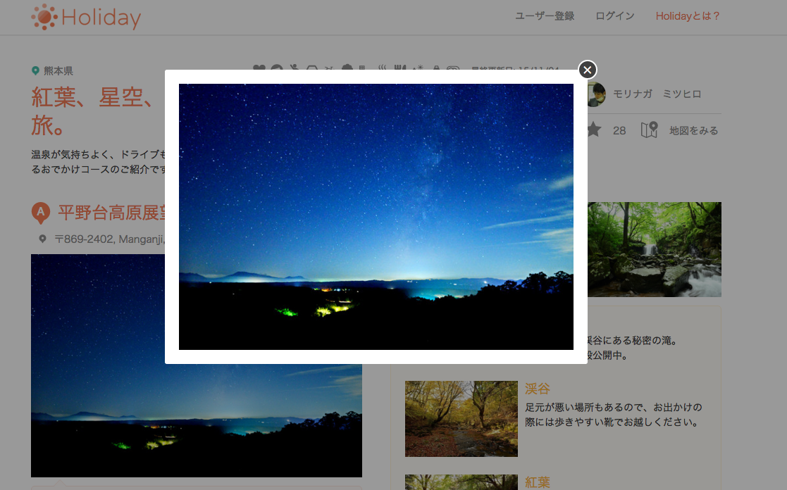

2)

source: | https://haveagood.holiday/plans/24431

